Jan-2026
WH Manager - Akbar Chaudhari
Date | Factory | Observations | Locations | Responsible | Photo (Before) | Photo (After) | Remark
05.01.2026 | WSGR | Material found in gangways , This can invite incidences while approaching opposite locations | WH | Manoj Mishra | 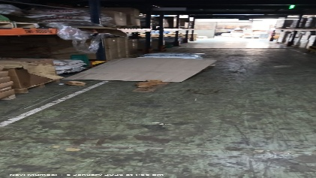 | 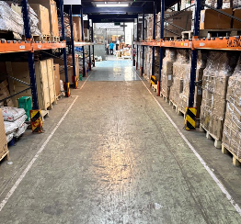 | Closed
14.01.2026 | WSGR | Improper Material Stacking | WH | Manoj Mishra | 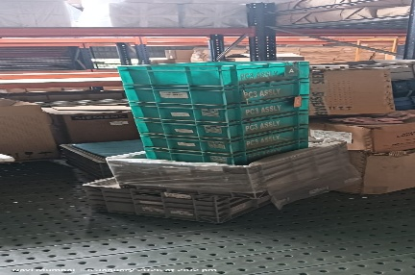 | 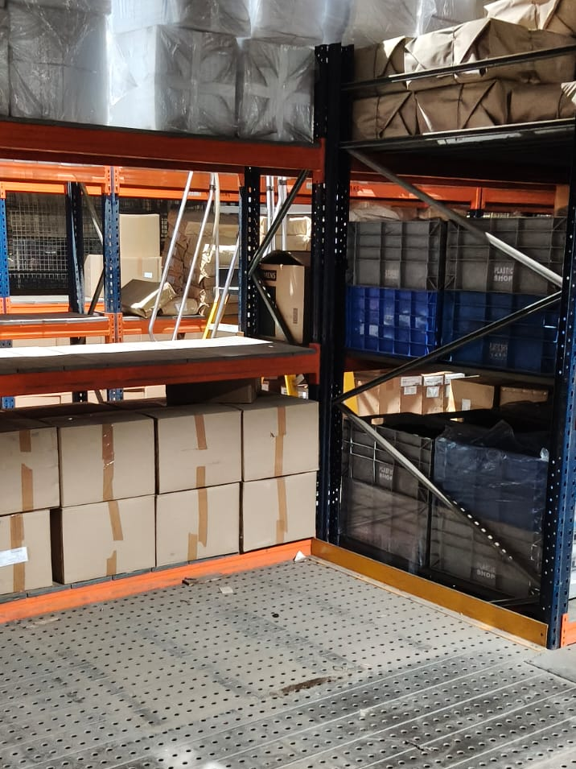 | Closed
21.01.2026 | WSGR | Improper Material Stacking in gangway | WH | Kartik Rathod | 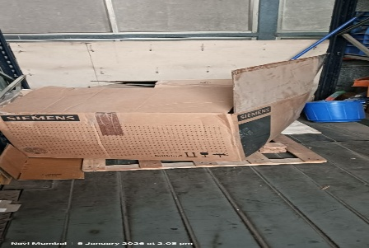 | 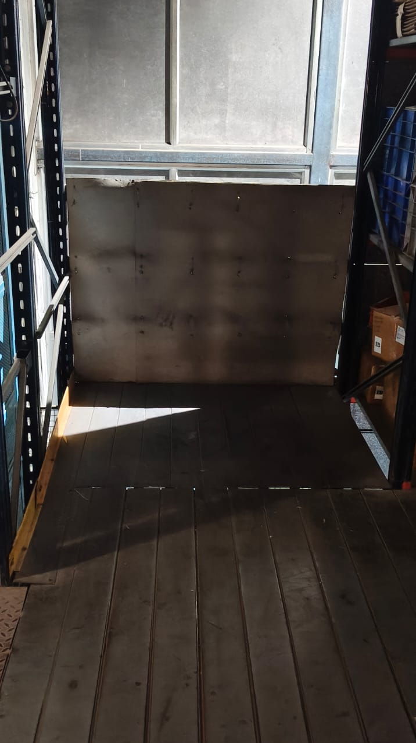 | Closed
29.01.2026 | WSGR | Empty bins in gangway, needs to place in designated location | WH | Manoj Mishra | 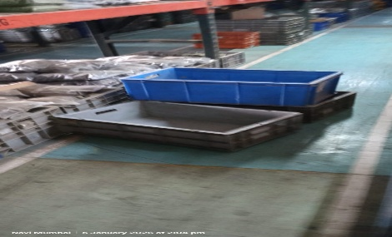 | 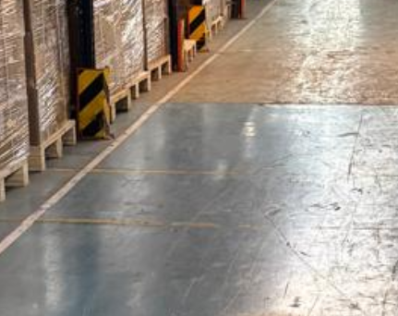 | Closed
07.02.2026 | WSGR | Material found in gangways, | WH | Kartik Rathod | 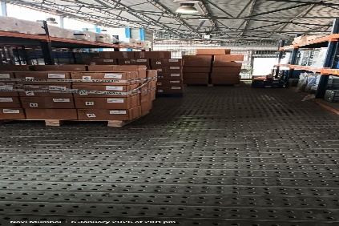 | 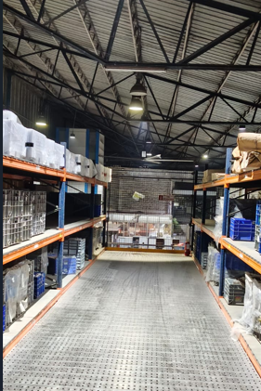 | Closed
14.02.2026 | WSGR | Improper Material Stacking- Out of the marking line | WH | Kartik Rathod | 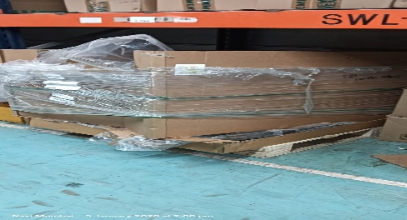 | 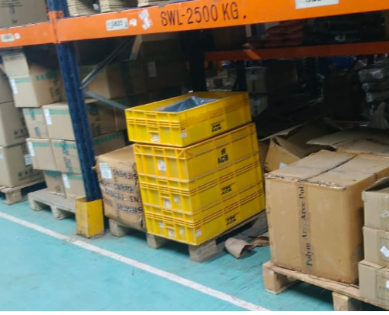 | Closed
21.02.2026 | WSGR | HPT left unattended in gangway | WH | Manoj Mishra | 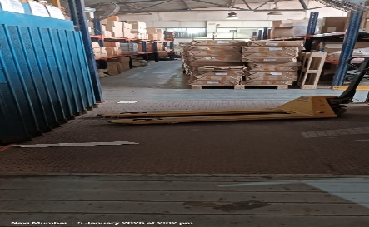 | 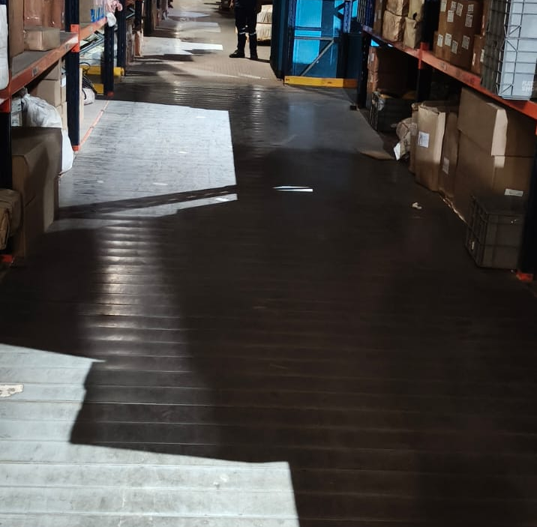 | Closed
28.02.2026 | WSGR | Proper stacking required | WH | Kartik Rathod | 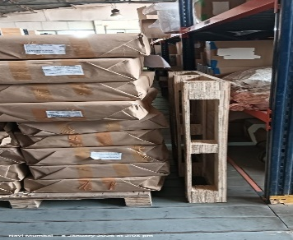 | 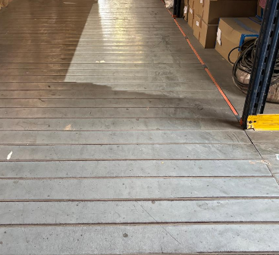 | Closed
07.03.2026 | WSGR | Unwanted safety helmets needs to remeoved from the WH | WH | Manoj Mishra | 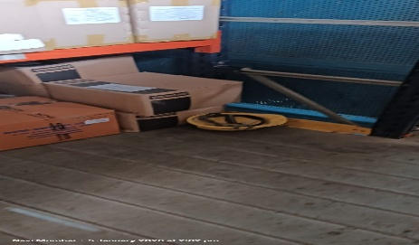 | 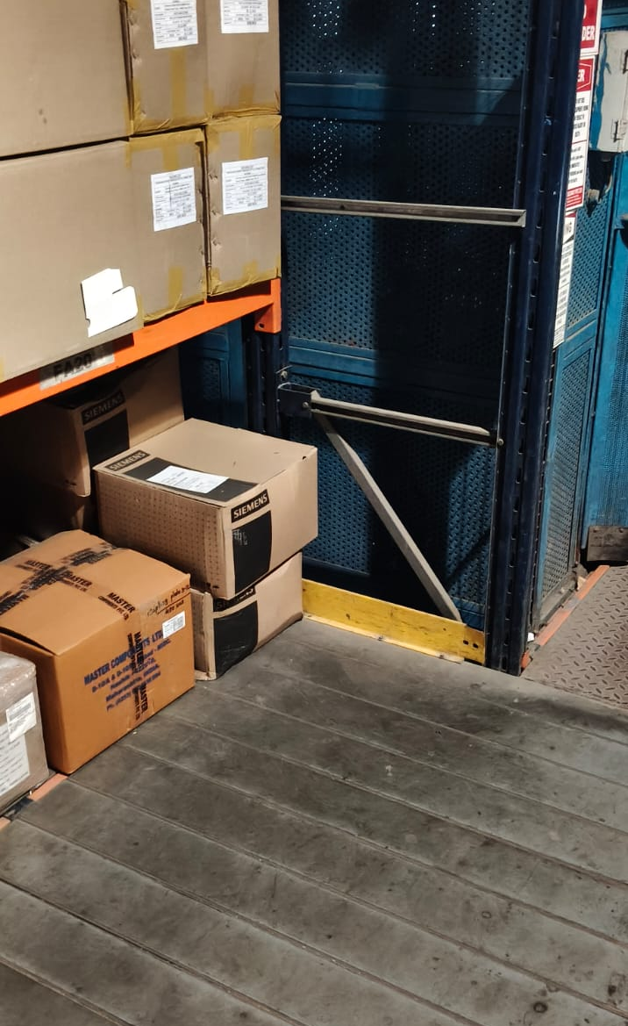 | Closed
14.03.2026 | WSGR | Material lying in gangway, need to be clears to avoid any incident. | WH | Kartik Rathod | 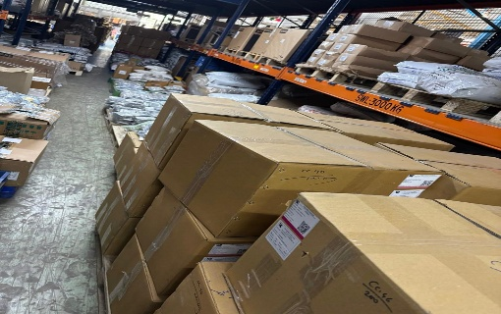 | 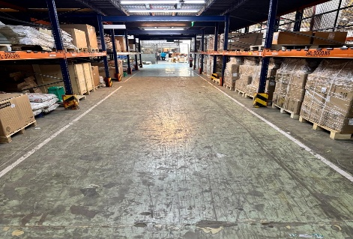 | Closed
20.03.2026 | WSGR | Fire Extinguishetr blocked by material | WH | Manoj Mishra | 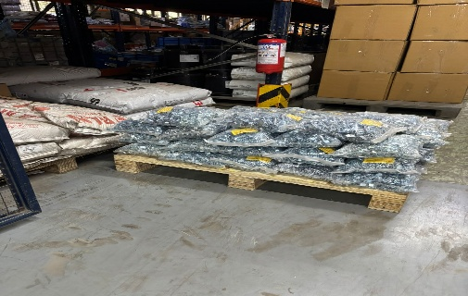 | 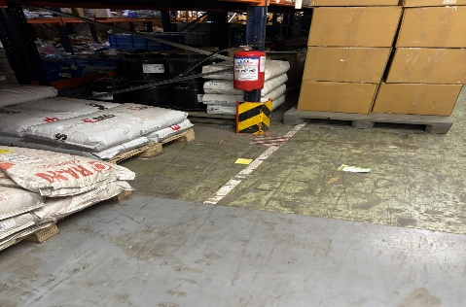 | Closed
28.03.2026 | WSGR | Firehose area are blocked with empty bins. | WH | Manoj Mishra | 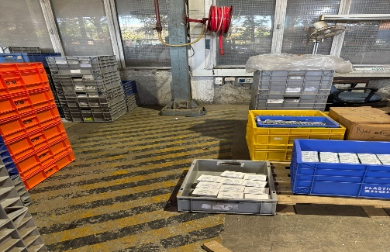 | 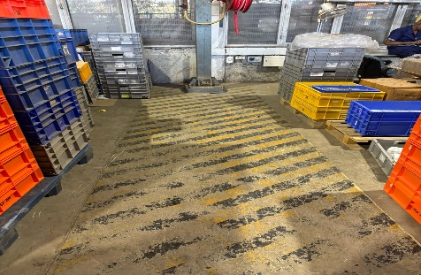 | Closed
04.04.2026 | WSGR | HPT left unattended in gangway | WH | Manoj Mishra | 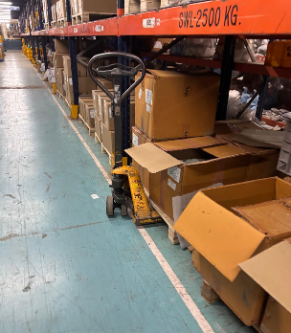 | 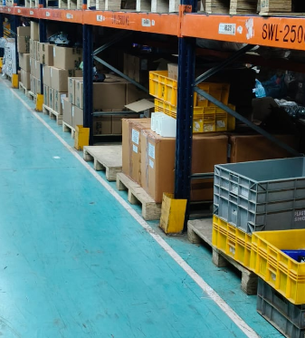 | Open
11.04.2026 | WSGR | Fire Extinguishetr blocked by material | WH | Kartik Rathod | 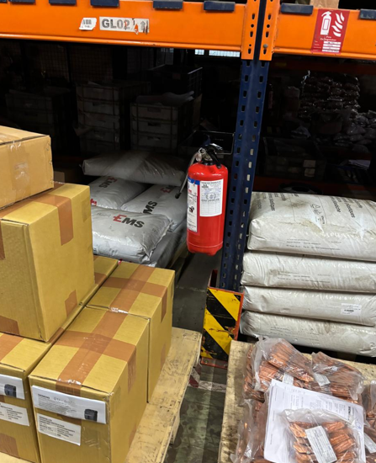 | 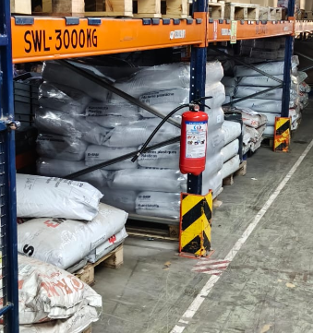 | Open
22.04.2026 | WSGR | Broken Pallet Kept on racking. | WH | Manoj Mishra | 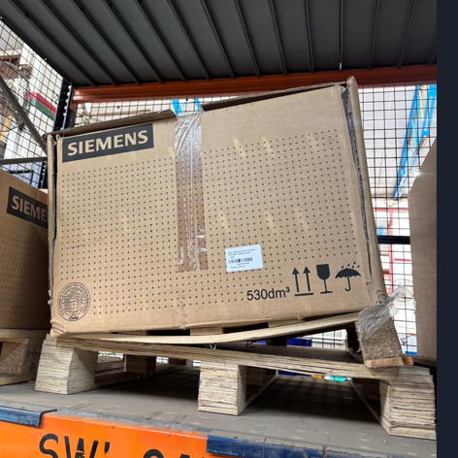 | 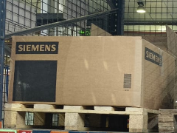 | Closed
30.04.2026 | WSGR | Gangeway blocked with MHE & material | WH | Manoj Mishra | 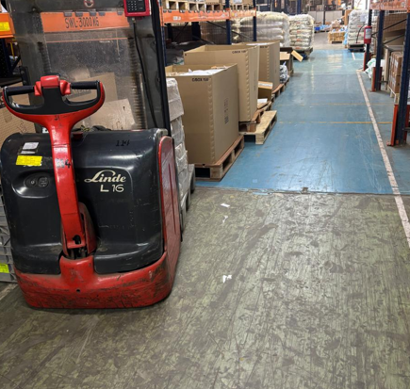 |  | Closed
07.05.2026 | WSGR | Ganagway Bloked | WH | Manoj Mishra | 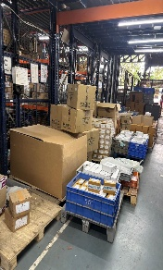 |  | Open
15.05.26 | WSGR | Breaker area Blocked with material | WH | Manoj Mishra | 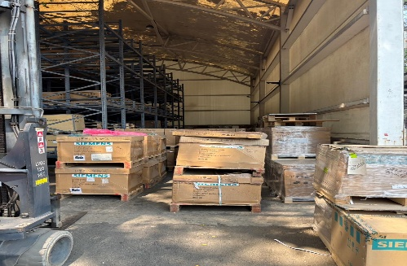 |  | Open
23.05.26 | WSGR | Cleaning machine lying in gangway | WH | Kishor | 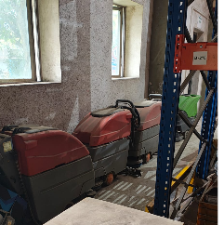 |  | Open
29.05.26 | WSGR | Open Switch - Unsafe condition | WH | Kishor | 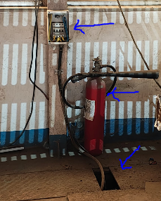 |  | Open
09.06.26 | WSGR | Floor Conditions are Pathetic, Unsafe Condition to Operate MHE in this Area | WH | Kishor | 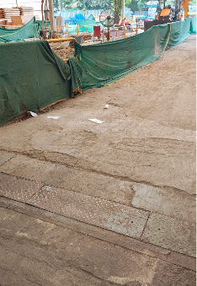 |  | Open
17.06.26 | WSGR | Floor Conditions are Pathetic, Unsafe Condition to Operate MHE in this Area | WH | Kishor | 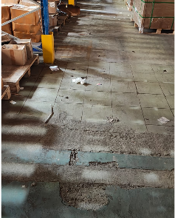 |  | Open

