Kaizens
Sr no. | Depart | Categories | Satement of problem | Proposes solution | Benefits | Before photos | After photos
1 | Wsgr | Safety | Material is lying in the receiving area without proper identification tags/labels and the area is not maintained as per 5S requirements due to space constraints. | Material identification is being carried out at the time of unloading. Item number labels are pasted on all materials, and the receiving area is maintained as per 5S requirements | Maintain proper 5S standards in the receiving area by keeping materials organized, segregated, and stored in designated locations. | 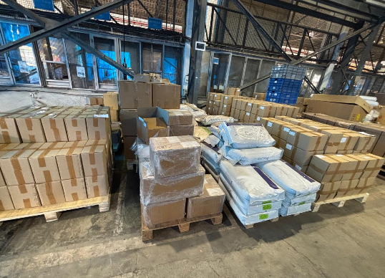 | 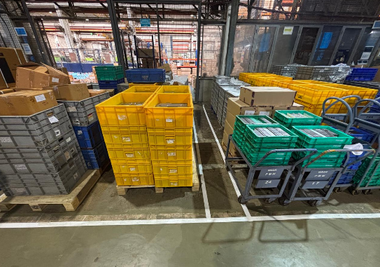
2 | Wsgr | Safety | Without wheel chocks, the truck may move unexpectedly during loading and unloading operations, which can lead to accidents, personnel injury, vehicle damage, and material damage. | Install dedicated wheel chocks for all vehicles involved in loading and unloading activities to prevent unexpected vehicle movement and avoid accidents, injuries, and material damage | Prevent unexpected vehicle movement during truck loading and unloading operations, thereby reducing the risk of accidents, injuries, equipment damage, and material loss | 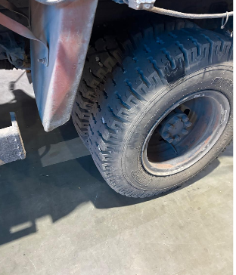 | 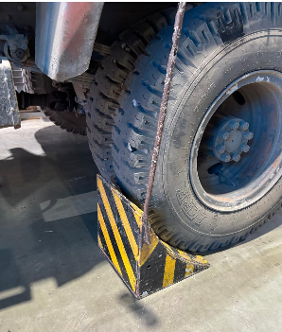
3 | Wsgr | Safety | Employees contractor & visitor may enter the work area without using required PPE. (Increase the risk of Head/hand/foot injury) | Installed PPE remainder board at WH and other areas, use clear safety symbol & simple instruction showing mandatory PPE. | Improved PPE complience, reduce risk of work place injury & increase employees safety awareness. | 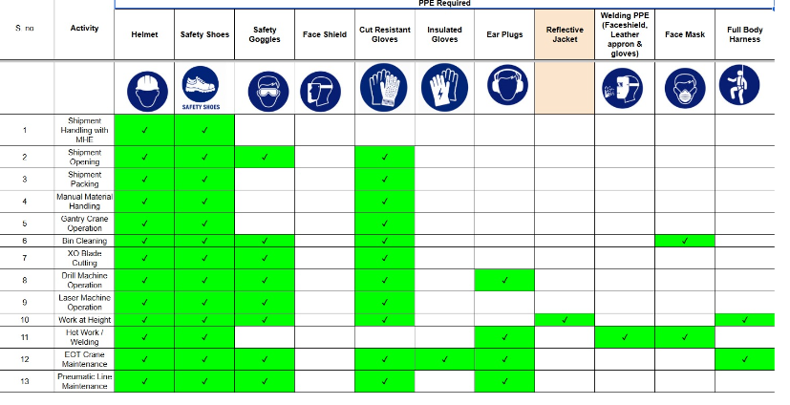 NO PPE remainder board earlier.
4 | Wsgr | Safety | Battery charging. | SOP to be difine | Pending

