A3 Report
MONTHLY A3 REPORT - SGR KALWA (SIEMENS)
P
No of GRN
 | GRN Lines recd | GRN Lines Completed ( 24 Hours) | Perf in % | SLA ( 24 Hours) in %
 | 1 | 1 | 1 | 1
Prepacking
 | No of Boxes Packed | No of Boxes Dispatched
Mar-26 | 0 | 0
VOR Execution
 | Urgent Orders Line Received | Urgent Executed | Perf in % | SLA in % in 01 hour
Mar-26 | 335 | 335 | 100% | 100%
Order Execution
 | Total Order lines | Executed Order lines ( 12 Hours) | Perf in % | SLA ( 99%) in same day
Mar-26 | 2421 | 2421 | 100% | 100%

Accepted Claims
 | No of Claims Received | Claims on account of Spear | DPM Target | DPM actual
 | 1 | 1 | 1 | 1
Nature of Claims
 | Short Dispatch | Excess Dispatch | Wrong Dispatch | Lines Complaints | Allowable Complaints
Mar-26 | 0 | 0 | 0 | 0 | 2
Demerit Score
 | Demerit Score Target | Actual
 | 0 | 0
PPM Target vs Actual
 | DPM Target | DPM actual
 | 0 | 0
Q

LPMH
 | Total Man hours | Lines Executed | LPH ( Over all) | Indirect LPH ( Workers) | SLA - LPH ( Over all)
 | 1 | 1 | 1 | 1 | 1
AVG Packets Per head
 | Avg Packets per Head. Direct | Avg Packets per Head.total
 | 0 | 0
Overtime Cost
 | Overtime Cost Billable | Overtime Cost Non Billable
 | 0 | 0
Inventory Variance
 | Inventor variance Target | Inventory variance actual
 | 0.25 | 0.00%
C

Manpower Present
 | Direct Man hours ( Workers) | Indirect Man hours ( Staff) | Total Man hours
 | 1 | 1 | 1
Accident Incident & Near Miss
 | Incident | Accident | Near miss
 | 0 | 0 | 0
 | 0 | 0 | 0
 | 0 | 0 | 0
 | 0 | 0 | 0
 | 0 | 0 | 0
Employee Engagement
No of Rewards | 0 | 0 | 1 | 1
No of Recognition | 0 | 0 | 0 | 0
No of Awards | 0 | 0 | 0 | 0
Kaizens Status
 | No of Kaizens Target | Actual Kaizens
 | 1 | 0
 | 1 | 0
 | 1 | 0
D & M

Graphs
Siemens SGWR
 | GRN Lines recd | GRN Lines Completed ( 24 Hours) | Perf in % | SLA ( 24 Hours) in %
Mar-26 | 1205 | 1205 | 100% | 100%
Apr-26 | 1089 | 1089 | 100% | 100%
May-26 | 1206 | 1206 | 100% | 100%
Prepacking
 | No of Item Prepacked | No of Boxes packed
 | 0 | 0

Urgent Order Execution
Mar-26 | 335 | 335
Apr-26 | 317 | 317
May-26 | 288 | 288
Outbound Performance
 | Total Order lines | Executed Order lines ( 12 Hours) | Perf in % | SLA ( 99%) in same day
Mar-26 | 2421 | 2421 | 100% | 100%
Apr-26 | 2310 | 2310 | 100% | 100%
May-26 | 2230 | 2230 | 100% | 100%

Manpower Present
 | Direct Man hours ( Workers) | Indirect Man hours ( Staff) | Total Man hours
Mar-26 | 1592 | 400 | 1992
Productivity LPH
 | Total Man hours | Lines Executed | LPH ( Over all) | Indirect LPH ( Workers) | SLA - LPH ( Over all)
Mar-26 | 1992 | 2421 | 1.22 | 1.52 | 1
Apr-26 | 1672 | 2310 | 1.38 | 1.72 | 1
May-26 | 1824 | 2230 | 1.22 | 1.52 | 1
LPH is less then 01 due to 70% manpower working at line as helper

Packing Value
 | Total Value of Turnover
 | 0
No of Packets Packed
 | No of Packets packed
 | 0

 | Avg TO value per head
 | 0
AVG Packets Per head per Hour
 | Avg Packets per Head. Direct | Avg Packets per Head.total
 | 0 | 0

Nature of Claims
 | Q | Q | Q | Q | Q
Mar-26 | 0 | 0 | 0 | 2 | 0
DPM Claims
 | No of Claims Received | Claims on account of Spear | DPM Target | DPM actual
Mar-26 | 0 | 0 | 1000 | 0

Demerit Score
 | Demerit Score Target | Actual
 | 0 | 0
Dispatch Boxes
 | No of Boxes Packed | No of Boxes Dispatched
 | 0 | 0

Overtime Hours
 | Overtime Spear on Roll Hours
 | 1
Overtime Cost
 | Overtime Cost Billable | Overtime Cost Non Billable
 | 0 | 0

Inventory Status
 | Inventory value Plan | Invetory Value Actual
Mar-26 | 219,164,211 | 219,164,211
Inventory Variance
 | Inventory variance actual | Inventor variance Target
 | 1 | 1

PI Schedule vs Actual
 | PI Scheduled No of parts | PI completed No of Parts
 | 1 | 1
Accident Incident & Near Miss
 | Incident | Accident | Near miss
 | 0 | 0 | 0
 | 0 | 0 | 0
 | 0 | 0 | 0

Kaizens Status
 | No of Kaizens Target | Actual Kaizens
 | 1 | 1
Employee Engagement
 | No of Rewards | No of Recognition | No of Awards
 | 1 | 1 | 1

DPM Target vs Actual
 | No of Claims Received | DPM Target | DPM actual | Claims on account of Spear
 | 0 | 1000 | 0 | 0
 | 0 | 1000 | 0 | 0

trainings
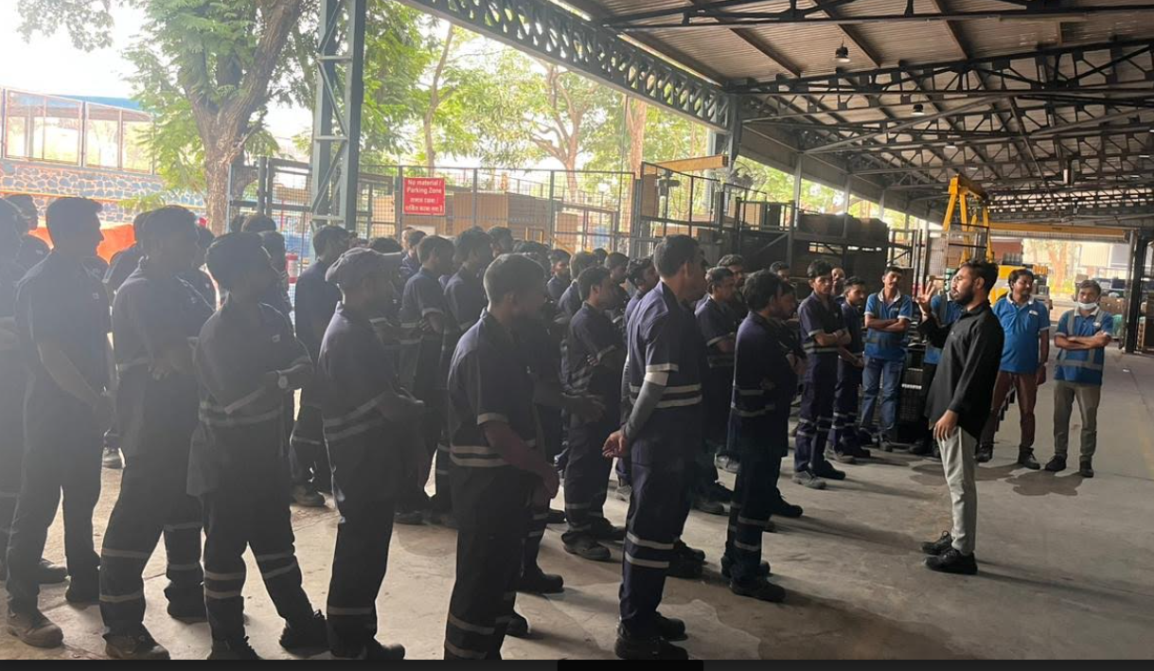
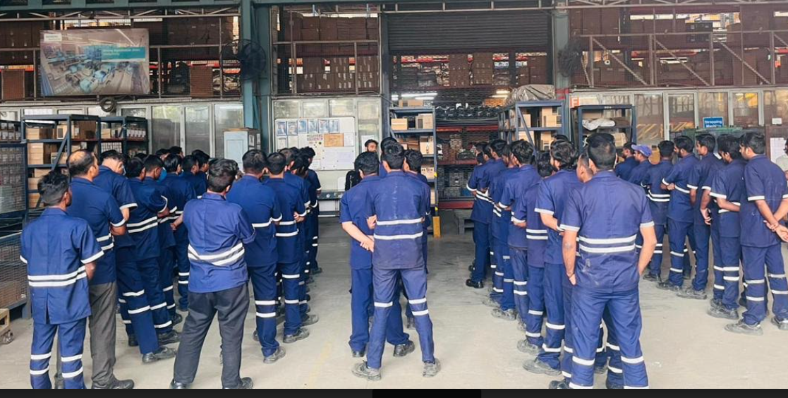
TRAINING FOR FM EMPOLYEE (WSGR INBOUND) Feb-2026 |  | TRAINING FOR FM EMPOLYEE (WSGR INBOUND) Mar-2026
 | Safety Induction training. |  | Material handling & Do's & don't

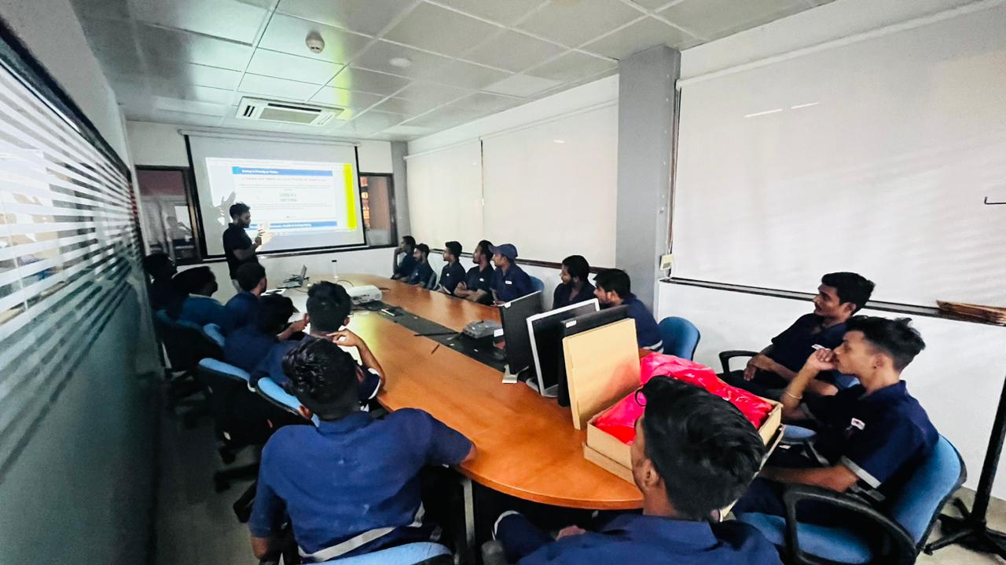
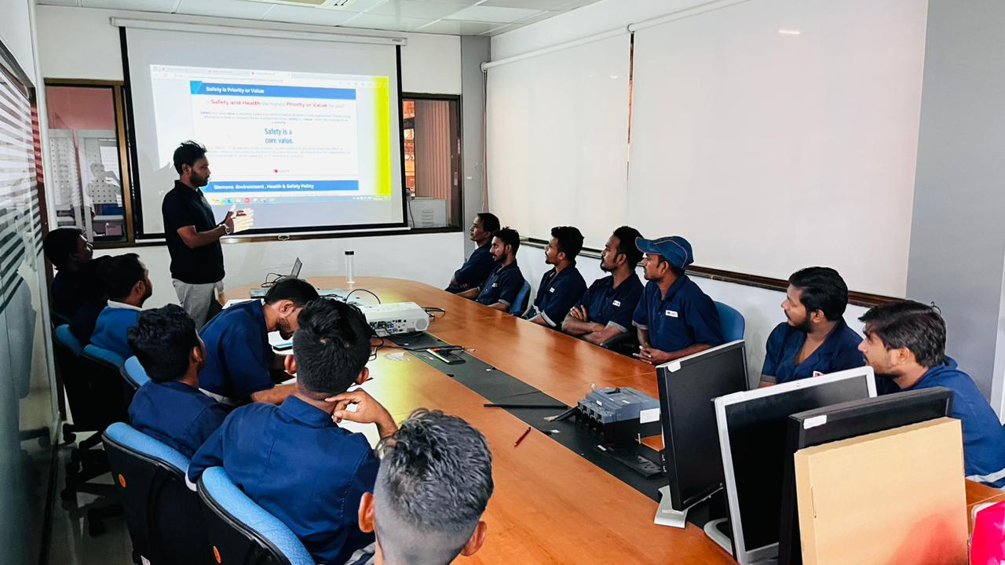
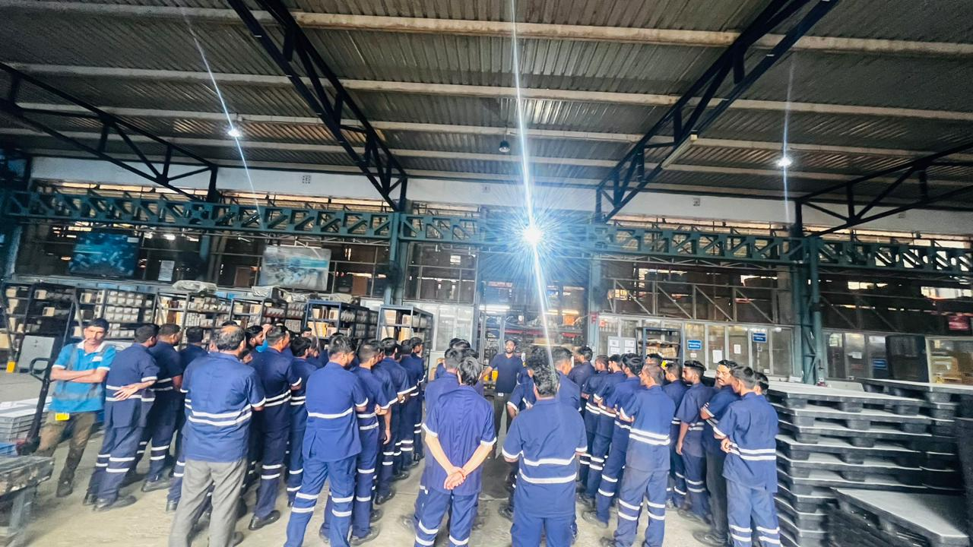
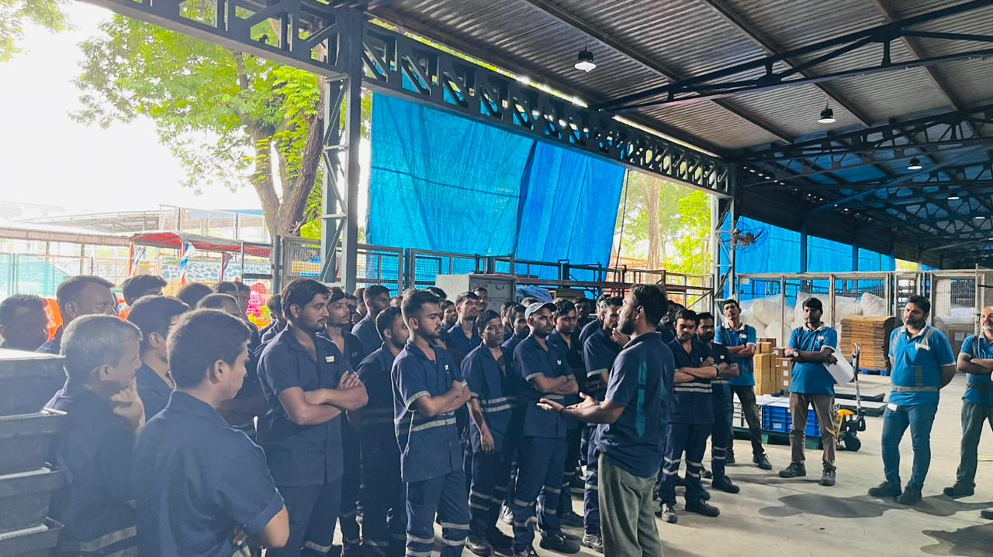

TRAINING FOR FM EMPOLYEE (WSGR INBOUND) April-2026
 | Safety Induction training & QHSE Policy comunication.

