Sheet1
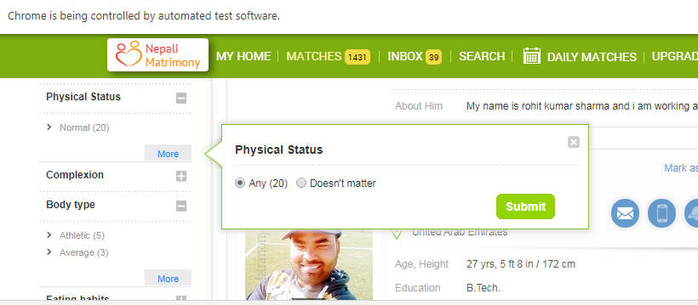
Age from | Age to | heightfrom | heightto | marital status | ocupation | Anul income | country | state | citizenship | physical status | Body type | Eating habit | smoking habit | drinking habit | profile created for | Mother tounge | education | Familytype | Employment
22 | 34 | 4ft 5in - 134cm | 6ft 7in - 200cm | Unmarried | Manager | Any | Any | Work permit | India | Any | Average | Vegetarian |  |  | Self | Nepali | Any | Joint family | Defence | Non-smoker | Regular smoker | $25 K

