Tasks 2,3,4
365 DataScience RE California Database
Histograms. Graphing numerical data

Task 2: Create a frequency distribution graph representing the price (that is a histogram with the highest possible number of bins - 272). Use data on all apartments and offices, no matter if sold or not.
Task 3: Create a histogram which represents the Price variable. Choose interval width (bins) of length $100,000. If you don't know how to do that, refer to the Course notes on descriptive statistics provided with the first lecture in this section.
Use the data on all properties, no matter if sold or not.
Task 4: Interpret the results.

 | $246,172.68
 | $246,331.90
 | $209,280.91
 | $452,667.01
 | $467,083.31
 | $203,491.85
 | $212,520.83
 | $198,591.85
 | $265,467.68
 | $235,633.26
 | $317,473.86
 | $503,790.23
 | $217,786.38
 | $460,001.26
 | $460,001.26
 | $448,134.27
 | $249,591.99
 | $196,142.19
 | $258,572.48
 | $310,831.21
 | $207,281.59
 | $168,834.04
 | $396,973.83
 | $188,743.11
 | $179,674.08
 | $306,363.64
 | $200,300.63
 | $382,041.13
 | $245,572.79
 | $407,214.29
 | $355,073.40
 | $256,821.64
 | $226,342.80
 | $191,389.87
 | $297,008.97
 | $250,773.15
 | $312,211.14
 | $190,119.50
 | $225,050.52
 | $261,742.74
 | $344,530.89
 | $215,410.28
 | $252,185.99
 | $480,545.81
 | $300,385.62
 | $240,539.35
 | $222,138.72
 | $228,410.05
 | $197,053.51
 | $193,660.62
...

Histograma Frecuencias Price

 | generé tabla dinámica para obtener intervalos de 100000

 | Etiquetas de fila | Cuenta de Price | se copian datos para poder generar histograma
 | 117564.0716-217564.0716 | 67 | 117564.0716-217564.0716 | 67
 | 217564.0716-317564.0716 | 129 | 217564.0716-317564.0716 | 129
 | 317564.0716-417564.0716 | 46 | 317564.0716-417564.0716 | 46
 | 417564.0716-517564.0716 | 20 | 417564.0716-517564.0716 | 20
 | 517564.0716-617564.0716 | 5 | 517564.0716-617564.0716 | 5
 | Total general | 267

 |  |  |  |  | Se obtuvo un histograma con distribución asimétrica positiva (sesgo positivo)
 |  |  |  |  | Observando los datos, no se idenfitican datos atípicos teniendo en cuenta el rango de precios de las propiedades
 |  |  |  |  | Se encuentra que la mayoría de las propiedades tienen valor superior a 217564

 | https://www.youtube.com/watch?v=UB_JVPfAI3M

Task 5
365 DataScience RE California Database
Scatter plot. Plotting numerical data; establishing relationship between variables.

Task 5: Create a scatter plot showing the relationship between Price and Area. Use the data on all properties, no matter if sold or not. Interpret the results.
 | Price
743.09 | $246,172.68
756.21 | $246,331.90
587.28 | $209,280.91
1604.75 | $452,667.01
1375.45 | $467,083.31
675.19 | $203,491.85
670.89 | $212,520.83
720.81 | $198,591.85
782.25 | $265,467.68
794.52 | $235,633.26
1160.36 | $317,473.86
1942.50 | $503,790.23
794.52 | $217,786.38
1109.25 | $460,001.26
1400.95 | $460,001.26
1479.72 | $448,134.27
790.54 | $249,591.99
723.93 | $196,142.19
781.07 | $258,572.48
1127.76 | $310,831.21
720.70 | $207,281.59
649.69 | $168,834.04
1307.45 | $396,973.83
618.38 | $188,743.11
625.80 | $179,674.08
1203.29 | $306,363.64
670.89 | $200,300.63
1434.09 | $382,041.13
781.07 | $245,572.79
1596.35 | $407,214.29
1110.32 | $355,073.40
781.07 | $256,821.64
697.89 | $226,342.80
625.80 | $191,389.87
957.53 | $297,008.97
722.96 | $250,773.15
923.21 | $312,211.14
670.24 | $190,119.50
785.48 | $225,050.52
798.28 | $261,742.74
1121.95 | $344,530.89
782.25 | $215,410.28
923.21 | $252,185.99
1434.09 | $480,545.81
1160.36 | $300,385.62
798.28 | $240,539.35
733.19 | $222,138.72
798.28 | $228,410.05
733.19 | $197,053.51
717.05 | $193,660.62
...

 | Se podría estimar relación entre el area de las propiedades y el costo, ya que se observa casos en que el menor area se relaciona con menor costo, al igual que las propiedades de mayor area ostentan mayor cuantía
 | Se observa alta correlación positiva.

Tasks 6,7
365 DataScience RE California Database
Frequency distribution table. Pareto diagram.

Task 6: Create a frequency distribution table, where you list all the countries from which the company has buyers (country vs number of buyers). Count the absolute frequency, the relative frequency and the cumulative frequency.
Task 7: Create a Pareto diagram representing the data.

Country | Cuenta de Customer ID
Belgium | 2
Canada | 7
Denmark | 1
Germany | 1
Mexico | 1
Russia | 4
UK | 2
USA | 177
Total general | 195

se organizaron datos de cuenta de customer iD de mayor a menor

Frequency distribution table

Country | Cuenta de Customer ID | Relative frequency | Cumulative frequency | Ajustando grafico
USA | 177 | 90.77% | 90.77%
Canada | 7 | 3.59% | 94.36%
Russia | 4 | 2.05% | 96.41%
Belgium | 2 | 1.03% | 97.44%
UK | 2 | 1.03% | 98.46%
Denmark | 1 | 0.51% | 98.97%
Germany | 1 | 0.51% | 99.49%
Mexico | 1 | 0.51% | 100.00%

Tasks 8,9
 | 365 DataScience RE California Database
 | Measures of central tendency, asymmetry and variability

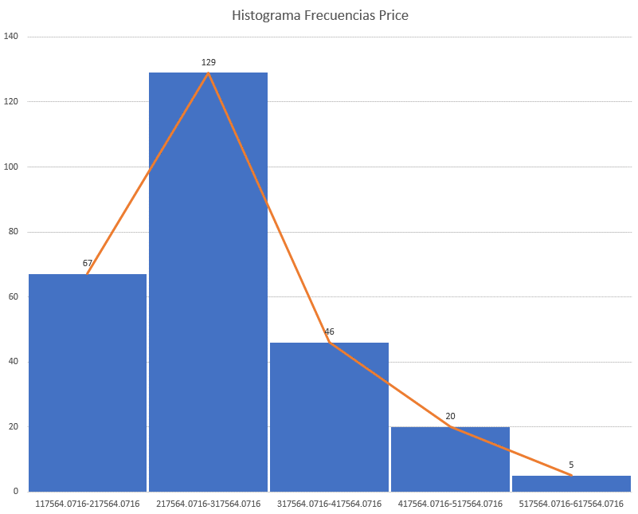
 | Task 8: Calculate the mean, median, mode, skewness, variance and standard deviation of Price for all properties, no matter if sold or not.
 | Task 9: Interpret the measures.

 | Variable | Valor | Interpretación
 | Mean | $281,171.90 | En promedio las propiedades tienen costo de 281171.9, sin embargo esto no indica que la mayoría de propiedades tomen esta cuantía. Este dato no permite tener idea sobre el tipo de propiedad, area o relacionamiento con otra variable.
 | Median | $249,075.66 | Tras organizar los datos de precios de menor a mayor, se observa que el valor intermedio de precios de propiedades es $249075.66, aunque esto no indica que la mayoría de propiedades tomen esta cuantía. Este dato no permite tener idea sobre el tipo de propiedad, area u otra variable.
 | Mode | $460,001.26 | El valor de precio que mas se repite es 460001.256, pero es un dato que solo se presenta en dos propiedades lo que no permita apreciar ninguna tendencia significativa
 | Skewness | 1.089847922 | El valor indica sesgo positivo
$^2 | Variance | 7912471567.2 | Aunque la varianza mide qué tan dispersos están los datos alrededor de su media, en este caso es complejo interpretar algun análisis claro de dispersión
 | Standar Deviation | 88952.074553 | se podría determinar qué respecto a la media 281171.90 los datos están dispersos en 88952.07

 | En este caso se cumple que al tener sesgo positivo, la media es mayor que la mediana y esta mayor que la moda

