Overview
Get more from the Decision Matrix Template when you combine it with our Lean Training System…



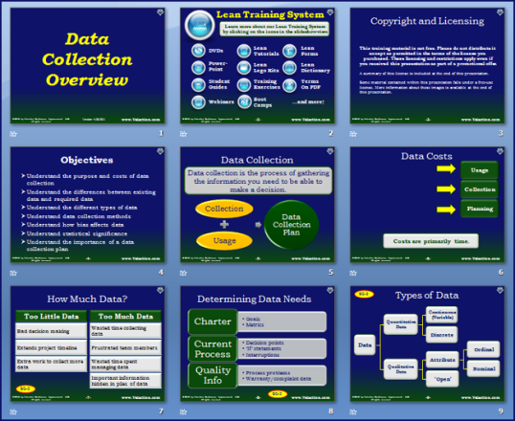

Problem Solving Value Bundles

 | PowerPoint: | http://www.velaction.com/data-collection-powerpoint-lean-training/
 | DVD: | http://www.velaction.com/data-collection-lean-training-on-dvd/
 | YouTube Video: | http://youtu.be/cy4cX34U87Y

Transpose Criteria
How to Transpose Criteria

This pages contains instructions on how to transpose the criteria from column to row. You may skip this page and copy directly into the Decision Matix if you are familiar with this Excel feature.

Step 1
On the 'Criteria Selection' page, select the area containing the weights and the criteria. Do not copy the ranks.

Step 2
Select the first cell in the 'Weights' row on the Decision Matrix page.

Step 2
Use 'Paste Special' from the Paste drop-down menu. Select 'Values' and click the transpose box. Click 'OK'.
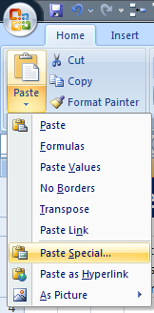
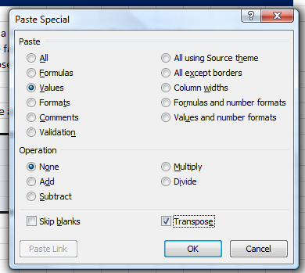

www.Velaction.com | © Copyright 2010 by Velaction Continuous Improvement, LLC.

