Approach
Project Phoenix - Technology Evaluation Approach
 | 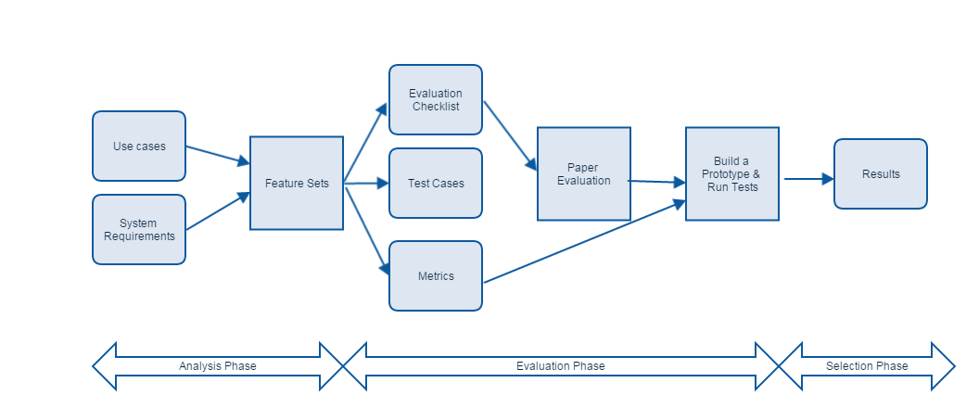
1. Analysis Phase
During this phase,our goal is to get an understanding of the mission objectives and technology space, identify key requirements and gather current and projected usage stats
1.1 Identify main use cases
1.2 Gather system requirements
1.3 Identify Service Level Agreements
1.4 Gather current/projected usage metrics

Output
a) Evaluation Checklist
b) Metrics
c) Scenario Test cases / protyping plan

Evaluation Phase
After selecting the products to evaluate, we need to identify any additional infrastructure that is required for testing. At the same time, we nned to develop a full set of evaluation criteria that the products will be tested against and any scenario tests that will be performed.

Other considerations - while choosing a product.
2.1 Identify products for evaluation
2.2 Run paper evaluation of products according to checklist.
2.3 Prepare test environment
2.4 Run test scenarios and collect results
2.5 Complete report - fill in all the checklist criteria for products under test.
Knowledgebase
How much in-house knowledge /expertise do we have?
Risk
a) How mature is the product?
b) Have any other teams within Bloomberg built any critical application with it?
Stakeholder
Concerens
Lifecycle Costs

3. Selection Phase

3.1 Review test reports
3.2 Score the products against all of the test criteria. performed under identical conditions, and must complete a full crosswalk of the scores for each product requirement after testing to ensure scoring consistency.

Note: See additional tabs below for Data Domains, System Requirements and Evaluation Checklist
Data Domains
System Requirements
Evaluation Checklist

