forecast -amort exp
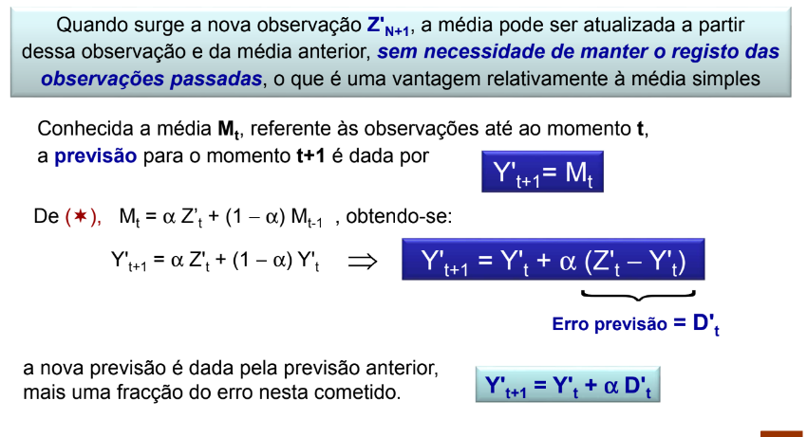
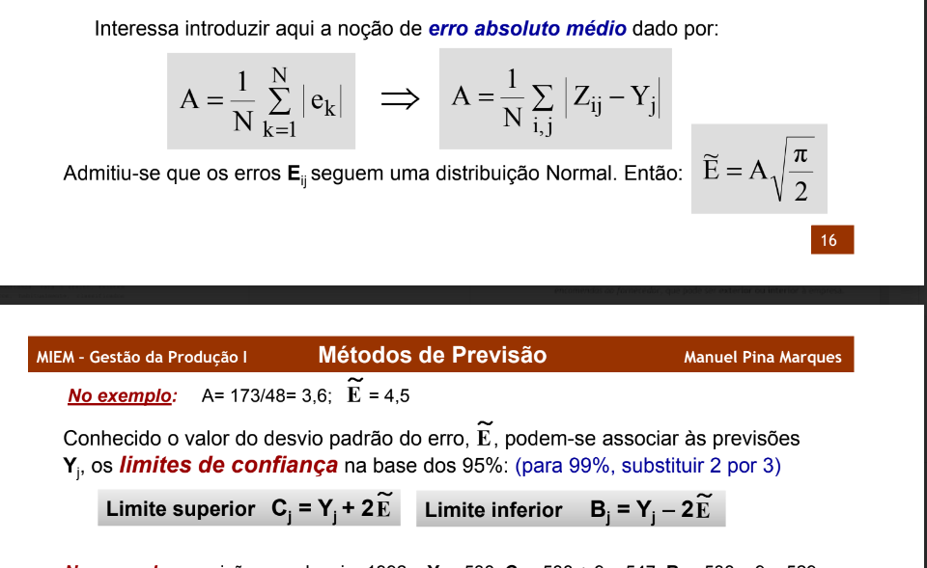
 | alfa | 0.2 | 0,1-0,2
3 | beta | 0.1 | alfa/10-alfa/2

Ano | T | Zt | Z't | Mt | Y't | Yt | S | |Zt - Yt| | At | E | C | B | prev correcta
2015 | 1 | 52.078494624 |  |  |  |  | -8.76
2015 | 2 | 98.679283154 |  |  |  |  | 37.84
2015 | 3 | 22.768946786 |  |  |  |  | -38.07
2015 | 4 | 69.824770145 |  | 60.8 |  |  | 8.99 |  | 0.00
2016 | 1 | 69.065805252 | 77.8 | 64.2 | 60.8 | 52.1 | -7.40 | 16.99 | 3.40 | 4.26 | 60.6 | 43.562319997 | 0.00
2016 | 2 | 85.865200039 | 48.0 | 61.0 | 64.2 | 102.1 | 36.54 | 16.21 | 5.96 | 7.47 | 117.0 | 87.136542044 | not ok
2016 | 3 | 32.288888889 | 70.4 | 62.9 | 61.0 | 22.9 | -37.32 | 9.36 | 6.64 | 8.32 | 39.6 | 6.2771282838 | ok
2016 | 4 | 37.729339623 | 28.7 | 56.0 | 62.9 | 71.9 | 6.26 | 34.12 | 12.14 | 15.21 | 102.3 | 41.42829702 | not ok
2017 | 1 | 99.448715933 | 106.8 | 66.2 | 56.0 | 48.6 | -3.34 | 50.81 | 19.87 | 24.91 | 98.5 | -1.1700557142 | not ok
2017 | 2 | 12.647575608 | -23.9 | 48.2 | 66.2 | 102.7 | 29.34 | 90.10 | 33.92 | 42.51 | 187.8 | 17.729260844 | not ok
2017 | 3 | 36.760502303 | 74.1 | 53.4 | 48.2 | 10.9 | -35.25 | 25.90 | 32.31 | 40.50 | 91.9 | -70.134313625 | ok
2017 | 4 | 122.83692209 | 116.6 | 66.0 | 53.4 | 59.6 | 11.31 | 63.22 | 38.49 | 48.25 | 156.1 | -36.871171069 | ok
2018 | 1 | 46.367690058 | 49.7 | 62.7 | 66.0 | 62.7 | -4.64 | 16.30 | 34.06 | 42.68 | 148.0 | -22.695151832 | ok
2018 | 2 | 13.082807018 | -16.3 | 46.9 | 62.7 | 92.1 | 23.02 | 79.00 | 43.04 | 53.95 | 200.0 | -15.814579854 | ok
2018 | 3 | 6.1454385965 | 41.4 | 45.8 | 46.9 | 11.7 | -35.69 | 5.55 | 35.55 | 44.55 | 100.8 | -77.403012663 | ok
2018 | 4 | 45.706549708 | 34.4 | 43.5 | 45.8 | 57.1 | 10.40 | 11.44 | 30.73 | 38.51 | 134.2 | -19.867621257 | ok
2019 | 1 | 99.832855228 | 104.5 | 55.7 | 43.5 | 38.9 | 0.23 | 60.93 | 36.77 | 46.08 | 131.1 | -53.251071955 | ok
2019 | 2 | 197.37104518 | 174.4 | 79.5 | 55.7 | 78.7 | 32.51 | 118.62 | 53.14 | 66.60 | 211.9 | -54.446337518 | ok
2019 | 3 | 196.81150934 | 232.5 | 110.1 | 79.5 | 43.8 | -23.45 | 153.05 | 73.12 | 91.64 | 227.0 | -139.51811335 | ok
2019 | 4 | 147.44762976 | 137.0 | 115.5 | 110.1 | 120.5 | 12.56 | 26.98 | 63.89 | 80.08 | 280.6 | -39.68828459 | ok

progression
Year | Month | Month2 | EP | Hours Watched | Finished Shows | % time on seasonal anime | Hours a Day | Year | Season | EP | Hours Watched | Finished Shows | % time spent on sesonal anime | Hours a Day
2015 | Jan | 1 | 29.6 | 12.2 | 0 | 0% | 0.4 | 2015 | WINTER | 126.7 | 52.1 | 0 | 0% | 0.6
2015 | Feb | 2 | 46.1 | 18.9 | 0 | 0% | 0.7 |  | SPRING | 250.3 | 98.7 | 2 | 0% | 1.1
2015 | Mar | 3 | 51.0 | 21.0 | 0 | 0% | 0.7 |  | SUMMER | 56.8 | 22.8 | 0 | 0% | 0.3
2015 | Apr | 4 | 106.3 | 42.2 | 1 | 0% | 1.4 |  | FALL | 174.1 | 69.8 | 0 | 0% | 0.8
2015 | May | 5 | 82.7 | 32.4 | 0 | 0% | 1.0 | 2016 | WINTER | 172.2 | 69.1 | 0 | 0% | 0.8
2015 | Jun | 6 | 61.3 | 24.1 | 1 | 0% | 0.8 |  | SPRING | 210.9 | 85.9 | 8 | 6% | 1.0
2015 | Jul | 7 | 0.0 | 0.0 | 0 | 0% | 0.0 |  | SUMMER | 80.9 | 32.3 | 6 | 16% | 0.4
2015 | Aug | 8 | 0.0 | 0.0 | 0 | 0% | 0.0 |  | FALL | 97.9 | 37.7 | 5 | 0% | 0.4
2015 | Sep | 9 | 56.8 | 22.8 | 0 | 0% | 0.8 | 2017 | WINTER | 255.6 | 99.4 | 2 | 0% | 1.1
2015 | Oct | 10 | 58.7 | 23.5 | 0 | 0% | 0.8 |  | SPRING | 32.4 | 12.6 | 1 | 0% | 0.1
2015 | Nov | 11 | 56.8 | 22.8 | 0 | 0% | 0.8 |  | SUMMER | 89.1 | 36.8 | 5 | 0% | 0.4
2015 | Dec | 12 | 58.7 | 23.5 | 0 | 0% | 0.8 |  | FALL | 321.0 | 122.8 | 14 | 0% | 1.4
2016 | Jan | 1 | 58.7 | 23.5 | 0 | 0% | 0.8 | 2018 | WINTER | 103.0 | 46.4 | 8 | 0% | 0.5
2016 | Feb | 2 | 54.9 | 22.0 | 0 | 0% | 0.8 |  | SPRING | 32.9 | 13.1 | 3 | 0% | 0.1
2016 | Mar | 3 | 58.7 | 23.5 | 0 | 0% | 0.8 |  | SUMMER | 15.9 | 6.1 | 1 | 0% | 0.1
2016 | Apr | 4 | 70.4 | 28.2 | 0 | 0% | 0.9 |  | FALL | 114.9 | 45.7 | 4 | 0% | 0.5
2016 | May | 5 | 69.3 | 27.8 | 4 | 17% | 0.9 | 2019 | WINTER | 247.1 | 99.8 | 18 | 0% | 1.1
2016 | Jun | 6 | 71.1 | 29.8 | 4 | 0% | 1.0 |  | SPRING | 498.1 | 197.4 | 23 | 32% | 2.2
2016 | Jul | 7 | 66.0 | 26.4 | 5 | 20% | 0.9 |  | SUMMER | 531.6 | 196.8 | 22 | 41% | 2.2
2016 | Aug | 8 | 10.0 | 3.9 | 1 | 0% | 0.1 |  | FALL | 377.1 | 147.4 | 20 | 45% | 1.6
2016 | Sep | 9 | 4.9 | 2.0 | 0 | 0% | 0.1
2016 | Oct | 10 | 43.0 | 16.8 | 1 | 0% | 0.5
2016 | Nov | 11 | 21.2 | 8.0 | 4 | 1% | 0.3
2016 | Dec | 12 | 33.8 | 13.0 | 0 | 0% | 0.4
2017 | Jan | 1 | 121.1 | 47.0 | 1 | 0% | 1.5
2017 | Feb | 2 | 82.1 | 32.0 | 0 | 0% | 1.1
2017 | Mar | 3 | 52.3 | 20.4 | 1 | 0% | 0.7
2017 | Apr | 4 | 7.6 | 2.9 | 1 | 0% | 0.1
2017 | May | 5 | 11.5 | 4.5 | 0 | 0% | 0.1
2017 | Jun | 6 | 13.3 | 5.2 | 0 | 0% | 0.2
2017 | Jul | 7 | 13.8 | 5.4 | 0 | 0% | 0.2
2017 | Aug | 8 | 36.3 | 14.6 | 3 | 0% | 0.5
2017 | Sep | 9 | 39.1 | 16.8 | 2 | 0% | 0.6
2017 | Oct | 10 | 237.3 | 89.6 | 8 | 0% | 2.9
2017 | Nov | 11 | 66.4 | 26.3 | 5 | 0% | 0.9
2017 | Dec | 12 | 17.3 | 6.9 | 1 | 0% | 0.2
2018 | Jan | 1 | 58.2 | 27.9 | 3 | 0% | 0.9
2018 | Feb | 2 | 24.3 | 10.0 | 2 | 0% | 0.4
2018 | Mar | 3 | 20.5 | 8.4 | 3 | 0% | 0.3
2018 | Apr | 4 | 17.9 | 7.1 | 2 | 0% | 0.2
2018 | May | 5 | 5.7 | 2.3 | 0 | 0% | 0.1
2018 | Jun | 6 | 9.2 | 3.7 | 1 | 0% | 0.1
2018 | Jul | 7 | 1.0 | 0.4 | 0 | 0% | 0.0
2018 | Aug | 8 | 1.0 | 0.4 | 0 | 0% | 0.0
2018 | Sep | 9 | 13.9 | 5.4 | 1 | 0% | 0.2
2018 | Oct | 10 | 49.0 | 20.1 | 2 | 0% | 0.6
2018 | Nov | 11 | 39.4 | 15.3 | 0 | 0% | 0.5
2018 | Dec | 12 | 26.6 | 10.3 | 2 | 0% | 0.3
2019 | Jan | 1 | 50.4 | 19.6 | 2 | 0% | 0.6
2019 | Feb | 2 | 87.8 | 36.7 | 6 | 0% | 1.3
2019 | Mar | 3 | 108.9 | 43.5 | 10 | 0% | 1.4
2019 | Apr | 4 | 157.4 | 63.0 | 7 | 55% | 2.1
2019 | May | 5 | 202.6 | 79.7 | 10 | 25% | 2.6
2019 | Jun | 6 | 138.1 | 54.6 | 6 | 15% | 1.8
2019 | Jul | 7 | 248.9 | 94.4 | 11 | 44% | 3.0
2019 | Aug | 8 | 126.3 | 48.5 | 4 | 26% | 1.6
2019 | Sep | 9 | 156.4 | 53.9 | 7 | 52% | 1.8
2019 | Oct | 10 | 153.1 | 57.4 | 10 | 54% | 1.9
2019 | Nov | 11 | 102.1 | 42.1 | 4 | 35% | 1.4
2019 | Dec | 12 | 121.9 | 48.0 | 6 | 43% | 1.5
2020 | Jan | 1 | 179.3 | 64.8 | 10 | 57% | 2.1
2020 | Feb | 2 | 56.0 | 13.4 | 2 | 53% | 0.5
2020 | Mar | 3 | 91.9 | 35.0 | 9 | 70% | 1.1
2020 | Apr | 4 | 90.5 | 34.8 | 9 | 61% | 1.2
2020 | May | 5 | 168.1 | 67.1 | 17 | 63% | 2.2
2020 | Jun | 6 | 96.6 | 38.3 | 8 | 72% | 1.3
2020 | Jul | 7 | 150.2 | 43.8 | 20 | 73% | 1.4
2020 | Aug | 8 | 73.6 | 23.0 | 9 | 72% | 0.7
2020 | Sep | 9 | 120.9 | 45.2 | 15 | 86% | 1.5
2020 | Oct | 10 | 162.2 | 60.5 | 29 | 65% | 2.0
2020 | Nov | 11 | 126.2 | 50.8 | 13 | 39% | 1.7
2020 | Dec | 12 | 54.1 | 19.6 | 7 | 89% | 0.6

geral
Hours of anime watched
Type | ALL |  | ARRAY FORMULAS ARE USED HERE WHICH MAY BE A PROBLEM IN NEWER VERSION OF EXCEL AS I BELEIVE THOSE WHERE CHANGE IN NEWER VERSION OF EXCEL
 |  |  |  |  | Column1
 | Score | nº animes | Hours |  | OVA
 | 0 | 3 | 19.02 |  | TV
 | 1 | 0 | 0.00 |  | SPECIAL
 | 2 | 7 | 38.58 |  | ONA
 | 3 | 35 | 146.25 |  | OVA
 | 4 | 73 | 257.09 |  | MUSIC
 | 5 | 142 | 506.35 |  | NOT MUSIC
 | 6 | 172 | 499.96 |  | MOVIE
 | 7 | 134 | 858.03 |  | ALL
 | 8 | 65 | 464.87
 | 9 | 24 | 288.55
 | 10 | 5 | 28.52
 | total | 660 | 3107.22
 | average | 5.87 | 6.33

Number anime Watched
 | Year | Anime | Hours
 | 1907 | 0 | 0.0 | 0
 | 1967 | 1 | 22.3
 | 1984 | 1 | 2.0
 | 1985 | 1 | 1.3
 | 1986 | 1 | 62.9
 | 1989 | 3 | 119.1
 | 1991 | 1 | 0.9
 | 1995 | 1 | 1.5
 | 1997 | 1 | 9.8
 | 1998 | 3 | 11.7
 | 1999 | 3 | 65.9
 | 2000 | 38 | 329.4
 | 2001 | 36 | 220.2
 | 2002 | 35 | 303.5
 | 2003 | 20 | 81.6
 | 2004 | 4 | 89.4
 | 2005 | 2 | 2.0
 | 2006 | 1 | 14.2
 | 2007 | 2 | 194.6
 | 2008 | 1 | 0.1
 | 2009 | 1 | 6.3
 | 2012 | 5 | 8.4
 | 2013 | 8 | 36.7
 | 2015 | 6 | 21.1
 | 2016 | 5 | 8.1
 | 2017 | 5 | 1.6
 | 2018 | 16 | 41.0

geral by year
Type | ALL |  | ARRAY FORMULAS ARE USED HERE WHICH MAY BE A PROBLEM IN NEWER VERSION OF EXCEL AS I BELEIVE THOSE WHERE CHANGE IN NEWER VERSION OF EXCEL
year | 2019 | 2022 |  |  |  |  | Column1
 | Score | nº animes | Hours | days |  |  | OVA
 | 0 | 1 | 0.1 | 0d 0h 4m |  |  | TV
 | 1 | 0 | 0.0 | 0d 0h 0m |  |  | SPECIAL
 | 2 | 4 | 20.5 | 0d 20h 29m | 1 |  | ONA
 | 3 | 27 | 118.4 | 4d 22h 26m |  |  | OVA
 | 4 | 49 | 184.7 | 7d 16h 40m |  |  | MUSIC
 | 5 | 105 | 391.7 | 16d 7h 43m |  |  | NOT MUSIC
 | 6 | 120 | 382.7 | 15d 22h 40m |  |  | MOVIE
 | 7 | 96 | 381.7 | 15d 21h 40m |  |  | ALL
 | 8 | 37 | 155.3 | 6d 11h 18m
 | 9 | 10 | 230.2 | 9d 14h 11m
 | 10 | 0 | 0.0 | 0d 0h 0m
 | Total | 449 | 1865.3 | 77d 17h 16m
 | Average | 5.7639198218 | 6.098673934

 | Year | Anime | Hours | Coluna1
 | 1907 | 0 | 0.00 | 0d 0h 0m |  | 0
 | 1967 | 0 | 0.00 | 0d 0h 0m
 | 1984 | 1 | 1.98 | 0d 1h 59m
 | 1985 | 0 | 0.00 | 0d 0h 0m
 | 1986 | 0 | 0.00 | 0d 0h 0m
 | 1989 | 1 | 1.08 | 0d 1h 4m
 | 1991 | 0 | 0.00 | 0d 0h 0m
 | 1995 | 0 | 0.00 | 0d 0h 0m
 | 1997 | 0 | 0.00 | 0d 0h 0m
 | 1998 | 1 | 0.87 | 0d 0h 52m
 | 1999 | 2 | 44.34 | 1d 20h 20m
 | 2000 | 29 | 194.09 | 8d 2h 5m
 | 2001 | 19 | 76.64 | 3d 4h 38m
 | 2002 | 19 | 94.74 | 3d 22h 44m
 | 2003 | 12 | 52.93 | 2d 4h 55m
 | 2004 | 2 | 16.14 | 0d 16h 8m
 | 2005 | 1 | 1.00 | 0d 1h 0m
 | 2006 | 0 | 0.00 | 0d 0h 0m
 | 2007 | 2 | 194.60 | 8d 2h 36m
 | 2008 | 0 | 0.00 | 0d 0h 0m
 | 2009 | 0 | 0.00 | 0d 0h 0m
 | 2012 | 2 | 1.97 | 0d 1h 58m
 | 2013 | 1 | 0.77 | 0d 0h 46m
 | 2015 | 4 | 11.01 | 0d 11h 0m
 | 2016 | 2 | 5.47 | 0d 5h 27m
 | 2017 | 4 | 1.04 | 0d 1h 2m

year stats
ano | 2000 | 2023 |  | my score
Type | ONA |  |  | WINTER | SPRING | SUMMER | FALL | Total | source score | lower | dif neg | dif pos
 |  |  | 0 | 0 | 0 | 0 | 0 | 0 | 1 | 0 | 1 | 0
 |  |  | 1 | 0 | 0 | 0 | 0 | 0 | 0 | 0 | 0 | 0
anime from date range | 86 |  | 2 | 0 | 0 | 0 | 0 | 0 | 0 | 0 | 0 | 0
watch during date range | 2828.23 |  | 3 | 1 | 1 | 1 | 1 | 4 | 0 | 0 | 0 | 4
diff | 2741.9700913 |  | 4 | 2 | 6 | 2 | 1 | 11 | 0 | 0 | 0 | 11
 |  |  | 5 | 10 | 6 | 5 | 5 | 26 | 6 | 6 | 0 | 20
 |  |  | 6 | 7 | 3 | 3 | 8 | 21 | 38 | 21 | 17 | 0
 |  |  | 7 | 3 | 3 | 1 | 2 | 9 | 27 | 9 | 18 | 0
 |  |  | 8 | 1 | 3 | 0 | 2 | 6 | 6 | 6 | 0 | 0
 |  |  | 9 | 0 | 0 | 0 | 1 | 1 | 0 | 0 | 0 | 1
 |  |  | 10 | 0 | 0 | 0 | 0 | 0 | 0 | 0 | 0 | 0
 |  |  |  | 24 | 22 | 12 | 20 | 78 | 78

challenge
start | 2000-01-19
finish | 2040-05-02 |  |  |  |  | genres | TOTAL | percentage | average | hours watched | weighted mean2 | weighted mean 2
 |  |  |  | decade | nº animes | Slice of Life | 53 | 8.04% | 5.60 | 148.38 | 5.85 | 3 | 1 | 10 | 5
number of animes | TV | 374 |  | <1980 | 1 | Adventure | 80 | 12.14% | 5.88 | 929.01 | 5.87 | 1 | 2 | #NUM! | 2
 | Films | 78 |  | 1980 | 6 | Fantasy | 134 | 20.33% | 5.63 | 1027.36 | 5.82 | 0 | 3 | 10 | 5
 | Others | 207 |  | 1990 | 9 | Mystery | 43 | 6.53% | 6.19 | 248.82 | 5.89 | 4 | 1 | #NUM! | 5
 | Total | 659 |  | 2000 | 140 |  |  |  |  |  |  |  |  | #NUM! | 5
 |  |  |  | 2010 | 183 |  |  |  |  |  |  |  |  | #NUM! | 6
time spent | TV | 2858.0 | h | 2020 | 318 |  |  |  |  |  |  |  |  | #NUM! | 7
 | Films | 97.6 | h |  |  |  |  |  |  |  |  |  |  | #NUM!
 | others | 133.0 | h |  |  |  |  |  |  |  |  |  |  | #NUM!
 | Total | 3088.6 | h | score | nº animes |  |  |  |  |  |  |  |  | #NUM!
 | average hours/Day | 0.3428 | h/day | 0 | 3 |  |  |  |  |  |  |  |  | #NUM!
 |  |  |  | 1 | 0 |  |  |  |  |  |  |  |  | 9
score | user average score | 5.9 |  | 2 | 7 |  |  |  |  |  |  |  |  | 9
 | source average score | 6.9 |  | 3 | 35
 | difference | -1.0 | Snob | 4 | 73
 |  |  |  | 5 | 142
 | difference from source mean score |  | Legend | 6 | 172
 | -5 | -3 | fanboy counter | 7 | 134
 | -3 | -1 | Snob | 8 | 65
 | -1 | 1 | Weeb | 9 | 23
 | 1 | 3 | Casual | 10 | 5
 | 3 | 5 | Fanboy |  | 659

