Units
Unit Conversions
Volume |  |  |  |  | kg COD/m3 sludge to g/L liquid digestate
1 | gal | 3.785 | L |  | kg COD | 1000 g | mol | g | m3 | L sludge
1 | gal | 3.9 | kg - sludge |  | m3 | 1kg | g COD | mol | 1050 L sludge | L digestate
1 | gal | 3.785 | kg - water
1 | yd3 | 0.76455 | m3 |  | mol/L to kg/m3
1 | ft3 | 0.028168 | m3 |  | mol | g | 1000 L | kg
1 | oz | 0.0295735 | L |  | L | mol | m3 | 1000 g
1 | m3 | 6.29 | barrels
1 | gal | 3.03 | kg - jet fuel |  | sludge to ld
 |  |  |  |  | g | L sludge | hr
Density at STP |  |  |  |  | L sludge | hr | L digest
1 | L water | 1 | kg
1 | m3 water | 1000 | L
1 | m3 water | 1000 | kg
1 | L sludge | 1.5 | kg
1 | m3 sludge | 1050 | L
1 | m3 sludge | 1050 | kg
1 | L acetone | 749.4 | g
1 | L butanol | 810 | g
1 | L ethanol | 0.789 | kg
1 | m3 ethanol | 789 | kg
1 | L acetic acid | 1049 | g
1 | L butyric acid | 964 | g
1 | mL Amb-37 | 1.2 | g
1 | m3 Amb-37 | 1200 | kg
1 | cm3 Pd/C | 3.71 | g
100 | m3 Pd/C | 3710 | kg
1 | m3 CH4 gas | 0.657 | kg
1 | m3 CO2 | 1.98 | kg
1 | m3 H2 | 0.09 | kg
1 | m3 N2 gas | 1.25 | kg
1 | m3 H2S | 1.36 | kg
1 | m3 Biosolids | 1,780.00 | kg
1 | m3 Glucose | 1,560.00 | kg
Cheese Whey | 1 m3 | 400.00 | kg
1 | L Ideal Gas STP | 0.044614972785 | mol

Length
1 | acre | 4047 | m2
1 | ft | 12 | in
1 | ft | 0.3048 | m

Mass
1 | ton | 907.185 | kg
1 | lb | 0.4535923 | kg
1 | g | 1000 | kg
641 | kg graphite | 1 | m3

Time
1 | year | 365 | days
1 | year | 12 | months
1 | month | 30 | days
1 | day | 24 | hr
1 | hr | 60 | min
1 | min | 60 | sec

Pressure
1 | psi | 0.0689476 | bar

Energy
1 | kWp | 1000 | kWh/yr
1 | BTU | 1.05506 | kJ
1 | hp | 745.7 | W
1 | kJ | 0.239006 | kcal
Water Specific Heat | Cp | 4.186 | kJ/kg*K
Ideal Gas Constant | R | 0.0821 | L-atm/mol-k
 | R | 0.008314 | kJ/mo-L-K
1 | kWh | 3600000 | J
Gravitational acceleration | m/s2 | 9.81

Temperature
Celcius to Kelvin | 273.15

Math
 |  | 3.141592 | pi
1 | base | 0.000001 | micro(u)
1 | base | 0.001 | milli(m)
1 | base | 0.01 | centi(c)
1 | base | 0.01 | deci(d)
1 | base | 1000 | kilo(k)
1 | base | 1,000,000.00 | mega(M)
1 | base | 1000000000 | giga(G)

Money
1 | USD | $0.11 | kWh
1 | 2018 euro | 1.2 | 2018 $

Molar Mass
Lactate | g/mol | 89.07
Acetate | g/mol | 59.04
Propionate | g/mol | 73.07
Butyrate | g/mol | 87.1
Isobutyrate | g/mol | 87.1
Valerate | g/mol | 101.12
Isovalerate | g/mol | 101.12
Hexanoate | g/mol | 115.15
Heptanoate | g/mol | 129.17
Lactic Acid | g/mol | 90.08
Acetic Acid | g/mol | 60.05
Propionic Acid | g/mol | 74.08
Butyric Acid | g/mol | 88.11
Isobutyric Acid | g/mol | 88.11
Valeric Acid | g/mol | 102.13
Isovaleric Acid | g/mol | 102.13
Hexanoic Acid | g/mol | 116.16
Heptanoate Acid | g/mol | 130.18

Ethanol | g/mol | 46.07
Propanol | g/mol | 60.09
Butanol | g/mol | 74.12
Isobutanol | g/mol | 74.12
Pentanol | g/mol | 88.15
Isopentanol | g/mol | 88.15
Hexanol | g/mol | 102.77
Heptanol | g/mol | 116.2

Ammonia NH3 | g/mol | 17.031
Ammonium NH4+ | g/mol | 18.04
NH4Cl | g/mol | 53.49
H3PO4 | g/mol | 97.994
H2PO4 | g/mol | 96.99
HPO4 | g/mol | 95.98
PO4 | g/mol | 94.97
H2SO4 | g/mol | 98.079
HSO4 | g/mol | 97.064
SO4 | g/mol | 96.06

H2 | g/mol | 2.016
CO2 | g/mol | 44.01
CH4 | g/mol | 16.04

HCO3 | g/mol | 61.0168
H2O | g/mol | 18.0153
Na | g/mol | 22.989769
NaOH | g/mol | 39.997
Cl | g/mol | 35.45
HCl | g/mol | 36.458
H | g/mol | 1.008
OH | g/mol | 17.008

Ketones | g/mol | 86
C5 n-Pentane | g/mol | 72.15
C6 n-Hexane | g/mol | 86.18
C7 n-Heptane | g/mol | 100.2
C8 n-Octane | g/mol | 114.23
C9 n-Nonane | g/mol | 128.26
C10 n-Decane | g/mol | 142.28
C11 n-Undecane | g/mol | 156.31
Molar Mass of Esters
C12 n-Dodecane | g/mol | 170.34
C13 n-Tridecane | g/mol | 184.36
C14 n-Tetradecane | g/mol | 198.39

C4 Ester | g/mol | 88.11 |  |  | # Ester Carbon | MW g/mol
C5 Ester | g/mol | 102 |  |  | 4 | 88.11
C6 Ester | g/mol | 116 |  |  | 5 | 102
i-C6 Ester | g/mol | 116 |  |  | 6 | 116
C7 Ester | g/mol | 130 |  |  | 7 | 130
i-C7 Ester | g/mol | 130 |  |  | 9 | 158
C8 Ester | g/mol | 143.99 |  |  | SLOPE | INTERCEPT
i-C8 Ester | g/mol | 143.99 |  |  | 13.983648649 | 32.123378378
C9 Ester | g/mol | 158
i-C9 Ester | g/mol | 158
C10 Ester | g/mol | 171.95986486
i-C10 Ester | g/mol | 171.95986486
C11 Ester | g/mol | 185.94351351
i-C11 Ester | g/mol | 185.94351351
C12 Ester | g/mol | 199.92716216
i-C12 Ester | g/mol | 199.92716216
C13 Ester | g/mol | 213.91081081

Ethyl Acetate | g/mol | 88.12
Ethyl propionate | g/mol | 102.13
Ethyl butyrate | g/mol | 116.14
Ethyl isobutyrate | g/mol | 116.14
Ethyl valerate | g/mol | 130.15
Ethyl isovalerate | g/mol | 130.15
Ethyl caproate | g/mol | 144.16
Ethyl heptanoate | g/mol | 158.17
Propyl acetate | g/mol | 102.15
Propyl propionate | g/mol | 116.16
Propyl butyrate | g/mol | 130.17
Propyl isobutyrate | g/mol | 130.17
Propyl valerate | g/mol | 144.18
Propyl isovalerate | g/mol | 144.18
Propyl caproate | g/mol | 158.19
Propyl heptanoate | g/mol | 172.2
Butyl acetate | g/mol | 116.16
Butyl propionate | g/mol | 130.17
Butyl butyrate | g/mol | 144.18
Butyl isobutyrate | g/mol | 144.18
Butyl valerate | g/mol | 158.19
Butyl isovalerate | g/mol | 158.19
Butyl caproate | g/mol | 172.2
Butyl heptanoate | g/mol | 186.21
Isobutyl acetate | g/mol | 116.16
Isobutyl propionate | g/mol | 130.17
Isobutyl butyrate | g/mol | 144.18
Isobutyl isobutyrate | g/mol | 144.18
Isobutyl valerate | g/mol | 158.19
Isobutyl isovalerate | g/mol | 158.19
Isobutyl caproate | g/mol | 172.2
Isobutyl heptanoate | g/mol | 186.21
Pentyl acetate | g/mol | 130.18
Pentyl propionate | g/mol | 144.19
Pentyl butyrate | g/mol | 158.2
Pentyl isobutyrate | g/mol | 158.2
Pentyl valerate | g/mol | 172.21
Pentyl isovalerate | g/mol | 172.21
Pentyl caproate | g/mol | 186.22
Pentyl heptanoate | g/mol | 200.23
Isopentyl acetate | g/mol | 130.18
Isopentyl propionate | g/mol | 144.19
Isopentyl butyrate | g/mol | 158.2
Isopentyl isobutyrate | g/mol | 158.2
Isopentyl valerate | g/mol | 172.21
Isopentyl isovalerate | g/mol | 172.21
Isopentyl caproate | g/mol | 186.22
Isopentyl heptanoate | g/mol | 200.23
Hexyl acetate | g/mol | 144.2
Hexyl propionate | g/mol | 158.21
Hexyl butyrate | g/mol | 172.22
Hexyl isobutyrate | g/mol | 172.22
Hexyl valerate | g/mol | 186.23
Hexyl isovalerate | g/mol | 186.23
Hexyl caproate | g/mol | 200.24
Hexyl heptanoate | g/mol | 214.25

Na | g/mol | 22.989769
Cl | g/mol | 35.45
SO4 | g/mol | 96.06
Mg | g/mol | 24.305
Ca | g/mol | 40.078
K | g/mol | 39.0983
MgSO4 | g/mol | 120.38
CaSO4 | g/mol | 64
KCl | g/mol | 74.55
NaCl | g/mol | 58.44

Ammonium Sulfate | g/mol
Sodium Acetate Trihydrate | g/mol | 136.08
Sodium Propionate | g/mol | 96.06
Sodium Butyrate | g/mol | 110.09
Sodium Isobutyrate | g/mol | 110.09
Sodium Valerate | g/mol | 124.12
Sodium Isovalerate | g/mol | 124.12
Sodium Caproate | g/mol | 138.15
Sodium Heptanoate | g/mol | 152.18
Magnesium Sulfate Heptahydrate | g/mol | 246.48
Calcium Sulfate Dihydrate | g/mol | 172.17
Potassium Chloride | g/mol | 74.55
Sodium Sulfate Decahydrate | g/mol | 322.2

Glucose | g/mol | 180.156
Galactose | g/mol | 180.156
Lactose | g/mol | 342.3

Nonyl Acetate | g/mol | 186.29

C4 n-Paraffin | g/mol | 58.12
C5 n-Paraffin | g/mol | 72.15
C6 n-Paraffin | g/mol | 86.18
C7 n-Paraffin | g/mol | 100.21
C8 n-Paraffin | g/mol | 114.23
C9 n-Paraffin | g/mol | 128.26
C10 n-Paraffin | g/mol | 142.29
C11 n-Paraffin | g/mol | 156.31
C12 n-Paraffin | g/mol | 170.34
C13 n-Paraffin | g/mol | 184.37
C14 n-Paraffin | g/mol | 198.39
C6 iso-Paraffin | g/mol | 86.18
C7 iso-Paraffin | g/mol | 100.21
C8 iso-Paraffin | g/mol | 114.23
C9 iso-Paraffin | g/mol | 128.26
C10 iso-Paraffin | g/mol | 142.29
C11 iso-Paraffin | g/mol | 156.31
C12 iso-Paraffin | g/mol | 170.34

Boiling Points
Ethyl Acetate | C | 77
Ethyl propionate | C | 92
Ethyl butyrate | C | 117
Ethyl isobutyrate | C | 118
Ethyl valerate | C | 140
Ethyl isovalerate | C | 141
Ethyl caproate | C | 157
Ethyl heptanoate | C | 174
Propyl acetate | C | 101
Propyl propionate | C | 110
Propyl butyrate | C | 137
Propyl isobutyrate | C | 138
Propyl valerate | C | 160
Propyl isovalerate | C | 161
Propyl caproate | C | 177
Propyl heptanoate | C | 197
Butyl acetate | C | 126
Butyl propionate | C | 138
Butyl butyrate | C | 154
Butyl isobutyrate | C | 155
Butyl valerate | C | 177
Butyl isovalerate | C | 178
Butyl caproate | C | 194
Butyl heptanoate | C | 217
Isobutyl acetate | C | 130
Isobutyl propionate | C | 141
Isobutyl butyrate | C | 157
Isobutyl isobutyrate | C | 158
Isobutyl valerate | C | 178
Isobutyl isovalerate | C | 179
Isobutyl caproate | C | 194
Isobutyl heptanoate | C | 220
Pentyl acetate | C | 149
Pentyl propionate | C | 161
Pentyl butyrate | C | 179
Pentyl isobutyrate | C | 180
Pentyl valerate | C | 200
Pentyl isovalerate | C | 201
Pentyl caproate | C | 220
Pentyl heptanoate | C | 241
Isopentyl acetate | C | 153
Isopentyl propionate | C | 165
Isopentyl butyrate | C | 183
Isopentyl isobutyrate | C | 184
Isopentyl valerate | C | 203
Isopentyl isovalerate | C | 204
Isopentyl caproate | C | 224
Isopentyl heptanoate | C | 245
Hexyl acetate | C | 171
Hexyl propionate | C | 185
Hexyl butyrate | C | 205
Hexyl isobutyrate | C | 206
Hexyl valerate | C | 226
Hexyl isovalerate | C | 227
Hexyl caproate | C | 249
Hexyl heptanoate | C | 272

Chemical Oxygen Demand
Lactic Acid | g | 1000 | g COD | 902
Acetic Acid | g | 1000 | g COD | 1070
Propionic Acid | g | 1000 | g COD | 1510
Butyric Acid | g | 1000 | g COD | 1820
Isobutyric Acid | g | 1000 | g COD | 1820
Valeric Acid | g | 1000 | g COD | 2040
Isovaleric Acid | g | 1000 | g COD | 2040
Caproic Acid | g | 1000 | g COD | 2210
Heptanoic Acid | g | 1000 | g COD | 2340

Formic acid | g COD/mol | 16
Lactic acid | g COD/mol | 81.25216
Acetic acid | g COD/mol | 64.2535
Propionic Acid | g COD/mol | 111.8608
Butyric Acid | g COD/mol | 160.3602
Isobutyric Acid | g COD/mol | 160.3602
Valeric Acid | g COD/mol | 208.3452
Isovaleric Acid | g COD/mol | 208.3452
Caproic Acid | g COD/mol | 256.7136
Heptanoic Acid | g COD/mol | 304.6212
Ammonia | g COD/mol | 2
CH4 Methane Gas | mg COD/mL | 2.5

Acid-Dissocation Constants at 25 C
pKa_VFA_HVFA |  | 4.74
pKa_Cl_HCl |  | -6.3
pKa_HSO4_H2SO4 |  | -3
pKa_SO4_HSO4 |  | 1.92
pKa_H2PO4_H3PO4 |  | 2.14
pKa_HPO4_H2PO4 |  | 7.21
pKa_PO4_HPO4 |  | 12.68
pKa_NH3_NH4 |  | 9.26
pKa_LA_HLA | lactate | 3.86
Acid-Dissocation Constants at 50 C
pKa_NH3_NH4 |  | 8.54
pKa_VFA_HVFA |  | 4.66
pKa_SO4_HSO4 |  | 1.8
pKa_H2PO4_H3PO4 |  | 2
pKa_HPO4_H2PO4 |  | 6.7
pKa_PO4_HPO4 |  | 11.8

High Pressure Vessel Factors
400 | PSIG | 1.35 | Factor
500 | PSIG | 1.45 | Factor
600 | PSIG | 1.6 | Factor
700 | PSIG | 1.8 | Factor
800 | PSIG | 1.9 | Factor
900 | PSIG | 2.3 | Factor
>1000 | PSIG | 2.5 | Factor

Vapor Pressures at 35 degrees C
Ethanol | kPa | 13.5
Propanol | kPa | 4.8
Butanol | kPa | 1.7
Isobutanol | kPa | 2
Pentanol | kPa | 0.7
Isopentanol | kPa | 0.76
Hexanol | kPa | 0.26
Acetic Acid | kPa | 12.3
Propionic Acid | kPa | 2
Butyric Acid | kPa | 0.85
Isobutyric Acid | kPa | 1.1
Valeric Acid | kPa | 0.18
Isovaleric Acid | kPa | 0.24
Caproic Acid | kPa | 0.06
Heptanoic Acid | kPa | 0.03
Acetate | kPa | na
Propionate | kPa | na
Butyrate | kPa | na
Isobutyrate | kPa | na
Valerate | kPa | na
Isovalerate | kPa | na
Caproate | kPa | na
Heptanoate | kPa | na
Chloride | kPa | na
Hydrochloric Acid | kPa | 819
Sulfuric Acid | kPa | na
Hydrogen Sulfate | kPa | na
Sulfate | kPa | na
Phosphoric Acid | kPa | na
Dihydrogen Phosphate | kPa | na
Hydrogen Phosphate | kPa | na
Phosphate | kPa | na
Ammonium | kPa | na
Ammonia | kPa | 865

Polarity Rating: Dipole Moments
Ethanol | D | 1.69
Propanol | D | 1.68
Butanol | D | 1.66
Isobutanol | D | 1.66
Pentanol | D | 1.64
Isopentanol | D | 1.63
Hexanol | D | 1.6
Acetic Acid | D | 1.74
Propionic Acid | D | 1.68
Butyric Acid | D | 1.64
Isobutyric Acid | D | 1.64
Valeric Acid | D | 1.63
Isovaleric Acid | D | 1.63
Caproic Acid | D | 1.62
Heptanoic Acid | D | 1.6
Acetate | D | na
Propionate | D | na
Butyrate | D | na
Isobutyrate | D | na
Valerate | D | na
Isovalerate | D | na
Caproate | D | na
Heptanoate | D | na
Chloride | D | na
Hydrochloric Acid | D | 1.08
Sulfuric Acid | D | 2.9
Hydrogen Sulfate | D | 3.2
Sulfate | D | 3.1
Phosphoric Acid | D | 3.25
Dihydrogen Phosphate | D | 5.2
Hydrogen Phosphate | D | 4.3
Phosphate | D | na
Ammonium | D | na
Ammonia | D | 1.47

Enthalpy Change of Dissolution
NH4_2SO4 | kJ/mol | -16.4
Na-Ace | kJ/mol | -17.3
Na-Pro | kJ/mol | -18
Na-But | kJ/mol | -21
Na-Ibut | kJ/mol | -21
Na_val | kJ/mol | -22
Na-Ival | kJ/mol | -22
Na-cap | kJ/mol | -24
Na-hep | kJ/mol | -25
MgSO4 | kJ/mol | -91.2
CaSO4 | kJ/mol | -17.4
KCl | kJ/mol | 17.2
NaSO4 | kJ/mol | -77.5

Carbon %
Carbon | g/mol | 12.011
Glucose | C6H12O6 | % C / 100 | 0.40001998268
Galactose | C6H12O6 | % C / 100 | 0.40001998268
Lactose | C12H22O11 | % C / 100 | 0.42106923751
Lactic Acid | C3H6O3 | % C / 100 | 0.40001110124
Methane | CH4 | % C / 100 | 0.74881546135
Carbon Dioxide | CO2 | % C / 100 | 0.27291524653

Acetate | C2H3O2- | % C / 100 | 0.40687669377 | 2
Propionate | C3H5O2- | % C / 100 | 0.49312987546 | 3
Butyrate | C4H8O2 | % C / 100 | 0.55159586682 | 4
Isobutyrate | C4H8O2 | % C / 100 | 0.55159586682 | 4
Valerate | C5H10O2 | % C / 100 | 0.59389833861 | 5
Isovalerate | C5H10O2 | % C / 100 | 0.59389833861 | 5
Hexanoate | C6H12O2 | % C / 100 | 0.62584455059 | 6
Heptanoate | C7H14O2 | % C / 100 | 0.65090191221 | 7

Nonyl Acetate | C11H22O2 | % C / 100 | 0.70922218047

C4 Ketone | 4 | % C / 100 | 0.666
C5 Ketone | 5 | % C / 100 | 0.697
C6 Ketone | 6 | % C / 100 | 0.719
C7 Ketone | 7 | % C / 100 | 0.736
C8 Ketone | 8 | % C / 100 | 0.749
C9 Ketone | 9 | % C / 100 | 0.7599
C10 Ketone | 10 | % C / 100 | 0.76859
C11 Ketone | 11 | % C / 100 | 0.775812
C12 Ketone | 12 | % C / 100 | 0.78193
C13 Ketone | 13 | % C / 100 | 0.78719
C14 Ketone | 14 | % C / 100 | 0.79175
iC6 Ketone | 6 | % C / 100 | 0.719
iC7 Ketone | 7 | % C / 100 | 0.736
iC8 Ketone | 8 | % C / 100 | 0.749
iC9 Ketone | 9 | % C / 100 | 0.7599
iC10 Ketone | 10 | % C / 100 | 0.76859
iC11 Ketone | 11 | % C / 100 | 0.775812
iC12 Ketone | 12 | % C / 100 | 0.78193

Ethanol | 2 | % C / 100 | 0.52142392012
Propanol | 3 | % C / 100 | 0.59965052421
Butanol | 4 | % C / 100 | 0.64819212089
Isobutanol | 4 | % C / 100 | 0.64819212089
Pentanol | 5 | % C / 100 | 0.68128190584
Isopentanol | 5 | % C / 100 | 0.68128190584
Hexanol | 6 | % C / 100 | 0.70123576919

C4 Ester | 4 | % C / 100 | 0.54527295426
C5 Ester | 5 | % C / 100 | 0.5887745098
C6 Ester | 6 | % C / 100 | 0.62125862069
i-C6 Ester | 6 | % C / 100 | 0.62125862069
C7 Ester | 7 | % C / 100 | 0.64674615385
i-C7 Ester | 7 | % C / 100 | 0.64674615385
C8 Ester | 8 | % C / 100 | 0.66731222051
i-C8 Ester | 8 | % C / 100 | 0.66731222051
C9 Ester | 9 | % C / 100 | 0.68417088608
i-C9 Ester | 9 | % C / 100 | 0.68417088608
C10 Ester | 10 | % C / 100 | 0.69847693876
i-C10 Ester | 10 | % C / 100 | 0.69847693876
C11 Ester | 11 | % C / 100 | 0.71054374258
i-C11 Ester | 11 | % C / 100 | 0.71054374258
C12 Ester | 12 | % C / 100 | 0.7209225522
i-C12 Ester | 12 | % C / 100 | 0.7209225522
C13 Ester | 13 | % C / 100 | 0.72994440724

Heat of Combustion
C4 n-Paraffin | MJ/mol | 2.853692 | MJ/kg
C5 n-Paraffin | MJ/mol | 3.50649 | MJ/kg
C6 n-Paraffin | MJ/mol | 4.153876 | MJ/kg
C7 n-Paraffin | MJ/mol | 4.800059 | MJ/kg
C8 n-Paraffin | MJ/mol | 5.425925 | MJ/kg | 47.5
C9 n-Paraffin | MJ/mol | 6.066698 | MJ/kg | 46.5
C10 n-Paraffin | MJ/mol | 6.701859 | MJ/kg | 46
C11 n-Paraffin | MJ/mol | 7.34657 | MJ/kg | 45.5
C12 n-Paraffin | MJ/mol | 7.971912 | MJ/kg | 45
C13 n-Paraffin | MJ/mol | 8.610079 | MJ/kg | 44.5
C14 n-Paraffin | MJ/mol | 9.225135 | MJ/kg | 44
C6 iso-Paraffin | MJ/mol | 4.119404 | MJ/kg | 48.5
C7 iso-Paraffin | MJ/mol | 4.769996 | MJ/kg | 48
C8 iso-Paraffin | MJ/mol | 5.403079 | MJ/kg | 47.5
C9 iso-Paraffin | MJ/mol | 6.041046 | MJ/kg | 47
C10 iso-Paraffin | MJ/mol | 6.673401 | MJ/kg | 46.5
C11 iso-Paraffin | MJ/mol | 7.315308 | MJ/kg | 46
C12 iso-Paraffin | MJ/mol | 7.937844 | MJ/kg | 45.5

ExpBase
ELECTRODIALYSIS
Operating Conditions
Parameter | Unit | Value
electrodialysis operating time | hr | 6
electrodialysis operating temperature | K | 298.15
electrodialysis flow rate within the compartments | L/hr | 18
constant applied current per membrane pair | A/mp | 0.3
maximum applied voltage per membrane pair | V/mp | 2
minimum applied volate per membrane pair | V/mp | 1
electrolyte concentration | g/L | 10
diluate to concentrate volume ratio | L/L | 5
dilute to electrolyte volume ratio | L/L | 5
membrane surface area | m2 | 1
membrane thickness | m | 0.01
distance between electrodes | m | 4.5
membrane surface area per volume diluate | m2/m3 | 500
number of membrane stacks per electrodialysis unit | # ms | 100
distance between membranes | m | 0.001
number of membranes in a stack | #/ms | 3
number of cation-exchange membranes in a stack | #/ms | 1
number of anion-exchange membranes in a stack | #/ms | 1
number of bipolar-exchange membranes in a stack | #/ms | 1
elecrode surface area | m2 | 1.44
electrode thickness | m | 0.25
number of tanks in electrodialysis system | # | 4
ed tank maximum volume | m3 | 1
ratio of tank height to diameter | m:m | 1.2

Species by Compartment
Parameter | Unit | Value
LD_sodium | %/100 | 0.12
LD_chlorine | %/100 | 0.08
LD_sulfur | %/100 | 0.11
LD_magnesium | %/100 | 0.06
LD_calcium | %/100 | 0.04
LD_potassium | %/100 | 0.02
LD_pH |  | 6.00
A1_sodium | %/100 | 0.08
A1_chlorine | %/100 | 0.85
A1_sulfur | %/100 | 0.90
A1_magnesium | %/100 | 0.05
A1_calcium | %/100 | 0.02
A1_potassium | %/100 | 0.01
A1_pH |  | 1.00
B1_sodium | %/100 | 0.76
B1_chlorine | %/100 | 0.08
B1_sulfur | %/100 | 0.03
B1_magnesium | %/100 | 0.87
B1_calcium | %/100 | 0.93
B1_potassium | %/100 | 0.95
B1_pH |  | 13.00
EL_sodium | %/100 | 0.04
EL_chlorine | %/100 | 0.09
EL_sulfur | %/100 | 0.11
EL_magnesium | %/100 | 0.02
EL_calcium | %/100 | 0.01
EL_potassium | %/100 | 0.02
EL_pH |  | 6.5

Initial Values
Parameter | Unit | Value
C_Na | g/L | 10.50
C_Cl | g/L | 16.54
C_SO4 | g/L | 5.90
C_Mg | g/L | 1.25
C_Ca | g/L | 0.40
C_K | g/L | 0.38
C_H | mol/L | 0.10
C_OH | mol/L | 0.10

Electrodialysis Effluent
 | Ocean Water |  | Base 1 | Acid 1 | Electrolyte | Ocean Water |  | Base 1 | Acid 1 | Electrolyte
Parameter | Unit | Value | Value | Value | Value | Unit | Value | Value | Value | Value
C_Na | g/L | 1.26 | 39.90 | 4.20 | 2.10 | mol/L | 0.05 | 1.74 | 0.18 | 0.09
C_Cl | g/L | 1.32 | 6.61 | 70.28 | 7.54 | mol/L | 0.04 | 0.19 | 1.98 | 0.21
C_SO4 | g/L | 0.65 | 0.88 | 26.55 | 3.20 | mol/L | 0.01 | 0.01 | 0.28 | 0.03
C_Mg | g/L | 0.08 | 5.44 | 0.31 | 0.13 | mol/L | 0.00 | 0.22 | 0.01 | 0.01
C_Ca | g/L | 0.02 | 1.86 | 0.04 | 0.02 | mol/L | 0.00 | 0.05 | 0.00 | 0.00
C_K | g/L | 0.01 | 1.81 | 0.02 | 0.04 | mol/L | 0.00 | 0.05 | 0.00 | 0.00

Sea Water Effluent characteristics
 | Na+ | Cl- | SO4-- | Mg++ | Ca++ | K+ | H+ | OH- | MgSO4*7H2O | CaSO4*10H2O | KCl | NaCl
Acid | 4.20 | 70.28 | 26.55 | 0.31 | 0.04 | 0.02 | 2.56
Base | 39.90 | 6.61 | 0.88 | 5.44 | 1.86 | 1.81 | - | 34.90
Water | 1.26 | 1.32 | 0.65 | 0.08 | 0.02
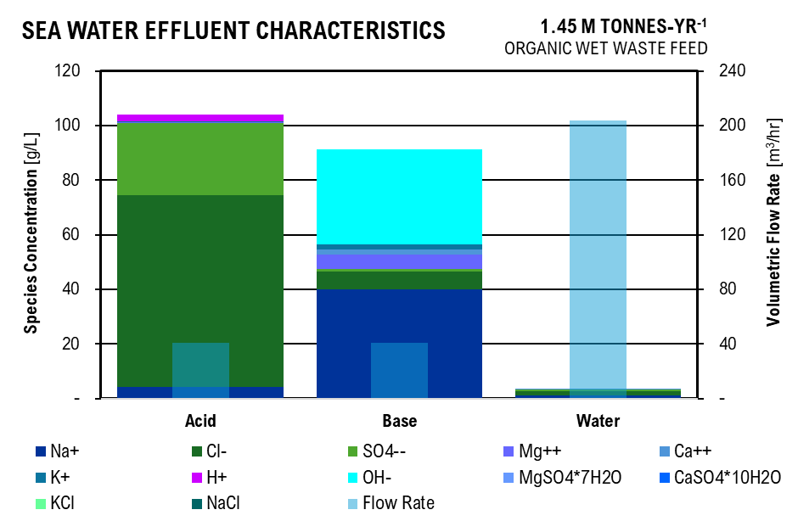

Crystallizer
 |  |  | Initial |  | MgSO4 |  | CaSO4 | KCl | NaCl |  |  | Ocean Water Figure
Parameter | Unit | Value | Unit | Value | Unit | Value | Value | Value | Value |  |  | Species | Acid | Base | Electrolyte | Water
C_Na | g/L | 10.50 | mol/L | 0.46 | mol/L | 0.46 | 0.46 | 0.46 | (0.00) |  | (g/L) | Na+ | 4.20 | 39.90 |  | 1.26
C_Cl | g/L | 16.54 | mol/L | 0.47 | mol/L | 0.47 | 0.47 | 0.46 | - |  | (g/L) | Cl- | 70.28 | 6.61 |  | 1.32
C_SO4 | g/L | 5.90 | mol/L | 0.06 | mol/L | 0.01 | - | - |  |  | (g/L) | SO4-- | 26.55 | 0.88 |  | 0.65
C_Mg | g/L | 1.25 | mol/L | 0.05 | mol/L | - | - | - |  |  | (g/L) | Mg++ | 0.31 | 5.44 |  | 0.08
C_Ca | g/L | 0.40 | mol/L | 0.01 | mol/L | 0.01 | 0.00 | - |  |  | (g/L) | Ca++ | 0.04 | 1.86 |  | 0.02
C_K | g/L | 0.38 | mol/L | 0.01 | mol/L | 0.01 | 0.01 | - |  |  | (g/L) | K+ | 0.02 | 1.81
q_Na | e | 1 |  |  |  |  |  |  |  |  | (g/L) | H+ | 2.56 | -
q_Cl | e | -1 |  |  | mol/L | g/L | ppm |  |  |  | (g/L) | OH- |  | 34.90
q_SO4 | e | -2 |  | so4 | 0.06 | 5.90 | 5,899.07 |  |  |  | (g/L) | MgSO4*7H2O |  |  | 3.10
q_Mg | e | 2 |  | cl | 0.47 | 16.54 | 16,535.44 |  |  |  | (g/L) | CaSO4*10H2O |  |  | 0.64
q_Ca | e | 2 |  |  |  |  |  |  |  |  | (g/L) | KCl |  |  | 0.72
q_K | e | 1 |  |  |  |  |  |  |  |  | (g/L) | NaCl |  |  | 26.69
Crystals Formed |  |  |  |  |  |  |  |  |  |  | (m3/hr) | Flow Rate | 13.58 | 13.58 | - | 67.91
MgSO4*7H2O | mol/L | 0.03 | g/L | 3.10
CaSO4*2H2O | mol/L | 0.01 | g/L | 0.64
KCl | mol/L | 0.01 | g/L | 0.72
NaCl | mol/L | 0.46 | g/L | 26.69

Amount of Electrolyte Required
Ocean Water Electrodialysis | 135.82 | kg/hr
Path A Electrodialysis | 191.93 | kg/hr
Path B Electrodialysis | 383.86 | kg/hr
Total | 711.61 | kg/hr
Total Sodium Sulfate Decahydrate | 772.61 | kg/hr
Ocean Water Crystal Flow | - | kg/hr
Volume of Water Flow | - | L/hr

Chesse Whey Fermentation

Enzymatic Hydrolysis
Parameter | Unit | Value | Unit | Value | Unit | Value
Substrate (Cheese Whey Powder) Concentration | % w/v | 25 | g/L | 250 | m3 CW / L H2O | 6.25E-04
Lactose Concentration in Substrate | % w/v | 70 | g/L | 175 | m3 CW/hr | 14.85
Beta-galactosidase (Lactase) | U/g CW | 15 | U/L | 3750 | kg CW/hr | 5,939.12
Yield (Glucose / Lactose) | g:g | 0.47
Yield (Galactose / Lactose) | g:g | 0.46
Glucose Concentration | g/L | 82.25
Galactose Concentration | g/L | 80.5

Homolactic Fermentation
Parameter | Unit | Value | Unit | Value | Unit | Value
Fementation | With Reycle
Yield (Lactic Acid / Glucose) | g:g | 0.91
Yield (Lactic Acid / Galactose) | g:g | 0.79
Lactic Acid Concentration | g/L | 138.4425
Glucose Concentration | g/L | 7.4025
Galactose Concentration | g/L | 16.905
Lactose Concentration | g/L | 12.25
Lactate Required | g/hr | 3,288,909.08
Influent Volumetric Flow Rate | L/hr | 23,756.50
Biosolids
Cheese Whey Concentration in Liquid | g/L | 75
Microbial Concentration in Liquid | g/L | 0.01
Solids Flow Rate | g/hr | 1,781,974.97
Recycle Rate | L:L | 1.00
Solids Recycled | g/hr | 1,781,974.97
Cheese Whey Recycled | g/hr | 1,781,737.41
Cheese Whey Effluent characteristics
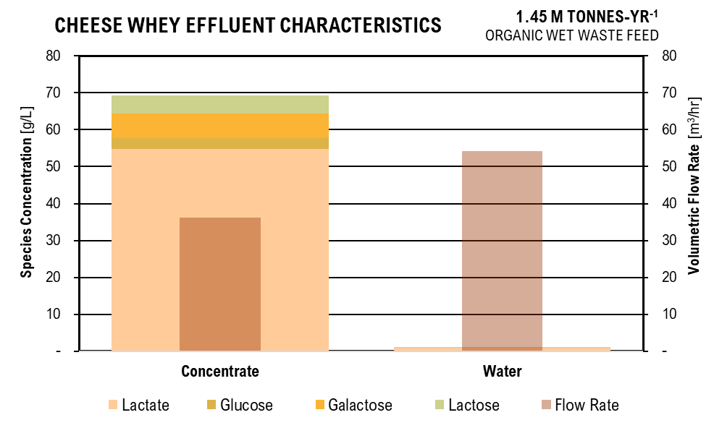
Desired Cheese Whey Concentration | g/L | 250
Recycle Stream Flow Rate | L/hr | 7,126.95

pH-Adjust
Parameter | Unit | Value | Unit | Value
Fermentation pH | pH | 5.5 | mol H/L | 3.1622776602E-06
Fermentation Effluent Flow Rate | L/hr | 30,883.45
H+ Molar Flow Rate | mol/hr | 0.10
pKa Lactate_Lactic Acid | pKa | 3.86
[A/HA] | mol:mol | 138038.42646 | at pH | 9
Lactate | mol/L | 1.5542998283
Lactic Acid | mol/L | 1.1259906884E-05
OH- Concentration at pH 9 | mol OH/L | 1.00E-05
OH - Flow Rate Required | mol OH/hr | 0.41 | g OH /hr | 6.91
Ocean Base OH- Concentration | g/L | 34.90
Ocean Base OH- Volume Flow Rate Required | L/hr | 0.19811227821
TOTAL FLOW RATE | L/hr | 30,883.65

 |  |  |  |  |  |  | Chesse Whey Fermentation Figure
Reverse Osmosis |  |  |  |  |  |  | Species | Concentrate | Water
Parameter | Unit | Value | Unit | Value |  |  | Lactate | 54.82 | 0.83
Non - Water Percent Separation | %/100 | 0.99 |  |  |  |  | Glucose | 2.93 | 0.04
Pure Water Percent Separation | %/100 | 0.60 |  |  |  |  | Galactose | 6.69 | 0.10
Energy Required | kWh/m3 | 6 |  |  |  |  | Lactose | 4.85 | 0.07
 | Concentrate |  | Water |  |  |  | Cheese Whey
Lactic Acid | g/L | 54.82 | g/L | 0.83 |  |  | Microbe
Glucose | g/L | 2.93 | g/L | 0.04 |  |  | Flow Rate | 12.35 | 18.53
Galactose | g/L | 6.69 | g/L | 0.10
Lactose | g/L | 4.85 | g/L | 0.07 |  |  | Lactic Acid Flow | 677.26084769 | kg/hr
Flow Rate | L/hr | 12353.45862 | L/hr | 18530.187929 |  |  | Lactic Acid Total | 162542603.44 | kg/30 yr

ANAEROBIC DIGESTION 2000 L EXPERIMENTAL - South Dakota School of Mines
Baseline Operating Conditions and Results
Parameter | Unit | Value | Unit | Value
Percentage of Food Waste in Feedstock | % | 100
Percentage of Manure in Feedstock | % | 0
Anaerobic Digestor Hydraulic Retention Time | d | 5
Anaerobic Digestor Mixing Speed | rpm | 254
Anaerobic Digestor pH |  | 5
COD Loading | g COD/L | 41.5
PREFERMENTED:
AD C1 VFA Concentration | g/L | 0 | g VFA / g COD | 0.00
AD C2 VFA Concentration | g/L | 1.43 | g VFA / g COD | 0.03
AD C3 VFA Concentration | g/L | 1.21 | g VFA / g COD | 0.03
AD C4 VFA Concentration | g/L | 3.76 | g VFA / g COD | 0.09
AD Ci4 VFA Concentration | g/L | 0 | g VFA / g COD | 0.00
AD C5 VFA Concentration | g/L | 2.33 | g VFA / g COD | 0.06
AD Ci5 VFA Concentration | g/L | 0.21 | g VFA / g COD | 0.01
AD C6 VFA Concentration | g/L | 1.39 | g VFA / g COD | 0.03
AD C7 VFA Concentration | g/L | 0 | g VFA / g COD | 0.00
RAW:
AD C1 VFA Concentration | g/L | 0.03
AD C2 VFA Concentration | g/L | 2.03
AD C3 VFA Concentration | g/L | 0
AD C4 VFA Concentration | g/L | 2.09
AD Ci4 VFA Concentration | g/L | 0.09
AD C5 VFA Concentration | g/L | 1.22
AD Ci5 VFA Concentration | g/L | 0
AD C6 VFA Concentration | g/L | 0.42
AD C7 VFA Concentration | g/L | 0 | Total g/L | 16.21
AD Biogas Production | L/m3 sludge | 7875
H2 in Biogas | %/100 | 0.5
CH4 in Biogas | %/100 | 0.03
CO2 in Biogas | %/100 | 0.47
Theoretical VFA Yield | g VFA / g VS | 0.4
Scaling Factor |  | 0.98
Applied Voltage | V | 0.6

Volatile Fatty Acids - Scaled to Input Flow Rate
Parameter | Unit | Value | Unit | Value
Volatile Solids in Manure | g/g | 0.21
Volatile Solids in Food Waste | g/g | 0.3996 | After Water
Chemical Oxygen Demand in Manure | g COD / L | 56.00 | g COD / L | 44.80
Chemical Oxygen Demand in Food Waste | g COD / L | 198.00 | g COD / L | 158.40
VS Manure / VS Food Waste Correction Factor |  | 0.52
Manure COD / Experimental COD |  | 1.35
Food Waste COD / Experimental COD |  | 4.77

Water Added For Grinding
Parameter | Unit | Value | Unit | Value | Unit | Value | Unit | Value
Water Addition | %/100 | 0.25
 | Before |  | Water Added |  | After
Manure Flow Rate | kg/hr | 45,000.00 | kg/hr | 11250 | kg/hr | 56,250.00 | m3/hr | 53.57
Food Waste Flow Rate | kg/hr | 5,000.00 | kg/hr | 1250 | kg/hr | 6,250.00 | m3/hr | 5.95

VFA Production
Parameter | Food Waste , Electrochemical Enhancement |  |  |  | Manure , Electrochemical Enhancement, Cont Removal
 | Unit | Value | Unit | Value | Unit | Value | Unit | Value
Volatile Solid Influent | kg/hr | 1,998.00 |  |  | kg/hr | 10,616.45

Lactate Produced | kg/hr | - | g/L | - | kg/hr | 1.96 | g/L | 0.03
Acetate Produced | kg/hr | 44.20 | g/L | 7.43 | kg/hr | 121.93 | g/L | 1.66
Propionic Production | kg/hr | 37.53 | g/L | 6.30 | kg/hr | - | g/L | 0.00
Butyric Production | kg/hr | 114.01 | g/L | 19.15 | kg/hr | 125.46 | g/L | 1.71
Isobutyric Production | kg/hr | - | g/L | - | kg/hr | 5.75 | g/L | 0.08
Digestion Effluent Characteristics
 | Acetate | Propionate | Butyrate | Isobutyrate | Valerate | Isovalerate | Caproate | Heptanoate | Phosphate | Sulfate | Ammonia | m:m% VFAs
Manure Digestate | 1.66 | - | 1.71 | 0.08 | 1.01 | - | 0.35 | - | 4.98 | 1.0360661656 | 7.03
Food Waste Digestate | 7.43 | 6.30 | 19.15 | - | 11.98 | 1.13 | 7.22 | - | 4.21 | 0 | 0.54
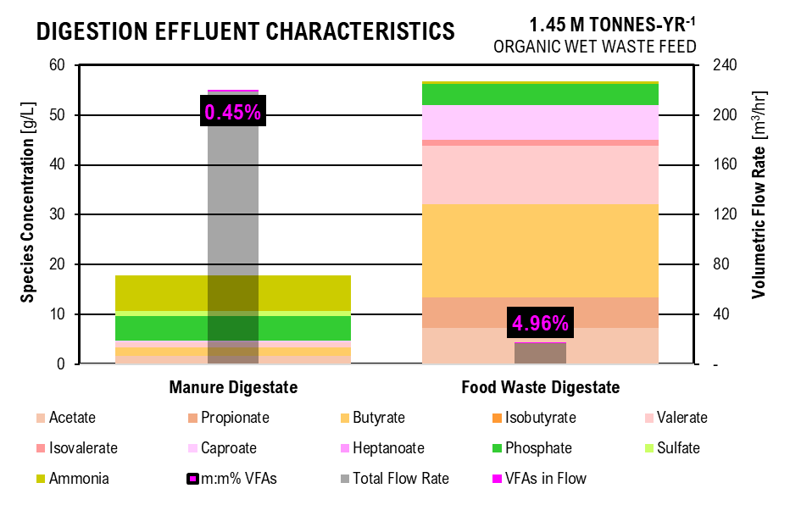
Valerate Production | kg/hr | 71.33 | g/L | 11.98 | kg/hr | 74.03 | g/L | 1.01
Isovaleric Production | kg/hr | 6.75 | g/L | 1.13 | kg/hr | - | g/L | 0.00 |  | DIGESTATE FIGURE
Caproic Production | kg/hr | 42.99 | g/L | 7.22 | kg/hr | 26.03 | g/L | 0.35 |  | Acid | Manure Digestate | Food Waste Digestate
Heptanoate Production | kg/hr | - | g/L | - | kg/hr | - | g/L | 0.00 |  | Acetate | 1.66 | 7.43
 |  |  |  |  |  |  | Total kg/hr | 671.98 |  | Propionate | 0.00 | 6.30
Feedstock Flow | m3/hr | 5.95 |  |  | m3/hr | 73.39 | Total g/L | 8.47 |  | Butyrate | 1.71 | 19.15
 |  |  |  |  |  |  |  |  |  | Isobutyrate | 0.08 | -
Lactate Production | g/m3 | 0.00 | mol/m3 | 0.00 | g/m3 | 26.71 | mol/m3 | 0.30 |  | Valerate | 1.01 | 11.98
Acetate Production | g /m3 | 7426.43 | mol/m3 | 125.79 | g /m3 | 1661.53 | mol/m3 | 28.14 |  | Isovalerate | 0.00 | 1.13
Propionic Production | g /m3 | 6304.93 | mol/m3 | 86.29 | g /m3 | 0.00E+00 | mol/m3 | 0.00 |  | Caproate | 0.35 | 7.22
Butyric Production | g /m3 | 19152.90 | mol/m3 | 219.90 | g /m3 | 1709.64 | mol/m3 | 19.63 |  | Heptanoate | 0.00 | -
Isobutyric Production | g /m3 | 0.00 | mol/m3 | 0.00 | g /m3 | 78.40 | mol/m3 | 0.90 |  | Phosphate | 4.98 | 4.21
Valerate Production | g/m3 | 11982.83 | mol/m3 | 118.50 | g/m3 | 1008.77 | mol/m3 | 9.98 |  | Sulfate | 1.04 | 0
Isovaleric Production | g /m3 | 1133.25 | mol/m3 | 11.21 | g /m3 | 0.00 | mol/m3 | 0.00 |  | Ammonia | 7.03 | 0.54
Caproic Production | g /m3 | 7222.79 | mol/m3 | 62.73 | g /m3 | 354.77 | mol/m3 | 3.08 |  | Total Flow Rate | 73.03 | 5.64
Heptanoate Production | g/m3 | 0.00 | mol/m3 | 0.00 | g/m3 | 0.00 | mol/m3 | 0.00 |  | VFAs in Flow | 0.36 | 0.32
 |  |  |  |  |  |  |  |  |  | m:m% VFAs | 0.46% | 5.07%
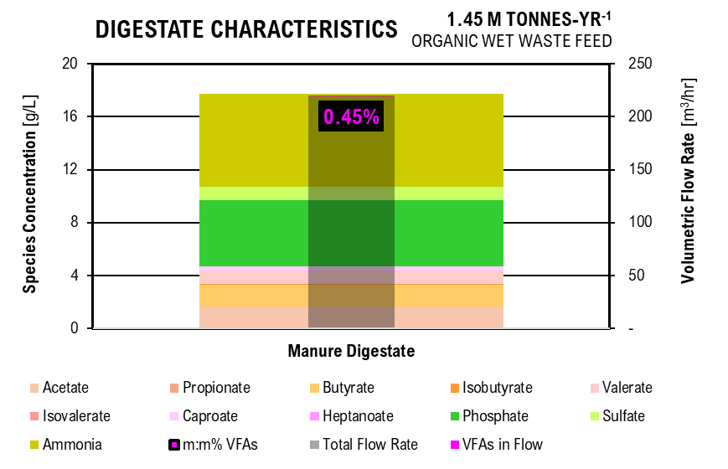
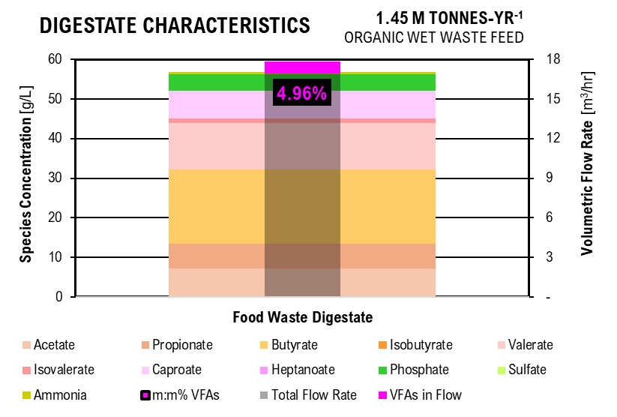
Digestate Characteristics
 | Acetate | Propionate | Butyrate | Isobutyrate | Valerate | Isovalerate | Caproate | Heptanoate | Phosphate | Sulfate | Ammonia | m:m% VFAs
Manure Digestate | 1.66 | - | 1.71 | 0.08 | 1.01 | - | 0.35 | - | 4.98 | 1.0360661656 | 7.03
Digestate Characteristics
 | Acetate | Propionate | Butyrate | Isobutyrate | Valerate | Isovalerate | Caproate | Heptanoate | Phosphate | Sulfate | Ammonia | m:m% VFAs
Food Waste Digestate | 7.43 | 6.30 | 19.15 | - | 11.98 | 1.13 | 7.22 | - | 4.21 | 0 | 0.54
Dissociation Calculations
 | Food Waste Digestate |  |  |  | Manure Digestate |  |  |  |  | Biogas FIGURE
Parameter | Unit | Value | Unit | Value | Unit | Value | Unit | Value |  |  | Manure | Food Waste
Operating pH | pH | 5 |  |  | pH | 5 |  |  |  | CH4 | 0.02 | 0.01
Acid Dissociation constant for VFAs | pKa | 4.74 |  |  | pKa | 4.74 |  |  |  | CO2 | 0.37 | 0.11
Acid Dissociation constant for Lactate | pKa | 3.86 |  |  | pKa | 3.86 |  |  |  | H2 | 0.39 | 0.11
Henderson-Haselbalch Ratio for VFAs | A/HA | 1.82 |  |  | A/HA | 1.82
Henderson-Haselbalch Ratio for Lactate | A/HA | 13.80 |  |  | A/HA | 13.80

lactate | mol/m3 | 0.00 | kg COD/m3 | 0.00 | mol/m3 | 0.28 | kg COD/m3 | 0.02
acetate | mol/m3 | 81.18 | kg COD/m3 | 5.22 | mol/m3 | 18.16 | kg COD/m3 | 1.17
propionate | mol/m3 | 55.68 | kg COD/m3 | 6.23 | mol/m3 | 0.00 | kg COD/m3 | 0.00
butyrate | mol/m3 | 141.91 | kg COD/m3 | 22.76 | mol/m3 | 12.67 | kg COD/m3 | 2.03
isobutyrate | mol/m3 | 0.00 | kg COD/m3 | 0.00 | mol/m3 | 0.58 | kg COD/m3 | 0.09
valerate | mol/m3 | 76.47 | kg COD/m3 | 15.93 | mol/m3 | 6.44 | kg COD/m3 | 1.34
isovalerate | mol/m3 | 7.23 | kg COD/m3 | 1.51 | mol/m3 | 0.00 | kg COD/m3 | 0.00
caproate | mol/m3 | 40.48 | kg COD/m3 | 10.39 | mol/m3 | 1.99 | kg COD/m3 | 0.51
heptanoate | mol/m3 | 0.00 | kg COD/m3 | 0.00 | mol/m3 | 0.00 | kg COD/m3 | 0.00
Digester Biogas Production
Digester Biogas Production
Digester Biogas Production
lactic acid | mol/m3 | 0.00 | kg COD/m3 | 0.00 | mol/m3 | 0.02 | kg COD/m3 | 0.00
acetic acid | mol/m3 | 44.61 | kg COD/m3 | 2.87 | mol/m3 | 9.98 | kg COD/m3 | 0.64
propionic acid | mol/m3 | 30.60 | kg COD/m3 | 3.42 | mol/m3 | 0.00 | kg COD/m3 | 0.00
butyric acid | mol/m3 | 77.99 | kg COD/m3 | 12.51 | mol/m3 | 6.96 | kg COD/m3 | 1.12
isobutyric acid | mol/m3 | 0.00 | kg COD/m3 | 0.00 | mol/m3 | 0.32 | kg COD/m3 | 0.05
valeric acid | mol/m3 | 42.03 | kg COD/m3 | 8.76 | mol/m3 | 3.54 | kg COD/m3 | 0.74
isovaleric acid | mol/m3 | 3.97 | kg COD/m3 | 0.83 | mol/m3 | 0.00 | kg COD/m3 | 0.00
caproic acid | mol/m3 | 22.25 | kg COD/m3 | 5.71 | mol/m3 | 1.09 | kg COD/m3 | 0.28
heptanoic acid | mol/m3 | 0.00 | kg COD/m3 | 0.00 | mol/m3 | 0.00 | kg COD/m3 | 0.00

Dry Matter Calculations
Parameter | Unit | Value
Food Waste Total Solids | kg TS/m3 | 340.37
 | g TS /L | 324.16
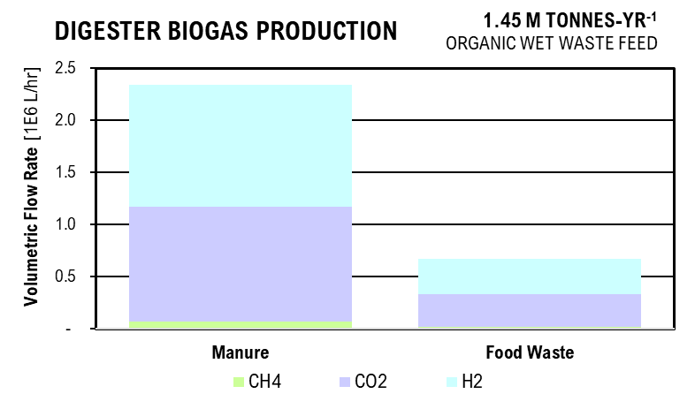
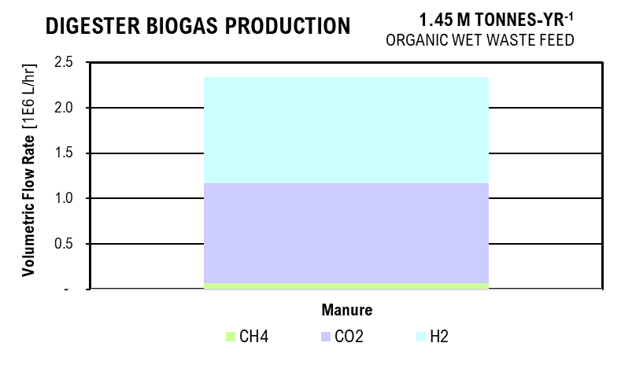
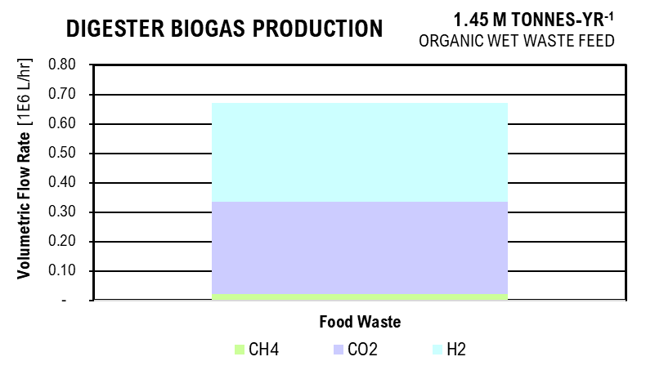
Cow Manure Total Solids | kg TS/m3 | 140.42
 | g TS/L | 133.74
 | g Ash/L | 2.58
 | g DM_af/L | 131.15
Pig Manure Total Solids | kg TS/m3 | 140.42
 | g TS/L | 133.74
 | g Ash/L | 2.59
 | g DM_af/L | 131.14
Total Total Solids | kg TS/m3 | 621.21

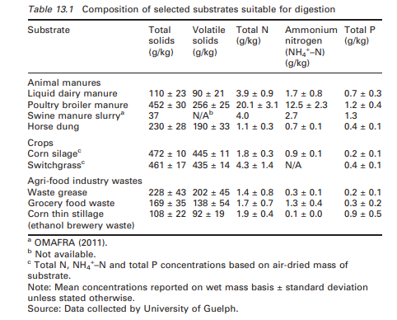
Phosphorus
 | Food Waste Digestate |  |  |  | Manure Digestate
Parameter | Unit | Value | Unit | Value | Unit | Value | Unit | Value
Total Phosphorus | g TP/L | 4.21 |  |  | g TP/L | 4.98
Soluble Phosphorus | g/L | 2.95 |  |  | g/L | 3.49
Operating pH | pH | 5 |  |  | pH | 5
Henderson-Hasselbalch Dissociation Ratios
h2po4_h3po4 | mol/L:mol/L | 7.24E+02 |  |  | mol/L:mol/L | 7.24E+02
hpo4_h2po4 | mol/L:mol/L | 6.17E-03 |  |  | mol/L:mol/L | 6.17E-03
po4_hpo4 | mol/L:mol/L | 2.09E-08 |  |  | mol/L:mol/L | 2.09E-08
PO43 | mol/L | 3.89E-12 | kg/m3 | 3.69E-10 | mol/L | 4.60E-12 | kg/m3 | 4.37E-10
HPO42 | mol/L | 1.86E-04 | kg/m3 | 1.81E-02 | mol/L | 2.20E-04 | kg/m3 | 2.13E-02
H2PO4 | mol/L | 3.02E-02 | kg/m3 | 2.96E+00 | mol/L | 3.57E-02 | kg/m3 | 3.50E+00
H3PO4 | mol/L | 4.17E-05 | kg/m3 | 4.04E-03 | mol/L | 4.93E-05 | kg/m3 | 4.78E-03

Sulfur
 | Food Waste Digestate |  |  |  | Manure Digestate
Parameter | Unit | Value | Unit | Value | Unit | Value | Unit | Value
Total Sulfur | g TS /L |  |  |  | g TS /L | 1.0360661656
Operating pH | pH | 5 |  |  | pH | 5
Henderson-Hasselbalch Dissociation Ratios
HSO4_H2SO4 | mol/L:mol/L |  |  |  | mol/L:mol/L | 1.00E+08
SO4_HSO4 | mol/L:mol/L |  |  |  | mol/L:mol/L | 1.20E+03
SO42 | mol/L | 0.00E+00 | kg/m3 | 0.00 | mol/L | 1.08E-02 | kg/m3 | 1.04
HSO4 | mol/L | 0.00E+00 | kg/m3 | 0.00 | mol/L | 8.96E-06 | kg/m3 | 0.00
H2SO4 | mol/L |  | kg/m3 | 0.00 | mol/L | 8.96E-14 | kg/m3 | 0.00

Nitrogen
 | Food Waste Digestate |  |  |  | Manure Digestate
Parameter | Unit | Value | Unit | Value | Unit | Value | Unit | Value
Soluble Nitrogen | g/L | 0.54 |  |  | g/L | 7.029550657
Ammonia Nitrogen | g/L | 0.54 |  |  | g/L | 7.029550657
Operating pH | pH | 5 |  |  | pH | 5
Henderson-Hasselbalch Dissociation Ratios
NH3_NH4 | mol/L:mol/L | 5.50E-05 |  |  | mol/L:mol/L | 5.4954087386E-05
NH3 | mol/L | 0.00 | kg COD/m3 | 0.00 | mol/L | 0.00 | kg COD/m3 | 0.00
NH4 | mol/L | 0.03 | kg COD/m3 | 0.54 | mol/L | 0.41 | kg COD/m3 | 7.45

Biogas Production
 | Food Waste Digestate |  |  |  | Manure Digestate
Parameter | Unit | Value | Unit | Value | Unit | Value | Unit | Value
Biogas Production | L BG / g COD | 0.23 |  |  | L BG / g COD | 0.31
 | L BG /hr | 223,644.80 |  |  | L BG / hr | 779,831.66
Methane | L/hr | 6,709.34 | L/m3 | 1,127.17 | L/hr | 23,394.95 | L/m3 | 318.80
Carbon Dioxide | L/hr | 105,113.06 | L/m3 | 17,658.99 | L/hr | 366,520.88 | L/m3 | 4,994.46
Hydrogen | L/hr | 111,822.40 | L/m3 | 18,786.16 | L/hr | 389,915.83 | L/m3 | 5,313.25

Biosolids Recycle
 | Manure Digestate
Parameter | Unit | Value | Unit | Value | Unit | Value | Unit | Value
Total Solids Flow Rate | kg/hr | 10,305.00
VS Flow Rate | kg/hr | 4,246.58 | g/g | 0.41
Phosphorus Rate | g/hr | 3.46E+05 | g/L | 33.54
Sulfur Concentration | g/hr | -
Ammonia Concentration | g/hr | -
Biosolids Recycle Percentage | %/100 | 0.30
Desired Phosphorus Concentration | g/L | 4.98
Total Volume Required | L/hr | 20,804.79 | m3/hr | 19.81
Total Water Addition Required | L/hr | 10,499.79

NITROGEN REMOVAL

Manure Filtration
Parameter | Unit | Value | Unit | Value
Influent Flow Rate of Manure Sludge | m3/hr | 73.385518591
Total Solids in Manure Digestate | kg/hr | 10,305.00 | m3/hr | 5.79
Effluent Flow Rate of Manure Liquid Digestate | m3/hr | 67.60 | L/hr | 67,596.19
Effluent Manure Liquid Digestate pH | pH | 5.00
Percent Phosphorus in Solid Fraction | %/100 | 0.90
Percent Carbon in Solid Fraction | %/100 | 1.00

Adjust pH - Electrolyte Solution
Parameter | Unit | Value | Unit | Value
Influent Manure Liquid Digestate pH | pH | 5.00
Influent Manure Liquid Digestate Flow Rate | L/hr | 67,596.19
Influent Electrodialysis Base 2 Flow Rate | L/hr | 19,192.83
Base 2 pH | pH | 13.80
Influent Electrodialysis Base 1 Flow Rate | L/hr | 19,192.83
Base 1 pH | pH | 13.00
Flow Rate from Combination | L/hr | 105,981.85
pH from Combination | pH | 8.04

Adjust pH -NaOH
Parameter | Unit | Value | Unit | Value
Influent Manure Liquid Digestate pH | pH | 10.50
NaOH Addition to Raise pH 5 to 9 | g/L | 2.40 | g/L-unit pH | 0.60
OH Flow Rate Requried to Raise pH | g/hr | 156,276.39
Ocean Base OH Concentration | g/L | 34.90
Ocean Base OH Flow Rate | L/hr | 4,478.11
Flow Rate from Combination | L/hr | 110,459.96 | m3/hr | 110.46

Species in Electrodialysis Solution at Electodialysis pH
Parameter | Unit | Value | Unit | Value
ace | mol/m3 | 5.14E-07 | g/L | 0.03
hace | mol/m3 | 2.60E-15 | g/L | 0.00
pro | mol/m3 | 1.33E-06 | g/L | 0.10
hpro | mol/m3 | 6.73E-15 | g/L | 0.00
but | mol/m3 | 1.54E-06 | g/L | 0.13
hbut | mol/m3 | 7.79E-15 | g/L | 0.00
ibut | mol/m3 | 0.00E+00 | g/L | -
hibut | mol/m3 | 0.00E+00 | g/L | -
val | mol/m3 | 2.10E-06 | g/L | 0.21
hval | mol/m3 | 1.06E-14 | g/L | 0.00
ival | mol/m3 | 1.83E-07 | g/L | 0.02
hival | mol/m3 | 9.25E-16 | g/L | 0.00
cap | mol/m3 | 4.16E-06 | g/L | 0.48
cap | mol/m3 | 2.10E-14 | g/L | 0.00
hep | mol/m3 | 2.05E-07 | g/L | 0.03
hhep | mol/m3 | 1.03E-15 | g/L | 0.00
cl | mol/m3 | 4.47E-06 | g/L | 0.16
hcl | mol/m3 | 1.45E-25 | g/L | 0.00
h2so4 | mol/m3 | 0.00E+00 | g/L | -
hso4 | mol/m3 | 0.00E+00 | g/L | -
so4 | mol/m3 | 0.00E+00 | g/L | -
h3po4 | mol/m3 | 6.26E-26 | g/L | 0.00
h2po4 | mol/m3 | 2.86E-14 | g/L | 0.00
hpo4 | mol/m3 | 1.11E-07 | g/L | 0.01
po4 | mol/m3 | 1.47E-06 | g/L | 0.14
nh4 | mol/m3 | 1.00E+00 | g/L | 1.00
nh3 | mol/m3 | 1.00E+00 | g/L | 1.00

Dissociation Calculation in Manure Liquid Digestate
 | Before Ocean Base Addition |  |  |  | After Base Addition
Parameter | Unit | Value | Unit | Value | Unit | Value | Unit | Value | Unit | Value
Henderson-Hasselbalch VFA | A/HA | 6.92E+05
Acetic Acid | mol/m3 | 4.07E-05 | g/L | 0.000 | mol/m3 | 2.49E-05 | g/L | 0.00 | mol/hr | 0.00
Propionic Acid | mol/m3 | 1.92E-12 | g/L | 0.000 | mol/m3 | 1.18E-12 | g/L | 0.00 | mol/hr | 0.00
Butyric Acid | mol/m3 | 2.84E-05 | g/L | 0.000 | mol/m3 | 1.74E-05 | g/L | 0.00 | mol/hr | 0.00
Isobutyric Acid | mol/m3 | 1.30E-06 | g/L | 0.000 | mol/m3 | 7.96E-07 | g/L | 0.00 | mol/hr | 0.00
Valeric Acid | mol/m3 | 1.44E-05 | g/L | 0.000 | mol/m3 | 8.82E-06 | g/L | 0.00 | mol/hr | 0.00
Isovaleric Acid | mol/m3 | 2.64E-13 | g/L | 0.000 | mol/m3 | 1.62E-13 | g/L | 0.00 | mol/hr | 0.00
Caproic Acid | mol/m3 | 4.45E-06 | g/L | 0.000 | mol/m3 | 2.73E-06 | g/L | 0.00 | mol/hr | 0.00
Heptanoic Acid | mol/m3 | 2.96E-13 | g/L | 0.000 | mol/m3 | 1.81E-13 | g/L | 0.00 | mol/hr | 0.00
Acetate | mol/m3 | 2.81E+01 | g/L | 1.690 | mol/m3 | 1.72E+01 | g/L | 1.03 | mol/hr | 1,902.32
Propionate | mol/m3 | 1.33E-06 | g/L | 0.000 | mol/m3 | 8.15E-07 | g/L | 0.00 | mol/hr | 0.00
Butyrate | mol/m3 | 1.96E+01 | g/L | 1.729 | mol/m3 | 1.20E+01 | g/L | 1.06 | mol/hr | 1,326.81
Isobutyrate | mol/m3 | 9.00E-01 | g/L | 0.079 | mol/m3 | 5.51E-01 | g/L | 0.05 | mol/hr | 60.84
Valerate | mol/m3 | 9.98E+00 | g/L | 1.019 | mol/m3 | 6.10E+00 | g/L | 0.62 | mol/hr | 674.34
Isovalerate | mol/m3 | 1.83E-07 | g/L | 0.000 | mol/m3 | 1.12E-07 | g/L | 0.00 | mol/hr | 0.00
Caproate | mol/m3 | 3.08E+00 | g/L | 0.358 | mol/m3 | 1.89E+00 | g/L | 0.22 | mol/hr | 208.26
Heptanoate | mol/m3 | 2.05E-07 | g/L | 0.000 | mol/m3 | 1.25E-07 | g/L | 0.00 | mol/hr | 0.00
Henderson-Hasselbalch Phosphate | H2A/H3A | 3.16E+08
 | HA/H2A | 6.31E+03
 | A/HA | 5.01E-02
PO43 | mol/L | 1.81E-04 | g/L | 0.02 | mol/L | 1.11E-04 | g/L | 0.01 | mol/hr | 12.23
HPO42 | mol/L | 3.61E-03 | g/L | 0.35 | mol/L | 2.21E-03 | g/L | 0.21 | mol/hr | 244.11
H2PO4 | mol/L | 5.72E-07 | g/L | 0.00 | mol/L | 3.50E-07 | g/L | 0.00 | mol/hr | 0.04
H3PO4 | mol/L | 1.81E-15 | g/L | 0.00 | mol/L | 1.11E-15 | g/L | 0.00 | mol/hr | 0.00
Henderson-Hasselbalch Sulfate | HA/H2A | 3.16E+13
 | A/HA | 5.01E+08
SO42 | mol/L | 0.01 | g/L | 1.04 | mol/L | 0.0066002783367 | g/L | 0.63 | mol/hr | 729.0665025
HSO4 | mol/L | 0.00 | g/L | 0.00 | mol/L | 0.00 | g/L | 0.00 | mol/hr | 1.4546789175E-06
H2SO4 | mol/L | 0.00 | g/L | 0.00 | mol/L | 0.00 | g/L | 0.00 | mol/hr | 4.6000986437E-20
Henderson-Hasselbalch Nitrogen | A/HA | 91.20
NH3 | mol/L | 0.52 | g/L | 8.93 | mol/L | 0.32 | g/L | 5.46 | mol/hr | 35426.906187
NH4 | mol/L | 0.01 | g/L | 0.10 | mol/L | 0.00 | g/L | 0.06 | mol/hr | 388.44830191

Stripper-Absorber | Stripping Column |  |  |  | Absorption Column 1 |  |  |  | Absorption Column 2 |  |  |  | Total Absorption Aqueous Streams
 | Volatilized |  | Aqueous (Cont to CE) |  | Aqueous |  | Volatilized |  | Aqueous |  | Volatilized |  | Grams |  | Moles
Parameter | Unit | Value | Unit | Value | Unit | Value | Unit | Value | Unit | Value | Unit | Value | Unit | Value | Unit | Value
Ammonia | mol NH3 /hr | 6.70 | g NH3 /L | 2.23 | g NH3 /L | - | g NH3 /L | 0.01 | g NH3 /L | 0.01 | g NH3 /L | 0.00 | g NH3 /L | 0.01 | mol NH3 /L | 0.00
Ammonium | mol NH4 /hr | - | g NH4 /L | 0.10 | g NH4Cl /L | 1.54 | g NH4 /L | - | g NH4 /L | - | g NH4 /L | - | g NH4 /L | 1.54 | mol NH4 /L | 0.09
Acetic Acid | g/L | 0.00 | g/L | 2.35E-06 | g/L | 0.00 | g/L | 0.00 | g/L | 0.00 | g/L | 0.00 | g/L | 0.00 | mol/L | 0.00
Propionic Acid | g/L | 0.00 | g/L | 1.38E-13 | g/L | 0.00 | g/L | 0.00 | g/L | 0.00 | g/L | 0.00 | g/L | 0.00 | mol/L | 0.00
Butyric Acid | g/L | 0.00 | g/L | 2.42E-06 | g/L | 0.00 | g/L | 0.00 | g/L | 0.00 | g/L | 0.00 | g/L | 0.00 | mol/L | 0.00
Isobutyric Acid | g/L | 0.00 | g/L | 1.11E-07 | g/L | 0.00 | g/L | 0.00 | g/L | 0.00 | g/L | 0.00 | g/L | 0.00 | mol/L | 0.00
Valeric Acid | g/L | 0.00 | g/L | 1.43E-06 | g/L | 0.00 | g/L | 0.00 | g/L | 0.00 | g/L | 0.00 | g/L | 0.00 | mol/L | 0.00
Isovaleric Acid | g/L | 0.00 | g/L | 2.62E-14 | g/L | 0.00 | g/L | 0.00 | g/L | 0.00 | g/L | 0.00 | g/L | 0.00 | mol/L | 0.00
Caproic Acid | g/L | 0.00 | g/L | 5.03E-07 | g/L | 0.00 | g/L | 0.00 | g/L | 0.00 | g/L | 0.00 | g/L | 0.00 | mol/L | 0.00
Heptanoic Acid | g/L | 0.00 | g/L | 3.75E-14 | g/L | 0.00 | g/L | 0.00 | g/L | 0.00 | g/L | 0.00 | g/L | 0.00 | mol/L | 0.00
Acetate | g/L | 0.03 | g/L | 1.66 | g/L | 0.03 | g/L | 0.01 | g/L | 0.01 | g/L | 0.00 | g/L | 0.03 | mol/L | 1.88
Propionate | g/L | 0.00 | g/L | 0.00 | g/L | 0.00 | g/L | 0.00 | g/L | 0.00 | g/L | 0.00 | g/L | 0.00 | mol/L | 0.00
Butyrate | g/L | 0.03 | g/L | 1.69 | g/L | 0.03 | g/L | 0.01 | g/L | 0.01 | g/L | 0.00 | g/L | 0.03 | mol/L | 2.84
Isobutyrate | g/L | 0.00 | g/L | 0.08 | g/L | 0.00 | g/L | 0.00 | g/L | 0.00 | g/L | 0.00 | g/L | 0.00 | mol/L | 0.13
Valerate | g/L | 0.02 | g/L | 1.00 | g/L | 0.02 | g/L | 0.00 | g/L | 0.00 | g/L | 0.00 | g/L | 0.02 | mol/L | 1.94
Isovalerate | g/L | 0.00 | g/L | 0.00 | g/L | 0.00 | g/L | 0.00 | g/L | 0.00 | g/L | 0.00 | g/L | 0.00 | mol/L | 0.00
Caproate | g/L | 0.01 | g/L | 0.35 | g/L | 0.01 | g/L | 0.00 | g/L | 0.00 | g/L | 0.00 | g/L | 0.01 | mol/L | 0.78
Heptanoate | g/L | 0.00 | g/L | 0.00 | g/L | 0.00 | g/L | 0.00 | g/L | 0.00 | g/L | 0.00 | g/L | 0.00 | mol/L | 0.00

Stripper-Absorber | Stripping Column |  |  |  | Absorption Column 1
 | Volatilized |  | Chaine Elongation Influent |  | Aqueous |  | Volatilized
Parameter | Unit | Value | Unit | Value | Unit | Value | Unit | Value
Ammonia | mol NH3 /hr | 34,364.10 | mol NH3 /hr | 1,062.81 | mol NH3 /hr | - | g NH3 /L | -
Ammonium | mol NH4 /hr | - | mol NH4 /hr | 388.45 | mol 2NH4SO4 /hr | 725.63 | g NH4 /L | -
Acetic Acid | mol/hr | 0.00 | mol/hr | 0.00 | mol/hr | 0.00 | mol/hr | 0.00
Propionic Acid | mol/hr | 0.00 | mol/hr | 0.00 | mol/hr | 0.00 | mol/hr | 0.00
Butyric Acid | mol/hr | 0.00 | mol/hr | 0.00 | mol/hr | 0.00 | mol/hr | 0.00
Isobutyric Acid | mol/hr | 0.00 | mol/hr | 0.00 | mol/hr | 0.00 | mol/hr | 0.00
Valeric Acid | mol/hr | 0.00 | mol/hr | 0.00 | mol/hr | 0.00 | mol/hr | 0.00
Isovaleric Acid | mol/hr | 0.00 | mol/hr | 0.00 | mol/hr | 0.00 | mol/hr | 0.00
Caproic Acid | mol/hr | 0.00 | mol/hr | 0.00 | mol/hr | 0.00 | mol/hr | 0.00
Heptanoic Acid | mol/hr | 0.00 | mol/hr | 0.00 | mol/hr | 0.00 | mol/hr | 0.00
ACE/ Na-Ace | mol/hr | 38.05 | mol/hr | 1,864.27 | mol/hr | 38.05 | mol/hr | -
Pro / Na-Pro | mol/hr | 0.00 | mol/hr | 0.00 | mol/hr | 0.00 | mol/hr | -
But / Na-But | mol/hr | 26.54 | mol/hr | 1,300.27 | mol/hr | 26.54 | mol/hr | -
Na-Ibut | mol/hr | 1.22 | mol/hr | 59.63 | mol/hr | 1.22 | mol/hr | -
Na_val | mol/hr | 13.49 | mol/hr | 660.85 | mol/hr | 13.49 | mol/hr | -
Na-Ival | mol/hr | 0.00 | mol/hr | 0.00 | mol/hr | 0.00 | mol/hr | -
Na-cap | mol/hr | 4.17 | mol/hr | 204.09 | mol/hr | 4.17 | mol/hr | -
Na-hep | mol/hr | 0.00 | mol/hr | 0.00 | mol/hr | 0.00 | mol/hr | -

Absorption Column
Parameter | Unit | Value | Unit | Value
Henry's Law
Operating Temperature | C | 15.00 | K | 288.15
Air to Stripper Liquid Volume Ratio | L:L | 20,000.00
Air Flow Rate | L/hr | 2.12E+09
Ammonia (NH3) Flow Rate | mol/hr | 34,364.10
Partial Pressure of Ammonia | atm | 3.84E-04
Henry's Law Constant for Ammonia at 15 C | mol/L-atm | 75.00
Concentration of NH3 in Liquid Phase | mol/L | 0.03 | g/L | 0.49

Absorption Fluid
Parameter | Unit | Value | Unit | Value | Unit | Value | Unit | Value
INFLUENT | OCEAN H+ Cl-
Molar Flow Rate NH3 | mol/hr | 34,364.10
H+ Molar Flow Rate Required | mol/hr | 34,432.83
H+ Molar Concentration in Ocean Water | mol/L | 2.54
Ocean Acid Flow Required | L/hr | 13,582.38 |  |  | After Absorption |  | After Crystallization
C_Na | mol/L | 0.18 | mol/hr | 2,481.36 | mol/hr | 2,397.91 | mol/hr | -
C_Cl | mol/L | 1.98 | mol/hr | 26,925.53 | mol/hr | 26,925.53 | mol/hr | 26,918.93
C_SO4 | mol/L | 0.28 | mol/hr | 3,753.65 | mol/hr | 3,028.02 | mol/hr | 441.92
C_Mg | mol/L | 0.01 | mol/hr | 174.63 | mol/hr | 174.63 | mol/hr | -
C_Ca | mol/L | 0.00 | mol/hr | 13.56 | mol/hr | 13.56 | mol/hr | -
C_K | mol/L | 0.00 | mol/hr | 6.60 | mol/hr | 6.60 | mol/hr | -

Crystallizer
 | Initial |  | K2 |  | Final Solubility |  | Final Crystals
Parameter | Unit | Value | Unit | Value | Unit | Value | Unit | Value
NH4_2SO4 | mol/L | 0.05 | K | 0.20 | mol/L | 0.37 | mol/L | (0.32)
Na-Ace | mol/L | 2.80E-03 | K | 0.01 | mol/L | 0.11 | mol/L | (0.10)
Na-Pro | mol/L | 1.32E-10 | K | 0.00 | mol/L | 0.00 | mol/L | (0.00)
Na-But | mol/L | 1.95E-03 | K | 0.01 | mol/L | 0.10 | mol/L | (0.10)
Na-Ibut | mol/L | 8.96E-05 | K | 0.00 | mol/L | 0.02 | mol/L | (0.02)
Na_val | mol/L | 9.93E-04 | K | 0.01 | mol/L | 0.08 | mol/L | (0.08)
Na-Ival | mol/L | 1.82E-11 | K | 0.00 | mol/L | 0.00 | mol/L | (0.00)
Na-cap | mol/L | 3.07E-04 | K | 0.00 | mol/L | 0.05 | mol/L | (0.05)
Na-hep | mol/L | 2.04E-11 | K | 0.00 | mol/L | 0.00 | mol/L | (0.00)
MgSO4 | mol/L | 0.01 | K | 20.93 | mol/L | 4.57 | mol/L | (4.56)
CaSO4 | mol/L | 0.00 | K | 0.00 | mol/L | 0.06 | mol/L | (0.06)
KCl | mol/L | 0.00 | K | 0.00 | mol/L | 0.01 | mol/L | (0.01)
Na2SO4 | mol/L | 0.18 | K | 94.61 | mol/L | 2.87 | mol/L | (2.69)

T1 | K | 298.15
T2 | K | 373.15

Final Crystals
Parameter | Unit | Value | Unit | Value
 | Cooling - 32 C |  | Cooling - 2C |  | Heating - 100 C
Ammonium Sulfate | kg/hr |  | kg/hr |  | kg/hr | 95.88
Sodium Acetate Trihydrate | kg/hr |  | kg/hr |  | kg/hr | 5.18
Sodium Propionate | kg/hr |  | kg/hr |  | kg/hr | 0.00
Sodium Butyrate | kg/hr |  | kg/hr |  | kg/hr | 2.92
Sodium Isobutyrate | kg/hr |  | kg/hr |  | kg/hr | 0.13
Sodium Valerate | kg/hr |  | kg/hr |  | kg/hr | 1.67
Sodium Isovalerate | kg/hr |  | kg/hr |  | kg/hr | 0.00
Sodium Caproate | kg/hr |  | kg/hr |  | kg/hr | 0.58
Sodium Heptanoate | kg/hr |  | kg/hr |  | kg/hr | 0.00
Magnesium Sulfate Heptahydrate | kg/hr |  | kg/hr | 43.04 | kg/hr
Calcium Sulfate Dihydrate | kg/hr |  | kg/hr | 2.33 | kg/hr
Potassium Chloride | kg/hr |  | kg/hr | 0.49 | kg/hr
Sodium Sulfate Decahydrate | kg/hr | 772.61 | kg/hr |  | kg/hr

Nitrogen Removal Influent & Effluent Characteristics
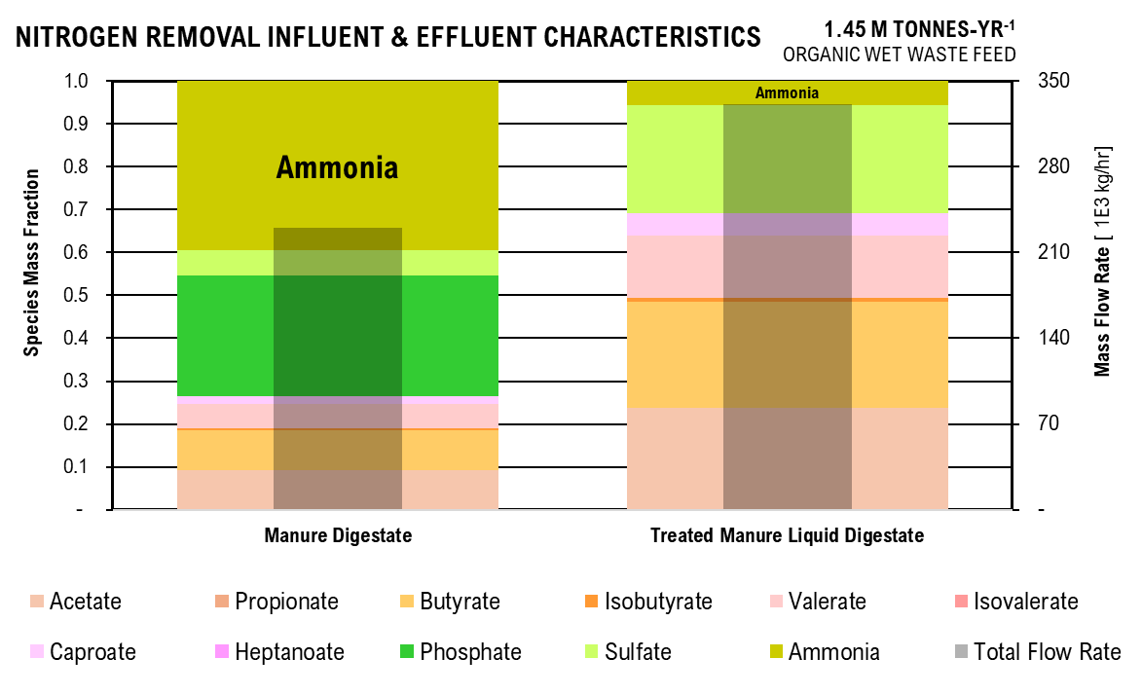
Nitrogen Removal Graph
 | Manure Digestate | Treated Manure Liquid Digestate |  |  |  | Manure Digestate | Treated Manure Liquid Digestate
Acetate | 121.93 | 110.07 |  |  | Acetate | 0.09 | 0.24
Propionate | 0.00 | 0.00 |  |  | Propionate | - | 0.00
Butyrate | 125.46 | 113.25 |  |  | Butyrate | 0.10 | 0.25
Isobutyrate | 5.75 | 5.19 |  |  | Isobutyrate | 0.00 | 0.01
Valerate | 74.03 | 66.83 |  |  | Valerate | 0.06 | 0.15
Isovalerate | 0.00 | 0.00 |  |  | Isovalerate | - | 0.00
Caproate | 26.03 | 23.50 |  |  | Caproate | 0.02 | 0.05
Heptanoate | 0.00 | 0.00 |  |  | Heptanoate | - | 0.00
Phosphate | 365.72 | - |  |  | Phosphate | 0.28 | -
Sulfate | 75.66 | 114.44 |  |  | Sulfate | 0.06 | 0.25
Ammonia | 513.37 | 25.11 |  |  | Ammonia | 0.39 | 0.05
Total Flow Rate | 1307.96 | 458.39 |  |  | Total Flow Rate | 76,681.86 | 110,459.96

Crystalization Effluent Characteristics

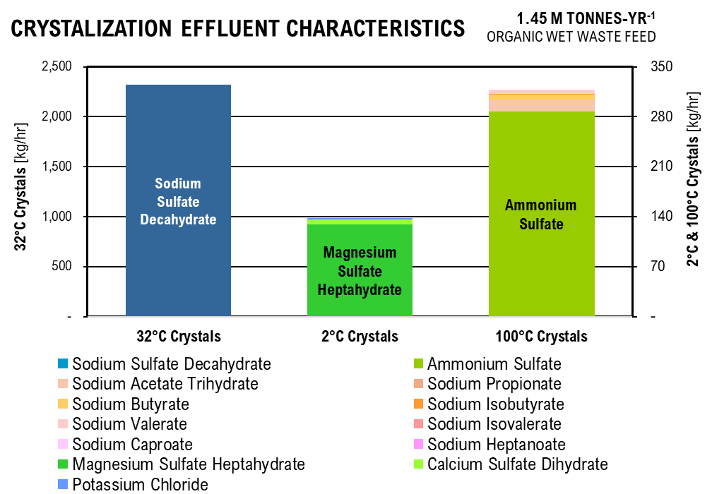
 | 32°C Crystals | 2°C Crystals | 100°C Crystals
Ammonium Sulfate | - | - | 95.88
Sodium Acetate Trihydrate | - | - | 5.18
Sodium Propionate | - | - | 0.00
Sodium Butyrate | - | - | 2.92
Sodium Isobutyrate | - | - | 0.13
Sodium Valerate | - | - | 1.67
Sodium Isovalerate | - | - | 0.00
Sodium Caproate | - | - | 0.58
Sodium Heptanoate | - | - | 0.00
Magnesium Sulfate Heptahydrate | - | 43.04 | -
Calcium Sulfate Dihydrate | - | 2.33 | -
Potassium Chloride | - | 0.49 | -
Sodium Sulfate Decahydrate | 772.61 | - | -
 |  | % Magnesium Sulfate | % Ammonium Sulfate
 |  | 0.94 | 0.90145321971

CHAIN-ELONGATION
Parameter | Unit | Value
Heptanoate:Propionate Conversion |  | 0.1651376147
CE Percent Acetate Reacted | % | 0.79
CE Percent Butyrate Reacted | % | 0.76744186047
CE Ethanol:Acetate |  | 1.5189873418
CE Ethanol:Butyrate |  | 1.2121212121
CE Percent Ethanol Reacted | % | 0.96
CE Caproate:Butyrate |  | 0.81818181818
CE Percent Propionate Reacted | % | 0.1
CE Percent Valerate Reacted | % | 0.08
Stoichiometry Calculations
Even Reaction 1 | Reactant |  | Product
mol/L | C2H3O2- | C3H6O3 | C4H7O2- | H2O | CO2
Initial | 0.14 | unk | 0 | 0 | 0
Change | (0.11) | (0.17) | 0.11 | 0.11270432968 | 0.11270432968 |  |  |  |  |  |  |  |  |  |  |  |  |  |  | Stoichiometry Calculations
Equilibrium | 0.03 |  | 0.11270432968 | 0.11270432968 | 0.11270432968 |  |  |  |  |  |  |  |  |  |  |  |  |  |  | Even Reaction 1 | Reactant |  | Product
Even Reaction 2 | Reactant |  | Product |  |  |  |  |  |  |  |  |  |  |  |  |  |  |  |  | mol/L | C2H3O2- | C3H6O3 | C4H7O2- | H2O | CO2
mol/L | C4H7O2- | C3H6O3 | C6H11O2- | H2O | CO2 |  |  |  |  |  |  |  |  |  |  |  |  |  |  | Initial | 0.14 | unk | 0.00 | 0.00 | 0.00
Initial | 0.38659 | unk | 0 | 0 | 0 |  |  |  |  |  |  |  |  |  |  |  |  |  |  | Change | -0.11 | -0.17 | 0.11 | 0.11 | 0.11
Change | (0.29669) | -0.35962137687 | 0.24274 | 0.24274 | 0.24274 |  |  |  |  |  |  |  |  |  |  |  |  |  |  | Equilibrium | 0.03 |  | 0.11 | 0.11 | 0.11
Equilibrium | 0.08991 |  | 0.24274442939 | 0.24274442939 | 0.24274442939 |  |  |  |  |  |  |  |  |  |  |  |  |  |  | Even Reaction 2 | Reactant |  | Product
Odd Reaction 1 | Reactant |  | Product |  |  |  |  |  |  |  |  |  |  |  |  |  |  |  |  | mol/L | C4H7O2- | C3H6O3 | C6H11O2- | H2O | CO2
mol/L | C3H5O2- | C3H6O3 | C5H9O2- | H2O | CO2 |  |  |  |  |  |  |  |  |  |  |  |  |  |  | Initial | 0.39 | unk | 0.00 | 0.00 | 0.00
Initial | 0.09 | unk | 0 | 0 | 0 |  |  |  |  |  |  |  |  |  |  |  |  |  |  | Change | -0.30 | -0.36 | 0.24 | 0.24 | 0.24
Change | (0.01) | (0.01) | 0.01 | 0.01 | 0.01 |  |  |  |  |  |  |  |  |  |  |  |  |  |  | Equilibrium | 0.09 |  | 0.24 | 0.24 | 0.24
Equilibrium | 0.08 |  | 0.0086286151225 | 0.0086286151225 | 0.0086286151225 |  |  |  |  |  |  |  |  |  |  |  |  |  |  | Odd Reaction 1 | Reactant |  | Product
Odd Reaction 2 | Reactant |  | Product |  |  |  |  |  |  |  |  |  |  |  |  |  |  |  |  | mol/L | C3H5O2- | C3H6O3 | C5H9O2- | H2O | CO2
mol/L | C5H9O2- | C3H6O3 | C7H13O2- | H2O | CO2 |  |  |  |  |  |  |  |  |  |  |  |  |  |  | Initial | 0.09 | unk | 0.00 | 0.00 | 0.00
Initial | 0.13 | unk | 0 | 0 | 0 |  |  |  |  |  |  |  |  |  |  |  |  |  |  | Change | -0.01 | -0.01 | 0.01 | 0.01 | 0.01
Change | (0.01) | (0.01) | 0.01 | 0.01 | 0.01 |  |  |  |  |  |  |  |  |  |  |  |  |  |  | Equilibrium | 0.08 |  | 0.01 | 0.01 | 0.01
Equilibrium | 0.12 |  | 0.010648994517 | 0.010648994517 | 0.010648994517 |  |  |  |  |  |  |  |  |  |  |  |  |  |  | Odd Reaction 2 | Reactant |  | Product
 |  |  |  |  |  |  |  |  |  |  |  |  |  |  |  |  |  |  |  | mol/L | C5H9O2- | C3H6O3 | C7H13O2- | H2O | CO2
Parameter | Unit | Value | Unit | Value | Unit | Value |  |  |  |  |  |  |  |  |  |  |  |  |  | Initial | 0.13 | unk | 0.00 | 0.00 | 0.00
Total Lactic Acid Required | mol/L | 0.57 | g/L | 26.40 | g/hr | 3,288,909.08 |  |  |  |  |  |  |  |  |  |  |  |  |  | Change | -0.01 | -0.01 | 0.01 | 0.01 | 0.01
Total Volume | L/hr | 124585.31282 | m3/hr | 118.65 |  |  |  |  |  |  |  |  |  |  |  |  |  |  |  | Equilibrium | 0.12 |  | 0.01 | 0.01 | 0.01
Operating pH |  | 5.00
Henderson-Hasselbaach Ratio | A/HA | 1.82 |  |  | 0.5841
total acetate | mol/L | 0.0300 | g/L | 1.77
total propionate | mol/L | 0.0777 | g/L | 5.67
total butyrate | mol/L | 0.0899 | g/L | 7.83
Upstream Effluent Characteristics
 | Acetate | Propionate | Butyrate | Isobutyrate | Valerate | Isovalerate | Caproate | Heptanoate | Phosphate | Sulfate | Ammonia | Total Flow Rate
Treated Manure Digestate | 1.00 | 0.00 | 1.03 | 0.05 | 0.60 | 0.00 | 0.21 | 0.00 | 0.00 | 0 | 0.00 | 110.46
Food Waste Digestate | 7.43 | 6.30 | 19.15 | - | 11.98 | 1.13 | 7.22 | - | 2.95 |  | 0.54 | 5.64
Chain-Elongation Digestate | 1.77 | 5.67 | 7.83 | - | 12.38 | 1.08 | 27.95 | 1.38 | 3.31 | 0 | 2.33 | 111.42
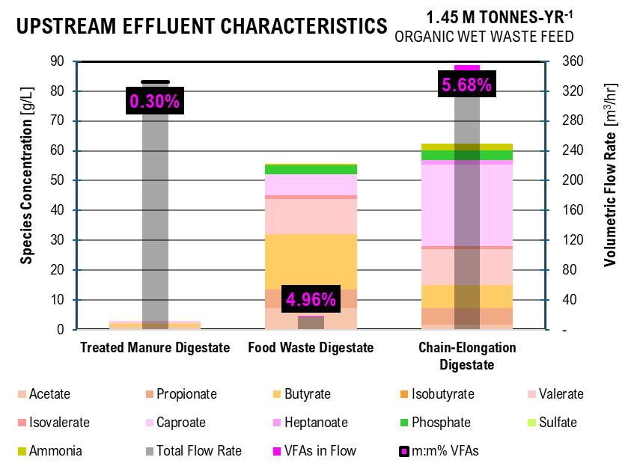
total isobutyrate | mol/L | 0.0000 | g/L | 0.00
total valerate | mol/L | 0.1225 | g/L | 12.38
total isovalerate | mol/L | 0.0107 | g/L | 1.08 |  | DIGESTATE FIGURE
total caproate | mol/L | 0.2427 | g/L | 27.95 |  | Acid | Treated Manure Digestate | Food Waste Digestate | Chain-Elongation Digestate
total heptanoate | mol/L | 0.0106 | g/L | 1.38 |  | Acetate | 1.00 | 7.43 | 1.77
Acetate | mol/L | 1.92E-02 | kg/hr | 141.36 |  | Propionate | 0.00 | 6.30 | 5.67
Propionate | mol/L | 4.99E-02 | kg/hr | 454.01 |  | Butyrate | 1.03 | 19.15 | 7.83
Butyrate | mol/L | 5.78E-02 | kg/hr | 627.03 |  | Isobutyrate | 0.05 | - | 0.00
Isobutyrate | mol/L | 0.00E+00 | kg/hr | 0.00 |  | Valerate | 0.60 | 11.98 | 12.38
Valerate | mol/L | 7.88E-02 | kg/hr | 992.14 |  | Isovalerate | 0.00 | 1.13 | 1.08
Isovalerate | mol/L | 6.86E-03 | kg/hr | 86.47 |  | Caproate | 0.21 | 7.22 | 27.95
Caproate | mol/L | 1.56E-01 | kg/hr | 2240.41 |  | Heptanoate | 0.00 | - | 1.38
Heptanoate | mol/L | 6.85E-03 | kg/hr | 110.29 |  | Phosphate | 0.00 | 2.95 | 3.31
acetic acid | mol/L | 1.06E-02 | kg/hr | 79.01 |  | Sulfate | 0.00 |  | 0
propionic acid | mol/L | 2.74E-02 | kg/hr | 252.94 |  | Ammonia | 0.00 | 0.54 | 2.33
butyric acid | mol/L | 3.18E-02 | kg/hr | 348.57 |  | Total Flow Rate | 110.46 | 5.64 | 111.42
isobutyric acid | mol/L | 0.00E+00 | kg/hr | 0.00 |  | VFAs in Flow | 0.36 | 0.32 | 7.23
valeric acid | mol/L | 4.33E-02 | kg/hr | 550.67 |  | m:m% VFAs | 0.31% | 5.07% | 5.81%
isovaleric acid | mol/L | 3.77E-03 | kg/hr | 47.99
caproic acid | mol/L | 8.58E-02 | kg/hr | 1242.00
heptanoic acid | mol/L | 3.77E-03 | kg/hr | 61.08

Estimated Alcohol Conversion Influent
Parameter | Unit | Value
Acetate | g/L | 1.77
Propionate | g/L | 5.67
Butyrate | g/L | 7.83
Isobutyrate | g/L | 0.00
Valerate | g/L | 12.38
Isovalerate | g/L | 1.08
Caproate | g/L | 27.95
Heptanoate | g/L | 1.38
Phosphate | g/L | 3.31
Sulfate | g/L | 0.00
Ammonia | g/L | 2.33
Total Flow Rate | m3/hr | 111.42

SOLID-LIQUID SEPARATION
Parameter | Unit | Value | Unit | Value
Influent Flow Rate of Sludge | m3/hr | 118.65 |  |  | 386,249.77 | ton/yr |  | #VALUE! | ton/yr | amount of leachate in AD biosolids
Total Solids in Sludge | kg/hr | 40,385.58 | m3/hr | 22.688525283 | 198,751.48 | ton/yr |  | #VALUE! | ton/yr | amount of leachate in manure and foodwaste
Effluent Flow Rate of Liquid Digestate | m3/hr | 95.96

PATH A

ELECTRODIALYSIS
Operating Conditions
Parameter | Unit | Value
electrodialysis operating time | hr | 6
electrodialysis operating temperature | K | 298.15
electrodialysis flow rate within the compartments | L/hr | 18
constant applied current per membrane pair | A/mp | 0.3
maximum applied voltage per membrane pair | V/mp | 2
minimum applied volate per membrane pair | V/mp | 1
electrolyte concentration | g/L | 10
diluate to concentrate volume ratio | L/L | 5
dilute to electrolyte volume ratio | L/L | 5
membrane surface area | m2 | 1
membrane thickness | m | 0.01
distance between electrodes | m | 4.5
membrane surface area per volume diluate | m2/m3 | 500
number of membrane stacks per electrodialysis unit | # ms | 100
distance between membranes | m | 0.001
number of membranes in a stack | #/ms | 3
number of cation-exchange membranes in a stack | #/ms | 1
number of anion-exchange membranes in a stack | #/ms | 1
number of bipolar-exchange membranes in a stack | #/ms | 1
elecrode surface area | m2 | 1.44
electrode thickness | m | 0.25
number of tanks in electrodialysis system | # | 4
ed tank maximum volume | m3 | 1
ratio of tank height to diameter | m:m | 1.2

Species by Compartment
Parameter | Unit | Value
LD_carbon | %/100 | 0.23
LD_chlorine | %/100 | 0.11
LD_sulfur | %/100 | 0.15
LD_phosphorus | %/100 | 0.12
LD_nitrogen | %/100 | 0.13
LD_pH |  | 6.00
A1_carbon | %/100 | 2.02E-15
A1_chlorine | %/100 | 0.53
A1_sulfur | %/100 | 0.70
A1_phosphorus | %/100 | -
A1_nitrogen | %/100 | 0.01
A1_pH |  | 2.00
A2_carbon | %/100 | 0.74
A2_chlorine | %/100 | 0.17
A2_sulfur | %/100 | 0.20
A2_phosphorus | %/100 | 0.69
A2_nitrogen | %/100 | 0.00
A2_pH |  | 1.00
C1_carbon | %/100 | 0.02
C1_chlorine | %/100 | 0.06
C1_sulfur | %/100 | 0.07
C1_phosphorus | %/100 | -
C1_nitrogen | %/100 | 0.60
C1_pH |  | 13.00
C2_carbon | %/100 | 0.00
C2_chlorine | %/100 | 0.04
C2_sulfur | %/100 | 0.04
C2_phosphorus | %/100 | 0.05
C2_nitrogen | %/100 | 0.15
C2_pH |  | 13.80
EL_carbon | %/100 | 0.01
EL_chlorine | %/100 | 0.09
EL_sulfur | %/100 | 0.11
EL_phosphorus | %/100 | 0.14
EL_nitrogen | %/100 | 0.106053
EL_pH |  | 6.5

Initial Values
Parameter | Unit | Value
C_C2 | g/L | 1.77
C_C3 | g/L | 5.67
C_C4 | g/L | 7.83
C_Ci4 | g/L | 0.00
C_C5 | g/L | 12.38
C_Ci5 | g/L | 1.08
C_C6 | g/L | 27.95
C_C7 | g/L | 1.38
C_Cl | g/L | 1.5
C_S | g/L | -
C_P | g/L | 3.31
C_N | g/L | 2.33
C_H | mol/L | 1
C_OH | mol/L | 1

Electrodialysis Effluent
 | Diluate Liquid Digestate |  | Base 1 | Base 2 | Acid 1 | Acid 2 | Electrolyte
Parameter | Unit | Value | Value | Value | Value | Value | Value
C_C2 | g/L | 0.41 | 0.03 | 0.00 | 3.57E-15 | 1.30 | 0.02
C_C3 | g/L | 1.32 | 0.09 | 0.01 | 1.15E-14 | 4.18 | 0.07
C_C4 | g/L | 1.83 | 0.12 | 0.01 | 1.58E-14 | 5.77 | 0.10
C_Ci4 | g/L | - | - | - | 0.00E+00 | - | -
C_C5 | g/L | 2.89 | 0.19 | 0.02 | 2.50E-14 | 9.13 | 0.15
C_Ci5 | g/L | 0.25 | 0.02 | 0.00 | 2.18E-15 | 0.80 | 0.01
C_C6 | g/L | 6.52 | 0.43 | 0.05 | 5.65E-14 | 20.60 | 0.34
C_C7 | g/L | 0.32 | 0.02 | 0.00 | 2.78E-15 | 1.01 | 0.02
C_Cl | g/L | 0.17 | 0.09 | 0.07 | 0.80 | 0.25 | 0.14
C_S | g/L | - | - | - | - | - | -
C_P | g/L | 0.41 | - | 0.15 | - | 2.28 | 0.47
C_N | g/L | 0.30 | 1.40 | 0.36 | 0.03 | 0.00 | 0.25

Henderson-Haselbaach Dissociation Ratios
 | Diluate Liquid Digestate |  | Base 1 | Base 2 | Acid 1 | Acid 2 | Electrolyte
Parameter | Unit | Value | Value | Value | Value | Value | Value
vfa_hvfa | mol/L:mol/L | 1.82E+01 | 1.82E+08 | 1.15E+09 | 1.82E-03 | 1.82E-04 | 5.75E+01
cl_hcl | mol/L:mol/L | 2.00E+12 | 2.00E+19 | 1.26E+20 | 2.00E+08 | 2.00E+07 | 6.31E+12
hso4_h2so4 | mol/L:mol/L | 1.00E+09 | 1.00E+16 | 6.31E+16 | 1.00E+05 | 1.00E+04 | 3.16E+09
so4_hso4 | mol/L:mol/L | 1.20E+04 | 1.20E+11 | 7.59E+11 | 1.20E+00 | 1.20E-01 | 3.80E+04
h2po4_h3po4 | mol/L:mol/L | 7.24E+03 | 7.24E+10 | 4.57E+11 | 7.24E-01 | 7.24E-02 | 2.29E+04
hpo4_h2po4 | mol/L:mol/L | 6.17E-02 | 6.17E+05 | 3.89E+06 | 6.17E-06 | 6.17E-07 | 1.95E-01
po4_hpo4 | mol/L:mol/L | 2.09E-07 | 2.09E+00 | 1.32E+01 | 2.09E-11 | 2.09E-12 | 6.61E-07
nh3_nh4 | mol/L:mol/L | 5.50E-04 | 5.50E+03 | 3.47E+04 | 5.50E-08 | 5.50E-09 | 1.74E-03

Species Concentration in Liquid Digestate
 |  | Diluate | Base 1 | Base 2 | Acid 1 | Acid 2 | Electrolyte |  | Diluate | Base 1 | Base 2 | Acid 1 | Acid 2 | Electrolyte
Parameter | Unit | Value | Value | Value | Value | Value | Value | Unit | Value | Value | Value | Value | Value | Value
ace | mol/L | 6.62E-03 | 4.65E-04 | 4.90E-05 | 1.08E-19 | 3.95E-06 | 3.63E-04 | g/L | 0.39 | 0.03 | 0.00 | 0.00 | 0.00 | 0.02
hace | mol/L | 3.64E-04 | 2.55E-12 | 4.27E-14 | 5.94E-17 | 2.17E-02 | 6.31E-06 | g/L | 0.02 | 0.00 | 0.00 | 0.00 | 1.30 | 0.00
pro | mol/L | 1.72E-02 | 1.20E-03 | 1.27E-04 | 2.81E-19 | 1.03E-05 | 9.41E-04 | g/L | 1.25 | 0.09 | 0.01 | 0.00 | 0.00 | 0.07
hpro | mol/L | 9.43E-04 | 6.62E-12 | 1.11E-13 | 1.54E-16 | 5.65E-02 | 1.64E-05 | g/L | 0.07 | 0.00 | 0.00 | 0.00 | 4.18 | 0.00
but | mol/L | 1.99E-02 | 1.39E-03 | 1.47E-04 | 3.26E-19 | 1.19E-05 | 1.09E-03 | g/L | 1.73 | 0.12 | 0.01 | 0.00 | 0.00 | 0.09
hbut | mol/L | 1.09E-03 | 7.66E-12 | 1.28E-13 | 1.79E-16 | 6.55E-02 | 1.89E-05 | g/L | 0.10 | 0.00 | 0.00 | 0.00 | 5.77 | 0.00
ibut | mol/L | 0.00E+00 | 0.00E+00 | 0.00E+00 | 0.00E+00 | 0.00E+00 | 0.00E+00 | g/L | 0.00 | 0.00 | 0.00 | 0.00 | 0.00 | 0.00
hibut | mol/L | 0.00E+00 | 0.00E+00 | 0.00E+00 | 0.00E+00 | 0.00E+00 | 0.00E+00 | g/L | 0.00 | 0.00 | 0.00 | 0.00 | 0.00 | 0.00
val | mol/L | 2.71E-02 | 1.90E-03 | 2.00E-04 | 4.45E-19 | 1.63E-05 | 1.48E-03 | g/L | 2.74 | 0.19 | 0.02 | 0.00 | 0.00 | 0.15
hval | mol/L | 1.49E-03 | 1.04E-11 | 1.74E-13 | 2.44E-16 | 8.94E-02 | 2.58E-05 | g/L | 0.15 | 0.00 | 0.00 | 0.00 | 9.13 | 0.00
ival | mol/L | 2.36E-03 | 1.65E-04 | 1.75E-05 | 3.88E-20 | 1.42E-06 | 1.29E-04 | g/L | 0.24 | 0.02 | 0.00 | 0.00 | 0.00 | 0.01
hival | mol/L | 1.30E-04 | 9.09E-13 | 1.52E-14 | 2.13E-17 | 7.79E-03 | 2.25E-06 | g/L | 0.01 | 0.00 | 0.00 | 0.00 | 0.80 | 0.00
cap | mol/L | 5.37E-02 | 3.76E-03 | 3.97E-04 | 8.83E-19 | 3.23E-05 | 2.94E-03 | g/L | 6.18 | 0.43 | 0.05 | 0.00 | 0.00 | 0.34
cap | mol/L | 2.95E-03 | 2.07E-11 | 3.46E-13 | 4.85E-16 | 1.77E-01 | 5.11E-05 | g/L | 0.34 | 0.00 | 0.00 | 0.00 | 20.60 | 0.01
hep | mol/L | 2.35E-03 | 1.85E-04 | 1.95E-05 | 4.34E-20 | 1.59E-06 | 1.45E-04 | g/L | 0.30 | 0.02 | 0.00 | 0.00 | 0.00 | 0.02
hhep | mol/L | 1.29E-04 | 1.02E-12 | 1.70E-14 | 2.39E-17 | 8.73E-03 | 2.52E-06 | g/L | 0.02 | 0.00 | 0.00 | 0.00 | 1.14 | 0.00
cl | mol/L | 4.67E-03 | 2.60E-03 | 1.87E-03 | 2.24E-02 | 7.03E-03 | 3.86E-03 | g/L | 0.17 | 0.09 | 0.07 | 0.80 | 0.25 | 0.14
hcl | mol/L | 2.34E-15 | 1.30E-22 | 1.49E-23 | 1.13E-10 | 3.53E-10 | 6.11E-16 | g/L | 0.00 | 0.00 | 0.00 | 0.00 | 0.00 | 0.00
h2so4 | mol/L | 0.00E+00 | 0.00E+00 | 0.00E+00 | 0.00E+00 | 0.00E+00 | 0.00E+00 | g/L | 0.00 | 0.00 | 0.00 | 0.00 | 0.00 | 0.00
hso4 | mol/L | 0.00E+00 | 0.00E+00 | 0.00E+00 | 0.00E+00 | 0.00E+00 | 0.00E+00 | g/L | 0.00 | 0.00 | 0.00 | 0.00 | 0.00 | 0.00
so4 | mol/L | 0.00E+00 | 0.00E+00 | 0.00E+00 | 0.00E+00 | 0.00E+00 | 0.00E+00 | g/L | 0.00 | 0.00 | 0.00 | 0.00 | 0.00 | 0.00
h3po4 | mol/L | 5.53E-07 | 0.00E+00 | 6.26E-23 | 0.00E+00 | 2.17E-02 | 1.76E-07 | g/L | 0.00 | 0.00 | 0.00 | 0.00 | 2.13 | 0.00
h2po4 | mol/L | 4.00E-03 | 0.00E+00 | 2.86E-11 | 0.00E+00 | 1.58E-03 | 4.04E-03 | g/L | 0.39 | 0.00 | 0.00 | 0.00 | 0.15 | 0.39
hpo4 | mol/L | 2.47E-04 | 0.00E+00 | 1.11E-04 | 0.00E+00 | 9.71E-10 | 7.88E-04 | g/L | 0.02 | 0.00 | 0.01 | 0.00 | 0.00 | 0.08
po4 | mol/L | 5.16E-11 | 0.00E+00 | 1.47E-03 | 0.00E+00 | 2.03E-21 | 5.21E-10 | g/L | 0.00 | 0.00 | 0.14 | 0.00 | 0.00 | 0.00
nh4 | mol/L | 1.64E-02 | 1.49E-05 | 6.06E-07 | 1.44E-03 | 1.65E-04 | 1.37E-02 | g/L | 0.30 | 0.00 | 0.00 | 0.03 | 0.00 | 0.25
nh3 | mol/L | 9.02E-06 | 8.21E-02 | 2.10E-02 | 7.89E-11 | 9.09E-13 | 2.38E-05 | g/L | 0.00 | 1.40 | 0.36 | 0.00 | 0.00 | 0.00

Separations Effluent Characteristics
 | Acetic Acid | Propionic Acid | Butyric Acid | Isobutyric Acid | Valeric Acid | Isovaleric Acid | Caproic Acid | Heptanoic Acid | Ammonia | Sulfate | Phosphate | Total Flow Rate
Electrodialysis | 3.23 | 10.38 | 14.32 | - | 22.64 | 1.97 | 51.11 | 2.82 | 0.0074020338604 | 0 | 5.6668152385 | 17.15
Liquid-Liquid Extraction | 2.67 | 48.31 | 145.19 | - | 231.73 | 20.20 | 523.06 | 28.85
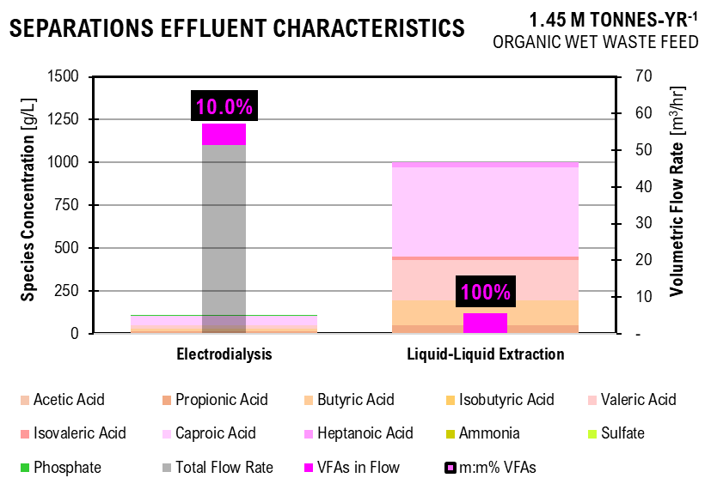
Effluent Continuing Stream
Parameter | Unit | Value | Unit | Value
Flow Rate | L/hr | 19,192.83 | m3/hr | 19.19 |  |  | SEPARATIONS FIGURE
Acetate | kg/hr | 0.01 | kg/m3 | 0.00 |  |  |  | Electrodialysis | Liquid-Liquid Extraction
Acetic Acid | kg/hr | 62.08 | kg/m3 | 3.23 |  |  | Acetic Acid | 3.23 | 2.67
Propionate | kg/hr | 0.04 | kg/m3 | 0.00 |  |  | Propionic Acid | 10.38 | 48.31
Propionic Acid | kg/hr | 199.15 | kg/m3 | 10.38 |  |  | Butyric Acid | 14.32 | 145.19
Butyrate | kg/hr | 0.05 | kg/m3 | 0.00 |  |  | Isobutyric Acid | 0.00 | -
Butyric Acid | kg/hr | 274.82 | kg/m3 | 14.32 |  |  | Valeric Acid | 22.64 | 231.73
Isobutyrate | kg/hr | 0.00 | kg/m3 | 0.00 |  |  | Isovaleric Acid | 1.97 | 20.20
Isobutyric Acid | kg/hr | 0.00 | kg/m3 | 0.00 |  |  | Caproic Acid | 51.11 | 523.06
Valerate | kg/hr | 0.08 | kg/m3 | 0.00 |  |  | Heptanoic Acid | 2.82 | 28.85
Valeric Acid | kg/hr | 434.60 | kg/m3 | 22.64 |  |  | Ammonia | 0.01
Isovalerate | kg/hr | 0.01 | kg/m3 | 0.00 |  |  | Sulfate | 0.00
Isovaleric Acid | kg/hr | 37.88 | kg/m3 | 1.97 |  |  | Phosphate | 5.67
Caproate | kg/hr | 0.18 | kg/m3 | 0.01 |  |  | Total Flow Rate | 17.15
Caproic Acid | kg/hr | 980.98 | kg/m3 | 51.11 |  |  | VFAs in Flow | 2.04 | 1.88
Heptanoate | kg/hr | 0.01 | kg/m3 | 0.00 |  |  | m:m% VFAs | 10.1% | 100%
Heptanoic Acid | kg/hr | 54.10 | kg/m3 | 2.82
Chloride | kg/hr | 11.87 | kg/m3 | 0.62
Hydrochloric Acid | kg/hr | 0.00 | kg/m3 | 0.00
Sulfuric Acid | kg/hr | 0.00 | kg/m3 | 0.00
Hydrogen Sulfate | kg/hr | 0.00 | kg/m3 | 0.00
Sulfate | kg/hr | 0.00 | kg/m3 | 0.00
Phosphoric Acid | kg/hr | 101.49 | kg/m3 | 5.29
Dihydrogen Phosphate | kg/hr | 7.28 | kg/m3 | 0.38
Hydrogen Phosphate | kg/hr | 0.00 | kg/m3 | 0.00
Phosphate | kg/hr | 0.00 | kg/m3 | 0.00
Ammonium | kg/hr | 0.14 | kg/m3 | 0.01
Ammonia | kg/hr | 0.00 | kg/m3 | 0.00

Amount of Electrolyte Required
191.93 | kg/hr

LIQUID-LIQUID EXTRACTION
Parameter | Unit | Value | Unit | Value | Unit | Value | Unit | Value
REPORTED EXTRACTION
Extractor 1 | IN |  | RATIOS
acetate | kg/hr | 50.90 | Ac/H2O | 0.0051403756817
propionate | kg/hr | 20.00
butyrate | kg/hr | 10.90
valerate | kg/hr | 11.40
caproate | kg/hr | 4.90
Water | kg/hr | 9,902.00 | Nac / H2O | 0.092910523127
Nonyl Acetate | kg/hr | 920.00
Overhead Temperature | C | 104.00
Bottom Temperature | C | 30.00
Pressure | MPa | 0.12
Solvent Recycle 1 | IN |  | OUT
acetate | kg/hr | 4.20 | EX out/in | 0.082514734774
propionate | kg/hr | 9.30 | EX out/in | 0.465
butyrate | kg/hr | 10.80 | EX out/in | 0.99082568807
valerate | kg/hr | 11.40 | EX out/in | 1
caproate | kg/hr | 4.90 | EX out/in | 1
Water | kg/hr | 1.70 | EX out/in | 0.00017168248839
Nonyl Acetate | kg/hr | 920.00 | kg/hr | 920.00
Overhead Temperature | C | 123.00
Bottom Temperature | C | 234.00
Reflux | kg/hr | 130.00
Vapor Boil | kg/hr | 1,657.00
Cooler Duty | MW | 0.03
Reboiler Duty | MW | 0.12
Pressure | MPa | 0.12
Distillation 1 | IN |  | OUT TOP |  | OUT BOTTOM |  | RATIOS
acetate | kg/hr | 4.20 | kg/hr | 0.1 | kg/hr | 4.10 | BOT/IN | 0.97619047619
propionate | kg/hr | 9.30 | kg/hr | 0.2 | kg/hr | 9.10 | BOT/IN | 0.97849462366
butyrate | kg/hr | 10.80 | kg/hr | 0 | kg/hr | 10.80 | BOT/IN | 1
valerate | kg/hr | 11.40 | kg/hr | 0 | kg/hr | 11.40 | BOT/IN | 1
caproate | kg/hr | 4.90 | kg/hr | 0 | kg/hr | 4.90 | BOT/IN | 1
Water | kg/hr | 1.70 | kg/hr | 1.7 | kg/hr | - | BOT/IN | 0
Nonyl Acetate | kg/hr | - | kg/hr | 0 | kg/hr | -
Overhead Temperature | C | 104.00
Bottom Temperature | C | 160
Pressure | MPa | 0.12
Reflux | kg/hr | 10
Vapor Boil | kg/hr | 53.1
Cooling Duty | MW | 0.006
Reboiler Duty | MW | 0.007
THEORETICAL EXTRACTION
Parameter | Unit | Extractor 1 IN | Extractor OUT | SR IN | SR OUT | Dist IN | Dist TOP | Dist BOTTOM
Nonyl Acetate | kg/hr | 1,783.22 | - | 1,783.22 | 1,783.22 | -
Water | kg/hr | 19,192.83 | 19,189.54 | 3.30 |  | 3.30 | 3.30 | -
Acetate | kg/hr | 0.01 | 0.01 | - |  | - | - | -
Acetic Acid | kg/hr | 62.08 | 56.95 | 5.12 |  | 5.12 | 0.12 | 5.00
Propionate | kg/hr | 0.04 | 0.04 | - |  | - | - | -
Propionic Acid | kg/hr | 199.15 | 106.54 | 92.60 |  | 92.60 | 1.99 | 90.61
Butyrate | kg/hr | 0.05 | 0.05 | - |  | - | - | -
Butyric Acid | kg/hr | 274.82 | 2.52 | 272.30 |  | 272.30 | - | 272.30
Isobutyrate | kg/hr | - | - | - |  | - | - | -
Isobutyric Acid | kg/hr | - | - | - |  | - | - | -
Valerate | kg/hr | 0.08 | 0.08 | - |  | - | - | -
Valeric Acid | kg/hr | 434.60 | - | 434.60 |  | 434.60 | - | 434.60
Isovalerate | kg/hr | 0.01 | 0.01 | - |  | - | - | -
Isovaleric Acid | kg/hr | 37.88 | - | 37.88 |  | 37.88 | - | 37.88
Caproate | kg/hr | 0.18 | 0.18 | - |  | - | - | -
Caproic Acid | kg/hr | 980.98 | - | 980.98 |  | 980.98 | - | 980.98
Heptanoate | kg/hr | 0.01 | 0.01 | - |  | - | - | -
Heptanoic Acid | kg/hr | 54.10 | - | 54.10 |  | 54.10 | - | 54.10
Chloride | kg/hr | 11.87 | 11.87 | -
Hydrochloric Acid | kg/hr | 0.00 | 0.00 | -
Sulfuric Acid | kg/hr | - | - | - |  |  | 2.9679874686 | ace conc waste
Hydrogen Sulfate | kg/hr | - | - | - |  |  | 5.5521355065 | pro conc waste
Sulfate | kg/hr | - | - | -
Phosphoric Acid | kg/hr | 101.49 | 101.49 | -
Dihydrogen Phosphate | kg/hr | 7.28 | 7.28 | -
Hydrogen Phosphate | kg/hr | 0.00 | 0.00 | -
Phosphate | kg/hr | 0.00 | 0.00 | -
Ammonium | kg/hr | 0.14 | 0.14 | -
Ammonia | kg/hr | 0.00 | 0.00 | -

KETONIZATION
Parameter | Unit | Value | Unit | Value | Unit | Value
Total Influent Flow Rate | kg/hr | 1,875.47 | mol/hr | 1.79E+04 | mol/L | 9.54E+00
Acetic Acid | kg/hr | 5.00 | mol/hr | 8.33E+01 | mol/L | 4.44E-02
Propionic Acid | kg/hr | 90.61 | mol/hr | 1.22E+03 | mol/L | 6.52E-01
Butyric Acid | kg/hr | 272.30 | mol/hr | 3.09E+03 | mol/L | 1.65E+00
Isobutyric Acid | kg/hr | - | mol/hr | 0.00E+00 | mol/L | 0.00E+00
Valeric Acid | kg/hr | 434.60 | mol/hr | 4.26E+03 | mol/L | 2.27E+00
Isovaleric Acid | kg/hr | 37.88 | mol/hr | 3.71E+02 | mol/L | 1.98E-01
Caproic Acid | kg/hr | 980.98 | mol/hr | 8.45E+03 | mol/L | 4.50E+00
Heptanoic Acid | kg/hr | 54.10 | mol/hr | 4.16E+02 | mol/L | 2.22E-01
Rate Constant of Cross Ketonization | mol/L:mol/L | 1.05E-01
Rate Constant of Self Ketonization | mol/L:mol/L | 5.25E-02
Rate Constant Correction Caproate |  | 1.75E+00

Reaction Rate Matrix
molar basis | Ace | Pro | But | Ibut | Val | Ival | Cap | Hep
Acetic Acid | 1.03E-04 | 3.04E-03 | 7.68E-03 | 0.00E+00 | 1.06E-02 | 9.22E-04 | 2.10E-02 | 1.03E-03
Propionic Acid | 3.04E-03 | 2.23E-02 | 1.13E-01 | 0.00E+00 | 1.55E-01 | 1.35E-02 | 3.08E-01 | 1.52E-02
Butyric Acid | 7.68E-03 | 1.13E-01 | 1.43E-01 | 0.00E+00 | 3.93E-01 | 3.42E-02 | 7.79E-01 | 3.83E-02
Isobutyric Acid | 0.00E+00 | 0.00E+00 | 0.00E+00 | 0.00E+00 | 0.00E+00 | 0.00E+00 | 0.00E+00 | 0.00E+00
Valeric Acid | 1.06E-02 | 1.55E-01 | 3.93E-01 | 0.00E+00 | 2.70E-01 | 4.71E-02 | 1.07E+00 | 5.28E-02
Isovaleric Acid | 9.22E-04 | 1.35E-02 | 3.42E-02 | 0.00E+00 | 4.71E-02 | 2.05E-03 | 9.35E-02 | 4.60E-03
Caproic Acid | 2.10E-02 | 3.08E-01 | 7.79E-01 | 0.00E+00 | 1.07E+00 | 9.35E-02 | 1.06E+00 | 1.05E-01
Heptanoic Acid | 1.03E-03 | 1.52E-02 | 3.83E-02 | 0.00E+00 | 5.28E-02 | 4.60E-03 | 1.05E-01 | 2.58E-03

Stoichiometry Calculations
Acetate Reactions | Reactant |  | Product |  |  | Propionate | Reactant |  | Product |  |  | Butyrate | Reactant |  | Product |  |  | IsoButyrate | Reactant |  | Product |  |  | Valerate | Reactant |  | Product |  |  | IsoValerate | Reactant |  | Product |  |  | Caproate | Reactant |  | Product
mol/L | Ace | Ace | C4 Ketone | CO2 | H2O | mol/L | Pro | Pro | C6 Ketone | CO2 | H2O | mol/L | But | But | C8 Ketone | CO2 | H2O | mol/L | Ibut | Ibut | iC8 Ketone | CO2 | H2O | mol/L | Val | Val | C10 Ketone | CO2 | H2O | mol/L | Ival | Ival | iC10 Ketone | CO2 | H2O | mol/L | Cap | Cap | C12 Ketone | CO2 | H2O
Initial | 4.44E-02 | 4.44E-02 |  |  |  | Initial | 6.49E-01 | 6.49E-01 |  |  |  | Initial | 1.53E+00 | 1.53E+00 |  |  |  | Initial | 0.00E+00 | 0.00E+00 |  |  |  | Initial | 1.71E+00 | 1.71E+00 |  |  |  | Initial | 1.02E-01 | 1.02E-01 |  |  |  | Initial | 2.23E+00 | 2.23E+00
Change | -1.03E-04 | -1.03E-04 | 1.03E-04 | 1.03E-04 | 1.03E-04 | Change | -2.23E-02 | -2.23E-02 | 2.23E-02 | 2.23E-02 | 2.23E-02 | Change | -1.43E-01 | -1.43E-01 | 1.43E-01 | 1.43E-01 | 1.43E-01 | Change | 0.00E+00 | 0.00E+00 | 0.00E+00 | 0.00E+00 | 0.00E+00 | Change | -2.70E-01 | -2.70E-01 | 2.70E-01 | 2.70E-01 | 2.70E-01 | Change | -2.05E-03 | -2.05E-03 | 2.05E-03 | 2.05E-03 | 2.05E-03 | Change | -1.86E+00 | -1.86E+00 | 1.86E+00 | 1.86E+00 | 1.86E+00
Equilibrium | 4.43E-02 | 4.43E-02 | 1.03E-04 | 1.03E-04 | 1.03E-04 | Equilibrium | 6.27E-01 | 6.27E-01 | 2.23E-02 | 2.23E-02 | 2.23E-02 | Equilibrium | 1.38E+00 | 1.38E+00 | 1.43E-01 | 1.43E-01 | 1.43E-01 | Equilibrium | 0.00E+00 | 0.00E+00 | 0.00E+00 | 0.00E+00 | 0.00E+00 | Equilibrium | 1.44E+00 | 1.44E+00 | 2.70E-01 | 2.70E-01 | 2.70E-01 | Equilibrium | 9.99E-02 | 9.99E-02 | 2.05E-03 | 2.05E-03 | 2.05E-03 | Equilibrium | 3.65E-01 | 3.65E-01 | 1.86E+00 | 1.86E+00 | 1.86E+00
 | Reactant |  | Product |  |  |  | Reactant |  | Product |  |  |  | Reactant |  | Product |  |  |  | Reactant |  | Product |  |  |  | Reactant |  | Product |  |  |  | Reactant |  | Product |  |  |  | Reactant |  | Product
 | Ace | Pro | C5 Ketone | CO2 | H2O |  | Pro | But | C7 Ketone | CO2 | H2O |  | But | IBut | iC8 Ketone | CO2 | H2O |  | Ibut | Val | iC9 Ketone | CO2 | H2O |  | Val | IVal | iC10 Ketone | CO2 | H2O |  | Ival | Cap | iC11 Ketone | CO2 | H2O |  | Cap | Hep | C13 Ketone | CO2 | H2O
Initial | 4.43E-02 | 6.52E-01 |  |  |  | Initial | 6.27E-01 | 1.64E+00 |  |  |  | Initial | 1.38E+00 | 0.00E+00 |  |  |  | Initial | 0.00E+00 | 1.71E+00 |  |  |  | Initial | 1.44E+00 | 1.49E-01 |  |  |  | Initial | 9.99E-02 | 2.32E+00 |  |  |  | Initial | 3.65E-01 | 1.10E-01
Change | -3.04E-03 | -3.04E-03 | 3.04E-03 | 3.04E-03 | 3.04E-03 | Change | -1.13E-01 | -1.13E-01 | 1.13E-01 | 1.13E-01 | 1.13E-01 | Change | 0.00E+00 | 0.00E+00 | 0.00E+00 | 0.00E+00 | 0.00E+00 | Change | 0.00E+00 | 0.00E+00 | 0.00E+00 | 0.00E+00 | 0.00E+00 | Change | -4.71E-02 | -4.71E-02 | 4.71E-02 | 4.71E-02 | 4.71E-02 | Change | -9.35E-02 | -9.35E-02 | 9.35E-02 | 9.35E-02 | 9.35E-02 | Change | -1.05E-01 | -1.05E-01 | 1.05E-01 | 1.05E-01 | 1.05E-01
Equilibrium | 4.13E-02 | 6.49E-01 | 3.04E-03 | 3.04E-03 | 3.04E-03 | Equilibrium | 5.14E-01 | 1.53E+00 | 1.13E-01 | 1.13E-01 | 1.13E-01 | Equilibrium | 1.38E+00 | 0.00E+00 | 0.00E+00 | 0.00E+00 | 0.00E+00 | Equilibrium | 0.00E+00 | 1.71E+00 | 0.00E+00 | 0.00E+00 | 0.00E+00 | Equilibrium | 1.39E+00 | 1.02E-01 | 4.71E-02 | 4.71E-02 | 4.71E-02 | Equilibrium | 6.41E-03 | 2.23E+00 | 9.35E-02 | 9.35E-02 | 9.35E-02 | Equilibrium | 2.61E-01 | 4.88E-03 | 1.05E-01 | 1.05E-01 | 1.05E-01
 | Reactant |  | Product |  |  |  | Reactant |  | Product |  |  |  | Reactant |  | Product |  |  |  | Reactant |  | Product |  |  |  | Reactant |  | Product |  |  |  | Reactant |  | Product |  |  |  | 6%
 | Ace | But | C6 Ketone | CO2 | H2O |  | Pro | iBut | iC7 Ketone | CO2 | H2O |  | But | Val | C9 Ketone | CO2 | H2O |  | Ibut | Ival | iC9 Ketone | CO2 | H2O |  | Val | Cap | C11 Ketone | CO2 | H2O |  | Ival | Hep | iC12 Ketone | CO2 | H2O | Heptanoate | Reactant |  | Product
Initial | 4.13E-02 | 1.65E+00 |  |  |  | Initial | 5.14E-01 | 0.00E+00 |  |  |  | Initial | 1.38E+00 | 2.10E+00 |  |  |  | Initial | 0.00E+00 | 1.49E-01 |  |  |  | Initial | 1.39E+00 | 3.39E+00 |  |  |  | Initial | 6.41E-03 | 1.14E-01 |  |  |  | mol/L | Hep | Hep | C14 Ketone | CO2 | H2O
Change | -7.68E-03 | -7.68E-03 | 7.68E-03 | 7.68E-03 | 7.68E-03 | Change | 0.00E+00 | 0.00E+00 | 0.00E+00 | 0.00E+00 | 0.00E+00 | Change | -3.93E-01 | -3.93E-01 | 3.93E-01 | 3.93E-01 | 3.93E-01 | Change | 0.00E+00 | 0.00E+00 | 0.00E+00 | 0.00E+00 | 0.00E+00 | Change | -1.07E+00 | -1.07E+00 | 1.07E+00 | 1.07E+00 | 1.07E+00 | Change | -4.60E-03 | -4.60E-03 | 4.60E-03 | 4.60E-03 | 4.60E-03 | Initial | 4.88E-03 | 4.88E-03
Equilibrium | 3.36E-02 | 1.64E+00 | 7.68E-03 | 7.68E-03 | 7.68E-03 | Equilibrium | 5.14E-01 | 0.00E+00 | 0.00E+00 | 0.00E+00 | 0.00E+00 | Equilibrium | 9.92E-01 | 1.71E+00 | 3.93E-01 | 3.93E-01 | 3.93E-01 | Equilibrium | 0.00E+00 | 1.49E-01 | 0.00E+00 | 0.00E+00 | 0.00E+00 | Equilibrium | 3.20E-01 | 2.32E+00 | 1.07E+00 | 1.07E+00 | 1.07E+00 | Equilibrium | 1.81E-03 | 1.10E-01 | 4.60E-03 | 4.60E-03 | 4.60E-03 | Change | -2.58E-03 | -2.58E-03 | 2.58E-03 | 2.58E-03 | 2.58E-03
 | Reactant |  | Product |  |  |  | Reactant |  | Product |  |  |  | Reactant |  | Product |  |  |  | Reactant |  | Product |  |  |  | Reactant |  | Product |  |  |  | 1% |  |  |  |  | Equilibrium | 2.30E-03 | 2.30E-03 | 2.58E-03 | 2.58E-03 | 2.58E-03
 | Ace | Ibut | iC6 Ketone | CO2 | H2O |  | Pro | Val | C8 Ketone | CO2 | H2O |  | But | Ival | iC9 Ketone | CO2 | H2O |  | Ibut | Cap | iC10 Ketone | CO2 | H2O |  | Val | Hep | C12 Ketone | CO2 | H2O |  |  |  |  |  |  |  | 1%
Initial | 3.36E-02 | 0.00E+00 |  |  |  | Initial | 5.14E-01 | 2.26E+00 |  |  |  | Initial | 9.92E-01 | 1.83E-01 |  |  |  | Initial | 0.00E+00 | 3.39E+00 |  |  |  | Initial | 3.20E-01 | 1.67E-01
Change | 0.00E+00 | 0.00E+00 | 0.00E+00 | 0.00E+00 | 0.00E+00 | Change | -1.55E-01 | -1.55E-01 | 1.55E-01 | 1.55E-01 | 1.55E-01 | Change | -3.42E-02 | -3.42E-02 | 3.42E-02 | 3.42E-02 | 3.42E-02 | Change | 0.00E+00 | 0.00E+00 | 0.00E+00 | 0.00E+00 | 0.00E+00 | Change | -5.28E-02 | -5.28E-02 | 5.28E-02 | 5.28E-02 | 5.28E-02
Equilibrium | 3.36E-02 | 0.00E+00 | 0.00E+00 | 0.00E+00 | 0.00E+00 | Equilibrium | 3.59E-01 | 2.10E+00 | 1.55E-01 | 1.55E-01 | 1.55E-01 | Equilibrium | 9.58E-01 | 1.49E-01 | 3.42E-02 | 3.42E-02 | 3.42E-02 | Equilibrium | 0.00E+00 | 3.39E+00 | 0.00E+00 | 0.00E+00 | 0.00E+00 | Equilibrium | 2.67E-01 | 1.14E-01 | 5.28E-02 | 5.28E-02 | 5.28E-02
 | Reactant |  | Product |  |  |  | Reactant |  | Product |  |  |  | Reactant |  | Product |  |  |  | Reactant |  | Product |  |  |  | 13%
 | Ace | Val | C7 Ketone | CO2 | H2O |  | Pro | Ival | iC8 Ketone | CO2 | H2O |  | But | Cap | C10 Ketone | CO2 | H2O |  | Ibut | Hep | iC11 Ketone | CO2 | H2O
Initial | 3.36E-02 | 2.27E+00 |  |  |  | Initial | 3.59E-01 | 1.97E-01 |  |  |  | Initial | 9.58E-01 | 4.17E+00 |  |  |  | Initial | 0.00E+00 | 1.67E-01
Change | -1.06E-02 | -1.06E-02 | 1.06E-02 | 1.06E-02 | 1.06E-02 | Change | -1.35E-02 | -1.35E-02 | 1.35E-02 | 1.35E-02 | 1.35E-02 | Change | -7.79E-01 | -7.79E-01 | 7.79E-01 | 7.79E-01 | 7.79E-01 | Change | 0.00E+00 | 0.00E+00 | 0.00E+00 | 0.00E+00 | 0.00E+00
Equilibrium | 2.30E-02 | 2.26E+00 | 1.06E-02 | 1.06E-02 | 1.06E-02 | Equilibrium | 3.45E-01 | 1.83E-01 | 1.35E-02 | 1.35E-02 | 1.35E-02 | Equilibrium | 1.79E-01 | 3.39E+00 | 7.79E-01 | 7.79E-01 | 7.79E-01 | Equilibrium | 0.00E+00 | 1.67E-01 | 0.00E+00 | 0.00E+00 | 0.00E+00
 | Reactant |  | Product |  |  |  | Reactant |  | Product |  |  |  | Reactant |  | Product
 | Ace | Ival | iC7 Ketone | CO2 | H2O |  | Pro | Cap | C9 Ketone | CO2 | H2O |  | But | Hep | C11 Ketone | CO2 | H2O
Initial | 2.30E-02 | 1.98E-01 |  |  |  | Initial | 3.45E-01 | 4.48E+00 |  |  |  | Initial | 1.79E-01 | 2.05E-01
Change | -9.22E-04 | -9.22E-04 | 9.22E-04 | 9.22E-04 | 9.22E-04 | Change | -3.08E-01 | -3.08E-01 | 3.08E-01 | 3.08E-01 | 3.08E-01 | Change | -3.83E-02 | -3.83E-02 | 3.83E-02 | 3.83E-02 | 3.83E-02
Equilibrium | 2.21E-02 | 1.97E-01 | 9.22E-04 | 9.22E-04 | 9.22E-04 | Equilibrium | 3.67E-02 | 4.17E+00 | 3.08E-01 | 3.08E-01 | 3.08E-01 | Equilibrium | 1.41E-01 | 1.67E-01 | 3.83E-02 | 3.83E-02 | 3.83E-02
 | Reactant |  | Product |  |  |  | Reactant |  | Product |  |  |  | 9%
 | Ace | Cap | C8 Ketone | CO2 | H2O |  | Pro | Hep | C10 Ketone | CO2 | H2O
Initial | 2.21E-02 | 4.50E+00 |  |  |  | Initial | 3.67E-02 | 2.21E-01
Change | -2.10E-02 | -2.10E-02 | 2.10E-02 | 2.10E-02 | 2.10E-02 | Change | -1.52E-02 | -1.52E-02 | 1.52E-02 | 1.52E-02 | 1.52E-02
Equilibrium | 1.08E-03 | 4.48E+00 | 2.10E-02 | 2.10E-02 | 2.10E-02 | Equilibrium | 2.15E-02 | 2.05E-01 | 1.52E-02 | 1.52E-02 | 1.52E-02
 | Reactant |  | Product |  |  |  | 3%
 | Ace | Hep | C9 Ketone | CO2 | H2O
Initial | 1.08E-03 | 2.22E-01
Change | -1.03E-03 | -1.03E-03 | 1.03E-03 | 1.03E-03 | 1.03E-03
Equilibrium | 4.84E-05 | 2.21E-01 | 1.03E-03 | 1.03E-03 | 1.03E-03
 | 0%

Effluent
Parameter | Unit | Value | Unit | Value
Total Flow Rate |  |  | kg/hr | 1,875.47
C4 Ketone | mol/L | 0.00 | kg/hr | 0.01 | 72.104
C5 Ketone | mol/L | 0.00 | kg/hr | 0.49 | 86.13
C6 Ketone | mol/L | 0.03 | kg/hr | 5.64 | 100.156
C7 Ketone | mol/L | 0.12 | kg/hr | 26.43 | 114.18
C8 Ketone | mol/L | 0.32 | kg/hr | 76.69 | 128.208
C9 Ketone | mol/L | 0.70 | kg/hr | 187.25 | 142.234
C10 Ketone | mol/L | 1.06 | kg/hr | 311.98 | 156.26
C11 Ketone | mol/L | 1.11 | kg/hr | 354.85 | 170.286
C12 Ketone | mol/L | 1.92 | kg/hr | 662.19 | 184.312
C13 Ketone | mol/L | 0.10 | kg/hr | 38.97 | 198.338
C14 Ketone | mol/L | 0.00 | kg/hr | 1.03 | 212.3639
iC6 Ketone | mol/L | 0.00 | kg/hr | - | 100.156
iC7 Ketone | mol/L | 0.00 | kg/hr | 0.20 | 114.18
iC8 Ketone | mol/L | 0.01 | kg/hr | 3.26 | 128.208
iC9 Ketone | mol/L | 0.03 | kg/hr | 9.13 | 142.234
iC10 Ketone | mol/L | 0.05 | kg/hr | 14.41 | 156.26
iC11 Ketone | mol/L | 0.09 | kg/hr | 29.86 | 170.286
iC12 Ketone | mol/L | 0.00 | kg/hr | 1.59 | 184.312
CO2 | mol/L | 5.57 | kg/hr | 459.92
Water | mol/L | 5.57 | kg/hr | 188.27

HYDRODEOXYGENATION
Parameter | Unit | Value | Unit | Value
Reaction Extent | %/100 | 1
Stoichiometric H2 |  | 2
H2 Required | mol/L | 11.14 | kg/hr | 42.14

Stoichiometry Calculations
 | Reactant |  |  | Product
Description | Ketone | 2 H2 | Description | HydroC | H2O
C4 Ketone | 1.03E-04 | 2.07E-04 | C4 n-Paraffin | 1.03E-04 | 1.03E-04
C5 Ketone | 3.04E-03 | 6.08E-03 | C5 n-Paraffin | 3.04E-03 | 3.04E-03
C6 Ketone | 3.00E-02 | 6.00E-02 | C6 n-Paraffin | 3.00E-02 | 3.00E-02
C7 Ketone | 1.23E-01 | 2.47E-01 | C7 n-Paraffin | 1.23E-01 | 1.23E-01
C8 Ketone | 3.19E-01 | 6.38E-01 | C8 n-Paraffin | 3.19E-01 | 3.19E-01
C9 Ketone | 7.02E-01 | 1.40E+00 | C9 n-Paraffin | 7.02E-01 | 7.02E-01
C10 Ketone | 1.06E+00 | 2.13E+00 | C10 n-Paraffin | 1.06E+00 | 1.06E+00
...
Effluent Hydrocarbon Characteristics
 | Naphtha Flow Rate | Jet Fuel Flow Rate
n-C4 | 8.12 |  | 0.04190896875
n-C5 | 8.12 |  | 1.4706448111
n-C6 | 8.12 |  | 16.878831311
i-C6 | 8.12 |  | 0
n-C7 | 8.12 |  | 79.12936683
i-C7 | 8.12 |  | 0.010101159204
n-C8 | 8.12 | 408.35745185 | 4.4730545174
i-C8 |  | 408.35745185 | 0.16915480622
n-C9 |  | 408.35745185 | 10.921629313
i-C9 |  | 408.35745185 | 0.47988570267
n-C10 |  | 408.35745185 | 18.196210493
i-C10 |  | 408.35745185 | 0.76494371739
n-C11 |  | 408.35745185 | 20.696723084
i-C11 |  | 408.35745185 | 1.5981370195
n-C12 |  | 408.35745185 | 38.619972229
i-C12 |  | 408.35745185 | 0.085703970009
n-C13 |  | 408.35745185 | 2.2728866366
n-C14 |  | 408.35745185 | 0.020338615495
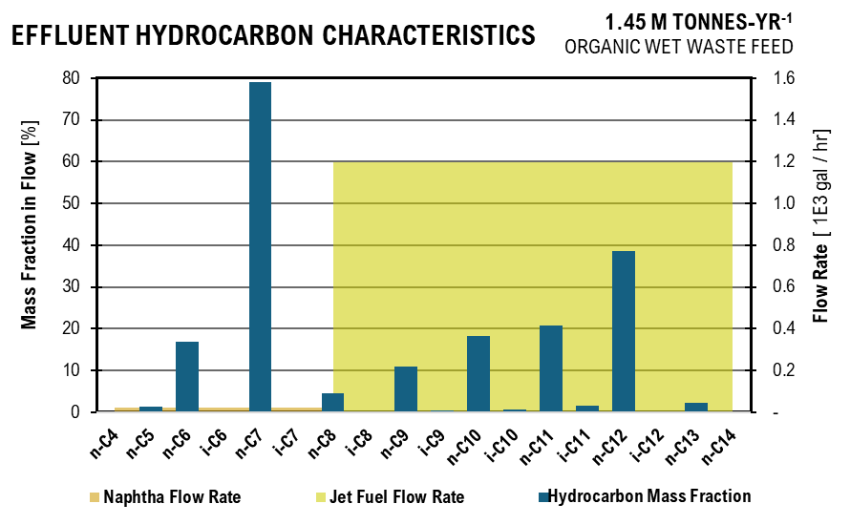
 |  |  |  |  |  | Hydrocarbon Figure
 |  |  |  |  |  | Naphtha Flow Rate | 8.12 | Jet Fuel Flow Rate |  | n-C4 | 0.04190896875
 |  |  |  |  |  | Naphtha | 8.12 | Jet Fuel |  | n-C5 | 1.4706448111
 |  |  |  |  |  | Naphtha | 8.12 | Jet Fuel |  | n-C6 | 16.878831311
 |  |  |  |  |  | Naphtha | 8.12 | Jet Fuel |  | i-C6 | 0
 |  |  |  |  |  | Naphtha | 8.12 | Jet Fuel |  | n-C7 | 79.12936683
 |  |  |  |  |  | Naphtha | 8.12 | Jet Fuel |  | i-C7 | 0.010101159204
 |  |  |  |  |  | Naphtha | 8.12 | Jet Fuel | 408.36 | n-C8 | 4.4730545174
 |  |  |  |  |  | Naphtha |  | Jet Fuel | 408.36 | i-C8 | 0.16915480622
 |  |  |  |  |  | Naphtha |  | Jet Fuel | 408.36 | n-C9 | 10.921629313
 |  |  |  |  |  | Naphtha |  | Jet Fuel | 408.36 | i-C9 | 0.47988570267
 |  |  |  |  |  | Naphtha |  | Jet Fuel | 408.36 | n-C10 | 18.196210493
 |  |  |  |  |  | Naphtha |  | Jet Fuel | 408.36 | i-C10 | 0.76494371739
 |  |  |  |  |  | Naphtha |  | Jet Fuel | 408.36 | n-C11 | 20.696723084
 |  |  |  |  |  | Naphtha |  | Jet Fuel | 408.36 | i-C11 | 1.5981370195
 |  |  |  |  |  | Naphtha |  | Jet Fuel | 408.36 | n-C12 | 38.619972229
 |  |  |  |  |  | Naphtha |  | Jet Fuel | 408.36 | i-C12 | 0.085703970009
 |  |  |  |  |  | Naphtha |  | Jet Fuel | 408.36 | n-C13 | 2.2728866366
 |  |  |  |  |  | Naphtha |  | Jet Fuel | 408.36 | n-C14 | 0.020338615495
...
Upstream Effluent Characteristics
 | Acetate | Propionate | Butyrate | Isobutyrate | Valerate | Isovalerate | Caproate | Heptanoate | Phosphate | Sulfate | Ammonia | Ethanol
 | 1.00 | 0.00 | 1.03 | 0.05 | 0.60 | 0.00 | 0.21 | 0.00 | - | - | -
 | 7.43 | 6.30 | 19.15 | - | 11.98 | 1.13 | 7.22 | - | 2.95 | - | 0.54
 | 1.77 | 5.67 | 7.83 | - | 12.38 | 1.08 | 27.95 | 1.38 | 3.31 | - | 2.33
 | 0.88 | 2.84 | 1.88 | - | 3.16 | 0.52 | 13.18 | 0.69 | 3.31 | - | 2.33 | 0
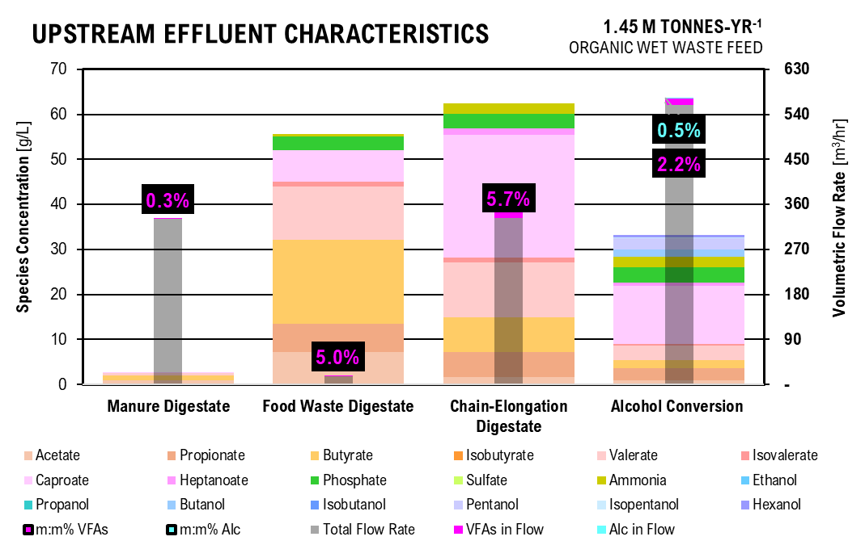
 |  |  |  |  |  | UPSTREAM FIGURE
 |  |  |  |  |  | Acid | Manure Digestate | Food Waste Digestate | Chain-Elongation Digestate | Alcohol Conversion
 |  |  |  |  |  | Acetate | 1.00 | 7.43 | 1.77 | 0.88
 |  |  |  |  |  | Propionate | 0.00 | 6.30 | 5.67 | 2.84
 |  |  |  |  |  | Butyrate | 1.03 | 19.15 | 7.83 | 1.88
 |  |  |  |  |  | Isobutyrate | 0.05 | - | 0.00 | 0.00
 |  |  |  |  |  | Valerate | 0.60 | 11.98 | 12.38 | 3.16
 |  |  |  |  |  | Isovalerate | 0.00 | 1.13 | 1.08 | 0.52
 |  |  |  |  |  | Caproate | 0.21 | 7.22 | 27.95 | 13.18
 |  |  |  |  |  | Heptanoate | 0.00 | - | 1.38 | 0.69
 |  |  |  |  |  | Phosphate | 0.00 | 2.95 | 3.31 | 3.31
 |  |  |  |  |  | Sulfate | 0.00 | - | 0.00 | 0.00
 |  |  |  |  |  | Ammonia | 0.00 | 0.54 | 2.33 | 2.33
 |  |  |  |  |  | Ethanol |  |  |  | 0.00
 |  |  |  |  |  | Propanol |  |  |  | 0.00
 |  |  |  |  |  | Butanol |  |  |  | 1.73
 |  |  |  |  |  | Isobutanol |  |  |  | 0.00
 |  |  |  |  |  | Pentanol |  |  |  | 2.64
 |  |  |  |  |  | Isopentanol |  |  |  | 0.02
 |  |  |  |  |  | Hexanol |  |  |  | 0.71
 |  |  |  |  |  | Total Flow Rate | 110.46 | 5.64 | 111.42 | 186.76
 |  |  |  |  |  | VFAs in Flow | 0.36 | 0.32 | 7.23 | 4.23
 |  |  |  |  |  | m:m% VFAs | 0.3% | 5.1% | 5.8% | 2.2%
 |  |  |  |  |  | Alc in Flow |  |  |  | 0.93
 |  |  |  |  |  | m:m% Alc |  |  |  | 0.5%
...
 |  |  |  |  |  | 2.17E-02 | 1.76E-07 | g/L | 0.00 | 0.00 | 0.00 | 0.00 | 2.13 | 0.00
 |  |  |  |  |  | 1.58E-03 | 4.04E-03 | g/L | 0.39 | 0.00 | 0.00 | 0.00 | 0.15 | 0.39
 |  |  |  |  |  | 9.71E-10 | 7.88E-04 | g/L | 0.02 | 0.00 | 0.01 | 0.00 | 0.00 | 0.08
 |  |  |  |  |  | 2.03E-21 | 5.21E-10 | g/L | 0.00 | 0.00 | 0.14 | 0.00 | 0.00 | 0.00
 |  |  |  |  |  | 1.65E-04 | 1.37E-02 | g/L | 0.30 | 0.00 | 0.00 | 0.03 | 0.00 | 0.25
 |  |  |  |  |  | 9.09E-13 | 2.38E-05 | g/L | 0.00 | 1.40 | 0.36 | 0.00 | 0.00 | 0.00
...
separations effluent characteristics
 | Acetic Acid | Propionic Acid | Butyric Acid | Isobutyric Acid | Valeric Acid | Isovaleric Acid | Caproic Acid | Heptanoic Acid | Ammonia | Sulfate | Phosphate | Ethanol
Electrodialysis Acid Stream | 3.26 | 10.46 | 6.93 | 0.00 | 11.64 | 1.92 | 48.57 | 2.84 | 0.01 | 0.00 | 11.42
Electrodialysis Digestate Stream | 0.21 | 0.66 | 0.44 | 0.00 | 0.74 | 0.12 | 3.08 | 0.18 | 0.30 | 0.00 | 0.41 | 0.00
Liquid-Liquid Extraction | 0.00 | 61.91 | 89.30 | 0.00 | 151.44 | 24.92 | 632.05 | 36.96 | 0.00 | 0.00 | 0.00
Supercritical CO2 Extraction | 3.37 | 20.77 | 18.96 | 0.00 | 38.45 | 6.46 | 169.64 | 12.35 | 0.00 | 0.00 | 0.00 | 0.00
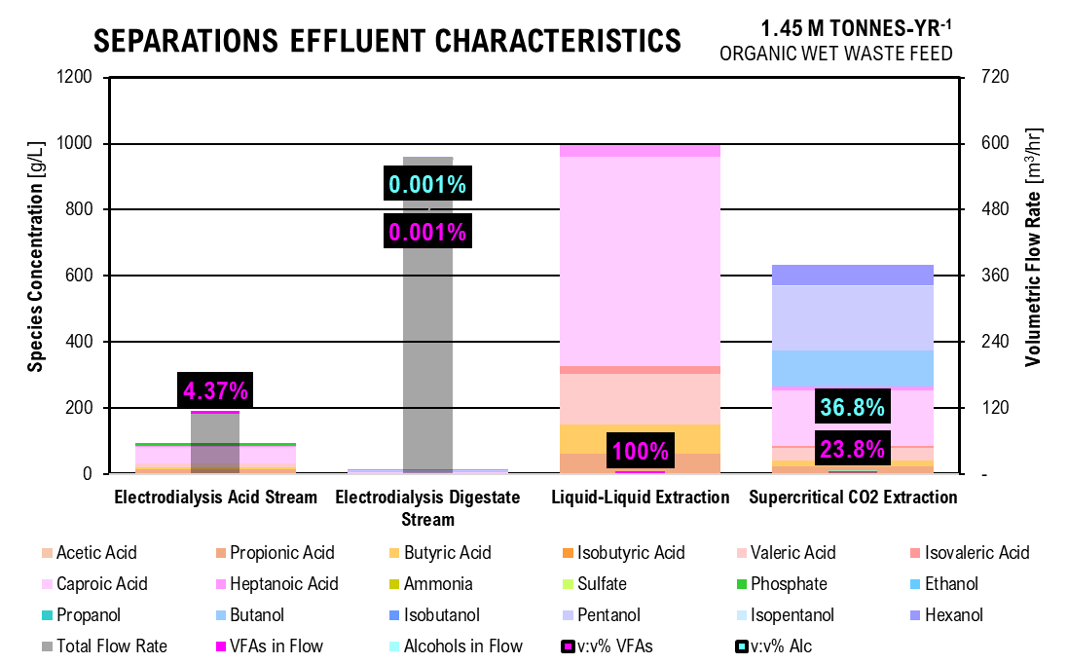
 |  |  |  |  |  |  | SEPARATIONS FIGURE
 |  |  |  |  |  |  |  | Electrodialysis Acid Stream | Electrodialysis Digestate Stream | Liquid-Liquid Extraction | Supercritical CO2 Extraction
 |  |  |  |  |  |  | Acetic Acid | 3.26 | 0.21 | 0.00 | 3.37
 |  |  |  |  |  |  | Propionic Acid | 10.46 | 0.66 | 61.91 | 20.77
 |  |  |  |  |  |  | Butyric Acid | 6.93 | 0.44 | 89.30 | 18.96
 |  |  |  |  |  |  | Isobutyric Acid | 0.00 | 0.00 | - | -
 |  |  |  |  |  |  | Valeric Acid | 11.64 | 0.74 | 151.44 | 38.45
 |  |  |  |  |  |  | Isovaleric Acid | 1.92 | 0.12 | 24.92 | 6.46
 |  |  |  |  |  |  | Caproic Acid | 48.57 | 3.08 | 632.05 | 169.64
 |  |  |  |  |  |  | Heptanoic Acid | 2.84 | 0.18 | 36.96 | 12.35
 |  |  |  |  |  |  | Ammonia | 0.01 | 0.30 | 0 | -
 |  |  |  |  |  |  | Sulfate | 0.00 | 0.00 | 0 | -
 |  |  |  |  |  |  | Phosphate | 11.42 | 0.41 | 0 | 0.00
 |  |  |  |  |  |  | Ethanol |  | 0.00 |  | -
 |  |  |  |  |  |  | Propanol |  | 0.00 |  | -
 |  |  |  |  |  |  | Butanol |  | 1.73 |  | 112.66
 |  |  |  |  |  |  | Isobutanol |  | 0.00 |  | -
 |  |  |  |  |  |  | Pentanol |  | 2.64 |  | 197.46
 |  |  |  |  |  |  | Isopentanol |  | 0.02 |  | 1.50
 |  |  |  |  |  |  | Hexanol |  | 0.71 |  | 65.75
 |  |  |  |  |  |  | Total Flow Rate | 36.74 | 191.92 | - | 1.28
 |  |  |  |  |  |  | VFAs in Flow | 1.64 | 0.01 | 1.47 | 0.31
 |  |  |  |  |  |  | Alcohols in Flow |  | 0.01 |  | 0.48
 |  |  |  |  |  |  | v:v% VFAs | 4.47% | 0.003% | 100% | 24.6%
 |  |  |  |  |  |  | v:v% Alc | 0% | 0.003% | 0% | 37.9%
...
 |  |  | kg/hr | 1.18 | kg/hr | 1.12
 |  |  | kg/hr | 0.50 | kg/hr | 0.48
 |  |  | kg/hr | 40.98 | kg/hr | 38.93
 |  |  | kg/hr | 13.97 | kg/hr | 13.27
...
 |  |  | 5
 |  |  | 5
 |  |  | 5 | 6
Pure Ester effluent characterization
 | C4 | C5 | C6 | C7 | C8 | C9 | C10 | C11 | C12 | C13 | Flow Rate
 | 4
 | 4 | 5 |  |  |  |  |  |  |  |  | 1.29
 |  | 5 |  |  |  |  |  |  |  |  | -
 |  | 5 | 6 |  |  |  |  |  |  |  | 4.75
 |  |  | 6 |  |  |  |  |  |  |  | 3.39
 |  |  | 6 |  |  |  |  |  |  |  | -
 |  |  | 6 |  |  |  |  |  |  |  | 11.27
 |  |  | 6 |  |  |  |  |  |  |  | -
 |  |  | 6 | 7 |  |  |  |  |  |  | 6.19
 |  |  |  | 7 |  |  |  |  |  |  | 11.98
 |  |  |  | 7 |  |  |  |  |  |  | 5.38
 |  |  |  | 7 |  |  |  |  |  |  | -
 |  |  |  | 7 |  |  |  |  |  |  | -
 |  |  |  | 7 |  |  |  |  |  |  | 12.26
 |  |  |  | 7 |  |  |  |  |  |  | 2.22
 |  |  |  | 7 |  |  |  |  |  |  | 0.00
 |  |  |  | 7 | 8 |  |  |  |  |  | -
 |  |  |  |  | 8 |  |  |  |  |  | 0.06
 |  |  |  |  | 8 |  |  |  |  |  | 8.22
 |  |  |  |  | 8 |  |  |  |  |  | 29.99
 |  |  |  |  | 8 |  |  |  |  |  | 18.97
 |  |  |  |  | 8 |  |  |  |  |  | -
 |  |  |  |  | 8 |  |  |  |  |  | -
 |  |  |  |  | 8 |  |  |  |  |  | -
 |  |  |  |  | 8 |  |  |  |  |  | -
 |  |  |  |  | 8 |  |  |  |  |  | 0.01
 |  |  |  |  | 8 | 9 |  |  |  |  | 5.36
 |  |  |  |  |  | 9 |  |  |  |  | 0.20
 |  |  |  |  |  | 9 |  |  |  |  | 22.95
 |  |  |  |  |  | 9 |  |  |  |  | 0.01
 |  |  |  |  |  | 9 |  |  |  |  | 20.24
 |  |  |  |  |  | 9 |  |  |  |  | 1.72
 |  |  |  |  |  | 9 |  |  |  |  | 38.78
 |  |  |  |  |  | 9 |  |  |  |  | -
 |  |  |  |  |  | 9 |  |  |  |  | 21.47
 |  |  |  |  |  | 9 |  |  |  |  | -
 |  |  |  |  |  | 9 |  |  |  |  | -
 |  |  |  |  |  | 9 | 10 |  |  |  | -
 |  |  |  |  |  |  | 10 |  |  |  | 0.56
 |  |  |  |  |  |  | 10 |  |  |  | 0.50
 |  |  |  |  |  |  | 10 |  |  |  | 49.95
 |  |  |  |  |  |  | 10 |  |  |  | 0.03
 |  |  |  |  |  |  | 10 |  |  |  | 45.16
 |  |  |  |  |  |  | 10 |  |  |  | 0.01
 |  |  |  |  |  |  | 10 |  |  |  | 25.53
 |  |  |  |  |  |  | 10 |  |  |  | -
 |  |  |  |  |  |  | 10 | 11 |  |  | -
 |  |  |  |  |  |  |  | 11 |  |  | 1.12
 |  |  |  |  |  |  |  | 11 |  |  | 0.48
 |  |  |  |  |  |  |  | 11 |  |  | 104.80
...
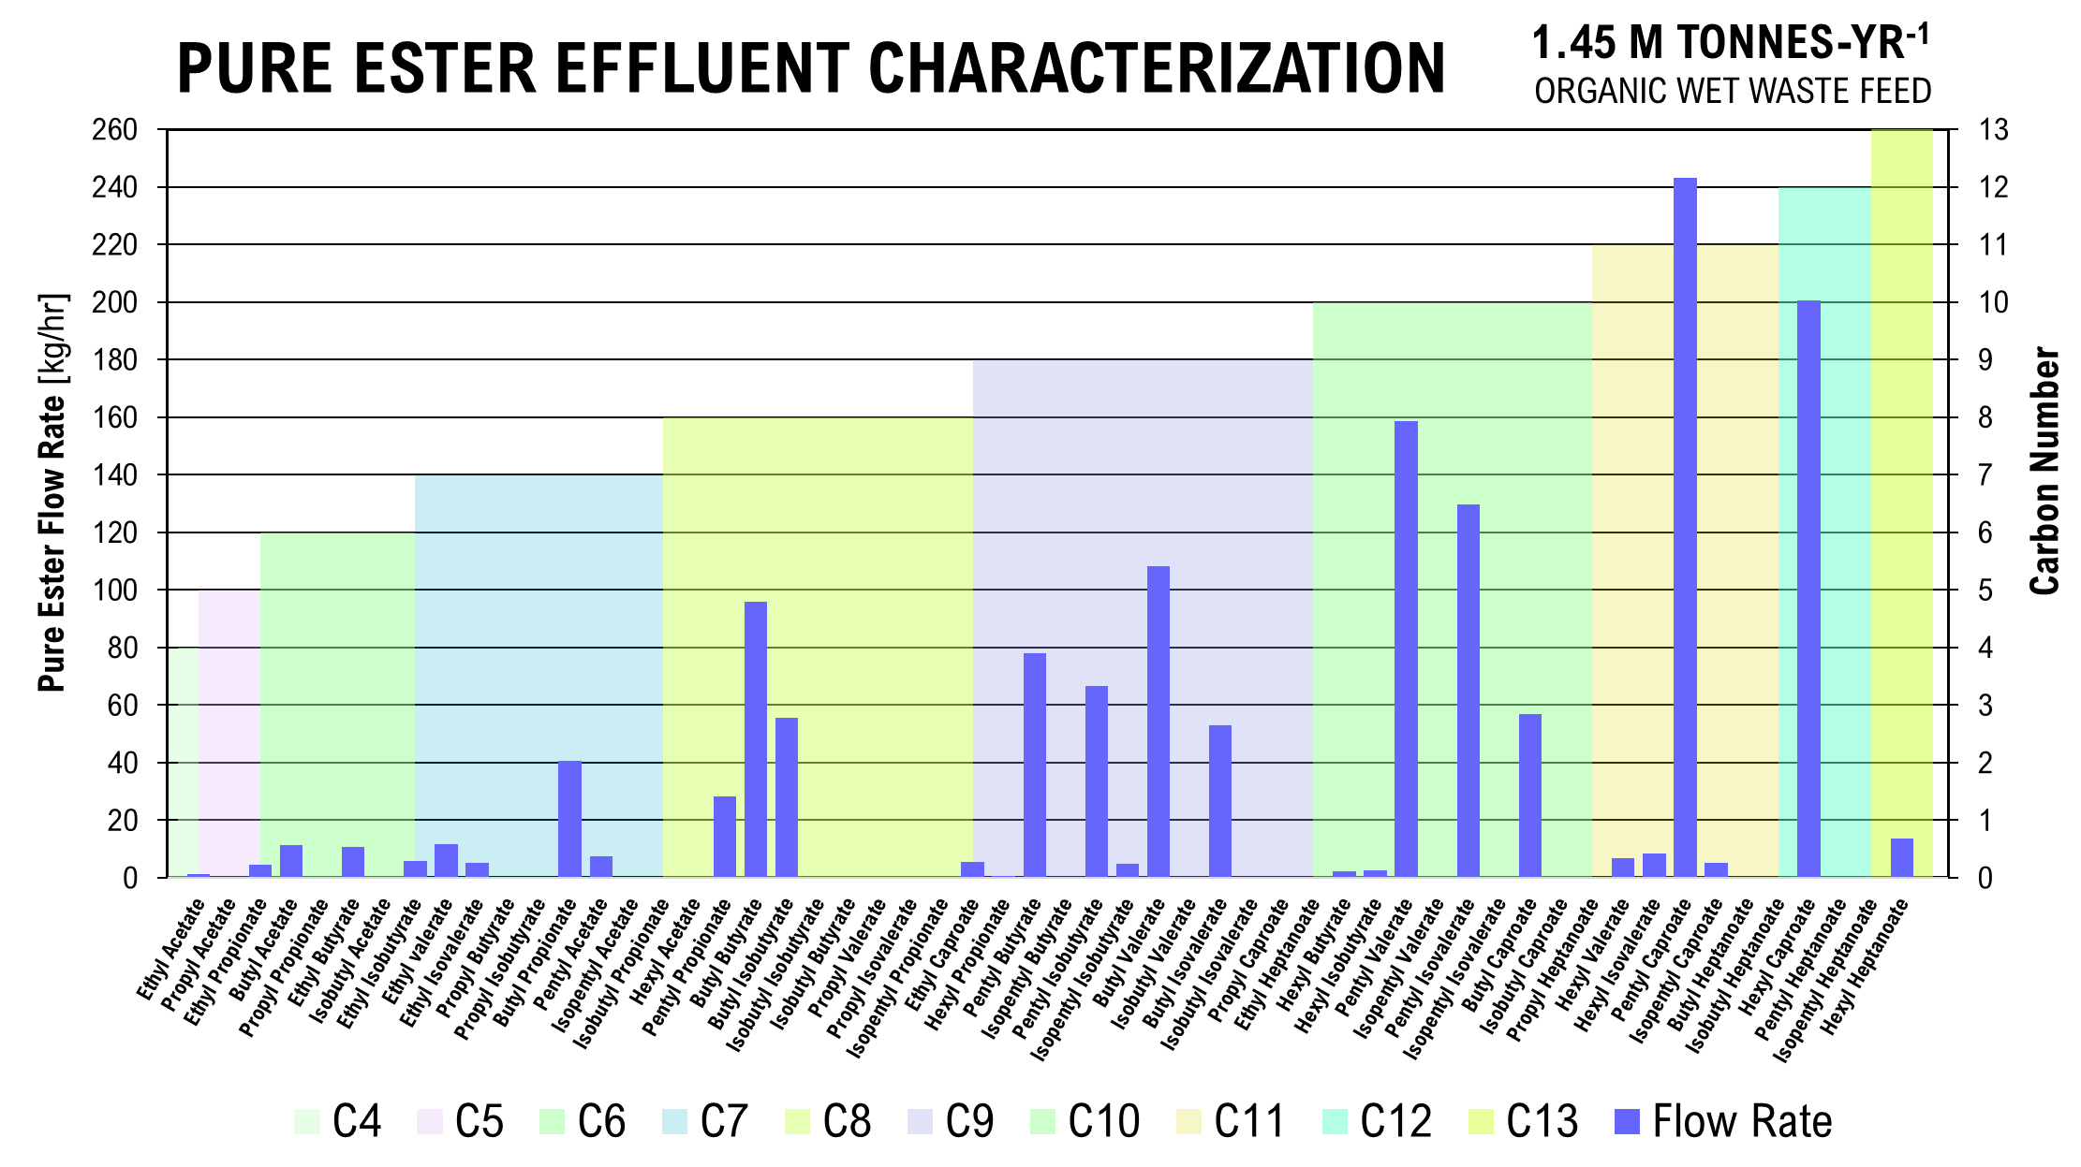
 |  |  |  | 6
 |  |  |  | 6
 |  |  |  | 6
 |  |  |  | 6
 |  |  |  | 6 | 7
 |  |  |  |  | 7
 |  |  |  |  | 7
 |  |  |  |  | 7
 |  |  |  |  | 7
 |  |  |  |  | 7
 |  |  |  |  | 7
 |  |  |  |  | 7
 |  |  |  |  | 7 | 8
 |  |  |  |  |  | 8
 |  |  |  |  |  | 8
 |  |  |  |  |  | 8
 |  |  |  |  |  | 8
 |  |  |  |  |  | 8
 |  |  |  |  |  | 8
 |  |  |  |  |  | 8
 |  |  |  |  |  | 8
 |  |  |  |  |  | 8
 |  |  |  |  |  | 8 | 9
 |  |  |  |  |  |  | 9
 |  |  |  |  |  |  | 9
 |  |  |  |  |  |  | 9
 |  |  |  |  |  |  | 9
 |  |  |  |  |  |  | 9
 |  |  |  |  |  |  | 9
 |  |  |  |  |  |  | 9
 |  |  |  |  |  |  | 9
 |  |  |  |  |  |  | 9
 |  |  |  |  |  |  | 9
 |  |  |  |  |  |  | 9 | 10
 |  |  |  |  |  |  |  | 10
 |  |  |  |  |  |  |  | 10
 |  |  |  |  |  |  |  | 10
 |  |  |  |  |  |  |  | 10
 |  |  |  |  |  |  |  | 10
 |  |  |  |  |  |  |  | 10
 |  |  |  |  |  |  |  | 10
 |  |  |  |  |  |  |  | 10
 |  |  |  |  |  |  |  | 10 | 11
 |  |  |  |  |  |  |  |  | 11
 |  |  |  |  |  |  |  |  | 11
 |  |  |  |  |  |  |  |  | 11
 |  |  |  |  |  |  |  |  | 11
 |  |  |  |  |  |  |  |  | 11
 |  |  |  |  |  |  |  |  | 11 | 12
...

CostCalc
...
Mixing | 100 | rpm | 1.00
 | 229.63 | kW
 | 307.94421139 | hp

Reverse Osmosis
Influent Flow Rate | 30,883.65 | L/hr
 | 68,086.80 | lb/hr
Lactate | 12353.45862 | L/hr
 | 11.765198685 | m3
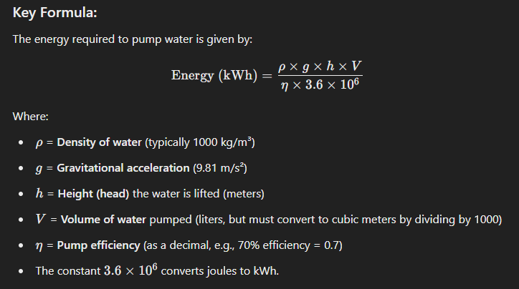
Water Tank | 18530.187929 | L/hr
 | 1,168.95 | gal/min

Lactase
Lactase Concentration | 3750 | U/L
 | 115,812,931.64 | L/hr

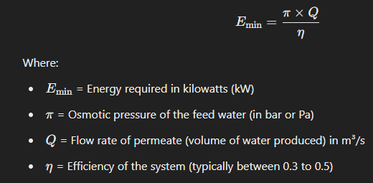
Power
Feed Pump | 4.29 | kWh/hr
Recycle Pump | 0.99 | kWh/hr
Feed Pump | 0.78 | kWh/hr
Reverse Osmosis | 0.45 | kW

Heat: Q (W)= mcdT
Hydrolysis | 4,524,734.03 | J/hr
 | 1.26 | kWh/hr
Fermentation | 129,278.12 | J/hr
 | 0.04 | kWh/hr

Feedstock Preparation - CAPEX
Parameter | Size Required |  |  |  | Researched Value
 | Size | Unit | Number | Material | Value | Size | Unit

Sand Removal | 53.8 | kg/d-cow |  | kg | d
...

Locate
...
Berkeley, CA
 |  | kg/mon | 1632933
 |  | kg/hr | 2267.9625
 |  | m3/hr | 2.1599642857
capita | population of berkeley | # | 118950
fw_cap | food waste per person | m3/hr-cap | 1.8158590044E-05

Fort Collins, CO
Food Waste | theoretical compost collected | kg/hr | 15,000.00
 |  | m3/hr | 14.29
capita | population of fort collins area | # | 359000
fw_capita | food waste per person | m3/hr-cap | 3.98E-05

AVERAGE
avg_fwc | average food waste production per capita | m3/hr-cap | 2.36E-05
sd_fwc | standard deviation of fw production per cap | m3/hr-cap | 9.80E-06
US_pop | population of the US | cap | 333,300,000.00
US_fw | theoretical food waste in the US | m3/hr | 7,855.95
 |  | kg/hr | 8,248,744.44
US_cow | number of cows in the US | cow | 28200000
US_poo | amount of cattle manure in the US | kg/d | 1517160000
 |  | m3/hr | 60,204.76
US_fwm | food waste to cow manure ratio in the US | %/100 | 13%

 | average FW production in US | ton/yr | 79,651,891.58
 | standard deviation FW production in US | ton/yr | 112,785,580.31
Total | total flow rate of food waste and cattle manure | m3/hr | 68,060.71
 |  | kg/hr | 71,463,744.44

US_tot_poo | total amount of all manure produced in US | ton/yr | 1,560,000,000.00
 |  | kg/hr | 161,553,493.15
 |  | m3/hr | 153,860.47
US_TOTAL | total amount of all manure and foodwaste in US | m3/hr | 161,716.42
 |  | kg/hr | 169,802,237.59
 | percent foodwaste in total | %/100 | 0.048578537914

San Francisco, CA | 143,997.62 | ton/yr | Food Waste
Harris Ranch, CA | 4,413,838.89 | ton/yr | Manure
Austin, TX | 138,955.00 | ton/yr | Food Waste
...

CAPEX
...
RE-B2 Capital Expense: Fuel Scenario B, Carbon Donor Scenario 2, with Renewable Energy Total: |  |  | $38,920,802

Scenario A1 CAPEX

Capital Expenses: Path A - Jet Fuel
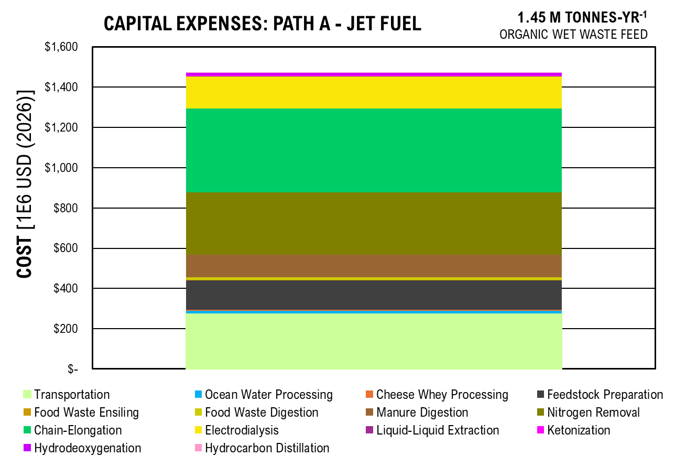
CAPEX | COST | Percent
Transportation | 136,543,705 | 0.22
Ocean Water Processing | 6,796,062 | 0.01
Cheese Whey Processing | 2,512,631 | 0.00
Feedstock Preparation | 55,404,992 | 0.09
Food Waste Ensiling | 717,349 | 0.00
Food Waste Digestion | 4,242,086 | 0.01
Manure Digestion | 38,920,802 | 0.06
Nitrogen Removal | 154,982,973 | 0.25
Chain-Elongation | 164,124,609 | 0.26
Electrodialysis | 53,692,703 | 0.09
Liquid-Liquid Extraction | 1,748,803 | 0.00
Ketonization | 2,310,253 | 0.00
Hydrodeoxygenation | 5,610,915 | 0.01
Hydrocarbon Distillation | 158,900 | 0.00

TOTAL | 627,766,783

Scenario B1 CAPEX

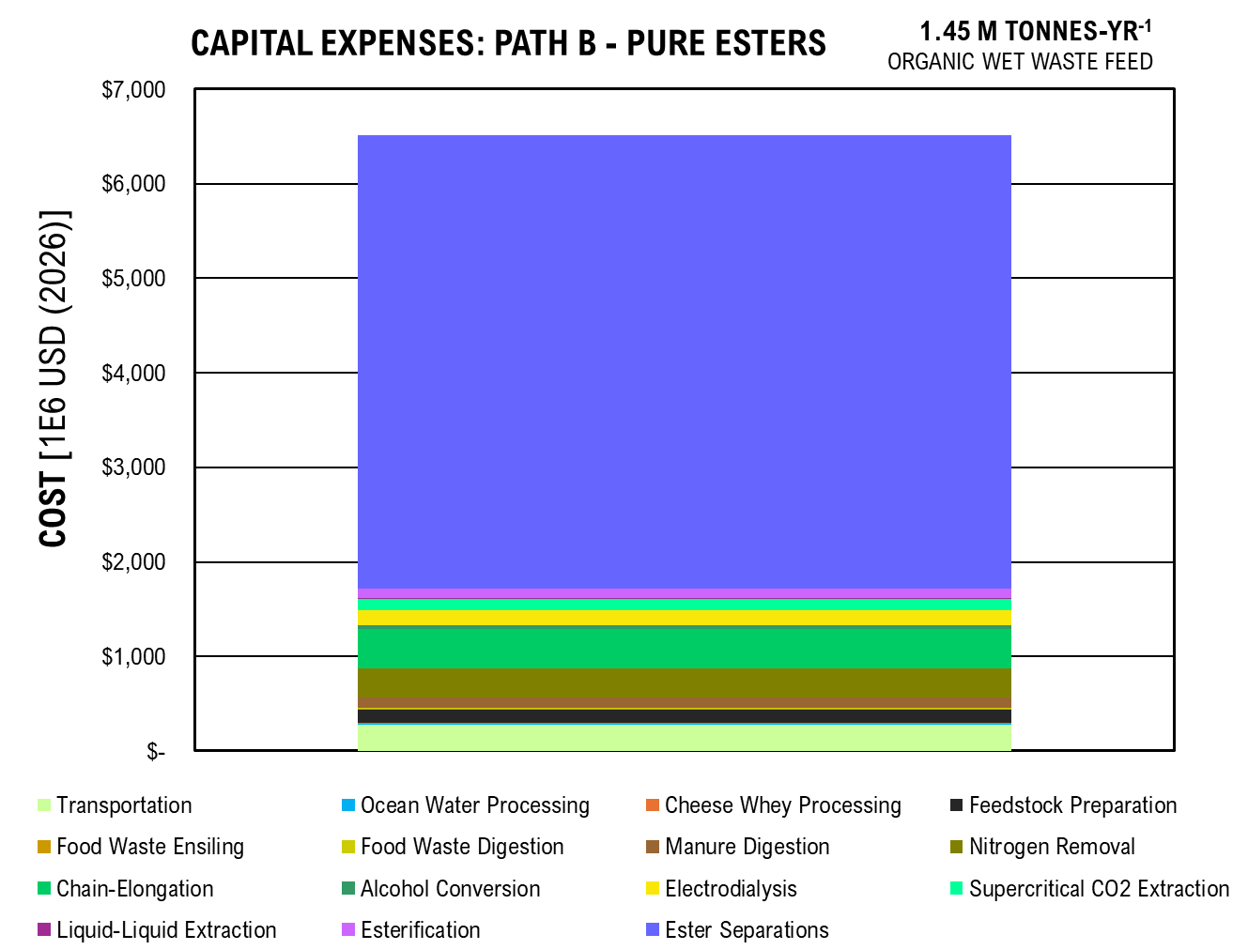
Capital Expenses: Path B - Pure Esters
CAPEX | COST | Percent
Transportation | 136,543,705 | 0.042824729829
Ocean Water Processing | 6,796,062 | 0.0021314752022
Cheese Whey Processing | 2,512,631 | 0.00078804619895
Feedstock Preparation | 55,404,992 | 0.017376881855
Food Waste Ensiling | 717,349 | 0.00022498483448
Food Waste Digestion | 4,242,086 | 0.0013304619648
Manure Digestion | 38,920,802 | 0.012206881465
Nitrogen Removal | 154,982,973 | 0.048607908583
Chain-Elongation | 164,124,609 | 0.051475035299
Alcohol Conversion | 14,808,643 | 0.0046444918294
Electrodialysis | 53,692,703 | 0.016839849988
Supercritical CO2 Extraction | 50,916,419 | 0.01596911316
Liquid-Liquid Extraction | 5,033,464 | 0.0015786646389
Esterification | 39,785,506 | 0.012478081938
Ester Separations | 2,459,949,268 | 0.77152339322

TOTAL | 3,188,431,212

Scenario AB1 CAPEX

Capital Expenses: Path AB - Jet & Esters
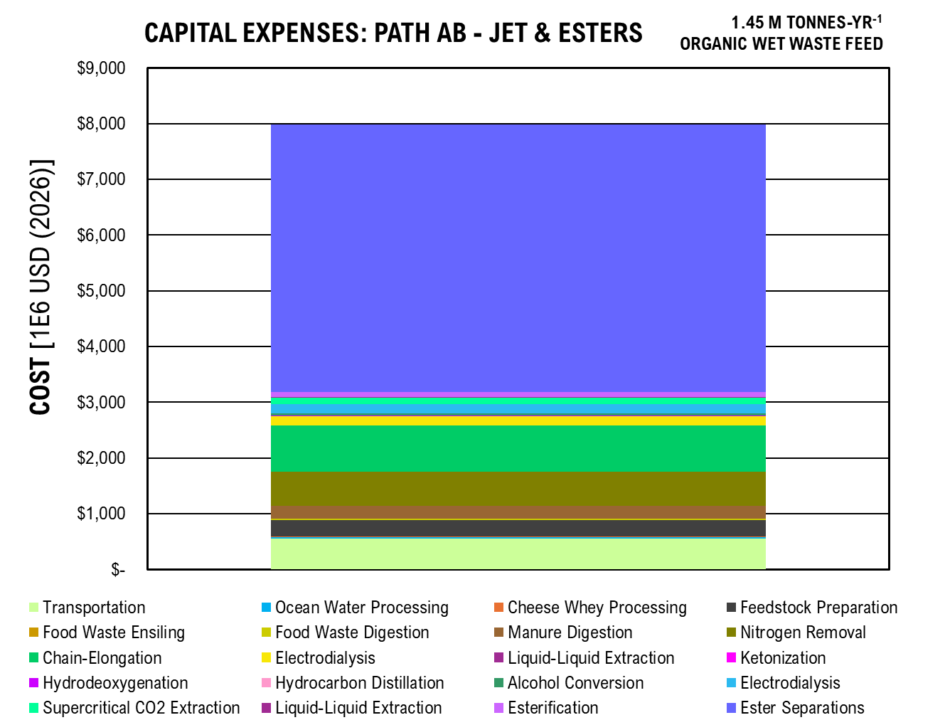
CAPEX | COST | Percentage
Transportation | 273,087,410 | 0.071560073876
Ocean Water Processing | 13,592,124 | 0.0035616925908
Cheese Whey Processing | 5,025,262 | 0.0013168242845
Feedstock Preparation | 110,809,985 | 0.029036749425
Food Waste Ensiling | 1,434,697 | 0.00037594939748
Food Waste Digestion | 8,484,173 | 0.0022232004
Manure Digestion | 77,841,604 | 0.020397684771
Nitrogen Removal | 309,965,946 | 0.081223758867
Chain-Elongation | 328,249,218 | 0.086014724284
Electrodialysis | 53,692,703 | 0.0140696849
Liquid-Liquid Extraction | 1,748,803 | 0.00045825795556
Ketonization | 2,310,253 | 0.00060538073072
Hydrodeoxygenation | 5,610,915 | 0.0014702891751
Hydrocarbon Distillation | 158,900 | 4.1638192333E-05
Alcohol Conversion | 14,808,643 | 0.0038804702301
Electrodialysis | 53,692,703 | 0.0140696849
Supercritical CO2 Extraction | 50,916,419 | 0.013342184784
Liquid-Liquid Extraction | 5,033,464 | 0.0013189733904
Esterification | 39,785,506 | 0.010425430223
Ester Separations | 2,459,949,268 | 0.64460734762

Total | 3,816,197,996

OPEX
...
RE-A2 Operational Expense: Fuel Scenario A, Carbon Donor Scenario 2, with Renewable Energy:

B2 Operational Expense: Fuel Scenario B, Carbon Donor Scenario 2, No Renewable Energy:

RE-B2 Operational Expense: Fuel Scenario B, Carbon Donor Scenario 2, with Renewable Energy:

Operational Expenses: Path A - Jet Fuel

Scenario A

Transportation | $19,038,577.79 | 0.22972833136
Ocean Water Processing | $1,024,426.00 | 0.012361200378
Cheese Whey Processing | $3,058,468.55 | 0.03690490347
Feedstock Preparation | $80,103.07 | 0.00096656090684
Food Waste Ensiling | $1,525,644.45 | 0.018409135301
Food Waste Digestion | $1,664,741.09 | 0.02008754005
Manure Digestion | $2,782,669.85 | 0.03357698822
Nitrogen Removal | $1,004,478.18 | 0.012120500765
Chain-Elongation | $3,403,747.27 | 0.041071197123
Electrodialysis | $2,683,979.93 | 0.032386149776
Liquid-Liquid Extraction | $617,363.52 | 0.0074493952646
Ketonization | $480,155.60 | 0.0057937807521
Hydrodeoxygenation | $352,806.27 | 0.0042571245393
Hydrocarbon Distillation | $325,281.09 | 0.0039249928315
Overhead and Benefits | $21,604,500.00 | 0.26068994174
Plant Maintenance | $18,833,003.50 | 0.22724777638
Insurance | $4,394,367.48 | 0.053024481154

TOTAL | $82,874,313.66

Scenario B

Operational Expenses: Path B - Pure Esters
Transportation | $19,038,577.79 | 0.098840181129
Ocean Water Processing | $1,024,426.00 | 0.0053183831401
Cheese Whey Processing | $3,058,468.55 | 0.015878265088
Feedstock Preparation | $80,103.07 | 0.00041586100652
Food Waste Ensiling | $1,525,644.45 | 0.0079204957299
Food Waste Digestion | $1,664,741.09 | 0.0086426262067
Manure Digestion | $2,782,669.85 | 0.01444643583
Nitrogen Removal | $1,004,478.18 | 0.0052148225858
Chain-Elongation | $3,403,747.27 | 0.017670805071
Alcohol Conversion | $13,154,458.59 | 0.068292342224
Electrodialysis | $3,731,033.05 | 0.019369933313
Supercritical CO2 Extraction | $856,871.01 | 0.0044485090403
Liquid-Liquid Extraction | $886,657.55 | 0.0046031481037
Esterification | $329,649.97 | 0.0017114021296
Ester Separations | $501,837.63 | 0.0026053270649
Overhead and Benefits | $21,604,500.00 | 0.11216135558
Plant Maintenance | $95,652,936.37 | 0.49658927575
Insurance | $22,319,018.49 | 0.11587083101

TOTAL | $192,619,818.91

Scenario AB

Transportation | $38,077,155.58 | 0.13821403463
Ocean Water Processing | $2,048,851.99 | 0.0074370077343
Cheese Whey Processing | $6,116,937.09 | 0.022203511322
Feedstock Preparation | $160,206.14 | 0.00058152288776
Food Waste Ensiling | $3,051,288.91 | 0.011075694708
Food Waste Digestion | $3,329,482.19 | 0.012085492198
Manure Digestion | $5,565,339.71 | 0.020201300315
Nitrogen Removal | $2,008,956.36 | 0.0072921929243
Chain-Elongation | $6,807,494.55 | 0.024710125338
Electrodialysis | $2,683,979.93 | 0.0097424214075
Liquid-Liquid Extraction | $617,363.52 | 0.0022409316452
Ketonization | $480,155.60 | 0.0017428886737
Hydrodeoxygenation | $352,806.27 | 0.0012806308108
Hydrocarbon Distillation | $325,281.09 | 0.0011807187471
Alcohol Conversion | $13,154,458.59 | 0.047748598016
Electrodialysis | $3,731,033.05 | 0.013543058112
...

Figures
Transportation

Transportation Costs
 | Boats - Ocean Water |  | Diesel Trucks - Ocean Water |  | Diesel Trucks - Cheese Whey |  | Diesel Trucks - Organic Waste |  | Hydraulic Truck Dump with Scale |  | Diesel - Waste |  | Diesel - Lactate Concentrate |  | Diesel - Ocean Water |  | Labor
Capital Costs | 40000000 | Capital Costs | 29110000 | Capital Costs | 12425000 | Capital Costs | 30530000 | Capital Costs | 24478705.243 | Capital Costs |  | Capital Costs |  | Capital Costs |  | Capital Costs
Operational Costs |  | Operational Costs |  | Operational Costs |  | Operational Costs |  | Operational Costs |  |  | $1,340,894.45 |  | $1,340,894.45 |  | $2,681,788.90 |  | $13,675,000.00
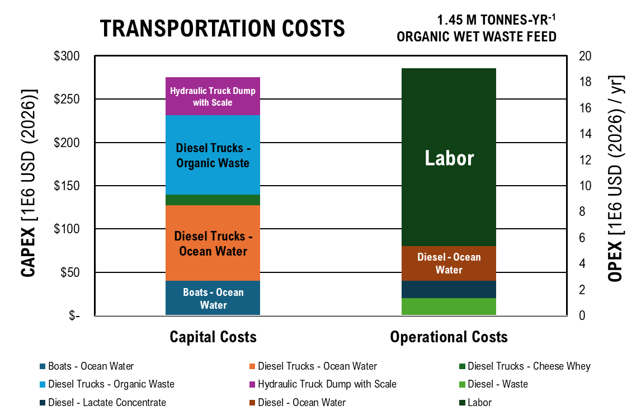
 | Capital Costs | Operational Costs
Boats - Ocean Water | $40,000,000.00
Diesel Trucks - Ocean Water | $29,110,000.00
Diesel Trucks - Cheese Whey | $12,425,000.00
Diesel Trucks - Organic Waste | $30,530,000.00
Hydraulic Truck Dump with Scale | $24,478,705.24
Diesel - Waste |  | $1,340,894.45
Diesel - Lactate Concentrate |  | $1,340,894.45
Diesel - Ocean Water |  | $2,681,788.90
Labor |  | $13,675,000.00

Ocean Water Processing

Ocean Water Processing Costs
 | Feed Pump | Decanter | Microfiltration | Anion-Exchange Membrane | Cation-Exchange Membrane | Bipolar-Exchange Membranes | Electrodes | Diluate Tanks | Electrolyte Tank Wall | Concentrate Tank 1 Wall | Concentrate Tank 2 Wall | Peristaltic Pump
Capital Costs | 91679.37155 | 5439279.8517 | 6572.351129 | 19818.505979 | 21676.490915 | 91965.56231 | 245246.06614 | 32118.433817 | 7560.6375452 | 7560.6375452 | 7560.6375452 | 343582.55795
Operational Costs
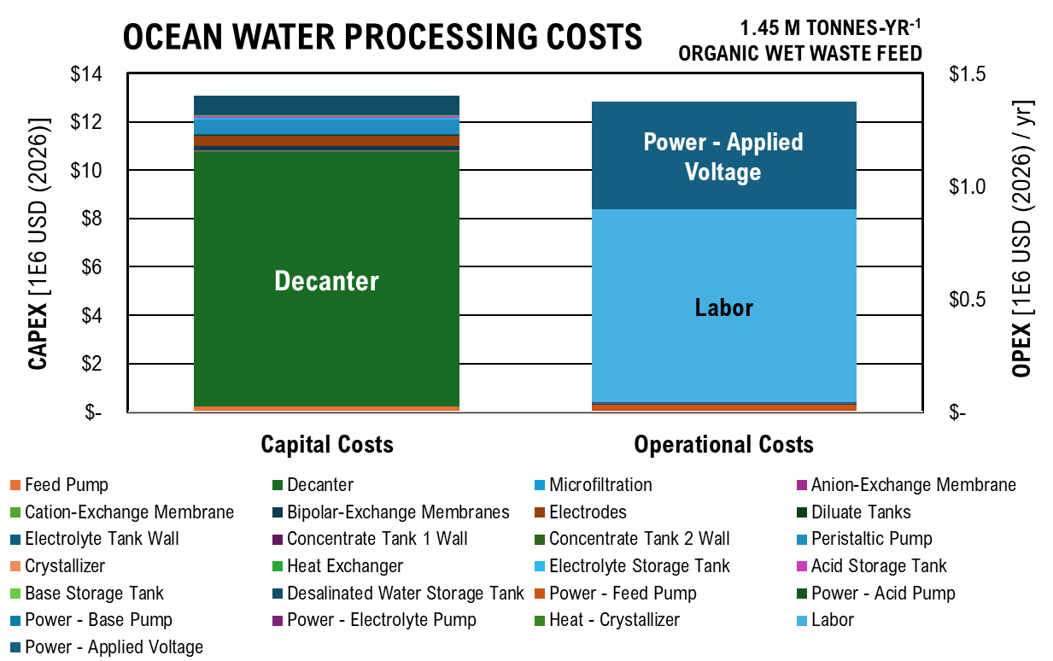
Equipment Name | Capital Costs | Operational Costs
Feed Pump | $91,679.37
Decanter | $5,439,279.85
Microfiltration | $6,572.35
Anion-Exchange Membrane | $19,818.51
Cation-Exchange Membrane | $21,676.49
Bipolar-Exchange Membranes | $91,965.56
Electrodes | $245,246.07
Diluate Tanks | $32,118.43
Electrolyte Tank Wall | $7,560.64
Concentrate Tank 1 Wall | $7,560.64
Concentrate Tank 2 Wall | $7,560.64
Peristaltic Pump | $343,582.56
Crystallizer | $-
Heat Exchanger | $-
Electrolyte Storage Tank | $38,051.15
Acid Storage Tank | $38,051.15
Base Storage Tank | $15,874.43
Desalinated Water Storage Tank | $389,464.23
Power - Feed Pump |  | $7,058.92
Power - Acid Pump |  | $825.62
Power - Base Pump |  | $825.62
Power - Electrolyte Pump |  | $825.62
Heat - Crystallizer |  | $-
Power - Applied Voltage |  | $159,890.22
Labor |  | $855,000.00

Cheese Whey Processing

Cheese Whey Processing Costs
 | Feed Pump - CW+H2O | Feed Pump - Recycle | Hydrolysis Tank Wall | Hydrolysis Insulation | Hydrolysis Agitator | Feed Pump | Fermenter Tank Wall | Fermenter Insulation | Fermenter Agitator | Feed Pump | Decanter | Microfiltration
Capital Costs | 39567.707404 | 15102.119112 | 48040.365899 | 264709.04382 | 44702.140688 | 24404.25609 | 48040.365899 | 102581.60973 | 44702.140688 | 24404.25609 | 818083.42265 | 439455.29709
Operational Costs
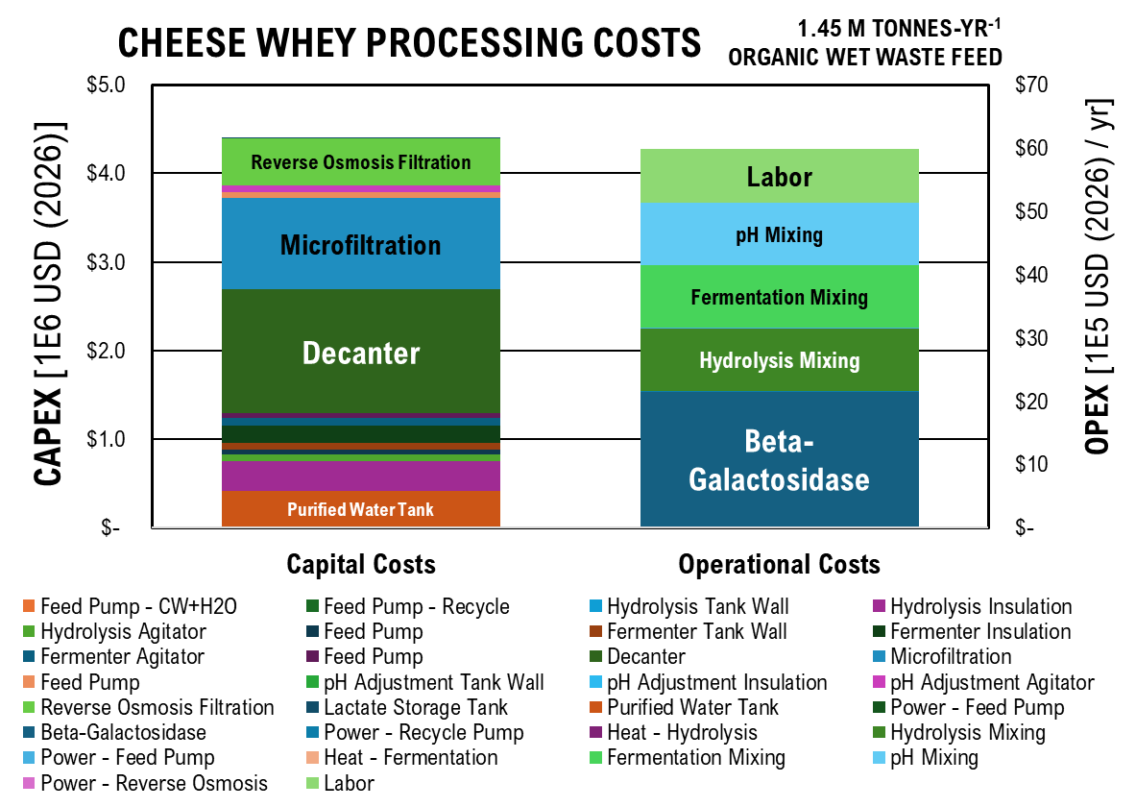
 | Capital Costs | Operational Costs
Feed Pump - CW+H2O | $39,567.71
Feed Pump - Recycle | $15,102.12
Hydrolysis Tank Wall | $48,040.37
Hydrolysis Insulation | $264,709.04
Hydrolysis Agitator | $44,702.14
Feed Pump | $24,404.26
Fermenter Tank Wall | $48,040.37
Fermenter Insulation | $102,581.61
Fermenter Agitator | $44,702.14
Feed Pump | $24,404.26
Decanter | $818,083.42
Microfiltration | $439,455.30
Feed Pump | $24,404.38
pH Adjustment Tank Wall | $3,043.89
pH Adjustment Insulation | $906.70
pH Adjustment Agitator | $44,702.28
Reverse Osmosis Filtration | $247,057.21
Lactate Storage Tank | $6,604.21
Purified Water Tank | $272,119.70
Power - Feed Pump |  | $6,305.62
Beta-Galactosidase |  | $1,178,422.37
Power - Recycle Pump |  | $1,455.14
Heat - Hydrolysis |  | $1,849.25
Hydrolysis Mixing |  | $337,860.68
Power - Feed Pump |  | $1,142.78
Heat - Fermentation |  | $52.84
Fermentation Mixing |  | $337,860.68
pH Mixing |  | $337,862.85
Power - Reverse Osmosis |  | $656.35
Labor |  | $855,000.00

Manure Treatment

Manure Treatment Costs
 | Sand Removal | Tank Wall - Manure | Insulation - Manure | Agitator - Manure | Feed Pump - Manure | Feed Pump - Water | Manure Slurry Pump Grinder | Feed Pump | Syngas Makeup Compressor | Syngas Recycle Compressor | Digester Tank Wall | Digester Insulation
Capital Costs - Digestion | 43285398.801 | 3209.4488889 | 796.67949383 | 3466639.9406 | 6827939.1276 | 236717.79518 | 16336.509669 | 78852.044934 | 112340.6379 | 2539.7795703 | 3463613.1145 | 4434407.615
Capital Cost - Treatment
Operational Costs - Digestion
Operational Costs - Treatment
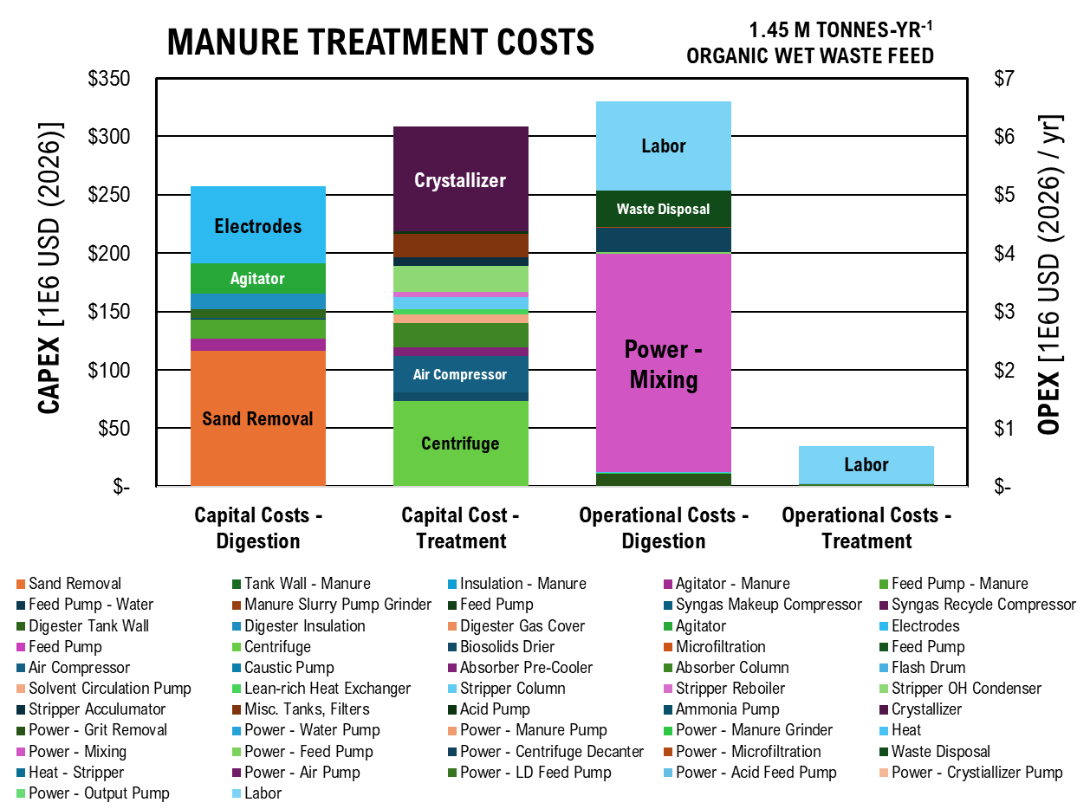
 | Capital Costs - Digestion | Capital Cost - Treatment | Operational Costs - Digestion | Operational Costs - Treatment
Sand Removal | $43,285,398.80
Tank Wall - Manure | $3,209.45
Insulation - Manure | $796.68
Agitator - Manure | $3,466,639.94
Feed Pump - Manure | $6,827,939.13
Feed Pump - Water | $236,717.80
Manure Slurry Pump Grinder | $16,336.51
Feed Pump | $78,852.04
Syngas Makeup Compressor | $112,340.64
Syngas Recycle Compressor | $2,539.78
Digester Tank Wall | $3,463,613.11
Digester Insulation | $4,434,407.62
Digester Gas Cover | $32,001.96
Agitator | $8,805,265.45
Electrodes | $21,991,781.26
Feed Pump |  | $78,852.04
Centrifuge |  | $37,927,730.75
Biosolids Drier |  | $3,677,998.49
Microfiltration |  | $6,547.90
Feed Pump |  | $91,338.26
Air Compressor |  | $22,193,609.13
Caustic Pump |  | $9,930.06
Absorber Pre-Cooler |  | $3,131,795.78
Absorber Column |  | $8,678,005.56
Flash Drum |  | $23,228.49
Solvent Circulation Pump |  | $2,900,382.30
Lean-rich Heat Exchanger |  | $2,001,726.62
Stripper Column |  | $4,249,011.01
Stripper Reboiler |  | $1,716,247.59
Stripper OH Condenser |  | $9,469,165.55
Stripper Acculumator |  | $3,135,192.59
Misc. Tanks, Filters |  | $8,250,506.82
Acid Pump |  | $870,049.79
Ammonia Pump |  | $24,522.52
Crystallizer |  | $46,547,131.61
Power - Grit Removal |  |  | $74,435.31
Power - Water Pump |  |  | $97.14
Power - Manure Pump |  |  | $49.55
Power - Manure Grinder |  |  | $4,388.62
Heat |  |  | $1,443.49
Power - Mixing |  |  | $1,250,426.28
...
 | Capital Costs - Digestion | Capital Cost - Treatment | Operational Costs - Digestion | Operational Costs - Treatment
Power - Crystiallizer Pump |  |  |  | $1,742.76
Power - Output Pump |  |  |  | $1,333.82
Labor |  |  | $1,525,000.00 | $630,000.00

Food Waste Digestion

Food Waste Digestion Costs
 | Tank Wall - Food Waste | Insulation - Food Waste | Pretreatment Agitator | Feed Pump - Food Waste | Feed Pump - Water | Food Waste Slurry Pump Grinder | Feed Pump | Digester Tank Wall | Ensiling Insulation | Digester Gas Cover | Syngas Makeup Compressor | Syngas Recycle Compressor
Capital Costs | 1667.6078878 | 413.94926479 | 385182.21562 | 1177323.0127 | 236717.79518 | 3367.3889078 | 13596.244103 | 91509.664601 | 493806.56863 | 3555.7737483 | 112340.6379 | 2539.7795703
Operational Costs
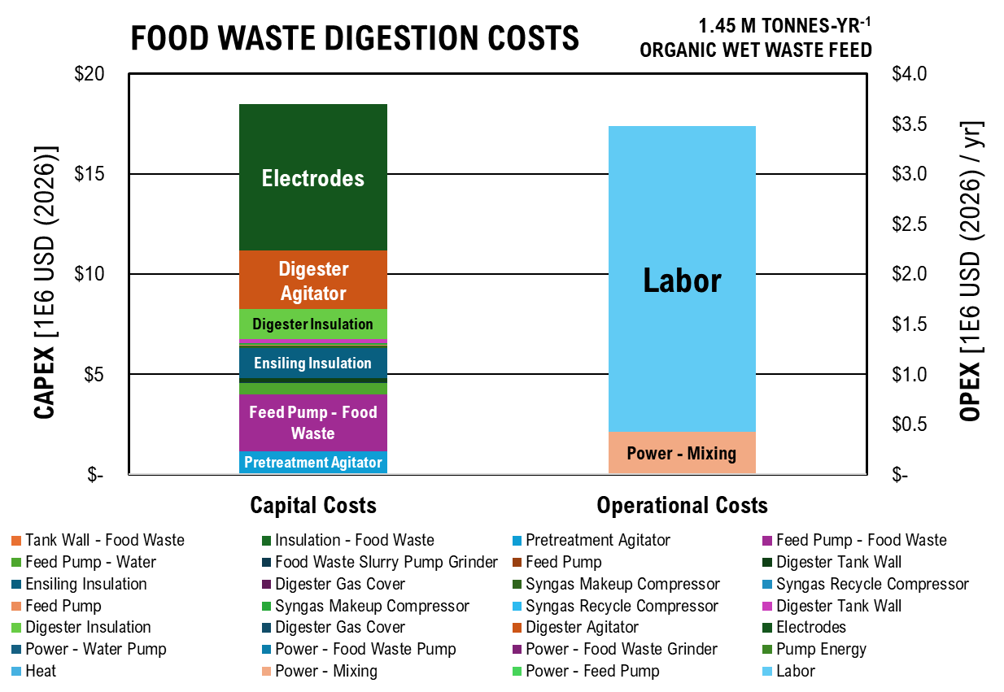
 | Capital Costs | Operational Costs
Tank Wall - Food Waste | $1,667.61
Insulation - Food Waste | $413.95
Pretreatment Agitator | $385,182.22
Feed Pump - Food Waste | $1,177,323.01
Feed Pump - Water | $236,717.80
Food Waste Slurry Pump Grinder | $3,367.39
Feed Pump | $13,596.24
Digester Tank Wall | $91,509.66
Ensiling Insulation | $493,806.57
Digester Gas Cover | $3,555.77
Syngas Makeup Compressor | $112,340.64
Syngas Recycle Compressor | $2,539.78
Feed Pump | $13,596.24
Syngas Makeup Compressor | $112,340.64
Syngas Recycle Compressor | $2,539.78
Digester Tank Wall | $91,509.66
Digester Insulation | $493,806.57
Digester Gas Cover | $158.99
Digester Agitator | $978,362.83
Electrodes | $2,549,771.74
Power - Water Pump |  | $97.14
Power - Food Waste Pump |  | $35.29
Power - Food Waste Grinder |  | $1,097.16
Pump Energy |  | $644.45
Heat |  | $160.39
Power - Mixing |  | $138,936.25
Power - Feed Pump |  | $644.45
Labor |  | $3,050,000.00

Electrochemically-Enhanced Chain Elongation

Chain-Elongation Costs
 | Feed Pump - Digestate | Feed Pump - Lactate | Feed Pump - Other | Syngas Makeup Compressor | Syngas Recycle Compressor | Tank Wall | Insulation | Agitator | Electrodes | Gas Cover | Feed Pump | Centrifuge
Capital Costs | 148966.43238 | 23450.158969 | 12.494386588 | 112340.6379 | 2539.7795703 | 317026.3751 | 94829.710818 | 11999118.171 | 81802804.387 | 312.71559484 | 148966.43238 | 61117200.279
Operational Costs
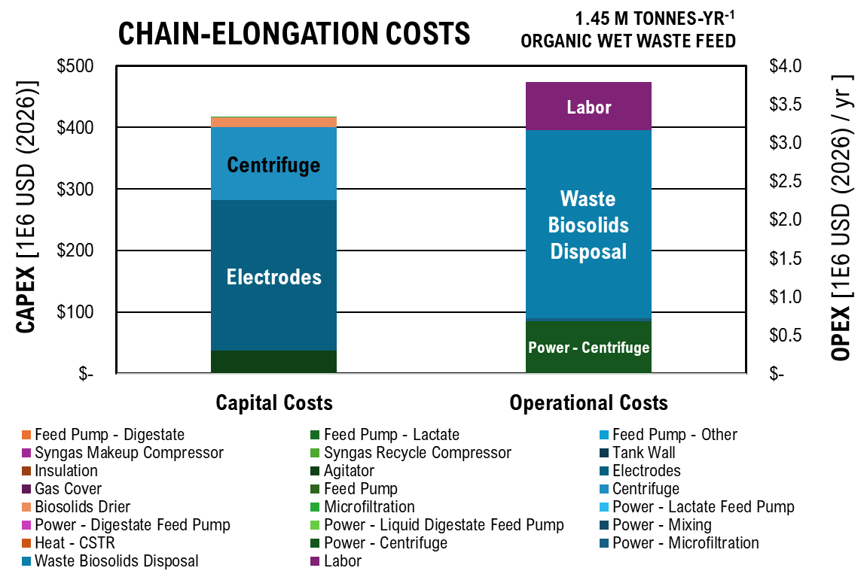
 | Capital Costs | Operational Costs
Feed Pump - Digestate | $148,966.43
Feed Pump - Lactate | $23,450.16
Feed Pump - Other | $12.49
Syngas Makeup Compressor | $112,340.64
Syngas Recycle Compressor | $2,539.78
Tank Wall | $317,026.38
Insulation | $94,829.71
Agitator | $11,999,118.17
Electrodes | $81,802,804.39
Gas Cover | $312.72
Feed Pump | $148,966.43
Centrifuge | $61,117,200.28
Biosolids Drier | $8,346,771.25
Microfiltration | $10,270.37
Power - Lactate Feed Pump |  | $1,213.14
Power - Digestate Feed Pump |  | $613.76
Power - Liquid Digestate Feed Pump |  | $10,847.43
Power - Mixing |  | $1,703,981.87
Heat - CSTR |  | $1,065.71
Power - Centrifuge |  | $226,947.37
Power - Microfiltration |  | $12,234.58
Waste Biosolids Disposal |  | $816,843.41
Labor |  | $630,000.00

Path A Separations

 | Capital Costs | Operational Costs
Anion-Exchange Membrane | $7,298,062.33
Cation-Exchange Membrane | $7,982,255.67
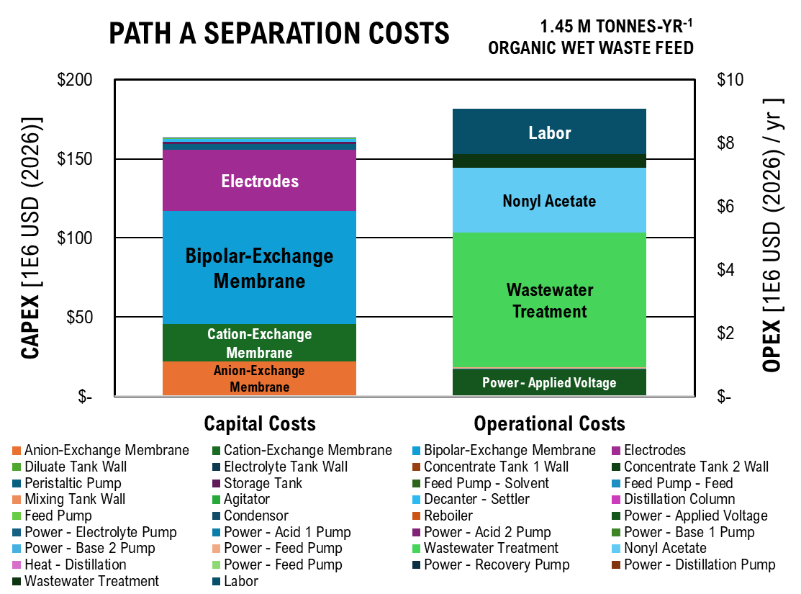
Bipolar-Exchange Membrane | $23,946,767.02
Path A Separation Costs
 | Anion-Exchange Membrane | Cation-Exchange Membrane | Bipolar-Exchange Membrane | Electrodes | Diluate Tank Wall | Electrolyte Tank Wall | Concentrate Tank 1 Wall | Concentrate Tank 2 Wall | Peristaltic Pump | Storage Tank | Feed Pump - Solvent | Feed Pump - Feed
Capital Costs | 7298062.3306 | 7982255.6741 | 23946767.022 | 12879415.521 | 37742.486545 | 912.14140657 | 912.14140657 | 912.14140657 | 1545723.8528 | 468819.87532 | 4985.1483855 | 36337.632587
Operational Costs
Electrodes | $12,879,415.52
Diluate Tank Wall | $37,742.49
Electrolyte Tank Wall | $912.14
Concentrate Tank 1 Wall | $912.14
Concentrate Tank 2 Wall | $912.14
Peristaltic Pump | $1,545,723.85
Storage Tank | $468,819.88
Feed Pump - Solvent | $4,985.15
Feed Pump - Feed | $36,337.63
Mixing Tank Wall | $10,100.16
Agitator | $3,176.07
Decanter - Settler | $1,197,103.53
Distillation Column | $25,962.94
Feed Pump | $1,456.20
Condensor | $838.46
Reboiler | $23.08
Power - Applied Voltage |  | $282,403.28
Power - Electrolyte Pump |  | $1,267.07
Power - Acid 1 Pump |  | $1,309.17
Power - Acid 2 Pump |  | $1,309.17
Power - Base 1 Pump |  | $1,309.17
Power - Base 2 Pump |  | $1,309.17
Power - Feed Pump |  | $11,193.25
Wastewater Treatment |  | $1,423,879.65
Nonyl Acetate |  | $679,663.22
Heat - Distillation |  | $238.12
Power - Feed Pump |  | $833.78
Power - Recovery Pump |  | $143.04
Power - Distillation Pump |  | $73.43
Wastewater Treatment |  | $142,363.52
Labor |  | $1,435,000.00

Fuel Upgrading

Path A Fuel Upgrading Costs
 | Storage Tank | Feed Pump | Fixed Bed Reactor - Ketonization | Heat Exchanger | Knockout Drum | Product Pump | Catalyst Regeneration Air Blower | Storage Tank | High Pressure Feed Pump | Fixed Bed Reactor - Hydrodeoxygenation | Heat Exchanger | Cool Water Heat Exchanger
Capital Costs | 128111.62561 | 104139.74197 | 1019997.5079 | 2399.0067468 | 2842.2689288 | 104139.74197 | 948622.83802 | 128111.62561 | 858.35344957 | 2892937.0287 | 2399.0067468 | 6874.9784741
Operational Costs
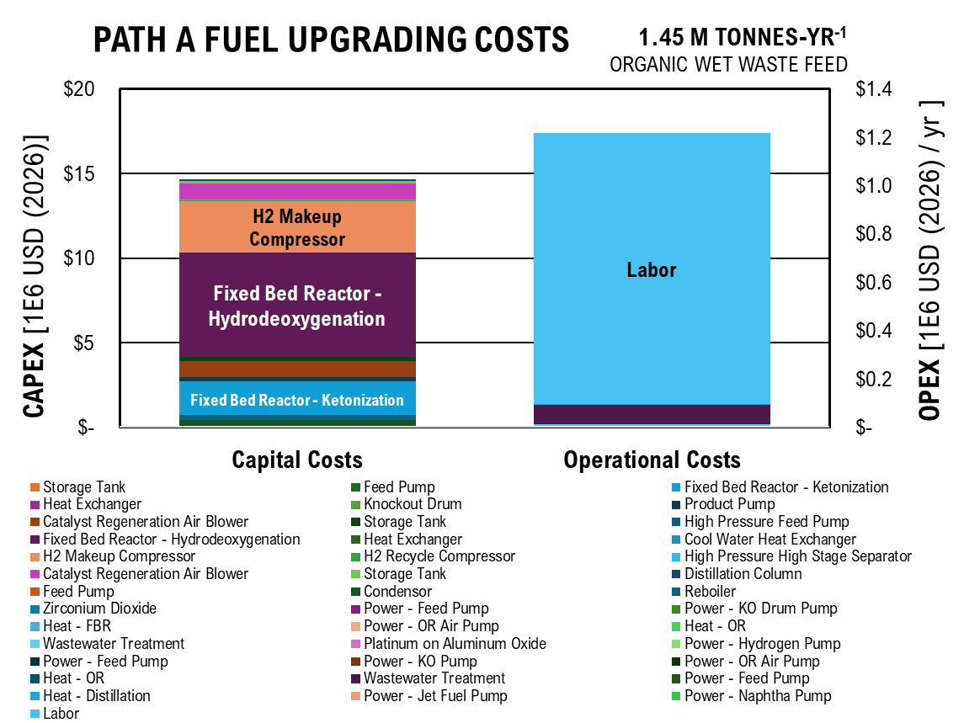
 | Capital Costs | Operational Costs
Storage Tank | $128,111.63
Feed Pump | $104,139.74
Fixed Bed Reactor - Ketonization | $1,019,997.51
Heat Exchanger | $2,399.01
Knockout Drum | $2,842.27
Product Pump | $104,139.74
Catalyst Regeneration Air Blower | $948,622.84
Storage Tank | $128,111.63
High Pressure Feed Pump | $858.35
Fixed Bed Reactor - Hydrodeoxygenation | $2,892,937.03
Heat Exchanger | $2,399.01
Cool Water Heat Exchanger | $6,874.98
H2 Makeup Compressor | $1,590,078.21
H2 Recycle Compressor | $35,948.24
High Pressure High Stage Separator | $5,084.32
Catalyst Regeneration Air Blower | $948,622.84
Storage Tank | $85,407.75
Distillation Column | $25,910.66
Feed Pump | $1,453.27
Condensor | $25,229.60
Reboiler | $20,898.31
Zirconium Dioxide |  | $0.02
Power - Feed Pump |  | $21.48
Power - KO Drum Pump |  | $2.16
Heat - FBR |  | $834.23
Power - OR Air Pump |  | $830.49
Heat - OR |  | $673.80
Wastewater Treatment |  | $2,793.42
Platinum on Aluminum Oxide |  | $0.98
Power - Hydrogen Pump |  | $0.00
Power - Feed Pump |  | $21.48
Power - KO Pump |  | $2.16
Power - OR Air Pump |  | $830.49
Heat - OR |  | $673.80
Wastewater Treatment |  | $26,277.36
Power - Feed Pump |  | $21.48
Heat - Distillation |  | $238.12
Power - Jet Fuel Pump |  | $19.34
Power - Naphtha Pump |  | $2.15
Labor |  | $1,125,000.00

Cell Imobilization & Alcohol Conversion

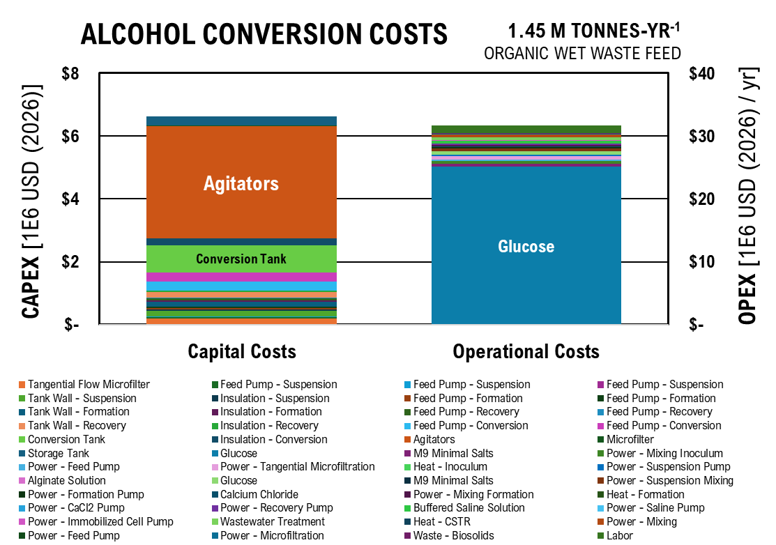
Alcohol Conversion Costs
 | Tangential Flow Microfilter | Feed Pump - Suspension | Feed Pump - Suspension | Feed Pump - Suspension | Tank Wall - Suspension | Insulation - Suspension | Feed Pump - Formation | Feed Pump - Formation | Tank Wall - Formation | Insulation - Formation | Feed Pump - Recovery | Feed Pump - Recovery
Capital Costs | 76597.691059 | 19160.294014 | 11004.699107 | 6320.539881 | 103188.42939 | 25614.3994 | 19466.25044 | 12306.553521 | 104628.77062 | 25971.934405 | 19922.948314 | 11442.728978
Operational Costs
 | Capital Costs | Operational Costs
Tangential Flow Microfilter | $76,597.69
Feed Pump - Suspension | $19,160.29
Feed Pump - Suspension | $11,004.70
Feed Pump - Suspension | $6,320.54
Tank Wall - Suspension | $103,188.43
Insulation - Suspension | $25,614.40
Feed Pump - Formation | $19,466.25
Feed Pump - Formation | $12,306.55
Tank Wall - Formation | $104,628.77
Insulation - Formation | $25,971.93
Feed Pump - Recovery | $19,922.95
Feed Pump - Recovery | $11,442.73
Tank Wall - Recovery | $107,484.32
Insulation - Recovery | $26,680.77
Feed Pump - Conversion | $120,893.28
Feed Pump - Conversion | $120,893.28
Conversion Tank | $517,167.23
Insulation - Conversion | $128,376.10
Agitators | $1,199,911.82
Microfilter | $10,270.37
Storage Tank | $134,213.39
Glucose |  | $8,408,124.79
M9 Minimal Salts |  | $155,173.53
Power - Mixing Inoculum |  | $136,318.55
Power - Feed Pump |  | $68,159.27
Power - Tangential Microfiltration |  | $204,477.82
Heat - Inoculum |  | $85.26
Power - Suspension Pump |  | $68,159.27
Alginate Solution |  | $9,267.97
Glucose |  | $168,162.50
M9 Minimal Salts |  | $3,103.47
Power - Suspension Mixing |  | $170,398.19
Power - Formation Pump |  | $68,159.27
Calcium Chloride |  | $19,612.35
Power - Mixing Formation |  | $68,159.27
Heat - Formation |  | $85.26
Power - CaCl2 Pump |  | $1,363.19
...
 | Capital Costs | Operational Costs
Power - Microfiltration |  | $12,234.58
Waste - Biosolids |  | $65,347.47
Labor |  | $1,190,000.00

Path B Separations

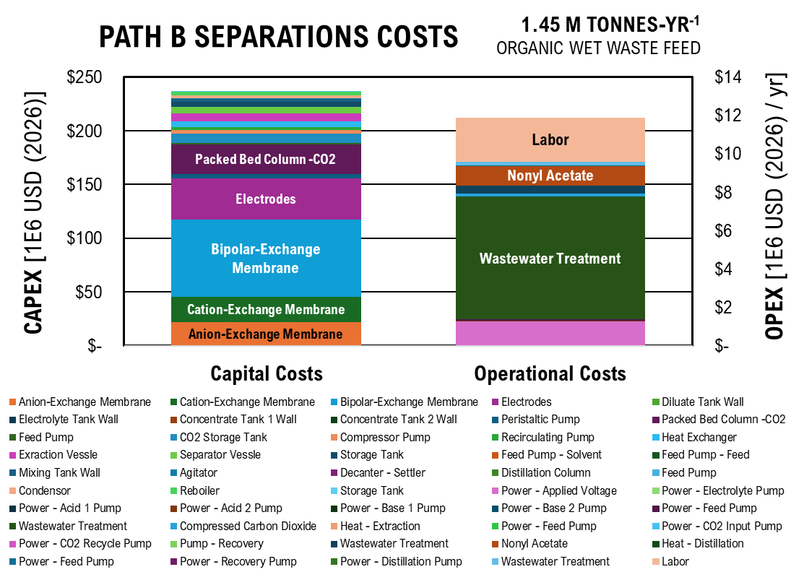
 | Capital Costs | Operational Costs
Anion-Exchange Membrane | $7,298,062.33
Cation-Exchange Membrane | $7,982,255.67
Path B Separations Costs
 | Anion-Exchange Membrane | Cation-Exchange Membrane | Bipolar-Exchange Membrane | Electrodes | Diluate Tank Wall | Electrolyte Tank Wall | Concentrate Tank 1 Wall | Concentrate Tank 2 Wall | Peristaltic Pump | Packed Bed Column -CO2 | Feed Pump | CO2 Storage Tank
Capital Costs | 7298062.3306 | 7982255.6741 | 23946767.022 | 12879415.521 | 37742.486545 | 912.14140657 | 912.14140657 | 912.14140657 | 1545723.8528 | 12782329.001 | 707684.31437 | 4140710.4771
Operational Costs
Bipolar-Exchange Membrane | $23,946,767.02
Electrodes | $12,879,415.52
Diluate Tank Wall | $37,742.49
Electrolyte Tank Wall | $912.14
Concentrate Tank 1 Wall | $912.14
Concentrate Tank 2 Wall | $912.14
Peristaltic Pump | $1,545,723.85
Packed Bed Column -CO2 | $12,782,329.00
Feed Pump | $707,684.31
CO2 Storage Tank | $4,140,710.48
Compressor Pump | $1,252,933.19
Recirculating Pump | $1,053,748.38
Heat Exchanger | $2,269,197.46
Exraction Vessle | $3,113,633.07
Separator Vessle | $2,655,745.85
Storage Tank | $2,180,303.03
Feed Pump - Solvent | $36,337.63
Feed Pump - Feed | $4,985.15
Mixing Tank Wall | $1,216,981.70
Agitator | $175,675.30
Decanter - Settler | $5,045.58
Distillation Column | $150,440.77
Feed Pump | $1,456.20
Condensor | $1,547,412.94
Reboiler | $1,812,683.73
Storage Tank | $82,444.61
Power - Applied Voltage |  | $423,604.92
Power - Electrolyte Pump |  | $1,963.76
Power - Acid 1 Pump |  | $1,963.76
Power - Acid 2 Pump |  | $1,963.76
Power - Base 1 Pump |  | $1,963.76
Power - Base 2 Pump |  | $1,963.76
Power - Feed Pump |  | $16,789.87
Wastewater Treatment |  | $2,135,819.48
Compressed Carbon Dioxide |  | $53,145.69
Heat - Extraction |  | $238.12
...
 | Capital Costs | Operational Costs
Power - Distillation Pump |  | $36.71
Wastewater Treatment |  | $71,181.76
Labor |  | $2,280,000.00

Ester Production

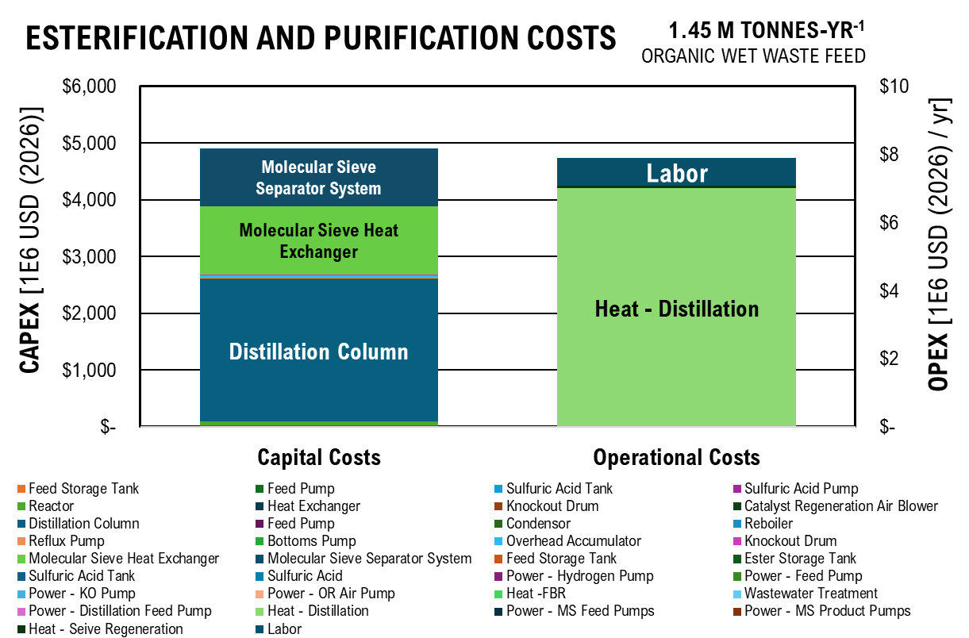
Esterification and Purification Costs
 | Feed Storage Tank | Feed Pump | Sulfuric Acid Tank | Sulfuric Acid Pump | Reactor | Heat Exchanger | Knockout Drum | Catalyst Regeneration Air Blower | Distillation Column | Feed Pump | Condensor | Reboiler
Capital Costs | 128111.62561 | 104139.74197 | 378606.58321 | 10383462.154 | 27839720.708 | 0 | 2842.2689288 | 948622.83802 | 1268606542.1 | 58525.532192 | 4514340.7468 | 4458529.1892
Operational Costs
 | Capital Costs | Operational Costs
Feed Storage Tank | $128,111.63
Feed Pump | $104,139.74
Sulfuric Acid Tank | $378,606.58
Sulfuric Acid Pump | $10,383,462.15
Reactor | $27,839,720.71
Heat Exchanger | $-
Knockout Drum | $2,842.27
Catalyst Regeneration Air Blower | $948,622.84
Distillation Column | $1,268,606,542.06
Feed Pump | $58,525.53
Condensor | $4,514,340.75
Reboiler | $4,458,529.19
Reflux Pump | $1,560,212.25
Bottoms Pump | $4,057,060.97
Overhead Accumulator | $21,864,055.00
Knockout Drum | $7,788,136.90
Molecular Sieve Heat Exchanger | $608,611,484.27
Molecular Sieve Separator System | $536,314,281.54
Feed Storage Tank | $427,038.75
Ester Storage Tank | $427,038.75
Sulfuric Acid Tank | $1,262,021.94
Sulfuric Acid |  | $9.95
Power - Hydrogen Pump |  | $19.34
Power - Feed Pump |  | $1.94
Power - KO Pump |  | $750.81
Power - OR Air Pump |  | $747.44
Heat -FBR |  | $606.42
Wastewater Treatment |  | $2,514.08
Power - Distillation Feed Pump |  | $214.84
Heat - Distillation |  | $2,381,191.77
Power - MS Feed Pumps |  | $2,148.39
Power - MS Product Pumps |  | $2,148.39
Heat - Seive Regeneration |  | $23,811.92
Labor |  | $800,000.00

A_DCFROR
 |  |  |  |  | Net Present Values
 |  |  |  |  |  | Portion of MFSP | Expenses | Fraction of Cost
 |  |  |  |  | Operating Costs | $0.78 | $762,413,995 | 65%
 |  | $82,874,313.66 |  |  | Equipment and Facilities | $0.31 | $300,323,629.12 | 26%
 |  | $627,766,783.28 |  |  | Taxes | $- | $- | 0%
 |  | $94,165,017 |  |  | Land | $0.12 | $113,939,671.17 | 10%
Working capital |  | $31,388,339 |  |  | Total | $1.20 | $1,176,677,295 | 100%

CAPEX vs OPEX
111983878.34 | 0
0 | 864259905.03
10000000 | 787511667.83
Loan
Equity |  | 40%
Loan interest |  | 8% |  |  | CAPEX / OPEX Ratios
Loan term |  | 10 |  |  | OPEX | CAPEX | Ratio
Annual loan payment |  | $56,133,457.64 |  |  | 127091085.75 | $- | -7.6971222719
 |  |  |  |  | $- | 978137831.81 | 0.1299186845
Depreciation |  |  |  |  | $10,000,000.00 | $901,389,594.60
MACRS | Years | 7
Solve OPEX vs CAPEX
Construction Period
Construciton period (years) |  | 3
 | % yr -2 | 10%
 | % yr -1 | 50%
 | % yr 0 | 40%

Productivity
Start up time | Years | 0.5
Start up production | % of full production | 50%

>90% Ammonia Sulfate | kg/yr | 850,932.23 |  | Mass Allocation
>90% Magnesium Sulfate | kg/yr | 366,959.36 |  | Total Product | 13,581,409.87 | kg/hr
Jet Fuel | kg/yr | 12,122,611.41 |  | >90% Ammonia Sulfate | 6%
Naphtha | kg/yr | 240,906.86 |  | >90% Magnesium Sulfate | 3%
Waste Collection | kg/yr | 447,512,997.59 |  | Jet Fuel | 89%
 |  |  |  | Naphtha | 2%
Internal Rate of Return and Tax Rate
Internal rate of return |  | 10%
Tax rate |  | 35%

Results

Solve for MSP
>90% Ammonia Sulfate | per kg | $1.20
>90% Magnesium Sulfate | per kg | $2.00
MSP Jet Fuel | per kg | $7.33
Naphtha | per kg | $0.85
Waste Collection | per kg | $0.05

Net Present Value |  | (533,913,534.54)

Cash flow analysis

Year |  |  | -2 | -1 | 0 | 1 | 2 | 3 | 4 | 5
Equipment and facilities capital |  |  | $25,110,671 | $125,553,357 | $100,442,685
Land capital |  |  | $94,165,017
Working capital |  |  |  |  | $31,388,339
...
 |  |  |  |  |  |  |  |  |  |  | $9,255,250.68 | $8,413,864.25 | $7,648,967.50 | $6,953,606.82 | $6,321,460.75 | $5,746,782.50 | $5,224,347.72 | $4,749,407.02
...
 |  |  |  |  |  |  |  |  |  |  | $2,717,739.13 | $2,470,671.94 | $2,246,065.40 | $2,041,877.63 | $1,856,252.39 | $1,687,502.18 | $1,534,092.89 | $1,394,629.90

 |  |  |  |  |  |  |  |  |  |  | $114,036.65 | $103,669.68 | $94,245.17 | $85,677.43 | $77,888.57 | $70,807.79 | $64,370.72 | $58,518.83
 |  |  |  |  |  |  |  |  |  |  | $2,498,871.36 | $2,271,701.23 | $2,065,182.94 | $1,877,439.04 | $1,706,762.76 | $1,551,602.51 | $1,410,547.74 | $1,282,316.12
...
PATH A DISCOUNTED CASH FLOW RATE OF RETURN
 | Capital Investment | Tax | Depreciation | Loan Payment | Operational Expenses | Revenue | Net Present Value
-2 | $119 |  |  | $(3)
-1 | $126 |  |  | $(18)
0 | $132 |  | -89.707873331 | $(30)
1 |  | 0 | -153.74008523 | $(30) | -62.155735247 | -30.357766412 | -498.28759347
2 |  | 0 | -109.7964104 | $(28) | -82.874313662 | -21.333530185 | -519.62112365
3 |  | 0 | -78.408071232 | $(26) | -82.874313662 | -19.39411835 | -539.015242
4 |  | 0 | -56.059573747 | $(23) | -82.874313662 | -17.631016682 | -556.64625869
5 |  | 0 | -55.996797069 | $(21) | -82.874313662 | -16.028196984 | -572.67445567
6 |  | 0 | -56.059573747 | $(18) | -82.874313662 | -14.571088167 | -587.24554384
7 |  | 0 | -27.998398534 | $(15) | -82.874313662 | -13.246443788 | -600.49198762
8 |  | 0 | 0 | $(12) | -82.874313662 | -12.042221626 | -612.53420925
9 |  | 0 | 0 | $(8) | -82.874313662 | -10.947474205 | -623.48168345
10 |  | 0 | 0 | $(4) | -82.874313662 | -9.9522492773 | -633.43393273
11 |  | 0 | 0 | $(0) | -82.874313662 | 10.626935117 | -622.80699762
12 |  | 0 | 0 | $(0) | -82.874313662 | 9.660850106 | -613.14614751
13 |  | 0 | 0 | $(0) | -82.874313662 | 8.7825910055 | -604.3635565
14 |  | 0 | 0 | $(0) | -82.874313662 | 7.9841736413 | -596.37938286
15 |  | 0 | 0 | $(0) | -82.874313662 | 7.2583396739 | -589.12104319
16 |  | 0 | 0 | $(0) | -82.874313662 | 6.5984906127 | -582.52255258
17 |  | 0 | 0 | $(0) | -82.874313662 | 5.9986278297 | -576.52392475
18 |  | 0 | 0 | $(0) | -82.874313662 | 5.453298027 | -571.07062672
19 |  | 0 | 0 | $(0) | -82.874313662 | 4.9575436609 | -566.11308306
20 |  | 0 | 0 | $(0) | -82.874313662 | 4.5068578736 | -561.60622518
21 |  | 0 | 0 | $(0) | -82.874313662 | 4.0971435214 | -557.50908166
22 |  | 0 | 0 | $(0) | -82.874313662 | 3.7246759286 | -553.78440573
23 |  | 0 | 0 | $(0) | -82.874313662 | 3.386069026 | -550.39833671
24 |  | 0 | 0 | $(0) | -82.874313662 | 3.0782445691 | -547.32009214
25 |  | 0 | 0 | $(0) | -82.874313662 | 2.7984041537 | -544.52168799
26 |  | 0 | 0 | $(0) | -82.874313662 | 2.5440037761 | -541.97768421
27 |  | 0 | 0 | $(0) | -82.874313662 | 2.3127307055 | -539.6649535
28 |  | 0 | 0 | $(0) | -82.874313662 | 2.1024824596 | -537.56247104
29 |  | 0 | 0 | $(0) | -82.874313662 | 1.9113476905 | -535.65112335
30 |  | 0 | 0 | $(0) | -82.874313662 | 1.7375888096 | -533.91353454
...
 |  |  |  |  |  |  |  |  |  |  | 25 | 26 | 27 | 28 | 29 | 30
...
 |  |  |  |  |  |  |  |  |  |  | 0 | 0 | 0 | 0 | 0 | 0
 |  |  |  |  |  |  |  |  |  |  | $- | $- | $- | $- | $- | $-
 |  |  |  |  |  |  |  |  |  |  | $(0) | $(0) | $(0) | $(0) | $(0) | $(0)
 |  |  |  |  |  |  |  |  |  |  | $(82.87) | $(82.87) | $(82.87) | $(82.87) | $(82.87) | $(82.87)
 |  |  |  |  |  |  |  |  |  |  | $3 | $3 | $2 | $2 | $2 | $2
 |  |  |  |  |  |  |  |  |  |  | $(545) | $(542) | $(540) | $(538) | $(536) | $(534)
...
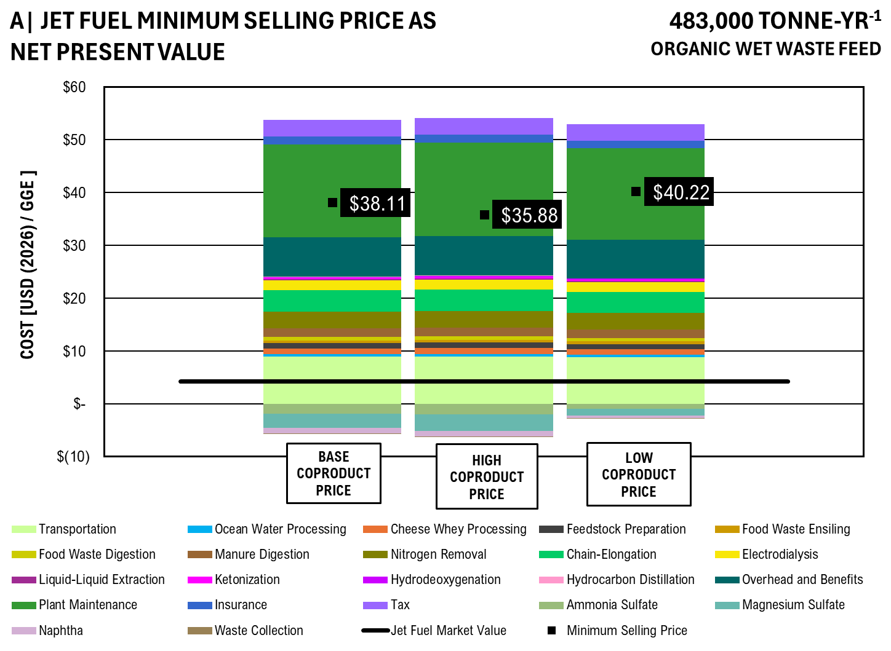
...
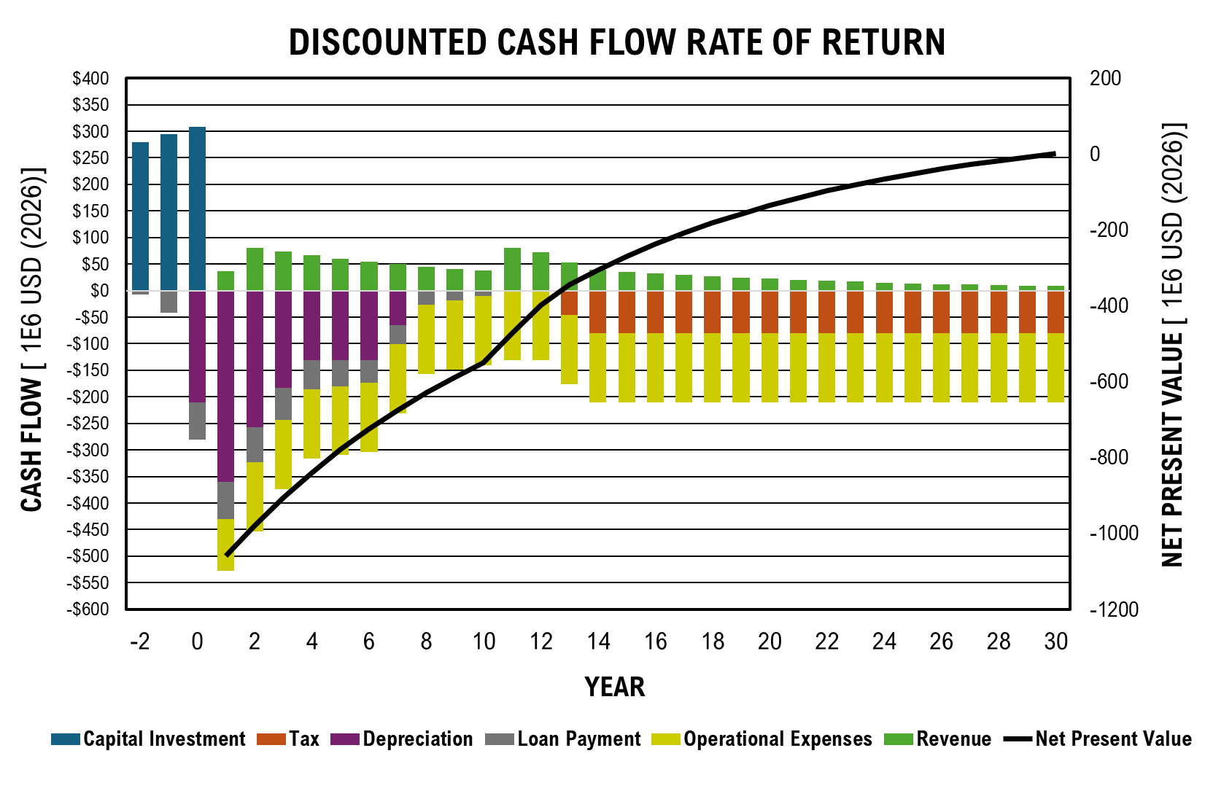
...
Pilot Scale Flow Rate - 50,000 kg/hr
Waste Collection | per kg | $0.03 | $0.05 | $0.01

Commercial Scale Flow Rate - 150,000 kg/hr
 |  | Base | High | Low
>90% Ammonia Sulfate | per kg | $0.45 | $1.20 | $0.38
>90% Magnesium Sulfate | per kg | $1.80 | $2.00 | $1.50
MSP Jet Fuel - 50k kg/hr | per kg | $8.86 | $8.04 | $9.63
Naphtha | per kg | $0.65 | $0.85 | $0.45
Waste Collection | per kg | $0.03 | $0.05 | $0.01

 | Transportation | Ocean Water Processing | Cheese Whey Processing | Feedstock Preparation | Food Waste Ensiling | Food Waste Digestion | Manure Digestion | Nitrogen Removal | Chain-Elongation | Electrodialysis | Liquid-Liquid Extraction | Ketonization
 | $-
Base Co-product Price | $4.29 | $0.26 | $0.80 | $1.02 | $0.21 | $0.33 | $1.44 | $2.29 | $3.93 | $1.86 | $0.14 | $0.09
High Co-product Price | $4.31 | $0.27 | $0.81 | $1.02 | $0.21 | $0.33 | $1.45 | $2.30 | $3.95 | $1.87 | $0.14 | $0.09
Low Co-product Price | $4.20 | $0.26 | $0.79 | $1.00 | $0.20 | $0.32 | $1.41 | $2.24 | $3.84 | $1.82 | $0.13 | $0.09
 | Price
Transportation | $2.01
Ocean Water Processing | $0.11
Cheese Whey Processing | $0.24
Feedstock Preparation | $0.23
Food Waste Ensiling | $0.12
Food Waste Digestion | $0.14
Manure Digestion | $0.37
Nitrogen Removal | $0.70
Chain-Elongation | $0.92
Electrodialysis | $0.42
Liquid-Liquid Extraction | $0.05
Ketonization | $0.05
Hydrodeoxygenation | $0.05
Hydrocarbon Distillation | $0.03
Overhead and Benefits | $1.66
Plant Maintenance | $1.45
Insurance | $0.34
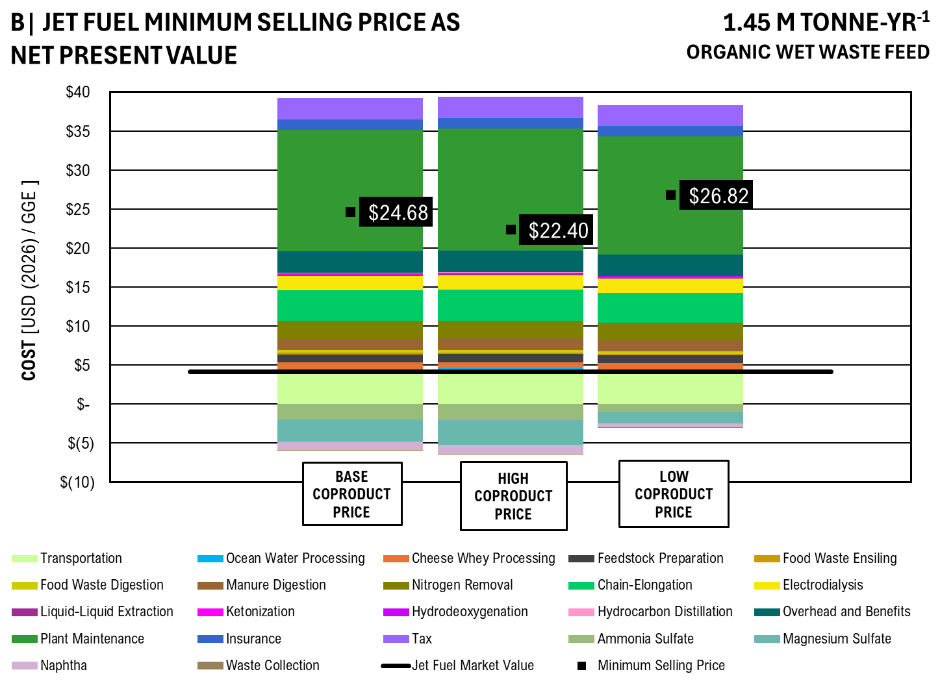
Tax | $-
Ammonia Sulfate | $(0.45)
Magnesium Sulfate | $(0.75)
Naphtha | $(0.32)
Waste Collection | $(0.02)
Minimum Selling Price | $7.33
Jet Fuel Market Value | $1.50
PC Jet Fuel Low | $0.80

GRAPH VALUES
 |  | Base Co-product Price | High Co-product Price | Low Co-product Price
Transportation | GGE | $4.29 | $4.31 | $4.20
Ocean Water Processing |  | $0.26 | $0.27 | $0.26
Cheese Whey Processing |  | $0.80 | $0.81 | $0.79
Feedstock Preparation |  | $1.02 | $1.02 | $1.00
Food Waste Ensiling |  | $0.21 | $0.21 | $0.20
Food Waste Digestion |  | $0.33 | $0.33 | $0.32
Manure Digestion |  | $1.44 | $1.45 | $1.41
Nitrogen Removal |  | $2.29 | $2.30 | $2.24
Chain-Elongation |  | $3.93 | $3.95 | $3.84
Electrodialysis |  | $1.86 | $1.87 | $1.82
Liquid-Liquid Extraction |  | $0.14 | $0.14 | $0.13
Ketonization |  | $0.09 | $0.09 | $0.09
Hydrodeoxygenation |  | $0.12 | $0.12 | $0.12
Hydrocarbon Distillation |  | $0.04 | $0.04 | $0.04
Overhead and Benefits |  | $2.78 | $2.79 | $2.72
...

B_DCFROR
 |  |  |  |  | NET PRESENT VALUES
 |  |  |  |  |  | Portion of MFSP | Expenses | Fraction of Cost |  |  | Market Value
 |  |  |  |  | Operating Costs | $0.16 | $1,772,033,326 | 41% |  |  | Caproic | per 100 g | $37.00
 |  | $192,619,818.91 |  |  | Equipment and Facilities | $0.13 | $1,525,345,491.94 | 35% |  |  |  | per kg | $370.00 | 1.9576719577
 |  | $3,188,431,212.25 |  |  | Taxes | $0.04 | $431,528,969 | 10% |  |  | Heptanoate | per kg | $321.00 | 0.86756756757
 |  | $478,264,682 |  |  | Land | $0.05 | $578,700,265.02 | 13% |  |  | Isobutyric | per kg | $189.00 | 0.51081081081
Working capital |  | $159,421,561 |  |  | Total | $0.38 | $4,307,608,052 | 100% |  |  | Isovaleric | per 500 mL | $53.90
CAPEX vs OPEX
111983878.34 | 0
0 | 864259905.03
10000000 | 787511667.83
 |  |  |  |  |  |  |  |  |  |  |  | 500 mL as kg | 0.4625
Loan |  |  |  |  |  |  |  |  |  |  |  | per kg | $116.54 | 0.31497443389
Equity |  | 40%
Loan interest |  | 8% |  |  | CAPEX / OPEX RATIOS
Loan term |  | 10 |  |  | OPEX | CAPEX | Ratio
Annual loan payment |  | $285,102,163.98 |  |  | 127091085.75 | $- | -7.6971222719
 |  |  |  |  | $- | 978137831.81 | 0.1299186845
Depreciation |  |  |  |  | $10,000,000.00 | $901,389,594.60
MACRS | Years | 7
Solve OPEX vs CAPEX
Construction Period
Construciton period (years) |  | 3
 | % yr -2 | 10%
 | % yr -1 | 50%
 | % yr 0 | 40%

Productivity
Start up time | Years | 0.5
Start up production | % of full production | 50%
 |  |  |  | Mass Allocation
>90% Ammonia Sulfate | kg/yr | 850,932.23 |  | Total Product | 5,290,069.68 | kg/hr
>90% Magnesium Sulfate | kg/yr | 366,959.36 |  | >90% Ammonia Sulfate | 16%
Pentyl Caproate | kg/yr | 838,370.22 |  | >90% Magnesium Sulfate | 7%
Other Pure Esters | kg/yr | 3,233,807.86 |  | Pentyl Caproate | 16%
Waste Collection | kg/yr | 447,512,997.59 |  | Other Pure Esters | 61%

Internal Rate of Return and Tax Rate
Internal rate of return |  | 10%
Tax rate |  | 35%

Results

Solve for MSP
>90% Ammonia Sulfate | per kg | $0.38
>90% Magnesium Sulfate | per kg | $1.50
MSP Pentyl Caproate | per kg | $756.75
Other Pure Esters | per kg | $15.00
Waste Collection | per kg | $0.01

Net Present Value |  | 36,278.84

Cash flow analysis

Year |  |  | -2 | -1 | 0 | 1 | 2 | 3 | 4 | 5
Equipment and facilities capital |  |  | $127,537,248 | $637,686,242 | $510,148,994
Land capital |  |  | $478,264,682
Working capital |  |  |  |  | $159,421,561
...
 |  |  |  |  |  |  |  |  |  |  |  |  |  |  | $6,014,543.46 | $5,467,766.78 | $4,970,697.08 | $4,518,815.52 | $4,108,014.11 | $3,734,558.28 | $3,395,052.99 | $3,086,411.80

 |  |  |  |  |  |  |  |  |  |  |  |  |  |  | $36,111.61 | $32,828.73 | $29,844.30 | $27,131.18 | $24,664.71 | $22,422.47 | $20,384.06 | $18,530.96
 |  |  |  |  |  |  |  |  |  |  |  |  |  |  | $499,774.27 | $454,340.25 | $413,036.59 | $375,487.81 | $341,352.55 | $310,320.50 | $282,109.55 | $256,463.22
...
PATH B DISCOUNTED CASH FLOW RATE OF RETURN
 | Capital Investment | Tax | Depreciation | Loan Payment | Operational Expenses | Revenue | Net Present Value
-2 | $606 |  |  | $(15)
-1 | $638 |  |  | $(92)
0 | $670 |  | -455.62682023 | $(153)
1 |  | 0 | -780.84680388 | $(153) | -144.46486418 | 78.77500195 | -2297.8433625
2 |  | 0 | -557.65661902 | $(142) | -192.61981891 | 174.02539189 | -2123.8179706
3 |  | 0 | -398.23505841 | $(131) | -192.61981891 | 158.20490172 | -1965.6130689
4 |  | 0 | -284.72690725 | $(119) | -192.61981891 | 143.82263793 | -1821.790431
5 |  | 0 | -284.40806413 | $(105) | -192.61981891 | 130.74785266 | -1691.0425783
6 |  | 0 | -284.72690725 | $(91) | -192.61981891 | 118.86168424 | -1572.1808941
7 |  | 0 | -142.20403207 | $(76) | -192.61981891 | 108.05607658 | -1464.1248175
8 |  | 0 | 0 | $(59) | -192.61981891 | 98.23279689 | -1365.8920206
9 |  | 0 | 0 | $(41) | -192.61981891 | 89.302542627 | -1276.589478
10 |  | 0 | 0 | $(21) | -192.61981891 | 81.184129661 | -1195.4053483
11 |  | 0 | 0 | $(0) | -192.61981891 | 173.73032344 | -1021.6750249
12 |  | 0 | 0 | $(0) | -192.61981891 | 157.93665768 | -863.73836718
13 |  | -98.131765237 | 0 | $(0) | -192.61981891 | 115.1535028 | -748.58486438
14 |  | -173.48551086 | 0 | $(0) | -192.61981891 | 84.842006189 | -663.74285819
15 |  | -173.48551086 | 0 | $(0) | -192.61981891 | 77.129096536 | -586.61376166
16 |  | -173.48551086 | 0 | $(0) | -192.61981891 | 70.117360487 | -516.49640117
17 |  | -173.48551086 | 0 | $(0) | -192.61981891 | 63.743054988 | -452.75334618
18 |  | -173.48551086 | 0 | $(0) | -192.61981891 | 57.948231807 | -394.80511438
19 |  | -173.48551086 | 0 | $(0) | -192.61981891 | 52.680210734 | -342.12490364
20 |  | -173.48551086 | 0 | $(0) | -192.61981891 | 47.891100667 | -294.23380297
21 |  | -173.48551086 | 0 | $(0) | -192.61981891 | 43.537364243 | -250.69643873
22 |  | -173.48551086 | 0 | $(0) | -192.61981891 | 39.579422039 | -211.11701669
23 |  | -173.48551086 | 0 | $(0) | -192.61981891 | 35.981292763 | -175.13572393
24 |  | -173.48551086 | 0 | $(0) | -192.61981891 | 32.710266148 | -142.42545778
25 |  | -173.48551086 | 0 | $(0) | -192.61981891 | 29.736605589 | -112.68885219
26 |  | -173.48551086 | 0 | $(0) | -192.61981891 | 27.033277808 | -85.655574385
27 |  | -173.48551086 | 0 | $(0) | -192.61981891 | 24.575707098 | -61.079867286
28 |  | -173.48551086 | 0 | $(0) | -192.61981891 | 22.341551908 | -38.738315379
29 |  | -173.48551086 | 0 | $(0) | -192.61981891 | 20.310501734 | -18.427813644
30 |  | -173.48551086 | 0 | $(0) | -192.61981891 | 18.464092486 | 0.03627884125
...
 |  |  |  |  |  |  |  |  |  |  |  |  |  |  | 25 | 26 | 27 | 28 | 29 | 30
...
 |  |  |  |  |  |  |  |  |  |  |  |  |  |  | -173.48551086 | -173.48551086 | -173.48551086 | -173.48551086 | -173.48551086 | -173.48551086
 |  |  |  |  |  |  |  |  |  |  |  |  |  |  | $- | $- | $- | $- | $- | $-
 |  |  |  |  |  |  |  |  |  |  |  |  |  |  | $(0) | $(0) | $(0) | $(0) | $(0) | $(0)
 |  |  |  |  |  |  |  |  |  |  |  |  |  |  | $(192.62) | $(192.62) | $(192.62) | $(192.62) | $(192.62) | $(192.62)
 |  |  |  |  |  |  |  |  |  |  |  |  |  |  | $30 | $27 | $25 | $22 | $20 | $18
 |  |  |  |  |  |  |  |  |  |  |  |  |  |  | $(113) | $(86) | $(61) | $(39) | $(18) | $0
...
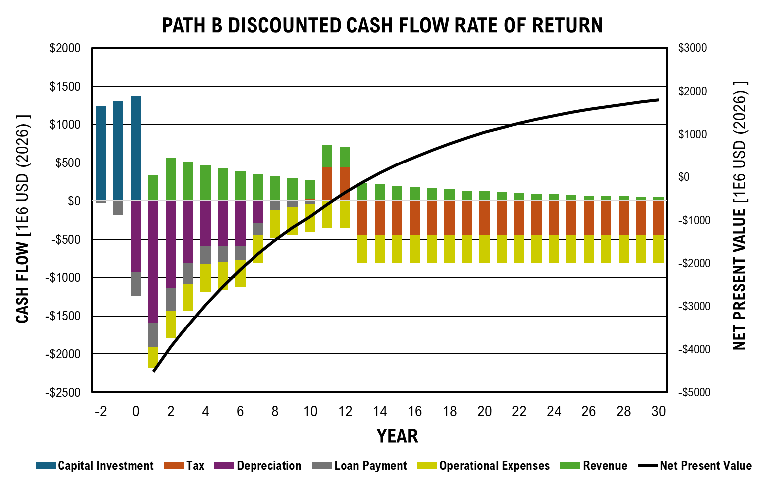
...
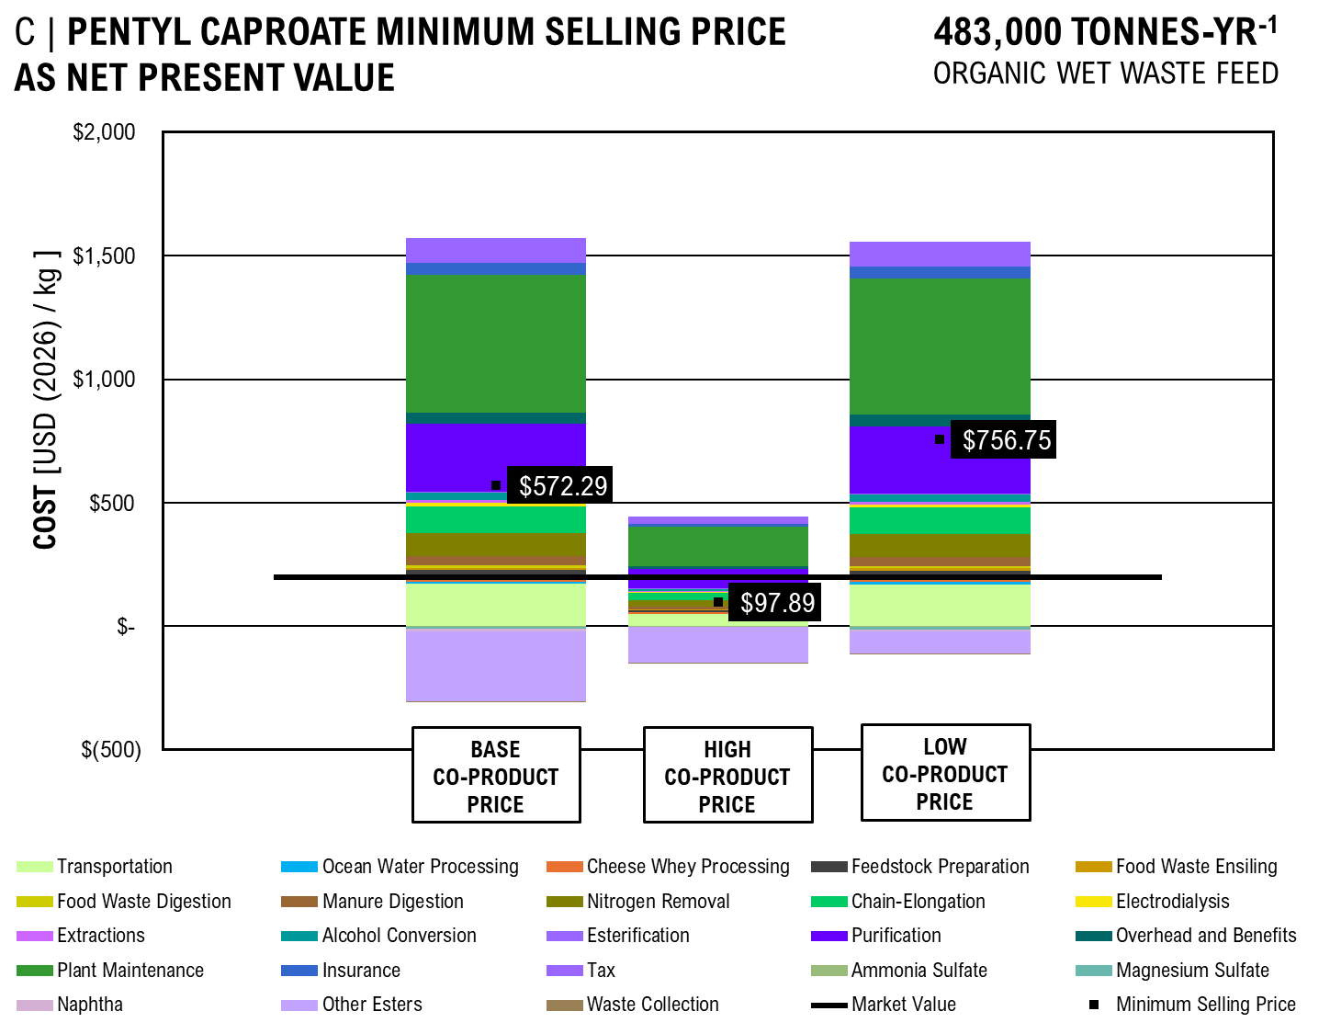
 |  |  | Base (50 kg) | High (1 kg) | Low (1 MT)
 | per kg |  | $0.45 | $1.20 | $0.38
 | per kg |  | $1.80 | $2.00 | $1.50
 | per kg |  | $572.29 | $97.89 | $756.75
 | per kg |  | $60.00 | $180.00 | $15.00
 | per kg |  | $0.03 | $0.05 | $0.01
...
 | Transportation | Ocean Water Processing | Cheese Whey Processing | Feedstock Preparation | Food Waste Ensiling | Food Waste Digestion | Manure Digestion | Nitrogen Removal | Chain-Elongation | Electrodialysis | Extractions | Alcohol Conversion
Base Coproduct Price | $171.73 | $8.93 | $16.62 | $31.69 | $7.99 | $10.67 | $35.81 | $92.52 | $109.60 | $13.95 | $9.95 | $29.77
High Coproduct Price | $48.41 | $2.52 | $4.68 | $8.93 | $2.25 | $3.01 | $10.09 | $26.08 | $30.89 | $3.93 | $2.80 | $8.39
Low Coproduct Price | $169.87 | $8.83 | $16.44 | $31.34 | $7.90 | $10.55 | $35.42 | $91.52 | $108.42 | $13.80 | $9.84 | $29.45
 |  |  | Base (50 kg) | High (1 kg) | Low (1 MT)
 | per kg |  | $0.45 | $1.20 | $0.38
 | per kg |  | $1.80 | $2.00 | $1.50
 | per kg |  | $391.15 | $(206.37) | $623.67
 | per kg |  | $60.00 | $180.00 | $15.00
 | per kg |  | $0.03 | $0.05 | $0.01

 | Price
 | $169.87
 | $8.83
 | $16.44
 | $31.34
 | $7.90
 | $10.55
 | $35.42
 | $91.52
 | $108.42
 | $13.80
 | $9.84
 | $29.45
 | $5.07
 | $271.62
 | $45.69
 | $202.31
 | $47.21
 | $99.21
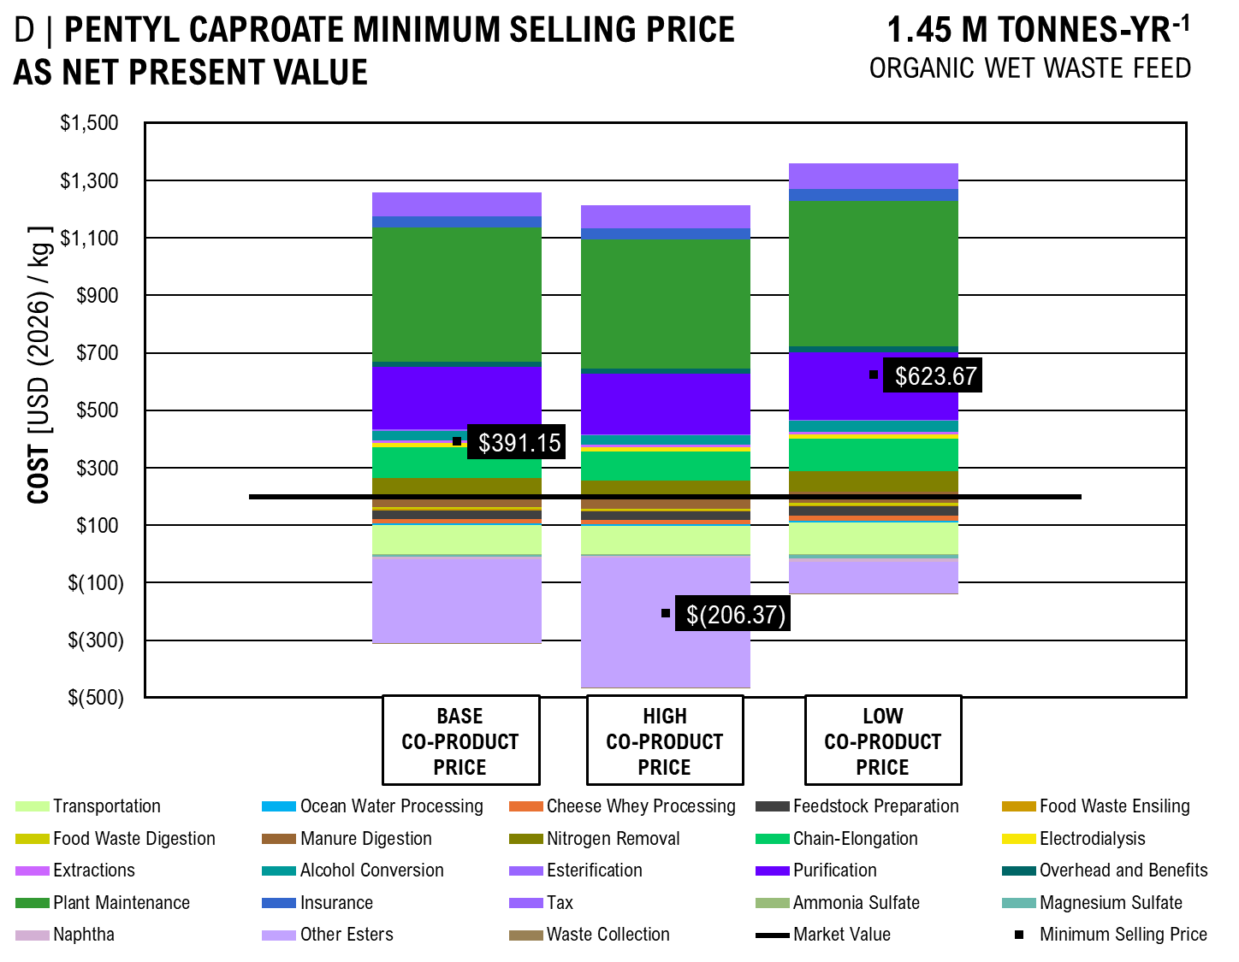
 | $(2.26)
 | $(10.72)
 | $(8.93)
 | $(89.30)
 | $(0.06)
 | $756.75
 | $198.00
...
 |  | Base Coproduct Price | High Coproduct Price | Low Coproduct Price
 |  | $171.73 | $48.41 | $169.87
 |  | $8.93 | $2.52 | $8.83
 |  | $16.62 | $4.68 | $16.44
 |  | $31.69 | $8.93 | $31.34
 |  | $7.99 | $2.25 | $7.90
 |  | $10.67 | $3.01 | $10.55
...

AB_DCFROR
 |  |  |  |  | NET PRESENT VALUES
 |  |  |  |  |  | Portion of MFSP | Expenses | Fraction of Cost
 |  |  |  |  | Operating Costs | $0.58 | $2,534,447,321 | 49%
 |  | $275,494,132.57 |  |  | Equipment and Facilities | $0.42 | $1,825,669,121.06 | 35%
 |  | $3,816,197,995.53 |  |  | Taxes | $0.04 | $171,751,137 | 3%
 |  | $572,429,699 |  |  | Land | $0.16 | $692,639,936.19 | 13%
Working capital |  | $190,809,900 |  |  | Total | $1.20 | $5,224,507,515 | 100%

CAPEX vs OPEX
111983878.34 | 0
0 | 864259905.03
10000000 | 787511667.83
Loan
Equity |  | 40%
Loan interest |  | 8% |  |  | CAPEX / OPEX RATIOS
Loan term |  | 10 |  |  | OPEX | CAPEX | Ratio
Annual loan payment |  | $341,235,621.62 |  |  | 127091085.75 | $- | -7.6971222719
 |  |  |  |  | $- | 978137831.81 | 0.1299186845
Depreciation |  |  |  |  | $10,000,000.00 | $901,389,594.60
MACRS | Years | 7
Solve OPEX vs CAPEX
Construction Period
Construciton period (years) |  | 3
 | % yr -2 | 10%
 | % yr -1 | 50%
 | % yr 0 | 40%

Productivity
Start up time | Years | 0.5
Start up production | % of full production | 50%

>90% Ammonia Sulfate | kg/yr | 1,701,864.46
>90% Magnesium Sulfate | kg/yr | 733,918.73 |  |  | Mass Allocation
Jet Fuel (Hydrocarbon C8-C16) | kg/yr | 12,122,611.41 |  |  | Total Product | 14,799,301.46 | kg/hr
 |  | 240,906.86 |  |  | >90% Ammonia Sulfate | 11%
 |  | 838,370.22 |  |  | >90% Magnesium Sulfate | 5%
Other Pure Esters | kg/yr | 3,233,807.86 |  |  | Jet Fuel (Hydrocarbon C8-C16) | 82%
Waste Collection | kg/yr | 895,025,995.19 |  |  | Naphtha (Hydrocarbon <C8) | 2%

Internal Rate of Return and Tax Rate
Internal rate of return |  | 10%
Tax rate |  | 35%

Results

Solve for MSP
>90% Ammonia Sulfate | per kg | 1.2
>90% Magnesium Sulfate | per kg | 2
MSP Jet Fuel | per kg | -8.36
Naphtha | per kg | 0.85
Pentyl Caproate | per kg | 200
Other Pure Esters | per kg | 175
Waste Collection | per kg | 0.05

Net Present Value |  | (1,385,189,586.50)

Cash flow analysis

Year |  |  | -2 | -1 | 0 | 1 | 2 | 3 | 4 | 5
Equipment and facilities capital |  |  | $152,647,920 | $763,239,599 | $610,591,679
...
 |  |  |  |  |  |  |  |  |  |  | $30,766,677.21 | $27,969,706.55 | $25,427,005.96 | $23,115,459.96 | $21,014,054.51 | $19,103,685.92 | $17,366,987.20 | $15,788,170.18
...
 |  |  |  |  |  |  |  |  |  |  | $87,338,636.49 | $79,398,760.45 | $72,180,691.31 | $65,618,810.29 | $59,653,463.90 | $54,230,421.72 | $49,300,383.39 | $44,818,530.35

 |  |  |  |  |  |  |  |  |  |  | $228,073.31 | $207,339.37 | $188,490.34 | $171,354.85 | $155,777.14 | $141,615.58 | $128,741.44 | $117,037.67
 |  |  |  |  |  |  |  |  |  |  | $4,997,742.72 | $4,543,402.47 | $4,130,365.88 | $3,754,878.07 | $3,413,525.52 | $3,103,205.02 | $2,821,095.47 | $2,564,632.25
...
PATH AB DISCOUNTED CASH FLOW RATE OF RETURN
 | Capital Investment | Tax | Depreciation | Loan Payment | OPEX | Revenue | Net Present Value
-2 | $725 |  |  | $(18)
-1 | $763 |  |  | $(110)
0 | $801 |  | -545.33469356 | $(183)
1 |  | 0 | -934.58688911 | $(183) | -206.62059943 | -33.929609756 | -2878.4778012
2 |  | 0 | -667.45302942 | $(171) | -275.49413257 | 52.877503773 | -2825.6002975
3 |  | 0 | -476.64312964 | $(157) | -275.49413257 | 48.070457975 | -2777.5298395
4 |  | 0 | -340.786481 | $(142) | -275.49413257 | 43.700416341 | -2733.8294232
5 |  | 0 | -340.4048612 | $(126) | -275.49413257 | 39.727651219 | -2694.1017719
6 |  | 0 | -340.786481 | $(109) | -275.49413257 | 36.116046563 | -2657.9857254
7 |  | 0 | -170.2024306 | $(90) | -275.49413257 | 32.832769603 | -2625.1529558
8 |  | 0 | 0 | $(70) | -275.49413257 | 29.847972366 | -2595.3049834
9 |  | 0 | 0 | $(49) | -275.49413257 | 27.134520333 | -2568.1704631
10 |  | 0 | 0 | $(25) | -275.49413257 | 24.667745757 | -2543.5027173
11 |  | 0 | 0 | $(0) | -275.49413257 | 142.02622708 | -2401.4764902
12 |  | 0 | 0 | $(0) | -275.49413257 | 129.11475189 | -2272.3617383
13 |  | 0 | 0 | $(0) | -275.49413257 | 117.37704717 | -2154.9846912
14 |  | 0 | 0 | $(0) | -275.49413257 | 106.70640652 | -2048.2782846
15 |  | 0 | 0 | $(0) | -275.49413257 | 97.005824111 | -1951.2724605
16 |  | 0 | 0 | $(0) | -275.49413257 | 88.187112828 | -1863.0853477
17 |  | 0 | 0 | $(0) | -275.49413257 | 80.170102571 | -1782.9152451
18 |  | 0 | 0 | $(0) | -275.49413257 | 72.881911428 | -1710.0333337
19 |  | -129.24522119 | 0 | $(0) | -275.49413257 | 45.123656676 | -1664.909677
20 |  | -141.82609042 | 0 | $(0) | -275.49413257 | 39.151440023 | -1625.758237
21 |  | -141.82609042 | 0 | $(0) | -275.49413257 | 35.592218203 | -1590.1660188
22 |  | -141.82609042 | 0 | $(0) | -275.49413257 | 32.356562003 | -1557.8094568
23 |  | -141.82609042 | 0 | $(0) | -275.49413257 | 29.415056366 | -1528.3944004
24 |  | -141.82609042 | 0 | $(0) | -275.49413257 | 26.740960333 | -1501.6534401
25 |  | -141.82609042 | 0 | $(0) | -275.49413257 | 24.309963939 | -1477.3434762
26 |  | -141.82609042 | 0 | $(0) | -275.49413257 | 22.099967217 | -1455.243509
27 |  | -141.82609042 | 0 | $(0) | -275.49413257 | 20.090879288 | -1435.1526297
28 |  | -141.82609042 | 0 | $(0) | -275.49413257 | 18.264435717 | -1416.8881939
29 |  | -141.82609042 | 0 | $(0) | -275.49413257 | 16.60403247 | -1400.2841615
30 |  | -141.82609042 | 0 | $(0) | -275.49413257 | 15.094574973 | -1385.1895865
...
 |  |  |  |  |  |  |  |  |  |  | 25 | 26 | 27 | 28 | 29 | 30
...
 |  |  |  |  |  |  |  |  |  |  | -141.82609042 | -141.82609042 | -141.82609042 | -141.82609042 | -141.82609042 | -141.82609042
 |  |  |  |  |  |  |  |  |  |  | $- | $- | $- | $- | $- | $-
 |  |  |  |  |  |  |  |  |  |  | $(0) | $(0) | $(0) | $(0) | $(0) | $(0)
 |  |  |  |  |  |  |  |  |  |  | $(275.49) | $(275.49) | $(275.49) | $(275.49) | $(275.49) | $(275.49)
 |  |  |  |  |  |  |  |  |  |  | $24 | $22 | $20 | $18 | $17 | $15
 |  |  |  |  |  |  |  |  |  |  | $(1,477) | $(1,455) | $(1,435) | $(1,417) | $(1,400) | $(1,385)
...
Commercial Scale - 150,000 kg/hr (75,000 input value)
Naphtha | per kg |  | 0.65 | 0.85 | 0.45
Pentyl Caproate | per kg |  | 180 | 200 | 160
Other Esters | per kg |  | 145 | 175 | 115
Waste Collection | per kg |  | 0.03 | 0.05 | 0.01

 | Price
Transportation | $(2.30)
Ocean Water Processing | $(0.12)
Cheese Whey Processing | $(0.28)
 | Transportation | Ocean Water Processing | Cheese Whey Processing | Feedstock Preparation | Food Waste Ensiling | Food Waste Digestion | Manure Digestion | Nitrogen Removal | Chain-Elongation | Electrodialysis A | Liquid-Liquid Extraction A | Ketonization
Base Coproduct Price | $4.73 | $0.26 | $0.68 | $0.68 | $0.27 | $0.35 | $1.08 | $1.95 | $2.83 | $0.65 | $0.07 | $0.05
High Coproduct Price | $1.76 | $0.10 | $0.25 | $0.25 | $0.10 | $0.13 | $0.40 | $0.73 | $1.06 | $0.24 | $0.03 | $0.02
Low Coproduct Price | $9.64 | $0.54 | $1.38 | $1.38 | $0.54 | $0.71 | $2.21 | $3.98 | $5.77 | $1.33 | $0.14 | $0.11
 | Transportation | Ocean Water Processing | Cheese Whey Processing | Feedstock Preparation | Food Waste Ensiling | Food Waste Digestion | Manure Digestion | Nitrogen Removal | Chain-Elongation | Electrodialysis A | Liquid-Liquid Extraction A | Ketonization
Base Coproduct Price | $4.73 | $0.26 | $0.68 | $0.68 | $0.27 | $0.35 | $1.08 | $1.95 | $2.83 | $0.65 | $0.07 | $0.05
High Coproduct Price | $1.76 | $0.10 | $0.25 | $0.25 | $0.10 | $0.13 | $0.40 | $0.73 | $1.06 | $0.24 | $0.03 | $0.02
Low Coproduct Price | $9.64 | $0.54 | $1.38 | $1.38 | $0.54 | $0.71 | $2.21 | $3.98 | $5.77 | $1.33 | $0.14 | $0.11
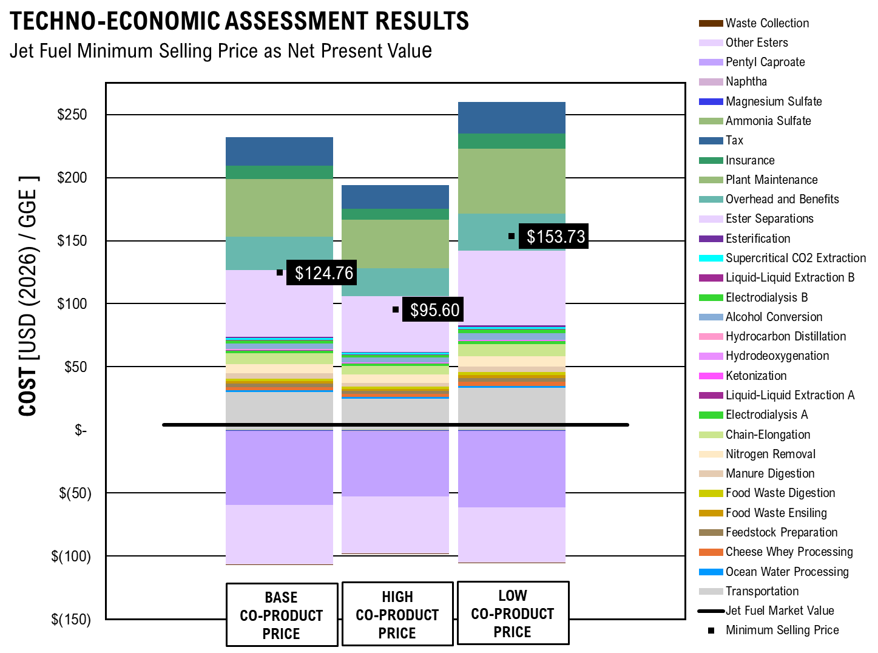
Feedstock Preparation | $(0.26)
Food Waste Ensiling | $(0.14)
Food Waste Digestion | $(0.17)
Manure Digestion | $(0.42)
Nitrogen Removal | $(0.80)
Chain-Elongation | $(1.05)
Electrodialysis | $(0.24)
Liquid-Liquid Extraction | $(0.03)
Ketonization | $(0.03)
Hydrodeoxygenation | $(0.03)
Hydrocarbon Distillation | $(0.01)
Alcohol Conversion | $(0.61)
Electrodialysis | $(0.29)
Supercritical CO2 Extraction | $(0.15)
Liquid-Liquid Extraction | $(0.05)
Esterification | $(0.11)
Ester Separations | $(5.64)
Overhead and Benefits | $(1.90)
Plant Maintenance | $(5.03)
Insurance | $(1.17)
Tax | $(0.82)
Ammonia Sulfate | $0.04
Magnesium Sulfate | $0.07
Naphtha | $0.03
Pentyl Caproate | $7.00
Other Esters | $6.13
Waste Collection | $0.00
MSP Jet Fuel | $(8.36)

GRAPH VALUES
 |  | Base Coproduct Price | High Coproduct Price | Low Coproduct Price
Transportation |  | $4.73 | $1.76 | $9.64
Ocean Water Processing |  | $0.26 | $0.10 | $0.54
Cheese Whey Processing |  | $0.68 | $0.25 | $1.38
Feedstock Preparation |  | $0.72 | $0.27 | $1.47
Food Waste Ensiling |  | $0.27 | $0.10 | $0.54
Food Waste Digestion |  | $0.35 | $0.13 | $0.71
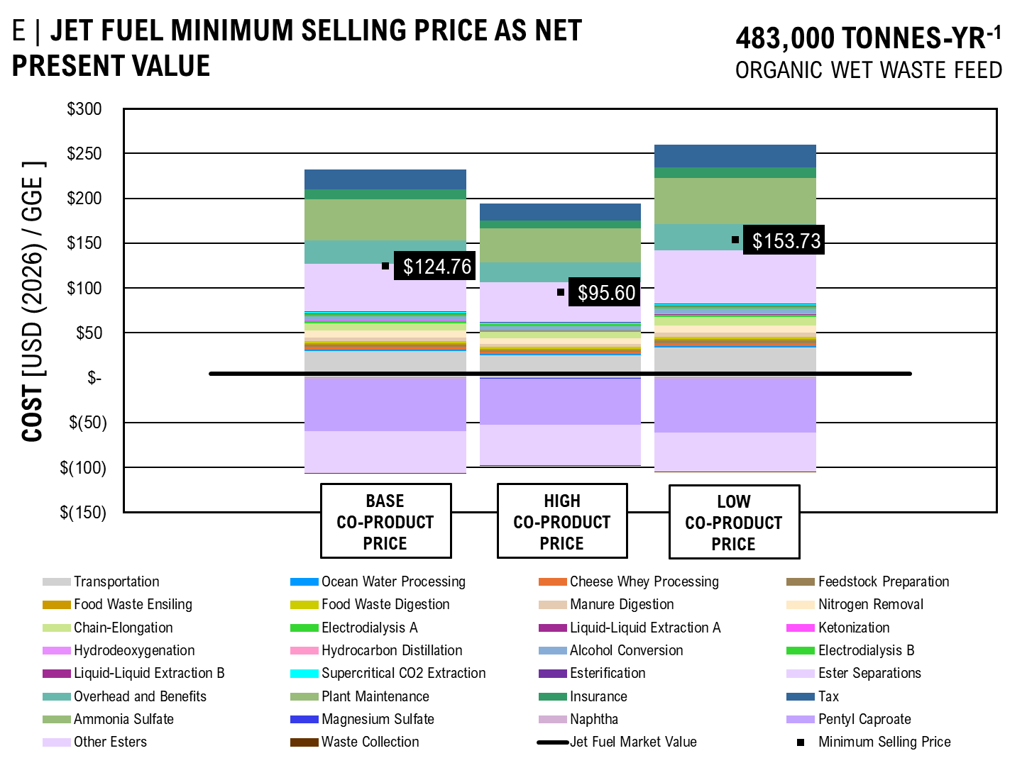
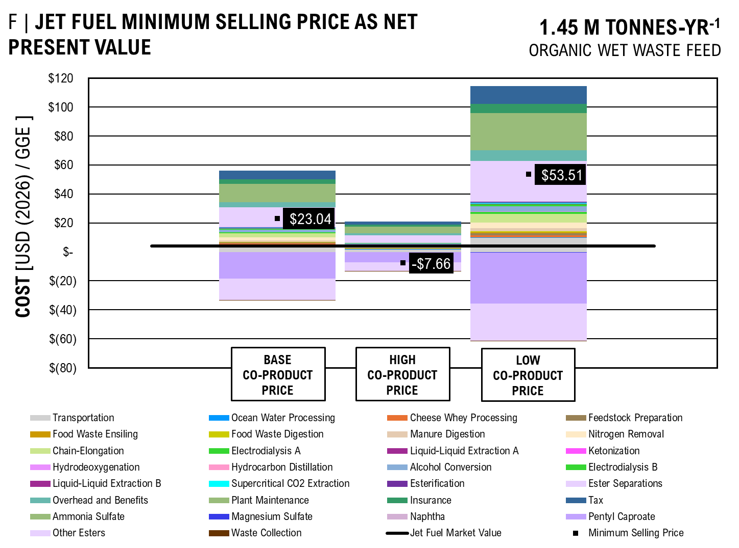
Manure Digestion |  | $1.08 | $0.40 | $2.21
Nitrogen Removal |  | $1.95 | $0.73 | $3.98
Chain-Elongation |  | $2.83 | $1.06 | $5.77
Electrodialysis A |  | $0.65 | $0.24 | $1.33
Liquid-Liquid Extraction A |  | $0.07 | $0.03 | $0.14
Ketonization |  | $0.05 | $0.02 | $0.11
Hydrodeoxygenation |  | $0.06 | $0.02 | $0.13
Hydrocarbon Distillation |  | $0.03 | $0.01 | $0.06
Alcohol Conversion |  | $1.71 | $0.64 | $3.49
...

Scale&MVA
Fuel Economies of Scale
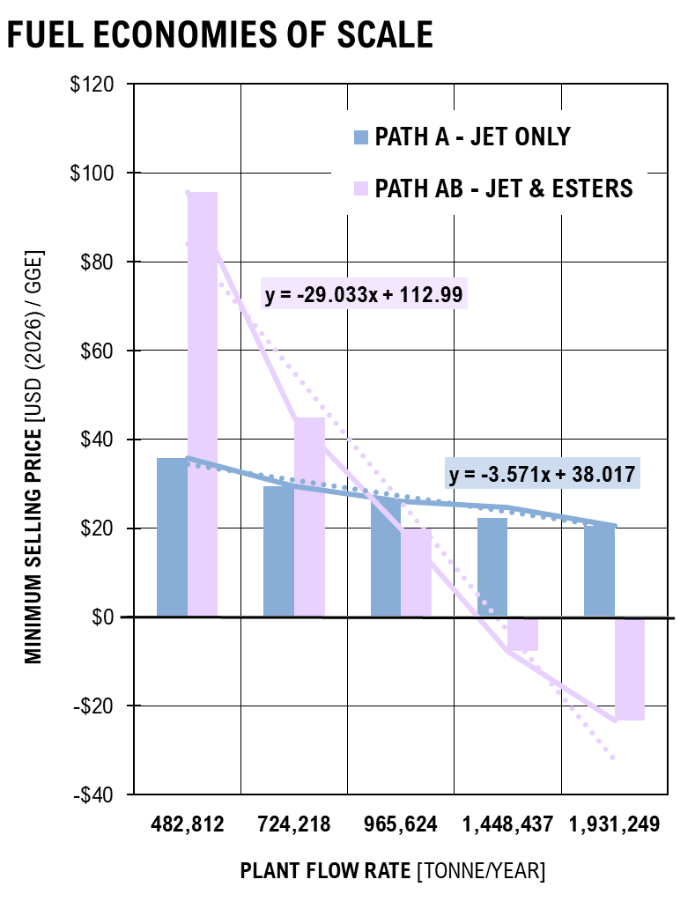
SCALE | Path A - Jet Only | Path AB - Jet & Esters | A | AB
ton/yr
482,812 | $35.88 | $95.60 | $35.88 | $95.60
724,218 | $29.47 | $44.90 | $29.47 | $44.90
965,624 | $26.07 | $19.92 | $26.07 | $19.92
1,448,437 | $22.40 | $(7.66) | $24.68 | $(7.66)
1,931,249 | $20.42 | $(23.29) | $20.42 | $(23.29)
...
Pure Product Market Values
 | Caproic Acid | Pentanol | Hexanol | Ethyl Caproate | Pentyl Caproate | Hexyl Caproate | Triethanolamine
1 | 205 | 169 | 168 | 171 | 198 | 210 | 220
5 | 55 | 44 | 43 | 48 | 73 | 85 | 70
10 | 35 | 24 | 23 | 26 | 53 | 65 | 34
50 | 29 | 18 | 17 | 20 | 47 | 59 | 24
160 |  |  | 11
170 |  | 12
180 | 23 |  |  | 14 | 41 | 53
230 |  |  |  |  |  |  | 16
 |  |  |  |  | Hexyl Caproate | Triethanolamine
 |  |  |  |  | USD | USD | Market Value: | 1 MT [USD] | 1 kg [USD]
 |  |  |  |  | 210 | 220 | Caproic Acid * | $8,950 | $205
 |  |  |  |  | 85 | 70 | Pentanol * | $4,100 | $169
 |  |  |  |  | 65 | 34 | Hexanol | $3,490 | $168
 |  |  |  |  | 59 | 24 | Ethyl Caproate | $5,010 | $171
 |  |  |  |  |  |  | Pentyl Caproate * | $20,350 | $198
 |  |  |  |  |  |  | Hexyl Caproate | $28,600 | $210
 |  |  |  |  | 53 |  | Triethanolamine | $6,216 | $220
 |  |  |  |  |  | 16 | Jet Fuel | $11.84 | $0.54
 |  |  |  |  |  |  | Diesel Fuel | $24.13 | $1.19
 |  |  |  |  | 28.581457633

BM_Flow
...
 |  |  | Unit | Value
...
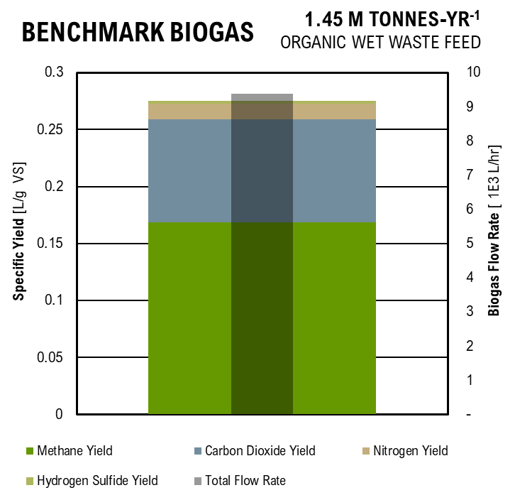
...
Benchmark Biogas
...
 |  |  |  |  |  | Figure
 |  |  |  |  |  |  | L/hr | L/ g VS
 |  |  |  |  |  | Total Methane Flow Rate | 1,914.79 | 0.17
 |  |  |  |  |  | Total Carbon Dioxide Flow Rate | 1,019.16 | 0.09
 |  |  |  |  |  | Total Nitrogen Flow Rate | 154.42 | 0.01
 |  |  |  |  |  | Hydrogen Sulfide Flow Rate | 34.69 | 0.00
...
 |  |  |  |  |  |  | L/ g VS
 |  |  |  |  |  | Methane Yield | 0.168846
 |  |  |  |  |  | Carbon Dioxide Yield | 0.089869645161
 |  |  |  |  |  | Nitrogen Yield | 0.013616612903
 |  |  | m3/hr | 3,468.99 | ton C/hr | Hydrogen Sulfide Yield | 0.0030589448555
 |  |  | m3/hr | 1,258.02 | 0.8783 | Total Flow Rate | 3,123.07
 |  |  | m3/hr | 2,017.95
 |  |  | m3/hr | 193.02
 |  |  | m3/hr | 47.18
...
 |  |  | 673.07 | emissions of stabilized sludge
...
 | Specific Investment | Upgrading Capacity
 | euro/m3 capacity | m3/hr raw biogas | euro/m3/hr | USD/m3/hr
 | 4000 | 250 | 16 | 16.5056
 | 2750 | 750 | 3.67 | 3.7825333333
 | 1900 | 1250 | 1.52 | 1.568032

Equation of Best Fit | 0.00009 | x2
 | -1.005 | x
 | 2836 | c

 | Specific Upgrading Cost | Cost of kWh | Upgrading Capacity |  | Specific Cost
Assume | euro cent / kWh | cent/kWh | m3/hr raw biogas | euro/m3/hr | USD/m3/hr
6 | 1.95 | 18 | 300 | 0.039 | 0.0402324
kWh/m3 biogas | 1.5 | 18 | 700 | 0.012857142857 | 0.013263428571
 | 1.2 | 18 | 1200 | 0.006 | 0.0061896
 | 1.15 | 18 | 1400 | 0.0049285714286 | 0.0050843142857

 |  |  |  | Upgrading Capacity | Specific Cost
Equation of Best Fit | 88.556 | A |  | m3/hr raw biogas | USD/m3/hr
 | -1.348 | n |  | 300 | 0.0402324
 |  |  |  | 700 | 0.013263428571
 |  |  |  | 1200 | 0.0061896
 |  |  |  | 1400 | 0.0050843142857

Liquid Digestate Production
Parameter | Unit | Value | Unit | Value | Unit | Value
Digested Food Waste Total Solids | kg TS/m3 | 340.37
Digested Cattle Manure Total Solids | kg TS/m3 | 140.42
Digested Pig Manure Total Solids | kg TS/m3 | 140.42
Total Total Solids in Sludge | kg TS/m3 | 621.21
Influent Flow Rate of Sludge | m3/hr | 79.337899543
Influent Flow Rate of Total Solids | kg TS / hr | 49,285.78

Researched Decanter Centrifuge Performance | Input Digestate |  | Liquid Output |  | Solid Output
...

BM_CAPEX
...
Total Capital Investment
Mechanical Equipment List |  |  |  |  | Researched Values |  |  |  |  | Scaled Installed in Current Year Factors |  |  |  | Total Cost
Equipment Name | Size | Unit | Number Required | Material | Cost | Size | Unit | Year | Source | Scaling Exponent | Installation Factor | Size Ratio | PPI
 |  |  |  |  |  |  |  |  |  |  |  |  | 2024
Investment Cost | 4,487.12 | m3/hr | 2 | Accourding to Franhofer IWES, 2012 | 4,125.00 | 250.00 | m3/hr | 2012 |  | 0.8 | 2.5 | 17.95 | 1.29 | $268,306
Total: |  |  |  |  |  |  |  |  |  |  |  |  |  | $268,306

Standard Capital Expense: |  |  |  |  |  |  |  |  |  |  |  |  |  | $282,201,172

Capital Expenses: Bio-Methane Production
Operational Expenses: Bio-Methane Production
 | Transportation | Feedstock Preparation | Anaerobic Digestion | Solid-Liquid Separation | Bio-Methane Purification | Labor | Overhead and Benefits | Plant Maintenance | Insurance and Taxes
COST | $2,681,788.90 | $160,206.14 | $14,698,821.90 | $709,189.90 | $19,231,851.38 | $9,767,120.00 | $8,790,408.00 | $8,466,035.17 | $1,975,408.21
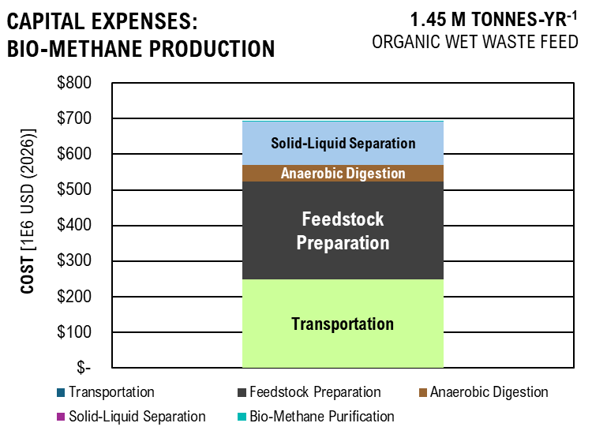
CAPEX | COST
Transportation | $98,162,779.06
Feedstock Preparation | $102,871,371
Anaerobic Digestion | $17,698,934.12
Solid-Liquid Separation | $63,199,782
Bio-Methane Purification | $268,306

CAPITAL EXPENSE

BM_OPEX
...
 |  |  |  |  |  |  |  | $160,206.14
...
 |  |  |  |  |  |  |  |  | 1 | 55 | 2.48232779
 |  |  | Researched Values |  |  |  | Scaled Cost |  | 25 | 15.2
 |  |  | Cost | Units | Year | Source | PPI 2024 | Total Cost (per year) | 40 | 12
Cost of NaOH
 |  |  | $0.18 | kWh | 2024 |  | 1.03 | $3,207.76
 |  |  | $0.18 | kWh | 2024 |  | 1.03 | $2,778,725.07
 |  |  | $2.48 | kg (2 ton) | 2024 |  | 1.00 | $11,904,000.00
 |  |  | $0.18 | kWh | 2024 |  | 1.03 | $12,889.06
 |  |  |  |  |  |  |  | $14,698,821.90
...
 |  |  | 2024 Salary | Total Cost (per year)
 |  |  | $150,000.00 | $150,000.00
 |  |  | $100,000.00 | $100,000.00
 |  |  | $85,000.00 | $170,000.00
 |  |  | $70,000.00 | $140,000.00
 |  |  |  | $560,000.00
...
 |  |  | Researched Values |  |  |  | Scaled Cost
 |  |  | Cost | Units | Year | Source | PPI 2024 | Total Cost (per year)
 |  |  | $0.18 | kWh | 2024 |  | 1.03 | $280,729.44
 |  |  | $0.18 | kWh | 2024 |  | 1.03 | $11,600.16
...
Fixed Operating Cost
Chemical Inputs
Labor
Overhead and Benefits | 9,767,120.00 | $/yr | 90% | of Employment Cost |  |  |  | $8,790,408.00
Plant Maintenance | 282,201,172.32 | $ | 3% | of FCI |  |  |  | $8,466,035.17
Insurance and Taxes | 282,201,172.32 | $ | 0.7% | of FCI |  |  |  | $1,975,408.21
Total: |  |  |  |  |  |  |  | $19,231,851.38

Standard Operational Expense: |  |  |  |  |  |  |  | $47,416,191.53

Operational Expenses: Bio-Methane Production
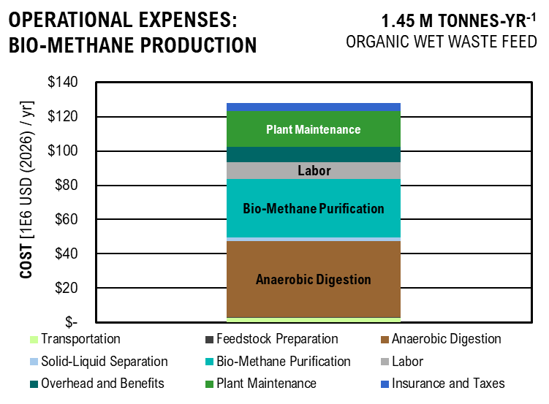
OPEX | COST
Transportation | $2,681,788.90
Feedstock Preparation | $160,206.14
Anaerobic Digestion | $14,698,821.90
Solid-Liquid Separation | $709,189.90
Bio-Methane Purification | $19,231,851.38
Labor | $9,767,120.00
Overhead and Benefits | $8,790,408.00
Plant Maintenance | $8,466,035.17
Insurance and Taxes | $1,975,408.21

BM_DCFROR
...
Biomethane | m3/yr | 19,121,895.00
Fertilizer (?) | kg/yr
Waste Collection | kg/yr | 895,025,995.19

Internal Rate of Return and Tax Rate
Internal rate of return |  | 10%
Tax rate |  | 35%

Results

Solve for MSP
MSP BioMethane | per m3 | $4.853 |  |  |  | $0.5108 | $/kWh

Waste Collection | per kg | $0.03

Net Present Value |  | 189,366,253.54

Cash flow analysis

Year |  |  | -2 | -1 | 0 | 1 | 2 | 3 | 4 | 5
Equipment and facilities capital |  |  | $11,288,047 | $56,440,234 | $45,152,188
Land capital |  |  | $42,330,176
Working capital |  |  |  |  | $14,110,059
...
 |  |  |  |  |  |  |  |  |  |  | $2,998,645.63 | $2,726,041.48 | $2,478,219.53 | $2,252,926.84 | $2,048,115.31 | $1,861,923.01 | $1,692,657.28 | $1,538,779.35

 |  |  |  |  |  |  |  |  |  |  | $- | $- | $- | $- | $- | $- | $- | $-
 |  |  |  |  |  |  |  |  |  |  | $2,998,645.63 | $2,726,041.48 | $2,478,219.53 | $2,252,926.84 | $2,048,115.31 | $1,861,923.01 | $1,692,657.28 | $1,538,779.35
...
Discounted Cash Flow Rate of Return
 | Capital Investment | Tax | Depreciation | Loan Payment | OPEX | Revenue | Net Present Value
-2 | $54 |  |  | $(1)
-1 | $56 |  |  | $(8)
0 | $59 |  | -40.326547525 | $(14)
1 |  | 0 | -69.111067102 | $(14) | -35.562143648 | 26.303554563 | -184.04581287
2 |  | 0 | -49.356985039 | $(13) | -47.416191531 | 38.834550394 | -145.21126248
3 |  | 0 | -35.246926423 | $(12) | -47.416191531 | 35.304136722 | -109.90712576
4 |  | 0 | -25.200564688 | $(11) | -47.416191531 | 32.094669747 | -77.812456008
5 |  | 0 | -25.172344571 | $(9) | -47.416191531 | 29.176972498 | -48.63548351
6 |  | 6.813976595 | -25.200564688 | $(8) | -47.416191531 | 22.678208305 | -25.957275206
7 |  | 7.6262344511 | -12.586172286 | $(7) | -47.416191531 | 20.199736291 | -5.7575389145
8 |  | 12.041271792 | 0 | $(5) | -47.416191531 | 16.303749125 | 10.54621021
9 |  | 16.446432092 | 0 | $(4) | -47.416191531 | 12.953372122 | 23.499582332
10 |  | 16.446432092 | 0 | $(2) | -47.416191531 | 11.775792838 | 35.27537517
11 |  | 25.27825434 | 0 | $(0) | -47.416191531 | 16.454051595 | 51.729426765
12 |  | 25.27825434 | 0 | $(0) | -47.416191531 | 14.958228723 | 66.687655488
13 |  | -25.27825434 | 0 | $(0) | -47.416191531 | 13.598389748 | 80.286045236
14 |  | -25.27825434 | 0 | $(0) | -47.416191531 | 12.362172498 | 92.648217735
15 |  | -25.27825434 | 0 | $(0) | -47.416191531 | 11.238338635 | 103.88655637
16 |  | -25.27825434 | 0 | $(0) | -47.416191531 | 10.216671486 | 114.10322786
17 |  | -25.27825434 | 0 | $(0) | -47.416191531 | 9.2878831692 | 123.39111102
18 |  | -25.27825434 | 0 | $(0) | -47.416191531 | 8.4435301539 | 131.83464118
19 |  | -25.27825434 | 0 | $(0) | -47.416191531 | 7.6759365035 | 139.51057768
20 |  | -25.27825434 | 0 | $(0) | -47.416191531 | 6.9781240941 | 146.48870178
21 |  | -25.27825434 | 0 | $(0) | -47.416191531 | 6.3437491765 | 152.83245095
22 |  | -25.27825434 | 0 | $(0) | -47.416191531 | 5.7670447059 | 158.59949566
23 |  | -25.27825434 | 0 | $(0) | -47.416191531 | 5.2427679144 | 163.84226357
24 |  | -25.27825434 | 0 | $(0) | -47.416191531 | 4.7661526495 | 168.60841622
25 |  | -25.27825434 | 0 | $(0) | -47.416191531 | 4.332866045 | 172.94128227
26 |  | -25.27825434 | 0 | $(0) | -47.416191531 | 3.9389691318 | 176.8802514
27 |  | -25.27825434 | 0 | $(0) | -47.416191531 | 3.5808810289 | 180.46113243
28 |  | -25.27825434 | 0 | $(0) | -47.416191531 | 3.2553463899 | 183.71647882
29 |  | -25.27825434 | 0 | $(0) | -47.416191531 | 2.959405809 | 186.67588463
30 |  | -25.27825434 | 0 | $(0) | -47.416191531 | 2.6903689173 | 189.36625354
 |  |  |  |  |  |  |  |  |  |  | 25 | 26 | 27 | 28 | 29 | 30
...
 |  |  |  |  |  |  |  |  |  |  | -25.27825434 | -25.27825434 | -25.27825434 | -25.27825434 | -25.27825434 | -25.27825434
 |  |  |  |  |  |  |  |  |  |  | $- | $- | $- | $- | $- | $-
 |  |  |  |  |  |  |  |  |  |  | $(0) | $(0) | $(0) | $(0) | $(0) | $(0)
 |  |  |  |  |  |  |  |  |  |  | $(47.42) | $(47.42) | $(47.42) | $(47.42) | $(47.42) | $(47.42)
 |  |  |  |  |  |  |  |  |  |  | $4 | $4 | $4 | $3 | $3 | $3
 |  |  |  |  |  |  |  |  |  |  | $173 | $177 | $180 | $184 | $187 | $189
...
Results Analysis
NPV Tax | % | 0.21949506859
NPV Operational Cost | % | 0.87308186013
NPV Capital Cost | % | 0.27021370115
NPV Coproduct Sales | % | 0.36279062987
NPV Tax | as MSP | $1.065
NPV Operational Cost | as MSP | $4.237
NPV Capital Cost | as MSP | $1.311
NPV Coproduct Sales | as MSP | $1.760
Total MSP |  | $4.853

Bio-MethanE Minimum Selling Price AS NET PRESENT VALUE

 | Price
Transportation | $0.6270
Feedstock Preparation | $0.4882
Anaerobic Digestion | $1.0189
Solid-Liquid Separation | $0.3388
Bio-Methane Purification | $1.2268
Labor | $0.6224
Overhead and Benefits | $0.5602
Plant Maintenance | $0.5395
Insurance | $0.1259
Tax | $1.0651
Waste Collection | $(1.760)
Minimum Selling Price | $4.85

LCOE_CP
Discounted Energy Generation

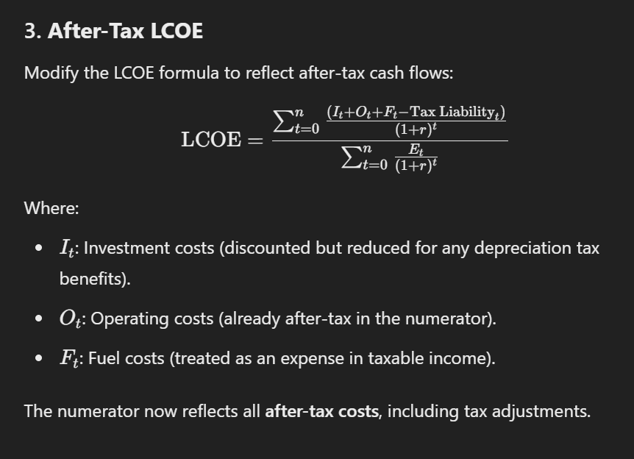
Energy Density of Hydrocarbon Mixture
C4 n-Paraffin | 0.0085354315172
C5 n-Paraffin | 0.30260181299
C6 n-Paraffin | 3.5018322222
C7 n-Paraffin | 16.5197008
C8 n-Paraffin | 0.94169568788
C9 n-Paraffin | 2.3090125398
C10 n-Paraffin | 3.8633143298
C11 n-Paraffin | 4.4035581031
C12 n-Paraffin | 8.2521308183
C13 n-Paraffin | 0.48669949391
C14 n-Paraffin | 0.0043738958053
C6 iso-Paraffin | 0
C7 iso-Paraffin | 0.0021220922697
C8 iso-Paraffin | 0.03576211548
C9 iso-Paraffin | 0.10188656108
C10 iso-Paraffin | 0.16310100584
C11 iso-Paraffin | 0.34148226912
C12 iso-Paraffin | 0.018391409873
TOTAL | 41,256,200.59 | J/kg
 | 15,859,109.85 | J/s
 | 1.27E+08 | kWh/yr

Year |  |  | -2 | -1 | 0 | 1 | 2 | 3 | 4 | 5 | 6 | 7 | 8
...

LCOE&D
...
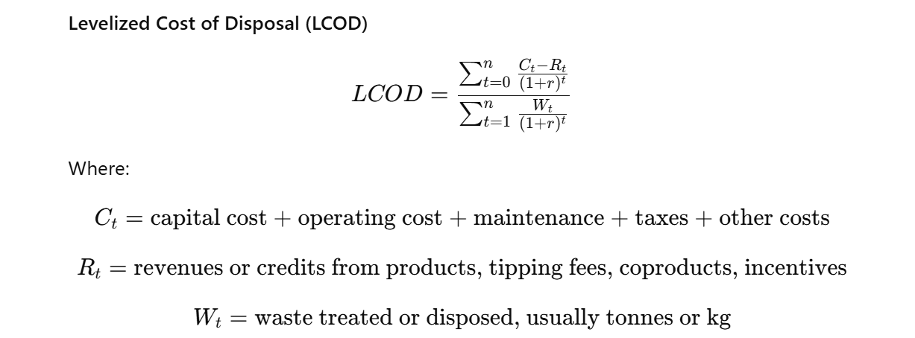
...
 |  | J/kg

 |  |  | -2 | -1 | 0 | 1 | 2 | 3 | 4 | 5 | 6 | 7 | 8 | 9 | 10 | 11 | 12 | 13
...
 | Pilot Scale |  |  |  | Commercial Scale
 | BM | SAF | BM | SAF | BM | SAF | BM | SAF
Capital Cost | $0.21 | $0.64 | $0.09 | $0.19 | $0.19 | $3.41 | $0.08 | $1.03
Operation Cost | $0.25 | $0.61 | $0.11 | $0.19 | $0.21 | $1.65 | $0.09 | $0.50
Tax Credits |  | $(0.03) |  | $(0.01) |  | $(0.03) |  | $(0.01)
Total Cost | $0.46 | $1.22 | $0.19 | $0.37 | $0.41 | $(0.37) | $0.17 | $(0.11)

Coproducts |  |  |  |  | $- | $(5.40) | $- | $(1.63)

Net Levelized Cost of Energy and Disposal
 | Capital Cost |  | Operation Cost |  | Tax Credits |  | Coproducts |  | Total Cost
BM | $0.21 | BM | $0.25 | BM |  | BM |  | BM | $0.46
SAF | $0.64 | SAF | $0.61 | SAF | $(0.03) | SAF |  | SAF | $1.22
BM | $0.09 | BM | $0.11 | BM |  | BM |  | BM | $0.19
SAF | $0.19 | SAF | $0.19 | SAF | $(0.01) | SAF |  | SAF | $0.37
BM | $0.19 | BM | $0.21 | BM |  | BM | 0 | BM | $0.41
SAF | $3.41 | SAF | $1.65 | SAF | $(0.03) | SAF | -5.4019952187 | SAF | $(0.37)
BM | $0.08 | BM | $0.09 | BM |  | BM | 0 | BM | $0.17
SAF | $1.03 | SAF | $0.50 | SAF | $(0.01) | SAF | -1.62500651 | SAF | $(0.11)

LCA
...
 |  |  |  |  |  |  |  |  |  | 0% | 0% | 0% | 0% | 1% | 0% | 2% | 0% | 0% | 0% | 0% | 75%
Ecotoxicity | 179,236,660.48 | CTUe / 30 yr | 3% | 0% | 0% | 5% | 5% | 10% | 6% | 0% | 0% | 0% | 0% | 1% | 0% | 4% | 0% | 0% | 0% | 0% | 65%
Eutrophication: Freshwater | 9,533.20 | kg P eq / 30 yr | 0% | 0% | 0% | 1% | 1% | 3% | 1% | 0% | 0% | 0% | 0% | 0% | 0% | 0% | 0% | 0% | 0% | 0% | 93%
Eutrophication: Marine | 23,835.99 | kg N eq / 30 yr | 0% | 0% | 0% | 4% | 4% | 9% | 12% | 1% | 0% | 0% | 0% | 0% | 1% | 6% | 0% | 0% | 0% | 0% | 61%
Global Warming | 15,527,294.43 | kg CO2 eq / 30 yr | 0% | 0% | 0% | 4% | 4% | 8% | 10% | 0% | 0% | 0% | 0% | 0% | 0% | 2% | 0% | 0% | 0% | 0% | 70%
Non carcinogenics | 3.69 | CTUh / 30 yr | 2% | 0% | 0% | 4% | 4% | 9% | 4% | 0% | 0% | 0% | 0% | 0% | 0% | 2% | 0% | 0% | 0% | 0% | 74%
Ozone Depletion | 0.15 | CFC-11 / 30 yr | 0% | 0% | 0% | 5% | 5% | 9% | 43% | 0% | 0% | 0% | 0% | 0% | 0% | 9% | 0% | 0% | 0% | 0% | 28%
Respiratory Effects (Particulate) | 31,445.57 | PM 2.5 / 30 yr | 0% | 0% | 0% | 2% | 2% | 3% | 4% | 0% | 0% | 0% | 0% | 0% | 0% | 1% | 0% | 0% | 0% | 0% | 89%
Smog (Photochemical Oxidation Formation) | 555,890.45 | kg O3 eq / 30 yr | 0% | 0% | 0% | 4% | 4% | 9% | 12% | 1% | 0% | 0% | 0% | 0% | 1% | 6% | 0% | 0% | 0% | 0% | 61%

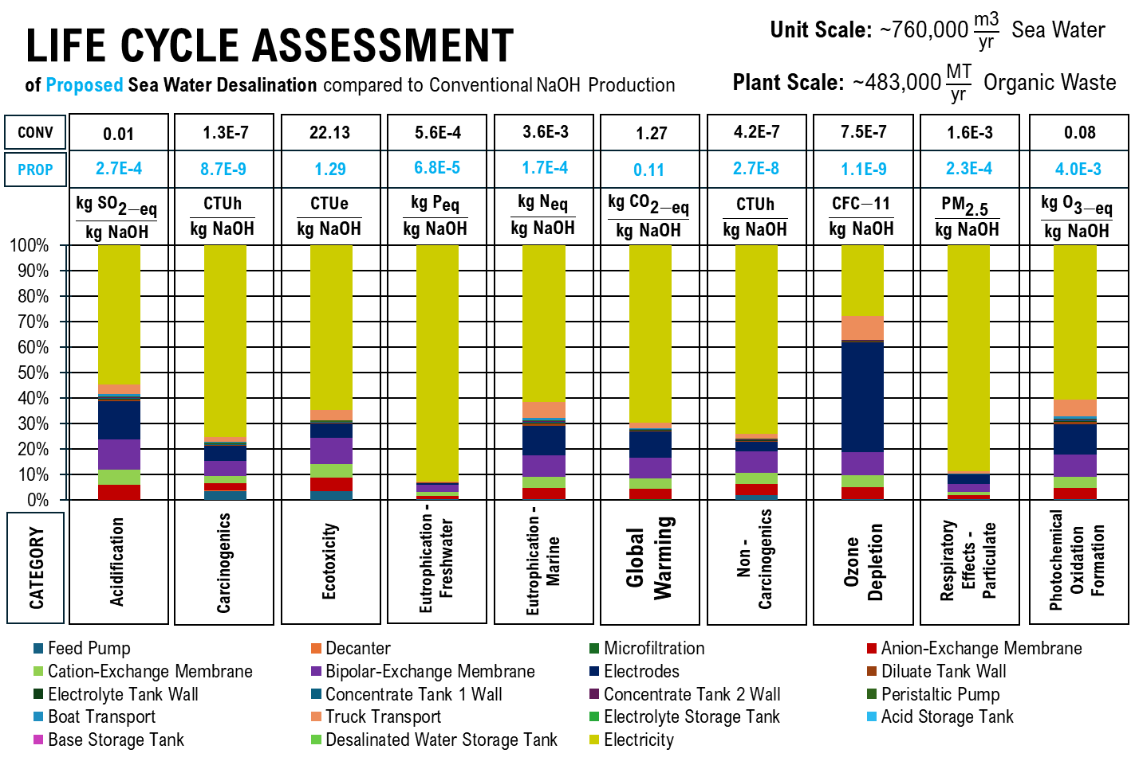
 | Feed Pump | Decanter | Microfiltration | Anion-Exchange Membrane | Cation-Exchange Membrane | Bipolar-Exchange Membrane | Electrodes | Diluate Tank Wall | Electrolyte Tank Wall | Concentrate Tank 1 Wall | Concentrate Tank 2 Wall | Peristaltic Pump
 | 0% | 0% | 0% | 6% | 6% | 12% | 15% | 1% | 0% | 0% | 0% | 0%
 | 4% | 0% | 0% | 3% | 3% | 6% | 6% | 0% | 0% | 0% | 0% | 1%
 | 3% | 0% | 0% | 5% | 5% | 10% | 6% | 0% | 0% | 0% | 0% | 1%
 | 0% | 0% | 0% | 1% | 1% | 3% | 1% | 0% | 0% | 0% | 0% | 0%
 | 0% | 0% | 0% | 4% | 4% | 9% | 12% | 1% | 0% | 0% | 0% | 0%
 | 0% | 0% | 0% | 4% | 4% | 8% | 10% | 0% | 0% | 0% | 0% | 0%
 | 2% | 0% | 0% | 4% | 4% | 9% | 4% | 0% | 0% | 0% | 0% | 0%
 | 0% | 0% | 0% | 5% | 5% | 9% | 43% | 0% | 0% | 0% | 0% | 0%
 | 0% | 0% | 0% | 2% | 2% | 3% | 4% | 0% | 0% | 0% | 0% | 0%
 | 0% | 0% | 0% | 4% | 4% | 9% | 12% | 1% | 0% | 0% | 0% | 0%
ALLOCATION |  |  | Cost
Desalinated Water | 16,298,855.22 | m3/30yr | 16,298,855.22 | $/30yr | 0.02
Hydrochloric Acid | 3,259,771.04 | m3/30yr | 130,390,841.79 | $/30yr | 0.16
Sodium Hydroxide | 3,259,771.04 | m3/30yr | 651,954,208.93 | $/30yr | 0.82
Total |  |  | 798,643,905.94
Sodium Hydroxide | 1.1375900592E+11 | kg / 30 yr

Acidification | 2.71E-04 | kg SO2 eq / m3
Carcinogenics | 8.70E-09 | CTUh / m3
Ecotoxicity | 1.29 | CTUe / m3
Eutrophication: Freshwater | 6.84E-05 | kg P eq / m3
Eutrophication: Marine | 1.71E-04 | kg N eq / m3
Global Warming | 0.11 | kg CO2 eq / m3
Non carcinogenics | 2.65E-08 | CTUh / m3
Ozone Depletion | 1.08E-09 | CFC-11 / m3
Respiratory Effects (Particulate) | 2.26E-04 | PM 2.5 / m3
Smog (Photochemical Oxidation Formation) | 3.99E-03 | kg O3 eq / m3

tap water production, conventional treatment | tap water | Cutoff, S
Acidification | 2.05E-03 | kg SO2 eq / m3
Carcinogenics | 4.63E-08 | CTUh / m3
Ecotoxicity | 5.61 | CTUe / m3
Eutrophication: Freshwater | 1.49E-04 | kg P eq / m3
Eutrophication: Marine | 1.07E-03 | kg N eq / m3
Global Warming | 0.43 | kg CO2 eq / m3
Non carcinogenics | 1.11E-07 | CTUh / m3
Ozone Depletion | 5.65E-09 | CFC-11 / m3
Respiratory Effects (Particulate) | 5.75E-07 | PM 2.5 / m3
Smog (Photochemical Oxidation Formation) | 0.26 | kg O3 eq / m3

market for sodium hydroxide, without water, in 50% solution state | sodium hydroxide, without water, in 50% solution state | Cutoff, S
Acidification | 0.01 | kg SO2 eq / kg
Carcinogenics | 1.25E-07 | CTUh / kg
Ecotoxicity | 22.31 | CTUe / kg
Eutrophication: Freshwater | 5.60E-04 | kg P eq / kg
Eutrophication: Marine | 3.57E-03 | kg N eq / kg
Global Warming | 1.27 | kg CO2 eq / kg
Non carcinogenics | 4.24E-07 | CTUh / kg
Ozone Depletion | 7.51E-07 | CFC-11 / kg
Respiratory Effects (Particulate) | 1.64E-03 | PM 2.5 / kg
Smog (Photochemical Oxidation Formation) | 0.08 | kg O3 eq / kg
...
 |  |  |  |  |  | 0% | 0% | 50% | 0% | 7% | 25% | 18%
Carcinogenics | 26.30 | CTUh / 30 yr | 0% | 0% | 0% | 0% | 0% | 52% | 0% | 21% | 14% | 13%
Ecotoxicity | 6,077,414,167.31 | CTUe / 30 yr | 0% | 0% | 0% | 0% | 0% | 59% | 0% | 12% | 16% | 13%
Eutrophication: Freshwater | 131,189.10 | kg P eq / 30 yr | 0% | 0% | 0% | 0% | 0% | 39% | 0% | 41% | 8% | 12%
Eutrophication: Marine | 1,048,755.54 | kg N eq / 30 yr | 0% | 0% | 0% | 0% | 0% | 38% | 0% | 8% | 31% | 23%
Global Warming | 402,938,081.54 | kg CO2 eq / 30 yr | 0% | 0% | 0% | 0% | 0% | 61% | 0% | 16% | 14% | 9%
Non carcinogenics | 127.97 | CTUh / 30 yr | 0% | 0% | 0% | 0% | 0% | 48% | 0% | 13% | 5% | 35%
Ozone Depletion | 26.52 | CFC-11 / 30 yr | 0% | 0% | 0% | 0% | 0% | 10% | 83% | 1% | 3% | 4%
Respiratory Effects (Particulate) | 433,660.15 | PM 2.5 / 30 yr | 0% | 0% | 0% | 0% | 0% | 42% | 0% | 39% | 10% | 9%
Smog (Photochemical Oxidation Formation) | 16,910,944.67 | kg O3 eq / 30 yr | 0% | 0% | 0% | 0% | 0% | 55% | 0% | 12% | 16% | 16%
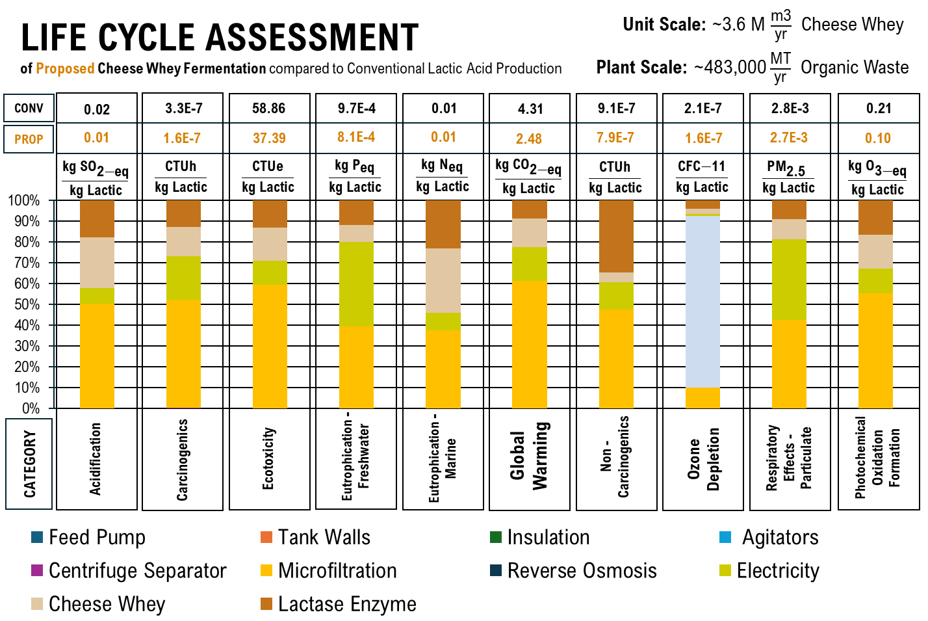
 | Feed Pump | Tank Walls | Insulation | Agitators | Centrifuge Separator | Microfiltration | Reverse Osmosis | Electricity | Cheese Whey | Lactase Enzyme
 | 0% | 0% | 0% | 0% | 0% | 50% | 0% | 7% | 25% | 18%
 | 0% | 0% | 0% | 0% | 0% | 52% | 0% | 21% | 14% | 13%
 | 0% | 0% | 0% | 0% | 0% | 59% | 0% | 12% | 16% | 13%
 | 0% | 0% | 0% | 0% | 0% | 39% | 0% | 41% | 8% | 12%
 | 0% | 0% | 0% | 0% | 0% | 38% | 0% | 8% | 31% | 23%
 | 0% | 0% | 0% | 0% | 0% | 61% | 0% | 16% | 14% | 9%
 | 0% | 0% | 0% | 0% | 0% | 48% | 0% | 13% | 5% | 35%
 | 0% | 0% | 0% | 0% | 0% | 10% | 83% | 1% | 3% | 4%
 | 0% | 0% | 0% | 0% | 0% | 42% | 0% | 39% | 10% | 9%
 | 0% | 0% | 0% | 0% | 0% | 55% | 0% | 12% | 16% | 16%
Lactic Acid Produced | 1.63E+08 | kg/ 30 yr

Acidification | 0.01 | kg SO2 eq / kg
Carcinogenics | 1.6E-07 | CTUh / kg
Ecotoxicity | 37.39 | CTUe / kg
Eutrophication: Freshwater | 8.1E-04 | kg P eq / kg
Eutrophication: Marine | 0.01 | kg N eq / kg
Global Warming | 2.48 | kg CO2 eq / kg
Non carcinogenics | 7.9E-07 | CTUh / kg
Ozone Depletion | 1.6E-07 | CFC-11 / kg
Respiratory Effects (Particulate) | 2.7E-03 | PM 2.5 / kg
Smog (Photochemical Oxidation Formation) | 0.10 | kg O3 eq / kg

lactic acid production | lactic acid | Cutoff, S
Acidification | 0.02 | kg SO2 eq / kg
Carcinogenics | 3.3E-07 | CTUh / kg
Ecotoxicity | 58.86 | CTUe / kg
Eutrophication: Freshwater | 9.7E-04 | kg P eq / kg
Eutrophication: Marine | 0.01 | kg N eq / kg
Global Warming | 4.31 | kg CO2 eq / kg
Non carcinogenics | 9.1E-07 | CTUh / kg
Ozone Depletion | 2.1E-07 | CFC-11 / kg
Respiratory Effects (Particulate) | 2.8E-03 | PM 2.5 / kg
Smog (Photochemical Oxidation Formation) | 0.21 | kg O3 eq / kg

Digestion Processes

Total
Category | Value | Unit | Grinders & Feed Pumps | Bioconversion Equipment | Filtration | Electrodes | Separation Columns and Equipment | Electricity & Biogas | Biosolid Land Application
Acidification | 2,178,489.33 | kg SO2 eq / 30 yr | 0% | 10% | 0% | 5% | 37% | 20% | 27%
Carcinogenics | 178.19 | CTUh / 30 yr | 0% | 12% | 0% | 1% | 66% | 11% | 10%
Ecotoxicity | 25,211,503,006.96 | CTUe / 30 yr | 0% | 0% | 1% | 1% | 71% | 10% | 17%
Eutrophication: Freshwater | 576,333.85 | kg P eq / 30 yr | 0% | 2% | 0% | 0% | 13% | 33% | 51%
Eutrophication: Marine | 1,452,387.06 | kg N eq / 30 yr | 0% | 10% | 0% | 4% | 16% | 21% | 49%
Global Warming | 416,362,245.62 | kg CO2 eq / 30 yr | 0% | 10% | 1% | 7% | 15% | 55% | 12%
Non carcinogenics | 5,488.60 | CTUh / 30 yr | 0% | 0% | 0% | 0% | 4% | 1% | 95%
Ozone Depletion | 4.07 | CFC-11 / 30 yr | 0% | 14% | 1% | 30% | 30% | 22% | 3%
Respiratory Effects (Particulate) | 3,619,639.73 | PM 2.5 / 30 yr | 0% | 2% | 0% | 1% | 4% | 16% | 77%
Smog (Photochemical Oxidation Formation) | 20,073,345.35 | kg O3 eq / 30 yr | 0% | 17% | 1% | 6% | 27% | 36% | 14%

Organic Waste Processed | 1.20E+07 | m3/ 30 yr

Acidification | 0.18 | kg SO2 eq / m3
Carcinogenics | 1.5E-05 | CTUh / m3
Ecotoxicity | 2,100.96 | CTUe / m3
Eutrophication: Freshwater | 0.05 | kg P eq / m3
Eutrophication: Marine | 0.12 | kg N eq / m3
Global Warming | 34.70 | kg CO2 eq / m3
Non carcinogenics | 4.6E-04 | CTUh / m3
Ozone Depletion | 3.4E-07 | CFC-11 / m3
Respiratory Effects (Particulate) | 0.30 | PM 2.5 / m3
Smog (Photochemical Oxidation Formation) | 1.67 | kg O3 eq / m3

anaerobic digestion | biowaste | Cutoff, S
Acidification | 0.35 | kg SO2 eq / m3
Carcinogenics | 4.9E-06 | CTUh / m3
Ecotoxicity | 276.39 | CTUe / m3
Eutrophication: Freshwater | 0.01 | kg P eq / m3
Eutrophication: Marine | 0.07 | kg N eq / m3
Global Warming | 106.56 | kg CO2 eq / m3
Non carcinogenics | 8.3E-06 | CTUh / m3
Ozone Depletion | 3.2E-07 | CFC-11 / m3
Respiratory Effects (Particulate) | 0.03 | PM 2.5 / m3
Smog (Photochemical Oxidation Formation) | 1.84 | kg O3 eq / m3

Fertilizer Production

Total
Category | Value | Unit
Acidification | 2,216,309.39 | kg SO2 eq / 30 yr
Carcinogenics | 179.41 | CTUh / 30 yr
Ecotoxicity | 25,390,739,667.44 | CTUe / 30 yr
Eutrophication: Freshwater | 585,867.05 | kg P eq / 30 yr
Eutrophication: Marine | 1,476,223.05 | kg N eq / 30 yr
...
Total
Global Warming | 2,735,963,383.69 | kg CO2 eq / 30 yr | 0.46 | 0.00 | 0.00 | 0.01 | 0.09 | 0.01 | 0.00 | 0.21 | 0.00 | 0.13 | 0.08 | 0% | 0% | 1.00
Non carcinogenics | 6.25E+03 | CTUh / 30 yr | 4.01E-02 | 2.76E-04 | 2.08E-04 | 3.81E-03 | 9.84E-03 | 5.15E-04 | 1.80E-05 | 5.11E-02 | 7.46E-05 | 1.38E-02 | 8.44E-01 | 0.02 | 0% | 9.88E-01
Ozone Depletion | 1.13E+02 | CFC-11 / 30 yr | 4.35E-01 | 4.24E-04 | 5.02E-04 | 5.18E-03 | 2.17E-01 | 1.29E-02 | 2.07E-05 | 2.97E-02 | 5.62E-06 | 1.17E-02 | 3.07E-02 | 0.26 | 0% | 1.00E+00
Respiratory Effects (Particulate) | 2.73E+07 | PM 2.5 / 30 yr | 3.61E-02 | 5.95E-05 | 1.43E-04 | 2.26E-03 | 6.76E-03 | 9.70E-04 | 6.13E-06 | 9.74E-03 | 9.36E-06 | 3.23E-02 | 1.08E-01 | 0.80 | 0% | 1.00E+00
Smog (Photochemical Oxidation Formation) | 4.34E+09 | kg O3 eq / 30 yr | 2.96E-02 | 1.73E-05 | 4.59E-05 | 7.77E-04 | 2.17E-03 | 3.44E-04 | 1.77E-06 | 2.45E-03 | 6.35E-06 | 2.46E-03 | 3.13E-03 | 0.96 | 0% | 1.00E+00

Transportation
Acidification | 5,067,682.67 | kg SO2 eq / 30 yr
Carcinogenics | 80.63 | CTUh / 30 yr
Ecotoxicity | 25,078,944,330.64 | CTUe / 30 yr
 | Transportation | Grinders & Feed Pumps | Ion Exchange Membranes | Reactor Equipment | Filtration | Electrodes | Heat Exchangers | Seperation Columns and Equipment | Catalysts | Electricity | Other Operations | Fuel Combustion
 | 3.78E-02 | 4.39E-05 | 1.38E-04 | 1.59E-03 | 6.51E-03 | 9.53E-04 | 1.08E-05 | 1.02E-02 | 3.37E-05 | 4.89E-03 | 1.30E-02 | 0.92
 | 2.03E-01 | 2.05E-03 | 7.34E-04 | 5.38E-02 | 3.49E-02 | 4.07E-03 | 1.41E-04 | 4.86E-01 | 3.68E-05 | 7.30E-02 | 8.13E-02 | 0.06
 | 3.32E-01 | 2.09E-03 | 1.02E-03 | 7.13E-05 | 4.84E-02 | 2.99E-03 | 1.11E-04 | 3.97E-01 | 1.69E-04 | 4.86E-02 | 9.54E-02 | 0.07
 | 9.13E-02 | 1.05E-03 | 1.11E-03 | 1.39E-02 | 5.25E-02 | 1.73E-03 | 5.72E-05 | 1.42E-01 | 9.60E-05 | 2.82E-01 | 3.53E-01 | 0.03
 | 3.04E-02 | 1.81E-05 | 4.72E-05 | 7.92E-04 | 2.23E-03 | 3.51E-04 | 3.73E-06 | 2.60E-03 | 7.21E-06 | 2.61E-03 | 8.32E-03 | 0.95
 | 4.62E-01 | 3.71E-04 | 1.92E-03 | 1.50E-02 | 9.07E-02 | 1.31E-02 | 4.06E-05 | 2.06E-01 | 2.93E-05 | 1.25E-01 | 8.47E-02 | -
 | 4.01E-02 | 2.76E-04 | 2.08E-04 | 3.81E-03 | 9.84E-03 | 5.15E-04 | 1.80E-05 | 5.11E-02 | 7.46E-05 | 1.38E-02 | 8.44E-01 | 0.02
 | 4.35E-01 | 4.24E-04 | 5.02E-04 | 5.18E-03 | 2.17E-01 | 1.29E-02 | 2.07E-05 | 2.97E-02 | 5.62E-06 | 1.17E-02 | 3.07E-02 | 0.26
 | 3.61E-02 | 5.95E-05 | 1.43E-04 | 2.26E-03 | 6.76E-03 | 9.70E-04 | 6.13E-06 | 9.74E-03 | 9.36E-06 | 3.23E-02 | 1.08E-01 | 0.80
 | 2.96E-02 | 1.73E-05 | 4.59E-05 | 7.77E-04 | 2.17E-03 | 3.44E-04 | 1.77E-06 | 2.45E-03 | 6.35E-06 | 2.46E-03 | 3.13E-03 | 0.96

Eutrophication: Freshwater | 90,533.34 | kg P eq / 30 yr
Eutrophication: Marine | 5,396,638.12 | kg N eq / 30 yr
Global Warming | 1,263,162,666.32 | kg CO2 eq / 30 yr
Non carcinogenics | 250.79 | CTUh / 30 yr
Ozone Depletion | 49.27 | CFC-11 / 30 yr
Respiratory Effects (Particulate) | 987,164.23 | PM 2.5 / 30 yr
Smog (Photochemical Oxidation Formation) | 128,400,460.93 | kg O3 eq / 30 yr

Grinders and Feed Pumps
Acidification | 5,890.73 | kg SO2 eq / 30 yr
Carcinogenics | 0.81 | CTUh / 30 yr
Ecotoxicity | 157,846,466.75 | CTUe / 30 yr
Eutrophication: Freshwater | 1,045.34 | kg P eq / 30 yr
Eutrophication: Marine | 3,214.31 | kg N eq / 30 yr
Global Warming | 1,014,329.84 | kg CO2 eq / 30 yr
Non carcinogenics | 1.72 | CTUh / 30 yr
Ozone Depletion | 0.05 | CFC-11 / 30 yr
Respiratory Effects (Particulate) | 1,626.46 | PM 2.5 / 30 yr
Smog (Photochemical Oxidation Formation) | 75,166.94 | kg O3 eq / 30 yr

Ion Exchange Membranes
Acidification | 18,477.21 | kg SO2 eq / 30 yr
Carcinogenics | 0.29 | CTUh / 30 yr
Ecotoxicity | 77,016,322.68 | CTUe / 30 yr
Eutrophication: Freshwater | 1,099.93 | kg P eq / 30 yr
Eutrophication: Marine | 8,390.27 | kg N eq / 30 yr
Global Warming | 5,252,540.72 | kg CO2 eq / 30 yr
Non carcinogenics | 1.30 | CTUh / 30 yr
Ozone Depletion | 0.06 | CFC-11 / 30 yr
Respiratory Effects (Particulate) | 3,912.43 | PM 2.5 / 30 yr
Smog (Photochemical Oxidation Formation) | 198,893.06 | kg O3 eq / 30 yr

Reactor Equipment
Acidification | 213,715.12 | kg SO2 eq / 30 yr
Carcinogenics | 21.38 | CTUh / 30 yr
Ecotoxicity | 5,388,760.12 | CTUe / 30 yr
Eutrophication: Freshwater | 13,751.22 | kg P eq / 30 yr
Eutrophication: Marine | 140,789.99 | kg N eq / 30 yr
Global Warming | 40,997,340.47 | kg CO2 eq / 30 yr
Non carcinogenics | 23.82 | CTUh / 30 yr
Ozone Depletion | 0.59 | CFC-11 / 30 yr
Respiratory Effects (Particulate) | 61,633.06 | PM 2.5 / 30 yr
...
Total
Ecotoxicity | 8.25E+10 | CTUe / 30 yr | 3.04E-01 | 1.94E-03 | 1.42E-03 | 7.02E-05 | 6.84E-02 | 3.08E-03 | 4.22E-04 | 3.63E-01 | 2.41E-04 | 7.24E-02 | 1.03E-01 | 0.03 | 0.00 | 9.50E-01
Eutrophication: Freshwater | 1.26E+06 | kg P eq / 30 yr | 7.17E-02 | 8.35E-04 | 1.32E-03 | 2.60E-02 | 5.77E-02 | 1.53E-03 | 1.87E-04 | 1.12E-01 | 1.16E-04 | 3.61E-01 | 3.13E-01 | 0.01 | 0.00 | 9.56E-01
Eutrophication: Marine | 1.79E+08 | kg N eq / 30 yr | 3.02E-02 | 1.81E-05 | 7.11E-05 | 1.88E-03 | 4.27E-03 | 3.92E-04 | 1.54E-05 | 2.58E-03 | 8.98E-06 | 4.22E-03 | 9.79E-03 | 0.47 | 0.00 | 5.26E-01
Global Warming | 3,269,407,115.83 | kg CO2 eq / 30 yr | 0.39 | 0.00 | 0.00 | 0.03 | 0.12 | 0.01 | 0.00 | 0.17 | 0.00 | 0.17 | 0.10 |  | 0.00 | 1.00
Non carcinogenics | 6.45E+03 | CTUh / 30 yr | 3.89E-02 | 2.71E-04 | 3.06E-04 | 8.84E-03 | 1.43E-02 | 5.62E-04 | 7.23E-05 | 4.95E-02 | 8.53E-05 | 2.18E-02 | 8.28E-01 | 0.01 | 0.00 | 9.75E-01
Ozone Depletion | 1.26E+02 | CFC-11 / 30 yr | 3.91E-01 | 3.82E-04 | 6.85E-04 | 1.11E-02 | 2.64E-01 | 1.30E-02 | 7.71E-05 | 2.67E-02 | 1.96E-05 | 1.71E-02 | 4.15E-02 | 0.12 | 0.00 | 8.81E-01
Respiratory Effects (Particulate) | 2.82E+07 | PM 2.5 / 30 yr | 3.51E-02 | 5.84E-05 | 2.11E-04 | 5.23E-03 | 9.52E-03 | 1.06E-03 | 2.47E-05 | 9.45E-03 | 3.90E-05 | 5.11E-02 | 1.08E-01 | 0.39 | 0.00 | 6.09E-01
Smog (Photochemical Oxidation Formation) | 4.37E+09 | kg O3 eq / 30 yr | 2.94E-02 | 1.73E-05 | 6.91E-05 | 1.84E-03 | 4.29E-03 | 3.85E-04 | 7.31E-06 | 2.44E-03 | 8.08E-06 | 3.98E-03 | 4.48E-03 | 0.48 | 0.00 | 5.23E-01

 | Transportation | Grinders & Feed Pumps | Ion Exchange Membranes | Reactor Equipment | Filtration | Electrodes | Heat Exchangers | Separation Columns and Equipment | Catalysts | Electricity | Other Operations | Fuel Combustion
 | 3.72E-02 | 4.39E-05 | 2.06E-04 | 3.74E-03 | 1.14E-02 | 1.06E-03 | 4.44E-05 | 1.04E-02 | 1.24E-04 | 7.85E-03 | 1.62E-02 | 0.46
 | 1.71E-01 | 1.75E-03 | 9.47E-04 | 1.08E-01 | 5.62E-02 | 3.85E-03 | 4.93E-04 | 4.08E-01 | 8.52E-05 | 9.97E-02 | 8.50E-02 | 0.02
 | 3.04E-01 | 1.94E-03 | 1.42E-03 | 7.02E-05 | 6.84E-02 | 3.08E-03 | 4.22E-04 | 3.63E-01 | 2.41E-04 | 7.24E-02 | 1.03E-01 | 0.03
 | 7.17E-02 | 8.35E-04 | 1.32E-03 | 2.60E-02 | 5.77E-02 | 1.53E-03 | 1.87E-04 | 1.12E-01 | 1.16E-04 | 3.61E-01 | 3.13E-01 | 0.01
 | 3.02E-02 | 1.81E-05 | 7.11E-05 | 1.88E-03 | 4.27E-03 | 3.92E-04 | 1.54E-05 | 2.58E-03 | 8.98E-06 | 4.22E-03 | 9.79E-03 | 0.47
 | 3.86E-01 | 3.12E-04 | 2.43E-03 | 2.99E-02 | 1.20E-01 | 1.23E-02 | 1.41E-04 | 1.73E-01 | 6.40E-05 | 1.70E-01 | 1.01E-01
 | 3.89E-02 | 2.71E-04 | 3.06E-04 | 8.84E-03 | 1.43E-02 | 5.62E-04 | 7.23E-05 | 4.95E-02 | 8.53E-05 | 2.18E-02 | 8.28E-01 | 0.01
 | 3.91E-01 | 3.82E-04 | 6.85E-04 | 1.11E-02 | 2.64E-01 | 1.30E-02 | 7.71E-05 | 2.67E-02 | 1.96E-05 | 1.71E-02 | 4.15E-02 | 0.12
 | 3.51E-02 | 5.84E-05 | 2.11E-04 | 5.23E-03 | 9.52E-03 | 1.06E-03 | 2.47E-05 | 9.45E-03 | 3.90E-05 | 5.11E-02 | 1.08E-01 | 0.39
 | 2.94E-02 | 1.73E-05 | 6.91E-05 | 1.84E-03 | 4.29E-03 | 3.85E-04 | 7.31E-06 | 2.44E-03 | 8.08E-06 | 3.98E-03 | 4.48E-03 | 0.48

Transportation
Acidification | 5,067,682.67 | kg SO2 eq / 30 yr
Carcinogenics | 80.63 | CTUh / 30 yr
Ecotoxicity | 25,078,944,330.64 | CTUe / 30 yr
Eutrophication: Freshwater | 90,533.34 | kg P eq / 30 yr
Eutrophication: Marine | 5,396,638.12 | kg N eq / 30 yr
Global Warming | 1,263,162,666.32 | kg CO2 eq / 30 yr
Non carcinogenics | 250.79 | CTUh / 30 yr
Ozone Depletion | 49.27 | CFC-11 / 30 yr
Respiratory Effects (Particulate) | 987,164.23 | PM 2.5 / 30 yr
Smog (Photochemical Oxidation Formation) | 128,400,460.93 | kg O3 eq / 30 yr

Grinders and Feed Pumps
Acidification | 5,978.56 | kg SO2 eq / 30 yr
Carcinogenics | 0.83 | CTUh / 30 yr
Ecotoxicity | 159,823,313.86 | CTUe / 30 yr
Eutrophication: Freshwater | 1,053.25 | kg P eq / 30 yr
Eutrophication: Marine | 3,237.38 | kg N eq / 30 yr
Global Warming | 1,019,934.29 | kg CO2 eq / 30 yr
Non carcinogenics | 1.75 | CTUh / 30 yr
Ozone Depletion | 0.05 | CFC-11 / 30 yr
Respiratory Effects (Particulate) | 1,644.63 | PM 2.5 / 30 yr
Smog (Photochemical Oxidation Formation) | 75,688.40 | kg O3 eq / 30 yr

Ion Exchange Membranes
Acidification | 28,022.90 | kg SO2 eq / 30 yr
Carcinogenics | 0.45 | CTUh / 30 yr
Ecotoxicity | 117,522,336.21 | CTUe / 30 yr
Eutrophication: Freshwater | 1,669.36 | kg P eq / 30 yr
Eutrophication: Marine | 12,717.34 | kg N eq / 30 yr
Global Warming | 7,957,469.91 | kg CO2 eq / 30 yr
Non carcinogenics | 1.97 | CTUh / 30 yr
Ozone Depletion | 0.09 | CFC-11 / 30 yr
Respiratory Effects (Particulate) | 5,933.46 | PM 2.5 / 30 yr
Smog (Photochemical Oxidation Formation) | 301,455.99 | kg O3 eq / 30 yr


 | Transportation |  | Grinders & Feed Pumps |  | Ion Exchange Membranes |  | Reactor Equipment |  | Filtration |  | Electrodes |  | Heat Exchangers |  | Separation Columns and Equipment |  | Catalysts |  | Electricity |  | Other Operations |  | Fuel Combustion
6.00E+00 | 3.86E-01 | 6 | 3.12E-04 | 6 | 2.43E-03 | 6.00E+00 | 2.99E-02 | 6 | 1.20E-01 | 6 | 1.23E-02 | 6 | 1.41E-04 | 6.00E+00 | 1.73E-01 | 6 | 6.40E-05 | 6.00E+00 | 1.70E-01 | 6.00E+00 | 1.01E-01 | 6
Reactor Equipment
Acidification | 508,640.03 | kg SO2 eq / 30 yr
Carcinogenics | 51.22 | CTUh / 30 yr
Ecotoxicity | 5,792,064.71 | CTUe / 30 yr
Eutrophication: Freshwater | 32,831.89 | kg P eq / 30 yr
Eutrophication: Marine | 335,776.58 | kg N eq / 30 yr
Global Warming | 97,660,045.30 | kg CO2 eq / 30 yr
Non carcinogenics | 57.01 | CTUh / 30 yr
Ozone Depletion | 1.40 | CFC-11 / 30 yr
Respiratory Effects (Particulate) | 147,216.67 | PM 2.5 / 30 yr
Smog (Photochemical Oxidation Formation) | 8,043,708.23 | kg O3 eq / 30 yr

Filtration
Acidification | 1,551,002.81 | kg SO2 eq / 30 yr
Carcinogenics | 26.55 | CTUh / 30 yr
Ecotoxicity | 5,644,765,909.87 | CTUe / 30 yr
Eutrophication: Freshwater | 72,836.88 | kg P eq / 30 yr
Eutrophication: Marine | 762,999.97 | kg N eq / 30 yr
Global Warming | 392,325,728.33 | kg CO2 eq / 30 yr
Non carcinogenics | 91.96 | CTUh / 30 yr
Ozone Depletion | 33.21 | CFC-11 / 30 yr
Respiratory Effects (Particulate) | 267,977.55 | PM 2.5 / 30 yr
Smog (Photochemical Oxidation Formation) | 18,731,315.25 | kg O3 eq / 30 yr

Electrodes
Acidification | 143,863.81 | kg SO2 eq / 30 yr
Carcinogenics | 1.82 | CTUh / 30 yr
Ecotoxicity | 253,916,991.17 | CTUe / 30 yr
Eutrophication: Freshwater | 1,929.88 | kg P eq / 30 yr
Eutrophication: Marine | 70,177.47 | kg N eq / 30 yr
Global Warming | 40,281,164.74 | kg CO2 eq / 30 yr
Non carcinogenics | 3.62 | CTUh / 30 yr
Ozone Depletion | 1.64 | CFC-11 / 30 yr
Respiratory Effects (Particulate) | 29,825.42 | PM 2.5 / 30 yr
Smog (Photochemical Oxidation Formation) | 1,681,276.68 | kg O3 eq / 30 yr

Heat Exchangers
Acidification | 6,041.01 | kg SO2 eq / 30 yr
Carcinogenics | 0.23 | CTUh / 30 yr
Ecotoxicity | 34,862,397.02 | CTUe / 30 yr
Eutrophication: Freshwater | 235.47 | kg P eq / 30 yr
Eutrophication: Marine | 2,747.41 | kg N eq / 30 yr
Global Warming | 461,526.77 | kg CO2 eq / 30 yr
...
production of fuel
Acidification | 0.00384 | kg SO2 eq / kg | 0.01 | kg SO2 eq / GGE
Carcinogenics | 4.65E-08 | CTUh / kg | 1.3E-07 | CTUh / GGE
Ecotoxicity | 3.28675 | CTUe / kg | 9.17 | CTUe / GGE
Eutrophication: Freshwater | 4.29E-05 | kg P eq / kg | 1.2E-04 | kg P eq / GGE
Eutrophication: Marine | 0.00208 | kg N eq / kg | 0.01 | kg N eq / GGE
Global Warming | 7.75E-01 | kg CO2 eq / kg | 2.16 | kg CO2 eq / GGE
Non carcinogenics | 7.81E-08 | CTUh / kg | 2.2E-07 | CTUh / GGE
Ozone Depletion | 5.66E-08 | CFC-11 / kg | 1.6E-07 | CFC-11 / GGE
Respiratory Effects (Particulate) | 4.00E-04 | PM 2.5 / kg | 1.1E-03 | PM 2.5 / GGE

Smog (Photochemical Oxidation Formation) | 4.95E-02 | kg O3 eq / kg | 0.14 | kg O3 eq / GGE
 | Proposed Fuel | Carbon Credit | Total Potential
Conventional Fuel = |  |  | 13.36
Proposed - No Credits = | 1.79 |  | 1.79
Proposed - Industrial Composting Credit = | 1.79 | (4.77) | (2.98)
Proposed - Anaerobic Digestion Credit = | 1.79 | (9.12) | (7.33)
Proposed - Municipal Incineration Credit = | 1.79 | (3.45) | (1.66)
Proposed - Sanitary Landfill = | 1.79 | (11.27) | (9.48)
Proposed - Open Pit Landfill Credit = | 1.79 | (42.54) | (40.75)
production and combustion of fuel
market for diesel, burned in diesel-electric generating set, 10MW | diesel, burned in diesel-electric generating set, 10MW | Cutoff, S
Acidification | 0.00111 | kg SO2 eq / MJ | 0.13 | kg SO2 eq / GGE
Carcinogenics | 1.27E-09 | CTUh / MJ | 1.53E-07 | CTUh / GGE
Ecotoxicity | 0.12051 | CTUe / MJ | 14.46 | CTUe / GGE
Eutrophication: Freshwater | 1.22E-06 | kg P eq / MJ | 1.46E-04 | kg P eq / GGE
Eutrophication: Marine | 0.00144 | kg N eq / MJ | 0.17 | kg N eq / GGE
Global Warming | 9.33E-02 | kg CO2 eq / MJ | 1.12E+01 | kg CO2 eq / GGE
Non carcinogenics | 3.04E-09 | CTUh / MJ | 3.65E-07 | CTUh / GGE
Ozone Depletion | 1.56E-09 | CFC-11 / MJ | 1.87E-07 | CFC-11 / GGE
Respiratory Effects (Particulate) | 1.90E-04 | PM 2.5 / MJ | 2.28E-02 | PM 2.5 / GGE
Smog (Photochemical Oxidation Formation) | 3.54E-02 | kg O3 eq / MJ | 4.24E+00 | kg O3 eq / GGE

combustion of diesel fuel
Acidification | 0.12 | kg SO2 eq / GGE
Carcinogenics | 2.31E-08 | CTUh / GGE
Ecotoxicity | 5.29 | CTUe / GGE
Eutrophication: Freshwater | 2.62E-05 | kg P eq / GGE
Eutrophication: Marine | 0.17 | kg N eq / GGE
Global Warming | 9.03E+00 | kg CO2 eq / GGE
Non carcinogenics | 1.47E-07 | CTUh / GGE
Ozone Depletion | 2.87E-08 | CFC-11 / GGE
Respiratory Effects (Particulate) | 2.17E-02 | PM 2.5 / GGE
Smog (Photochemical Oxidation Formation) | 4.11E+00 | kg O3 eq / GGE

Conventional Fuel Cradel to Grave
Acidification | 0.14 | kg SO2 eq / GGE
Carcinogenics | 2.83E-07 | CTUh / GGE
Ecotoxicity | 23.63 | CTUe / GGE
Eutrophication: Freshwater | 2.66E-04 | kg P eq / GGE
Eutrophication: Marine | 0.18 | kg N eq / GGE
Global Warming | 13.36 | kg CO2 eq / GGE
Non carcinogenics | 5.83E-07 | CTUh / GGE
Ozone Depletion | 3.45E-07 | CFC-11 / GGE
Respiratory Effects (Particulate) | 2.4E-02 | PM 2.5 / GGE
Smog (Photochemical Oxidation Formation) | 4.38 | kg O3 eq / GGE

treatment of biowaste, industrial composting | biowaste | Cutoff, S
treatment of biowaste, open dump | biowaste | Cutoff, S
https://doi.org/10.1021/acs.est.0c00364 | 395 | kg CO2 eq / tonn waste | 1.13E+01

APPLY CREDITS | Proposed - Open Pit Landfill |  | Proposed - Open Pit Landfill | Proposed - Industrial Composting | Proposed - Anaerobic Digestion | Proposed - Municipal Incineration |  | Proposed - Industrial Composting | Proposed - Anaerobic Digestion | Proposed - Municipal Incineration
Acidification | 1.03E-02 | kg SO2 eq / GGE | 0.00012 | 0.00241 | 0.00035 | 0.00023 | kg SO2 eq / kg | 2.06E-01 | 3.00E-02 | 1.97E-02 | kg SO2 eq / GGE
Carcinogenics | 1.21E-07 | CTUh / GGE | 1.41E-09 | 7.08E-09 | 4.91E-09 | 1.49E-08 | CTUh / kg | 6.06E-07 | 4.21E-07 | 1.28E-06 | CTUh / GGE
...

