Units
Unit Conversions
Volume |  |  |  |  | kg COD/m3 sludge to g/L liquid digestate
1 | gal | 3.785 | L |  | kg COD | 1000 g | mol | g | m3 | L sludge
1 | gal | 3.9 | kg - sludge |  | m3 | 1kg | g COD | mol | 1050 L sludge | L digestate
1 | gal | 3.785 | kg - water
1 | yd3 | 0.76455 | m3 |  | mol/L to kg/m3
1 | ft3 | 0.028168 | m3 |  | mol | g | 1000 L | kg
1 | oz | 0.0295735 | L |  | L | mol | m3 | 1000 g
1 | m3 | 6.29 | barrels
1 | gal | 3.03 | kg - jet fuel |  | sludge to ld
 |  |  |  |  | g | L sludge | hr
Density at STP |  |  |  |  | L sludge | hr | L digest
1 | L water | 1 | kg
1 | m3 water | 1000 | L
1 | m3 water | 1000 | kg
1 | L sludge | 1.5 | kg
1 | m3 sludge | 1050 | L
1 | m3 sludge | 1050 | kg
1 | L acetone | 749.4 | g
1 | L butanol | 810 | g
1 | L ethanol | 0.789 | kg
1 | m3 ethanol | 789 | kg
1 | L acetic acid | 1049 | g
1 | L butyric acid | 964 | g
1 | mL Amb-37 | 1.2 | g
1 | m3 Amb-37 | 1200 | kg
1 | cm3 Pd/C | 3.71 | g
100 | m3 Pd/C | 3710 | kg
1 | m3 CH4 gas | 0.657 | kg
1 | m3 CO2 | 1.98 | kg
1 | m3 H2 | 0.09 | kg
1 | m3 N2 gas | 1.25 | kg
1 | m3 H2S | 1.36 | kg
1 | m3 Biosolids | 1,780.00 | kg
1 | m3 Glucose | 1,560.00 | kg
Cheese Whey | 1 m3 | 400.00 | kg
1 | L Ideal Gas STP | 0.044614972785 | mol

Length
1 | acre | 4047 | m2
1 | ft | 12 | in
1 | ft | 0.3048 | m

Mass
1 | ton | 907.185 | kg
1 | lb | 0.4535923 | kg
1 | g | 1000 | kg
641 | kg graphite | 1 | m3

Time
1 | year | 365 | days
1 | year | 12 | months
1 | month | 30 | days
1 | day | 24 | hr
1 | hr | 60 | min
1 | min | 60 | sec

Pressure
1 | psi | 0.0689476 | bar

Energy
1 | kWp | 1000 | kWh/yr
1 | BTU | 1.05506 | kJ
1 | hp | 745.7 | W
1 | kJ | 0.239006 | kcal
Water Specific Heat | Cp | 4.186 | kJ/kg*K
Ideal Gas Constant | R | 0.0821 | L-atm/mol-k
 | R | 0.008314 | kJ/mo-L-K
1 | kWh | 3600000 | J
Gravitational acceleration | m/s2 | 9.81

Temperature
Celcius to Kelvin | 273.15

Math
 |  | 3.141592 | pi
1 | base | 0.000001 | micro(u)
1 | base | 0.001 | milli(m)
1 | base | 0.01 | centi(c)
1 | base | 0.01 | deci(d)
1 | base | 1000 | kilo(k)
1 | base | 1,000,000.00 | mega(M)
1 | base | 1000000000 | giga(G)

Money
1 | USD | $0.11 | kWh
1 | 2018 euro | 1.2 | 2018 $

Molar Mass
Lactate | g/mol | 89.07
Acetate | g/mol | 59.04
Propionate | g/mol | 73.07
Butyrate | g/mol | 87.1
Isobutyrate | g/mol | 87.1
Valerate | g/mol | 101.12
Isovalerate | g/mol | 101.12
Hexanoate | g/mol | 115.15
Heptanoate | g/mol | 129.17
Lactic Acid | g/mol | 90.08
Acetic Acid | g/mol | 60.05
Propionic Acid | g/mol | 74.08
Butyric Acid | g/mol | 88.11
Isobutyric Acid | g/mol | 88.11
Valeric Acid | g/mol | 102.13
Isovaleric Acid | g/mol | 102.13
Hexanoic Acid | g/mol | 116.16
Heptanoate Acid | g/mol | 130.18

Ethanol | g/mol | 46.07
Propanol | g/mol | 60.09
Butanol | g/mol | 74.12
Isobutanol | g/mol | 74.12
Pentanol | g/mol | 88.15
Isopentanol | g/mol | 88.15
Hexanol | g/mol | 102.77
Heptanol | g/mol | 116.2

Ammonia NH3 | g/mol | 17.031
Ammonium NH4+ | g/mol | 18.04
NH4Cl | g/mol | 53.49
H3PO4 | g/mol | 97.994
H2PO4 | g/mol | 96.99
HPO4 | g/mol | 95.98
PO4 | g/mol | 94.97
H2SO4 | g/mol | 98.079
HSO4 | g/mol | 97.064
SO4 | g/mol | 96.06

H2 | g/mol | 2.016
CO2 | g/mol | 44.01
CH4 | g/mol | 16.04

HCO3 | g/mol | 61.0168
H2O | g/mol | 18.0153
Na | g/mol | 22.989769
NaOH | g/mol | 39.997
Cl | g/mol | 35.45
HCl | g/mol | 36.458
H | g/mol | 1.008
OH | g/mol | 17.008

Ketones | g/mol | 86
C5 n-Pentane | g/mol | 72.15
C6 n-Hexane | g/mol | 86.18
C7 n-Heptane | g/mol | 100.2
C8 n-Octane | g/mol | 114.23
C9 n-Nonane | g/mol | 128.26
C10 n-Decane | g/mol | 142.28
C11 n-Undecane | g/mol | 156.31 |  |  | Interpolating Ester MW
Molar Mass of Esters
C12 n-Dodecane | g/mol | 170.34
C13 n-Tridecane | g/mol | 184.36
C14 n-Tetradecane | g/mol | 198.39

C4 Ester | g/mol | 88.11 |  |  | # Ester Carbon | MW g/mol
C5 Ester | g/mol | 102 |  |  | 4 | 88.11
C6 Ester | g/mol | 116 |  |  | 5 | 102
i-C6 Ester | g/mol | 116 |  |  | 6 | 116
C7 Ester | g/mol | 130 |  |  | 7 | 130
i-C7 Ester | g/mol | 130 |  |  | 9 | 158
C8 Ester | g/mol | 143.99 |  |  | SLOPE | INTERCEPT
i-C8 Ester | g/mol | 143.99 |  |  | 13.983648649 | 32.123378378
C9 Ester | g/mol | 158
i-C9 Ester | g/mol | 158
C10 Ester | g/mol | 171.95986486
i-C10 Ester | g/mol | 171.95986486
C11 Ester | g/mol | 185.94351351
i-C11 Ester | g/mol | 185.94351351
C12 Ester | g/mol | 199.92716216
i-C12 Ester | g/mol | 199.92716216
C13 Ester | g/mol | 213.91081081

Ethyl Acetate | g/mol | 88.12
Ethyl propionate | g/mol | 102.13
Ethyl butyrate | g/mol | 116.14
Ethyl isobutyrate | g/mol | 116.14
Ethyl valerate | g/mol | 130.15
Ethyl isovalerate | g/mol | 130.15
Ethyl caproate | g/mol | 144.16
Ethyl heptanoate | g/mol | 158.17
Propyl acetate | g/mol | 102.15
Propyl propionate | g/mol | 116.16
Propyl butyrate | g/mol | 130.17
Propyl isobutyrate | g/mol | 130.17
Propyl valerate | g/mol | 144.18
Propyl isovalerate | g/mol | 144.18
Propyl caproate | g/mol | 158.19
Propyl heptanoate | g/mol | 172.2
Butyl acetate | g/mol | 116.16
Butyl propionate | g/mol | 130.17
Butyl butyrate | g/mol | 144.18
Butyl isobutyrate | g/mol | 144.18
Butyl valerate | g/mol | 158.19
Butyl isovalerate | g/mol | 158.19
Butyl caproate | g/mol | 172.2
Butyl heptanoate | g/mol | 186.21
Isobutyl acetate | g/mol | 116.16
Isobutyl propionate | g/mol | 130.17
Isobutyl butyrate | g/mol | 144.18
Isobutyl isobutyrate | g/mol | 144.18
Isobutyl valerate | g/mol | 158.19
Isobutyl isovalerate | g/mol | 158.19
Isobutyl caproate | g/mol | 172.2
Isobutyl heptanoate | g/mol | 186.21
Pentyl acetate | g/mol | 130.18
Pentyl propionate | g/mol | 144.19
Pentyl butyrate | g/mol | 158.2
Pentyl isobutyrate | g/mol | 158.2
Pentyl valerate | g/mol | 172.21
Pentyl isovalerate | g/mol | 172.21
Pentyl caproate | g/mol | 186.22
Pentyl heptanoate | g/mol | 200.23
Isopentyl acetate | g/mol | 130.18
Isopentyl propionate | g/mol | 144.19
Isopentyl butyrate | g/mol | 158.2
Isopentyl isobutyrate | g/mol | 158.2
Isopentyl valerate | g/mol | 172.21
Isopentyl isovalerate | g/mol | 172.21
Isopentyl caproate | g/mol | 186.22
Isopentyl heptanoate | g/mol | 200.23
Hexyl acetate | g/mol | 144.2
Hexyl propionate | g/mol | 158.21
Hexyl butyrate | g/mol | 172.22
Hexyl isobutyrate | g/mol | 172.22
Hexyl valerate | g/mol | 186.23
Hexyl isovalerate | g/mol | 186.23
Hexyl caproate | g/mol | 200.24
Hexyl heptanoate | g/mol | 214.25

Na | g/mol | 22.989769
Cl | g/mol | 35.45
SO4 | g/mol | 96.06
Mg | g/mol | 24.305
Ca | g/mol | 40.078
K | g/mol | 39.0983
MgSO4 | g/mol | 120.38
CaSO4 | g/mol | 64
KCl | g/mol | 74.55
NaCl | g/mol | 58.44

Ammonium Sulfate | g/mol
Sodium Acetate Trihydrate | g/mol | 136.08
Sodium Propionate | g/mol | 96.06
Sodium Butyrate | g/mol | 110.09
Sodium Isobutyrate | g/mol | 110.09
Sodium Valerate | g/mol | 124.12
Sodium Isovalerate | g/mol | 124.12
Sodium Caproate | g/mol | 138.15
Sodium Heptanoate | g/mol | 152.18
Magnesium Sulfate Heptahydrate | g/mol | 246.48
Calcium Sulfate Dihydrate | g/mol | 172.17
Potassium Chloride | g/mol | 74.55
Sodium Sulfate Decahydrate | g/mol | 322.2

Glucose | g/mol | 180.156
Galactose | g/mol | 180.156
Lactose | g/mol | 342.3

Nonyl Acetate | g/mol | 186.29

C4 n-Paraffin | g/mol | 58.12
C5 n-Paraffin | g/mol | 72.15
C6 n-Paraffin | g/mol | 86.18
C7 n-Paraffin | g/mol | 100.21
C8 n-Paraffin | g/mol | 114.23
C9 n-Paraffin | g/mol | 128.26
C10 n-Paraffin | g/mol | 142.29
C11 n-Paraffin | g/mol | 156.31
C12 n-Paraffin | g/mol | 170.34
C13 n-Paraffin | g/mol | 184.37
C14 n-Paraffin | g/mol | 198.39
C6 iso-Paraffin | g/mol | 86.18
C7 iso-Paraffin | g/mol | 100.21
C8 iso-Paraffin | g/mol | 114.23
C9 iso-Paraffin | g/mol | 128.26
C10 iso-Paraffin | g/mol | 142.29
C11 iso-Paraffin | g/mol | 156.31
C12 iso-Paraffin | g/mol | 170.34

Boiling Points
Ethyl Acetate | C | 77
Ethyl propionate | C | 92
Ethyl butyrate | C | 117
Ethyl isobutyrate | C | 118
Ethyl valerate | C | 140
Ethyl isovalerate | C | 141
Ethyl caproate | C | 157
Ethyl heptanoate | C | 174
Propyl acetate | C | 101
Propyl propionate | C | 110
Propyl butyrate | C | 137
Propyl isobutyrate | C | 138
Propyl valerate | C | 160
Propyl isovalerate | C | 161
Propyl caproate | C | 177
Propyl heptanoate | C | 197
Butyl acetate | C | 126
Butyl propionate | C | 138
Butyl butyrate | C | 154
Butyl isobutyrate | C | 155
Butyl valerate | C | 177
Butyl isovalerate | C | 178
Butyl caproate | C | 194
Butyl heptanoate | C | 217
Isobutyl acetate | C | 130
Isobutyl propionate | C | 141
Isobutyl butyrate | C | 157
Isobutyl isobutyrate | C | 158
Isobutyl valerate | C | 178
Isobutyl isovalerate | C | 179
Isobutyl caproate | C | 194
Isobutyl heptanoate | C | 220
Pentyl acetate | C | 149
Pentyl propionate | C | 161
Pentyl butyrate | C | 179
Pentyl isobutyrate | C | 180
Pentyl valerate | C | 200
Pentyl isovalerate | C | 201
Pentyl caproate | C | 220
Pentyl heptanoate | C | 241
Isopentyl acetate | C | 153
Isopentyl propionate | C | 165
Isopentyl butyrate | C | 183
Isopentyl isobutyrate | C | 184
Isopentyl valerate | C | 203
Isopentyl isovalerate | C | 204
Isopentyl caproate | C | 224
Isopentyl heptanoate | C | 245
Hexyl acetate | C | 171
Hexyl propionate | C | 185
Hexyl butyrate | C | 205
Hexyl isobutyrate | C | 206
Hexyl valerate | C | 226
Hexyl isovalerate | C | 227
Hexyl caproate | C | 249
Hexyl heptanoate | C | 272

Chemical Oxygen Demand
Lactic Acid | g | 1000 | g COD | 902
Acetic Acid | g | 1000 | g COD | 1070
Propionic Acid | g | 1000 | g COD | 1510
Butyric Acid | g | 1000 | g COD | 1820
Isobutyric Acid | g | 1000 | g COD | 1820
Valeric Acid | g | 1000 | g COD | 2040
Isovaleric Acid | g | 1000 | g COD | 2040
Caproic Acid | g | 1000 | g COD | 2210
Heptanoic Acid | g | 1000 | g COD | 2340

Formic acid | g COD/mol | 16
Lactic acid | g COD/mol | 81.25216
Acetic acid | g COD/mol | 64.2535
Propionic Acid | g COD/mol | 111.8608
Butyric Acid | g COD/mol | 160.3602
Isobutyric Acid | g COD/mol | 160.3602
Valeric Acid | g COD/mol | 208.3452
Isovaleric Acid | g COD/mol | 208.3452
Caproic Acid | g COD/mol | 256.7136
Heptanoic Acid | g COD/mol | 304.6212
Ammonia | g COD/mol | 2
CH4 Methane Gas | mg COD/mL | 2.5

Acid-Dissocation Constants at 25 C
pKa_VFA_HVFA |  | 4.74
pKa_Cl_HCl |  | -6.3
pKa_HSO4_H2SO4 |  | -3
pKa_SO4_HSO4 |  | 1.92
pKa_H2PO4_H3PO4 |  | 2.14
pKa_HPO4_H2PO4 |  | 7.21
pKa_PO4_HPO4 |  | 12.68
pKa_NH3_NH4 |  | 9.26
pKa_LA_HLA | lactate | 3.86
Acid-Dissocation Constants at 50 C
pKa_NH3_NH4 |  | 8.54
pKa_VFA_HVFA |  | 4.66
pKa_SO4_HSO4 |  | 1.8
pKa_H2PO4_H3PO4 |  | 2
pKa_HPO4_H2PO4 |  | 6.7
pKa_PO4_HPO4 |  | 11.8

High Pressure Vessel Factors
400 | PSIG | 1.35 | Factor
500 | PSIG | 1.45 | Factor
600 | PSIG | 1.6 | Factor
700 | PSIG | 1.8 | Factor
800 | PSIG | 1.9 | Factor
900 | PSIG | 2.3 | Factor
>1000 | PSIG | 2.5 | Factor

Vapor Pressures at 35 degrees C
Ethanol | kPa | 13.5
Propanol | kPa | 4.8
Butanol | kPa | 1.7
Isobutanol | kPa | 2
Pentanol | kPa | 0.7
Isopentanol | kPa | 0.76
Hexanol | kPa | 0.26
Acetic Acid | kPa | 12.3
Propionic Acid | kPa | 2
Butyric Acid | kPa | 0.85
Isobutyric Acid | kPa | 1.1
Valeric Acid | kPa | 0.18
Isovaleric Acid | kPa | 0.24
Caproic Acid | kPa | 0.06
Heptanoic Acid | kPa | 0.03
Acetate | kPa | na
Propionate | kPa | na
Butyrate | kPa | na
Isobutyrate | kPa | na
Valerate | kPa | na
Isovalerate | kPa | na
Caproate | kPa | na
Heptanoate | kPa | na
Chloride | kPa | na
Hydrochloric Acid | kPa | 819
Sulfuric Acid | kPa | na
Hydrogen Sulfate | kPa | na
Sulfate | kPa | na
Phosphoric Acid | kPa | na
Dihydrogen Phosphate | kPa | na
Hydrogen Phosphate | kPa | na
Phosphate | kPa | na
Ammonium | kPa | na
Ammonia | kPa | 865

Polarity Rating: Dipole Moments
Ethanol | D | 1.69
Propanol | D | 1.68
Butanol | D | 1.66
Isobutanol | D | 1.66
Pentanol | D | 1.64
Isopentanol | D | 1.63
Hexanol | D | 1.6
Acetic Acid | D | 1.74
Propionic Acid | D | 1.68
Butyric Acid | D | 1.64
Isobutyric Acid | D | 1.64
Valeric Acid | D | 1.63
Isovaleric Acid | D | 1.63
Caproic Acid | D | 1.62
Heptanoic Acid | D | 1.6
Acetate | D | na
Propionate | D | na
Butyrate | D | na
Isobutyrate | D | na
Valerate | D | na
Isovalerate | D | na
Caproate | D | na
Heptanoate | D | na
Chloride | D | na
Hydrochloric Acid | D | 1.08
Sulfuric Acid | D | 2.9
Hydrogen Sulfate | D | 3.2
Sulfate | D | 3.1
Phosphoric Acid | D | 3.25
Dihydrogen Phosphate | D | 5.2
Hydrogen Phosphate | D | 4.3
Phosphate | D | na
Ammonium | D | na
Ammonia | D | 1.47

Enthalpy Change of Dissolution
NH4_2SO4 | kJ/mol | -16.4
Na-Ace | kJ/mol | -17.3
Na-Pro | kJ/mol | -18
Na-But | kJ/mol | -21
Na-Ibut | kJ/mol | -21
Na_val | kJ/mol | -22
Na-Ival | kJ/mol | -22
Na-cap | kJ/mol | -24
Na-hep | kJ/mol | -25
MgSO4 | kJ/mol | -91.2
CaSO4 | kJ/mol | -17.4
KCl | kJ/mol | 17.2
NaSO4 | kJ/mol | -77.5

Carbon %
Carbon | g/mol | 12.011
Glucose | C6H12O6 | % C / 100 | 0.40001998268
Galactose | C6H12O6 | % C / 100 | 0.40001998268
Lactose | C12H22O11 | % C / 100 | 0.42106923751
Lactic Acid | C3H6O3 | % C / 100 | 0.40001110124
Methane | CH4 | % C / 100 | 0.74881546135
Carbon Dioxide | CO2 | % C / 100 | 0.27291524653

Acetate | C2H3O2- | % C / 100 | 0.40687669377 | 2
Propionate | C3H5O2- | % C / 100 | 0.49312987546 | 3
Butyrate | C4H8O2 | % C / 100 | 0.55159586682 | 4
Isobutyrate | C4H8O2 | % C / 100 | 0.55159586682 | 4
Valerate | C5H10O2 | % C / 100 | 0.59389833861 | 5
Isovalerate | C5H10O2 | % C / 100 | 0.59389833861 | 5
Hexanoate | C6H12O2 | % C / 100 | 0.62584455059 | 6
Heptanoate | C7H14O2 | % C / 100 | 0.65090191221 | 7

Nonyl Acetate | C11H22O2 | % C / 100 | 0.70922218047

C4 Ketone | 4 | % C / 100 | 0.666
C5 Ketone | 5 | % C / 100 | 0.697
C6 Ketone | 6 | % C / 100 | 0.719
C7 Ketone | 7 | % C / 100 | 0.736
C8 Ketone | 8 | % C / 100 | 0.749
C9 Ketone | 9 | % C / 100 | 0.7599
C10 Ketone | 10 | % C / 100 | 0.76859
C11 Ketone | 11 | % C / 100 | 0.775812
C12 Ketone | 12 | % C / 100 | 0.78193
C13 Ketone | 13 | % C / 100 | 0.78719
C14 Ketone | 14 | % C / 100 | 0.79175
iC6 Ketone | 6 | % C / 100 | 0.719
iC7 Ketone | 7 | % C / 100 | 0.736
iC8 Ketone | 8 | % C / 100 | 0.749
iC9 Ketone | 9 | % C / 100 | 0.7599
iC10 Ketone | 10 | % C / 100 | 0.76859
iC11 Ketone | 11 | % C / 100 | 0.775812
iC12 Ketone | 12 | % C / 100 | 0.78193

Ethanol | 2 | % C / 100 | 0.52142392012
Propanol | 3 | % C / 100 | 0.59965052421
Butanol | 4 | % C / 100 | 0.64819212089
Isobutanol | 4 | % C / 100 | 0.64819212089
Pentanol | 5 | % C / 100 | 0.68128190584
Isopentanol | 5 | % C / 100 | 0.68128190584
Hexanol | 6 | % C / 100 | 0.70123576919

C4 Ester | 4 | % C / 100 | 0.54527295426
C5 Ester | 5 | % C / 100 | 0.5887745098
C6 Ester | 6 | % C / 100 | 0.62125862069
i-C6 Ester | 6 | % C / 100 | 0.62125862069
C7 Ester | 7 | % C / 100 | 0.64674615385
i-C7 Ester | 7 | % C / 100 | 0.64674615385
C8 Ester | 8 | % C / 100 | 0.66731222051
i-C8 Ester | 8 | % C / 100 | 0.66731222051
C9 Ester | 9 | % C / 100 | 0.68417088608
i-C9 Ester | 9 | % C / 100 | 0.68417088608
C10 Ester | 10 | % C / 100 | 0.69847693876
i-C10 Ester | 10 | % C / 100 | 0.69847693876
C11 Ester | 11 | % C / 100 | 0.71054374258
i-C11 Ester | 11 | % C / 100 | 0.71054374258
C12 Ester | 12 | % C / 100 | 0.7209225522
i-C12 Ester | 12 | % C / 100 | 0.7209225522
C13 Ester | 13 | % C / 100 | 0.72994440724

Heat of Combustion
C4 n-Paraffin | MJ/mol | 2.853692 | MJ/kg
C5 n-Paraffin | MJ/mol | 3.50649 | MJ/kg
C6 n-Paraffin | MJ/mol | 4.153876 | MJ/kg
C7 n-Paraffin | MJ/mol | 4.800059 | MJ/kg
C8 n-Paraffin | MJ/mol | 5.425925 | MJ/kg | 47.5
C9 n-Paraffin | MJ/mol | 6.066698 | MJ/kg | 46.5
C10 n-Paraffin | MJ/mol | 6.701859 | MJ/kg | 46
C11 n-Paraffin | MJ/mol | 7.34657 | MJ/kg | 45.5
C12 n-Paraffin | MJ/mol | 7.971912 | MJ/kg | 45
C13 n-Paraffin | MJ/mol | 8.610079 | MJ/kg | 44.5
C14 n-Paraffin | MJ/mol | 9.225135 | MJ/kg | 44
C6 iso-Paraffin | MJ/mol | 4.119404 | MJ/kg | 48.5
C7 iso-Paraffin | MJ/mol | 4.769996 | MJ/kg | 48
C8 iso-Paraffin | MJ/mol | 5.403079 | MJ/kg | 47.5
C9 iso-Paraffin | MJ/mol | 6.041046 | MJ/kg | 47
C10 iso-Paraffin | MJ/mol | 6.673401 | MJ/kg | 46.5
C11 iso-Paraffin | MJ/mol | 7.315308 | MJ/kg | 46
C12 iso-Paraffin | MJ/mol | 7.937844 | MJ/kg | 45.5

ExpBase
SEA WATER BIPOLAR MEMBRANE ELECTRODIALYSIS
Operating Conditions
Parameter | Unit | Value
electrodialysis operating time | hr | 6
electrodialysis operating temperature | K | 298.15
electrodialysis flow rate within the compartments | L/hr | 18
constant applied current per membrane pair | A/mp | 0.3
maximum applied voltage per membrane pair | V/mp | 2
minimum applied volate per membrane pair | V/mp | 1
electrolyte concentration | g/L | 10
diluate to concentrate volume ratio | L/L | 5
dilute to electrolyte volume ratio | L/L | 5
membrane surface area | m2 | 1
membrane thickness | m | 0.01
distance between electrodes | m | 4.5
membrane surface area per volume diluate | m2/m3 | 500
number of membrane stacks per electrodialysis unit | # ms | 100
distance between membranes | m | 0.001
number of membranes in a stack | #/ms | 3
number of cation-exchange membranes in a stack | #/ms | 1
number of anion-exchange membranes in a stack | #/ms | 1
number of bipolar-exchange membranes in a stack | #/ms | 1
elecrode surface area | m2 | 1.44
electrode thickness | m | 0.25
number of tanks in electrodialysis system | # | 4
ed tank maximum volume | m3 | 1
ratio of tank height to diameter | m:m | 1.2

Species by Compartment
Parameter | Unit | Value
LD_sodium | %/100 | 0.12
LD_chlorine | %/100 | 0.08
LD_sulfur | %/100 | 0.11
LD_magnesium | %/100 | 0.06
LD_calcium | %/100 | 0.04
LD_potassium | %/100 | 0.02
LD_pH |  | 6.00
A1_sodium | %/100 | 0.08
A1_chlorine | %/100 | 0.85
A1_sulfur | %/100 | 0.90
A1_magnesium | %/100 | 0.05
A1_calcium | %/100 | 0.02
A1_potassium | %/100 | 0.01
A1_pH |  | 1.00
B1_sodium | %/100 | 0.76
B1_chlorine | %/100 | 0.08
B1_sulfur | %/100 | 0.03
B1_magnesium | %/100 | 0.87
B1_calcium | %/100 | 0.93
B1_potassium | %/100 | 0.95
B1_pH |  | 13.00
EL_sodium | %/100 | 0.04
EL_chlorine | %/100 | 0.09
EL_sulfur | %/100 | 0.11
EL_magnesium | %/100 | 0.02
EL_calcium | %/100 | 0.01
EL_potassium | %/100 | 0.02
EL_pH |  | 6.5

Initial Values
Parameter | Unit | Value
C_Na | g/L | 10.50
C_Cl | g/L | 16.54
C_SO4 | g/L | 5.90
C_Mg | g/L | 1.25
C_Ca | g/L | 0.40
C_K | g/L | 0.38
C_H | mol/L | 0.10
C_OH | mol/L | 0.10

Electrodialysis Effluent
 | Ocean Water |  | Base 1 | Acid 1 | Electrolyte | Ocean Water |  | Base 1 | Acid 1 | Electrolyte
Parameter | Unit | Value | Value | Value | Value | Unit | Value | Value | Value | Value
C_Na | g/L | 1.26 | 39.90 | 4.20 | 2.10 | mol/L | 0.05 | 1.74 | 0.18 | 0.09
C_Cl | g/L | 1.32 | 6.61 | 70.28 | 7.54 | mol/L | 0.04 | 0.19 | 1.98 | 0.21
C_SO4 | g/L | 0.65 | 0.88 | 26.55 | 3.20 | mol/L | 0.01 | 0.01 | 0.28 | 0.03
C_Mg | g/L | 0.08 | 5.44 | 0.31 | 0.13 | mol/L | 0.00 | 0.22 | 0.01 | 0.01
C_Ca | g/L | 0.02 | 1.86 | 0.04 | 0.02 | mol/L | 0.00 | 0.05 | 0.00 | 0.00
C_K | g/L | 0.01 | 1.81 | 0.02 | 0.04 | mol/L | 0.00 | 0.05 | 0.00 | 0.00

Sea Water Effluent characteristics
 | Na+ | Cl- | SO4-- | Mg++ | Ca++ | K+ | H+ | OH- | MgSO4*7H2O | CaSO4*10H2O | KCl | NaCl
Acid | 4.20 | 70.28 | 26.55 | 0.31 | 0.04 | 0.02 | 2.56
Base | 39.90 | 6.61 | 0.88 | 5.44 | 1.86 | 1.81 | - | 34.90
Water | 1.26 | 1.32 | 0.65 | 0.08 | 0.02
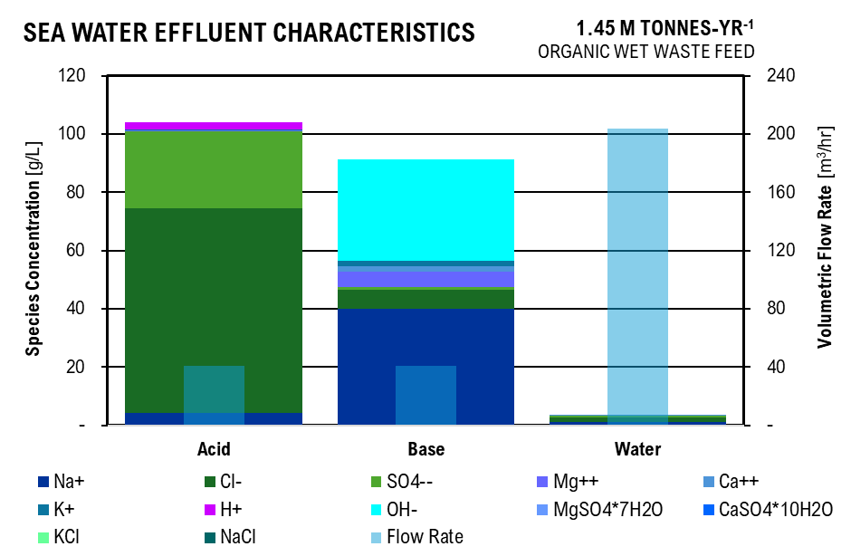

Crystallizer
 |  |  | Initial |  | MgSO4 |  | CaSO4 | KCl | NaCl |  |  | Ocean Water Figure
Parameter | Unit | Value | Unit | Value | Unit | Value | Value | Value | Value |  |  | Species | Acid | Base | Electrolyte | Water
C_Na | g/L | 10.50 | mol/L | 0.46 | mol/L | 0.46 | 0.46 | 0.46 | (0.00) |  | (g/L) | Na+ | 4.20 | 39.90 |  | 1.26
C_Cl | g/L | 16.54 | mol/L | 0.47 | mol/L | 0.47 | 0.47 | 0.46 | - |  | (g/L) | Cl- | 70.28 | 6.61 |  | 1.32
C_SO4 | g/L | 5.90 | mol/L | 0.06 | mol/L | 0.01 | - | - |  |  | (g/L) | SO4-- | 26.55 | 0.88 |  | 0.65
C_Mg | g/L | 1.25 | mol/L | 0.05 | mol/L | - | - | - |  |  | (g/L) | Mg++ | 0.31 | 5.44 |  | 0.08
C_Ca | g/L | 0.40 | mol/L | 0.01 | mol/L | 0.01 | 0.00 | - |  |  | (g/L) | Ca++ | 0.04 | 1.86 |  | 0.02
C_K | g/L | 0.38 | mol/L | 0.01 | mol/L | 0.01 | 0.01 | - |  |  | (g/L) | K+ | 0.02 | 1.81
q_Na | e | 1 |  |  |  |  |  |  |  |  | (g/L) | H+ | 2.56 | -
q_Cl | e | -1 |  |  | mol/L | g/L | ppm |  |  |  | (g/L) | OH- |  | 34.90
q_SO4 | e | -2 |  | so4 | 0.06 | 5.90 | 5,899.07 |  |  |  | (g/L) | MgSO4*7H2O |  |  | 3.10
q_Mg | e | 2 |  | cl | 0.47 | 16.54 | 16,535.44 |  |  |  | (g/L) | CaSO4*10H2O |  |  | 0.64
q_Ca | e | 2 |  |  |  |  |  |  |  |  | (g/L) | KCl |  |  | 0.72
q_K | e | 1 |  |  |  |  |  |  |  |  | (g/L) | NaCl |  |  | 26.69
Crystals Formed |  |  |  |  |  |  |  |  |  |  | (m3/hr) | Flow Rate | 6.79 | 6.79 | - | 33.96
MgSO4*7H2O | mol/L | 0.03 | g/L | 3.10
CaSO4*2H2O | mol/L | 0.01 | g/L | 0.64
KCl | mol/L | 0.01 | g/L | 0.72
NaCl | mol/L | 0.46 | g/L | 26.69

Amount of Electrolyte Required
Ocean Water Electrodialysis | 67.91 | kg/hr
Path A Electrodialysis | 96.19 | kg/hr
Path B Electrodialysis | 192.38 | kg/hr
Total | 356.48 | kg/hr
Total Sodium Sulfate Decahydrate | 386.12 | kg/hr
Ocean Water Crystal Flow | - | kg/hr
Volume of Water Flow | - | L/hr

Chesse Whey Fermentation

Enzymatic Hydrolysis
Parameter | Unit | Value | Unit | Value | Unit | Value
Substrate (Cheese Whey Powder) Concentration | % w/v | 25 | g/L | 250 | m3 CW / L H2O | 6.25E-04
Lactose Concentration in Substrate | % w/v | 70 | g/L | 175 | m3 CW/hr | 7.54
Beta-galactosidase (Lactase) | U/g CW | 15 | U/L | 3750 | kg CW/hr | 3,017.85
Yield (Glucose / Lactose) | g:g | 0.47
Yield (Galactose / Lactose) | g:g | 0.46
Glucose Concentration | g/L | 82.25
Galactose Concentration | g/L | 80.5

Homolactic Fermentation
Parameter | Unit | Value | Unit | Value | Unit | Value
Fementation | With Reycle
Yield (Lactic Acid / Glucose) | g:g | 0.91
Yield (Lactic Acid / Galactose) | g:g | 0.79
Lactic Acid Concentration | g/L | 138.4425
Glucose Concentration | g/L | 7.4025
Galactose Concentration | g/L | 16.905
Lactose Concentration | g/L | 12.25
Lactate Required | g/hr | 1,671,192.70
Influent Volumetric Flow Rate | L/hr | 12,071.38
Biosolids
Cheese Whey Concentration in Liquid | g/L | 75
Microbial Concentration in Liquid | g/L | 0.01
Solids Flow Rate | g/hr | 905,474.58
Recycle Rate | L:L | 1.00
Solids Recycled | g/hr | 905,474.58
Cheese Whey Recycled | g/hr | 905,353.86
Cheese Whey Effluent characteristics
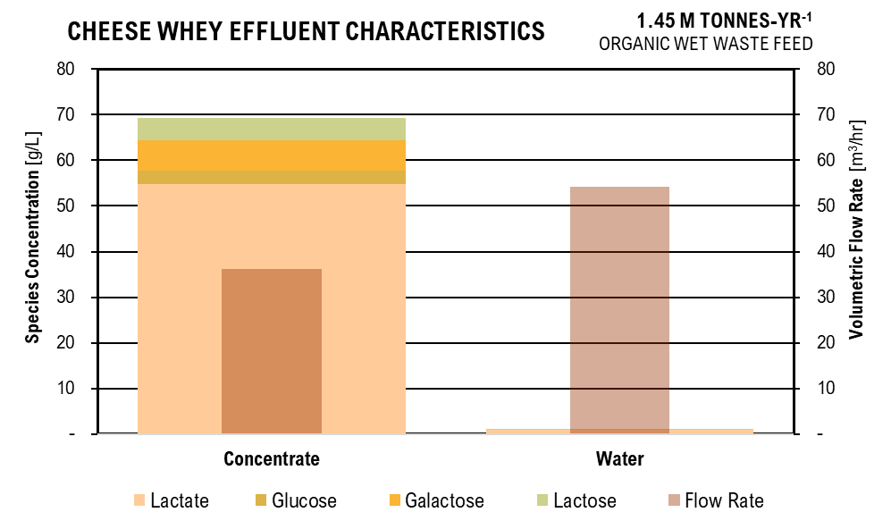
Desired Cheese Whey Concentration | g/L | 250
Recycle Stream Flow Rate | L/hr | 3,621.42

pH-Adjust
Parameter | Unit | Value | Unit | Value
Fermentation pH | pH | 5.5 | mol H/L | 3.1622776602E-06
Fermentation Effluent Flow Rate | L/hr | 15,692.80
H+ Molar Flow Rate | mol/hr | 0.05
pKa Lactate_Lactic Acid | pKa | 3.86
[A/HA] | mol:mol | 138038.42646 | at pH | 9
Lactate | mol/L | 1.5542998283
Lactic Acid | mol/L | 1.1259906884E-05
OH- Concentration at pH 9 | mol OH/L | 1.00E-05
OH - Flow Rate Required | mol OH/hr | 0.21 | g OH /hr | 3.51
Ocean Base OH- Concentration | g/L | 34.90
Ocean Base OH- Volume Flow Rate Required | L/hr | 0.10066675116
TOTAL FLOW RATE | L/hr | 15,692.90

 |  |  |  |  |  |  | Chesse Whey Fermentation Figure
Reverse Osmosis |  |  |  |  |  |  | Species | Concentrate | Water
Parameter | Unit | Value | Unit | Value |  |  | Lactate | 54.82 | 0.83
Non - Water Percent Separation | %/100 | 0.99 |  |  |  |  | Glucose | 2.93 | 0.04
Pure Water Percent Separation | %/100 | 0.60 |  |  |  |  | Galactose | 6.69 | 0.10
Energy Required | kWh/m3 | 6 |  |  |  |  | Lactose | 4.85 | 0.07
 | Concentrate |  | Water |  |  |  | Cheese Whey
Lactic Acid | g/L | 54.82 | g/L | 0.83 |  |  | Microbe
Glucose | g/L | 2.93 | g/L | 0.04 |  |  | Flow Rate | 6.28 | 9.42
Galactose | g/L | 6.69 | g/L | 0.10
Lactose | g/L | 4.85 | g/L | 0.07 |  |  | Lactic Acid Flow | 344.13641516 | kg/hr
Flow Rate | L/hr | 6277.1603861 | L/hr | 9415.7405792 |  |  | Lactic Acid Total | 82592739.638 | kg/30 yr

ANAEROBIC DIGESTION
Baseline Operating Conditions and Results - 2000L South Dakota School of Mines
Parameter | Unit | Value | Unit | Value
Percentage of Food Waste in Feedstock | % | 100
Percentage of Manure in Feedstock | % | 0
Anaerobic Digestor Hydraulic Retention Time | d | 5
Anaerobic Digestor Mixing Speed | rpm | 254
Anaerobic Digestor pH |  | 5
COD Loading | g COD/L | 41.5
PREFERMENTED:
AD C1 VFA Concentration | g/L | 0 | g VFA / g COD | 0.00
AD C2 VFA Concentration | g/L | 1.43 | g VFA / g COD | 0.03
AD C3 VFA Concentration | g/L | 1.21 | g VFA / g COD | 0.03
AD C4 VFA Concentration | g/L | 3.76 | g VFA / g COD | 0.09
AD Ci4 VFA Concentration | g/L | 0 | g VFA / g COD | 0.00
AD C5 VFA Concentration | g/L | 2.33 | g VFA / g COD | 0.06
AD Ci5 VFA Concentration | g/L | 0.21 | g VFA / g COD | 0.01
AD C6 VFA Concentration | g/L | 1.39 | g VFA / g COD | 0.03
AD C7 VFA Concentration | g/L | 0 | g VFA / g COD | 0.00
RAW:
AD C1 VFA Concentration | g/L | 0.03
AD C2 VFA Concentration | g/L | 2.03
AD C3 VFA Concentration | g/L | 0
AD C4 VFA Concentration | g/L | 2.09
AD Ci4 VFA Concentration | g/L | 0.09
AD C5 VFA Concentration | g/L | 1.22
AD Ci5 VFA Concentration | g/L | 0
AD C6 VFA Concentration | g/L | 0.42
AD C7 VFA Concentration | g/L | 0 | Total g/L | 16.21
AD Biogas Production | L/m3 sludge | 7875
H2 in Biogas | %/100 | 0.5
CH4 in Biogas | %/100 | 0.03
CO2 in Biogas | %/100 | 0.47
Theoretical VFA Yield | g VFA / g VS | 0.4
Scaling Factor |  | 0.98
Applied Voltage | V | 0.6

Volatile Fatty Acids - Scaled to Input Flow Rate
Parameter | Unit | Value | Unit | Value
Volatile Solids in Manure | g/g | 0.21
Volatile Solids in Food Waste | g/g | 0.3996 | After Water
Chemical Oxygen Demand in Manure | g COD / L | 56.00 | g COD / L | 44.80
Chemical Oxygen Demand in Food Waste | g COD / L | 198.00 | g COD / L | 158.40
VS Manure / VS Food Waste Correction Factor |  | 0.52
Manure COD / Experimental COD |  | 1.35
Food Waste COD / Experimental COD |  | 4.77

Water Added For Grinding
Parameter | Unit | Value | Unit | Value | Unit | Value | Unit | Value
Water Addition | %/100 | 0.25
 | Before |  | Water Added |  | After
Manure Flow Rate | kg/hr | 22,500.00 | kg/hr | 5625 | kg/hr | 28,125.00 | m3/hr | 26.79
Food Waste Flow Rate | kg/hr | 2,500.00 | kg/hr | 625 | kg/hr | 3,125.00 | m3/hr | 2.98

VFA Production
Parameter | Food Waste , Electrochemical Enhancement |  |  |  | Manure , Electrochemical Enhancement, Cont Removal
 | Unit | Value | Unit | Value | Unit | Value | Unit | Value
Volatile Solid Influent | kg/hr | 999.00 |  |  | kg/hr | 5,308.22

Lactate Produced | kg/hr | - | g/L | - | kg/hr | 0.99 | g/L | 0.03
Acetate Produced | kg/hr | 22.41 | g/L | 7.53 | kg/hr | 61.82 | g/L | 1.68
Propionic Production | kg/hr | 19.03 | g/L | 6.39 | kg/hr | - | g/L | 0.00
Butyric Production | kg/hr | 57.80 | g/L | 19.42 | kg/hr | 63.61 | g/L | 1.73
Isobutyric Production | kg/hr | - | g/L | - | kg/hr | 2.92 | g/L | 0.08
Digestion Effluent Characteristics
 | Acetate | Propionate | Butyrate | Isobutyrate | Valerate | Isovalerate | Caproate | Heptanoate | Phosphate | Sulfate | Ammonia | m:m% VFAs
Manure Digestate | 1.68 | - | 1.73 | 0.08 | 1.02 | - | 0.36 | - | 4.98 | 1.0360661656 | 7.03
Food Waste Digestate | 7.53 | 6.39 | 19.42 | - | 12.15 | 1.15 | 7.32 | - | 4.21 | 0 | 0.54
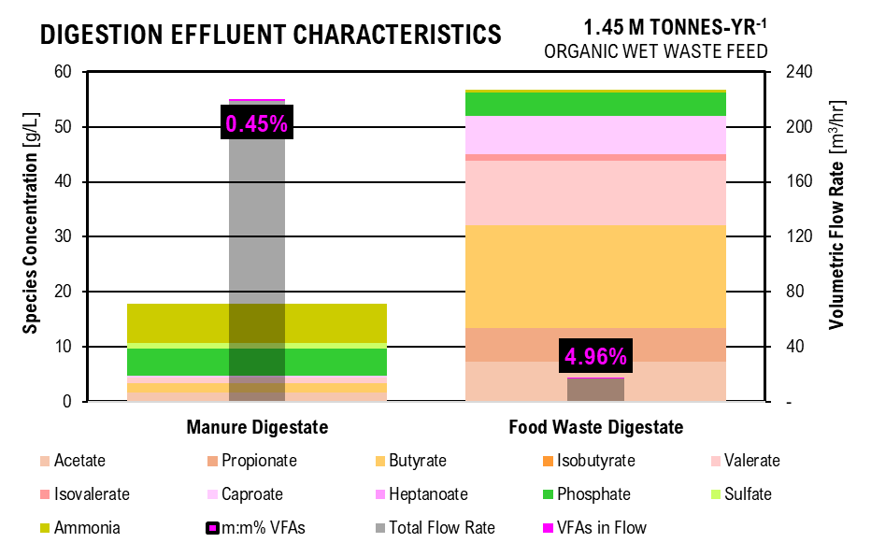
Valerate Production | kg/hr | 36.16 | g/L | 12.15 | kg/hr | 37.53 | g/L | 1.02
Isovaleric Production | kg/hr | 3.42 | g/L | 1.15 | kg/hr | - | g/L | 0.00 |  | DIGESTATE FIGURE
Caproic Production | kg/hr | 21.80 | g/L | 7.32 | kg/hr | 13.20 | g/L | 0.36 |  | Acid | Manure Digestate | Food Waste Digestate
Heptanoate Production | kg/hr | - | g/L | - | kg/hr | - | g/L | 0.00 |  | Acetate | 1.68 | 7.53
 |  |  |  |  |  |  | Total kg/hr | 340.68 |  | Propionate | 0.00 | 6.39
Feedstock Flow | m3/hr | 2.98 |  |  | m3/hr | 36.69 | Total g/L | 8.59 |  | Butyrate | 1.73 | 19.42
 |  |  |  |  |  |  |  |  |  | Isobutyrate | 0.08 | -
Lactate Production | g/m3 | 0.00 | mol/m3 | 0.00 | g/m3 | 27.09 | mol/m3 | 0.30 |  | Valerate | 1.02 | 12.15
Acetate Production | g /m3 | 7530.09 | mol/m3 | 127.54 | g /m3 | 1684.72 | mol/m3 | 28.54 |  | Isovalerate | 0.00 | 1.15
Propionic Production | g /m3 | 6392.94 | mol/m3 | 87.49 | g /m3 | 0.00E+00 | mol/m3 | 0.00 |  | Caproate | 0.36 | 7.32
Butyric Production | g /m3 | 19420.27 | mol/m3 | 222.97 | g /m3 | 1733.51 | mol/m3 | 19.90 |  | Heptanoate | 0.00 | -
Isobutyric Production | g /m3 | 0.00 | mol/m3 | 0.00 | g /m3 | 79.49 | mol/m3 | 0.91 |  | Phosphate | 4.98 | 4.21
Valerate Production | g/m3 | 12150.10 | mol/m3 | 120.16 | g/m3 | 1022.86 | mol/m3 | 10.12 |  | Sulfate | 1.04 | 0
Isovaleric Production | g /m3 | 1149.07 | mol/m3 | 11.36 | g /m3 | 0.00 | mol/m3 | 0.00 |  | Ammonia | 7.03 | 0.54
Caproic Production | g /m3 | 7323.62 | mol/m3 | 63.60 | g /m3 | 359.72 | mol/m3 | 3.12 |  | Total Flow Rate | 36.51 | 2.82
Heptanoate Production | g/m3 | 0.00 | mol/m3 | 0.00 | g/m3 | 0.00 | mol/m3 | 0.00 |  | VFAs in Flow | 0.18 | 0.16
 |  |  |  |  |  |  |  |  |  | m:m% VFAs | 0.47% | 5.14%
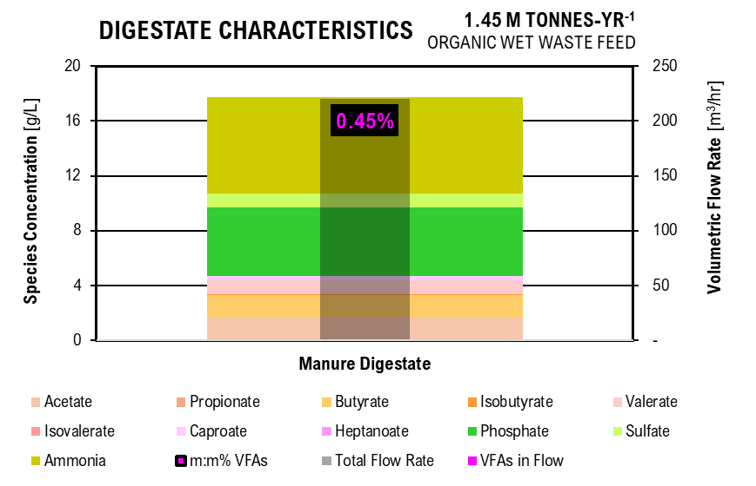
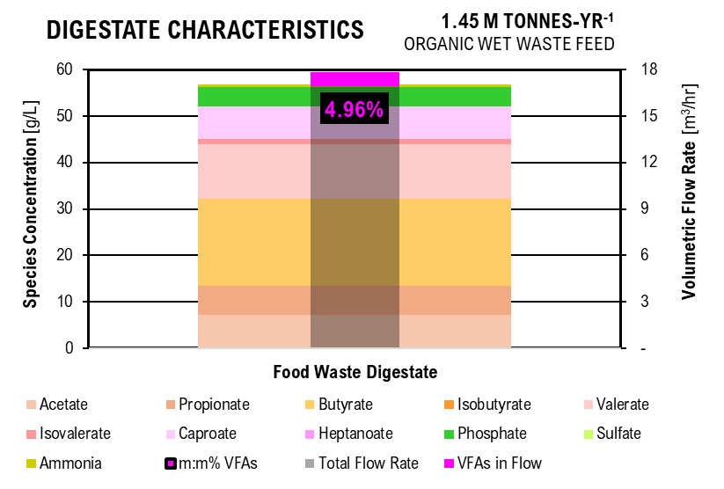
Digestate Characteristics
 | Acetate | Propionate | Butyrate | Isobutyrate | Valerate | Isovalerate | Caproate | Heptanoate | Phosphate | Sulfate | Ammonia | m:m% VFAs
Manure Digestate | 1.68 | - | 1.73 | 0.08 | 1.02 | - | 0.36 | - | 4.98 | 1.0360661656 | 7.03
Digestate Characteristics
 | Acetate | Propionate | Butyrate | Isobutyrate | Valerate | Isovalerate | Caproate | Heptanoate | Phosphate | Sulfate | Ammonia | m:m% VFAs
Food Waste Digestate | 7.53 | 6.39 | 19.42 | - | 12.15 | 1.15 | 7.32 | - | 4.21 | 0 | 0.54
Dissociation Calculations
 | Food Waste Digestate |  |  |  | Manure Digestate |  |  |  |  | Biogas FIGURE
Parameter | Unit | Value | Unit | Value | Unit | Value | Unit | Value |  |  | Manure | Food Waste
Operating pH | pH | 5 |  |  | pH | 5 |  |  |  | CH4 | 0.01 | 0.00
Acid Dissociation constant for VFAs | pKa | 4.74 |  |  | pKa | 4.74 |  |  |  | CO2 | 0.18 | 0.05
Acid Dissociation constant for Lactate | pKa | 3.86 |  |  | pKa | 3.86 |  |  |  | H2 | 0.19 | 0.06
Henderson-Haselbalch Ratio for VFAs | A/HA | 1.82 |  |  | A/HA | 1.82
Henderson-Haselbalch Ratio for Lactate | A/HA | 13.80 |  |  | A/HA | 13.80

lactate | mol/m3 | 0.00 | kg COD/m3 | 0.00 | mol/m3 | 0.28 | kg COD/m3 | 0.02
acetate | mol/m3 | 82.31 | kg COD/m3 | 5.29 | mol/m3 | 18.42 | kg COD/m3 | 1.18
propionate | mol/m3 | 56.46 | kg COD/m3 | 6.32 | mol/m3 | 0.00 | kg COD/m3 | 0.00
butyrate | mol/m3 | 143.89 | kg COD/m3 | 23.07 | mol/m3 | 12.84 | kg COD/m3 | 2.06
isobutyrate | mol/m3 | 0.00 | kg COD/m3 | 0.00 | mol/m3 | 0.59 | kg COD/m3 | 0.09
valerate | mol/m3 | 77.54 | kg COD/m3 | 16.16 | mol/m3 | 6.53 | kg COD/m3 | 1.36
isovalerate | mol/m3 | 7.33 | kg COD/m3 | 1.53 | mol/m3 | 0.00 | kg COD/m3 | 0.00
caproate | mol/m3 | 41.04 | kg COD/m3 | 10.54 | mol/m3 | 2.02 | kg COD/m3 | 0.52
heptanoate | mol/m3 | 0.00 | kg COD/m3 | 0.00 | mol/m3 | 0.00 | kg COD/m3 | 0.00
Digester Biogas Production
Digester Biogas Production
Digester Biogas Production
lactic acid | mol/m3 | 0.00 | kg COD/m3 | 0.00 | mol/m3 | 0.02 | kg COD/m3 | 0.00
acetic acid | mol/m3 | 45.23 | kg COD/m3 | 2.91 | mol/m3 | 10.12 | kg COD/m3 | 0.65
propionic acid | mol/m3 | 31.03 | kg COD/m3 | 3.47 | mol/m3 | 0.00 | kg COD/m3 | 0.00
butyric acid | mol/m3 | 79.07 | kg COD/m3 | 12.68 | mol/m3 | 7.06 | kg COD/m3 | 1.13
isobutyric acid | mol/m3 | 0.00 | kg COD/m3 | 0.00 | mol/m3 | 0.32 | kg COD/m3 | 0.05
valeric acid | mol/m3 | 42.61 | kg COD/m3 | 8.88 | mol/m3 | 3.59 | kg COD/m3 | 0.75
isovaleric acid | mol/m3 | 4.03 | kg COD/m3 | 0.84 | mol/m3 | 0.00 | kg COD/m3 | 0.00
caproic acid | mol/m3 | 22.56 | kg COD/m3 | 5.79 | mol/m3 | 1.11 | kg COD/m3 | 0.28
heptanoic acid | mol/m3 | 0.00 | kg COD/m3 | 0.00 | mol/m3 | 0.00 | kg COD/m3 | 0.00

Dry Matter Calculations
Parameter | Unit | Value
Food Waste Total Solids | kg TS/m3 | 340.37
 | g TS /L | 324.16
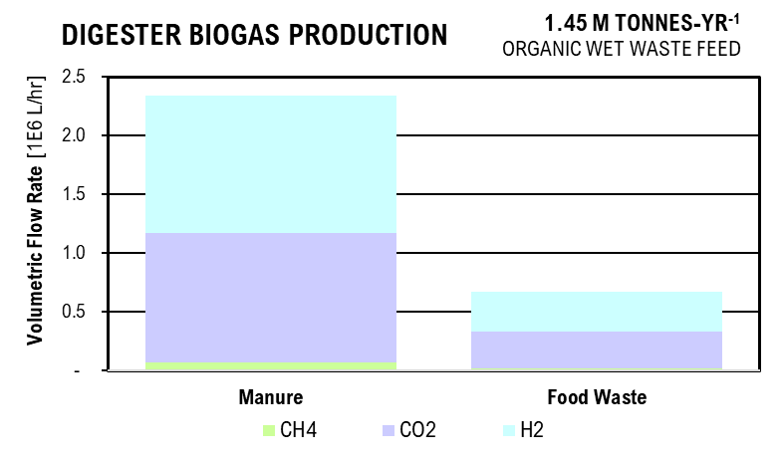
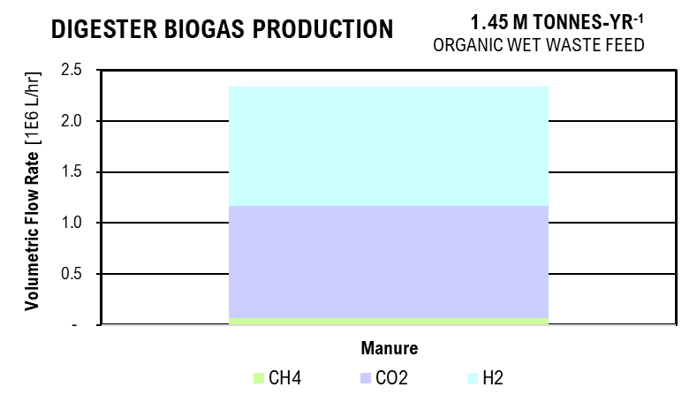
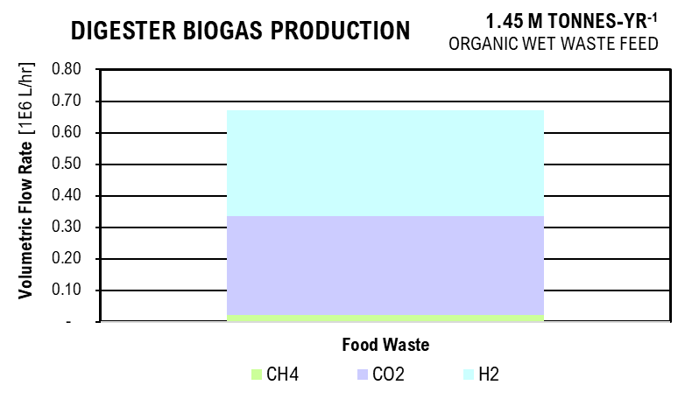
Cow Manure Total Solids | kg TS/m3 | 140.42
 | g TS/L | 133.74
 | g Ash/L | 2.58
 | g DM_af/L | 131.15
Pig Manure Total Solids | kg TS/m3 | 140.42
 | g TS/L | 133.74
 | g Ash/L | 2.59
 | g DM_af/L | 131.14
Total Total Solids | kg TS/m3 | 621.21

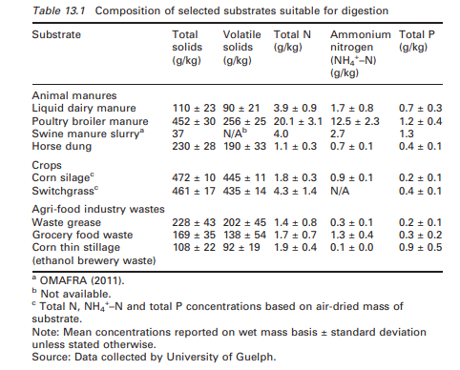
Phosphorus
 | Food Waste Digestate |  |  |  | Manure Digestate
Parameter | Unit | Value | Unit | Value | Unit | Value | Unit | Value
Total Phosphorus | g TP/L | 4.21 |  |  | g TP/L | 4.98
Soluble Phosphorus | g/L | 2.95 |  |  | g/L | 3.49
Operating pH | pH | 5 |  |  | pH | 5
Henderson-Hasselbalch Dissociation Ratios
h2po4_h3po4 | mol/L:mol/L | 7.24E+02 |  |  | mol/L:mol/L | 7.24E+02
hpo4_h2po4 | mol/L:mol/L | 6.17E-03 |  |  | mol/L:mol/L | 6.17E-03
po4_hpo4 | mol/L:mol/L | 2.09E-08 |  |  | mol/L:mol/L | 2.09E-08
PO43 | mol/L | 3.89E-12 | kg/m3 | 3.69E-10 | mol/L | 4.60E-12 | kg/m3 | 4.37E-10
HPO42 | mol/L | 1.86E-04 | kg/m3 | 1.81E-02 | mol/L | 2.20E-04 | kg/m3 | 2.13E-02
H2PO4 | mol/L | 3.02E-02 | kg/m3 | 2.96E+00 | mol/L | 3.57E-02 | kg/m3 | 3.50E+00
H3PO4 | mol/L | 4.17E-05 | kg/m3 | 4.04E-03 | mol/L | 4.93E-05 | kg/m3 | 4.78E-03

Sulfur
 | Food Waste Digestate |  |  |  | Manure Digestate
Parameter | Unit | Value | Unit | Value | Unit | Value | Unit | Value
Total Sulfur | g TS /L |  |  |  | g TS /L | 1.0360661656
Operating pH | pH | 5 |  |  | pH | 5
Henderson-Hasselbalch Dissociation Ratios
HSO4_H2SO4 | mol/L:mol/L |  |  |  | mol/L:mol/L | 1.00E+08
SO4_HSO4 | mol/L:mol/L |  |  |  | mol/L:mol/L | 1.20E+03
SO42 | mol/L | 0.00E+00 | kg/m3 | 0.00 | mol/L | 1.08E-02 | kg/m3 | 1.04
HSO4 | mol/L | 0.00E+00 | kg/m3 | 0.00 | mol/L | 8.96E-06 | kg/m3 | 0.00
H2SO4 | mol/L |  | kg/m3 | 0.00 | mol/L | 8.96E-14 | kg/m3 | 0.00

Nitrogen
 | Food Waste Digestate |  |  |  | Manure Digestate
Parameter | Unit | Value | Unit | Value | Unit | Value | Unit | Value
Soluble Nitrogen | g/L | 0.54 |  |  | g/L | 7.029550657
Ammonia Nitrogen | g/L | 0.54 |  |  | g/L | 7.029550657
Operating pH | pH | 5 |  |  | pH | 5
Henderson-Hasselbalch Dissociation Ratios
NH3_NH4 | mol/L:mol/L | 5.50E-05 |  |  | mol/L:mol/L | 5.4954087386E-05
NH3 | mol/L | 0.00 | kg COD/m3 | 0.00 | mol/L | 0.00 | kg COD/m3 | 0.00
NH4 | mol/L | 0.03 | kg COD/m3 | 0.54 | mol/L | 0.41 | kg COD/m3 | 7.45

Biogas Production
 | Food Waste Digestate |  |  |  | Manure Digestate
Parameter | Unit | Value | Unit | Value | Unit | Value | Unit | Value
Biogas Production | L BG / g COD | 0.23 |  |  | L BG / g COD | 0.31
 | L BG /hr | 111,822.40 |  |  | L BG / hr | 389,915.83
Methane | L/hr | 3,354.67 | L/m3 | 1,127.17 | L/hr | 11,697.47 | L/m3 | 318.80
Carbon Dioxide | L/hr | 52,556.53 | L/m3 | 17,658.99 | L/hr | 183,260.44 | L/m3 | 4,994.46
Hydrogen | L/hr | 55,911.20 | L/m3 | 18,786.16 | L/hr | 194,957.91 | L/m3 | 5,313.25

Biosolids Recycle
 | Manure Digestate
Parameter | Unit | Value | Unit | Value | Unit | Value | Unit | Value
Total Solids Flow Rate | kg/hr | 5,152.50
VS Flow Rate | kg/hr | 2,123.29 | g/g | 0.41
Phosphorus Rate | g/hr | 1.73E+05 | g/L | 33.54
Sulfur Concentration | g/hr | -
Ammonia Concentration | g/hr | -
Biosolids Recycle Percentage | %/100 | 0.30
Desired Phosphorus Concentration | g/L | 4.98
Total Volume Required | L/hr | 10,402.40 | m3/hr | 9.91
Total Water Addition Required | L/hr | 5,249.90

NITROGEN REMOVAL

Manure Filtration
Parameter | Unit | Value | Unit | Value
Influent Flow Rate of Manure Sludge | m3/hr | 36.692759295
Total Solids in Manure Digestate | kg/hr | 5,152.50 | m3/hr | 2.89
Effluent Flow Rate of Manure Liquid Digestate | m3/hr | 33.80 | L/hr | 33,798.10
Effluent Manure Liquid Digestate pH | pH | 5.00
Percent Phosphorus in Solid Fraction | %/100 | 0.90
Percent Carbon in Solid Fraction | %/100 | 1.00

Adjust pH - Electrolyte Solution
Parameter | Unit | Value | Unit | Value
Influent Manure Liquid Digestate pH | pH | 5.00
Influent Manure Liquid Digestate Flow Rate | L/hr | 33,798.10
Influent Electrodialysis Base 2 Flow Rate | L/hr | 9,618.78
Base 2 pH | pH | 13.80
Influent Electrodialysis Base 1 Flow Rate | L/hr | 9,618.78
Base 1 pH | pH | 13.00
Flow Rate from Combination | L/hr | 53,035.65
pH from Combination | pH | 8.05

Adjust pH -NaOH
Parameter | Unit | Value | Unit | Value
Influent Manure Liquid Digestate pH | pH | 10.50
NaOH Addition to Raise pH 5 to 9 | g/L | 2.40 | g/L-unit pH | 0.60
OH Flow Rate Requried to Raise pH | g/hr | 78,060.37
Ocean Base OH Concentration | g/L | 34.90
Ocean Base OH Flow Rate | L/hr | 2,236.82
Flow Rate from Combination | L/hr | 55,272.47 | m3/hr | 55.27

Species in Electrodialysis Solution at Electodialysis pH
Parameter | Unit | Value | Unit | Value
ace | mol/m3 | 5.21E-07 | g/L | 0.03
hace | mol/m3 | 2.63E-15 | g/L | 0.00
pro | mol/m3 | 1.35E-06 | g/L | 0.10
hpro | mol/m3 | 6.82E-15 | g/L | 0.00
but | mol/m3 | 1.56E-06 | g/L | 0.14
hbut | mol/m3 | 7.90E-15 | g/L | 0.00
ibut | mol/m3 | 0.00E+00 | g/L | -
hibut | mol/m3 | 0.00E+00 | g/L | -
val | mol/m3 | 2.13E-06 | g/L | 0.22
hval | mol/m3 | 1.08E-14 | g/L | 0.00
ival | mol/m3 | 1.86E-07 | g/L | 0.02
hival | mol/m3 | 9.38E-16 | g/L | 0.00
cap | mol/m3 | 4.22E-06 | g/L | 0.49
cap | mol/m3 | 2.13E-14 | g/L | 0.00
hep | mol/m3 | 2.08E-07 | g/L | 0.03
hhep | mol/m3 | 1.05E-15 | g/L | 0.00
cl | mol/m3 | 4.47E-06 | g/L | 0.16
hcl | mol/m3 | 1.45E-25 | g/L | 0.00
h2so4 | mol/m3 | 0.00E+00 | g/L | -
hso4 | mol/m3 | 0.00E+00 | g/L | -
so4 | mol/m3 | 0.00E+00 | g/L | -
h3po4 | mol/m3 | 6.26E-26 | g/L | 0.00
h2po4 | mol/m3 | 2.86E-14 | g/L | 0.00
hpo4 | mol/m3 | 1.11E-07 | g/L | 0.01
po4 | mol/m3 | 1.47E-06 | g/L | 0.14
nh4 | mol/m3 | 1.00E+00 | g/L | 1.00
nh3 | mol/m3 | 1.00E+00 | g/L | 1.00

Dissociation Calculation in Manure Liquid Digestate
 | Before Ocean Base Addition |  |  |  | After Base Addition
Parameter | Unit | Value | Unit | Value | Unit | Value | Unit | Value | Unit | Value
Henderson-Hasselbalch VFA | A/HA | 6.92E+05
Acetic Acid | mol/m3 | 4.12E-05 | g/L | 0.000 | mol/m3 | 2.52E-05 | g/L | 0.00 | mol/hr | 0.00
Propionic Acid | mol/m3 | 1.95E-12 | g/L | 0.000 | mol/m3 | 1.19E-12 | g/L | 0.00 | mol/hr | 0.00
Butyric Acid | mol/m3 | 2.88E-05 | g/L | 0.000 | mol/m3 | 1.76E-05 | g/L | 0.00 | mol/hr | 0.00
Isobutyric Acid | mol/m3 | 1.32E-06 | g/L | 0.000 | mol/m3 | 8.07E-07 | g/L | 0.00 | mol/hr | 0.00
Valeric Acid | mol/m3 | 1.46E-05 | g/L | 0.000 | mol/m3 | 8.94E-06 | g/L | 0.00 | mol/hr | 0.00
Isovaleric Acid | mol/m3 | 2.68E-13 | g/L | 0.000 | mol/m3 | 1.64E-13 | g/L | 0.00 | mol/hr | 0.00
Caproic Acid | mol/m3 | 4.52E-06 | g/L | 0.000 | mol/m3 | 2.76E-06 | g/L | 0.00 | mol/hr | 0.00
Heptanoic Acid | mol/m3 | 3.00E-13 | g/L | 0.000 | mol/m3 | 1.83E-13 | g/L | 0.00 | mol/hr | 0.00
Acetate | mol/m3 | 2.85E+01 | g/L | 1.714 | mol/m3 | 1.74E+01 | g/L | 1.05 | mol/hr | 964.44
Propionate | mol/m3 | 1.35E-06 | g/L | 0.000 | mol/m3 | 8.25E-07 | g/L | 0.00 | mol/hr | 0.00
Butyrate | mol/m3 | 1.99E+01 | g/L | 1.754 | mol/m3 | 1.22E+01 | g/L | 1.07 | mol/hr | 672.66
Isobutyrate | mol/m3 | 9.13E-01 | g/L | 0.080 | mol/m3 | 5.58E-01 | g/L | 0.05 | mol/hr | 30.85
Valerate | mol/m3 | 1.01E+01 | g/L | 1.033 | mol/m3 | 6.19E+00 | g/L | 0.63 | mol/hr | 341.88
Isovalerate | mol/m3 | 1.86E-07 | g/L | 0.000 | mol/m3 | 1.13E-07 | g/L | 0.00 | mol/hr | 0.00
Caproate | mol/m3 | 3.12E+00 | g/L | 0.363 | mol/m3 | 1.91E+00 | g/L | 0.22 | mol/hr | 105.58
Heptanoate | mol/m3 | 2.08E-07 | g/L | 0.000 | mol/m3 | 1.27E-07 | g/L | 0.00 | mol/hr | 0.00
Henderson-Hasselbalch Phosphate | H2A/H3A | 3.16E+08
 | HA/H2A | 6.31E+03
 | A/HA | 5.01E-02
PO43 | mol/L | 1.81E-04 | g/L | 0.02 | mol/L | 1.11E-04 | g/L | 0.01 | mol/hr | 6.12
HPO42 | mol/L | 3.61E-03 | g/L | 0.35 | mol/L | 2.21E-03 | g/L | 0.21 | mol/hr | 122.05
H2PO4 | mol/L | 5.72E-07 | g/L | 0.00 | mol/L | 3.50E-07 | g/L | 0.00 | mol/hr | 0.02
H3PO4 | mol/L | 1.81E-15 | g/L | 0.00 | mol/L | 1.11E-15 | g/L | 0.00 | mol/hr | 0.00
Henderson-Hasselbalch Sulfate | HA/H2A | 3.16E+13
 | A/HA | 5.01E+08
SO42 | mol/L | 0.01 | g/L | 1.04 | mol/L | 0.0065952040769 | g/L | 0.63 | mol/hr | 364.53325125
HSO4 | mol/L | 0.00 | g/L | 0.00 | mol/L | 0.00 | g/L | 0.00 | mol/hr | 7.2733945877E-07
H2SO4 | mol/L | 0.00 | g/L | 0.00 | mol/L | 0.00 | g/L | 0.00 | mol/hr | 2.3000493218E-20
Henderson-Hasselbalch Nitrogen | A/HA | 91.20
NH3 | mol/L | 0.52 | g/L | 8.93 | mol/L | 0.32 | g/L | 5.46 | mol/hr | 17713.453094
NH4 | mol/L | 0.01 | g/L | 0.10 | mol/L | 0.00 | g/L | 0.06 | mol/hr | 194.22415096

Stripper-Absorber | Stripping Column |  |  |  | Absorption Column 1 |  |  |  | Absorption Column 2 |  |  |  | Total Absorption Aqueous Streams
 | Volatilized |  | Aqueous (Cont to CE) |  | Aqueous |  | Volatilized |  | Aqueous |  | Volatilized |  | Grams |  | Moles
Parameter | Unit | Value | Unit | Value | Unit | Value | Unit | Value | Unit | Value | Unit | Value | Unit | Value | Unit | Value
Ammonia | mol NH3 /hr | 6.70 | g NH3 /L | 2.23 | g NH3 /L | - | g NH3 /L | 0.01 | g NH3 /L | 0.01 | g NH3 /L | 0.00 | g NH3 /L | 0.01 | mol NH3 /L | 0.00
Ammonium | mol NH4 /hr | - | g NH4 /L | 0.10 | g NH4Cl /L | 1.54 | g NH4 /L | - | g NH4 /L | - | g NH4 /L | - | g NH4 /L | 1.54 | mol NH4 /L | 0.09
Acetic Acid | g/L | 0.00 | g/L | 2.39E-06 | g/L | 0.00 | g/L | 0.00 | g/L | 0.00 | g/L | 0.00 | g/L | 0.00 | mol/L | 0.00
Propionic Acid | g/L | 0.00 | g/L | 1.40E-13 | g/L | 0.00 | g/L | 0.00 | g/L | 0.00 | g/L | 0.00 | g/L | 0.00 | mol/L | 0.00
Butyric Acid | g/L | 0.00 | g/L | 2.46E-06 | g/L | 0.00 | g/L | 0.00 | g/L | 0.00 | g/L | 0.00 | g/L | 0.00 | mol/L | 0.00
Isobutyric Acid | g/L | 0.00 | g/L | 1.13E-07 | g/L | 0.00 | g/L | 0.00 | g/L | 0.00 | g/L | 0.00 | g/L | 0.00 | mol/L | 0.00
Valeric Acid | g/L | 0.00 | g/L | 1.45E-06 | g/L | 0.00 | g/L | 0.00 | g/L | 0.00 | g/L | 0.00 | g/L | 0.00 | mol/L | 0.00
Isovaleric Acid | g/L | 0.00 | g/L | 2.66E-14 | g/L | 0.00 | g/L | 0.00 | g/L | 0.00 | g/L | 0.00 | g/L | 0.00 | mol/L | 0.00
Caproic Acid | g/L | 0.00 | g/L | 5.10E-07 | g/L | 0.00 | g/L | 0.00 | g/L | 0.00 | g/L | 0.00 | g/L | 0.00 | mol/L | 0.00
Heptanoic Acid | g/L | 0.00 | g/L | 3.80E-14 | g/L | 0.00 | g/L | 0.00 | g/L | 0.00 | g/L | 0.00 | g/L | 0.00 | mol/L | 0.00
Acetate | g/L | 0.03 | g/L | 1.68 | g/L | 0.03 | g/L | 0.01 | g/L | 0.01 | g/L | 0.00 | g/L | 0.03 | mol/L | 1.91
Propionate | g/L | 0.00 | g/L | 0.00 | g/L | 0.00 | g/L | 0.00 | g/L | 0.00 | g/L | 0.00 | g/L | 0.00 | mol/L | 0.00
Butyrate | g/L | 0.04 | g/L | 1.72 | g/L | 0.03 | g/L | 0.01 | g/L | 0.01 | g/L | 0.00 | g/L | 0.03 | mol/L | 2.88
Isobutyrate | g/L | 0.00 | g/L | 0.08 | g/L | 0.00 | g/L | 0.00 | g/L | 0.00 | g/L | 0.00 | g/L | 0.00 | mol/L | 0.13
Valerate | g/L | 0.02 | g/L | 1.01 | g/L | 0.02 | g/L | 0.00 | g/L | 0.00 | g/L | 0.00 | g/L | 0.02 | mol/L | 1.97
Isovalerate | g/L | 0.00 | g/L | 0.00 | g/L | 0.00 | g/L | 0.00 | g/L | 0.00 | g/L | 0.00 | g/L | 0.00 | mol/L | 0.00
Caproate | g/L | 0.01 | g/L | 0.36 | g/L | 0.01 | g/L | 0.00 | g/L | 0.00 | g/L | 0.00 | g/L | 0.01 | mol/L | 0.79
Heptanoate | g/L | 0.00 | g/L | 0.00 | g/L | 0.00 | g/L | 0.00 | g/L | 0.00 | g/L | 0.00 | g/L | 0.00 | mol/L | 0.00

Stripper-Absorber | Stripping Column |  |  |  | Absorption Column 1
 | Volatilized |  | Chaine Elongation Influent |  | Aqueous |  | Volatilized
Parameter | Unit | Value | Unit | Value | Unit | Value | Unit | Value
Ammonia | mol NH3 /hr | 17,182.05 | mol NH3 /hr | 531.40 | mol NH3 /hr | - | g NH3 /L | -
Ammonium | mol NH4 /hr | - | mol NH4 /hr | 194.22 | mol 2NH4SO4 /hr | 362.81 | g NH4 /L | -
Acetic Acid | mol/hr | 0.00 | mol/hr | 0.00 | mol/hr | 0.00 | mol/hr | 0.00
Propionic Acid | mol/hr | 0.00 | mol/hr | 0.00 | mol/hr | 0.00 | mol/hr | 0.00
Butyric Acid | mol/hr | 0.00 | mol/hr | 0.00 | mol/hr | 0.00 | mol/hr | 0.00
Isobutyric Acid | mol/hr | 0.00 | mol/hr | 0.00 | mol/hr | 0.00 | mol/hr | 0.00
Valeric Acid | mol/hr | 0.00 | mol/hr | 0.00 | mol/hr | 0.00 | mol/hr | 0.00
Isovaleric Acid | mol/hr | 0.00 | mol/hr | 0.00 | mol/hr | 0.00 | mol/hr | 0.00
Caproic Acid | mol/hr | 0.00 | mol/hr | 0.00 | mol/hr | 0.00 | mol/hr | 0.00
Heptanoic Acid | mol/hr | 0.00 | mol/hr | 0.00 | mol/hr | 0.00 | mol/hr | 0.00
ACE/ Na-Ace | mol/hr | 19.29 | mol/hr | 945.15 | mol/hr | 19.29 | mol/hr | -
Pro / Na-Pro | mol/hr | 0.00 | mol/hr | 0.00 | mol/hr | 0.00 | mol/hr | -
But / Na-But | mol/hr | 13.45 | mol/hr | 659.21 | mol/hr | 13.45 | mol/hr | -
Na-Ibut | mol/hr | 0.62 | mol/hr | 30.23 | mol/hr | 0.62 | mol/hr | -
Na_val | mol/hr | 6.84 | mol/hr | 335.04 | mol/hr | 6.84 | mol/hr | -
Na-Ival | mol/hr | 0.00 | mol/hr | 0.00 | mol/hr | 0.00 | mol/hr | -
Na-cap | mol/hr | 2.11 | mol/hr | 103.47 | mol/hr | 2.11 | mol/hr | -
Na-hep | mol/hr | 0.00 | mol/hr | 0.00 | mol/hr | 0.00 | mol/hr | -

Absorption Column
Parameter | Unit | Value | Unit | Value
Henry's Law
Operating Temperature | C | 15.00 | K | 288.15
Air to Stripper Liquid Volume Ratio | L:L | 20,000.00
Air Flow Rate | L/hr | 1.06E+09
Ammonia (NH3) Flow Rate | mol/hr | 17,182.05
Partial Pressure of Ammonia | atm | 3.83E-04
Henry's Law Constant for Ammonia at 15 C | mol/L-atm | 75.00
Concentration of NH3 in Liquid Phase | mol/L | 0.03 | g/L | 0.49

Absorption Fluid
Parameter | Unit | Value | Unit | Value | Unit | Value | Unit | Value
INFLUENT | OCEAN H+ Cl-
Molar Flow Rate NH3 | mol/hr | 17,182.05
H+ Molar Flow Rate Required | mol/hr | 17,216.41
H+ Molar Concentration in Ocean Water | mol/L | 2.54
Ocean Acid Flow Required | L/hr | 6,791.19 |  |  | After Absorption |  | After Crystallization
C_Na | mol/L | 0.18 | mol/hr | 1,240.68 | mol/hr | 1,198.37 | mol/hr | -
C_Cl | mol/L | 1.98 | mol/hr | 13,462.77 | mol/hr | 13,462.77 | mol/hr | 13,459.47
C_SO4 | mol/L | 0.28 | mol/hr | 1,876.82 | mol/hr | 1,514.01 | mol/hr | 221.54
C_Mg | mol/L | 0.01 | mol/hr | 87.32 | mol/hr | 87.32 | mol/hr | -
C_Ca | mol/L | 0.00 | mol/hr | 6.78 | mol/hr | 6.78 | mol/hr | -
C_K | mol/L | 0.00 | mol/hr | 3.30 | mol/hr | 3.30 | mol/hr | -

Crystallizer
 | Initial |  | K2 |  | Final Solubility |  | Final Crystals
Parameter | Unit | Value | Unit | Value | Unit | Value | Unit | Value
NH4_2SO4 | mol/L | 0.05 | K | 0.20 | mol/L | 0.37 | mol/L | (0.32)
Na-Ace | mol/L | 2.84E-03 | K | 0.01 | mol/L | 0.11 | mol/L | (0.10)
Na-Pro | mol/L | 1.34E-10 | K | 0.00 | mol/L | 0.00 | mol/L | (0.00)
Na-But | mol/L | 1.98E-03 | K | 0.01 | mol/L | 0.10 | mol/L | (0.10)
Na-Ibut | mol/L | 9.08E-05 | K | 0.00 | mol/L | 0.02 | mol/L | (0.02)
Na_val | mol/L | 1.01E-03 | K | 0.01 | mol/L | 0.08 | mol/L | (0.08)
Na-Ival | mol/L | 1.85E-11 | K | 0.00 | mol/L | 0.00 | mol/L | (0.00)
Na-cap | mol/L | 3.11E-04 | K | 0.00 | mol/L | 0.05 | mol/L | (0.05)
Na-hep | mol/L | 2.07E-11 | K | 0.00 | mol/L | 0.00 | mol/L | (0.00)
MgSO4 | mol/L | 0.01 | K | 20.93 | mol/L | 4.57 | mol/L | (4.56)
CaSO4 | mol/L | 0.00 | K | 0.00 | mol/L | 0.06 | mol/L | (0.06)
KCl | mol/L | 0.00 | K | 0.00 | mol/L | 0.01 | mol/L | (0.01)
Na2SO4 | mol/L | 0.18 | K | 94.57 | mol/L | 2.87 | mol/L | (2.69)

T1 | K | 298.15
T2 | K | 373.15

Final Crystals
Parameter | Unit | Value | Unit | Value
 | Cooling - 32 C |  | Cooling - 2C |  | Heating - 100 C
Ammonium Sulfate | kg/hr |  | kg/hr |  | kg/hr | 47.94
Sodium Acetate Trihydrate | kg/hr |  | kg/hr |  | kg/hr | 2.62
Sodium Propionate | kg/hr |  | kg/hr |  | kg/hr | 0.00
Sodium Butyrate | kg/hr |  | kg/hr |  | kg/hr | 1.48
Sodium Isobutyrate | kg/hr |  | kg/hr |  | kg/hr | 0.07
Sodium Valerate | kg/hr |  | kg/hr |  | kg/hr | 0.85
Sodium Isovalerate | kg/hr |  | kg/hr |  | kg/hr | 0.00
Sodium Caproate | kg/hr |  | kg/hr |  | kg/hr | 0.29
Sodium Heptanoate | kg/hr |  | kg/hr |  | kg/hr | 0.00
Magnesium Sulfate Heptahydrate | kg/hr |  | kg/hr | 21.52 | kg/hr
Calcium Sulfate Dihydrate | kg/hr |  | kg/hr | 1.17 | kg/hr
Potassium Chloride | kg/hr |  | kg/hr | 0.25 | kg/hr
Sodium Sulfate Decahydrate | kg/hr | 386.12 | kg/hr |  | kg/hr

Nitrogen Removal Influent & Effluent Characteristics
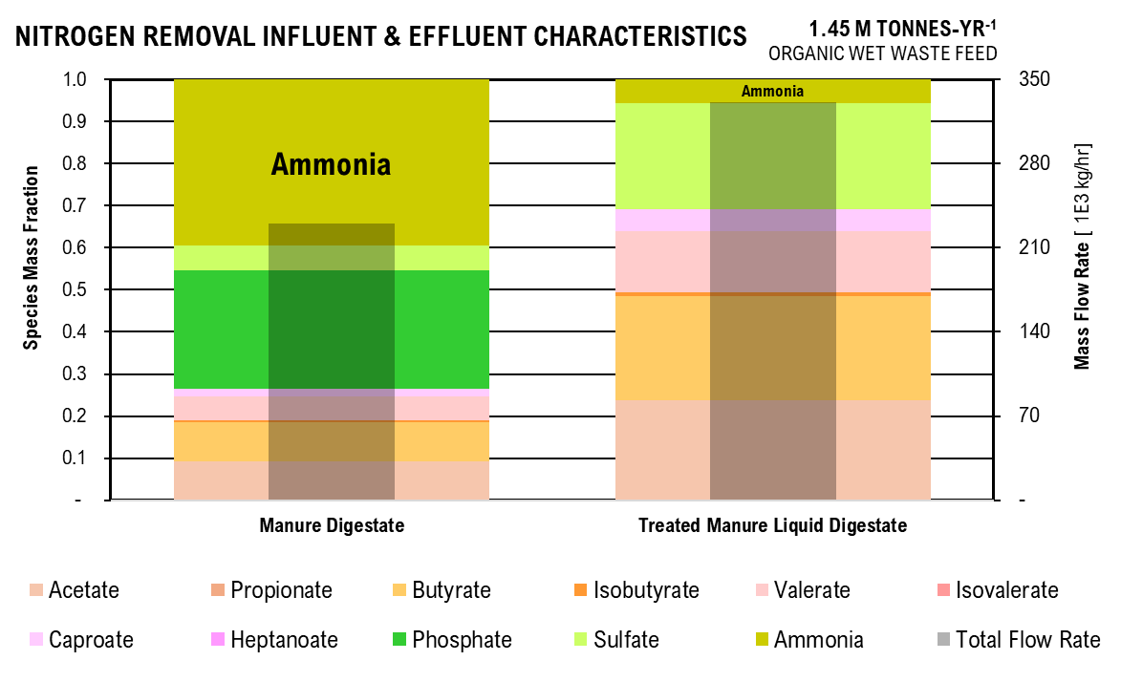
Nitrogen Removal Graph
 | Manure Digestate | Treated Manure Liquid Digestate |  |  |  | Manure Digestate | Treated Manure Liquid Digestate
Acetate | 61.82 | 55.80 |  |  | Acetate | 0.09 | 0.24
Propionate | 0.00 | 0.00 |  |  | Propionate | - | 0.00
Butyrate | 63.61 | 57.42 |  |  | Butyrate | 0.10 | 0.25
Isobutyrate | 2.92 | 2.63 |  |  | Isobutyrate | 0.00 | 0.01
Valerate | 37.53 | 33.88 |  |  | Valerate | 0.06 | 0.15
Isovalerate | 0.00 | 0.00 |  |  | Isovalerate | - | 0.00
Caproate | 13.20 | 11.91 |  |  | Caproate | 0.02 | 0.05
Heptanoate | 0.00 | 0.00 |  |  | Heptanoate | - | 0.00
Phosphate | 182.86 | - |  |  | Phosphate | 0.28 | -
Sulfate | 37.83 | 57.27 |  |  | Sulfate | 0.06 | 0.25
Ammonia | 256.67 | 12.55 |  |  | Ammonia | 0.39 | 0.05
Total Flow Rate | 656.43 | 231.47 |  |  | Total Flow Rate | 38,338.33 | 55,272.47

Crystalization Effluent Characteristics

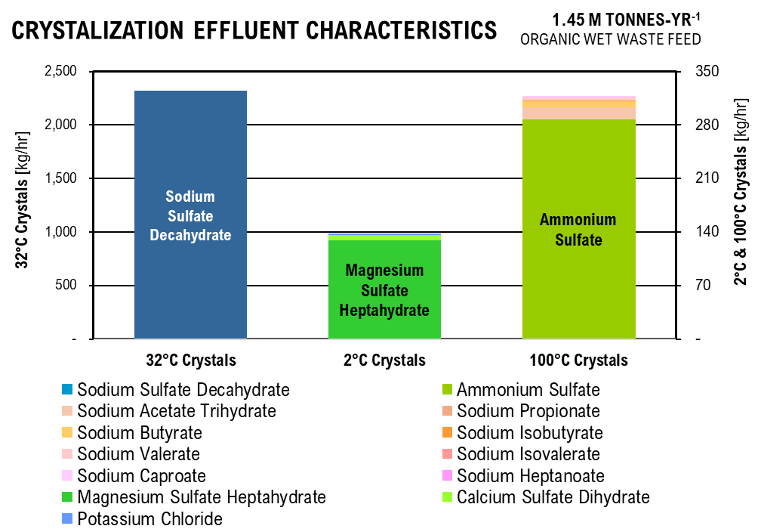
 | 32°C Crystals | 2°C Crystals | 100°C Crystals
Ammonium Sulfate | - | - | 47.94
Sodium Acetate Trihydrate | - | - | 2.62
Sodium Propionate | - | - | 0.00
Sodium Butyrate | - | - | 1.48
Sodium Isobutyrate | - | - | 0.07
Sodium Valerate | - | - | 0.85
Sodium Isovalerate | - | - | 0.00
Sodium Caproate | - | - | 0.29
Sodium Heptanoate | - | - | 0.00
Magnesium Sulfate Heptahydrate | - | 21.52 | -
Calcium Sulfate Dihydrate | - | 1.17 | -
Potassium Chloride | - | 0.25 | -
Sodium Sulfate Decahydrate | 386.12 | - | -
 |  | % Magnesium Sulfate | % Ammonium Sulfate
 |  | 0.94 | 0.90021482857

CHAIN-ELONGATION
Parameter | Unit | Value
Heptanoate:Propionate Conversion |  | 0.1651376147
CE Percent Acetate Reacted | % | 0.79
CE Percent Butyrate Reacted | % | 0.76744186047
CE Ethanol:Acetate |  | 1.5189873418
CE Ethanol:Butyrate |  | 1.2121212121
CE Percent Ethanol Reacted | % | 0.96
CE Caproate:Butyrate |  | 0.81818181818
CE Percent Propionate Reacted | % | 0.1
CE Percent Valerate Reacted | % | 0.08
Stoichiometry Calculations
Even Reaction 1 | Reactant |  | Product
mol/L | C2H3O2- | C3H6O3 | C4H7O2- | H2O | CO2
Initial | 0.14 | unk | 0 | 0 | 0
Change | (0.11) | (0.17) | 0.11 | 0.11426722997 | 0.11426722997 |  |  |  |  |  |  |  |  |  |  |  |  |  |  | Stoichiometry Calculations
Equilibrium | 0.03 |  | 0.11426722997 | 0.11426722997 | 0.11426722997 |  |  |  |  |  |  |  |  |  |  |  |  |  |  | Even Reaction 1 | Reactant |  | Product
Even Reaction 2 | Reactant |  | Product |  |  |  |  |  |  |  |  |  |  |  |  |  |  |  |  | mol/L | C2H3O2- | C3H6O3 | C4H7O2- | H2O | CO2
mol/L | C4H7O2- | C3H6O3 | C6H11O2- | H2O | CO2 |  |  |  |  |  |  |  |  |  |  |  |  |  |  | Initial | 0.14 | unk | 0.00 | 0.00 | 0.00
Initial | 0.39197 | unk | 0 | 0 | 0 |  |  |  |  |  |  |  |  |  |  |  |  |  |  | Change | -0.11 | -0.17 | 0.11 | 0.11 | 0.11
Change | (0.30081) | -0.36462329985 | 0.24612 | 0.24612 | 0.24612 |  |  |  |  |  |  |  |  |  |  |  |  |  |  | Equilibrium | 0.03 |  | 0.11 | 0.11 | 0.11
Equilibrium | 0.09116 |  | 0.2461207274 | 0.2461207274 | 0.2461207274 |  |  |  |  |  |  |  |  |  |  |  |  |  |  | Even Reaction 2 | Reactant |  | Product
Odd Reaction 1 | Reactant |  | Product |  |  |  |  |  |  |  |  |  |  |  |  |  |  |  |  | mol/L | C4H7O2- | C3H6O3 | C6H11O2- | H2O | CO2
mol/L | C3H5O2- | C3H6O3 | C5H9O2- | H2O | CO2 |  |  |  |  |  |  |  |  |  |  |  |  |  |  | Initial | 0.39 | unk | 0.00 | 0.00 | 0.00
Initial | 0.09 | unk | 0 | 0 | 0 |  |  |  |  |  |  |  |  |  |  |  |  |  |  | Change | -0.30 | -0.36 | 0.25 | 0.25 | 0.25
Change | (0.01) | (0.01) | 0.01 | 0.01 | 0.01 |  |  |  |  |  |  |  |  |  |  |  |  |  |  | Equilibrium | 0.09 |  | 0.25 | 0.25 | 0.25
Equilibrium | 0.08 |  | 0.0087490661008 | 0.0087490661008 | 0.0087490661008 |  |  |  |  |  |  |  |  |  |  |  |  |  |  | Odd Reaction 1 | Reactant |  | Product
Odd Reaction 2 | Reactant |  | Product |  |  |  |  |  |  |  |  |  |  |  |  |  |  |  |  | mol/L | C3H5O2- | C3H6O3 | C5H9O2- | H2O | CO2
mol/L | C5H9O2- | C3H6O3 | C7H13O2- | H2O | CO2 |  |  |  |  |  |  |  |  |  |  |  |  |  |  | Initial | 0.09 | unk | 0.00 | 0.00 | 0.00
Initial | 0.13 | unk | 0 | 0 | 0 |  |  |  |  |  |  |  |  |  |  |  |  |  |  | Change | -0.01 | -0.01 | 0.01 | 0.01 | 0.01
Change | (0.01) | (0.01) | 0.01 | 0.01 | 0.01 |  |  |  |  |  |  |  |  |  |  |  |  |  |  | Equilibrium | 0.08 |  | 0.01 | 0.01 | 0.01
Equilibrium | 0.12 |  | 0.010797275844 | 0.010797275844 | 0.010797275844 |  |  |  |  |  |  |  |  |  |  |  |  |  |  | Odd Reaction 2 | Reactant |  | Product
 |  |  |  |  |  |  |  |  |  |  |  |  |  |  |  |  |  |  |  | mol/L | C5H9O2- | C3H6O3 | C7H13O2- | H2O | CO2
Parameter | Unit | Value | Unit | Value | Unit | Value |  |  |  |  |  |  |  |  |  |  |  |  |  | Initial | 0.13 | unk | 0.00 | 0.00 | 0.00
Total Lactic Acid Required | mol/L | 0.58 | g/L | 26.77 | g/hr | 1,671,192.70 |  |  |  |  |  |  |  |  |  |  |  |  |  | Change | -0.01 | -0.01 | 0.01 | 0.01 | 0.01
Total Volume | L/hr | 62,437.81 | m3/hr | 59.46 |  |  |  |  |  |  |  |  |  |  |  |  |  |  |  | Equilibrium | 0.12 |  | 0.01 | 0.01 | 0.01
Operating pH |  | 5.00
Henderson-Hasselbaach Ratio | A/HA | 1.82 |  |  | 0.5922
total acetate | mol/L | 0.0304 | g/L | 1.79
total propionate | mol/L | 0.0787 | g/L | 5.75
total butyrate | mol/L | 0.0912 | g/L | 7.94
Upstream Effluent Characteristics
 | Acetate | Propionate | Butyrate | Isobutyrate | Valerate | Isovalerate | Caproate | Heptanoate | Phosphate | Sulfate | Ammonia | Total Flow Rate
Treated Manure Digestate | 1.01 | 0.00 | 1.04 | 0.05 | 0.61 | 0.00 | 0.22 | 0.00 | 0.00 | 0 | 0.00 | 55.27
Food Waste Digestate | 7.53 | 6.39 | 19.42 | - | 12.15 | 1.15 | 7.32 | - | 2.95 |  | 0.54 | 2.82
Chain-Elongation Digestate | 1.79 | 5.75 | 7.94 | - | 12.56 | 1.09 | 28.34 | 1.39 | 3.31 | 0 | 2.33 | 55.79
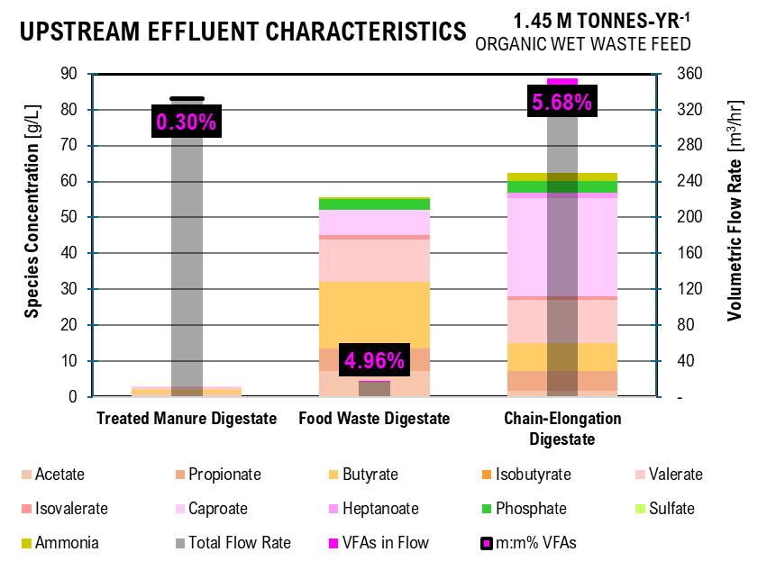
total isobutyrate | mol/L | 0.0000 | g/L | 0.00
total valerate | mol/L | 0.1242 | g/L | 12.56
total isovalerate | mol/L | 0.0108 | g/L | 1.09 |  | DIGESTATE FIGURE
total caproate | mol/L | 0.2461 | g/L | 28.34 |  | Acid | Treated Manure Digestate | Food Waste Digestate | Chain-Elongation Digestate
total heptanoate | mol/L | 0.0108 | g/L | 1.39 |  | Acetate | 1.01 | 7.53 | 1.79
Acetate | mol/L | 1.95E-02 | kg/hr | 71.83 |  | Propionate | 0.00 | 6.39 | 5.75
Propionate | mol/L | 5.06E-02 | kg/hr | 230.71 |  | Butyrate | 1.04 | 19.42 | 7.94
Butyrate | mol/L | 5.86E-02 | kg/hr | 318.61 |  | Isobutyrate | 0.05 | - | 0.00
Isobutyrate | mol/L | 0.00E+00 | kg/hr | 0.00 |  | Valerate | 0.61 | 12.15 | 12.56
Valerate | mol/L | 7.98E-02 | kg/hr | 504.15 |  | Isovalerate | 0.00 | 1.15 | 1.09
Isovalerate | mol/L | 6.96E-03 | kg/hr | 43.94 |  | Caproate | 0.22 | 7.32 | 28.34
Caproate | mol/L | 1.58E-01 | kg/hr | 1138.43 |  | Heptanoate | 0.00 | - | 1.39
Heptanoate | mol/L | 6.95E-03 | kg/hr | 56.04 |  | Phosphate | 0.00 | 2.95 | 3.31
acetic acid | mol/L | 1.07E-02 | kg/hr | 40.15 |  | Sulfate | 0.00 |  | 0
propionic acid | mol/L | 2.78E-02 | kg/hr | 128.54 |  | Ammonia | 0.00 | 0.54 | 2.33
butyric acid | mol/L | 3.22E-02 | kg/hr | 177.12 |  | Total Flow Rate | 55.27 | 2.82 | 5.58E+01
isobutyric acid | mol/L | 0.00E+00 | kg/hr | 0.00 |  | VFAs in Flow | 0.18 | 0.16 | 3.68
valeric acid | mol/L | 4.39E-02 | kg/hr | 279.82 |  | m:m% VFAs | 0.31% | 5.14% | 5.89%
isovaleric acid | mol/L | 3.82E-03 | kg/hr | 24.39
caproic acid | mol/L | 8.70E-02 | kg/hr | 631.10
heptanoic acid | mol/L | 3.82E-03 | kg/hr | 31.04

Estimated Alcohol Conversion Influent
Parameter | Unit | Value
Acetate | g/L | 1.79
Propionate | g/L | 5.75
Butyrate | g/L | 7.94
Isobutyrate | g/L | 0.00
Valerate | g/L | 12.56
Isovalerate | g/L | 1.09
Caproate | g/L | 28.34
Heptanoate | g/L | 1.39
Phosphate | g/L | 3.31
Sulfate | g/L | 0.00
Ammonia | g/L | 2.33
Total Flow Rate | m3/hr | 55.79

SOLID-LIQUID SEPARATION
Parameter | Unit | Value | Unit | Value
Influent Flow Rate of Sludge | m3/hr | 59.46 |  |  | 193,124.89 | ton/yr |  | #VALUE! | ton/yr | amount of leachate in AD biosolids
Total Solids in Sludge | kg/hr | 20,239.84 | m3/hr | 11.370697008 | 99,607.31 | ton/yr |  | #VALUE! | ton/yr | amount of leachate in manure and foodwaste
Effluent Flow Rate of Liquid Digestate | m3/hr | 48.09

PATH A

ELECTRODIALYSIS
Operating Conditions
Parameter | Unit | Value
electrodialysis operating time | hr | 6
electrodialysis operating temperature | K | 298.15
electrodialysis flow rate within the compartments | L/hr | 18
constant applied current per membrane pair | A/mp | 0.3
maximum applied voltage per membrane pair | V/mp | 2
minimum applied volate per membrane pair | V/mp | 1
electrolyte concentration | g/L | 10
diluate to concentrate volume ratio | L/L | 5
dilute to electrolyte volume ratio | L/L | 5
membrane surface area | m2 | 1
membrane thickness | m | 0.01
distance between electrodes | m | 4.5
membrane surface area per volume diluate | m2/m3 | 500
number of membrane stacks per electrodialysis unit | # ms | 100
distance between membranes | m | 0.001
number of membranes in a stack | #/ms | 3
number of cation-exchange membranes in a stack | #/ms | 1
number of anion-exchange membranes in a stack | #/ms | 1
number of bipolar-exchange membranes in a stack | #/ms | 1
elecrode surface area | m2 | 1.44
electrode thickness | m | 0.25
number of tanks in electrodialysis system | # | 4
ed tank maximum volume | m3 | 1
ratio of tank height to diameter | m:m | 1.2

Species by Compartment
Parameter | Unit | Value
LD_carbon | %/100 | 0.23
LD_chlorine | %/100 | 0.11
LD_sulfur | %/100 | 0.15
LD_phosphorus | %/100 | 0.12
LD_nitrogen | %/100 | 0.13
LD_pH |  | 6.00
A1_carbon | %/100 | 2.02E-15
A1_chlorine | %/100 | 0.53
A1_sulfur | %/100 | 0.70
A1_phosphorus | %/100 | -
A1_nitrogen | %/100 | 0.01
A1_pH |  | 2.00
A2_carbon | %/100 | 0.74
A2_chlorine | %/100 | 0.17
A2_sulfur | %/100 | 0.20
A2_phosphorus | %/100 | 0.69
A2_nitrogen | %/100 | 0.00
A2_pH |  | 1.00
C1_carbon | %/100 | 0.02
C1_chlorine | %/100 | 0.06
C1_sulfur | %/100 | 0.07
C1_phosphorus | %/100 | -
C1_nitrogen | %/100 | 0.60
C1_pH |  | 13.00
C2_carbon | %/100 | 0.00
C2_chlorine | %/100 | 0.04
C2_sulfur | %/100 | 0.04
C2_phosphorus | %/100 | 0.05
C2_nitrogen | %/100 | 0.15
C2_pH |  | 13.80
EL_carbon | %/100 | 0.01
EL_chlorine | %/100 | 0.09
EL_sulfur | %/100 | 0.11
EL_phosphorus | %/100 | 0.14
EL_nitrogen | %/100 | 0.106053
EL_pH |  | 6.5

Initial Values
Parameter | Unit | Value
C_C2 | g/L | 1.79
C_C3 | g/L | 5.75
C_C4 | g/L | 7.94
C_Ci4 | g/L | 0.00
C_C5 | g/L | 12.56
C_Ci5 | g/L | 1.09
C_C6 | g/L | 28.34
C_C7 | g/L | 1.39
C_Cl | g/L | 1.5
C_S | g/L | -
C_P | g/L | 3.31
C_N | g/L | 2.33
C_H | mol/L | 1
C_OH | mol/L | 1

Electrodialysis Effluent
 | Diluate Liquid Digestate |  | Base 1 | Base 2 | Acid 1 | Acid 2 | Electrolyte
Parameter | Unit | Value | Value | Value | Value | Value | Value
C_C2 | g/L | 0.42 | 0.03 | 0.00 | 3.62E-15 | 1.32 | 0.02
C_C3 | g/L | 1.34 | 0.09 | 0.01 | 1.16E-14 | 4.24 | 0.07
C_C4 | g/L | 1.85 | 0.12 | 0.01 | 1.60E-14 | 5.85 | 0.10
C_Ci4 | g/L | - | - | - | 0.00E+00 | - | -
C_C5 | g/L | 2.93 | 0.19 | 0.02 | 2.54E-14 | 9.26 | 0.15
C_Ci5 | g/L | 0.26 | 0.02 | 0.00 | 2.21E-15 | 0.81 | 0.01
C_C6 | g/L | 6.61 | 0.44 | 0.05 | 5.72E-14 | 20.89 | 0.35
C_C7 | g/L | 0.33 | 0.02 | 0.00 | 2.82E-15 | 1.03 | 0.02
C_Cl | g/L | 0.17 | 0.09 | 0.07 | 0.80 | 0.25 | 0.14
C_S | g/L | - | - | - | - | - | -
C_P | g/L | 0.41 | - | 0.15 | - | 2.28 | 0.47
C_N | g/L | 0.30 | 1.40 | 0.36 | 0.03 | 0.00 | 0.25

Henderson-Haselbaach Dissociation Ratios
 | Diluate Liquid Digestate |  | Base 1 | Base 2 | Acid 1 | Acid 2 | Electrolyte
Parameter | Unit | Value | Value | Value | Value | Value | Value
vfa_hvfa | mol/L:mol/L | 1.82E+01 | 1.82E+08 | 1.15E+09 | 1.82E-03 | 1.82E-04 | 5.75E+01
cl_hcl | mol/L:mol/L | 2.00E+12 | 2.00E+19 | 1.26E+20 | 2.00E+08 | 2.00E+07 | 6.31E+12
hso4_h2so4 | mol/L:mol/L | 1.00E+09 | 1.00E+16 | 6.31E+16 | 1.00E+05 | 1.00E+04 | 3.16E+09
so4_hso4 | mol/L:mol/L | 1.20E+04 | 1.20E+11 | 7.59E+11 | 1.20E+00 | 1.20E-01 | 3.80E+04
h2po4_h3po4 | mol/L:mol/L | 7.24E+03 | 7.24E+10 | 4.57E+11 | 7.24E-01 | 7.24E-02 | 2.29E+04
hpo4_h2po4 | mol/L:mol/L | 6.17E-02 | 6.17E+05 | 3.89E+06 | 6.17E-06 | 6.17E-07 | 1.95E-01
po4_hpo4 | mol/L:mol/L | 2.09E-07 | 2.09E+00 | 1.32E+01 | 2.09E-11 | 2.09E-12 | 6.61E-07
nh3_nh4 | mol/L:mol/L | 5.50E-04 | 5.50E+03 | 3.47E+04 | 5.50E-08 | 5.50E-09 | 1.74E-03

Species Concentration in Liquid Digestate
 |  | Diluate | Base 1 | Base 2 | Acid 1 | Acid 2 | Electrolyte |  | Diluate | Base 1 | Base 2 | Acid 1 | Acid 2 | Electrolyte
Parameter | Unit | Value | Value | Value | Value | Value | Value | Unit | Value | Value | Value | Value | Value | Value
ace | mol/L | 6.71E-03 | 4.71E-04 | 4.97E-05 | 1.10E-19 | 4.01E-06 | 3.68E-04 | g/L | 0.40 | 0.03 | 0.00 | 0.00 | 0.00 | 0.02
hace | mol/L | 3.69E-04 | 2.59E-12 | 4.33E-14 | 6.02E-17 | 2.20E-02 | 6.40E-06 | g/L | 0.02 | 0.00 | 0.00 | 0.00 | 1.32 | 0.00
pro | mol/L | 1.74E-02 | 1.22E-03 | 1.29E-04 | 2.85E-19 | 1.04E-05 | 9.54E-04 | g/L | 1.27 | 0.09 | 0.01 | 0.00 | 0.00 | 0.07
hpro | mol/L | 9.57E-04 | 6.71E-12 | 1.12E-13 | 1.57E-16 | 5.72E-02 | 1.66E-05 | g/L | 0.07 | 0.00 | 0.00 | 0.00 | 4.24 | 0.00
but | mol/L | 2.02E-02 | 1.41E-03 | 1.49E-04 | 3.31E-19 | 1.21E-05 | 1.10E-03 | g/L | 1.76 | 0.12 | 0.01 | 0.00 | 0.00 | 0.10
hbut | mol/L | 1.11E-03 | 7.77E-12 | 1.30E-13 | 1.82E-16 | 6.64E-02 | 1.92E-05 | g/L | 0.10 | 0.00 | 0.00 | 0.00 | 5.85 | 0.00
ibut | mol/L | 0.00E+00 | 0.00E+00 | 0.00E+00 | 0.00E+00 | 0.00E+00 | 0.00E+00 | g/L | 0.00 | 0.00 | 0.00 | 0.00 | 0.00 | 0.00
hibut | mol/L | 0.00E+00 | 0.00E+00 | 0.00E+00 | 0.00E+00 | 0.00E+00 | 0.00E+00 | g/L | 0.00 | 0.00 | 0.00 | 0.00 | 0.00 | 0.00
val | mol/L | 2.75E-02 | 1.93E-03 | 2.03E-04 | 4.51E-19 | 1.65E-05 | 1.50E-03 | g/L | 2.78 | 0.19 | 0.02 | 0.00 | 0.00 | 0.15
hval | mol/L | 1.51E-03 | 1.06E-11 | 1.77E-13 | 2.48E-16 | 9.06E-02 | 2.62E-05 | g/L | 0.15 | 0.00 | 0.00 | 0.00 | 9.25 | 0.00
ival | mol/L | 2.39E-03 | 1.68E-04 | 1.77E-05 | 3.93E-20 | 1.44E-06 | 1.31E-04 | g/L | 0.24 | 0.02 | 0.00 | 0.00 | 0.00 | 0.01
hival | mol/L | 1.32E-04 | 9.22E-13 | 1.54E-14 | 2.16E-17 | 7.90E-03 | 2.28E-06 | g/L | 0.01 | 0.00 | 0.00 | 0.00 | 0.81 | 0.00
cap | mol/L | 5.44E-02 | 3.82E-03 | 4.03E-04 | 8.95E-19 | 3.27E-05 | 2.98E-03 | g/L | 6.27 | 0.44 | 0.05 | 0.00 | 0.00 | 0.34
cap | mol/L | 2.99E-03 | 2.10E-11 | 3.51E-13 | 4.92E-16 | 1.80E-01 | 5.18E-05 | g/L | 0.35 | 0.00 | 0.00 | 0.00 | 20.89 | 0.01
hep | mol/L | 2.39E-03 | 1.88E-04 | 1.98E-05 | 4.40E-20 | 1.61E-06 | 1.47E-04 | g/L | 0.31 | 0.02 | 0.00 | 0.00 | 0.00 | 0.02
hhep | mol/L | 1.31E-04 | 1.03E-12 | 1.73E-14 | 2.42E-17 | 8.85E-03 | 2.55E-06 | g/L | 0.02 | 0.00 | 0.00 | 0.00 | 1.15 | 0.00
cl | mol/L | 4.67E-03 | 2.60E-03 | 1.87E-03 | 2.24E-02 | 7.03E-03 | 3.86E-03 | g/L | 0.17 | 0.09 | 0.07 | 0.80 | 0.25 | 0.14
hcl | mol/L | 2.34E-15 | 1.30E-22 | 1.49E-23 | 1.13E-10 | 3.53E-10 | 6.11E-16 | g/L | 0.00 | 0.00 | 0.00 | 0.00 | 0.00 | 0.00
h2so4 | mol/L | 0.00E+00 | 0.00E+00 | 0.00E+00 | 0.00E+00 | 0.00E+00 | 0.00E+00 | g/L | 0.00 | 0.00 | 0.00 | 0.00 | 0.00 | 0.00
hso4 | mol/L | 0.00E+00 | 0.00E+00 | 0.00E+00 | 0.00E+00 | 0.00E+00 | 0.00E+00 | g/L | 0.00 | 0.00 | 0.00 | 0.00 | 0.00 | 0.00
so4 | mol/L | 0.00E+00 | 0.00E+00 | 0.00E+00 | 0.00E+00 | 0.00E+00 | 0.00E+00 | g/L | 0.00 | 0.00 | 0.00 | 0.00 | 0.00 | 0.00
h3po4 | mol/L | 5.53E-07 | 0.00E+00 | 6.26E-23 | 0.00E+00 | 2.17E-02 | 1.76E-07 | g/L | 0.00 | 0.00 | 0.00 | 0.00 | 2.13 | 0.00
h2po4 | mol/L | 4.00E-03 | 0.00E+00 | 2.86E-11 | 0.00E+00 | 1.58E-03 | 4.04E-03 | g/L | 0.39 | 0.00 | 0.00 | 0.00 | 0.15 | 0.39
hpo4 | mol/L | 2.47E-04 | 0.00E+00 | 1.11E-04 | 0.00E+00 | 9.71E-10 | 7.88E-04 | g/L | 0.02 | 0.00 | 0.01 | 0.00 | 0.00 | 0.08
po4 | mol/L | 5.16E-11 | 0.00E+00 | 1.47E-03 | 0.00E+00 | 2.03E-21 | 5.21E-10 | g/L | 0.00 | 0.00 | 0.14 | 0.00 | 0.00 | 0.00
nh4 | mol/L | 1.64E-02 | 1.49E-05 | 6.06E-07 | 1.44E-03 | 1.65E-04 | 1.37E-02 | g/L | 0.30 | 0.00 | 0.00 | 0.03 | 0.00 | 0.25
nh3 | mol/L | 9.02E-06 | 8.21E-02 | 2.10E-02 | 7.89E-11 | 9.09E-13 | 2.38E-05 | g/L | 0.00 | 1.40 | 0.36 | 0.00 | 0.00 | 0.00

Separations Effluent Characteristics
 | Acetic Acid | Propionic Acid | Butyric Acid | Isobutyric Acid | Valeric Acid | Isovaleric Acid | Caproic Acid | Heptanoic Acid | Ammonia | Sulfate | Phosphate | Total Flow Rate
Electrodialysis | 3.27 | 10.50 | 14.48 | - | 22.91 | 2.00 | 51.70 | 2.85 | 0.0073848257617 | 0 | 5.653641141 | 8.58
Liquid-Liquid Extraction | 2.67 | 48.32 | 145.19 | - | 231.73 | 20.20 | 523.05 | 28.85
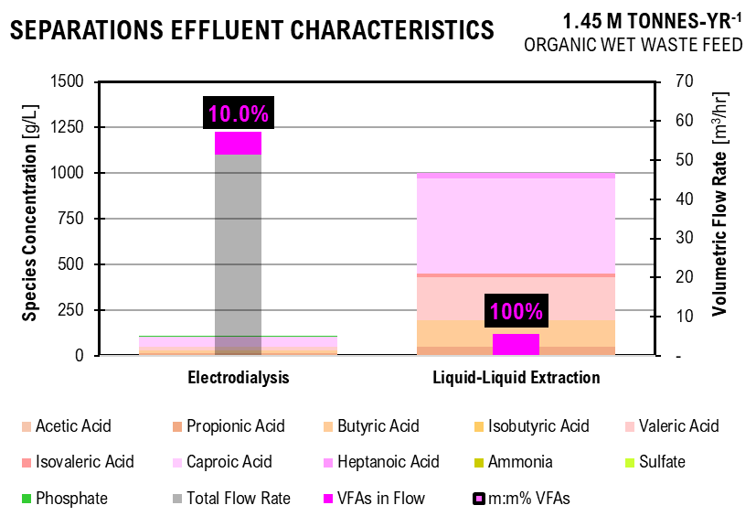
Effluent Continuing Stream
Parameter | Unit | Value | Unit | Value
Flow Rate | L/hr | 9,618.78 | m3/hr | 9.62 |  |  | SEPARATIONS FIGURE
Acetate | kg/hr | 0.01 | kg/m3 | 0.00 |  |  |  | Electrodialysis | Liquid-Liquid Extraction
Acetic Acid | kg/hr | 31.47 | kg/m3 | 3.27 |  |  | Acetic Acid | 3.27 | 2.67
Propionate | kg/hr | 0.02 | kg/m3 | 0.00 |  |  | Propionic Acid | 10.50 | 48.32
Propionic Acid | kg/hr | 100.96 | kg/m3 | 10.50 |  |  | Butyric Acid | 14.48 | 145.19
Butyrate | kg/hr | 0.03 | kg/m3 | 0.00 |  |  | Isobutyric Acid | 0.00 | -
Butyric Acid | kg/hr | 139.32 | kg/m3 | 14.48 |  |  | Valeric Acid | 22.91 | 231.73
Isobutyrate | kg/hr | 0.00 | kg/m3 | 0.00 |  |  | Isovaleric Acid | 2.00 | 20.20
Isobutyric Acid | kg/hr | 0.00 | kg/m3 | 0.00 |  |  | Caproic Acid | 51.70 | 523.05
Valerate | kg/hr | 0.04 | kg/m3 | 0.00 |  |  | Heptanoic Acid | 2.85 | 28.85
Valeric Acid | kg/hr | 220.33 | kg/m3 | 22.91 |  |  | Ammonia | 0.01
Isovalerate | kg/hr | 0.00 | kg/m3 | 0.00 |  |  | Sulfate | 0.00
Isovaleric Acid | kg/hr | 19.20 | kg/m3 | 2.00 |  |  | Phosphate | 5.65
Caproate | kg/hr | 0.09 | kg/m3 | 0.01 |  |  | Total Flow Rate | 8.58
Caproic Acid | kg/hr | 497.31 | kg/m3 | 51.70 |  |  | VFAs in Flow | 1.04 | 0.95
Heptanoate | kg/hr | 0.00 | kg/m3 | 0.00 |  |  | m:m% VFAs | 10.3% | 100%
Heptanoic Acid | kg/hr | 27.43 | kg/m3 | 2.85
Chloride | kg/hr | 5.94 | kg/m3 | 0.62
Hydrochloric Acid | kg/hr | 0.00 | kg/m3 | 0.00
Sulfuric Acid | kg/hr | 0.00 | kg/m3 | 0.00
Hydrogen Sulfate | kg/hr | 0.00 | kg/m3 | 0.00
Sulfate | kg/hr | 0.00 | kg/m3 | 0.00
Phosphoric Acid | kg/hr | 50.74 | kg/m3 | 5.28
Dihydrogen Phosphate | kg/hr | 3.64 | kg/m3 | 0.38
Hydrogen Phosphate | kg/hr | 0.00 | kg/m3 | 0.00
Phosphate | kg/hr | 0.00 | kg/m3 | 0.00
Ammonium | kg/hr | 0.07 | kg/m3 | 0.01
Ammonia | kg/hr | 0.00 | kg/m3 | 0.00

Amount of Electrolyte Required
96.19 | kg/hr

LIQUID-LIQUID EXTRACTION
Parameter | Unit | Value | Unit | Value | Unit | Value | Unit | Value
REPORTED EXTRACTION
Extractor 1 | IN |  | RATIOS
acetate | kg/hr | 50.90 | Ac/H2O | 0.0051403756817
propionate | kg/hr | 20.00
butyrate | kg/hr | 10.90
valerate | kg/hr | 11.40
caproate | kg/hr | 4.90
Water | kg/hr | 9,902.00 | Nac / H2O | 0.092910523127
Nonyl Acetate | kg/hr | 920.00
Overhead Temperature | C | 104.00
Bottom Temperature | C | 30.00
Pressure | MPa | 0.12
Solvent Recycle 1 | IN |  | OUT
acetate | kg/hr | 4.20 | EX out/in | 0.082514734774
propionate | kg/hr | 9.30 | EX out/in | 0.465
butyrate | kg/hr | 10.80 | EX out/in | 0.99082568807
valerate | kg/hr | 11.40 | EX out/in | 1
caproate | kg/hr | 4.90 | EX out/in | 1
Water | kg/hr | 1.70 | EX out/in | 0.00017168248839
Nonyl Acetate | kg/hr | 920.00 | kg/hr | 920.00
Overhead Temperature | C | 123.00
Bottom Temperature | C | 234.00
Reflux | kg/hr | 130.00
Vapor Boil | kg/hr | 1,657.00
Cooler Duty | MW | 0.03
Reboiler Duty | MW | 0.12
Pressure | MPa | 0.12
Distillation 1 | IN |  | OUT TOP |  | OUT BOTTOM |  | RATIOS
acetate | kg/hr | 4.20 | kg/hr | 0.1 | kg/hr | 4.10 | BOT/IN | 0.97619047619
propionate | kg/hr | 9.30 | kg/hr | 0.2 | kg/hr | 9.10 | BOT/IN | 0.97849462366
butyrate | kg/hr | 10.80 | kg/hr | 0 | kg/hr | 10.80 | BOT/IN | 1
valerate | kg/hr | 11.40 | kg/hr | 0 | kg/hr | 11.40 | BOT/IN | 1
caproate | kg/hr | 4.90 | kg/hr | 0 | kg/hr | 4.90 | BOT/IN | 1
Water | kg/hr | 1.70 | kg/hr | 1.7 | kg/hr | - | BOT/IN | 0
Nonyl Acetate | kg/hr | - | kg/hr | 0 | kg/hr | -
Overhead Temperature | C | 104.00
Bottom Temperature | C | 160
Pressure | MPa | 0.12
Reflux | kg/hr | 10
Vapor Boil | kg/hr | 53.1
Cooling Duty | MW | 0.006
Reboiler Duty | MW | 0.007
THEORETICAL EXTRACTION
Parameter | Unit | Extractor 1 IN | Extractor OUT | SR IN | SR OUT | Dist IN | Dist TOP | Dist BOTTOM
Nonyl Acetate | kg/hr | 893.69 | - | 893.69 | 893.69 | -
Water | kg/hr | 9,618.78 | 9,617.13 | 1.65 |  | 1.65 | 1.65 | -
Acetate | kg/hr | 0.01 | 0.01 | - |  | - | - | -
Acetic Acid | kg/hr | 31.47 | 28.87 | 2.60 |  | 2.60 | 0.06 | 2.53
Propionate | kg/hr | 0.02 | 0.02 | - |  | - | - | -
Propionic Acid | kg/hr | 100.96 | 54.02 | 46.95 |  | 46.95 | 1.01 | 45.94
Butyrate | kg/hr | 0.03 | 0.03 | - |  | - | - | -
Butyric Acid | kg/hr | 139.32 | 1.28 | 138.04 |  | 138.04 | - | 138.04
Isobutyrate | kg/hr | - | - | - |  | - | - | -
Isobutyric Acid | kg/hr | - | - | - |  | - | - | -
Valerate | kg/hr | 0.04 | 0.04 | - |  | - | - | -
Valeric Acid | kg/hr | 220.33 | - | 220.33 |  | 220.33 | - | 220.33
Isovalerate | kg/hr | 0.00 | 0.00 | - |  | - | - | -
Isovaleric Acid | kg/hr | 19.20 | - | 19.20 |  | 19.20 | - | 19.20
Caproate | kg/hr | 0.09 | 0.09 | - |  | - | - | -
Caproic Acid | kg/hr | 497.31 | - | 497.31 |  | 497.31 | - | 497.31
Heptanoate | kg/hr | 0.00 | 0.00 | - |  | - | - | -
Heptanoic Acid | kg/hr | 27.43 | - | 27.43 |  | 27.43 | - | 27.43
Chloride | kg/hr | 5.94 | 5.94 | -
Hydrochloric Acid | kg/hr | 0.00 | 0.00 | -
Sulfuric Acid | kg/hr | - | - | - |  |  | 3.0021497236 | ace conc waste
Hydrogen Sulfate | kg/hr | - | - | - |  |  | 5.6165527556 | pro conc waste
Sulfate | kg/hr | - | - | -
Phosphoric Acid | kg/hr | 50.74 | 50.74 | -
Dihydrogen Phosphate | kg/hr | 3.64 | 3.64 | -
Hydrogen Phosphate | kg/hr | 0.00 | 0.00 | -
Phosphate | kg/hr | 0.00 | 0.00 | -
Ammonium | kg/hr | 0.07 | 0.07 | -
Ammonia | kg/hr | 0.00 | 0.00 | -

KETONIZATION
Parameter | Unit | Value | Unit | Value | Unit | Value
Total Influent Flow Rate | kg/hr | 950.79 | mol/hr | 9.07E+03 | mol/L | 9.54E+00
Acetic Acid | kg/hr | 2.53 | mol/hr | 4.22E+01 | mol/L | 4.44E-02
Propionic Acid | kg/hr | 45.94 | mol/hr | 6.20E+02 | mol/L | 6.52E-01
Butyric Acid | kg/hr | 138.04 | mol/hr | 1.57E+03 | mol/L | 1.65E+00
Isobutyric Acid | kg/hr | - | mol/hr | 0.00E+00 | mol/L | 0.00E+00
Valeric Acid | kg/hr | 220.33 | mol/hr | 2.16E+03 | mol/L | 2.27E+00
Isovaleric Acid | kg/hr | 19.20 | mol/hr | 1.88E+02 | mol/L | 1.98E-01
Caproic Acid | kg/hr | 497.31 | mol/hr | 4.28E+03 | mol/L | 4.50E+00
Heptanoic Acid | kg/hr | 27.43 | mol/hr | 2.11E+02 | mol/L | 2.22E-01
Rate Constant of Cross Ketonization | mol/L:mol/L | 1.05E-01
Rate Constant of Self Ketonization | mol/L:mol/L | 5.25E-02
Rate Constant Correction Caproate |  | 1.75E+00

Reaction Rate Matrix
molar basis | Ace | Pro | But | Ibut | Val | Ival | Cap | Hep
Acetic Acid | 1.03E-04 | 3.04E-03 | 7.68E-03 | 0.00E+00 | 1.06E-02 | 9.22E-04 | 2.10E-02 | 1.03E-03
Propionic Acid | 3.04E-03 | 2.23E-02 | 1.13E-01 | 0.00E+00 | 1.55E-01 | 1.35E-02 | 3.08E-01 | 1.52E-02
Butyric Acid | 7.68E-03 | 1.13E-01 | 1.43E-01 | 0.00E+00 | 3.93E-01 | 3.42E-02 | 7.79E-01 | 3.83E-02
Isobutyric Acid | 0.00E+00 | 0.00E+00 | 0.00E+00 | 0.00E+00 | 0.00E+00 | 0.00E+00 | 0.00E+00 | 0.00E+00
Valeric Acid | 1.06E-02 | 1.55E-01 | 3.93E-01 | 0.00E+00 | 2.70E-01 | 4.71E-02 | 1.07E+00 | 5.28E-02
Isovaleric Acid | 9.22E-04 | 1.35E-02 | 3.42E-02 | 0.00E+00 | 4.71E-02 | 2.05E-03 | 9.35E-02 | 4.60E-03
Caproic Acid | 2.10E-02 | 3.08E-01 | 7.79E-01 | 0.00E+00 | 1.07E+00 | 9.35E-02 | 1.06E+00 | 1.05E-01
Heptanoic Acid | 1.03E-03 | 1.52E-02 | 3.83E-02 | 0.00E+00 | 5.28E-02 | 4.60E-03 | 1.05E-01 | 2.58E-03

Stoichiometry Calculations
Acetate Reactions | Reactant |  | Product |  |  | Propionate | Reactant |  | Product |  |  | Butyrate | Reactant |  | Product |  |  | IsoButyrate | Reactant |  | Product |  |  | Valerate | Reactant |  | Product |  |  | IsoValerate | Reactant |  | Product |  |  | Caproate | Reactant |  | Product
mol/L | Ace | Ace | C4 Ketone | CO2 | H2O | mol/L | Pro | Pro | C6 Ketone | CO2 | H2O | mol/L | But | But | C8 Ketone | CO2 | H2O | mol/L | Ibut | Ibut | iC8 Ketone | CO2 | H2O | mol/L | Val | Val | C10 Ketone | CO2 | H2O | mol/L | Ival | Ival | iC10 Ketone | CO2 | H2O | mol/L | Cap | Cap | C12 Ketone | CO2 | H2O
Initial | 4.44E-02 | 4.44E-02 |  |  |  | Initial | 6.49E-01 | 6.49E-01 |  |  |  | Initial | 1.53E+00 | 1.53E+00 |  |  |  | Initial | 0.00E+00 | 0.00E+00 |  |  |  | Initial | 1.71E+00 | 1.71E+00 |  |  |  | Initial | 1.02E-01 | 1.02E-01 |  |  |  | Initial | 2.23E+00 | 2.23E+00
Change | -1.03E-04 | -1.03E-04 | 1.03E-04 | 1.03E-04 | 1.03E-04 | Change | -2.23E-02 | -2.23E-02 | 2.23E-02 | 2.23E-02 | 2.23E-02 | Change | -1.43E-01 | -1.43E-01 | 1.43E-01 | 1.43E-01 | 1.43E-01 | Change | 0.00E+00 | 0.00E+00 | 0.00E+00 | 0.00E+00 | 0.00E+00 | Change | -2.70E-01 | -2.70E-01 | 2.70E-01 | 2.70E-01 | 2.70E-01 | Change | -2.05E-03 | -2.05E-03 | 2.05E-03 | 2.05E-03 | 2.05E-03 | Change | -1.86E+00 | -1.86E+00 | 1.86E+00 | 1.86E+00 | 1.86E+00
Equilibrium | 4.43E-02 | 4.43E-02 | 1.03E-04 | 1.03E-04 | 1.03E-04 | Equilibrium | 6.27E-01 | 6.27E-01 | 2.23E-02 | 2.23E-02 | 2.23E-02 | Equilibrium | 1.38E+00 | 1.38E+00 | 1.43E-01 | 1.43E-01 | 1.43E-01 | Equilibrium | 0.00E+00 | 0.00E+00 | 0.00E+00 | 0.00E+00 | 0.00E+00 | Equilibrium | 1.44E+00 | 1.44E+00 | 2.70E-01 | 2.70E-01 | 2.70E-01 | Equilibrium | 9.99E-02 | 9.99E-02 | 2.05E-03 | 2.05E-03 | 2.05E-03 | Equilibrium | 3.65E-01 | 3.65E-01 | 1.86E+00 | 1.86E+00 | 1.86E+00
 | Reactant |  | Product |  |  |  | Reactant |  | Product |  |  |  | Reactant |  | Product |  |  |  | Reactant |  | Product |  |  |  | Reactant |  | Product |  |  |  | Reactant |  | Product |  |  |  | Reactant |  | Product
 | Ace | Pro | C5 Ketone | CO2 | H2O |  | Pro | But | C7 Ketone | CO2 | H2O |  | But | IBut | iC8 Ketone | CO2 | H2O |  | Ibut | Val | iC9 Ketone | CO2 | H2O |  | Val | IVal | iC10 Ketone | CO2 | H2O |  | Ival | Cap | iC11 Ketone | CO2 | H2O |  | Cap | Hep | C13 Ketone | CO2 | H2O
Initial | 4.43E-02 | 6.52E-01 |  |  |  | Initial | 6.27E-01 | 1.64E+00 |  |  |  | Initial | 1.38E+00 | 0.00E+00 |  |  |  | Initial | 0.00E+00 | 1.71E+00 |  |  |  | Initial | 1.44E+00 | 1.49E-01 |  |  |  | Initial | 9.99E-02 | 2.32E+00 |  |  |  | Initial | 3.65E-01 | 1.10E-01
Change | -3.04E-03 | -3.04E-03 | 3.04E-03 | 3.04E-03 | 3.04E-03 | Change | -1.13E-01 | -1.13E-01 | 1.13E-01 | 1.13E-01 | 1.13E-01 | Change | 0.00E+00 | 0.00E+00 | 0.00E+00 | 0.00E+00 | 0.00E+00 | Change | 0.00E+00 | 0.00E+00 | 0.00E+00 | 0.00E+00 | 0.00E+00 | Change | -4.71E-02 | -4.71E-02 | 4.71E-02 | 4.71E-02 | 4.71E-02 | Change | -9.35E-02 | -9.35E-02 | 9.35E-02 | 9.35E-02 | 9.35E-02 | Change | -1.05E-01 | -1.05E-01 | 1.05E-01 | 1.05E-01 | 1.05E-01
Equilibrium | 4.13E-02 | 6.49E-01 | 3.04E-03 | 3.04E-03 | 3.04E-03 | Equilibrium | 5.14E-01 | 1.53E+00 | 1.13E-01 | 1.13E-01 | 1.13E-01 | Equilibrium | 1.38E+00 | 0.00E+00 | 0.00E+00 | 0.00E+00 | 0.00E+00 | Equilibrium | 0.00E+00 | 1.71E+00 | 0.00E+00 | 0.00E+00 | 0.00E+00 | Equilibrium | 1.39E+00 | 1.02E-01 | 4.71E-02 | 4.71E-02 | 4.71E-02 | Equilibrium | 6.41E-03 | 2.23E+00 | 9.35E-02 | 9.35E-02 | 9.35E-02 | Equilibrium | 2.61E-01 | 4.88E-03 | 1.05E-01 | 1.05E-01 | 1.05E-01
 | Reactant |  | Product |  |  |  | Reactant |  | Product |  |  |  | Reactant |  | Product |  |  |  | Reactant |  | Product |  |  |  | Reactant |  | Product |  |  |  | Reactant |  | Product |  |  |  | 6%
 | Ace | But | C6 Ketone | CO2 | H2O |  | Pro | iBut | iC7 Ketone | CO2 | H2O |  | But | Val | C9 Ketone | CO2 | H2O |  | Ibut | Ival | iC9 Ketone | CO2 | H2O |  | Val | Cap | C11 Ketone | CO2 | H2O |  | Ival | Hep | iC12 Ketone | CO2 | H2O | Heptanoate | Reactant |  | Product
Initial | 4.13E-02 | 1.65E+00 |  |  |  | Initial | 5.14E-01 | 0.00E+00 |  |  |  | Initial | 1.38E+00 | 2.10E+00 |  |  |  | Initial | 0.00E+00 | 1.49E-01 |  |  |  | Initial | 1.39E+00 | 3.39E+00 |  |  |  | Initial | 6.41E-03 | 1.14E-01 |  |  |  | mol/L | Hep | Hep | C14 Ketone | CO2 | H2O
Change | -7.68E-03 | -7.68E-03 | 7.68E-03 | 7.68E-03 | 7.68E-03 | Change | 0.00E+00 | 0.00E+00 | 0.00E+00 | 0.00E+00 | 0.00E+00 | Change | -3.93E-01 | -3.93E-01 | 3.93E-01 | 3.93E-01 | 3.93E-01 | Change | 0.00E+00 | 0.00E+00 | 0.00E+00 | 0.00E+00 | 0.00E+00 | Change | -1.07E+00 | -1.07E+00 | 1.07E+00 | 1.07E+00 | 1.07E+00 | Change | -4.60E-03 | -4.60E-03 | 4.60E-03 | 4.60E-03 | 4.60E-03 | Initial | 4.88E-03 | 4.88E-03
Equilibrium | 3.36E-02 | 1.64E+00 | 7.68E-03 | 7.68E-03 | 7.68E-03 | Equilibrium | 5.14E-01 | 0.00E+00 | 0.00E+00 | 0.00E+00 | 0.00E+00 | Equilibrium | 9.92E-01 | 1.71E+00 | 3.93E-01 | 3.93E-01 | 3.93E-01 | Equilibrium | 0.00E+00 | 1.49E-01 | 0.00E+00 | 0.00E+00 | 0.00E+00 | Equilibrium | 3.20E-01 | 2.32E+00 | 1.07E+00 | 1.07E+00 | 1.07E+00 | Equilibrium | 1.81E-03 | 1.10E-01 | 4.60E-03 | 4.60E-03 | 4.60E-03 | Change | -2.58E-03 | -2.58E-03 | 2.58E-03 | 2.58E-03 | 2.58E-03
 | Reactant |  | Product |  |  |  | Reactant |  | Product |  |  |  | Reactant |  | Product |  |  |  | Reactant |  | Product |  |  |  | Reactant |  | Product |  |  |  | 1% |  |  |  |  | Equilibrium | 2.30E-03 | 2.30E-03 | 2.58E-03 | 2.58E-03 | 2.58E-03
 | Ace | Ibut | iC6 Ketone | CO2 | H2O |  | Pro | Val | C8 Ketone | CO2 | H2O |  | But | Ival | iC9 Ketone | CO2 | H2O |  | Ibut | Cap | iC10 Ketone | CO2 | H2O |  | Val | Hep | C12 Ketone | CO2 | H2O |  |  |  |  |  |  |  | 1%
Initial | 3.36E-02 | 0.00E+00 |  |  |  | Initial | 5.14E-01 | 2.26E+00 |  |  |  | Initial | 9.92E-01 | 1.83E-01 |  |  |  | Initial | 0.00E+00 | 3.39E+00 |  |  |  | Initial | 3.20E-01 | 1.67E-01
Change | 0.00E+00 | 0.00E+00 | 0.00E+00 | 0.00E+00 | 0.00E+00 | Change | -1.55E-01 | -1.55E-01 | 1.55E-01 | 1.55E-01 | 1.55E-01 | Change | -3.42E-02 | -3.42E-02 | 3.42E-02 | 3.42E-02 | 3.42E-02 | Change | 0.00E+00 | 0.00E+00 | 0.00E+00 | 0.00E+00 | 0.00E+00 | Change | -5.28E-02 | -5.28E-02 | 5.28E-02 | 5.28E-02 | 5.28E-02
Equilibrium | 3.36E-02 | 0.00E+00 | 0.00E+00 | 0.00E+00 | 0.00E+00 | Equilibrium | 3.59E-01 | 2.10E+00 | 1.55E-01 | 1.55E-01 | 1.55E-01 | Equilibrium | 9.58E-01 | 1.49E-01 | 3.42E-02 | 3.42E-02 | 3.42E-02 | Equilibrium | 0.00E+00 | 3.39E+00 | 0.00E+00 | 0.00E+00 | 0.00E+00 | Equilibrium | 2.67E-01 | 1.14E-01 | 5.28E-02 | 5.28E-02 | 5.28E-02
 | Reactant |  | Product |  |  |  | Reactant |  | Product |  |  |  | Reactant |  | Product |  |  |  | Reactant |  | Product |  |  |  | 13%
 | Ace | Val | C7 Ketone | CO2 | H2O |  | Pro | Ival | iC8 Ketone | CO2 | H2O |  | But | Cap | C10 Ketone | CO2 | H2O |  | Ibut | Hep | iC11 Ketone | CO2 | H2O
Initial | 3.36E-02 | 2.27E+00 |  |  |  | Initial | 3.59E-01 | 1.97E-01 |  |  |  | Initial | 9.58E-01 | 4.17E+00 |  |  |  | Initial | 0.00E+00 | 1.67E-01
Change | -1.06E-02 | -1.06E-02 | 1.06E-02 | 1.06E-02 | 1.06E-02 | Change | -1.35E-02 | -1.35E-02 | 1.35E-02 | 1.35E-02 | 1.35E-02 | Change | -7.79E-01 | -7.79E-01 | 7.79E-01 | 7.79E-01 | 7.79E-01 | Change | 0.00E+00 | 0.00E+00 | 0.00E+00 | 0.00E+00 | 0.00E+00
Equilibrium | 2.30E-02 | 2.26E+00 | 1.06E-02 | 1.06E-02 | 1.06E-02 | Equilibrium | 3.45E-01 | 1.83E-01 | 1.35E-02 | 1.35E-02 | 1.35E-02 | Equilibrium | 1.79E-01 | 3.39E+00 | 7.79E-01 | 7.79E-01 | 7.79E-01 | Equilibrium | 0.00E+00 | 1.67E-01 | 0.00E+00 | 0.00E+00 | 0.00E+00
 | Reactant |  | Product |  |  |  | Reactant |  | Product |  |  |  | Reactant |  | Product
 | Ace | Ival | iC7 Ketone | CO2 | H2O |  | Pro | Cap | C9 Ketone | CO2 | H2O |  | But | Hep | C11 Ketone | CO2 | H2O
Initial | 2.30E-02 | 1.98E-01 |  |  |  | Initial | 3.45E-01 | 4.48E+00 |  |  |  | Initial | 1.79E-01 | 2.05E-01
Change | -9.22E-04 | -9.22E-04 | 9.22E-04 | 9.22E-04 | 9.22E-04 | Change | -3.08E-01 | -3.08E-01 | 3.08E-01 | 3.08E-01 | 3.08E-01 | Change | -3.83E-02 | -3.83E-02 | 3.83E-02 | 3.83E-02 | 3.83E-02
Equilibrium | 2.21E-02 | 1.97E-01 | 9.22E-04 | 9.22E-04 | 9.22E-04 | Equilibrium | 3.67E-02 | 4.17E+00 | 3.08E-01 | 3.08E-01 | 3.08E-01 | Equilibrium | 1.41E-01 | 1.67E-01 | 3.83E-02 | 3.83E-02 | 3.83E-02
 | Reactant |  | Product |  |  |  | Reactant |  | Product |  |  |  | 9%
 | Ace | Cap | C8 Ketone | CO2 | H2O |  | Pro | Hep | C10 Ketone | CO2 | H2O
Initial | 2.21E-02 | 4.50E+00 |  |  |  | Initial | 3.67E-02 | 2.21E-01
Change | -2.10E-02 | -2.10E-02 | 2.10E-02 | 2.10E-02 | 2.10E-02 | Change | -1.52E-02 | -1.52E-02 | 1.52E-02 | 1.52E-02 | 1.52E-02
Equilibrium | 1.08E-03 | 4.48E+00 | 2.10E-02 | 2.10E-02 | 2.10E-02 | Equilibrium | 2.15E-02 | 2.05E-01 | 1.52E-02 | 1.52E-02 | 1.52E-02
 | Reactant |  | Product |  |  |  | 3%
 | Ace | Hep | C9 Ketone | CO2 | H2O
Initial | 1.08E-03 | 2.22E-01
Change | -1.03E-03 | -1.03E-03 | 1.03E-03 | 1.03E-03 | 1.03E-03
Equilibrium | 4.84E-05 | 2.21E-01 | 1.03E-03 | 1.03E-03 | 1.03E-03
 | 0%

Effluent
Parameter | Unit | Value | Unit | Value
Total Flow Rate |  |  | kg/hr | 950.79
C4 Ketone | mol/L | 0.00 | kg/hr | 0.01 | 72.104
C5 Ketone | mol/L | 0.00 | kg/hr | 0.25 | 86.13
C6 Ketone | mol/L | 0.03 | kg/hr | 2.86 | 100.156
C7 Ketone | mol/L | 0.12 | kg/hr | 13.40 | 114.18
C8 Ketone | mol/L | 0.32 | kg/hr | 38.88 | 128.208
C9 Ketone | mol/L | 0.70 | kg/hr | 94.93 | 142.234
C10 Ketone | mol/L | 1.06 | kg/hr | 158.16 | 156.26
C11 Ketone | mol/L | 1.11 | kg/hr | 179.90 | 170.286
C12 Ketone | mol/L | 1.92 | kg/hr | 335.70 | 184.312
C13 Ketone | mol/L | 0.10 | kg/hr | 19.76 | 198.338
C14 Ketone | mol/L | 0.00 | kg/hr | 0.52 | 212.3639
iC6 Ketone | mol/L | 0.00 | kg/hr | - | 100.156
iC7 Ketone | mol/L | 0.00 | kg/hr | 0.10 | 114.18
iC8 Ketone | mol/L | 0.01 | kg/hr | 1.65 | 128.208
iC9 Ketone | mol/L | 0.03 | kg/hr | 4.63 | 142.234
iC10 Ketone | mol/L | 0.05 | kg/hr | 7.30 | 156.26
iC11 Ketone | mol/L | 0.09 | kg/hr | 15.14 | 170.286
iC12 Ketone | mol/L | 0.00 | kg/hr | 0.81 | 184.312
CO2 | mol/L | 5.57 | kg/hr | 233.16
Water | mol/L | 5.57 | kg/hr | 95.44

HYDRODEOXYGENATION
Parameter | Unit | Value | Unit | Value
Reaction Extent | %/100 | 1
Stoichiometric H2 |  | 2
H2 Required | mol/L | 11.14 | kg/hr | 21.36

Stoichiometry Calculations
 | Reactant |  |  | Product
Description | Ketone | 2 H2 | Description | HydroC | H2O
C4 Ketone | 1.03E-04 | 2.07E-04 | C4 n-Paraffin | 1.03E-04 | 1.03E-04
C5 Ketone | 3.04E-03 | 6.08E-03 | C5 n-Paraffin | 3.04E-03 | 3.04E-03
C6 Ketone | 3.00E-02 | 6.00E-02 | C6 n-Paraffin | 3.00E-02 | 3.00E-02
C7 Ketone | 1.23E-01 | 2.47E-01 | C7 n-Paraffin | 1.23E-01 | 1.23E-01
C8 Ketone | 3.19E-01 | 6.38E-01 | C8 n-Paraffin | 3.19E-01 | 3.19E-01
C9 Ketone | 7.02E-01 | 1.40E+00 | C9 n-Paraffin | 7.02E-01 | 7.02E-01
...
Effluent Hydrocarbon Characteristics
 | Naphtha Flow Rate | Jet Fuel Flow Rate
n-C4 | 4.11 |  | 0.041903594136
n-C5 | 4.11 |  | 1.4705899582
n-C6 | 4.11 |  | 16.879128336
i-C6 | 4.11 |  | 0
n-C7 | 4.11 |  | 79.129149371
i-C7 | 4.11 |  | 0.010101122103
n-C8 | 4.11 | 207.01933866 | 4.4731285128
i-C8 |  | 207.01933866 | 0.16916957086
n-C9 |  | 207.01933866 | 10.921825031
i-C9 |  | 207.01933866 | 0.47990362947
n-C10 |  | 207.01933866 | 18.196140737
i-C10 |  | 207.01933866 | 0.76498515533
n-C11 |  | 207.01933866 | 20.696781068
i-C11 |  | 207.01933866 | 1.5981967201
n-C12 |  | 207.01933866 | 38.619519517
i-C12 |  | 207.01933866 | 0.085708489026
n-C13 |  | 207.01933866 | 2.2728930043
n-C14 |  | 207.01933866 | 0.020338985106
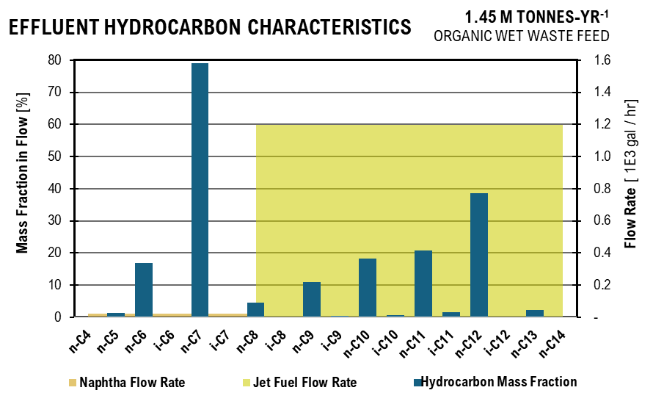
 |  |  |  |  |  | Hydrocarbon Figure
 |  |  |  |  |  | Naphtha Flow Rate | 4.11 | Jet Fuel Flow Rate |  | n-C4 | 0.041903594136
 |  |  |  |  |  | Naphtha | 4.11 | Jet Fuel |  | n-C5 | 1.4705899582
 |  |  |  |  |  | Naphtha | 4.11 | Jet Fuel |  | n-C6 | 16.879128336
 |  |  |  |  |  | Naphtha | 4.11 | Jet Fuel |  | i-C6 | 0
 |  |  |  |  |  | Naphtha | 4.11 | Jet Fuel |  | n-C7 | 79.129149371
 |  |  |  |  |  | Naphtha | 4.11 | Jet Fuel |  | i-C7 | 0.010101122103
 |  |  |  |  |  | Naphtha | 4.11 | Jet Fuel | 207.02 | n-C8 | 4.4731285128
 |  |  |  |  |  | Naphtha |  | Jet Fuel | 207.02 | i-C8 | 0.16916957086
 |  |  |  |  |  | Naphtha |  | Jet Fuel | 207.02 | n-C9 | 10.921825031
 |  |  |  |  |  | Naphtha |  | Jet Fuel | 207.02 | i-C9 | 0.47990362947
 |  |  |  |  |  | Naphtha |  | Jet Fuel | 207.02 | n-C10 | 18.196140737
 |  |  |  |  |  | Naphtha |  | Jet Fuel | 207.02 | i-C10 | 0.76498515533
 |  |  |  |  |  | Naphtha |  | Jet Fuel | 207.02 | n-C11 | 20.696781068
 |  |  |  |  |  | Naphtha |  | Jet Fuel | 207.02 | i-C11 | 1.5981967201
 |  |  |  |  |  | Naphtha |  | Jet Fuel | 207.02 | n-C12 | 38.619519517
 |  |  |  |  |  | Naphtha |  | Jet Fuel | 207.02 | i-C12 | 0.085708489026
 |  |  |  |  |  | Naphtha |  | Jet Fuel | 207.02 | n-C13 | 2.2728930043
 |  |  |  |  |  | Naphtha |  | Jet Fuel | 207.02 | n-C14 | 0.020338985106
...
Upstream Effluent Characteristics
 | Acetate | Propionate | Butyrate | Isobutyrate | Valerate | Isovalerate | Caproate | Heptanoate | Phosphate | Sulfate | Ammonia | Ethanol
 | 1.01 | 0.00 | 1.04 | 0.05 | 0.61 | 0.00 | 0.22 | 0.00 | - | - | -
 | 7.53 | 6.39 | 19.42 | - | 12.15 | 1.15 | 7.32 | - | 2.95 | - | 0.54
 | 1.79 | 5.75 | 7.94 | - | 12.56 | 1.09 | 28.34 | 1.39 | 3.31 | - | 2.33
 | 0.90 | 2.88 | 1.91 | - | 3.20 | 0.53 | 13.36 | 0.70 | 3.31 | - | 2.33 | 0
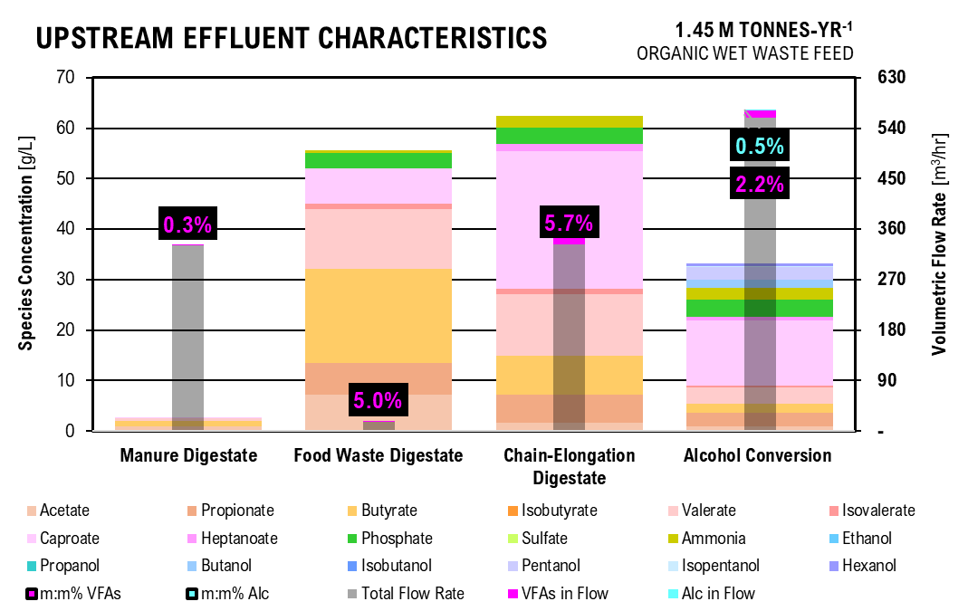
 |  |  |  |  |  | UPSTREAM FIGURE
 |  |  |  |  |  | Acid | Manure Digestate | Food Waste Digestate | Chain-Elongation Digestate | Alcohol Conversion
 |  |  |  |  |  | Acetate | 1.01 | 7.53 | 1.79 | 0.90
 |  |  |  |  |  | Propionate | 0.00 | 6.39 | 5.75 | 2.88
 |  |  |  |  |  | Butyrate | 1.04 | 19.42 | 7.94 | 1.91
 |  |  |  |  |  | Isobutyrate | 0.05 | - | 0.00 | 0.00
 |  |  |  |  |  | Valerate | 0.61 | 12.15 | 12.56 | 3.20
 |  |  |  |  |  | Isovalerate | 0.00 | 1.15 | 1.09 | 0.53
 |  |  |  |  |  | Caproate | 0.22 | 7.32 | 28.34 | 13.36
 |  |  |  |  |  | Heptanoate | 0.00 | - | 1.39 | 0.70
 |  |  |  |  |  | Phosphate | 0.00 | 2.95 | 3.31 | 3.31
 |  |  |  |  |  | Sulfate | 0.00 | - | 0.00 | 0.00
 |  |  |  |  |  | Ammonia | 0.00 | 0.54 | 2.33 | 2.33
 |  |  |  |  |  | Ethanol |  |  |  | 0.00
 |  |  |  |  |  | Propanol |  |  |  | 0.00
 |  |  |  |  |  | Butanol |  |  |  | 1.76
 |  |  |  |  |  | Isobutanol |  |  |  | 0.00
 |  |  |  |  |  | Pentanol |  |  |  | 2.68
 |  |  |  |  |  | Isopentanol |  |  |  | 0.02
 |  |  |  |  |  | Hexanol |  |  |  | 0.72
 |  |  |  |  |  | Total Flow Rate | 55.27 | 2.82 | 55.79 | 93.56
 |  |  |  |  |  | VFAs in Flow | 0.18 | 0.16 | 3.68 | 2.15
 |  |  |  |  |  | m:m% VFAs | 0.3% | 5.1% | 5.9% | 2.2%
 |  |  |  |  |  | Alc in Flow |  |  |  | 0.47
 |  |  |  |  |  | m:m% Alc |  |  |  | 0.5%
...
 |  |  |  |  |  | 2.17E-02 | 1.76E-07 | g/L | 0.00 | 0.00 | 0.00 | 0.00 | 2.13 | 0.00
 |  |  |  |  |  | 1.58E-03 | 4.04E-03 | g/L | 0.39 | 0.00 | 0.00 | 0.00 | 0.15 | 0.39
 |  |  |  |  |  | 9.71E-10 | 7.88E-04 | g/L | 0.02 | 0.00 | 0.01 | 0.00 | 0.00 | 0.08
 |  |  |  |  |  | 2.03E-21 | 5.21E-10 | g/L | 0.00 | 0.00 | 0.14 | 0.00 | 0.00 | 0.00
 |  |  |  |  |  | 1.65E-04 | 1.37E-02 | g/L | 0.30 | 0.00 | 0.00 | 0.03 | 0.00 | 0.25
 |  |  |  |  |  | 9.09E-13 | 2.38E-05 | g/L | 0.00 | 1.40 | 0.36 | 0.00 | 0.00 | 0.00
...
separations effluent characteristics
 | Acetic Acid | Propionic Acid | Butyric Acid | Isobutyric Acid | Valeric Acid | Isovaleric Acid | Caproic Acid | Heptanoic Acid | Ammonia | Sulfate | Phosphate | Ethanol
Electrodialysis Acid Stream | 3.30 | 10.60 | 7.02 | 0.00 | 11.80 | 1.94 | 49.24 | 2.88 | 0.01 | 0.00 | 11.42
Electrodialysis Digestate Stream | 0.21 | 0.67 | 0.44 | 0.00 | 0.75 | 0.12 | 3.12 | 0.18 | 0.30 | 0.00 | 0.41 | 0.00
Liquid-Liquid Extraction | 0.00 | 61.91 | 89.30 | 0.00 | 151.44 | 24.92 | 632.04 | 36.96 | 0.00 | 0.00 | 0.00
Supercritical CO2 Extraction | 3.41 | 21.05 | 19.22 | 0.00 | 38.97 | 6.55 | 171.73 | 12.52 | 0.00 | 0.00 | 0.00 | 0.00
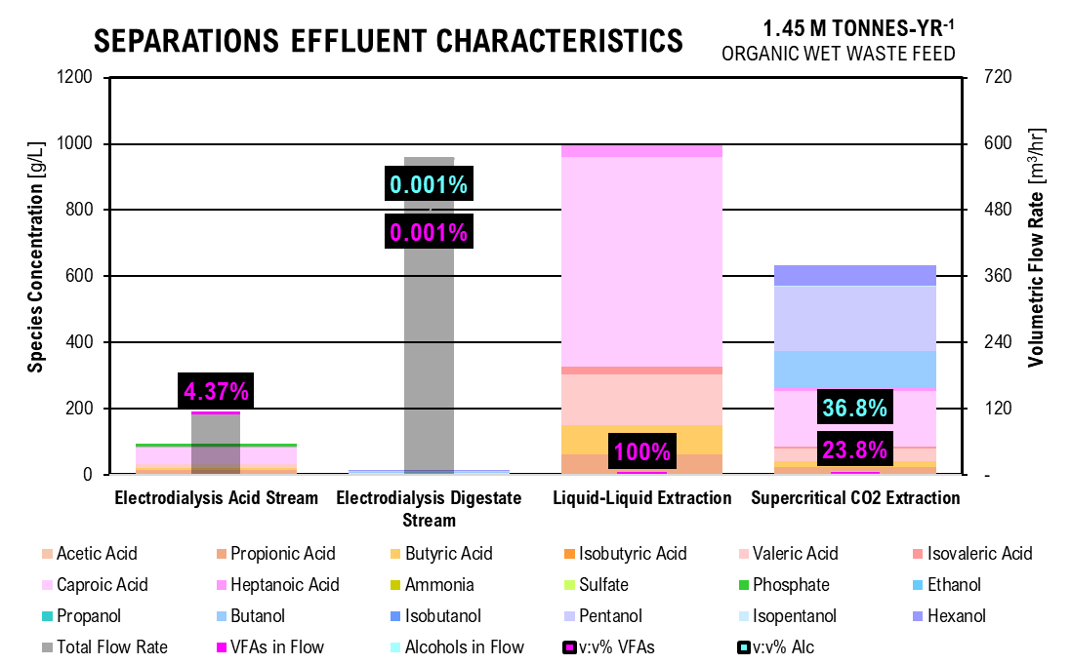
 |  |  |  |  |  |  | SEPARATIONS FIGURE
 |  |  |  |  |  |  |  | Electrodialysis Acid Stream | Electrodialysis Digestate Stream | Liquid-Liquid Extraction | Supercritical CO2 Extraction
 |  |  |  |  |  |  | Acetic Acid | 3.30 | 0.21 | 0.00 | 3.41
 |  |  |  |  |  |  | Propionic Acid | 10.60 | 0.67 | 61.91 | 21.05
 |  |  |  |  |  |  | Butyric Acid | 7.02 | 0.44 | 89.30 | 19.22
 |  |  |  |  |  |  | Isobutyric Acid | 0.00 | 0.00 | - | -
 |  |  |  |  |  |  | Valeric Acid | 11.80 | 0.75 | 151.44 | 38.97
 |  |  |  |  |  |  | Isovaleric Acid | 1.94 | 0.12 | 24.92 | 6.55
 |  |  |  |  |  |  | Caproic Acid | 49.24 | 3.12 | 632.04 | 171.73
 |  |  |  |  |  |  | Heptanoic Acid | 2.88 | 0.18 | 36.96 | 12.52
 |  |  |  |  |  |  | Ammonia | 0.01 | 0.30 | 0 | -
 |  |  |  |  |  |  | Sulfate | 0.00 | 0.00 | 0 | -
 |  |  |  |  |  |  | Phosphate | 11.42 | 0.41 | 0 | 0.00
 |  |  |  |  |  |  | Ethanol |  | 0.00 |  | -
 |  |  |  |  |  |  | Propanol |  | 0.00 |  | -
 |  |  |  |  |  |  | Butanol |  | 1.76 |  | 114.10
 |  |  |  |  |  |  | Isobutanol |  | 0.00 |  | -
 |  |  |  |  |  |  | Pentanol |  | 2.68 |  | 199.85
 |  |  |  |  |  |  | Isopentanol |  | 0.02 |  | 1.52
 |  |  |  |  |  |  | Hexanol |  | 0.72 |  | 66.66
 |  |  |  |  |  |  | Total Flow Rate | 18.40 | 96.18 | - | 0.64
 |  |  |  |  |  |  | VFAs in Flow | 0.83 | 0.01 | 0.75 | 0.16
 |  |  |  |  |  |  | Alcohols in Flow |  | 0.01 |  | 0.25
 |  |  |  |  |  |  | v:v% VFAs | 4.54% | 0.006% | 100% | 25.1%
 |  |  |  |  |  |  | v:v% Alc | 0% | 0.005% | 0% | 38.6%
...
 |  |  | kg/hr | (0.06) | kg/hr | (0.05)
 |  |  | kg/hr | (1.22) | kg/hr | (1.16)
 |  |  | kg/hr | - | kg/hr | -
 |  |  | kg/hr | - | kg/hr | -
...
 |  |  | 5
 |  |  | 5
 |  |  | 5 | 6
Pure Ester effluent characterization
 | C4 | C5 | C6 | C7 | C8 | C9 | C10 | C11 | C12 | C13 | Flow Rate
 | 4
 | 4 | 5 |  |  |  |  |  |  |  |  | 1.31
 |  | 5 |  |  |  |  |  |  |  |  | -
 |  | 5 | 6 |  |  |  |  |  |  |  | 4.82
 |  |  | 6 |  |  |  |  |  |  |  | 1.23
 |  |  | 6 |  |  |  |  |  |  |  | -
 |  |  | 6 |  |  |  |  |  |  |  | 11.42
 |  |  | 6 |  |  |  |  |  |  |  | -
 |  |  | 6 | 7 |  |  |  |  |  |  | 6.25
 |  |  |  | 7 |  |  |  |  |  |  | 12.06
 |  |  |  | 7 |  |  |  |  |  |  | 5.37
 |  |  |  | 7 |  |  |  |  |  |  | -
 |  |  |  | 7 |  |  |  |  |  |  | -
 |  |  |  | 7 |  |  |  |  |  |  | 4.52
 |  |  |  | 7 |  |  |  |  |  |  | 0.79
 |  |  |  | 7 |  |  |  |  |  |  | 0.00
 |  |  |  | 7 | 8 |  |  |  |  |  | -
 |  |  |  |  | 8 |  |  |  |  |  | 0.02
 |  |  |  |  | 8 |  |  |  |  |  | 2.94
 |  |  |  |  | 8 |  |  |  |  |  | 11.92
 |  |  |  |  | 8 |  |  |  |  |  | 8.88
 |  |  |  |  | 8 |  |  |  |  |  | -
 |  |  |  |  | 8 |  |  |  |  |  | -
 |  |  |  |  | 8 |  |  |  |  |  | -
 |  |  |  |  | 8 |  |  |  |  |  | -
 |  |  |  |  | 8 |  |  |  |  |  | 0.00
 |  |  |  |  | 8 | 9 |  |  |  |  | 5.25
 |  |  |  |  |  | 9 |  |  |  |  | 0.07
 |  |  |  |  |  | 9 |  |  |  |  | 8.37
 |  |  |  |  |  | 9 |  |  |  |  | 0.00
 |  |  |  |  |  | 9 |  |  |  |  | 7.79
 |  |  |  |  |  | 9 |  |  |  |  | 0.89
 |  |  |  |  |  | 9 |  |  |  |  | 19.70
 |  |  |  |  |  | 9 |  |  |  |  | -
 |  |  |  |  |  | 9 |  |  |  |  | 13.27
 |  |  |  |  |  | 9 |  |  |  |  | -
 |  |  |  |  |  | 9 |  |  |  |  | -
 |  |  |  |  |  | 9 | 10 |  |  |  | -
 |  |  |  |  |  |  | 10 |  |  |  | 0.16
 |  |  |  |  |  |  | 10 |  |  |  | 0.08
 |  |  |  |  |  |  | 10 |  |  |  | 20.12
 |  |  |  |  |  |  | 10 |  |  |  | (0.00)
 |  |  |  |  |  |  | 10 |  |  |  | 20.72
 |  |  |  |  |  |  | 10 |  |  |  | (0.03)
 |  |  |  |  |  |  | 10 |  |  |  | 18.75
 |  |  |  |  |  |  | 10 |  |  |  | -
 |  |  |  |  |  |  | 10 | 11 |  |  | -
 |  |  |  |  |  |  |  | 11 |  |  | (0.05)
 |  |  |  |  |  |  |  | 11 |  |  | (1.16)
 |  |  |  |  |  |  |  | 11 |  |  | 63.58
...
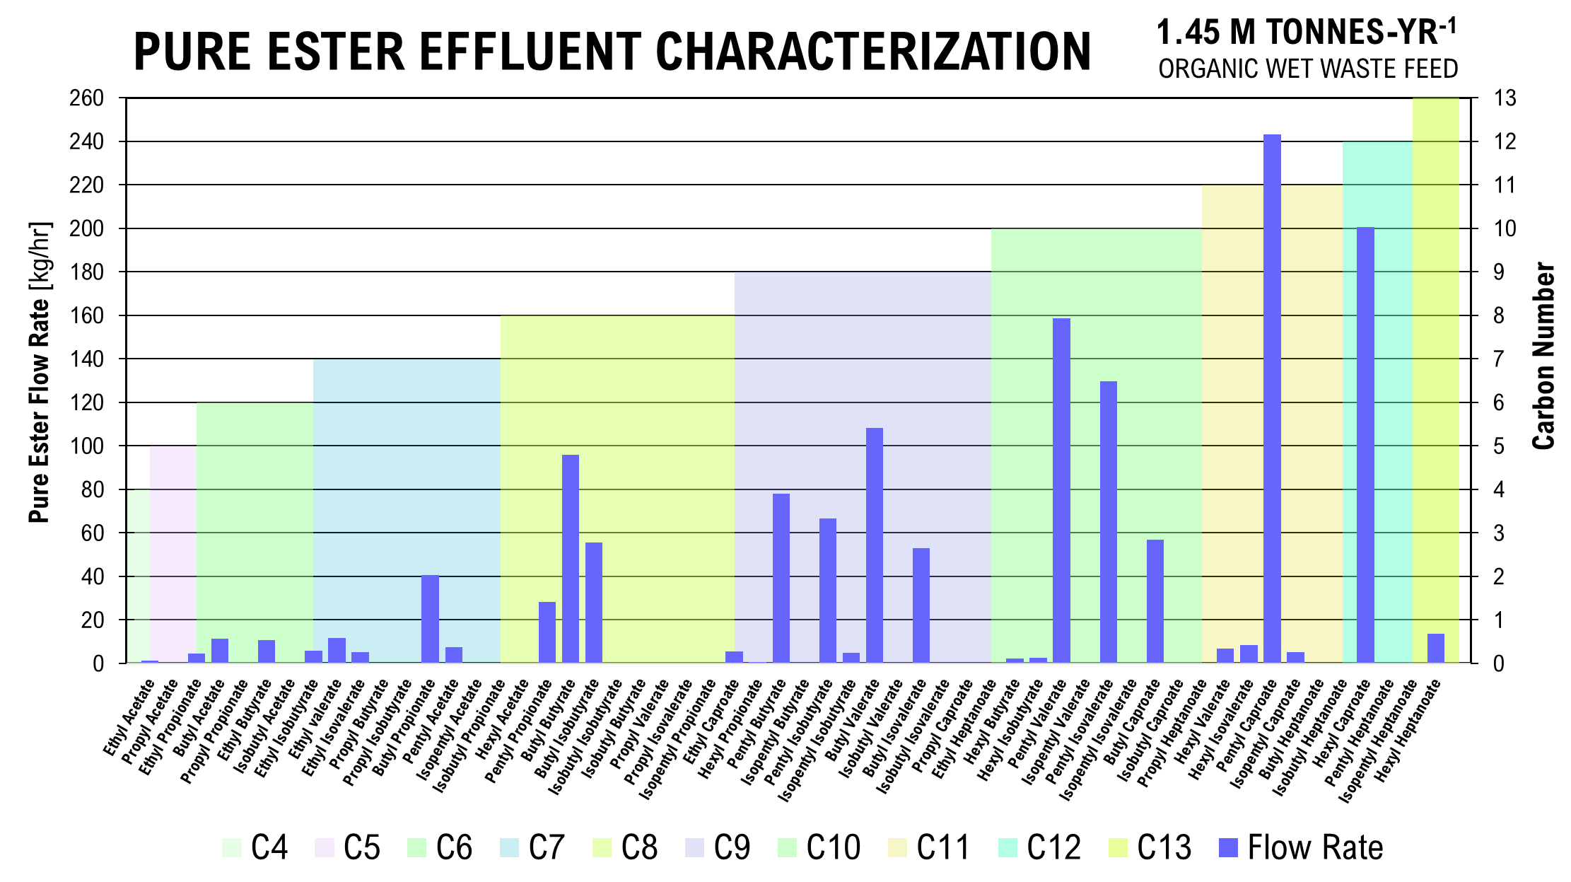
 |  |  |  | 6
 |  |  |  | 6
 |  |  |  | 6
 |  |  |  | 6
 |  |  |  | 6 | 7
 |  |  |  |  | 7
 |  |  |  |  | 7
 |  |  |  |  | 7
 |  |  |  |  | 7
 |  |  |  |  | 7
 |  |  |  |  | 7
 |  |  |  |  | 7
 |  |  |  |  | 7 | 8
 |  |  |  |  |  | 8
 |  |  |  |  |  | 8
 |  |  |  |  |  | 8
 |  |  |  |  |  | 8
 |  |  |  |  |  | 8
 |  |  |  |  |  | 8
 |  |  |  |  |  | 8
 |  |  |  |  |  | 8
 |  |  |  |  |  | 8
 |  |  |  |  |  | 8 | 9
 |  |  |  |  |  |  | 9
 |  |  |  |  |  |  | 9
 |  |  |  |  |  |  | 9
 |  |  |  |  |  |  | 9
 |  |  |  |  |  |  | 9
 |  |  |  |  |  |  | 9
 |  |  |  |  |  |  | 9
 |  |  |  |  |  |  | 9
 |  |  |  |  |  |  | 9
 |  |  |  |  |  |  | 9
 |  |  |  |  |  |  | 9 | 10
 |  |  |  |  |  |  |  | 10
 |  |  |  |  |  |  |  | 10
 |  |  |  |  |  |  |  | 10
 |  |  |  |  |  |  |  | 10
 |  |  |  |  |  |  |  | 10
 |  |  |  |  |  |  |  | 10
 |  |  |  |  |  |  |  | 10
 |  |  |  |  |  |  |  | 10
 |  |  |  |  |  |  |  | 10 | 11
 |  |  |  |  |  |  |  |  | 11
 |  |  |  |  |  |  |  |  | 11
 |  |  |  |  |  |  |  |  | 11
 |  |  |  |  |  |  |  |  | 11
 |  |  |  |  |  |  |  |  | 11
 |  |  |  |  |  |  |  |  | 11 | 12
...

CostCalc
...
Mixing | 100 | rpm | 1.00
 | 116.68 | kW
 | 156.47562876 | hp

Reverse Osmosis
Influent Flow Rate | 15,692.90 | L/hr
 | 34,596.93 | lb/hr
Lactate | 6277.1603861 | L/hr
 | 5.9782479868 | m3
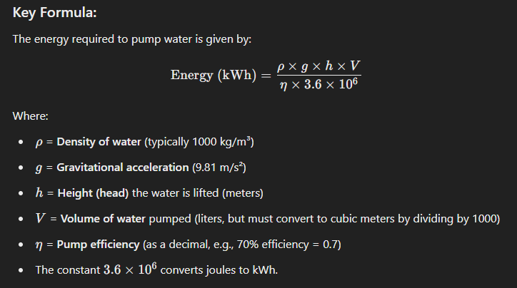
Water Tank | 9415.7405792 | L/hr
 | 593.98 | gal/min

Lactase
Lactase Concentration | 3750 | U/L
 | 58,848,001.12 | L/hr

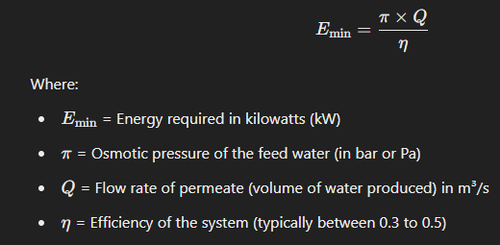
Power
Feed Pump | 1.74 | kWh/hr
Recycle Pump | 0.40 | kWh/hr
Feed Pump | 0.31 | kWh/hr
Reverse Osmosis | 0.23 | kW

Heat: Q (W)= mcdT
Hydrolysis | 2,299,152.17 | J/hr
 | 0.64 | kWh/hr
Fermentation | 65,690.06 | J/hr
 | 0.02 | kWh/hr

Feedstock Preparation - CAPEX
Parameter | Size Required |  |  |  | Researched Value
 | Size | Unit | Number | Material | Value | Size | Unit

Sand Removal | 53.8 | kg/d-cow |  | kg | d
...

CAPEX
...
 |  |  | $20,084,392

RE-B2 Capital Expense: Fuel Scenario B, Carbon Donor Scenario 2, with Renewable Energy Total: |  |  | $20,084,392

Capital Expenses: Path A - Jet Fuel
Scenario A1 CAPEX

Capital Expenses: Path A - Jet Fuel
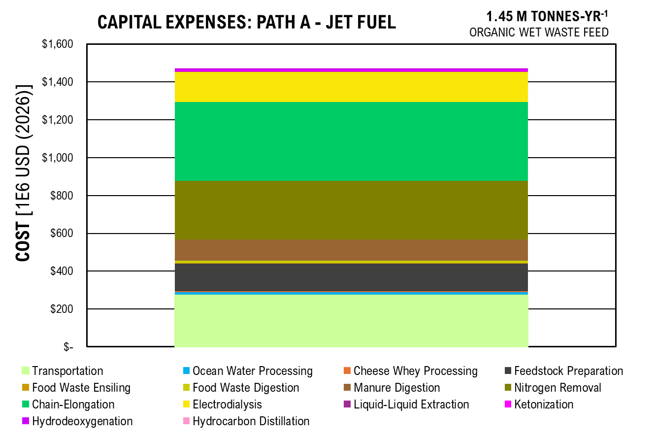
CAPEX | COST | Percent
Transportation | 100,134,360 | 0.26
Ocean Water Processing | 4,501,674 | 0.01
Cheese Whey Processing | 1,645,966 | 0.00
Feedstock Preparation | 29,872,414 | 0.08
Food Waste Ensiling | 428,415 | 0.00
Food Waste Digestion | 2,190,864 | 0.01
Manure Digestion | 20,084,392 | 0.05
Nitrogen Removal | 101,851,589 | 0.26
Chain-Elongation | 93,516,151 | 0.24
Electrodialysis | 27,033,189 | 0.07
Liquid-Liquid Extraction | 1,187,527 | 0.00
Ketonization | 1,786,511 | 0.00
Hydrodeoxygenation | 3,916,861 | 0.01
Hydrocarbon Distillation | 116,222 | 0.00

TOTAL | 388,266,137

Scenario B1 CAPEX

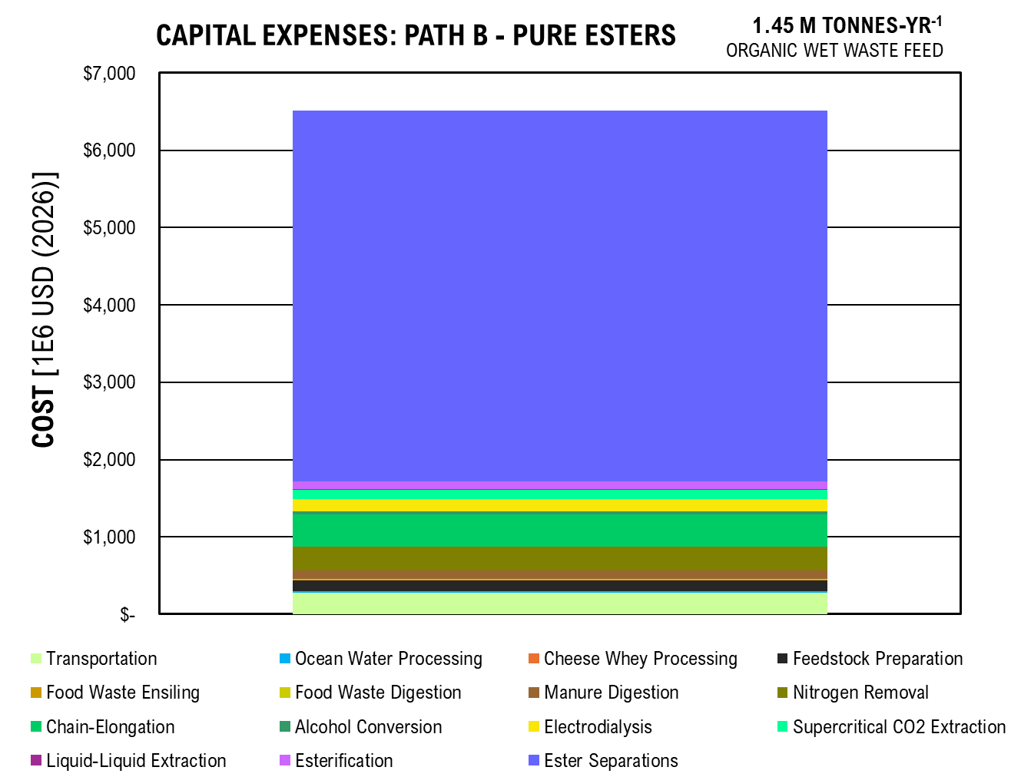
Capital Expenses: Path B - Pure Esters
CAPEX | COST | Percent
Transportation | 100,134,360 | 0.047869439837
Ocean Water Processing | 4,501,674 | 0.0021520344594
Cheese Whey Processing | 1,645,966 | 0.00078685730097
Feedstock Preparation | 29,872,414 | 0.014280570047
Food Waste Ensiling | 428,415 | 0.00020480487632
Food Waste Digestion | 2,190,864 | 0.0010473470047
Manure Digestion | 20,084,392 | 0.0096013855016
Nitrogen Removal | 101,851,589 | 0.048690364789
Chain-Elongation | 93,516,151 | 0.044705591191
Alcohol Conversion | 7,841,373 | 0.0037485848963
Electrodialysis | 27,033,189 | 0.012923272616
Supercritical CO2 Extraction | 30,113,655 | 0.014395895519
Liquid-Liquid Extraction | 3,426,010 | 0.0016378111057
Esterification | 23,562,916 | 0.011264300903
Ester Separations | 1,645,619,303 | 0.78669173995

TOTAL | 2,091,822,272

Scenario AB1 CAPEX

Capital Expenses: Path AB - Jet & Esters
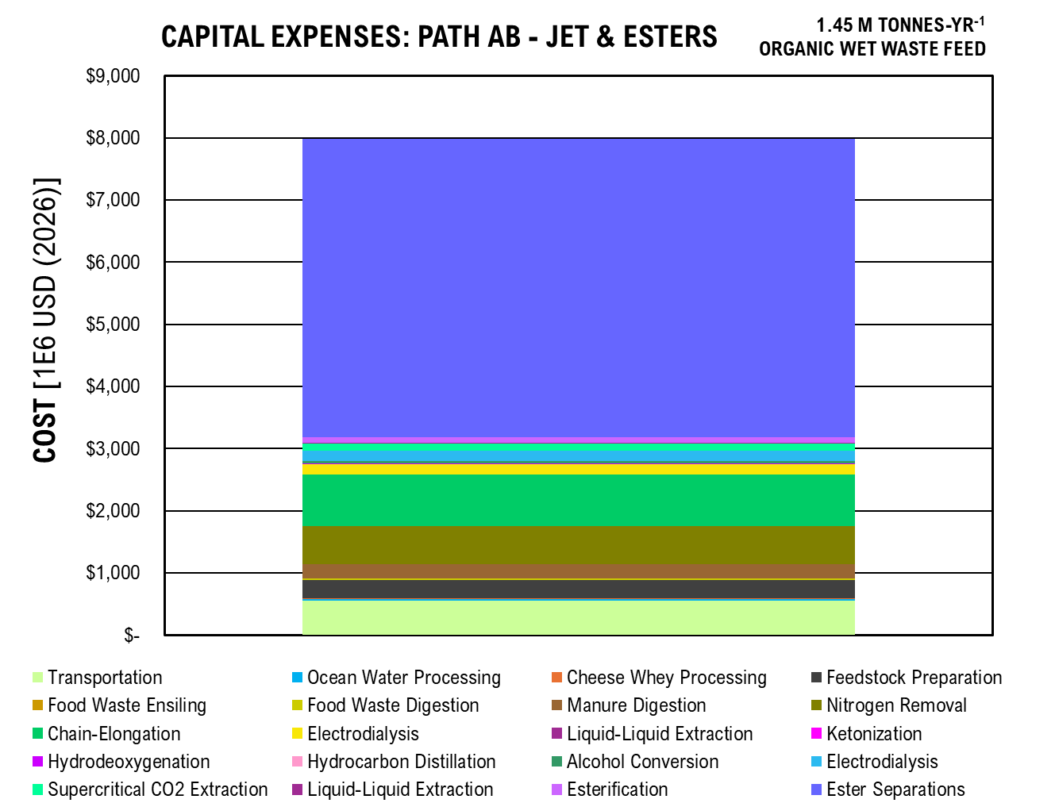
CAPEX | COST | Percentage
Transportation | 200,268,721 | 0.080750637794
Ocean Water Processing | 9,003,347 | 0.0036302525315
Cheese Whey Processing | 3,291,931 | 0.0013273443166
Feedstock Preparation | 59,744,829 | 0.024089798069
Food Waste Ensiling | 856,831 | 0.00034548397563
Food Waste Digestion | 4,381,728 | 0.0017667626551
Manure Digestion | 40,168,784 | 0.016196512965
Nitrogen Removal | 203,703,179 | 0.082135450603
Chain-Elongation | 187,032,303 | 0.07541356268
Electrodialysis | 27,033,189 | 0.010900091057
Liquid-Liquid Extraction | 1,187,527 | 0.00047882435997
Ketonization | 1,786,511 | 0.00072034173143
Hydrodeoxygenation | 3,916,861 | 0.0015793232941
Hydrocarbon Distillation | 116,222 | 4.6861981148E-05
Alcohol Conversion | 7,841,373 | 0.0031617313909
Electrodialysis | 27,033,189 | 0.010900091057
Supercritical CO2 Extraction | 30,113,655 | 0.012142169918
Liquid-Liquid Extraction | 3,426,010 | 0.0013814062983
Esterification | 23,562,916 | 0.0095008369147
Ester Separations | 1,645,619,303 | 0.66353251641

Total | 2,480,088,409

OPEX
...
RE-A2 Operational Expense: Fuel Scenario A, Carbon Donor Scenario 2, with Renewable Energy:

B2 Operational Expense: Fuel Scenario B, Carbon Donor Scenario 2, No Renewable Energy:

RE-B2 Operational Expense: Fuel Scenario B, Carbon Donor Scenario 2, with Renewable Energy:

Operational Expenses: Path A - Jet Fuel

Scenario A

Transportation | $19,038,577.79 | 0.27276694386
Ocean Water Processing | $938,729.39 | 0.013449237047
Cheese Whey Processing | $2,187,000.51 | 0.031333298784
Feedstock Preparation | $40,581.34 | 0.00058141153194
Food Waste Ensiling | $1,525,322.23 | 0.021853390875
Food Waste Digestion | $1,594,870.55 | 0.022849814196
Manure Digestion | $2,153,834.93 | 0.030858133261
Nitrogen Removal | $817,245.05 | 0.01170872312
Chain-Elongation | $2,020,253.81 | 0.028944307955
Electrodialysis | $1,822,183.72 | 0.026106544772
Liquid-Liquid Extraction | $546,347.63 | 0.0078275580378
Ketonization | $478,023.14 | 0.0068486686787
Hydrodeoxygenation | $339,506.05 | 0.0048641252743
Hydrocarbon Distillation | $325,142.50 | 0.0046583377282
Overhead and Benefits | $21,604,500.00 | 0.30952907846
Plant Maintenance | $11,647,984.11 | 0.16688142683
Insurance | $2,717,862.96 | 0.038938999594

TOTAL | $69,797,965.70

Scenario B

Operational Expenses: Path B - Pure Esters
Transportation | $19,038,577.79 | 0.13483489101
Ocean Water Processing | $938,729.39 | 0.0066482631134
Cheese Whey Processing | $2,187,000.51 | 0.015488760722
Feedstock Preparation | $40,581.34 | 0.00028740491583
Food Waste Ensiling | $1,525,322.23 | 0.010802627089
Food Waste Digestion | $1,594,870.55 | 0.011295181752
Manure Digestion | $2,153,834.93 | 0.01525387562
Nitrogen Removal | $817,245.05 | 0.0057878875768
Chain-Elongation | $2,020,253.81 | 0.014307828336
Alcohol Conversion | $7,186,414.42 | 0.050895577146
Electrodialysis | $2,438,300.71 | 0.01726851734
Supercritical CO2 Extraction | $758,551.61 | 0.0053722092573
Liquid-Liquid Extraction | $681,255.39 | 0.0048247824492
Esterification | $327,725.86 | 0.0023210179338
Ester Separations | $488,605.29 | 0.0034603971752
Overhead and Benefits | $21,604,500.00 | 0.15300724849
Plant Maintenance | $62,754,668.16 | 0.44444070007
Insurance | $14,642,755.90 | 0.10370283002

TOTAL | $141,199,192.94

Scenario AB

Transportation | $38,077,155.58 | 0.18046288313
Ocean Water Processing | $1,877,458.77 | 0.0088980286951
Cheese Whey Processing | $4,374,001.03 | 0.020730141844
Feedstock Preparation | $81,162.68 | 0.00038466245161
Food Waste Ensiling | $3,050,644.45 | 0.014458225281
Food Waste Digestion | $3,189,741.09 | 0.015117459948
Manure Digestion | $4,307,669.85 | 0.020415771859
Nitrogen Removal | $1,634,490.11 | 0.0077465029383
Chain-Elongation | $4,040,507.63 | 0.01914958312
Electrodialysis | $1,822,183.72 | 0.0086360580789
Liquid-Liquid Extraction | $546,347.63 | 0.0025893601171
Ketonization | $478,023.14 | 0.0022655430272
Hydrodeoxygenation | $339,506.05 | 0.0016090550756
Hydrocarbon Distillation | $325,142.50 | 0.0015409804523
Alcohol Conversion | $7,186,414.42 | 0.034059294749
Electrodialysis | $2,438,300.71 | 0.01155608316
...

Figures
Transportation

Transportation Costs
 | Boats - Ocean Water |  | Diesel Trucks - Ocean Water |  | Diesel Trucks - Cheese Whey |  | Diesel Trucks - Organic Waste |  | Hydraulic Truck Dump with Scale |  | Diesel - Waste |  | Diesel - Lactate Concentrate |  | Diesel - Ocean Water |  | Labor
Capital Costs | 40000000 | Capital Costs | 14555000 | Capital Costs | 12425000 | Capital Costs | 15265000 | Capital Costs | 17889360.398 | Capital Costs |  | Capital Costs |  | Capital Costs |  | Capital Costs
Operational Costs |  | Operational Costs |  | Operational Costs |  | Operational Costs |  | Operational Costs |  |  | $1,340,894.45 |  | $1,340,894.45 |  | $2,681,788.90 |  | $13,675,000.00
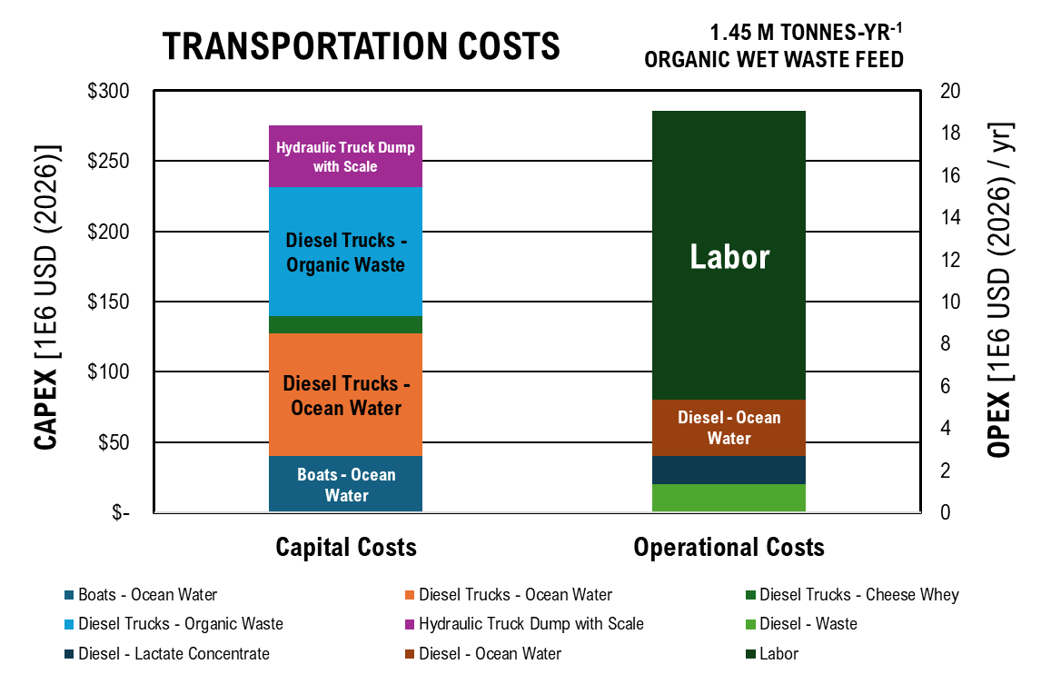
 | Capital Costs | Operational Costs
Boats - Ocean Water | $40,000,000.00
Diesel Trucks - Ocean Water | $14,555,000.00
Diesel Trucks - Cheese Whey | $12,425,000.00
Diesel Trucks - Organic Waste | $15,265,000.00
Hydraulic Truck Dump with Scale | $17,889,360.40
Diesel - Waste |  | $1,340,894.45
Diesel - Lactate Concentrate |  | $1,340,894.45
Diesel - Ocean Water |  | $2,681,788.90
Labor |  | $13,675,000.00

Ocean Water Processing

Ocean Water Processing Costs
 | Feed Pump | Decanter | Microfiltration | Anion-Exchange Membrane | Cation-Exchange Membrane | Bipolar-Exchange Membranes | Electrodes | Diluate Tanks | Electrolyte Tank Wall | Concentrate Tank 1 Wall | Concentrate Tank 2 Wall | Peristaltic Pump
Capital Costs | 52655.971643 | 3588586.3966 | 3774.8244652 | 14013.799971 | 15327.593718 | 65029.472745 | 173415.15643 | 23242.010609 | 6000.8819964 | 6000.8819964 | 6000.8819964 | 242949.55662
Operational Costs
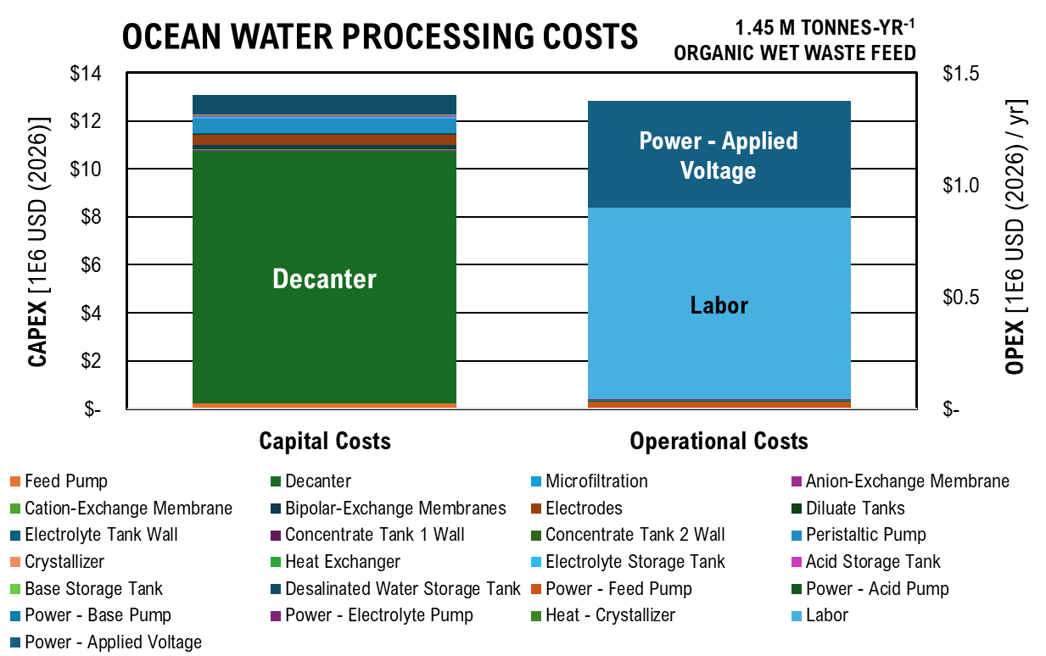
Equipment Name | Capital Costs | Operational Costs
Feed Pump | $52,655.97
Decanter | $3,588,586.40
Microfiltration | $3,774.82
Anion-Exchange Membrane | $14,013.80
Cation-Exchange Membrane | $15,327.59
Bipolar-Exchange Membranes | $65,029.47
Electrodes | $173,415.16
Diluate Tanks | $23,242.01
Electrolyte Tank Wall | $6,000.88
Concentrate Tank 1 Wall | $6,000.88
Concentrate Tank 2 Wall | $6,000.88
Peristaltic Pump | $242,949.56
Crystallizer | $-
Heat Exchanger | $-
Electrolyte Storage Tank | $27,408.18
Acid Storage Tank | $27,408.18
Base Storage Tank | $10,116.46
Desalinated Water Storage Tank | $239,743.36
Power - Feed Pump |  | $2,801.34
Power - Acid Pump |  | $327.65
Power - Base Pump |  | $327.65
Power - Electrolyte Pump |  | $327.65
Heat - Crystallizer |  | $-
Power - Applied Voltage |  | $79,945.11
Labor |  | $855,000.00

Cheese Whey Processing

Cheese Whey Processing Costs
 | Feed Pump - CW+H2O | Feed Pump - Recycle | Hydrolysis Tank Wall | Hydrolysis Insulation | Hydrolysis Agitator | Feed Pump | Fermenter Tank Wall | Fermenter Insulation | Fermenter Agitator | Feed Pump | Decanter | Microfiltration
Capital Costs | 23020.81082 | 8786.5345219 | 35026.317612 | 168558.97679 | 31865.126823 | 14198.592729 | 35026.317612 | 68336.747737 | 31865.126823 | 14198.592729 | 583156.23398 | 255678.63093
Operational Costs
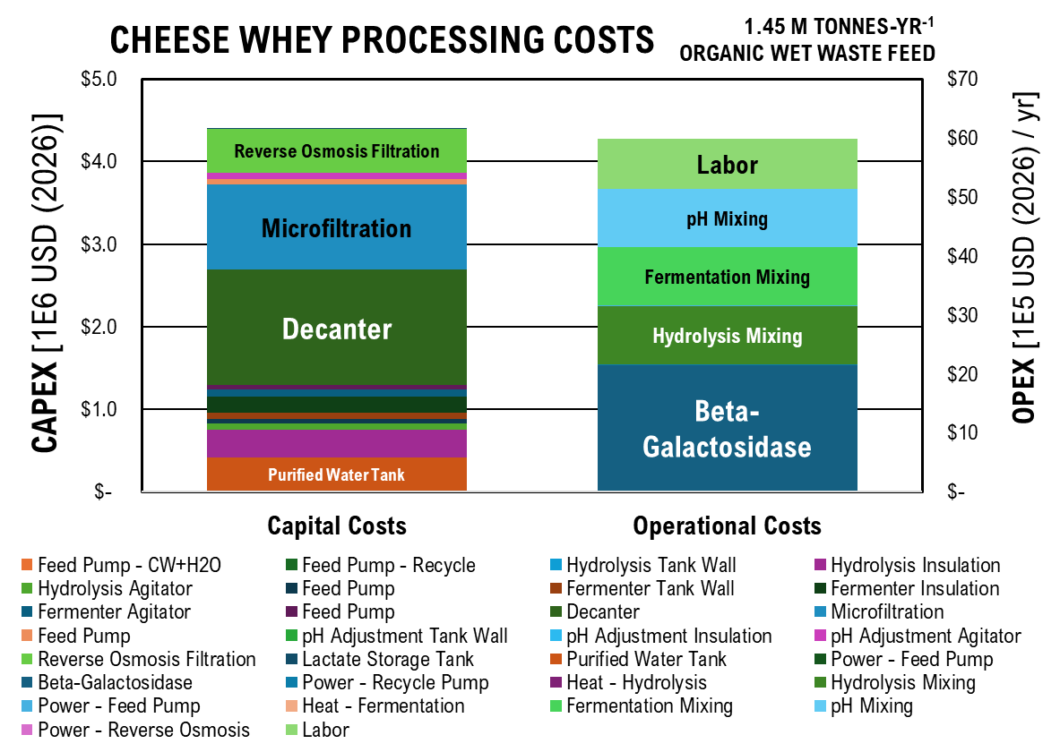
 | Capital Costs | Operational Costs
Feed Pump - CW+H2O | $23,020.81
Feed Pump - Recycle | $8,786.53
Hydrolysis Tank Wall | $35,026.32
Hydrolysis Insulation | $168,558.98
Hydrolysis Agitator | $31,865.13
Feed Pump | $14,198.59
Fermenter Tank Wall | $35,026.32
Fermenter Insulation | $68,336.75
Fermenter Agitator | $31,865.13
Feed Pump | $14,198.59
Decanter | $583,156.23
Microfiltration | $255,678.63
Feed Pump | $14,198.67
pH Adjustment Tank Wall | $2,219.31
pH Adjustment Insulation | $661.08
pH Adjustment Agitator | $31,865.23
Reverse Osmosis Filtration | $153,808.31
Lactate Storage Tank | $4,083.79
Purified Water Tank | $169,411.25
Power - Feed Pump |  | $2,556.78
Beta-Galactosidase |  | $812,057.98
Power - Recycle Pump |  | $590.03
Heat - Hydrolysis |  | $939.66
Hydrolysis Mixing |  | $171,677.08
Power - Feed Pump |  | $463.37
Heat - Fermentation |  | $26.85
Fermentation Mixing |  | $171,677.08
pH Mixing |  | $171,678.18
Power - Reverse Osmosis |  | $333.51
Labor |  | $855,000.00

Manure Treatment

Manure Treatment Costs
 | Sand Removal | Tank Wall - Manure | Insulation - Manure | Agitator - Manure | Feed Pump - Manure | Feed Pump - Water | Manure Slurry Pump Grinder | Feed Pump | Syngas Makeup Compressor | Syngas Recycle Compressor | Digester Tank Wall | Digester Insulation
Capital Costs - Digestion | 23197006.827 | 2322.468323 | 576.50486176 | 1733319.9703 | 3921621.222 | 135958.67096 | 9382.8608915 | 45288.607152 | 112340.6379 | 2539.7795703 | 2132518.4113 | 2217819.5264
Capital Cost - Treatment
Operational Costs - Digestion
Operational Costs - Treatment
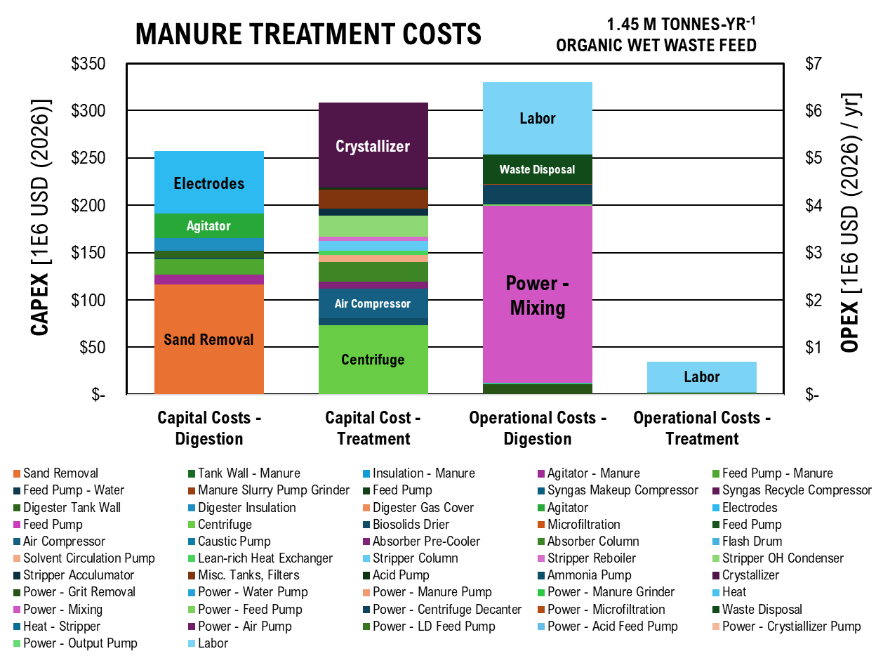
 | Capital Costs - Digestion | Capital Cost - Treatment | Operational Costs - Digestion | Operational Costs - Treatment
Sand Removal | $23,197,006.83
Tank Wall - Manure | $2,322.47
Insulation - Manure | $576.50
Agitator - Manure | $1,733,319.97
Feed Pump - Manure | $3,921,621.22
Feed Pump - Water | $135,958.67
Manure Slurry Pump Grinder | $9,382.86
Feed Pump | $45,288.61
Syngas Makeup Compressor | $112,340.64
Syngas Recycle Compressor | $2,539.78
Digester Tank Wall | $2,132,518.41
Digester Insulation | $2,217,819.53
Digester Gas Cover | $16,000.98
Agitator | $4,402,632.72
Electrodes | $11,155,251.37
Feed Pump |  | $45,288.61
Centrifuge |  | $25,022,970.38
Biosolids Drier |  | $2,426,574.05
Microfiltration |  | $3,760.78
Feed Pump |  | $52,460.05
Air Compressor |  | $18,031,375.12
Caustic Pump |  | $5,712.37
Absorber Pre-Cooler |  | $1,798,744.33
Absorber Column |  | $4,984,205.35
Flash Drum |  | $13,341.26
Solvent Circulation Pump |  | $1,665,832.19
Lean-rich Heat Exchanger |  | $1,149,690.04
Stripper Column |  | $2,441,917.96
Stripper Reboiler |  | $986,332.07
Stripper OH Condenser |  | $5,447,232.28
Stripper Acculumator |  | $1,801,803.55
Misc. Tanks, Filters |  | $4,741,588.28
Acid Pump |  | $503,188.16
Ammonia Pump |  | $19,918.48
Crystallizer |  | $30,709,654.19
Power - Grit Removal |  |  | $37,217.65
Power - Water Pump |  |  | $38.55
Power - Manure Pump |  |  | $19.67
Power - Manure Grinder |  |  | $2,194.31
Heat |  |  | $721.75
Power - Mixing |  |  | $625,213.14
...
 | Capital Costs - Digestion | Capital Cost - Treatment | Operational Costs - Digestion | Operational Costs - Treatment
Power - Crystiallizer Pump |  |  |  | $871.38
Power - Output Pump |  |  |  | $666.91
Labor |  |  | $1,525,000.00 | $630,000.00

Food Waste Digestion

Food Waste Digestion Costs
 | Tank Wall - Food Waste | Insulation - Food Waste | Pretreatment Agitator | Feed Pump - Food Waste | Feed Pump - Water | Food Waste Slurry Pump Grinder | Feed Pump | Digester Tank Wall | Ensiling Insulation | Digester Gas Cover | Syngas Makeup Compressor | Syngas Recycle Compressor
Capital Costs | 1206.738798 | 299.54801839 | 192591.10781 | 676194.50399 | 135958.67096 | 1934.0570495 | 7808.9916175 | 56429.102505 | 247519.00323 | 1777.8868742 | 112340.6379 | 2539.7795703
Operational Costs
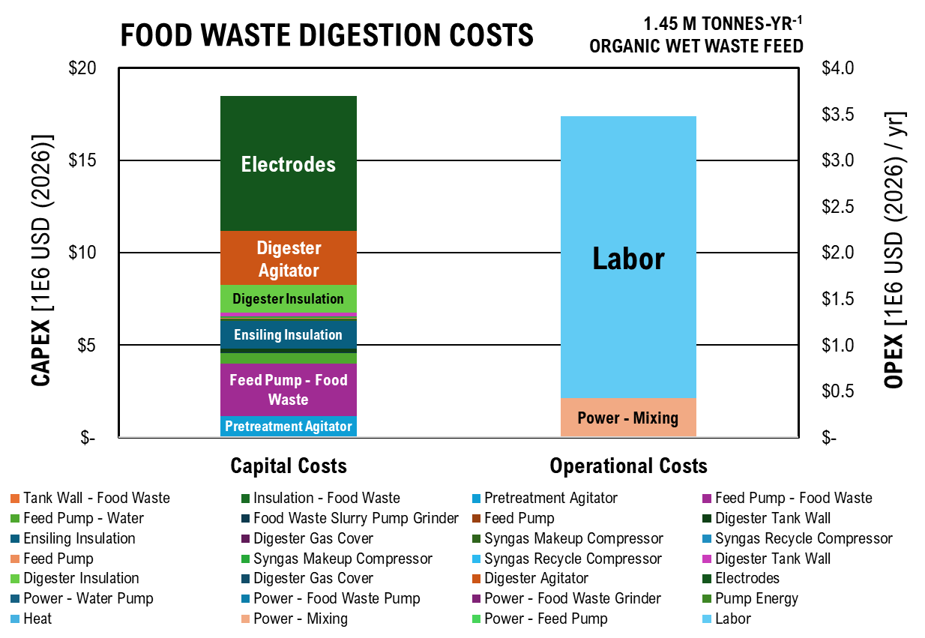
 | Capital Costs | Operational Costs
Tank Wall - Food Waste | $1,206.74
Insulation - Food Waste | $299.55
Pretreatment Agitator | $192,591.11
Feed Pump - Food Waste | $676,194.50
Feed Pump - Water | $135,958.67
Food Waste Slurry Pump Grinder | $1,934.06
Feed Pump | $7,808.99
Digester Tank Wall | $56,429.10
Ensiling Insulation | $247,519.00
Digester Gas Cover | $1,777.89
Syngas Makeup Compressor | $112,340.64
Syngas Recycle Compressor | $2,539.78
Feed Pump | $7,808.99
Syngas Makeup Compressor | $112,340.64
Syngas Recycle Compressor | $2,539.78
Digester Tank Wall | $56,429.10
Digester Insulation | $247,519.00
Digester Gas Cover | $158.99
Digester Agitator | $489,181.41
Electrodes | $1,274,885.87
Power - Water Pump |  | $38.55
Power - Food Waste Pump |  | $14.01
Power - Food Waste Grinder |  | $1,097.16
Pump Energy |  | $322.23
Heat |  | $80.19
Power - Mixing |  | $69,468.13
Power - Feed Pump |  | $322.23
Labor |  | $3,050,000.00

Electrochemically-Enhanced Chain Elongation

Chain-Elongation Costs
 | Feed Pump - Digestate | Feed Pump - Lactate | Feed Pump - Other | Syngas Makeup Compressor | Syngas Recycle Compressor | Tank Wall | Insulation | Agitator | Electrodes | Gas Cover | Feed Pump | Centrifuge
Capital Costs | 85718.205767 | 13643.49134 | 12.494386588 | 112340.6379 | 2539.7795703 | 229679.29922 | 68702.238163 | 6014590.0186 | 41003874.095 | 248.40963646 | 85718.205767 | 40378663.743
Operational Costs
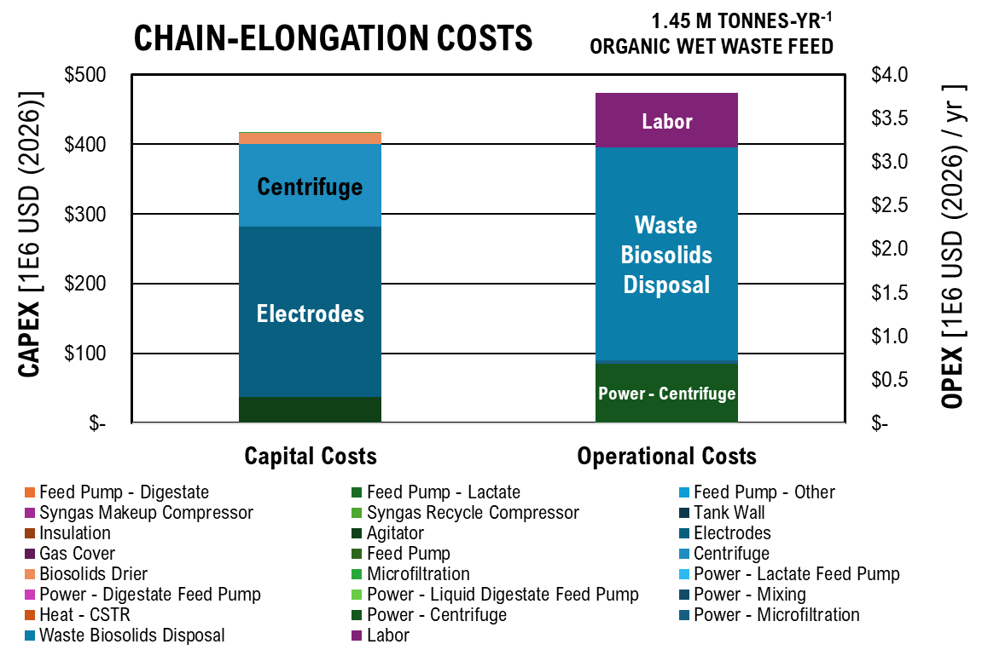
 | Capital Costs | Operational Costs
Feed Pump - Digestate | $85,718.21
Feed Pump - Lactate | $13,643.49
Feed Pump - Other | $12.49
Syngas Makeup Compressor | $112,340.64
Syngas Recycle Compressor | $2,539.78
Tank Wall | $229,679.30
Insulation | $68,702.24
Agitator | $6,014,590.02
Electrodes | $41,003,874.10
Gas Cover | $248.41
Feed Pump | $85,718.21
Centrifuge | $40,378,663.74
Biosolids Drier | $5,514,510.94
Microfiltration | $5,909.77
Power - Lactate Feed Pump |  | $616.43
Power - Digestate Feed Pump |  | $306.88
Power - Liquid Digestate Feed Pump |  | $5,427.89
Power - Mixing |  | $854,125.46
Heat - CSTR |  | $534.10
Power - Centrifuge |  | $113,738.10
Power - Microfiltration |  | $6,131.54
Waste Biosolids Disposal |  | $409,373.41
Labor |  | $630,000.00

Path A Separations

 | Capital Costs | Operational Costs
Anion-Exchange Membrane | $3,657,776.37
Cation-Exchange Membrane | $4,000,692.90
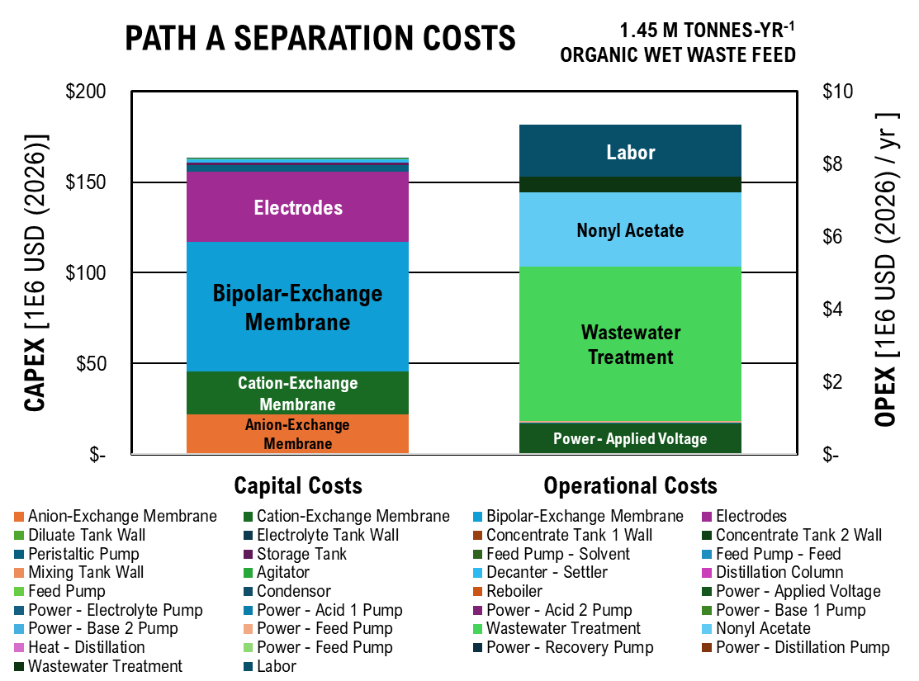
Bipolar-Exchange Membrane | $12,002,078.71
Path A Separation Costs
 | Anion-Exchange Membrane | Cation-Exchange Membrane | Bipolar-Exchange Membrane | Electrodes | Diluate Tank Wall | Electrolyte Tank Wall | Concentrate Tank 1 Wall | Concentrate Tank 2 Wall | Peristaltic Pump | Storage Tank | Feed Pump - Solvent | Feed Pump - Feed
Capital Costs | 3657776.3687 | 4000692.9032 | 12002078.71 | 6453123.8183 | 27341.450936 | 912.14140657 | 912.14140657 | 912.14140657 | 889439.80977 | 289284.21721 | 2868.5521179 | 20927.670388
Operational Costs
Electrodes | $6,453,123.82
Diluate Tank Wall | $27,341.45
Electrolyte Tank Wall | $912.14
Concentrate Tank 1 Wall | $912.14
Concentrate Tank 2 Wall | $912.14
Peristaltic Pump | $889,439.81
Storage Tank | $289,284.22
Feed Pump - Solvent | $2,868.55
Feed Pump - Feed | $20,927.67
Mixing Tank Wall | $7,312.48
Agitator | $1,589.74
Decanter - Settler | $847,893.09
Distillation Column | $16,137.20
Feed Pump | $905.10
Condensor | $596.99
Reboiler | $11.70
Power - Applied Voltage |  | $141,540.04
Power - Electrolyte Pump |  | $504.40
Power - Acid 1 Pump |  | $521.16
Power - Acid 2 Pump |  | $521.16
Power - Base 1 Pump |  | $521.16
Power - Base 2 Pump |  | $521.16
Power - Feed Pump |  | $4,455.85
Wastewater Treatment |  | $713,598.79
Nonyl Acetate |  | $340,623.49
Heat - Distillation |  | $120.71
Power - Feed Pump |  | $332.14
Power - Recovery Pump |  | $57.26
Power - Distillation Pump |  | $29.56
Wastewater Treatment |  | $71,347.63
Labor |  | $1,435,000.00

Fuel Upgrading

Path A Fuel Upgrading Costs
 | Storage Tank | Feed Pump | Fixed Bed Reactor - Ketonization | Heat Exchanger | Knockout Drum | Product Pump | Catalyst Regeneration Air Blower | Storage Tank | High Pressure Feed Pump | Fixed Bed Reactor - Hydrodeoxygenation | Heat Exchanger | Cool Water Heat Exchanger
Capital Costs | 79628.587426 | 60477.548283 | 633985.87244 | 1491.1177465 | 1827.6662969 | 60477.548283 | 948622.83802 | 79628.587426 | 435.14926701 | 1798123.2228 | 1491.1177465 | 4273.1861523
Operational Costs
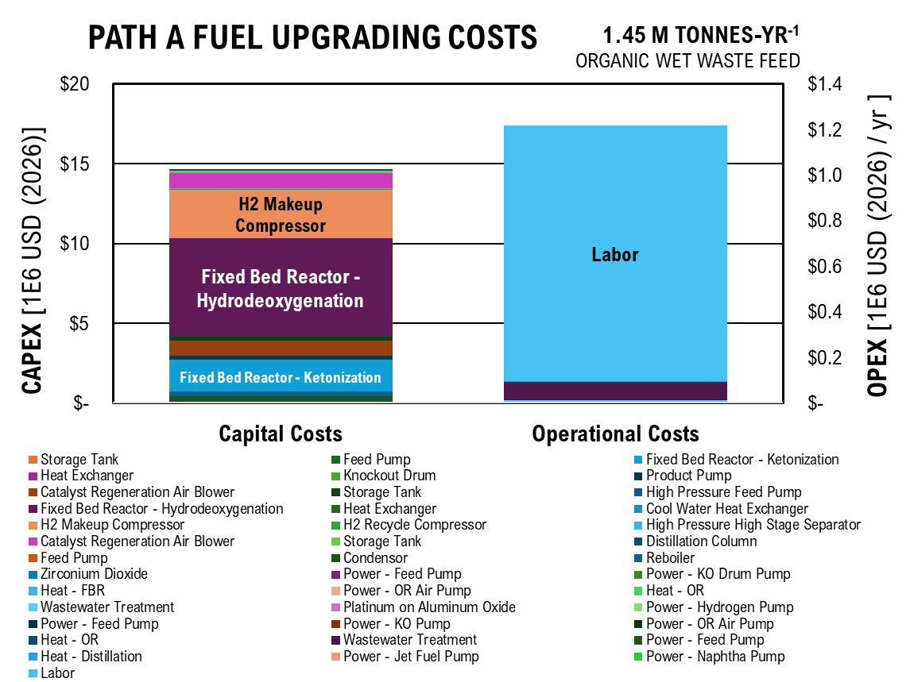
 | Capital Costs | Operational Costs
Storage Tank | $79,628.59
Feed Pump | $60,477.55
Fixed Bed Reactor - Ketonization | $633,985.87
Heat Exchanger | $1,491.12
Knockout Drum | $1,827.67
Product Pump | $60,477.55
Catalyst Regeneration Air Blower | $948,622.84
Storage Tank | $79,628.59
High Pressure Feed Pump | $435.15
Fixed Bed Reactor - Hydrodeoxygenation | $1,798,123.22
Heat Exchanger | $1,491.12
Cool Water Heat Exchanger | $4,273.19
H2 Makeup Compressor | $1,057,795.28
H2 Recycle Compressor | $23,914.47
High Pressure High Stage Separator | $2,577.54
Catalyst Regeneration Air Blower | $948,622.84
Storage Tank | $53,085.72
Distillation Column | $16,104.93
Feed Pump | $903.29
Condensor | $25,229.60
Reboiler | $20,898.31
Zirconium Dioxide |  | $0.01
Power - Feed Pump |  | $10.89
Power - KO Drum Pump |  | $1.09
Heat - FBR |  | $422.92
Power - OR Air Pump |  | $830.49
Heat - OR |  | $341.59
Wastewater Treatment |  | $1,416.14
Platinum on Aluminum Oxide |  | $0.49
Power - Hydrogen Pump |  | $0.00
Power - Feed Pump |  | $10.89
Power - KO Pump |  | $1.09
Power - OR Air Pump |  | $830.49
Heat - OR |  | $341.59
Wastewater Treatment |  | $13,321.49
Power - Feed Pump |  | $10.89
Heat - Distillation |  | $120.71
Power - Jet Fuel Pump |  | $9.80
Power - Naphtha Pump |  | $1.09
Labor |  | $1,125,000.00

Cell Imobilization & Alcohol Conversion

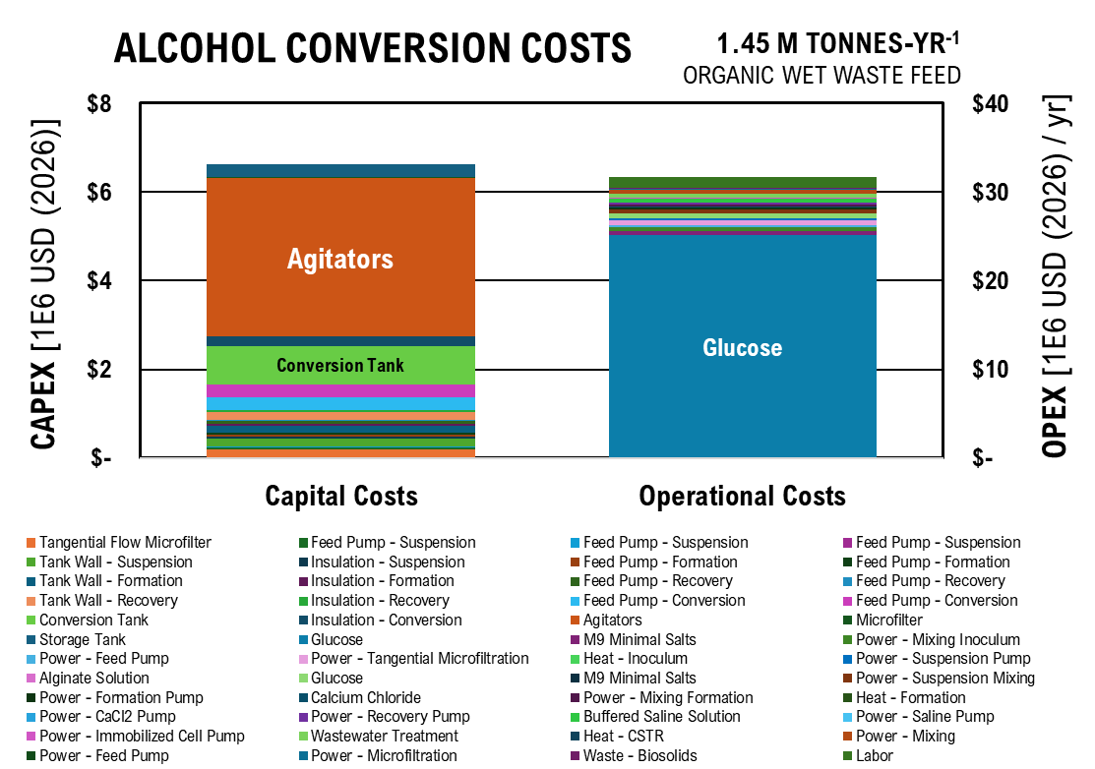
Alcohol Conversion Costs
 | Tangential Flow Microfilter | Feed Pump - Suspension | Feed Pump - Suspension | Feed Pump - Suspension | Tank Wall - Suspension | Insulation - Suspension | Feed Pump - Formation | Feed Pump - Formation | Tank Wall - Formation | Insulation - Formation | Feed Pump - Recovery | Feed Pump - Recovery
Capital Costs | 44075.813181 | 11025.208825 | 6332.3196204 | 3636.9625656 | 74757.96341 | 18557.122581 | 11201.262151 | 7081.4321735 | 75801.461966 | 18816.149576 | 11464.055062 | 6584.3705955
Operational Costs
 | Capital Costs | Operational Costs
Tangential Flow Microfilter | $44,075.81
Feed Pump - Suspension | $11,025.21
Feed Pump - Suspension | $6,332.32
Feed Pump - Suspension | $3,636.96
Tank Wall - Suspension | $74,757.96
Insulation - Suspension | $18,557.12
Feed Pump - Formation | $11,201.26
Feed Pump - Formation | $7,081.43
Tank Wall - Formation | $75,801.46
Insulation - Formation | $18,816.15
Feed Pump - Recovery | $11,464.06
Feed Pump - Recovery | $6,584.37
Tank Wall - Recovery | $77,870.25
Insulation - Recovery | $19,329.68
Feed Pump - Conversion | $69,564.36
Feed Pump - Conversion | $69,564.36
Conversion Tank | $374,677.37
Insulation - Conversion | $93,005.93
Agitators | $601,459.00
Microfilter | $5,909.77
Storage Tank | $82,752.75
Glucose |  | $4,213,858.69
M9 Minimal Salts |  | $77,767.56
Power - Mixing Inoculum |  | $68,330.04
Power - Feed Pump |  | $34,165.02
Power - Tangential Microfiltration |  | $102,495.06
Heat - Inoculum |  | $42.73
Power - Suspension Pump |  | $34,165.02
Alginate Solution |  | $4,644.79
Glucose |  | $84,277.17
M9 Minimal Salts |  | $1,555.35
Power - Suspension Mixing |  | $85,412.55
Power - Formation Pump |  | $34,165.02
Calcium Chloride |  | $9,829.02
Power - Mixing Formation |  | $34,165.02
Heat - Formation |  | $42.73
Power - CaCl2 Pump |  | $683.30
...
 | Capital Costs | Operational Costs
Power - Microfiltration |  | $6,131.54
Waste - Biosolids |  | $32,749.87
Labor |  | $1,190,000.00

Path B Separations

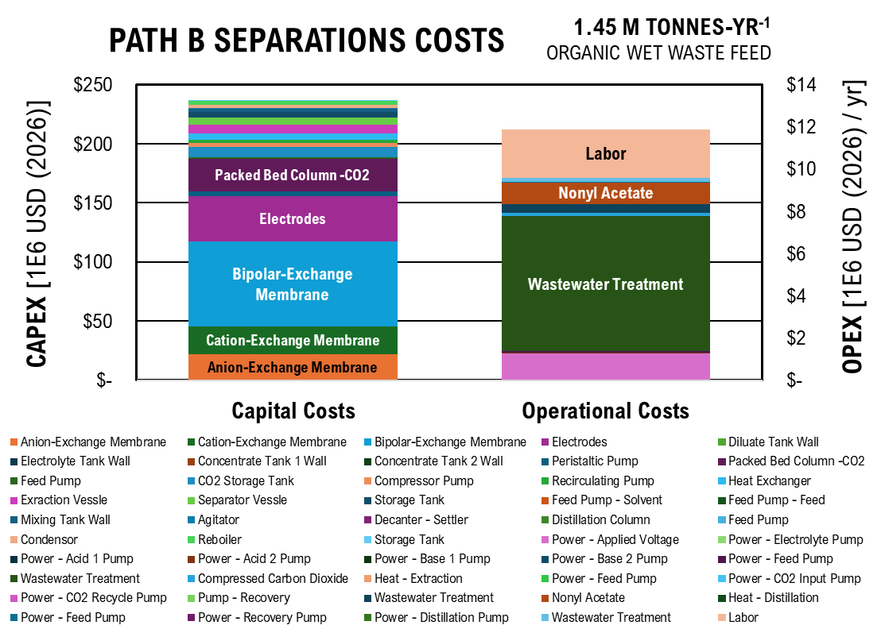
 | Capital Costs | Operational Costs
Anion-Exchange Membrane | $3,657,776.37
Cation-Exchange Membrane | $4,000,692.90
Path B Separations Costs
 | Anion-Exchange Membrane | Cation-Exchange Membrane | Bipolar-Exchange Membrane | Electrodes | Diluate Tank Wall | Electrolyte Tank Wall | Concentrate Tank 1 Wall | Concentrate Tank 2 Wall | Peristaltic Pump | Packed Bed Column -CO2 | Feed Pump | CO2 Storage Tank
Capital Costs | 3657776.3687 | 4000692.9032 | 12002078.71 | 6453123.8183 | 27341.450936 | 912.14140657 | 912.14140657 | 912.14140657 | 889439.80977 | 7881276.5093 | 436341.1208 | 2553062.4514
Operational Costs
Bipolar-Exchange Membrane | $12,002,078.71
Electrodes | $6,453,123.82
Diluate Tank Wall | $27,341.45
Electrolyte Tank Wall | $912.14
Concentrate Tank 1 Wall | $912.14
Concentrate Tank 2 Wall | $912.14
Peristaltic Pump | $889,439.81
Packed Bed Column -CO2 | $7,881,276.51
Feed Pump | $436,341.12
CO2 Storage Tank | $2,553,062.45
Compressor Pump | $720,962.32
Recirculating Pump | $606,347.47
Heat Exchanger | $1,305,740.71
Exraction Vessle | $1,791,645.51
Separator Vessle | $1,528,168.23
Storage Tank | $1,344,322.39
Feed Pump - Solvent | $20,927.67
Feed Pump - Feed | $2,868.55
Mixing Tank Wall | $750,935.74
Agitator | $110,747.70
Decanter - Settler | $3,569.68
Distillation Column | $92,823.66
Feed Pump | $905.10
Condensor | $1,101,762.37
Reboiler | $1,290,635.92
Storage Tank | $50,833.37
Power - Applied Voltage |  | $212,310.06
Power - Electrolyte Pump |  | $781.74
Power - Acid 1 Pump |  | $781.74
Power - Acid 2 Pump |  | $781.74
Power - Base 1 Pump |  | $781.74
Power - Base 2 Pump |  | $781.74
Power - Feed Pump |  | $6,683.77
Wastewater Treatment |  | $1,070,398.18
Compressed Carbon Dioxide |  | $26,634.77
Heat - Extraction |  | $120.71
...
 | Capital Costs | Operational Costs
Power - Distillation Pump |  | $14.78
Wastewater Treatment |  | $35,673.81
Labor |  | $2,280,000.00

Ester Production

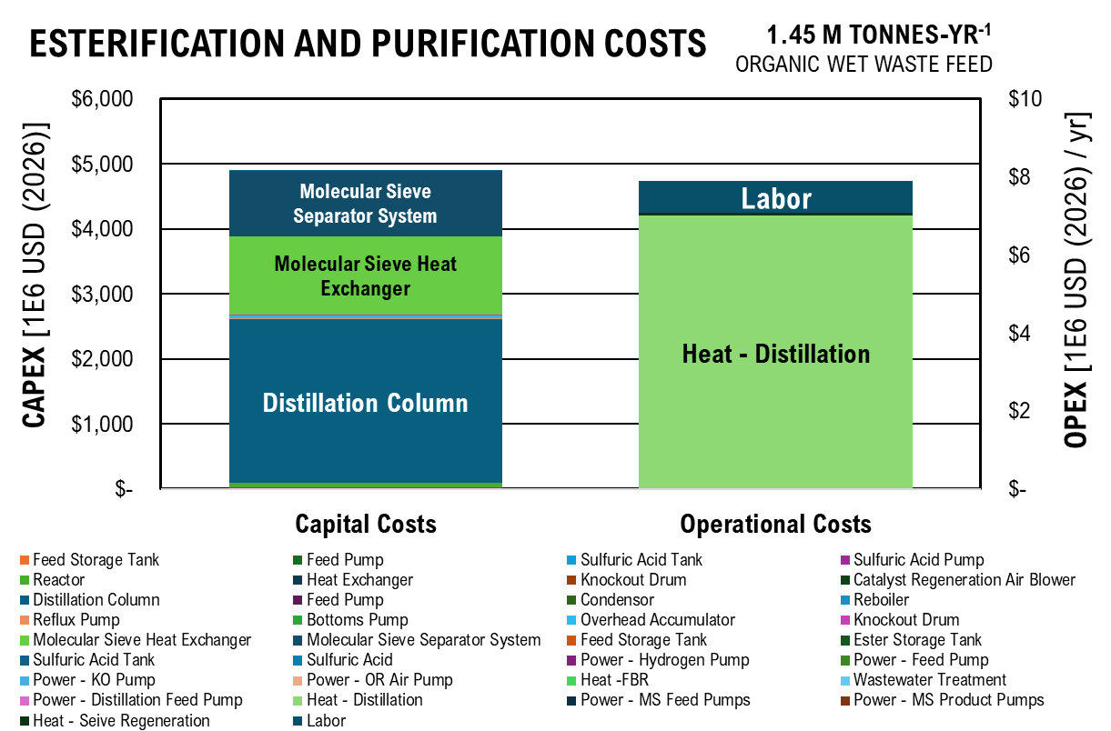
Esterification and Purification Costs
 | Feed Storage Tank | Feed Pump | Sulfuric Acid Tank | Sulfuric Acid Pump | Reactor | Heat Exchanger | Knockout Drum | Catalyst Regeneration Air Blower | Distillation Column | Feed Pump | Condensor | Reboiler
Capital Costs | 79628.587426 | 60477.548283 | 233732.09503 | 6071138.5338 | 16167488.237 | 0 | 1827.6662969 | 948622.83802 | 842504184.04 | 33987.799777 | 3295033.3427 | 2375322.4179
Operational Costs
 | Capital Costs | Operational Costs
Feed Storage Tank | $79,628.59
Feed Pump | $60,477.55
Sulfuric Acid Tank | $233,732.10
Sulfuric Acid Pump | $6,071,138.53
Reactor | $16,167,488.24
Heat Exchanger | $-
Knockout Drum | $1,827.67
Catalyst Regeneration Air Blower | $948,622.84
Distillation Column | $842,504,184.04
Feed Pump | $33,987.80
Condensor | $3,295,033.34
Reboiler | $2,375,322.42
Reflux Pump | $1,291,644.41
Bottoms Pump | $3,358,696.96
Overhead Accumulator | $14,520,308.08
Knockout Drum | $5,172,240.33
Molecular Sieve Heat Exchanger | $404,189,719.15
Molecular Sieve Separator System | $367,568,202.05
Feed Storage Tank | $265,428.62
Ester Storage Tank | $265,428.62
Sulfuric Acid Tank | $779,106.98
Sulfuric Acid |  | $5.04
Power - Hydrogen Pump |  | $9.80
Power - Feed Pump |  | $0.98
Power - KO Pump |  | $380.63
Power - OR Air Pump |  | $747.44
Heat -FBR |  | $307.43
Wastewater Treatment |  | $1,274.53
Power - Distillation Feed Pump |  | $108.91
Heat - Distillation |  | $1,207,140.43
Power - MS Feed Pumps |  | $1,089.15
Power - MS Product Pumps |  | $1,089.15
Heat - Seive Regeneration |  | $12,071.40
Labor |  | $800,000.00

A_DCFROR
...
 |  |  |  |  | $7,794,908.23 | $7,086,280.21 | $6,442,072.91 | $5,856,429.92 | $5,324,027.20 | $4,840,024.73 | $4,400,022.48 | $4,000,020.44
...
 |  |  |  |  | $1,361,264.37 | $1,237,513.07 | $1,125,011.88 | $1,022,738.07 | $929,761.88 | $845,238.07 | $768,398.25 | $698,543.86

 |  |  |  |  | $57,096.76 | $51,906.15 | $47,187.41 | $42,897.64 | $38,997.86 | $35,452.60 | $32,229.63 | $29,299.67
 |  |  |  |  | $1,251,592.58 | $1,137,811.44 | $1,034,374.03 | $940,340.03 | $854,854.57 | $777,140.52 | $706,491.38 | $642,264.89
...
PATH A DISCOUNTED CASH FLOW RATE OF RETURN
 | Capital Investment | Tax | Depreciation | Loan Payment | Operational Expenses | Revenue | Net Present Value
-2 | $74 |  |  | $(2)
-1 | $78 |  |  | $(11)
0 | $82 |  | -55.483230954 | $(19)
1 |  | 0 | -95.086376911 | $(19) | -52.348474272 | -40.126218152 | -329.53513736
2 |  | 0 | -67.907747333 | $(17) | -69.797965695 | -39.073690788 | -368.60882814
3 |  | 0 | -48.494440491 | $(16) | -69.797965695 | -35.52153708 | -404.13036522
4 |  | 0 | -34.672166019 | $(14) | -69.797965695 | -32.292306436 | -436.42267166
5 |  | 0 | -34.633339406 | $(13) | -69.797965695 | -29.356642215 | -465.77931387
6 |  | 0 | -34.672166019 | $(11) | -69.797965695 | -26.687856559 | -492.46717043
7 |  | 0 | -17.316669703 | $(9) | -69.797965695 | -24.261687781 | -516.72885821
8 |  | 0 | 0 | $(7) | -69.797965695 | -22.056079801 | -538.78493802
9 |  | 0 | 0 | $(5) | -69.797965695 | -20.050981637 | -558.83591965
10 |  | 0 | 0 | $(3) | -69.797965695 | -18.228165125 | -577.06408478
11 |  | 0 | 0 | $(0) | -69.797965695 | -4.4026602613 | -581.46674504
12 |  | 0 | 0 | $(0) | -69.797965695 | -4.0024184193 | -585.46916346
13 |  | 0 | 0 | $(0) | -69.797965695 | -3.6385621994 | -589.10772566
14 |  | 0 | 0 | $(0) | -69.797965695 | -3.3077838176 | -592.41550947
15 |  | 0 | 0 | $(0) | -69.797965695 | -3.0070761978 | -595.42258567
16 |  | 0 | 0 | $(0) | -69.797965695 | -2.7337056344 | -598.15629131
17 |  | 0 | 0 | $(0) | -69.797965695 | -2.4851869404 | -600.64147825
18 |  | 0 | 0 | $(0) | -69.797965695 | -2.2592608549 | -602.9007391
19 |  | 0 | 0 | $(0) | -69.797965695 | -2.0538735044 | -604.95461261
20 |  | 0 | 0 | $(0) | -69.797965695 | -1.8671577313 | -606.82177034
21 |  | 0 | 0 | $(0) | -69.797965695 | -1.6974161194 | -608.51918646
22 |  | 0 | 0 | $(0) | -69.797965695 | -1.5431055631 | -610.06229202
23 |  | 0 | 0 | $(0) | -69.797965695 | -1.4028232391 | -611.46511526
24 |  | 0 | 0 | $(0) | -69.797965695 | -1.2752938538 | -612.74040911
25 |  | 0 | 0 | $(0) | -69.797965695 | -1.1593580489 | -613.89976716
26 |  | 0 | 0 | $(0) | -69.797965695 | -1.0539618626 | -614.95372902
27 |  | 0 | 0 | $(0) | -69.797965695 | -0.95814714784 | -615.91187617
28 |  | 0 | 0 | $(0) | -69.797965695 | -0.87104286167 | -616.78291903
29 |  | 0 | 0 | $(0) | -69.797965695 | -0.79185714697 | -617.57477618
30 |  | 0 | 0 | $(0) | -69.797965695 | -0.71987013361 | -618.29464631
...
 |  |  |  |  | 25 | 26 | 27 | 28 | 29 | 30
...
 |  |  |  |  | 0 | 0 | 0 | 0 | 0 | 0
 |  |  |  |  | $- | $- | $- | $- | $- | $-
 |  |  |  |  | $(0) | $(0) | $(0) | $(0) | $(0) | $(0)
 |  |  |  |  | $(69.80) | $(69.80) | $(69.80) | $(69.80) | $(69.80) | $(69.80)
 |  |  |  |  | $(1) | $(1) | $(1) | $(1) | $(1) | $(1)
 |  |  |  |  | $(614) | $(615) | $(616) | $(617) | $(618) | $(618)
...
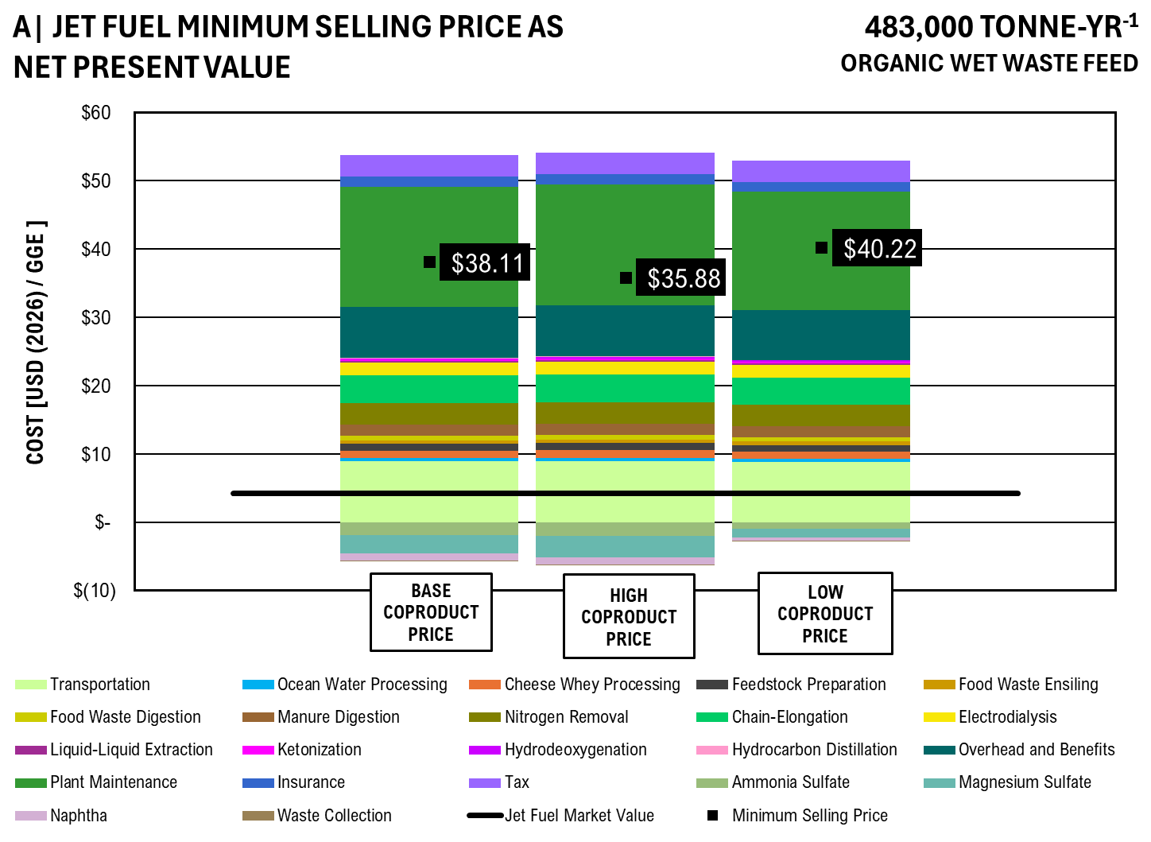
...
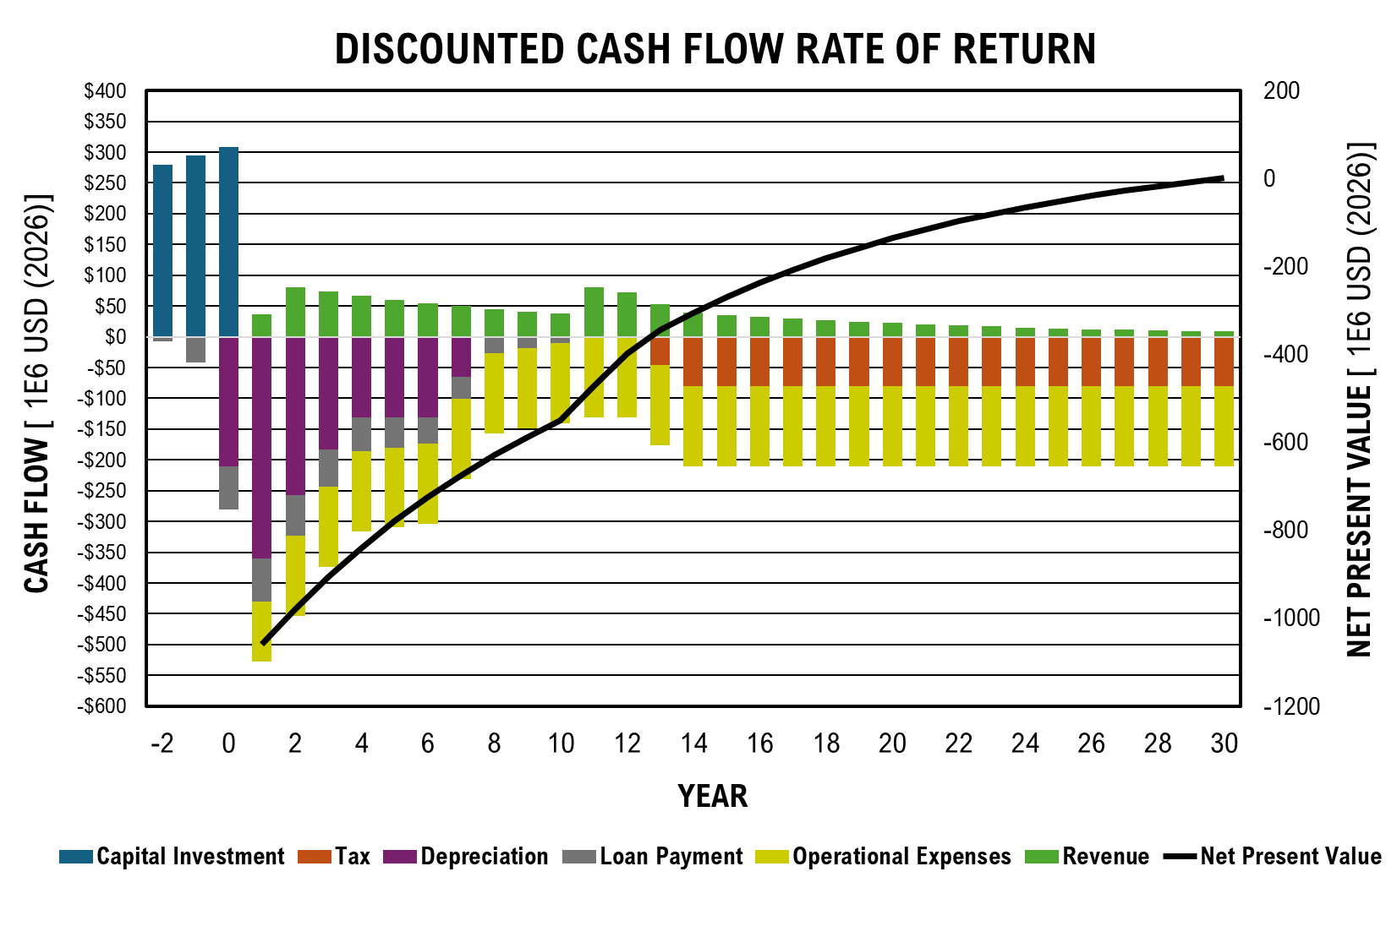
...
Pilot Scale Flow Rate - 50,000 kg/hr
Waste Collection | per kg | $0.03 | $0.05 | $0.01

Commercial Scale Flow Rate - 150,000 kg/hr
 |  | Base | High | Low
>90% Ammonia Sulfate | per kg | $0.45 | $1.20 | $0.38
>90% Magnesium Sulfate | per kg | $1.80 | $2.00 | $1.50
MSP Jet Fuel - 50k kg/hr | per kg | $8.86 | $8.04 | $9.63
Naphtha | per kg | $0.65 | $0.85 | $0.45
Waste Collection | per kg | $0.03 | $0.05 | $0.01

 | Transportation | Ocean Water Processing | Cheese Whey Processing | Feedstock Preparation | Food Waste Ensiling | Food Waste Digestion | Manure Digestion | Nitrogen Removal | Chain-Elongation | Electrodialysis | Liquid-Liquid Extraction | Ketonization
 | $-
Base Co-product Price | $4.29 | $0.26 | $0.80 | $1.02 | $0.21 | $0.33 | $1.44 | $2.29 | $3.93 | $1.86 | $0.14 | $0.09
High Co-product Price | $4.31 | $0.27 | $0.81 | $1.02 | $0.21 | $0.33 | $1.45 | $2.30 | $3.95 | $1.87 | $0.14 | $0.09
Low Co-product Price | $4.20 | $0.26 | $0.79 | $1.00 | $0.20 | $0.32 | $1.41 | $2.24 | $3.84 | $1.82 | $0.13 | $0.09
 | Price
Transportation | $2.24
Ocean Water Processing | $0.11
Cheese Whey Processing | $0.21
Feedstock Preparation | $0.15
Food Waste Ensiling | $0.14
Food Waste Digestion | $0.16
Manure Digestion | $0.30
Nitrogen Removal | $0.57
Chain-Elongation | $0.64
Electrodialysis | $0.30
Liquid-Liquid Extraction | $0.06
Ketonization | $0.05
Hydrodeoxygenation | $0.05
Hydrocarbon Distillation | $0.03
Overhead and Benefits | $2.00
Plant Maintenance | $1.08
Insurance | $0.25
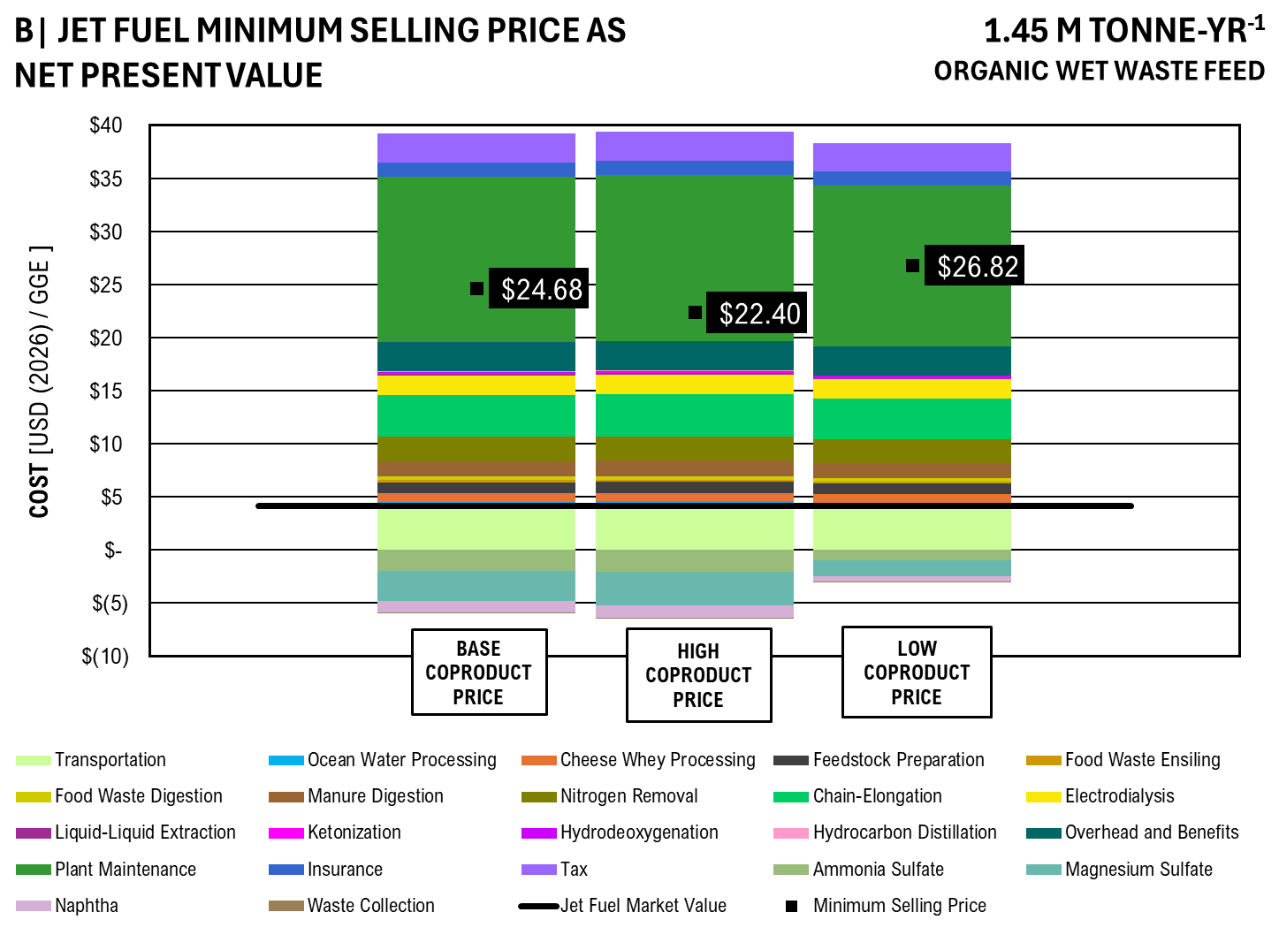
Tax | $-
Ammonia Sulfate | $(0.29)
Magnesium Sulfate | $(0.48)
Naphtha | $(0.21)
Waste Collection | $(0.01)
Minimum Selling Price | $7.33
Jet Fuel Market Value | $1.50
PC Jet Fuel Low | $0.80

GRAPH VALUES
 |  | Base Co-product Price | High Co-product Price | Low Co-product Price
Transportation | GGE | $4.29 | $4.31 | $4.20
Ocean Water Processing |  | $0.26 | $0.27 | $0.26
Cheese Whey Processing |  | $0.80 | $0.81 | $0.79
Feedstock Preparation |  | $1.02 | $1.02 | $1.00
Food Waste Ensiling |  | $0.21 | $0.21 | $0.20
Food Waste Digestion |  | $0.33 | $0.33 | $0.32
Manure Digestion |  | $1.44 | $1.45 | $1.41
Nitrogen Removal |  | $2.29 | $2.30 | $2.24
Chain-Elongation |  | $3.93 | $3.95 | $3.84
Electrodialysis |  | $1.86 | $1.87 | $1.82
Liquid-Liquid Extraction |  | $0.14 | $0.14 | $0.13
Ketonization |  | $0.09 | $0.09 | $0.09
Hydrodeoxygenation |  | $0.12 | $0.12 | $0.12
Hydrocarbon Distillation |  | $0.04 | $0.04 | $0.04
Overhead and Benefits |  | $2.78 | $2.79 | $2.72
...

B_DCFROR
...
 |  |  |  |  | $2,784,481.21 | $2,531,346.55 | $2,301,224.14 | $2,092,021.94 | $1,901,838.13 | $1,728,943.75 | $1,571,767.05 | $1,428,879.14

 |  |  |  |  | $18,080.64 | $16,436.95 | $14,942.68 | $13,584.25 | $12,349.32 | $11,226.66 | $10,206.05 | $9,278.23
 |  |  |  |  | $250,318.52 | $227,562.29 | $206,874.81 | $188,068.01 | $170,970.91 | $155,428.10 | $141,298.28 | $128,452.98
...
PATH B DISCOUNTED CASH FLOW RATE OF RETURN
 | Capital Investment | Tax | Depreciation | Loan Payment | Operational Expenses | Revenue | Net Present Value
-2 | $397 |  |  | $(10)
-1 | $418 |  |  | $(60)
0 | $439 |  | -298.92140266 | $(100)
1 |  | 0 | -512.2872744 | $(100) | -105.8993947 | 13.139566022 | -1546.0796536
2 |  | 0 | -365.85971537 | $(93) | -141.19919294 | 67.454548947 | -1478.6251047
3 |  | 0 | -261.26860177 | $(86) | -141.19919294 | 61.322317224 | -1417.3027875
4 |  | 0 | -186.79972889 | $(78) | -141.19919294 | 55.747561113 | -1361.5552264
5 |  | 0 | -186.59054666 | $(69) | -141.19919294 | 50.679601012 | -1310.8756253
6 |  | 0 | -186.79972889 | $(60) | -141.19919294 | 46.072364556 | -1264.8032608
7 |  | 0 | -93.29527333 | $(50) | -141.19919294 | 41.883967778 | -1222.919293
8 |  | 0 | 0 | $(39) | -141.19919294 | 38.076334344 | -1184.8429587
9 |  | 0 | 0 | $(27) | -141.19919294 | 34.614849404 | -1150.2281093
10 |  | 0 | 0 | $(14) | -141.19919294 | 31.468044912 | -1118.7600643
11 |  | 0 | 0 | $0 | -141.19919294 | 94.165768204 | -1024.5942961
12 |  | 0 | 0 | $0 | -141.19919294 | 85.605243822 | -938.98905232
13 |  | 0 | 0 | $0 | -141.19919294 | 77.822948929 | -861.16610339
14 |  | 0 | 0 | $0 | -141.19919294 | 70.74813539 | -790.417968
15 |  | -0.18932225347 | 0 | $0 | -141.19919294 | 64.271164476 | -726.14680352
16 |  | -94.033074243 | 0 | $0 | -141.19919294 | 38.005196697 | -688.14160683
17 |  | -94.033074243 | 0 | $0 | -141.19919294 | 34.550178816 | -653.59142801
18 |  | -94.033074243 | 0 | $0 | -141.19919294 | 31.409253469 | -622.18217454
19 |  | -94.033074243 | 0 | $0 | -141.19919294 | 28.55386679 | -593.62830775
20 |  | -94.033074243 | 0 | $0 | -141.19919294 | 25.958060718 | -567.67024703
21 |  | -94.033074243 | 0 | $0 | -141.19919294 | 23.598237016 | -544.07201002
22 |  | -94.033074243 | 0 | $0 | -141.19919294 | 21.452942742 | -522.61906728
23 |  | -94.033074243 | 0 | $0 | -141.19919294 | 19.50267522 | -503.11639205
24 |  | -94.033074243 | 0 | $0 | -141.19919294 | 17.729704746 | -485.38668731
25 |  | -94.033074243 | 0 | $0 | -141.19919294 | 16.117913405 | -469.2687739
26 |  | -94.033074243 | 0 | $0 | -141.19919294 | 14.65264855 | -454.61612535
27 |  | -94.033074243 | 0 | $0 | -141.19919294 | 13.320589591 | -441.29553576
28 |  | -94.033074243 | 0 | $0 | -141.19919294 | 12.109626901 | -429.18590886
29 |  | -94.033074243 | 0 | $0 | -141.19919294 | 11.008751728 | -418.17715713
30 |  | -94.033074243 | 0 | $0 | -141.19919294 | 10.007956116 | -408.16920102
...
 |  |  |  |  | 25 | 26 | 27 | 28 | 29 | 30
...
 |  |  |  |  | -94.033074243 | -94.033074243 | -94.033074243 | -94.033074243 | -94.033074243 | -94.033074243
 |  |  |  |  | $- | $- | $- | $- | $- | $-
 |  |  |  |  | $0 | $0 | $0 | $0 | $0 | $0
 |  |  |  |  | $(141.20) | $(141.20) | $(141.20) | $(141.20) | $(141.20) | $(141.20)
 |  |  |  |  | $16 | $15 | $13 | $12 | $11 | $10
 |  |  |  |  | $(469) | $(455) | $(441) | $(429) | $(418) | $(408)
...
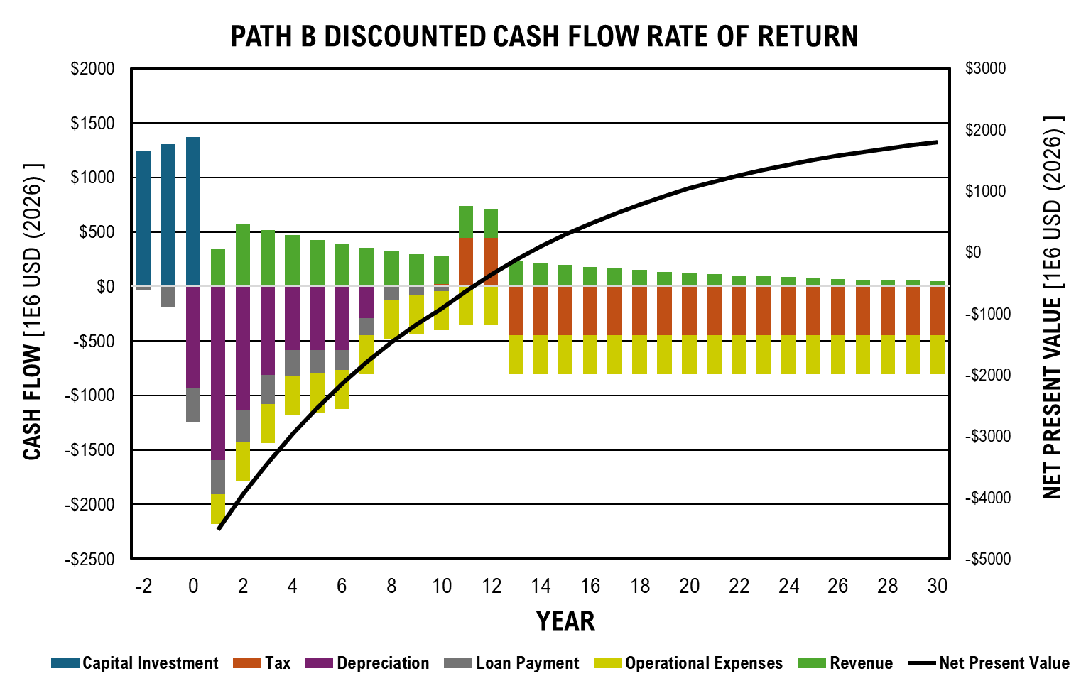
...
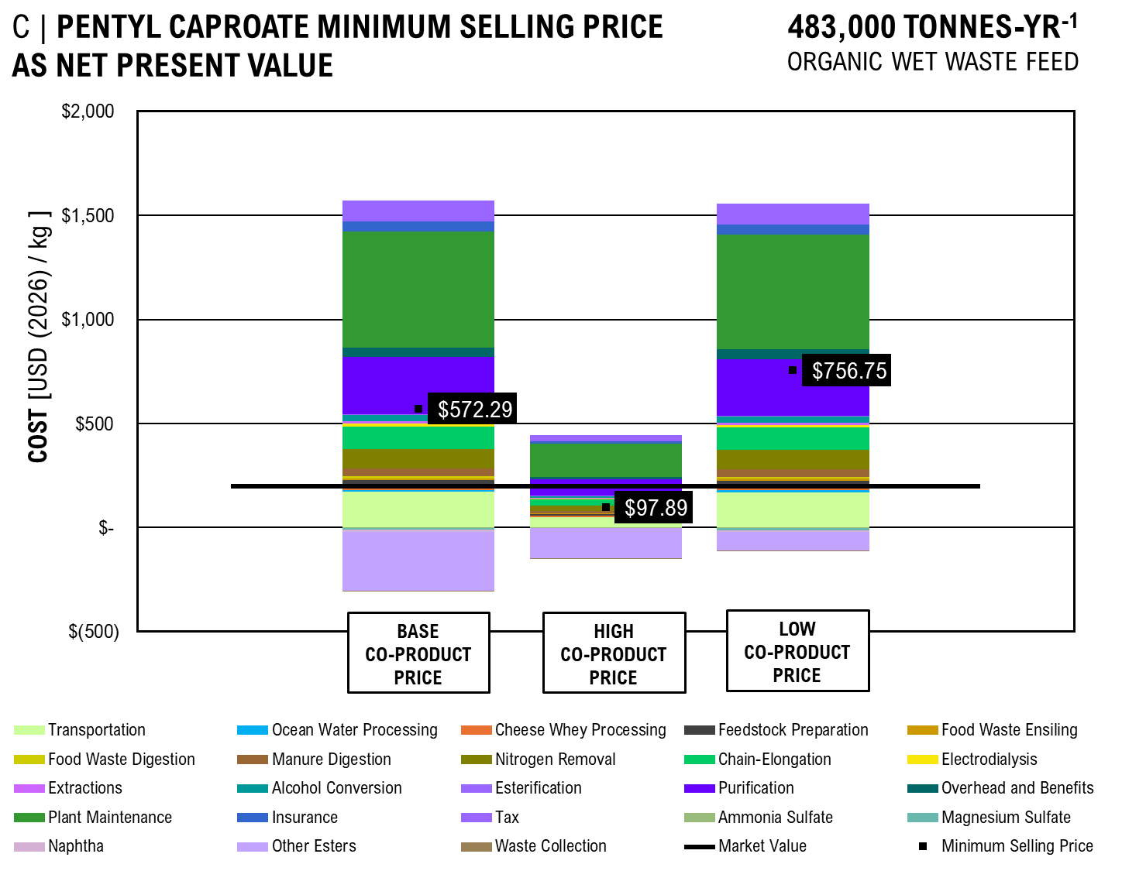
 |  | Base (50 kg) | High (1 kg) | Low (1 MT)
per kg |  | $0.45 | $1.20 | $0.38
per kg |  | $1.80 | $2.00 | $1.50
per kg |  | $572.29 | $97.89 | $756.75
per kg |  | $60.00 | $180.00 | $15.00
per kg |  | $0.03 | $0.05 | $0.01
...
 | Transportation | Ocean Water Processing | Cheese Whey Processing | Feedstock Preparation | Food Waste Ensiling | Food Waste Digestion | Manure Digestion | Nitrogen Removal | Chain-Elongation | Electrodialysis | Extractions | Alcohol Conversion
Base Coproduct Price | $171.73 | $8.93 | $16.62 | $31.69 | $7.99 | $10.67 | $35.81 | $92.52 | $109.60 | $13.95 | $9.95 | $29.77
High Coproduct Price | $48.41 | $2.52 | $4.68 | $8.93 | $2.25 | $3.01 | $10.09 | $26.08 | $30.89 | $3.93 | $2.80 | $8.39
Low Coproduct Price | $169.87 | $8.83 | $16.44 | $31.34 | $7.90 | $10.55 | $35.42 | $91.52 | $108.42 | $13.80 | $9.84 | $29.45
 |  | Base (50 kg) | High (1 kg) | Low (1 MT)
per kg |  | $0.45 | $1.20 | $0.38
per kg |  | $1.80 | $2.00 | $1.50
per kg |  | $391.15 | $(206.37) | $623.67
per kg |  | $60.00 | $180.00 | $15.00
per kg |  | $0.03 | $0.05 | $0.01

Price
$204.96
$9.73
$15.04
$26.02
$9.87
$11.82
$30.74
$92.95
$93.25
$11.84
$9.80
$23.38
$4.78
$264.99
$66.52
$193.22
$45.08
$57.32
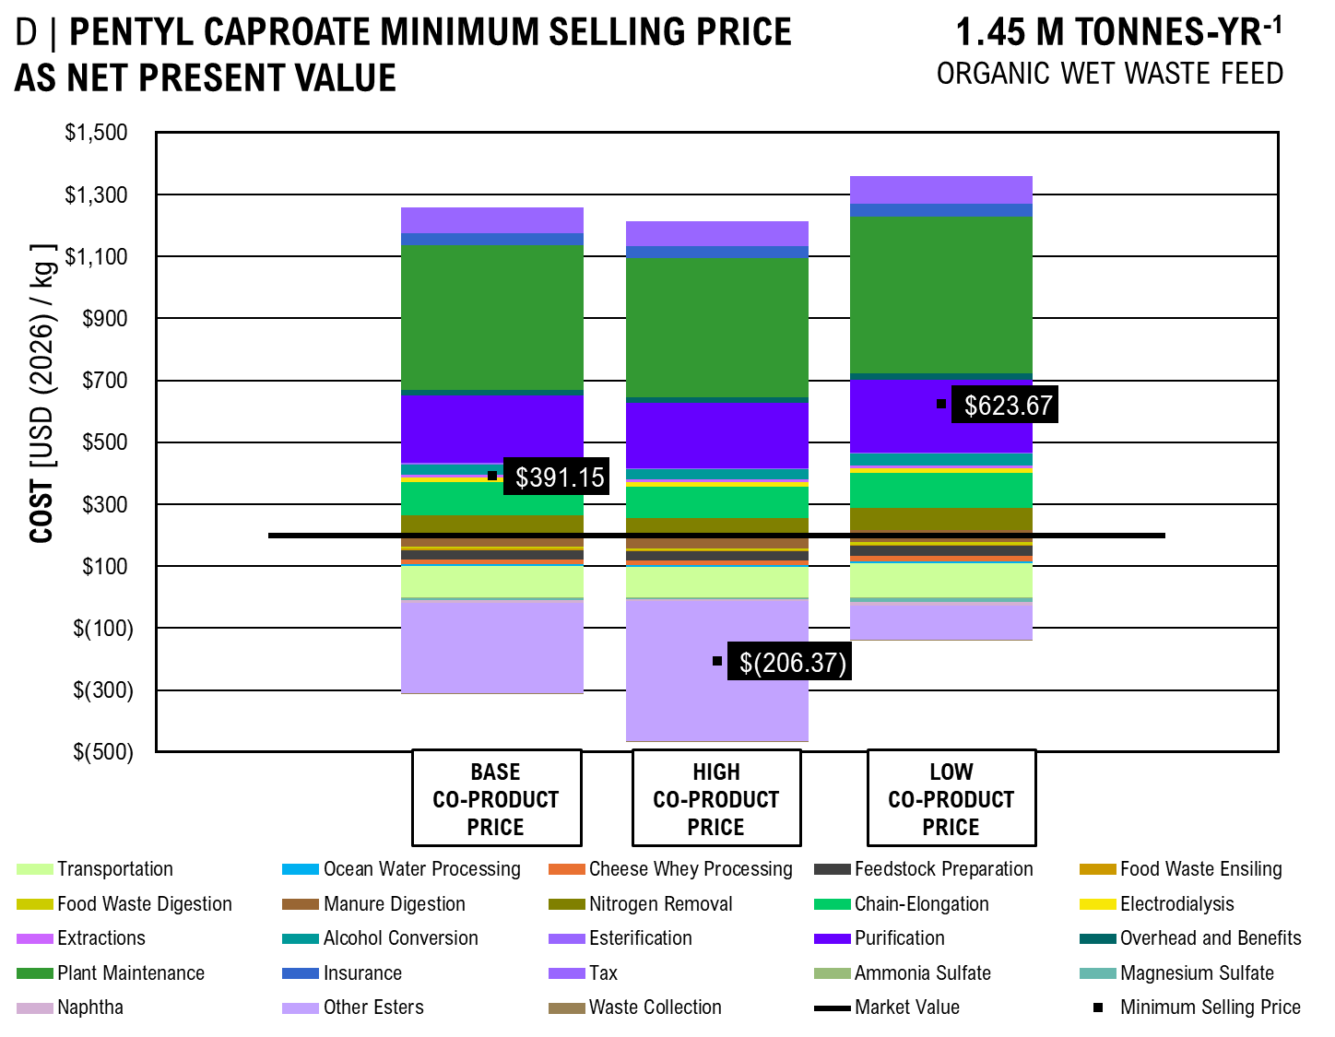
$(1.58)
$(7.49)
$(6.24)
$(62.39)
$(0.04)
$756.75
$198.00
...
 | Base Coproduct Price | High Coproduct Price | Low Coproduct Price
 | $171.73 | $48.41 | $169.87
 | $8.93 | $2.52 | $8.83
 | $16.62 | $4.68 | $16.44
 | $31.69 | $8.93 | $31.34
 | $7.99 | $2.25 | $7.90
 | $10.67 | $3.01 | $10.55
...

AB_DCFROR
...
 |  |  |  |  |  |  |  |  | $23,563,773.98 | $21,421,612.71 | $19,474,193.37 | $17,703,812.15 | $16,094,374.68 | $14,631,249.71 | $13,301,136.10 | $12,091,941.91
...
 |  |  |  |  |  |  |  |  | $32,873,768.51 | $29,885,244.10 | $27,168,403.73 | $24,698,548.84 | $22,453,226.22 | $20,412,023.84 | $18,556,385.31 | $16,869,441.19

 |  |  |  |  |  |  |  |  | $42,822.57 | $38,929.61 | $35,390.56 | $32,173.23 | $29,248.39 | $26,589.45 | $24,172.23 | $21,974.75
 |  |  |  |  |  |  |  |  | $(1,501,911.10) | $(1,365,373.72) | $(1,241,248.84) | $(1,128,408.04) | $(1,025,825.49) | $(932,568.62) | $(847,789.66) | $(770,717.87)
...
PATH AB DISCOUNTED CASH FLOW RATE OF RETURN
 | Capital Investment | Tax | Depreciation | Loan Payment | OPEX | Revenue | Net Present Value
-2 | $471 |  |  | $(12)
-1 | $496 |  |  | $(71)
0 | $521 |  | -354.40463362 | $(119)
1 |  | 0 | -607.37365132 | $(119) | -158.24786898 | -141.41184064 | -1990.0399795
2 |  | 0 | -433.7674627 | $(111) | -210.99715863 | -110.31634003 | -2100.3563195
3 |  | 0 | -309.76304226 | $(102) | -210.99715863 | -100.28758185 | -2200.6439014
4 |  | 0 | -221.47189491 | $(92) | -210.99715863 | -91.170528953 | -2291.8144303
5 |  | 0 | -221.22388607 | $(82) | -210.99715863 | -82.882299048 | -2374.6967294
6 |  | 0 | -221.47189491 | $(71) | -210.99715863 | -75.347544589 | -2450.044274
7 |  | 0 | -110.61194303 | $(59) | -210.99715863 | -68.497767808 | -2518.5420418
8 |  | 0 | 0 | $(46) | -210.99715863 | -62.270698007 | -2580.8127398
9 |  | 0 | 0 | $(32) | -210.99715863 | -56.609725461 | -2637.4224652
10 |  | 0 | 0 | $(16) | -210.99715863 | -51.463386783 | -2688.885852
11 |  | 0 | 0 | $(0) | -210.99715863 | 30.941956515 | -2657.9438955
12 |  | 0 | 0 | $(0) | -210.99715863 | 28.129051377 | -2629.8148441
13 |  | 0 | 0 | $(0) | -210.99715863 | 25.571864888 | -2604.2429792
14 |  | 0 | 0 | $(0) | -210.99715863 | 23.247149899 | -2580.9958294
15 |  | 0 | 0 | $(0) | -210.99715863 | 21.133772635 | -2559.8620567
16 |  | 0 | 0 | $(0) | -210.99715863 | 19.212520577 | -2540.6495361
17 |  | 0 | 0 | $(0) | -210.99715863 | 17.465927798 | -2523.1836083
18 |  | 0 | 0 | $(0) | -210.99715863 | 15.87811618 | -2507.3054922
19 |  | 0 | 0 | $(0) | -210.99715863 | 14.434651072 | -2492.8708411
20 |  | 0 | 0 | $(0) | -210.99715863 | 13.122410066 | -2479.748431
21 |  | 0 | 0 | $(0) | -210.99715863 | 11.929463696 | -2467.8189673
22 |  | 0 | 0 | $(0) | -210.99715863 | 10.844966997 | -2456.9740003
23 |  | 0 | 0 | $(0) | -210.99715863 | 9.8590609059 | -2447.1149394
24 |  | 0 | 0 | $(0) | -210.99715863 | 8.9627826418 | -2438.1521568
25 |  | 0 | 0 | $(0) | -210.99715863 | 8.1479842198 | -2430.0041726
26 |  | 0 | 0 | $(0) | -210.99715863 | 7.4072583816 | -2422.5969142
27 |  | 0 | 0 | $(0) | -210.99715863 | 6.733871256 | -2415.8630429
28 |  | 0 | 0 | $(0) | -210.99715863 | 6.1217011418 | -2409.7413418
29 |  | 0 | 0 | $(0) | -210.99715863 | 5.5651828562 | -2404.1761589
30 |  | 0 | 0 | $(0) | -210.99715863 | 5.059257142 | -2399.1169018
...
 |  |  |  |  |  |  |  |  | 25 | 26 | 27 | 28 | 29 | 30
...
 |  |  |  |  |  |  |  |  | 0 | 0 | 0 | 0 | 0 | 0
 |  |  |  |  |  |  |  |  | $- | $- | $- | $- | $- | $-
 |  |  |  |  |  |  |  |  | $(0) | $(0) | $(0) | $(0) | $(0) | $(0)
 |  |  |  |  |  |  |  |  | $(211.00) | $(211.00) | $(211.00) | $(211.00) | $(211.00) | $(211.00)
 |  |  |  |  |  |  |  |  | $8 | $7 | $7 | $6 | $6 | $5
 |  |  |  |  |  |  |  |  | $(2,430) | $(2,423) | $(2,416) | $(2,410) | $(2,404) | $(2,399)
...
Commercial Scale - 150,000 kg/hr (75,000 input value)
Pentyl Caproate | per kg |  | 180 | 200 | 160
Other Esters | per kg |  | 145 | 175 | 115
Waste Collection | per kg |  | 0.03 | 0.05 | 0.01

 | Price
Transportation | $0.21
Ocean Water Processing | $0.01
Cheese Whey Processing | $0.02
 | Transportation | Ocean Water Processing | Cheese Whey Processing | Feedstock Preparation | Food Waste Ensiling | Food Waste Digestion | Manure Digestion | Nitrogen Removal | Chain-Elongation | Electrodialysis A | Liquid-Liquid Extraction A | Ketonization
 |  | $-
Base Coproduct Price | $0.26 | $0.01 | $0.02 | $0.02 | $0.02 | $0.02 | $0.03 | $0.07 | $0.07 | $0.02 | $0.00 | $0.00
High Coproduct Price | $0.22 | $0.01 | $0.02 | $0.02 | $0.01 | $0.02 | $0.03 | $0.05 | $0.06 | $0.01 | $0.00 | $0.00
Low Coproduct Price | $0.29 | $0.01 | $0.03 | $0.03 | $0.02 | $0.02 | $0.04 | $0.07 | $0.08 | $0.02 | $0.00 | $0.00
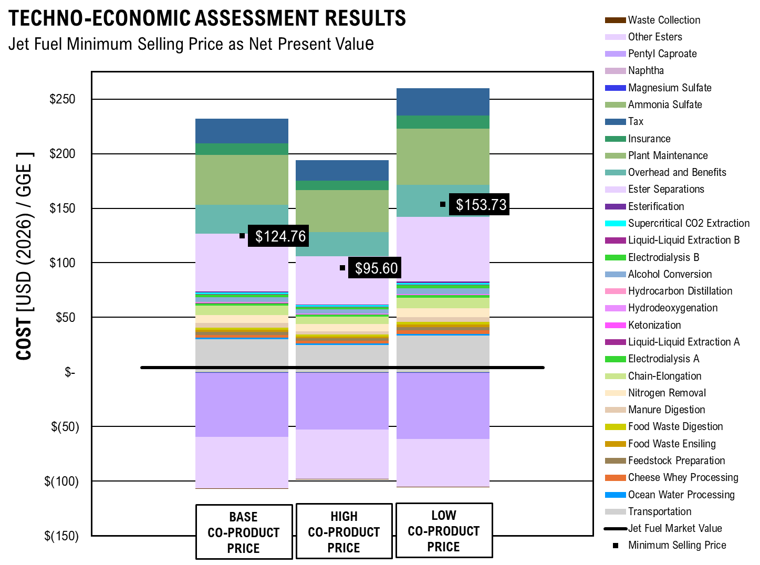
Feedstock Preparation | $0.01
 | Transportation | Ocean Water Processing | Cheese Whey Processing | Feedstock Preparation | Food Waste Ensiling | Food Waste Digestion | Manure Digestion | Nitrogen Removal | Chain-Elongation | Electrodialysis A | Liquid-Liquid Extraction A | Ketonization
 |  | $-
Base Coproduct Price | $0.26 | $0.01 | $0.02 | $0.02 | $0.02 | $0.02 | $0.03 | $0.07 | $0.07 | $0.02 | $0.00 | $0.00
High Coproduct Price | $0.22 | $0.01 | $0.02 | $0.02 | $0.01 | $0.02 | $0.03 | $0.05 | $0.06 | $0.01 | $0.00 | $0.00
Low Coproduct Price | $0.29 | $0.01 | $0.03 | $0.03 | $0.02 | $0.02 | $0.04 | $0.07 | $0.08 | $0.02 | $0.00 | $0.00
Food Waste Ensiling | $0.01
Food Waste Digestion | $0.02
Manure Digestion | $0.03
Nitrogen Removal | $0.05
Chain-Elongation | $0.06
Electrodialysis | $0.01
Liquid-Liquid Extraction | $0.00
Ketonization | $0.00
Hydrodeoxygenation | $0.00
Hydrocarbon Distillation | $0.00
Alcohol Conversion | $0.03
Electrodialysis | $0.02
Supercritical CO2 Extraction | $0.01
Liquid-Liquid Extraction | $0.00
Esterification | $0.01
Ester Separations | $0.38
Overhead and Benefits | $0.19
Plant Maintenance | $0.33
Insurance | $0.08
Tax | $-
Ammonia Sulfate | $(0.00)
Magnesium Sulfate | $(0.00)
Naphtha | $(0.00)
Pentyl Caproate | $(0.38)
Other Esters | $(0.31)
Waste Collection | $0.00
MSP Jet Fuel | $0.80

GRAPH VALUES
 |  | Base Coproduct Price | High Coproduct Price | Low Coproduct Price
Transportation |  | $0.26 | $0.22 | $0.29
Ocean Water Processing | kg | $0.01 | $0.01 | $0.01
Cheese Whey Processing |  | $0.02 | $0.02 | $0.03
Feedstock Preparation |  | $0.02 | $0.01 | $0.02
Food Waste Ensiling |  | $0.02 | $0.01 | $0.02
Food Waste Digestion |  | $0.02 | $0.02 | $0.02
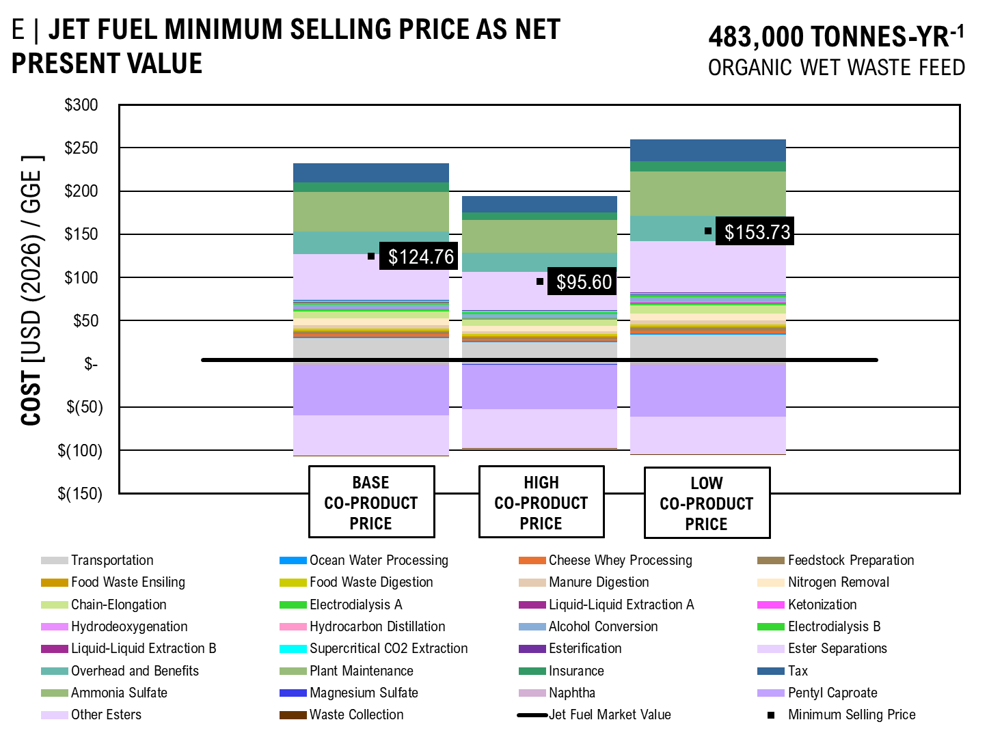
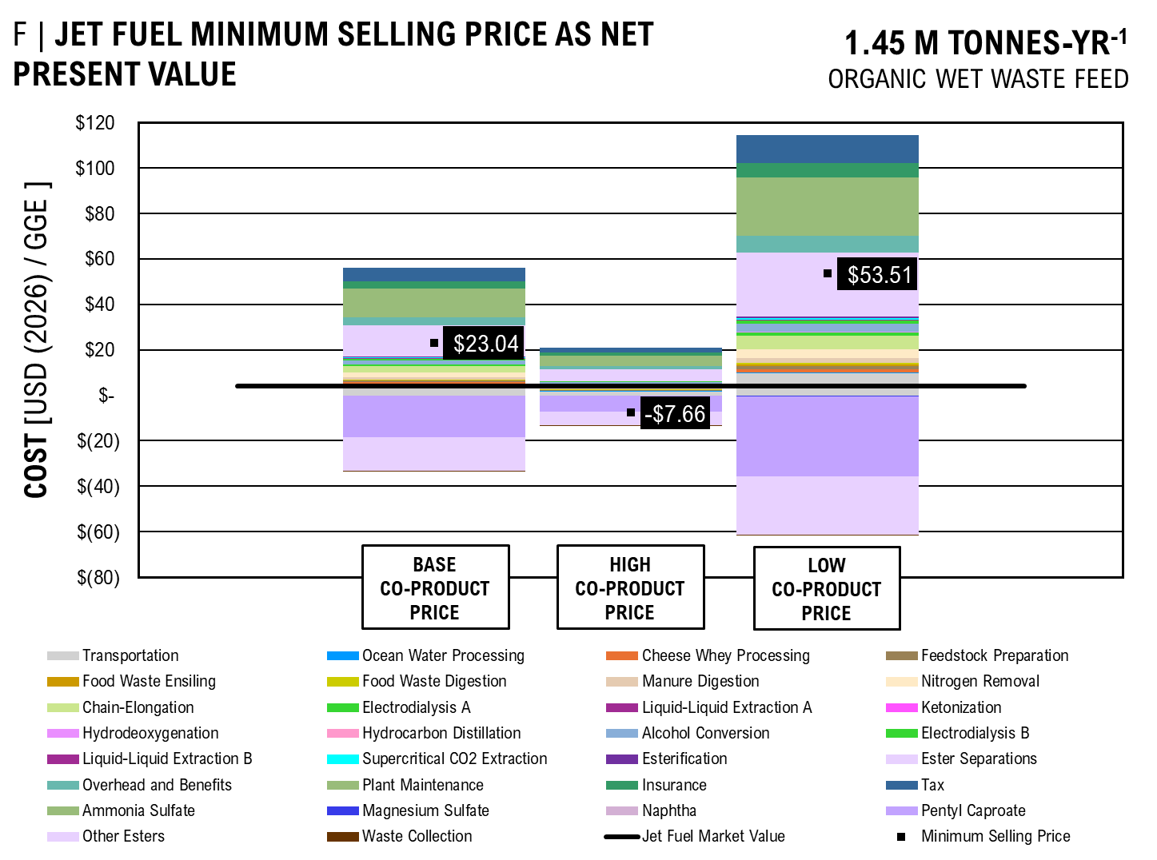
Manure Digestion |  | $0.03 | $0.03 | $0.04
Nitrogen Removal |  | $0.07 | $0.05 | $0.07
Chain-Elongation |  | $0.07 | $0.06 | $0.08
Electrodialysis A |  | $0.02 | $0.01 | $0.02
Liquid-Liquid Extraction A |  | $0.00 | $0.00 | $0.00
Ketonization |  | $0.00 | $0.00 | $0.00
Hydrodeoxygenation |  | $0.00 | $0.00 | $0.00
Hydrocarbon Distillation |  | $0.00 | $0.00 | $0.00
Alcohol Conversion |  | $0.04 | $0.03 | $0.05
Electrodialysis B |  | $0.02 | $0.02 | $0.02
...
 |  |  |  |  |  | Base Coproduct Price | High Coproduct Price | Low Coproduct Price
 |  |  |  |  |  | $29.79 | $24.93 | $33.34
 |  |  |  |  |  | $1.44 | $1.21 | $1.61
 |  |  |  |  |  | $2.79 | $2.34 | $3.13
 |  |  |  |  |  | $1.96 | $1.64 | $2.19
 |  |  |  |  |  | $1.90 | $1.59 | $2.13
 |  |  |  |  |  | $2.10 | $1.76 | $2.35
 |  |  |  |  |  | $3.93 | $3.29 | $4.40
 |  |  |  |  |  | $7.51 | $6.29 | $8.41
 |  |  |  |  |  | $8.46 | $7.08 | $9.47
 |  |  |  |  |  | $1.98 | $1.66 | $2.22
 |  |  |  |  |  | $0.37 | $0.31 | $0.42
...

Scale&MVA
Fuel Economies of Scale
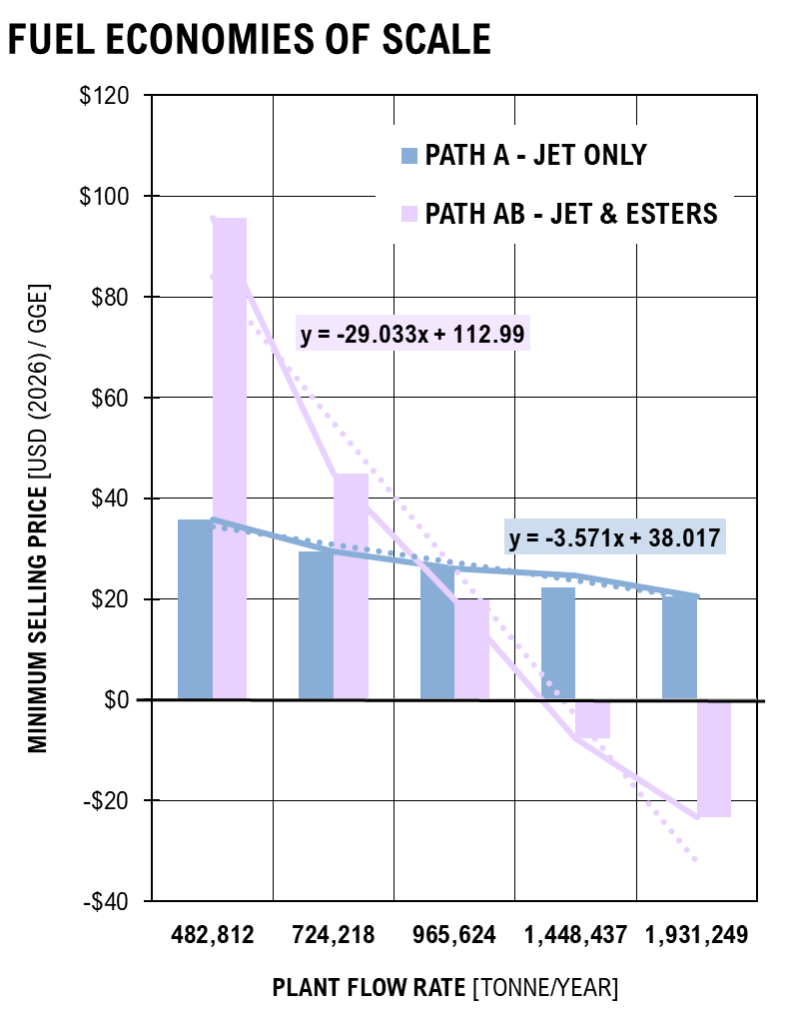
ECONOMIES OF SCALE FIGURE
SCALE | Path A - Jet Only | Path AB - Jet & Esters | A | AB
ton/yr
482,812 | $35.88 | $95.60 | $35.88 | $95.60
724,218 | $29.47 | $44.90 | $29.47 | $44.90
965,624 | $26.07 | $19.92 | $26.07 | $19.92
1,448,437 | $22.40 | $(7.66) | $24.68 | $(7.66)
1,931,249 | $20.42 | $(23.29) | $20.42 | $(23.29)
...
Pure Product Market Values
 | Caproic Acid | Pentanol | Hexanol | Ethyl Caproate | Pentyl Caproate | Hexyl Caproate | Triethanolamine
1 | 205 | 169 | 168 | 171 | 198 | 210 | 220
5 | 55 | 44 | 43 | 48 | 73 | 85 | 70
10 | 35 | 24 | 23 | 26 | 53 | 65 | 34
50 | 29 | 18 | 17 | 20 | 47 | 59 | 24
160 |  |  | 11
170 |  | 12
180 | 23 |  |  | 14 | 41 | 53
230 |  |  |  |  |  |  | 16
 |  |  |  |  | Hexyl Caproate | Triethanolamine
 |  |  |  |  | USD | USD | Market Value: | 1 MT [USD] | 1 kg [USD]
 |  |  |  |  | 210 | 220 | Caproic Acid * | $8,950 | $205
 |  |  |  |  | 85 | 70 | Pentanol * | $4,100 | $169
 |  |  |  |  | 65 | 34 | Hexanol | $3,490 | $168
 |  |  |  |  | 59 | 24 | Ethyl Caproate | $5,010 | $171
 |  |  |  |  |  |  | Pentyl Caproate * | $20,350 | $198
 |  |  |  |  |  |  | Hexyl Caproate | $28,600 | $210
 |  |  |  |  | 53 |  | Triethanolamine | $6,216 | $220
 |  |  |  |  |  | 16 | Jet Fuel | $11.84 | $0.54
 |  |  |  |  |  |  | Diesel Fuel | $24.13 | $1.19
 |  |  |  |  | 28.581457633

BM_Flow
...
 |  |  | Unit | Value
...
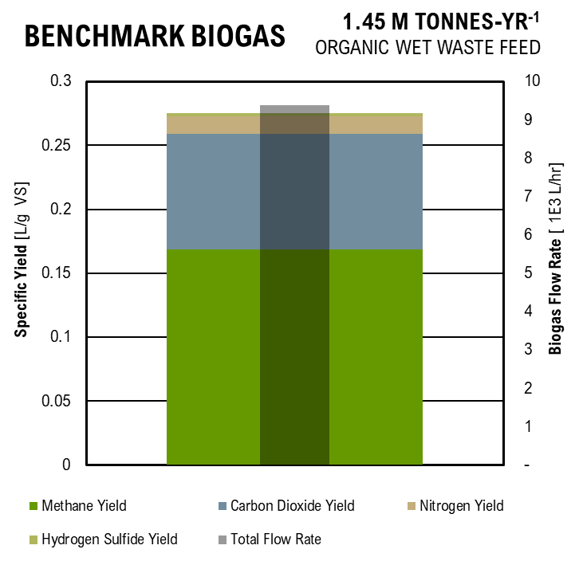
...
Benchmark Biogas
...
 |  |  |  |  |  | Figure
 |  |  |  |  |  |  | L/hr | L/ g VS
 |  |  |  |  |  | Total Methane Flow Rate | 957.40 | 0.17
 |  |  |  |  |  | Total Carbon Dioxide Flow Rate | 509.58 | 0.09
 |  |  |  |  |  | Total Nitrogen Flow Rate | 77.21 | 0.01
 |  |  |  |  |  | Hydrogen Sulfide Flow Rate | 17.34 | 0.00
...
 |  |  |  |  |  |  | L/ g VS
 |  |  |  |  |  | Methane Yield | 0.168846
 |  |  |  |  |  | Carbon Dioxide Yield | 0.089869645161
 |  |  |  |  |  | Nitrogen Yield | 0.013616612903
 |  |  | m3/hr | 1,734.49 | ton C/hr | Hydrogen Sulfide Yield | 0.0030589448555
 |  |  | m3/hr | 629.01 | 0.8783 | Total Flow Rate | 1,561.53
 |  |  | m3/hr | 1,008.97
 |  |  | m3/hr | 96.51
 |  |  | m3/hr | 23.59
...
 |  |  | 348.40 | emissions of stabilized sludge
...
 | Specific Investment | Upgrading Capacity
 | euro/m3 capacity | m3/hr raw biogas | euro/m3/hr | USD/m3/hr
 | 4000 | 250 | 16 | 16.5056
 | 2750 | 750 | 3.67 | 3.7825333333
 | 1900 | 1250 | 1.52 | 1.568032

Equation of Best Fit | 0.00009 | x2
 | -1.005 | x
 | 2836 | c

Specific Cost Analysis
 | Specific Upgrading Cost | Cost of kWh | Upgrading Capacity |  | Specific Cost
Assume | euro cent / kWh | cent/kWh | m3/hr raw biogas | euro/m3/hr | USD/m3/hr
6 | 1.95 | 18 | 300 | 0.039 | 0.0402324
kWh/m3 biogas | 1.5 | 18 | 700 | 0.012857142857 | 0.013263428571
 | 1.2 | 18 | 1200 | 0.006 | 0.0061896
 | 1.15 | 18 | 1400 | 0.0049285714286 | 0.0050843142857

 |  |  |  | Upgrading Capacity | Specific Cost
Equation of Best Fit | 88.556 | A |  | m3/hr raw biogas | USD/m3/hr
 | -1.348 | n |  | 300 | 0.0402324
 |  |  |  | 700 | 0.013263428571
 |  |  |  | 1200 | 0.0061896
 |  |  |  | 1400 | 0.0050843142857

Liquid Digestate Production
Parameter | Unit | Value | Unit | Value | Unit | Value
Digested Food Waste Total Solids | kg TS/m3 | 340.37
Digested Cattle Manure Total Solids | kg TS/m3 | 140.42
Digested Pig Manure Total Solids | kg TS/m3 | 140.42
Total Total Solids in Sludge | kg TS/m3 | 621.21
Influent Flow Rate of Sludge | m3/hr | 39.668949772
Influent Flow Rate of Total Solids | kg TS / hr | 24,642.89
...

BM_CAPEX
...
Total Capital Investment
Mechanical Equipment List |  |  |  |  | Researched Values |  |  |  |  | Scaled Installed in Current Year Factors |  |  |  | Total Cost
Equipment Name | Size | Unit | Number Required | Material | Cost | Size | Unit | Year | Source | Scaling Exponent | Installation Factor | Size Ratio | PPI
 |  |  |  |  |  |  |  |  |  |  |  |  | 2024
Investment Cost | 2,322.68 | m3/hr | 2 | Accourding to Franhofer IWES, 2012 | 4,125.00 | 250.00 | m3/hr | 2012 |  | 0.8 | 2.5 | 9.29 | 1.29 | $158,433
Total: |  |  |  |  |  |  |  |  |  |  |  |  |  | $158,433

Standard Capital Expense: |  |  |  |  |  |  |  |  |  |  |  |  |  | $164,842,693

Capital Expenses: Bio-Methane Production
Operational Expenses: Bio-Methane Production
 | Transportation | Feedstock Preparation | Anaerobic Digestion | Solid-Liquid Separation | Bio-Methane Purification | Labor | Overhead and Benefits | Plant Maintenance | Insurance and Taxes
COST | $2,681,788.90 | $81,162.68 | $7,349,410.95 | $354,594.95 | $14,889,587.63 | $9,767,120.00 | $8,790,408.00 | $4,945,280.78 | $1,153,898.85
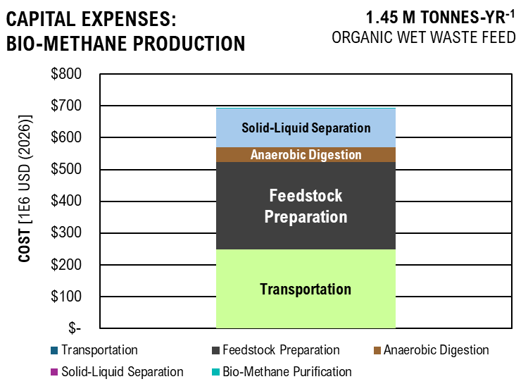
CAPEX | COST
Transportation | $57,645,199.92
Feedstock Preparation | $55,407,808
Anaerobic Digestion | $9,946,670.34
Solid-Liquid Separation | $41,684,581
Bio-Methane Purification | $158,433

CAPITAL EXPENSE

BM_OPEX
...
 |  |  |  |  | $39.33
 |  |  |  |  | $28.01
 |  |  |  |  | $4,388.62
 |  |  |  |  | $2,194.31
 |  |  |  |  | $81,162.68
...
Cost of NaOH
 |  |  |  |  |  | NaOH Market Value Analysis
 |  |  |  |  |  | kg NaOH | USD
 |  |  |  |  |  | 1 | 55
 |  |  |  |  |  | 25 | 15.2
 |  |  |  |  | Total Cost (per year) | 40 | 12
 |  |  |  |  | $1,603.88
 |  |  |  |  | $1,389,362.54
 |  |  |  |  | $5,952,000.00
 |  |  |  |  | $6,444.53
 |  |  |  |  | $7,349,410.95
...
Fixed Operating Cost
Chemical Inputs
Labor
Overhead and Benefits | 9,767,120.00 | $/yr | 90% | of Employment Cost | $8,790,408.00
Plant Maintenance | 164,842,692.72 | $ | 3% | of FCI | $4,945,280.78
Insurance and Taxes | 164,842,692.72 | $ | 0.7% | of FCI | $1,153,898.85
Total: |  |  |  |  | $14,889,587.63

Standard Operational Expense: |  |  |  |  | $35,207,307.58

Operational Expenses: Bio-Methane Production
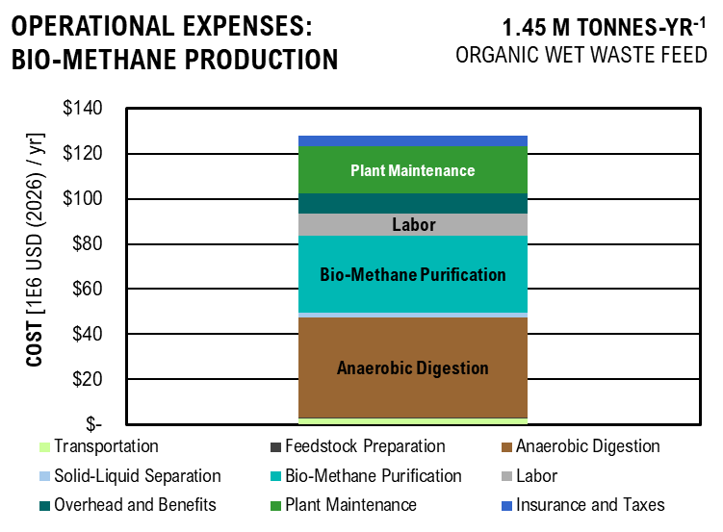
OPEX | COST
Transportation | $2,681,788.90
Feedstock Preparation | $81,162.68
Anaerobic Digestion | $7,349,410.95
Solid-Liquid Separation | $354,594.95
Bio-Methane Purification | $14,889,587.63
Labor | $9,767,120.00
Overhead and Benefits | $8,790,408.00
Plant Maintenance | $4,945,280.78
Insurance and Taxes | $1,153,898.85

BM_DCFROR
...
 |  |  | $1,501,911.10 | $1,365,373.72 | $1,241,248.84 | $1,128,408.04 | $1,025,825.49 | $932,568.62 | $847,789.66 | $770,717.87

 |  |  | $- | $- | $- | $- | $- | $- | $- | $-
 |  |  | $1,501,911.10 | $1,365,373.72 | $1,241,248.84 | $1,128,408.04 | $1,025,825.49 | $932,568.62 | $847,789.66 | $770,717.87
...
Discounted Cash Flow Rate of Return
 | Capital Investment | Tax | Depreciation | Loan Payment | OPEX | Revenue | Net Present Value
-2 | $31 |  |  | $(1)
-1 | $33 |  |  | $(5)
0 | $35 |  | -23.55602079 | $(8)
1 |  | 0 | -40.369975448 | $(8) | -26.405480681 | 3.3972399471 | -119.4745251
2 |  | 0 | -28.830986957 | $(7) | -35.207307575 | 8.1784322574 | -111.29609284
3 |  | 0 | -20.588852321 | $(7) | -35.207307575 | 7.4349384158 | -103.86115442
4 |  | 0 | -14.72045246 | $(6) | -35.207307575 | 6.7590349235 | -97.1021195
5 |  | 0 | -14.703968191 | $(5) | -35.207307575 | 6.1445772032 | -90.957542297
6 |  | 0 | -14.72045246 | $(5) | -35.207307575 | 5.5859792756 | -85.371563021
7 |  | 0 | -7.3519840955 | $(4) | -35.207307575 | 5.0781629778 | -80.293400043
8 |  | 0 | 0 | $(3) | -35.207307575 | 4.616511798 | -75.676888245
9 |  | 0 | 0 | $(2) | -35.207307575 | 4.1968289073 | -71.480059338
10 |  | 0 | 0 | $(1) | -35.207307575 | 3.8152990066 | -67.664760331
11 |  | 0 | 0 | $(0) | -35.207307575 | 8.6346823128 | -59.030078018
12 |  | 0 | 0 | $(0) | -35.207307575 | 7.8497111935 | -51.180366825
13 |  | -0.65263365222 | 0 | $(0) | -35.207307575 | 6.9470563629 | -44.233310462
14 |  | -8.6225147255 | 0 | $(0) | -35.207307575 | 4.2167870048 | -40.016523457
15 |  | -8.6225147255 | 0 | $(0) | -35.207307575 | 3.8334427316 | -36.183080726
16 |  | -8.6225147255 | 0 | $(0) | -35.207307575 | 3.4849479378 | -32.698132788
17 |  | -8.6225147255 | 0 | $(0) | -35.207307575 | 3.1681344889 | -29.529998299
18 |  | -8.6225147255 | 0 | $(0) | -35.207307575 | 2.8801222627 | -26.649876036
19 |  | -8.6225147255 | 0 | $(0) | -35.207307575 | 2.6182929661 | -24.03158307
20 |  | -8.6225147255 | 0 | $(0) | -35.207307575 | 2.3802663328 | -21.651316737
21 |  | -8.6225147255 | 0 | $(0) | -35.207307575 | 2.1638784843 | -19.487438253
22 |  | -8.6225147255 | 0 | $(0) | -35.207307575 | 1.9671622585 | -17.520275995
23 |  | -8.6225147255 | 0 | $(0) | -35.207307575 | 1.7883293259 | -15.731946669
24 |  | -8.6225147255 | 0 | $(0) | -35.207307575 | 1.6257539326 | -14.106192736
25 |  | -8.6225147255 | 0 | $(0) | -35.207307575 | 1.4779581206 | -12.628234616
26 |  | -8.6225147255 | 0 | $(0) | -35.207307575 | 1.3435982914 | -11.284636324
27 |  | -8.6225147255 | 0 | $(0) | -35.207307575 | 1.2214529922 | -10.063183332
28 |  | -8.6225147255 | 0 | $(0) | -35.207307575 | 1.1104118111 | -8.9527715207
29 |  | -8.6225147255 | 0 | $(0) | -35.207307575 | 1.0094652828 | -7.9433062379
30 |  | -8.6225147255 | 0 | $(0) | -35.207307575 | 0.91769571166 | -7.0256105263
 |  |  | 25 | 26 | 27 | 28 | 29 | 30
...
 |  |  | -8.6225147255 | -8.6225147255 | -8.6225147255 | -8.6225147255 | -8.6225147255 | -8.6225147255
 |  |  | $- | $- | $- | $- | $- | $-
 |  |  | $(0) | $(0) | $(0) | $(0) | $(0) | $(0)
 |  |  | $(35.21) | $(35.21) | $(35.21) | $(35.21) | $(35.21) | $(35.21)
 |  |  | $1 | $1 | $1 | $1 | $1 | $1
 |  |  | $(13) | $(11) | $(10) | $(9) | $(8) | $(7)
...
Results Analysis
NPV Tax | % | 0.061798515712
NPV Operational Cost | % | 0.98972735626
NPV Capital Cost | % | 0.24097540353
NPV Coproduct Sales | % | 0.2925012755
NPV Tax | as MSP | $0.300
NPV Operational Cost | as MSP | $4.803
NPV Capital Cost | as MSP | $1.169
NPV Coproduct Sales | as MSP | $1.419
Total MSP |  | $4.853

Bio-MethanE Minimum Selling Price AS NET PRESENT VALUE

 | Price
Transportation | $0.6664
Feedstock Preparation | $0.4008
Anaerobic Digestion | $0.7763
Solid-Liquid Separation | $0.3297
Bio-Methane Purification | $1.4309
Labor | $0.9379
Overhead and Benefits | $0.8441
Plant Maintenance | $0.4749
Insurance | $0.1108
Tax | $0.2999
Waste Collection | $(1.419)
Minimum Selling Price | $4.85

LCOE&D
Levelized Cost of Energy and Disposal - Excluding Coproducts

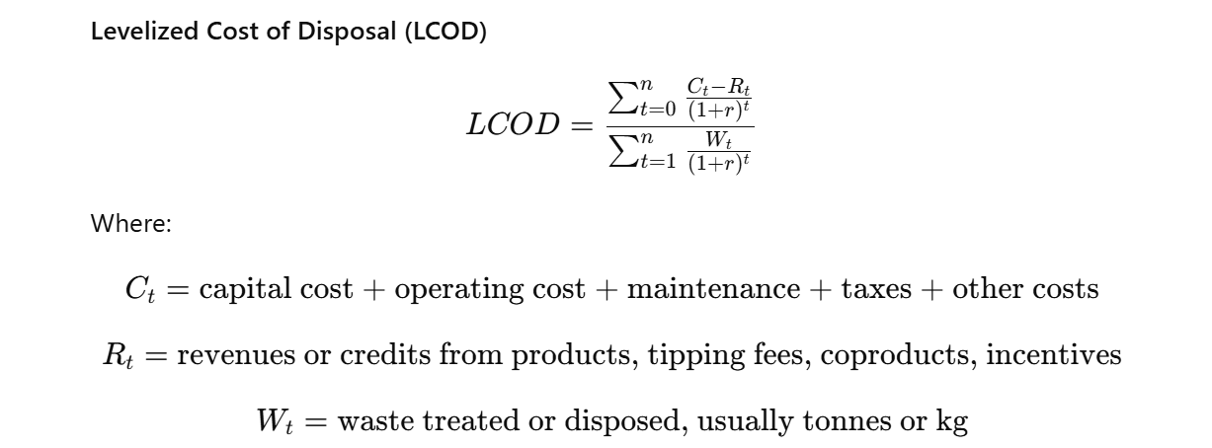
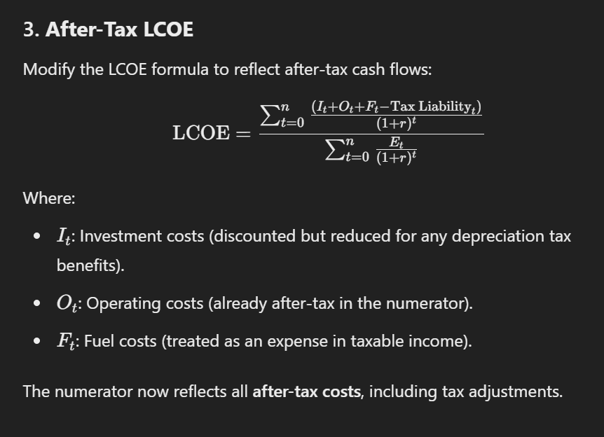
Energy Density of Hydrocarbon Mixture
C4 n-Paraffin | 0.0085343368913
C5 n-Paraffin | 0.30259052637
C6 n-Paraffin | 3.5018938456
C7 n-Paraffin | 16.519655401
C8 n-Paraffin | 0.94171126586
C9 n-Paraffin | 2.3090539178
C10 n-Paraffin | 3.8632995196
C11 n-Paraffin | 4.4035704401
C12 n-Paraffin | 8.2520340848
C13 n-Paraffin | 0.48670085745
C14 n-Paraffin | 0.0043739752916
C6 iso-Paraffin | 0
C7 iso-Paraffin | 0.0021220844754
C8 iso-Paraffin | 0.035765236967
C9 iso-Paraffin | 0.10189036719
C10 iso-Paraffin | 0.16310984122
C11 iso-Paraffin | 0.34149502567
C12 iso-Paraffin | 0.018392379619
TOTAL | 41,256,193.11 | J/kg

Year |  |  | -2 | -1 | 0 | 1 | 2 | 3 | 4 | 5 | 6 | 7 | 8 | 9 | 10 | 11 | 12 | 13
...
 | Pilot Scale |  |  |  | Commercial Scale
 | BM | SAF | BM | SAF | BM | SAF | BM | SAF
Capital Cost | $0.21 | $0.64 | $0.09 | $0.19 | $0.19 | $3.41 | $0.08 | $1.03
Operation Cost | $0.25 | $0.61 | $0.11 | $0.19 | $0.21 | $1.65 | $0.09 | $0.50
Tax Credits |  | $(0.03) |  | $(0.01) |  | $(0.03) |  | $(0.01)
Total Cost | $0.46 | $1.22 | $0.19 | $0.37 | $0.41 | $(0.37) | $0.17 | $(0.11)

Coproducts |  |  |  |  | $- | $(5.40) | $- | $(1.63)

Net Levelized Cost of Energy and Disposal
 | Capital Cost |  | Operation Cost |  | Tax Credits |  | Coproducts |  | Total Cost
BM | $0.21 | BM | $0.25 | BM |  | BM |  | BM | $0.46
SAF | $0.64 | SAF | $0.61 | SAF | $(0.03) | SAF |  | SAF | $1.22
BM | $0.09 | BM | $0.11 | BM |  | BM |  | BM | $0.19
SAF | $0.19 | SAF | $0.19 | SAF | $(0.01) | SAF |  | SAF | $0.37
BM | $0.19 | BM | $0.21 | BM |  | BM | 0 | BM | $0.41
SAF | $3.41 | SAF | $1.65 | SAF | $(0.03) | SAF | -5.4019952187 | SAF | $(0.37)
BM | $0.08 | BM | $0.09 | BM |  | BM | 0 | BM | $0.17
SAF | $1.03 | SAF | $0.50 | SAF | $(0.01) | SAF | -1.62500651 | SAF | $(0.11)

LCA
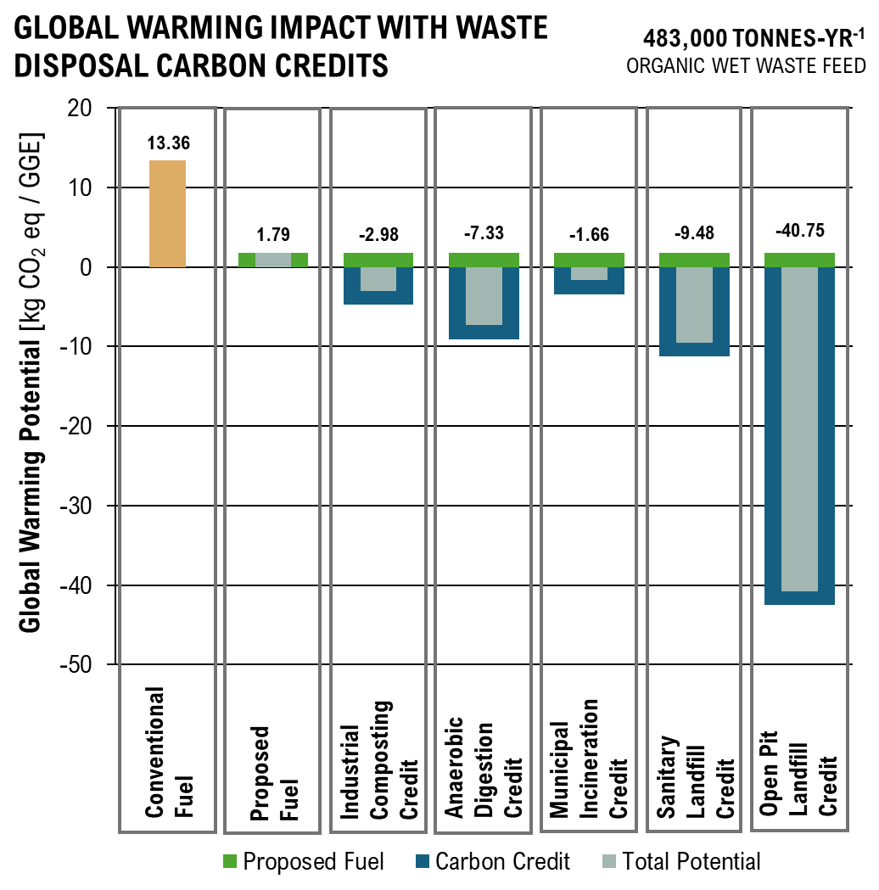
...
 |  |  |  |  |  |  |  |  |  | 0% | 0% | 0% | 0% | 1% | 0% | 2% | 0% | 0% | 0% | 0% | 75%
Ecotoxicity | 179,236,660.48 | CTUe / 30 yr | 3% | 0% | 0% | 5% | 5% | 10% | 6% | 0% | 0% | 0% | 0% | 1% | 0% | 4% | 0% | 0% | 0% | 0% | 65%
Eutrophication: Freshwater | 9,533.20 | kg P eq / 30 yr | 0% | 0% | 0% | 1% | 1% | 3% | 1% | 0% | 0% | 0% | 0% | 0% | 0% | 0% | 0% | 0% | 0% | 0% | 93%
Eutrophication: Marine | 23,835.99 | kg N eq / 30 yr | 0% | 0% | 0% | 4% | 4% | 9% | 12% | 1% | 0% | 0% | 0% | 0% | 1% | 6% | 0% | 0% | 0% | 0% | 61%
Global Warming | 15,527,294.43 | kg CO2 eq / 30 yr | 0% | 0% | 0% | 4% | 4% | 8% | 10% | 0% | 0% | 0% | 0% | 0% | 0% | 2% | 0% | 0% | 0% | 0% | 70%
Non carcinogenics | 3.69 | CTUh / 30 yr | 2% | 0% | 0% | 4% | 4% | 9% | 4% | 0% | 0% | 0% | 0% | 0% | 0% | 2% | 0% | 0% | 0% | 0% | 74%
Ozone Depletion | 0.15 | CFC-11 / 30 yr | 0% | 0% | 0% | 5% | 5% | 9% | 43% | 0% | 0% | 0% | 0% | 0% | 0% | 9% | 0% | 0% | 0% | 0% | 28%
Respiratory Effects (Particulate) | 31,445.57 | PM 2.5 / 30 yr | 0% | 0% | 0% | 2% | 2% | 3% | 4% | 0% | 0% | 0% | 0% | 0% | 0% | 1% | 0% | 0% | 0% | 0% | 89%
Smog (Photochemical Oxidation Formation) | 555,890.45 | kg O3 eq / 30 yr | 0% | 0% | 0% | 4% | 4% | 9% | 12% | 1% | 0% | 0% | 0% | 0% | 1% | 6% | 0% | 0% | 0% | 0% | 61%

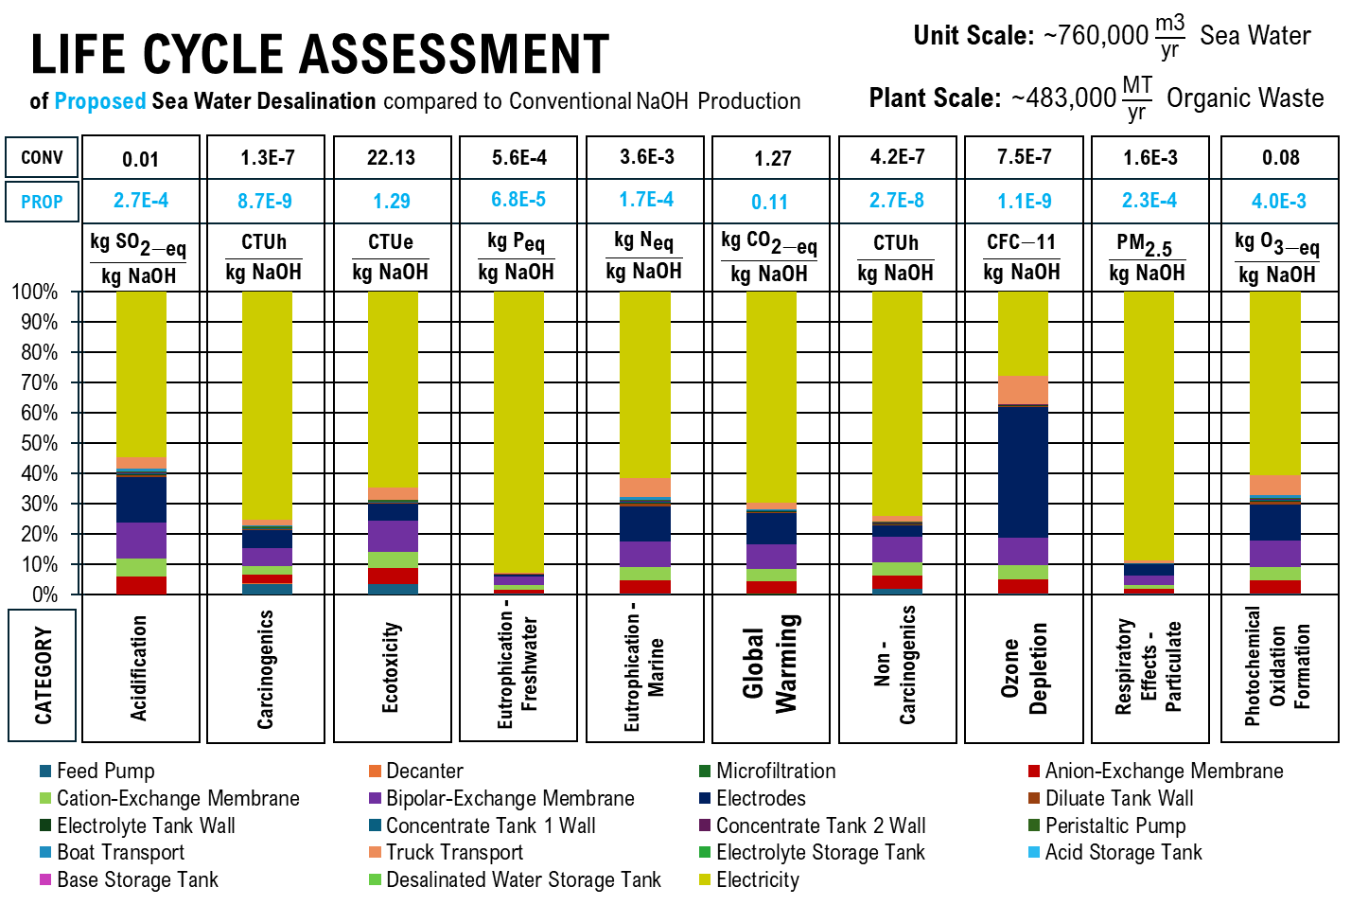
 | Feed Pump | Decanter | Microfiltration | Anion-Exchange Membrane | Cation-Exchange Membrane | Bipolar-Exchange Membrane | Electrodes | Diluate Tank Wall | Electrolyte Tank Wall | Concentrate Tank 1 Wall | Concentrate Tank 2 Wall | Peristaltic Pump
 | 0% | 0% | 0% | 6% | 6% | 12% | 15% | 1% | 0% | 0% | 0% | 0%
 | 4% | 0% | 0% | 3% | 3% | 6% | 6% | 0% | 0% | 0% | 0% | 1%
 | 3% | 0% | 0% | 5% | 5% | 10% | 6% | 0% | 0% | 0% | 0% | 1%
 | 0% | 0% | 0% | 1% | 1% | 3% | 1% | 0% | 0% | 0% | 0% | 0%
 | 0% | 0% | 0% | 4% | 4% | 9% | 12% | 1% | 0% | 0% | 0% | 0%
 | 0% | 0% | 0% | 4% | 4% | 8% | 10% | 0% | 0% | 0% | 0% | 0%
 | 2% | 0% | 0% | 4% | 4% | 9% | 4% | 0% | 0% | 0% | 0% | 0%
 | 0% | 0% | 0% | 5% | 5% | 9% | 43% | 0% | 0% | 0% | 0% | 0%
 | 0% | 0% | 0% | 2% | 2% | 3% | 4% | 0% | 0% | 0% | 0% | 0%
 | 0% | 0% | 0% | 4% | 4% | 9% | 12% | 1% | 0% | 0% | 0% | 0%
ALLOCATION |  |  | Cost
Desalinated Water | 8,149,427.61 | m3/30yr | 8,149,427.61 | $/30yr | 0.02
Hydrochloric Acid | 1,629,885.52 | m3/30yr | 65,195,420.89 | $/30yr | 0.16
Sodium Hydroxide | 1,629,885.52 | m3/30yr | 325,977,104.47 | $/30yr | 0.82
Total |  |  | 399,321,952.97
Sodium Hydroxide | 56879502962 | kg / 30 yr

Acidification | 5.43E-04 | kg SO2 eq / m3
Carcinogenics | 1.74E-08 | CTUh / m3
Ecotoxicity | 2.57 | CTUe / m3
Eutrophication: Freshwater | 1.37E-04 | kg P eq / m3
Eutrophication: Marine | 3.42E-04 | kg N eq / m3
Global Warming | 0.22 | kg CO2 eq / m3
Non carcinogenics | 5.29E-08 | CTUh / m3
Ozone Depletion | 2.15E-09 | CFC-11 / m3
Respiratory Effects (Particulate) | 4.51E-04 | PM 2.5 / m3
Smog (Photochemical Oxidation Formation) | 7.98E-03 | kg O3 eq / m3

tap water production, conventional treatment | tap water | Cutoff, S
Acidification | 2.05E-03 | kg SO2 eq / m3
Carcinogenics | 4.63E-08 | CTUh / m3
Ecotoxicity | 5.61 | CTUe / m3
Eutrophication: Freshwater | 1.49E-04 | kg P eq / m3
Eutrophication: Marine | 1.07E-03 | kg N eq / m3
Global Warming | 0.43 | kg CO2 eq / m3
Non carcinogenics | 1.11E-07 | CTUh / m3
Ozone Depletion | 5.65E-09 | CFC-11 / m3
Respiratory Effects (Particulate) | 5.75E-07 | PM 2.5 / m3
Smog (Photochemical Oxidation Formation) | 0.26 | kg O3 eq / m3

market for sodium hydroxide, without water, in 50% solution state | sodium hydroxide, without water, in 50% solution state | Cutoff, S
Acidification | 0.01 | kg SO2 eq / kg
Carcinogenics | 1.25E-07 | CTUh / kg
Ecotoxicity | 22.31 | CTUe / kg
Eutrophication: Freshwater | 5.60E-04 | kg P eq / kg
Eutrophication: Marine | 3.57E-03 | kg N eq / kg
Global Warming | 1.27 | kg CO2 eq / kg
Non carcinogenics | 4.24E-07 | CTUh / kg
Ozone Depletion | 7.51E-07 | CFC-11 / kg
Respiratory Effects (Particulate) | 1.64E-03 | PM 2.5 / kg
Smog (Photochemical Oxidation Formation) | 0.08 | kg O3 eq / kg
...
 |  |  |  |  |  | 0% | 0% | 50% | 0% | 7% | 25% | 18%
Carcinogenics | 26.30 | CTUh / 30 yr | 0% | 0% | 0% | 0% | 0% | 52% | 0% | 21% | 14% | 13%
Ecotoxicity | 6,077,414,167.31 | CTUe / 30 yr | 0% | 0% | 0% | 0% | 0% | 59% | 0% | 12% | 16% | 13%
Eutrophication: Freshwater | 131,189.10 | kg P eq / 30 yr | 0% | 0% | 0% | 0% | 0% | 39% | 0% | 41% | 8% | 12%
Eutrophication: Marine | 1,048,755.54 | kg N eq / 30 yr | 0% | 0% | 0% | 0% | 0% | 38% | 0% | 8% | 31% | 23%
Global Warming | 402,938,081.54 | kg CO2 eq / 30 yr | 0% | 0% | 0% | 0% | 0% | 61% | 0% | 16% | 14% | 9%
Non carcinogenics | 127.97 | CTUh / 30 yr | 0% | 0% | 0% | 0% | 0% | 48% | 0% | 13% | 5% | 35%
Ozone Depletion | 26.52 | CFC-11 / 30 yr | 0% | 0% | 0% | 0% | 0% | 10% | 83% | 1% | 3% | 4%
Respiratory Effects (Particulate) | 433,660.15 | PM 2.5 / 30 yr | 0% | 0% | 0% | 0% | 0% | 42% | 0% | 39% | 10% | 9%
Smog (Photochemical Oxidation Formation) | 16,910,944.67 | kg O3 eq / 30 yr | 0% | 0% | 0% | 0% | 0% | 55% | 0% | 12% | 16% | 16%

 | Feed Pump | Tank Walls | Insulation | Agitators | Centrifuge Separator | Microfiltration | Reverse Osmosis | Electricity | Cheese Whey | Lactase Enzyme
 | 0% | 0% | 0% | 0% | 0% | 50% | 0% | 7% | 25% | 18%
 | 0% | 0% | 0% | 0% | 0% | 52% | 0% | 21% | 14% | 13%
 | 0% | 0% | 0% | 0% | 0% | 59% | 0% | 12% | 16% | 13%
 | 0% | 0% | 0% | 0% | 0% | 39% | 0% | 41% | 8% | 12%
 | 0% | 0% | 0% | 0% | 0% | 38% | 0% | 8% | 31% | 23%
 | 0% | 0% | 0% | 0% | 0% | 61% | 0% | 16% | 14% | 9%
 | 0% | 0% | 0% | 0% | 0% | 48% | 0% | 13% | 5% | 35%
 | 0% | 0% | 0% | 0% | 0% | 10% | 83% | 1% | 3% | 4%
 | 0% | 0% | 0% | 0% | 0% | 42% | 0% | 39% | 10% | 9%
 | 0% | 0% | 0% | 0% | 0% | 55% | 0% | 12% | 16% | 16%
Lactic Acid Produced | 8.26E+07 | kg/ 30 yr

Acidification | 0.02 | kg SO2 eq / kg
Carcinogenics | 3.2E-07 | CTUh / kg
Ecotoxicity | 73.58 | CTUe / kg
Eutrophication: Freshwater | 1.6E-03 | kg P eq / kg
Eutrophication: Marine | 0.01 | kg N eq / kg
Global Warming | 4.88 | kg CO2 eq / kg
Non carcinogenics | 1.5E-06 | CTUh / kg
Ozone Depletion | 3.2E-07 | CFC-11 / kg
Respiratory Effects (Particulate) | 5.3E-03 | PM 2.5 / kg
Smog (Photochemical Oxidation Formation) | 0.20 | kg O3 eq / kg

lactic acid production | lactic acid | Cutoff, S
Acidification | 0.02 | kg SO2 eq / kg
Carcinogenics | 3.3E-07 | CTUh / kg
Ecotoxicity | 58.86 | CTUe / kg
Eutrophication: Freshwater | 9.7E-04 | kg P eq / kg
Eutrophication: Marine | 0.01 | kg N eq / kg
Global Warming | 4.31 | kg CO2 eq / kg
Non carcinogenics | 9.1E-07 | CTUh / kg
Ozone Depletion | 2.1E-07 | CFC-11 / kg
Respiratory Effects (Particulate) | 2.8E-03 | PM 2.5 / kg
Smog (Photochemical Oxidation Formation) | 0.21 | kg O3 eq / kg

Digestion Processes

Total
Category | Value | Unit | Grinders & Feed Pumps | Bioconversion Equipment | Filtration | Electrodes | Separation Columns and Equipment | Electricity & Biogas | Biosolid Land Application
Acidification | 2,178,489.33 | kg SO2 eq / 30 yr | 0% | 10% | 0% | 5% | 37% | 20% | 27%
Carcinogenics | 178.19 | CTUh / 30 yr | 0% | 12% | 0% | 1% | 66% | 11% | 10%
Ecotoxicity | 25,211,503,006.96 | CTUe / 30 yr | 0% | 0% | 1% | 1% | 71% | 10% | 17%
Eutrophication: Freshwater | 576,333.85 | kg P eq / 30 yr | 0% | 2% | 0% | 0% | 13% | 33% | 51%
Eutrophication: Marine | 1,452,387.06 | kg N eq / 30 yr | 0% | 10% | 0% | 4% | 16% | 21% | 49%
Global Warming | 416,362,245.62 | kg CO2 eq / 30 yr | 0% | 10% | 1% | 7% | 15% | 55% | 12%
Non carcinogenics | 5,488.60 | CTUh / 30 yr | 0% | 0% | 0% | 0% | 4% | 1% | 95%
Ozone Depletion | 4.07 | CFC-11 / 30 yr | 0% | 14% | 1% | 30% | 30% | 22% | 3%
Respiratory Effects (Particulate) | 3,619,639.73 | PM 2.5 / 30 yr | 0% | 2% | 0% | 1% | 4% | 16% | 77%
Smog (Photochemical Oxidation Formation) | 20,073,345.35 | kg O3 eq / 30 yr | 0% | 17% | 1% | 6% | 27% | 36% | 14%

Organic Waste Processed | 6.00E+06 | m3/ 30 yr

Acidification | 0.36 | kg SO2 eq / m3
Carcinogenics | 3.0E-05 | CTUh / m3
Ecotoxicity | 4,201.92 | CTUe / m3
Eutrophication: Freshwater | 0.10 | kg P eq / m3
Eutrophication: Marine | 0.24 | kg N eq / m3
Global Warming | 69.39 | kg CO2 eq / m3
Non carcinogenics | 9.1E-04 | CTUh / m3
Ozone Depletion | 6.8E-07 | CFC-11 / m3
Respiratory Effects (Particulate) | 0.60 | PM 2.5 / m3
Smog (Photochemical Oxidation Formation) | 3.35 | kg O3 eq / m3

anaerobic digestion | biowaste | Cutoff, S
Acidification | 0.35 | kg SO2 eq / m3
Carcinogenics | 4.9E-06 | CTUh / m3
Ecotoxicity | 276.39 | CTUe / m3
Eutrophication: Freshwater | 0.01 | kg P eq / m3
Eutrophication: Marine | 0.07 | kg N eq / m3
Global Warming | 106.56 | kg CO2 eq / m3
Non carcinogenics | 8.3E-06 | CTUh / m3
Ozone Depletion | 3.2E-07 | CFC-11 / m3
Respiratory Effects (Particulate) | 0.03 | PM 2.5 / m3
Smog (Photochemical Oxidation Formation) | 1.84 | kg O3 eq / m3

Fertilizer Production

Total
Category | Value | Unit
Acidification | 2,216,309.39 | kg SO2 eq / 30 yr
Carcinogenics | 179.41 | CTUh / 30 yr
Ecotoxicity | 25,390,739,667.44 | CTUe / 30 yr
Eutrophication: Freshwater | 585,867.05 | kg P eq / 30 yr
Eutrophication: Marine | 1,476,223.05 | kg N eq / 30 yr
...
Total
Global Warming | 2,735,963,383.69 | kg CO2 eq / 30 yr | 0.46 | 0.00 | 0.00 | 0.01 | 0.09 | 0.01 | 0.00 | 0.21 | 0.00 | 0.13 | 0.08 | 0% | 0% | 1.00
Non carcinogenics | 6.18E+03 | CTUh / 30 yr | 4.06E-02 | 2.79E-04 | 2.10E-04 | 3.86E-03 | 9.95E-03 | 5.21E-04 | 1.82E-05 | 5.17E-02 | 7.55E-05 | 1.40E-02 | 8.54E-01 | 0.01 | 0% | 9.88E-01
Ozone Depletion | 9.89E+01 | CFC-11 / 30 yr | 4.98E-01 | 4.86E-04 | 5.75E-04 | 5.94E-03 | 2.48E-01 | 1.48E-02 | 2.36E-05 | 3.40E-02 | 6.43E-06 | 1.34E-02 | 3.51E-02 | 0.15 | 0% | 1.00E+00
Respiratory Effects (Particulate) | 1.65E+07 | PM 2.5 / 30 yr | 5.98E-02 | 9.86E-05 | 2.37E-04 | 3.74E-03 | 1.12E-02 | 1.61E-03 | 1.02E-05 | 1.61E-02 | 1.55E-05 | 5.36E-02 | 1.79E-01 | 0.67 | 0% | 1.00E+00
Smog (Photochemical Oxidation Formation) | 2.29E+09 | kg O3 eq / 30 yr | 5.61E-02 | 3.29E-05 | 8.70E-05 | 1.47E-03 | 4.11E-03 | 6.53E-04 | 3.36E-06 | 4.65E-03 | 1.20E-05 | 4.67E-03 | 5.94E-03 | 0.92 | 0% | 1.00E+00

Transportation
Acidification | 5,067,682.67 | kg SO2 eq / 30 yr
Carcinogenics | 80.63 | CTUh / 30 yr
Ecotoxicity | 25,078,944,330.64 | CTUe / 30 yr
 | Transportation | Grinders & Feed Pumps | Ion Exchange Membranes | Reactor Equipment | Filtration | Electrodes | Heat Exchangers | Seperation Columns and Equipment | Catalysts | Electricity | Other Operations | Fuel Combustion
 | 6.94E-02 | 8.07E-05 | 2.53E-04 | 2.93E-03 | 1.20E-02 | 1.75E-03 | 1.99E-05 | 1.87E-02 | 6.20E-05 | 8.99E-03 | 2.39E-02 | 0.86
 | 2.09E-01 | 2.11E-03 | 7.56E-04 | 5.55E-02 | 3.59E-02 | 4.19E-03 | 1.46E-04 | 5.01E-01 | 3.79E-05 | 7.51E-02 | 8.37E-02 | 0.03
 | 3.44E-01 | 2.16E-03 | 1.06E-03 | 7.39E-05 | 5.01E-02 | 3.09E-03 | 1.15E-04 | 4.11E-01 | 1.76E-04 | 5.03E-02 | 9.88E-02 | 0.04
 | 9.25E-02 | 1.07E-03 | 1.12E-03 | 1.41E-02 | 5.32E-02 | 1.75E-03 | 5.80E-05 | 1.44E-01 | 9.73E-05 | 2.86E-01 | 3.58E-01 | 0.01
 | 5.72E-02 | 3.41E-05 | 8.90E-05 | 1.49E-03 | 4.20E-03 | 6.61E-04 | 7.02E-06 | 4.89E-03 | 1.36E-05 | 4.92E-03 | 1.57E-02 | 0.91
 | 4.62E-01 | 3.71E-04 | 1.92E-03 | 1.50E-02 | 9.07E-02 | 1.31E-02 | 4.06E-05 | 2.06E-01 | 2.93E-05 | 1.25E-01 | 8.47E-02 | -
 | 4.06E-02 | 2.79E-04 | 2.10E-04 | 3.86E-03 | 9.95E-03 | 5.21E-04 | 1.82E-05 | 5.17E-02 | 7.55E-05 | 1.40E-02 | 8.54E-01 | 0.01
 | 4.98E-01 | 4.86E-04 | 5.75E-04 | 5.94E-03 | 2.48E-01 | 1.48E-02 | 2.36E-05 | 3.40E-02 | 6.43E-06 | 1.34E-02 | 3.51E-02 | 0.15
 | 5.98E-02 | 9.86E-05 | 2.37E-04 | 3.74E-03 | 1.12E-02 | 1.61E-03 | 1.02E-05 | 1.61E-02 | 1.55E-05 | 5.36E-02 | 1.79E-01 | 0.67
 | 5.61E-02 | 3.29E-05 | 8.70E-05 | 1.47E-03 | 4.11E-03 | 6.53E-04 | 3.36E-06 | 4.65E-03 | 1.20E-05 | 4.67E-03 | 5.94E-03 | 0.92

Eutrophication: Freshwater | 90,533.34 | kg P eq / 30 yr
Eutrophication: Marine | 5,396,638.12 | kg N eq / 30 yr
Global Warming | 1,263,162,666.32 | kg CO2 eq / 30 yr
Non carcinogenics | 250.79 | CTUh / 30 yr
Ozone Depletion | 49.27 | CFC-11 / 30 yr
Respiratory Effects (Particulate) | 987,164.23 | PM 2.5 / 30 yr
Smog (Photochemical Oxidation Formation) | 128,400,460.93 | kg O3 eq / 30 yr

Grinders and Feed Pumps
Acidification | 5,890.73 | kg SO2 eq / 30 yr
Carcinogenics | 0.81 | CTUh / 30 yr
Ecotoxicity | 157,846,466.75 | CTUe / 30 yr
Eutrophication: Freshwater | 1,045.34 | kg P eq / 30 yr
Eutrophication: Marine | 3,214.31 | kg N eq / 30 yr
Global Warming | 1,014,329.84 | kg CO2 eq / 30 yr
Non carcinogenics | 1.72 | CTUh / 30 yr
Ozone Depletion | 0.05 | CFC-11 / 30 yr
Respiratory Effects (Particulate) | 1,626.46 | PM 2.5 / 30 yr
Smog (Photochemical Oxidation Formation) | 75,166.94 | kg O3 eq / 30 yr

Ion Exchange Membranes
Acidification | 18,477.21 | kg SO2 eq / 30 yr
Carcinogenics | 0.29 | CTUh / 30 yr
Ecotoxicity | 77,016,322.68 | CTUe / 30 yr
Eutrophication: Freshwater | 1,099.93 | kg P eq / 30 yr
Eutrophication: Marine | 8,390.27 | kg N eq / 30 yr
Global Warming | 5,252,540.72 | kg CO2 eq / 30 yr
Non carcinogenics | 1.30 | CTUh / 30 yr
Ozone Depletion | 0.06 | CFC-11 / 30 yr
Respiratory Effects (Particulate) | 3,912.43 | PM 2.5 / 30 yr
Smog (Photochemical Oxidation Formation) | 198,893.06 | kg O3 eq / 30 yr

Reactor Equipment
Acidification | 213,715.12 | kg SO2 eq / 30 yr
Carcinogenics | 21.38 | CTUh / 30 yr
Ecotoxicity | 5,388,760.12 | CTUe / 30 yr
Eutrophication: Freshwater | 13,751.22 | kg P eq / 30 yr
Eutrophication: Marine | 140,789.99 | kg N eq / 30 yr
Global Warming | 40,997,340.47 | kg CO2 eq / 30 yr
Non carcinogenics | 23.82 | CTUh / 30 yr
Ozone Depletion | 0.59 | CFC-11 / 30 yr
Respiratory Effects (Particulate) | 61,633.06 | PM 2.5 / 30 yr
...
Total
Ecotoxicity | 7.99E+10 | CTUe / 30 yr | 3.14E-01 | 2.00E-03 | 1.47E-03 | 7.25E-05 | 7.07E-02 | 3.18E-03 | 4.36E-04 | 3.75E-01 | 2.49E-04 | 7.48E-02 | 1.06E-01 | 0.02 | 0.00 | 9.65E-01
Eutrophication: Freshwater | 1.25E+06 | kg P eq / 30 yr | 7.25E-02 | 8.43E-04 | 1.34E-03 | 2.63E-02 | 5.83E-02 | 1.55E-03 | 1.89E-04 | 1.13E-01 | 1.18E-04 | 3.65E-01 | 3.16E-01 | 0.01 | 0.00 | 9.60E-01
Eutrophication: Marine | 9.54E+07 | kg N eq / 30 yr | 5.65E-02 | 3.39E-05 | 1.33E-04 | 3.52E-03 | 7.99E-03 | 7.35E-04 | 2.88E-05 | 4.83E-03 | 1.68E-05 | 7.91E-03 | 1.83E-02 | 0.45 | 0.00 | 5.49E-01
Global Warming | 3,269,407,115.83 | kg CO2 eq / 30 yr | 0.39 | 0.00 | 0.00 | 0.03 | 0.12 | 0.01 | 0.00 | 0.17 | 0.00 | 0.17 | 0.10 |  | 0.00 | 1.00
Non carcinogenics | 6.38E+03 | CTUh / 30 yr | 3.93E-02 | 2.74E-04 | 3.10E-04 | 8.94E-03 | 1.44E-02 | 5.68E-04 | 7.31E-05 | 5.01E-02 | 8.63E-05 | 2.21E-02 | 8.38E-01 | 0.01 | 0.00 | 9.80E-01
Ozone Depletion | 1.12E+02 | CFC-11 / 30 yr | 4.41E-01 | 4.32E-04 | 7.73E-04 | 1.25E-02 | 2.98E-01 | 1.47E-02 | 8.70E-05 | 3.02E-02 | 2.22E-05 | 1.93E-02 | 4.69E-02 | 0.07 | 0.00 | 9.30E-01
Respiratory Effects (Particulate) | 1.73E+07 | PM 2.5 / 30 yr | 5.70E-02 | 9.49E-05 | 3.42E-04 | 8.50E-03 | 1.55E-02 | 1.72E-03 | 4.01E-05 | 1.54E-02 | 6.34E-05 | 8.30E-02 | 1.75E-01 | 0.32 | 0.00 | 6.78E-01
Smog (Photochemical Oxidation Formation) | 2.31E+09 | kg O3 eq / 30 yr | 5.55E-02 | 3.27E-05 | 1.30E-04 | 3.48E-03 | 8.09E-03 | 7.26E-04 | 1.38E-05 | 4.59E-03 | 1.52E-05 | 7.50E-03 | 8.45E-03 | 0.46 | 0.00 | 5.44E-01

 | Transportation | Grinders & Feed Pumps | Ion Exchange Membranes | Reactor Equipment | Filtration | Electrodes | Heat Exchangers | Separation Columns and Equipment | Catalysts | Electricity | Other Operations | Fuel Combustion
 | 6.76E-02 | 7.98E-05 | 3.74E-04 | 6.79E-03 | 2.07E-02 | 1.92E-03 | 8.06E-05 | 1.89E-02 | 2.26E-04 | 1.42E-02 | 2.94E-02 | 0.42
 | 1.75E-01 | 1.80E-03 | 9.70E-04 | 1.11E-01 | 5.76E-02 | 3.95E-03 | 5.05E-04 | 4.18E-01 | 8.74E-05 | 1.02E-01 | 8.71E-02 | 0.01
 | 3.14E-01 | 2.00E-03 | 1.47E-03 | 7.25E-05 | 7.07E-02 | 3.18E-03 | 4.36E-04 | 3.75E-01 | 2.49E-04 | 7.48E-02 | 1.06E-01 | 0.02
 | 7.25E-02 | 8.43E-04 | 1.34E-03 | 2.63E-02 | 5.83E-02 | 1.55E-03 | 1.89E-04 | 1.13E-01 | 1.18E-04 | 3.65E-01 | 3.16E-01 | 0.01
 | 5.65E-02 | 3.39E-05 | 1.33E-04 | 3.52E-03 | 7.99E-03 | 7.35E-04 | 2.88E-05 | 4.83E-03 | 1.68E-05 | 7.91E-03 | 1.83E-02 | 0.45
 | 3.86E-01 | 3.12E-04 | 2.43E-03 | 2.99E-02 | 1.20E-01 | 1.23E-02 | 1.41E-04 | 1.73E-01 | 6.40E-05 | 1.70E-01 | 1.01E-01
 | 3.93E-02 | 2.74E-04 | 3.10E-04 | 8.94E-03 | 1.44E-02 | 5.68E-04 | 7.31E-05 | 5.01E-02 | 8.63E-05 | 2.21E-02 | 8.38E-01 | 0.01
 | 4.41E-01 | 4.32E-04 | 7.73E-04 | 1.25E-02 | 2.98E-01 | 1.47E-02 | 8.70E-05 | 3.02E-02 | 2.22E-05 | 1.93E-02 | 4.69E-02 | 0.07
 | 5.70E-02 | 9.49E-05 | 3.42E-04 | 8.50E-03 | 1.55E-02 | 1.72E-03 | 4.01E-05 | 1.54E-02 | 6.34E-05 | 8.30E-02 | 1.75E-01 | 0.32
 | 5.55E-02 | 3.27E-05 | 1.30E-04 | 3.48E-03 | 8.09E-03 | 7.26E-04 | 1.38E-05 | 4.59E-03 | 1.52E-05 | 7.50E-03 | 8.45E-03 | 0.46

Transportation
Acidification | 5,067,682.67 | kg SO2 eq / 30 yr
Carcinogenics | 80.63 | CTUh / 30 yr
Ecotoxicity | 25,078,944,330.64 | CTUe / 30 yr
Eutrophication: Freshwater | 90,533.34 | kg P eq / 30 yr
Eutrophication: Marine | 5,396,638.12 | kg N eq / 30 yr
Global Warming | 1,263,162,666.32 | kg CO2 eq / 30 yr |  |  |  |  |  |  |  |  |  |  |  |  |  |  |  |  |  |  |  | 0.14 | 0.09
Non carcinogenics | 250.79 | CTUh / 30 yr |  |  |  |  |  |  |  |  |  |  |  |  |  |  |  |  |  |  |  | 1.50E-07 | 3.20E-07
Ozone Depletion | 49.27 | CFC-11 / 30 yr |  |  |  |  |  |  |  |  |  |  |  |  |  |  |  |  |  |  |  | 23.63 | 55.59
Respiratory Effects (Particulate) | 987,164.23 | PM 2.5 / 30 yr |  |  |  |  |  |  |  |  |  |  |  |  |  |  |  |  |  |  |  | 1.50E-04 | 8.50E-04
Smog (Photochemical Oxidation Formation) | 128,400,460.93 | kg O3 eq / 30 yr |  |  |  |  |  |  |  |  |  |  |  |  |  |  |  |  |  |  |  | 0.18 | 0.12
 |  |  |  |  |  |  |  |  |  |  |  |  |  |  |  |  |  |  |  |  |  | 1.34E+01 | 2.20E+00
Grinders and Feed Pumps |  |  |  |  |  |  |  |  |  |  |  |  |  |  |  |  |  |  |  |  |  | 5.80E-07 | 4.30E-06
Acidification | 5,978.56 | kg SO2 eq / 30 yr |  |  |  |  |  |  |  |  |  |  |  |  |  |  |  |  |  |  |  | 3.40E-07 | 8.50E-08
Carcinogenics | 0.83 | CTUh / 30 yr |  |  |  |  |  |  |  |  |  |  |  |  |  |  |  |  |  |  |  | 2.00E-02 | 2.00E-02
Ecotoxicity | 159,823,313.86 | CTUe / 30 yr |  |  |  |  |  |  |  |  |  |  |  |  |  |  |  |  |  |  |  | 4.38E+00 | 2.94E+00
Eutrophication: Freshwater | 1,053.25 | kg P eq / 30 yr
Eutrophication: Marine | 3,237.38 | kg N eq / 30 yr |  |  |  |  |  |  |  |  |  |  |  |  |  |  |  |  |  |  |  | 1.17E-03 | 7.50E-04
Global Warming | 1,019,934.29 | kg CO2 eq / 30 yr |  |  |  |  |  |  |  |  |  |  |  |  |  |  |  |  |  |  |  | 1.25E-09 | 2.67E-09
Non carcinogenics | 1.75 | CTUh / 30 yr |  |  |  |  |  |  |  |  |  |  |  |  |  |  |  |  |  |  |  | 0.20 | 0.46
Ozone Depletion | 0.05 | CFC-11 / 30 yr |  |  |  |  |  |  |  |  |  |  |  |  |  |  |  |  |  |  |  | 1.25E-06 | 7.08E-06
Respiratory Effects (Particulate) | 1,644.63 | PM 2.5 / 30 yr |  |  |  |  |  |  |  |  |  |  |  |  |  |  |  |  |  |  |  | 1.50E-03 | 1.00E-03
Smog (Photochemical Oxidation Formation) | 75,688.40 | kg O3 eq / 30 yr |  |  |  |  |  |  |  |  |  |  |  |  |  |  |  |  |  |  |  | 0.11 | 0.02
 |  |  |  |  |  |  |  |  |  |  |  |  |  |  |  |  |  |  |  |  |  | 4.83E-09 | 3.58E-08
Ion Exchange Membranes |  |  |  |  |  |  |  |  |  |  |  |  |  |  |  |  |  |  |  |  |  | 2.83E-09 | 7.08E-10
Acidification | 28,022.90 | kg SO2 eq / 30 yr |  |  |  |  |  |  |  |  |  |  |  |  |  |  |  |  |  |  |  | 1.67E-04 | 1.67E-04
Carcinogenics | 0.45 | CTUh / 30 yr |  |  |  |  |  |  |  |  |  |  |  |  |  |  |  |  |  |  |  | 0.04 | 0.02
Ecotoxicity | 117,522,336.21 | CTUe / 30 yr
Eutrophication: Freshwater | 1,669.36 | kg P eq / 30 yr
Eutrophication: Marine | 12,717.34 | kg N eq / 30 yr
Global Warming | 7,957,469.91 | kg CO2 eq / 30 yr
Non carcinogenics | 1.97 | CTUh / 30 yr
Ozone Depletion | 0.09 | CFC-11 / 30 yr
Respiratory Effects (Particulate) | 5,933.46 | PM 2.5 / 30 yr
Smog (Photochemical Oxidation Formation) | 301,455.99 | kg O3 eq / 30 yr


 | Transportation | Grinders & Feed Pumps | Ion Exchange Membranes | Reactor Equipment | Filtration | Electrodes | Heat Exchangers | Separation Columns and Equipment | Catalysts | Electricity | Other Operations | Fuel Combustion
6 | 3.86E-01 | 3.12E-04 | 2.43E-03 | 2.99E-02 | 1.20E-01 | 1.23E-02 | 1.41E-04 | 1.73E-01 | 6.40E-05 | 1.70E-01 | 1.01E-01
Reactor Equipment
Acidification | 508,640.03 | kg SO2 eq / 30 yr
Carcinogenics | 51.22 | CTUh / 30 yr
Ecotoxicity | 5,792,064.71 | CTUe / 30 yr
Eutrophication: Freshwater | 32,831.89 | kg P eq / 30 yr
Eutrophication: Marine | 335,776.58 | kg N eq / 30 yr
Global Warming | 97,660,045.30 | kg CO2 eq / 30 yr
Non carcinogenics | 57.01 | CTUh / 30 yr
Ozone Depletion | 1.40 | CFC-11 / 30 yr
Respiratory Effects (Particulate) | 147,216.67 | PM 2.5 / 30 yr
Smog (Photochemical Oxidation Formation) | 8,043,708.23 | kg O3 eq / 30 yr

Filtration
Acidification | 1,551,002.81 | kg SO2 eq / 30 yr
Carcinogenics | 26.55 | CTUh / 30 yr
Ecotoxicity | 5,644,765,909.87 | CTUe / 30 yr
Eutrophication: Freshwater | 72,836.88 | kg P eq / 30 yr
Eutrophication: Marine | 762,999.97 | kg N eq / 30 yr
Global Warming | 392,325,728.33 | kg CO2 eq / 30 yr
Non carcinogenics | 91.96 | CTUh / 30 yr
Ozone Depletion | 33.21 | CFC-11 / 30 yr
Respiratory Effects (Particulate) | 267,977.55 | PM 2.5 / 30 yr
Smog (Photochemical Oxidation Formation) | 18,731,315.25 | kg O3 eq / 30 yr

Electrodes
Acidification | 143,863.81 | kg SO2 eq / 30 yr
Carcinogenics | 1.82 | CTUh / 30 yr
Ecotoxicity | 253,916,991.17 | CTUe / 30 yr
Eutrophication: Freshwater | 1,929.88 | kg P eq / 30 yr
Eutrophication: Marine | 70,177.47 | kg N eq / 30 yr
Global Warming | 40,281,164.74 | kg CO2 eq / 30 yr
Non carcinogenics | 3.62 | CTUh / 30 yr
Ozone Depletion | 1.64 | CFC-11 / 30 yr
Respiratory Effects (Particulate) | 29,825.42 | PM 2.5 / 30 yr
Smog (Photochemical Oxidation Formation) | 1,681,276.68 | kg O3 eq / 30 yr

Heat Exchangers
Acidification | 6,041.01 | kg SO2 eq / 30 yr
Carcinogenics | 0.23 | CTUh / 30 yr
Ecotoxicity | 34,862,397.02 | CTUe / 30 yr
Eutrophication: Freshwater | 235.47 | kg P eq / 30 yr
Eutrophication: Marine | 2,747.41 | kg N eq / 30 yr
Global Warming | 461,526.77 | kg CO2 eq / 30 yr
...
APPLY CREDITS | Proposed - Open Pit Landfill |  | Proposed - Open Pit Landfill | Proposed - Industrial Composting | Proposed - Anaerobic Digestion | Proposed - Municipal Incineration |  | Proposed - Industrial Composting | Proposed - Anaerobic Digestion | Proposed - Municipal Incineration
Ozone Depletion | 0.00E+00 | CFC-11 / GGE | 0.00E+00 | 4.18E-10 | 3.25E-10 | 9.87E-10 | CFC-11 / kg | 3.08E-08 | 2.40E-08 | 7.28E-08 | CFC-11 / GGE
Respiratory Effects (Particulate) | 2.38E-04 | PM 2.5 / GGE | 3.23E-06 | 7.09E-05 | 2.60E-05 | 1.99E-05 | PM 2.5 / kg | 5.23E-03 | 1.92E-03 | 1.47E-03 | PM 2.5 / GGE
Smog (Photochemical Oxidation Formation) | 2.66E-02 | kg O3 eq / GGE | 3.60E-04 | 2.08E-03 | 1.84E-03 | 6.29E-03 | kg O3 eq / kg | 1.53E-01 | 1.36E-01 | 4.64E-01 | kg O3 eq / GGE

APPLY CREDITS | Conventional Fuel = | Proposed - No Credits = | Proposed - Industrial Composting Credit = | Proposed - Anaerobic Digestion Credit = | Proposed - Municipal Incineration Credit = | Proposed - Sanitary Landfill = | Proposed - Open Pit Landfill Credit =
Proposed Fuel | - | 0.01 | 0.01 | 0.01 | 0.01 | 0.01 | 0.01
Carbon Credit | - | - | (0.04) | (0.08) | (0.03) | (0.09) | (0.35)
Total Potential | 0.11 | 0.01 | (0.02) | (0.06) | (0.01) | (0.08) | (0.34)

