W2_mna valuation_multiple
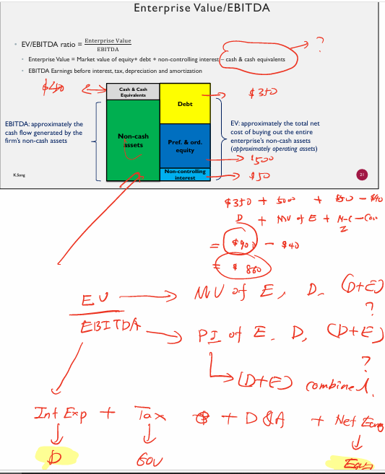
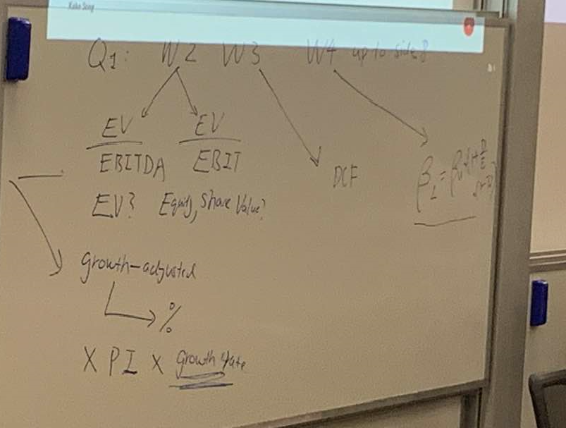

Regular Multiple= |  | EV/EBITDA | and | EV/EBIT

 | If we want to buy whole Enterprise ie all the targets equity,pay off the debt and buy all the man…ty , non controlling intereest, then EV, or if based on our buying portion it could be
total equity value, share value

Growth Adjusted Multiples=

 | how to deal with % (you can leave % aside , when multiply targets growth rate it will also have % so don’t add that % too and that will offset each other).
 | When you finshing calculating growth adjusted multiple, also need to multiply not only targets PI

 | % * PI(I eEBITDA or EBIT) * Target companys growth rate

 | Two fold staandariztaion :
 | 1st EV/EBITSA
 | 2nd divide Growth rate of targets EBITDA
 | 3rd when estimate target need to do two wing multiple (PI*Growth rate)

W3_mna valuation_DCF
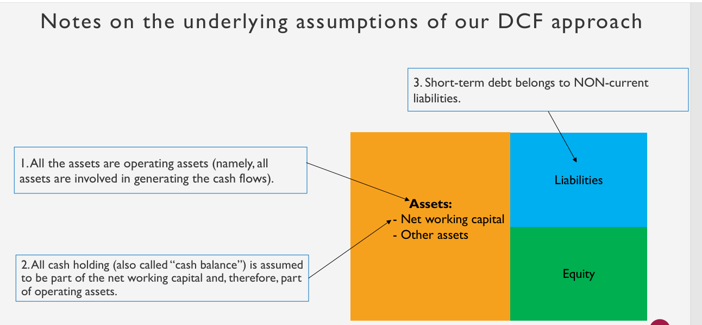
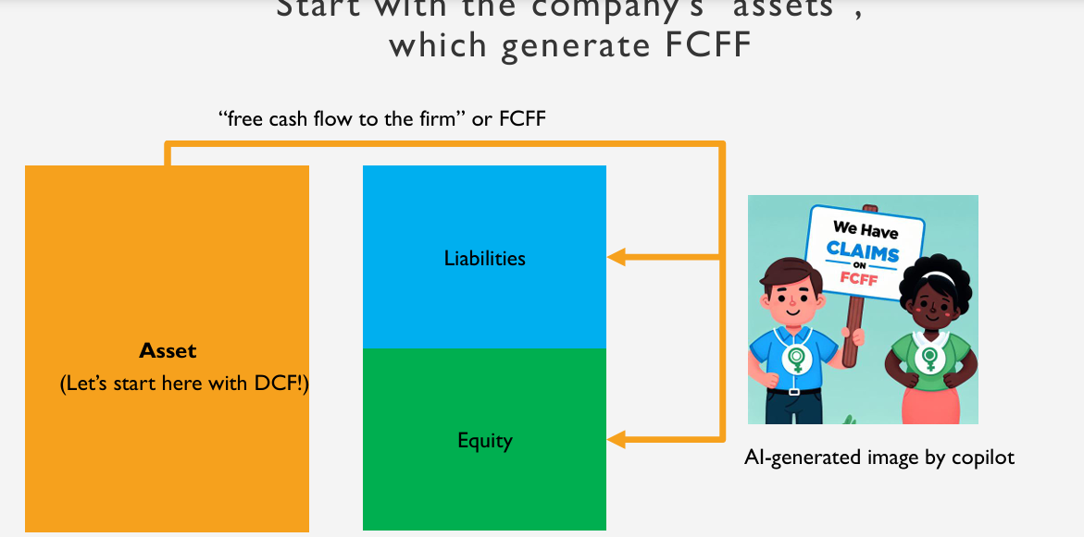
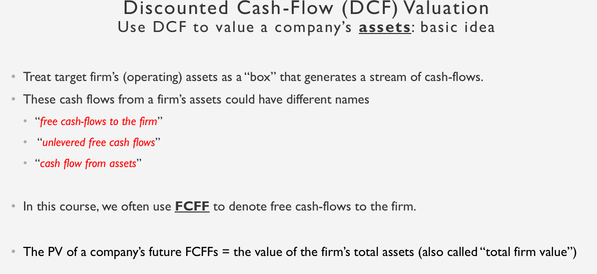
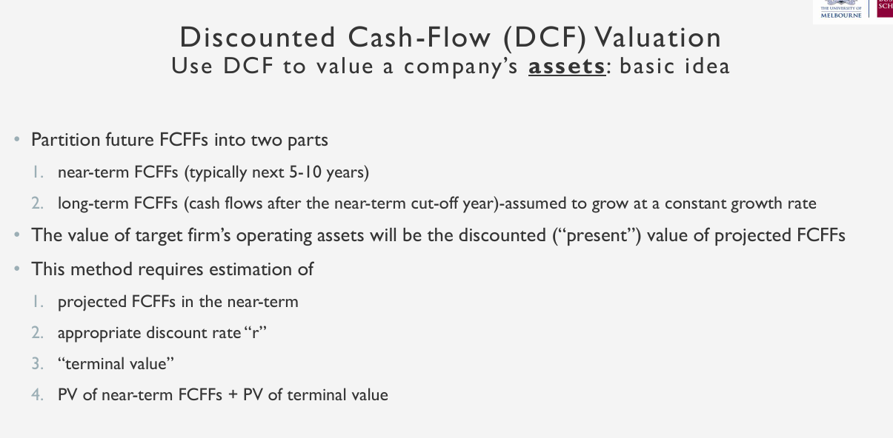
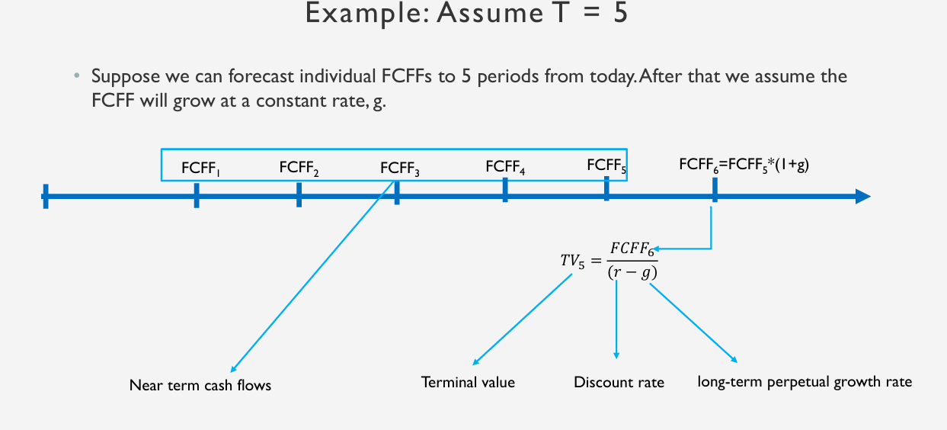
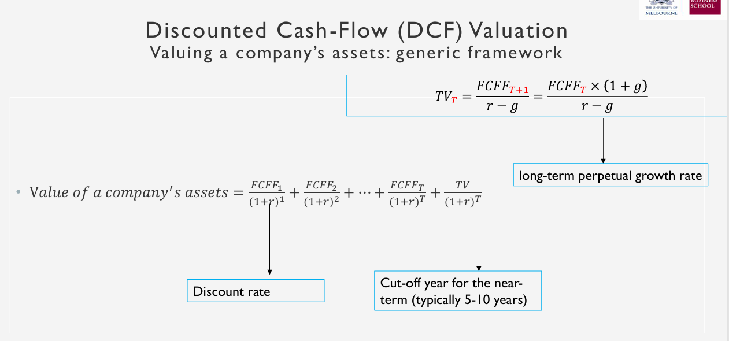
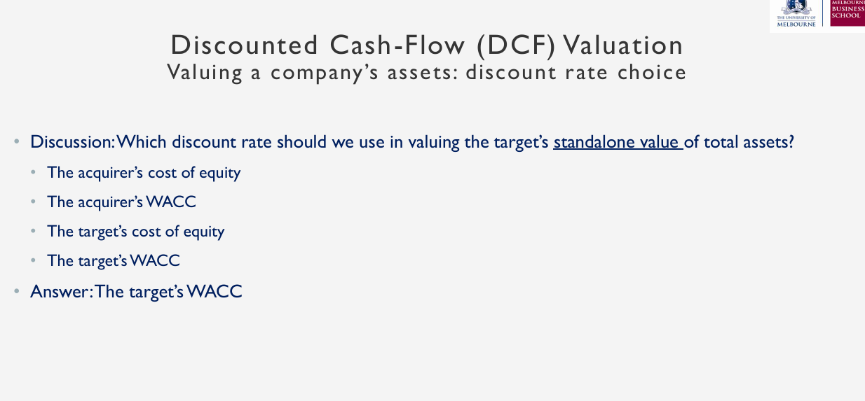
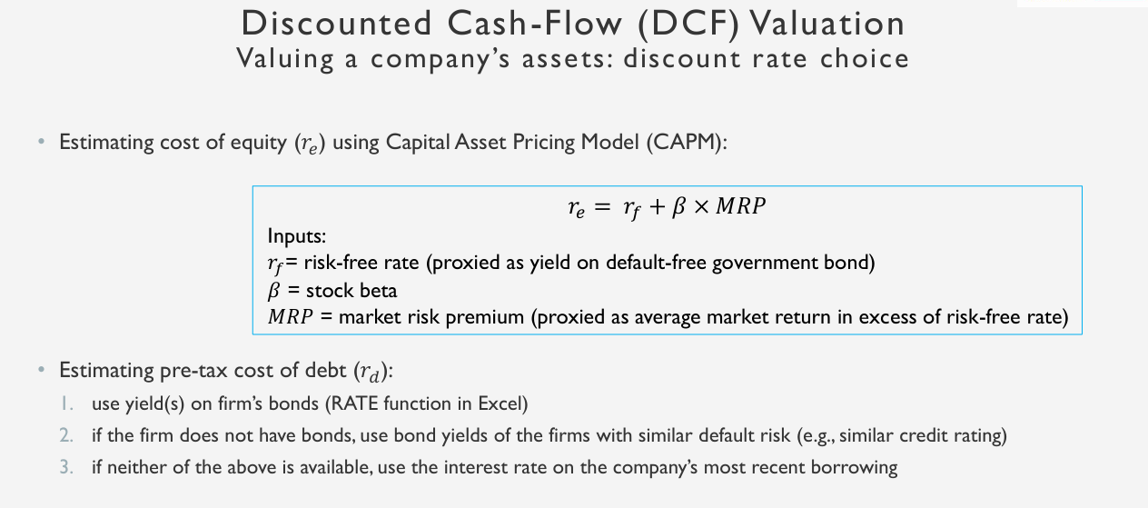
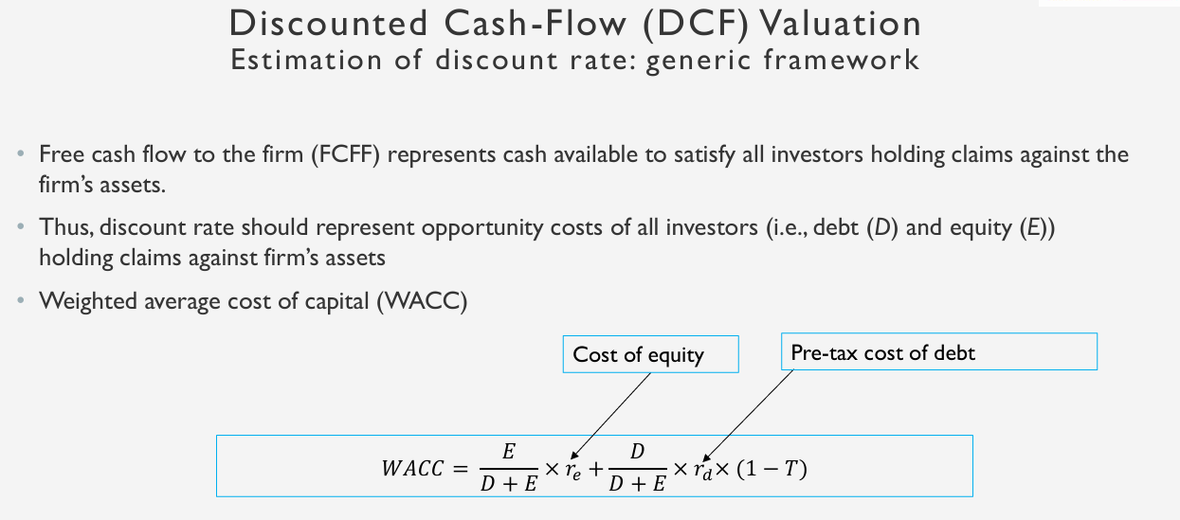
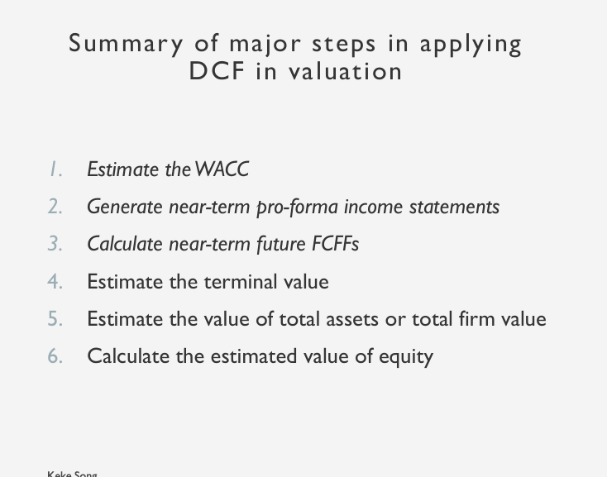
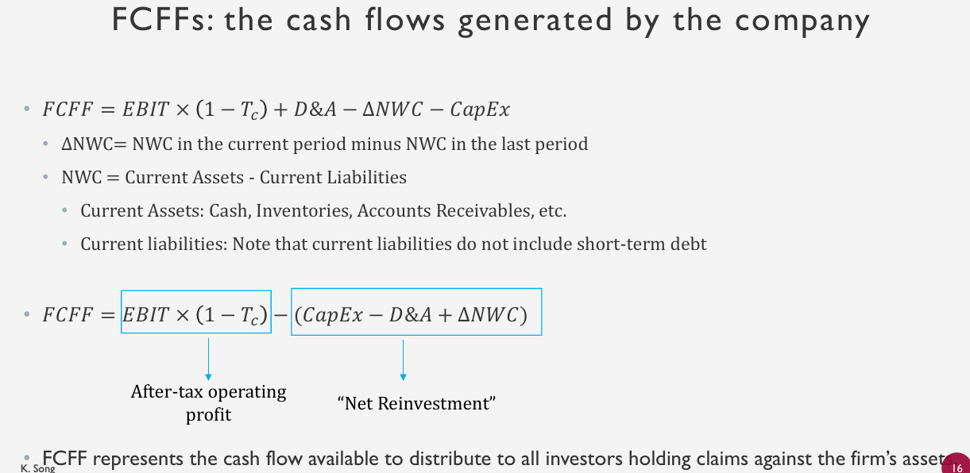
Simple Discount Cash Flow.

W4_other issu_valu_private beta
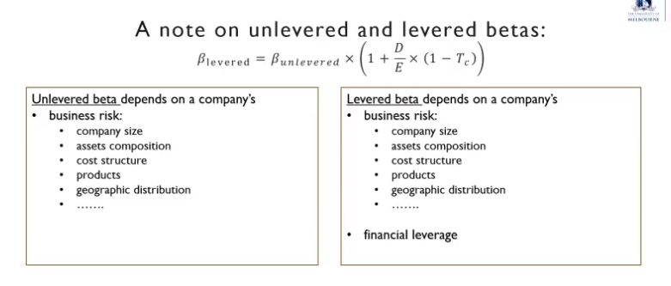
For private company's valuation: Most challenging is finding the beta

Because eprivate company don’t have a beta , because they don’t have stock return

Butr we can use sme compareable companys beta to estimate target companys beta.

Q1_practice
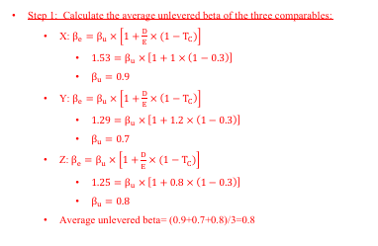
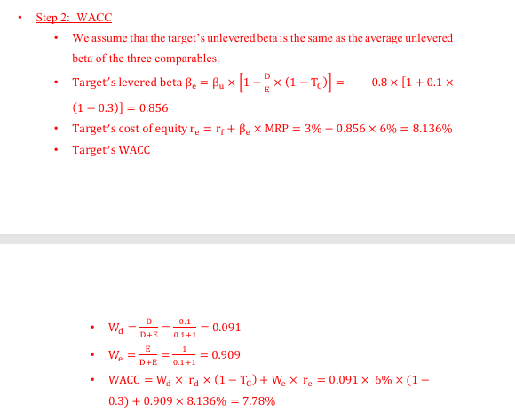
Module2: M&A valuation with multiples/comparables
Q1: what is P/E ratio?
firm name | outstanding share(m) | current share price | total debt value(m) | cash n cash equivalent(m) | non-controlling interest | net income(m) | ebitda(m)
for q1 | 20 | 5 | 50 | 5 | 0 | 10 | 20
for q2 | 20 | 5 | 50 | 5 | 0 |  | 20
for q3 | 20 | 5 | 50 | 5 | 0 | 10 | 20

Price/Earning or P/E ratio(at per share level): | price per share/earning per share(EPS) |  | :5/0.5 | :10
EPS: | Net Income(NI)/ Shares Outstanding |  | :10/20 | :0.5

P/E ratio (at firm level): | Mkt cap or total market value value of equity /NI |  | :100/10 | :10
Mkt cap: | share price * shares outstanding |  | :5*20 | :100

Q2: what is EV?

Mkt value of equity(Mkt Cap): | share price * shares outstanding |  | do
EV: | Mkt value of equity + debt+ noncontrolling interest(minority interest)- cash & cash equivalence |  | :100+50+0-5 | :$145m

Q3:What is EV/EBIDTA ?

Mkt value of equity(Mkt Cap): | share price * shares outstanding |  | do
EV: | Mkt value of equity + debt+ noncontrolling interest(minority interest)- cash & cash equivalence |  | :100+50+0-5 | :$145m
EV/EBIDTA: | :145/20 |  |  | :7.25

Q4: what is estimated share value of waypoint using compareable/multiple approach?
firmname | net income | outstanding share
Waypoint | $20m | 10m

compairable firms with similar risk and growth | P/E
A-cap Ltd | 14
Zimi ltd | 15
APN corp | 16

Avergae Multiple of compareable firm: | :(14+15+16)/3 | :15
EPS of target firm: | Net Income(NI)/ Shares Outstanding | :20/10 | :$2 per share
Estimate share value: | average multiple * EPS of target | : 15 * 2 | :$30 per share

Q5: Estimated EV using compareable/multiple approach
firmname | net income | outstanding share | EBITDA | Csah and cash equivalent | debt | Non controlling interest
Waypoint | $20m | 10m | $30m | $100m | $100m | 0

compairable firms with similar risk and growth | EV/EBITDA
A-cap Ltd | 19
Zimi ltd | 20
APN corp | 21

Avergae Multiple of compareable firm: | :(19+20+21)/3 | :20
Estimated EV | :average multiple * target's EBITDA | :20*30 | :$600ml

Q6: Estimated share value
firmname | net income | outstanding share | EBITDA | Csah and cash equivalent | debt | Non controlling interest
Waypoint | $20m | 10m | $30m | $100m | $100m | 0

compairable firms with similar risk and growth | EV/EBITDA
A-cap Ltd | 19
Zimi ltd | 20
APN corp | 21

Avergae Multiple of compareable firm: | :(19+20+21)/3 | :20
Estimated EV | :average multiple * target's EBITDA | :20*30 | :$600ml
Estimate Market value of equity or mkt cap | :EV= mkt value of equity+ debt+nonconditioning interest-cash & cash equivalent |  | :$600m=mkt value of equity+$100m+$0-$100m |  | :mkt value of equity=$600m
Estimated share value: | :mkt value of equity/ outstanding shares | :$600/10 | :$60 per share

Q7:
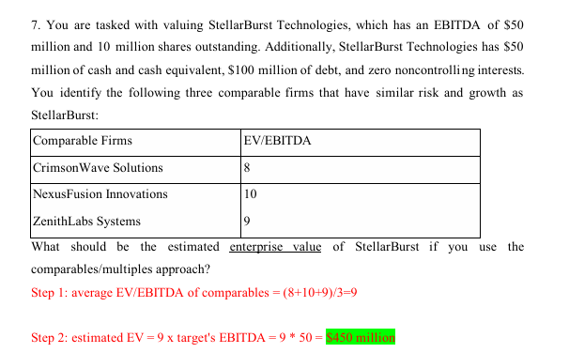

Q8:

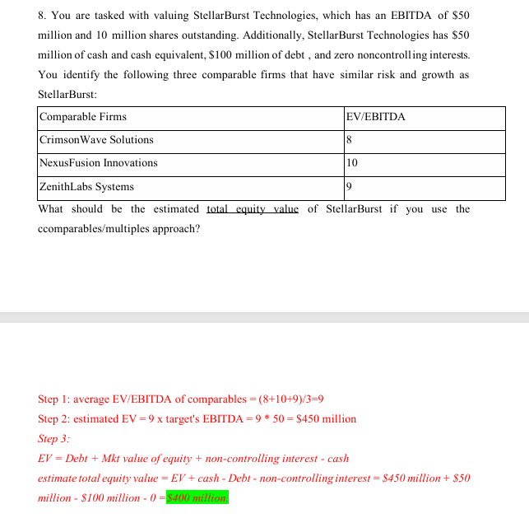

Q9:
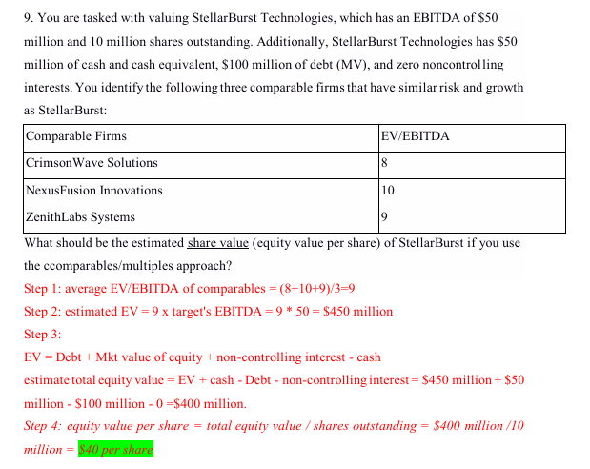

Q10:
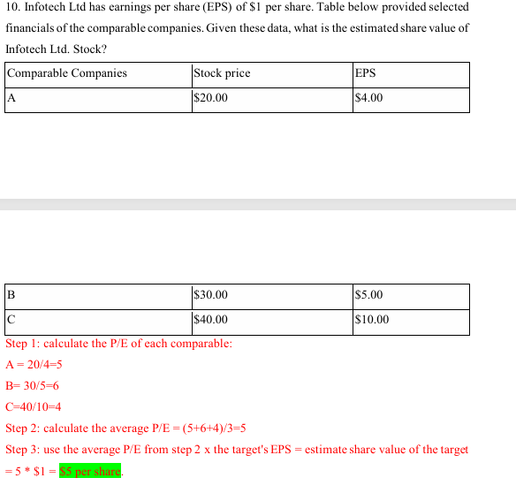

Q11:

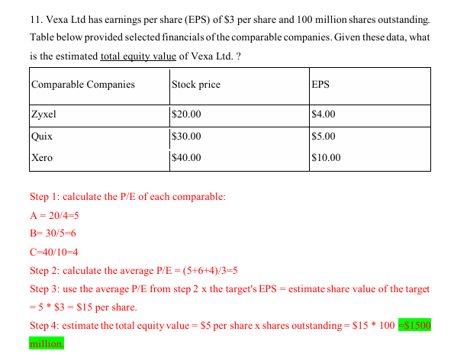

Q12:

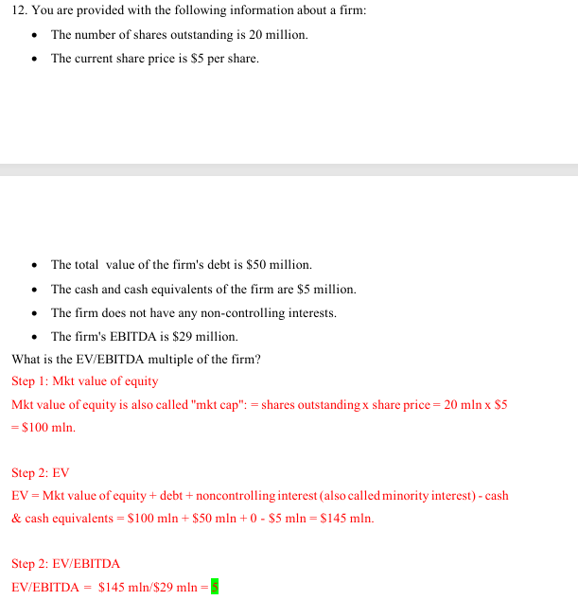

Q13:
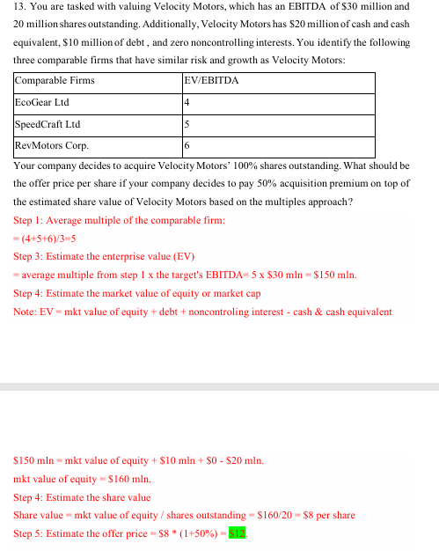

Q14:
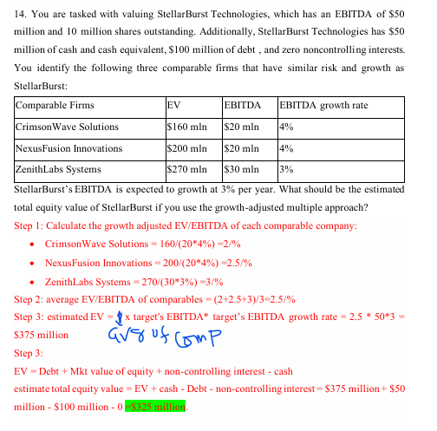

Module3: M&A valuation with DCF

Q1: What is value of unlevered target's equity
Firm | 1 year FCFF | Constatnt growth of FCFF after 1 year | WACC | Debt | non-operastional a asset
Target firm | $5 m | 4% | 12% |  | 0
Acquirer |  |  | 8% | $20m

target's WACC(to calculate standalone value of target) | 12%
value of target's asset(If the FCFFs are expected to grow at a constant rate, thwn we can use the growing perpetuity formula to calculate the value of the firm's assets) | :PV=FCFF/(WACC-g) | :5/(12%-4%) | :5/(.12-.04) | :5/.08 | :$62.5m
The target firm is unlevered so the total equity value= $62.5m

Q2: What is target's share value (equity per share)
Firm | 1 year FCFF | Constatnt growth of FCFF after 1 year | WACC | Debt | non-operastional a asset | Outstanding share
Target firm | $5 m | 4% | 12% | $12.5m | 0 | 10m
Acquirer |  |  | 8%

target's WACC(to calculate standalone value of target) | 12%
value of target's asset(If the FCFFs are expected to grow at a constant rate, thwn we can use the growing perpetuity formula to calculate the value of the firm's assets) | :PV=FCFF/(WACC-g) | :5/(12%-4%) | :5/(.12-.04) | :5/.08 | :$62.5m
Total equity value | :total firm value - debt value | :$62.5m-$12.5m | :$50m
Target share value | :equity value/outstanding share | :$50m/10m | :$5 per share

Q3:What is value of target's asset?
Firm | 1 year FCFF | after 1st year growth of FCFF for 1 year | after 2nd year growth of FCFF | Wacc | Non operating cost
Target firm | $5 m | 10% | 5% | 10% | 0%
Acquirer

FCFF2= FCFF1 *(1+10%) | :5*1.1 | :$5.5m
FCFF3= FCFF2*(1+5%) | :5.5*1.05 | :$5.775m
Terminal value at t=2 or TV2=FCFF3/(WACC-g) | :5.775/(10%-5%) | :$115.5m
Value of assets=PV of FCFF1+PV of FCFF2+PV of TV2 | :5/(1+10%)+5.5/(1+10%)^2+115.5/(1+10%)^2 | :$104.55m
 | (WACC is used as discount rate to bring future cash flow back to present value)

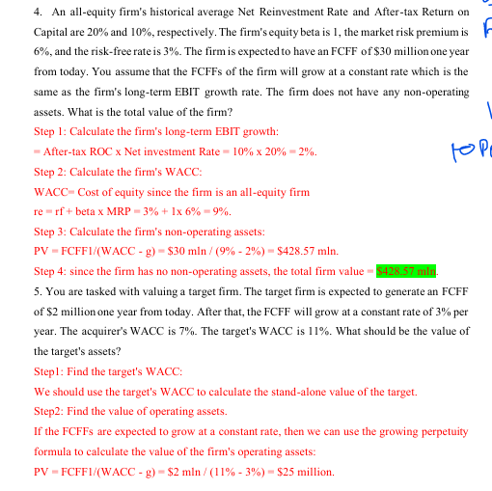

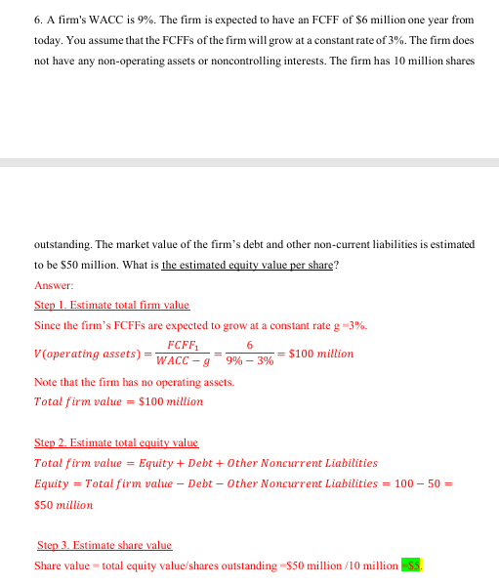

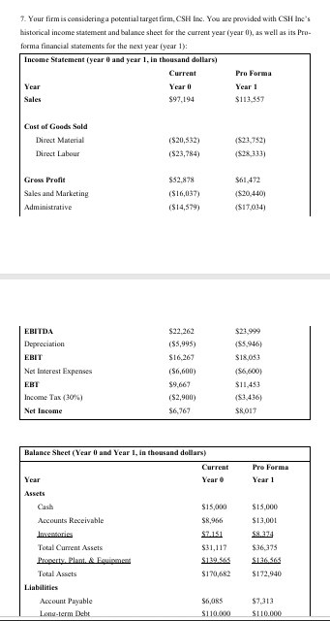

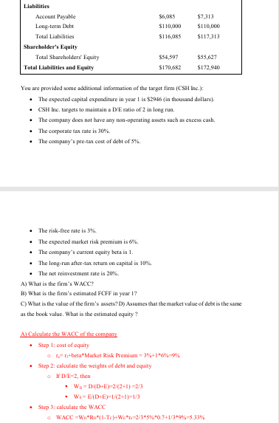

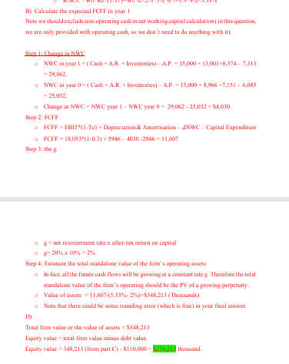

Module4: Other issue sin valuation

Q1:What is estimated Enterprise value using "sum of parts" approach?

Division | EBIDTA | EV/EBITDA multiple(compareable firms)
Semi conductor | $100m | 4
Telco | $80m | 5
Data processing | $120m | 5

Estimated EV of each division:
Semiconductors EV | :$100*4 | :$400m
Telco EV | :$80*5 | :$400m
Data Processing EV | :$120*5 | :$600m

sum-of-parts enterprise value | :(400+400+600) | :$1400m

Q2:

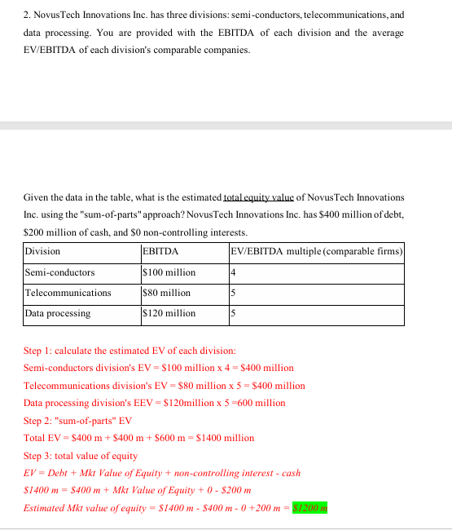

Q3:

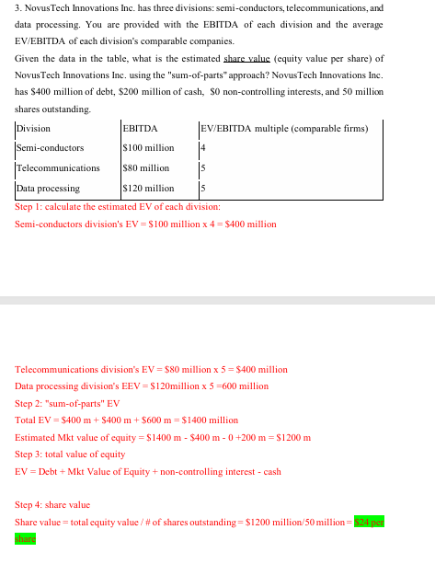

Q4:

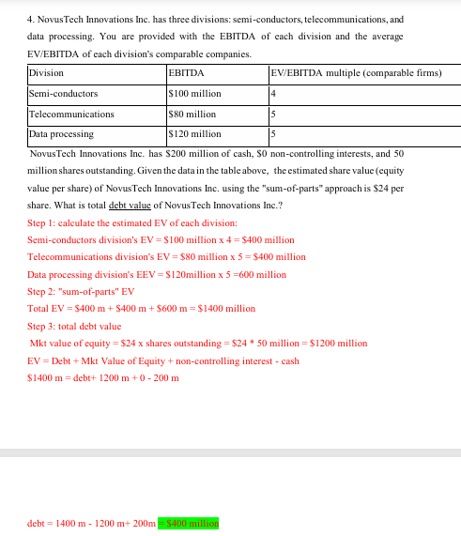

Q5:

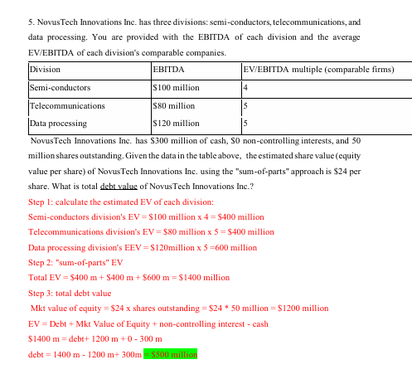

Q6:

To acuire 100% of private company Welling Inc's equity What is value of it's asset?

Firm | FCFF1(one yaear from today) | FCCF growth rate constant per yaer | Cost of Debt | Long term targeted D/E | Risk free rate | Market risk premium | Corporate tax rate | Non controlling interest | Non operating asset
Target | $5m | 3% | 6% | 0.1 | 3% | 6% | 30% | 0 | 0

By regression runninhg below are estimated beta of similar listed companies

Compareable companies | Equity Beta | D/E
X | 1.53 | 1
Y | 1.29 | 1.2
Z | 1.25 | 0.8

Ignore private company DISCOUNT

Step1: Calculate the average unlevered beta of the three compareables

