Baseplate
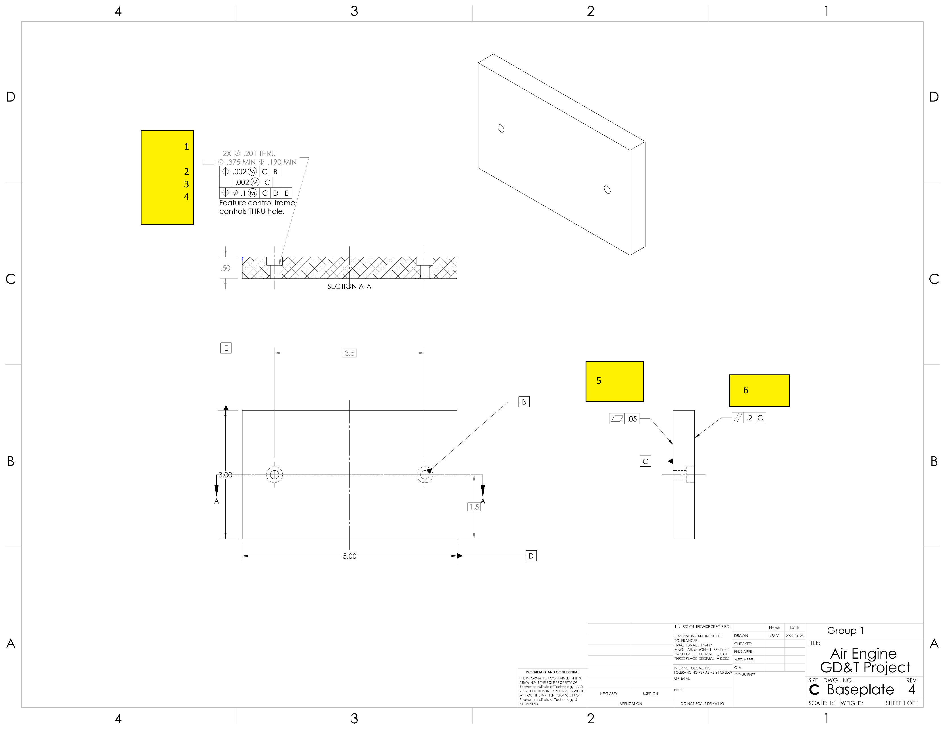

Datums
# | Name / Description | Degrees of Freedom Removed |  | Datum Simulator description |  | Is this a feature of size? | Why did you select this feature to be this datum?
 |  | Translational | Rotational
1 | C -top face | 1 | 2 | angle plate or surface plate |  | no, it's a surface | keep things perpendicular to the face
2 | B - hole | 2 | 1 | pin gage |  | yes | measure distances between the holes with datum help, but making sure things are perpendicular to B
3 | D - side face | 1 | 1 | angle plate or surface plate |  | no, it's a surface | locate the holes on the plate
4 | E - side face | 1 | 0 | angle plate or surface plate |  | no, it's a surface | locate the holes on the plate

GD&T controls applied
# | Description | Nominal Size | Total Tolerance | MMC (or Virtual Condition) | LMC | Gage | Datums Listed in FCF | Why did you apply this GD&T to this datum or feature? | Is this a feature of size? | What does the tolerance zone look like?
1 | Hole and countersink size and depth | 0.201 | 0.005 | 0.196 | 0.206 | go-nogo | NA | NA | yes | two cylinders, and the hole surface needs to be between them
2 | Hole position relative to C and B | NA | 0.002 | 0.194 | NA | functional gage with two pins | C, B | the screws need to fit relative to eachother into the holes | no | two parallel planes located by basic dimension (3.5), the hole needs to be between the planes
3 | Hole perpendicularity | NA | 0.002 | 0.194 | NA | functional gage with two pins | C | the screws need to fit relative to eachother into the holes, also the screws need to hole the frame upright | no | a narrow cylinder and the axis of the hole must pass through the ends of the cylinder
4 | hole position relative to C, D, and E | NA | 0.1 | 0.096 | NA | pin gage and calipers | C, D, E | the position of the hole should be about right so it looks neat. | no, it is the void at the center of a hole. | a cylinder positioned by basic dimensions inside the plate, and the hole's axis should be inside the cylinder.
5 | flatness on Datum C | NA | 0.05 | NA | NA | dial indicator, 3 conical jacks | none | C should be flat to not tilt the screws too much | no, it's a surface | two parallel planes with the surface between them.
6 | parallelism opposite datum C | NA | 0.2 | NA | NA | dial indicator | C | the base should be flat compared to the datum to keep the air engine upright | no, it's a surface | two parallel planes parallel to C with the surface between them
7
8
9
10

Cylinder
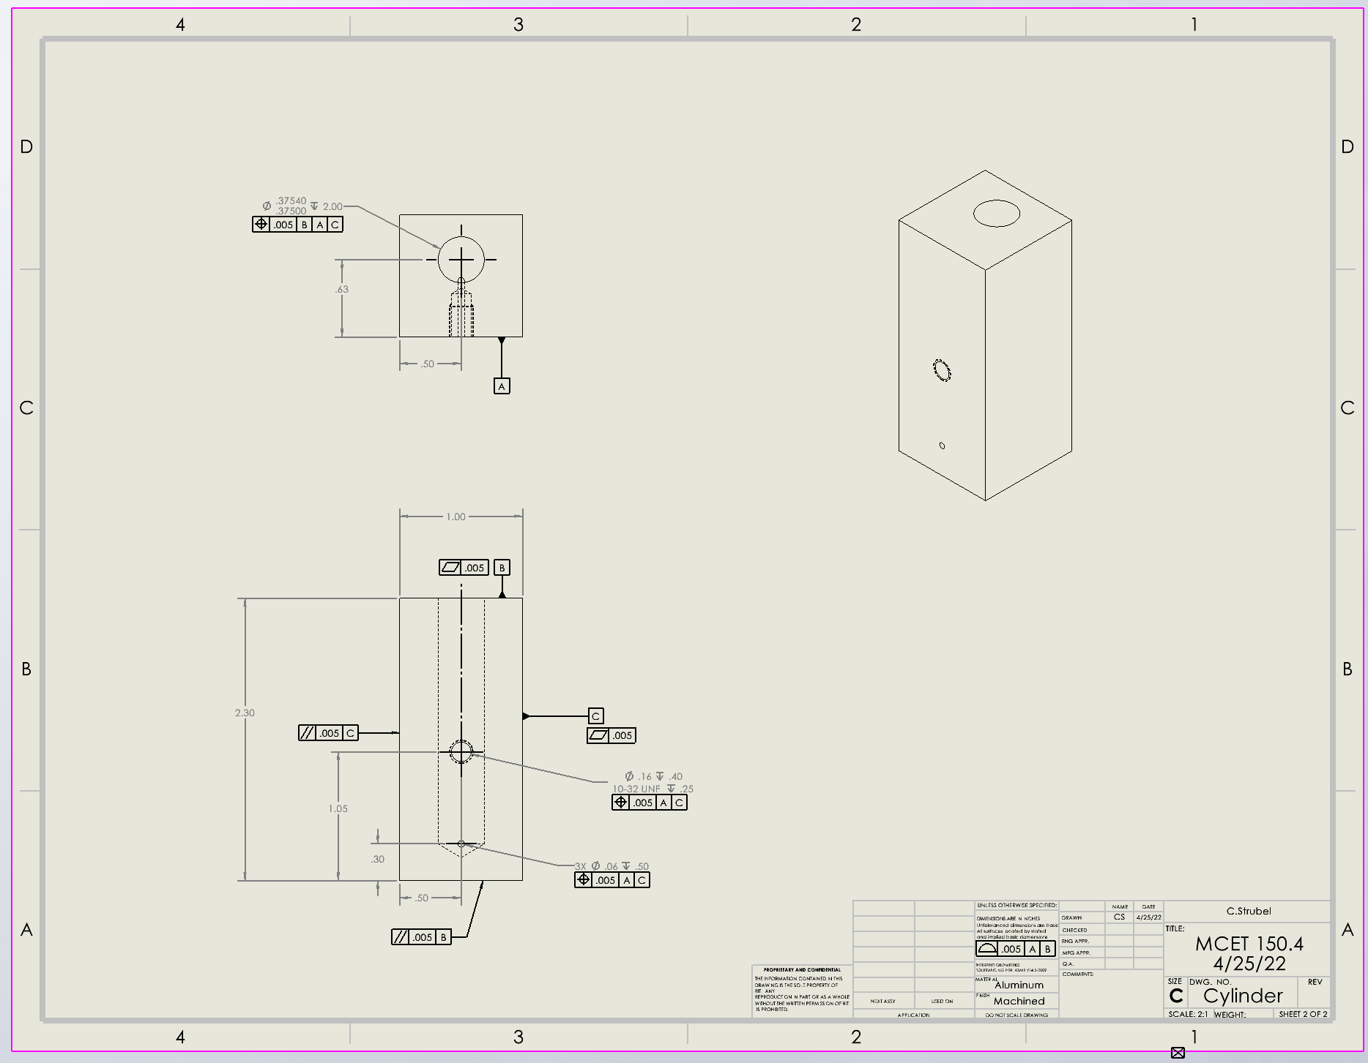

Datums
# | Name / Description | Degrees of Freedom Removed |  | Datum Simulator description |  | Is this a feature of size? | Why did you select this feature to be this datum?
 |  | Translational | Rotational
1 | A-Face with holes of cylinder | 1 | 3 | Surface plate-place face down |  | No-It is a surface | It gets rid of the most Degrees of Freedom, and it where the cylinder is placed next to the frame.
2 | B-Top face of cylinder | 0 | 1 | Angle Block- put block next to the face |  | No-It is a surface | It has the hole where the cylinder meets the piston
3 | Side of cylinder | 0 | 1 | Angle Block- But it next to the face |  | No-It is a surface | It gets rid of the last Degree of Freedom.

GD&T controls applied
# | Description | Nominal Size | Total Tolerance | MMC (or Virtual Condition) | LMC | Gage | Datums Listed in FCF | Why did you apply this GD&T to this datum or feature? | Is this a feature of size? | What does the tolerance zone look like?
1 | Position | 0.38 | 0.0004 | 0.38 | 0.38 | gage pin | 3 | The hole must be lined up with the piston going into it. | Yes | The hole must fit into the LCm and the MMC
2 | Flatness | N/A | 0.005 | N/A | N/A | Dial Indicator | 0 | The surface sits next to the baseplate | No | The surface should fall between two parallel planes .005" apart.
3 | Flatness | N/A | 0.005 | N/A | N/A | Dial Indicator | 0 | The surface sits next to the piston | No | The surface should fall between two parallel planes .005" apart.
4 | Parallel | N/A | 0.005 | N/A | N/A | Dial Indicator | 1 | The shape is a rectangle | No | The surface should fall between two parallel planes .005" apart. And parallel to Datum B
5 | Parallel | N/A | 0.005 | N/A | N/A | Dial Indicator | 1 | The shape is a rectangle | No | The surface should fall between two parallel planes .005" apart. And parallel to Datum C
6 | Position | 0.160 | 0.005 | 0.155 | 0.165 | Gage Pin & Dial Indicator | 2 | The hole must be lined up with the screw going into it. | Yes | The hole must fit into the LCm and the MMC
7 | Position | 0.06 | 0.005 | 0.055 | 0.065 | Gage Pin | 2 | The hole must be lined up with the screw going into it. | Yes | The hole must fit into the LCm and the MMC
8
9
10

Piston
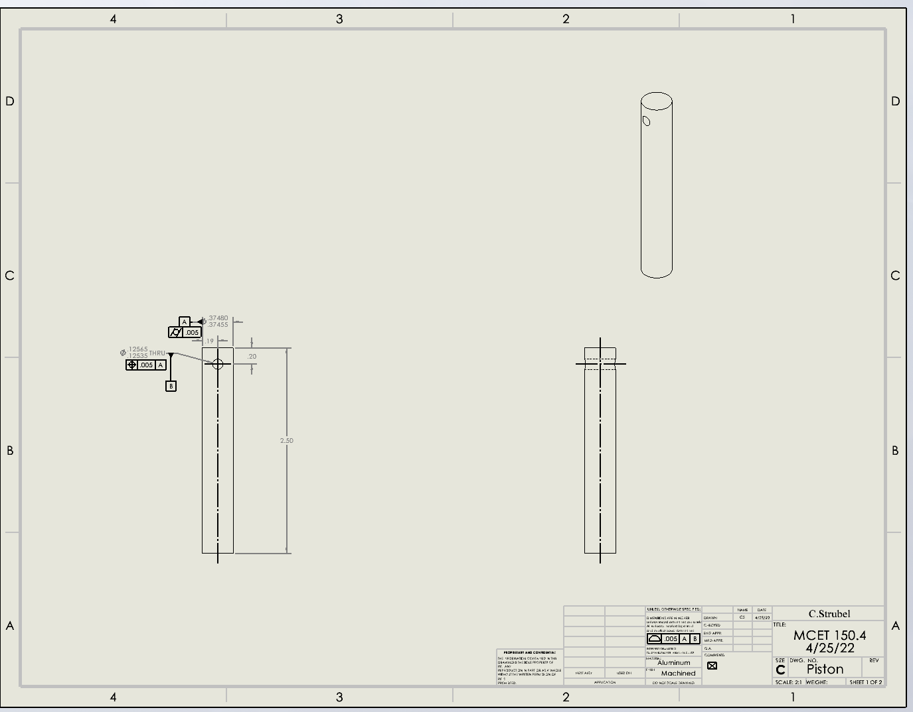

Datums
# | Name / Description | Degrees of Freedom Removed |  | Datum Simulator description |  | Is this a feature of size? | Why did you select this feature to be this datum?
 |  | Translational | Rotational
1 | A- The face of the piston | 1 | 1 | Surface plate- The face of the piston face down of the plate |  | No- It is a surface | I selected this feature to be a datum because it is what goes into the cylinder
2 | B-The outside of the hole | 2 | 2 | dowel pin-hole the piston by the hole |  | Yes | This is where the pin and the piston mates. It also gets rid of the rest of the degrees of freedom.
3

GD&T controls applied
# | Description | Nominal Size | Total Tolerance | MMC (or Virtual Condition) | LMC | Gage | Datums Listed in FCF | Why did you apply this GD&T to this datum or feature? | Is this a feature of size? | What does the tolerance zone look like?
1 | postion | 0.13 | 0.00007 | 0.37 | 0.37 | gage pin | 1 | The hole most be in the right spot to go onto the pin. | Yes | The hole must fit into the LCm and the MMC
2 | cylindricity | 2.5000 | 0.005 | 2.505 | 2.495 | caplier | 0 | The piston must not trapper, or brallel so it can fit in the cylinder. It must also be the right length to match up with the pin hole. | Yes | The tolerance must be within the length.
3
4
5
6
7
8
9
10

Flywheel
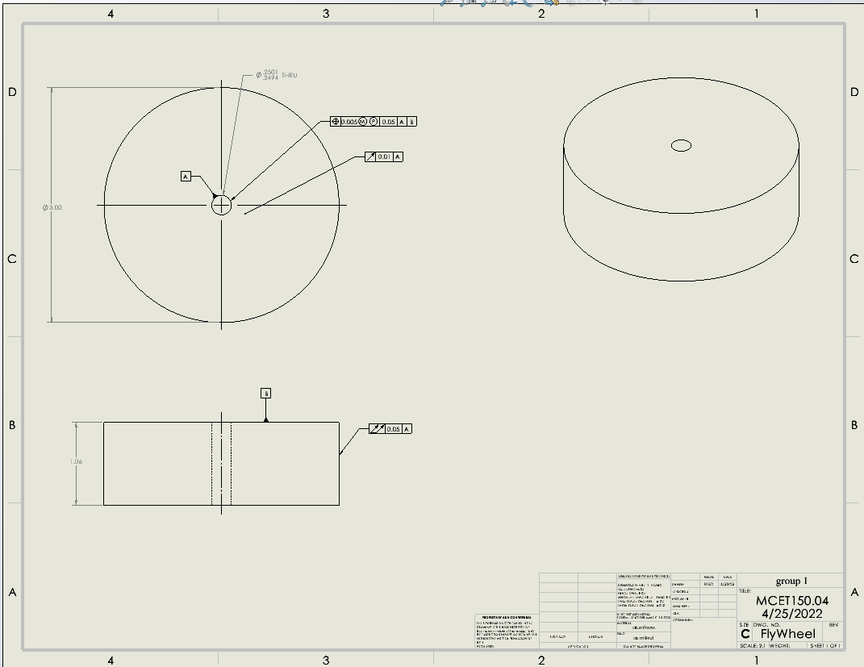

Datums
# | Name / Description | Degrees of Freedom Removed |  | Datum Simulator description |  | Is this a feature of size? | Why did you select this feature to be this datum?
 |  | Translational | Rotational
1 | Datom A | 2 | 2 | use a pin gage to check how clse to center the hole is |  | yes | because you can use it to check for both runnouts
2 | Datom B | 1 | 0 | angle block to hold it to |  | No- it’s a surface | this was the only other option on this part that was good
3

GD&T controls applied
# | Description | Nominal Size | Total Tolerance | MMC (or Virtual Condition) | LMC | Gage | Datums Listed in FCF | Why did you apply this GD&T to this datum or feature? | Is this a feature of size? | What does the tolerance zone look like?
1 | Dattom A size of hole | 0.25 | 0.0007 | 0.2494 | 0.2501 | pin gage | 0 | because it is a hole and there is vereation pluse needed to have a press fit | yes | the tolerence zone is 2 cylinder
2 | position of dattom a hole | na | 0.005 | 0.2443 | na | pin gage and dile indecator | 2 | because you can't be percice so there is vaireation | yes | 2 cylenders
3 | dattom B the face | NA | 0.01 | NA | NA | dile indecatr | 1 | it is a curcle and needed to be flat | no-it’s a face | 2 parellel planes
4 | the side of the cylender | NA | 0.05 | NA | NA | dile indecatr | 1 | it is a cylender and the sied of it needs to no be bevoled | yes | 2 parellel cylenders
5
6
7
8
9
10

Crank
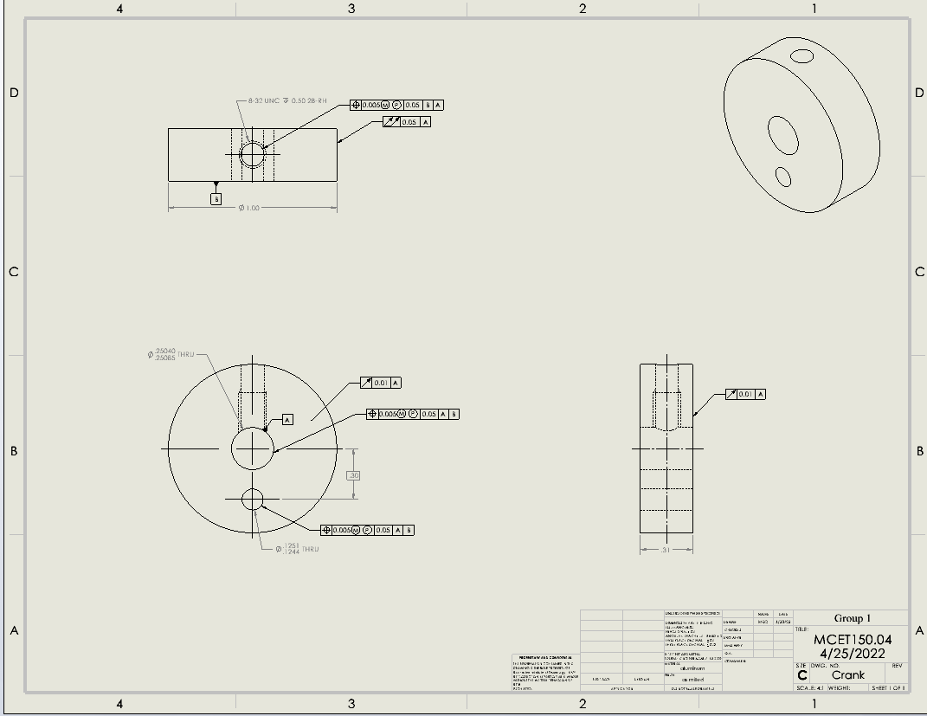

Datums
# | Name / Description | Degrees of Freedom Removed |  | Datum Simulator description |  | Is this a feature of size? | Why did you select this feature to be this datum?
 |  | Translational | Rotational
1 | Dattom A | 2 | 2 | pin gage will go into the hole and hold it so someone can measure it |  | yes | because you can use it to check for both runnouts
2 | Dattom B | 1 | 0 | angle block |  | no-it’s a face | this was the only other option on this part that was good
3

GD&T controls applied
# | Description | Nominal Size | Total Tolerance | MMC (or Virtual Condition) | LMC | Gage | Datums Listed in FCF | Why did you apply this GD&T to this datum or feature? | Is this a feature of size? | What does the tolerance zone look like?
1 | Dattom A hole | 0.25 | 0.00045 | 0.25040 | 0.25 | gage pins | 0 | there is always veriation with hole size | yes | 2 cylenders
2 | position of dattom A | NA | 0.005 | 0.24455 | NA | gage pin and dile indecator | 2 | there is always veriation with holes positions | yes | cylender
3 | the off set hole | 0.125 | 0.0007 | 0.1244 | 0.1251 | gage pins | 0 | there is always veriation with hole size | yes | 2 cylenders
4 | position of the off set hole | NA | 0.005 | 0.01 | NA | gage pin and dile indecator | 2 | there is always veriation with holes positions | yes | 2 cylenders
5 | the front face Dattom B | NA | 0.01 | NA | NA | dile indecator | 1 | there needs to be a controle of the flasness but it rely only needs to be in a spot | No- it’s a face | 2 parellel planes
6 | the opiest face to thr front face | NA | 0.01 | NA | NA | dile indecator | 1 | there needs to be a controle of the flasness but it rely only needs to be in a spot | No- it’s a face | 2 parellel planes
7 | position of the top hole | NA | 0.005 | 0.243 | NA | gage pin and dile indecator | 2 | there is always veriation with holes positions | yes | 2 cylenders
8 | the side of the cylender | NA | 0.05 | NA | NA | dile indecator | 1 | it is a cylender and the sied of it needs to no be bevoled | yes | 2 pairellel cylenders
9
10

