Flywheel
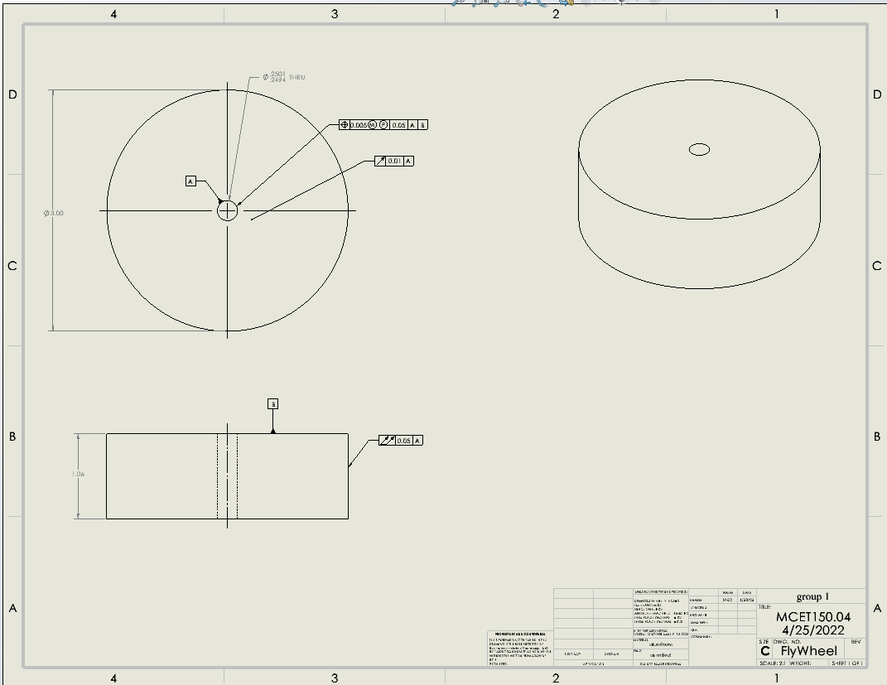

Datums
# | Name / Description | Degrees of Freedom Removed |  | Datum Simulator description |  | Is this a feature of size? | Why did you select this feature to be this datum?
 |  | Translational | Rotational
1 | Datom A | 2 | 2 | use a pin gage to check how clse to center the hole is |  | yes | because you can use it to check for both runnouts
2 | Datom B | 1 | 0 | angle block to hold it to |  | No- it’s a surface | this was the only other option on this part that was good
3

GD&T controls applied
# | Description | Nominal Size | Total Tolerance | MMC (or Virtual Condition) | LMC | Gage | Datums Listed in FCF | Why did you apply this GD&T to this datum or feature? | Is this a feature of size? | What does the tolerance zone look like?
1 | Dattom A size of hole | 0.25 | 0.0007 | 0.2494 | 0.2501 | pin gage | 0 | because it is a hole and there is vereation pluse needed to have a press fit | yes | the tolerence zone is 2 cylinder
2 | position of dattom a hole | na | 0.005 | 0.2443 | na | pin gage and dile indecator | 2 | because you can't be percice so there is vaireation | yes | 2 cylenders
3 | dattom B the face | NA | 0.01 | NA | NA | dile indecatr | 1 | it is a curcle and needed to be flat | no-it’s a face | 2 parellel planes
4 | the side of the cylender | NA | 0.05 | NA | NA | dile indecatr | 1 | it is a cylender and the sied of it needs to no be bevoled | yes | 2 parellel cylenders
5
6
7
8
9
10

Crank
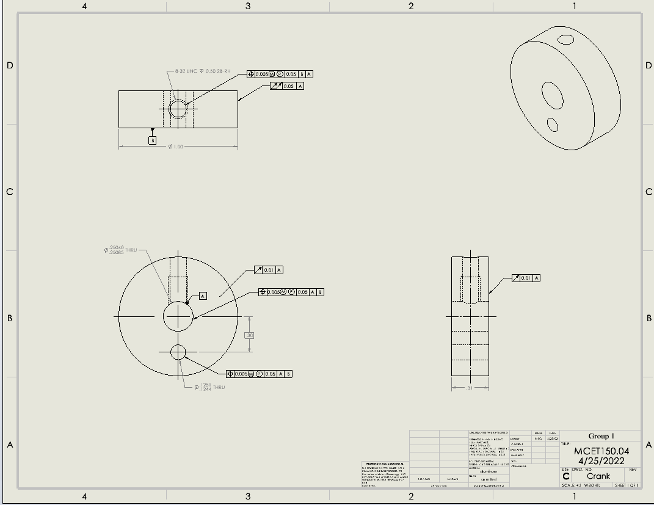

Datums
# | Name / Description | Degrees of Freedom Removed |  | Datum Simulator description |  | Is this a feature of size? | Why did you select this feature to be this datum?
 |  | Translational | Rotational
1 | Dattom A | 2 | 2 | pin gage will go into the hole and hold it so someone can measure it |  | yes | because you can use it to check for both runnouts
2 | Dattom B | 1 | 0 | angle block |  | no-it’s a face | this was the only other option on this part that was good
3

GD&T controls applied
# | Description | Nominal Size | Total Tolerance | MMC (or Virtual Condition) | LMC | Gage | Datums Listed in FCF | Why did you apply this GD&T to this datum or feature? | Is this a feature of size? | What does the tolerance zone look like?
1 | Dattom A hole | 0.25 | 0.00045 | 0.25040 | 0.25 | gage pins | 0 | there is always veriation with hole size | yes | 2 cylenders
2 | position of dattom A | NA | 0.005 | 0.24455 | NA | gage pin and dile indecator | 2 | there is always veriation with holes positions | yes | cylender
3 | the off set hole | 0.125 | 0.0007 | 0.1244 | 0.1251 | gage pins | 0 | there is always veriation with hole size | yes | 2 cylenders
4 | position of the off set hole | NA | 0.005 | 0.01 | NA | gage pin and dile indecator | 2 | there is always veriation with holes positions | yes | 2 cylenders
5 | the front face Dattom B | NA | 0.01 | NA | NA | dile indecator | 1 | there needs to be a controle of the flasness but it rely only needs to be in a spot | No- it’s a face | 2 parellel planes
6 | the opiest face to thr front face | NA | 0.01 | NA | NA | dile indecator | 1 | there needs to be a controle of the flasness but it rely only needs to be in a spot | No- it’s a face | 2 parellel planes
7 | position of the top hole | NA | 0.005 | 0.243 | NA | gage pin and dile indecator | 2 | there is always veriation with holes positions | yes | 2 cylenders
8 | the side of the cylender | NA | 0.05 | NA | NA | dile indecator | 1 | it is a cylender and the sied of it needs to no be bevoled | yes | 2 pairellel cylenders
9
10

