Cylinder
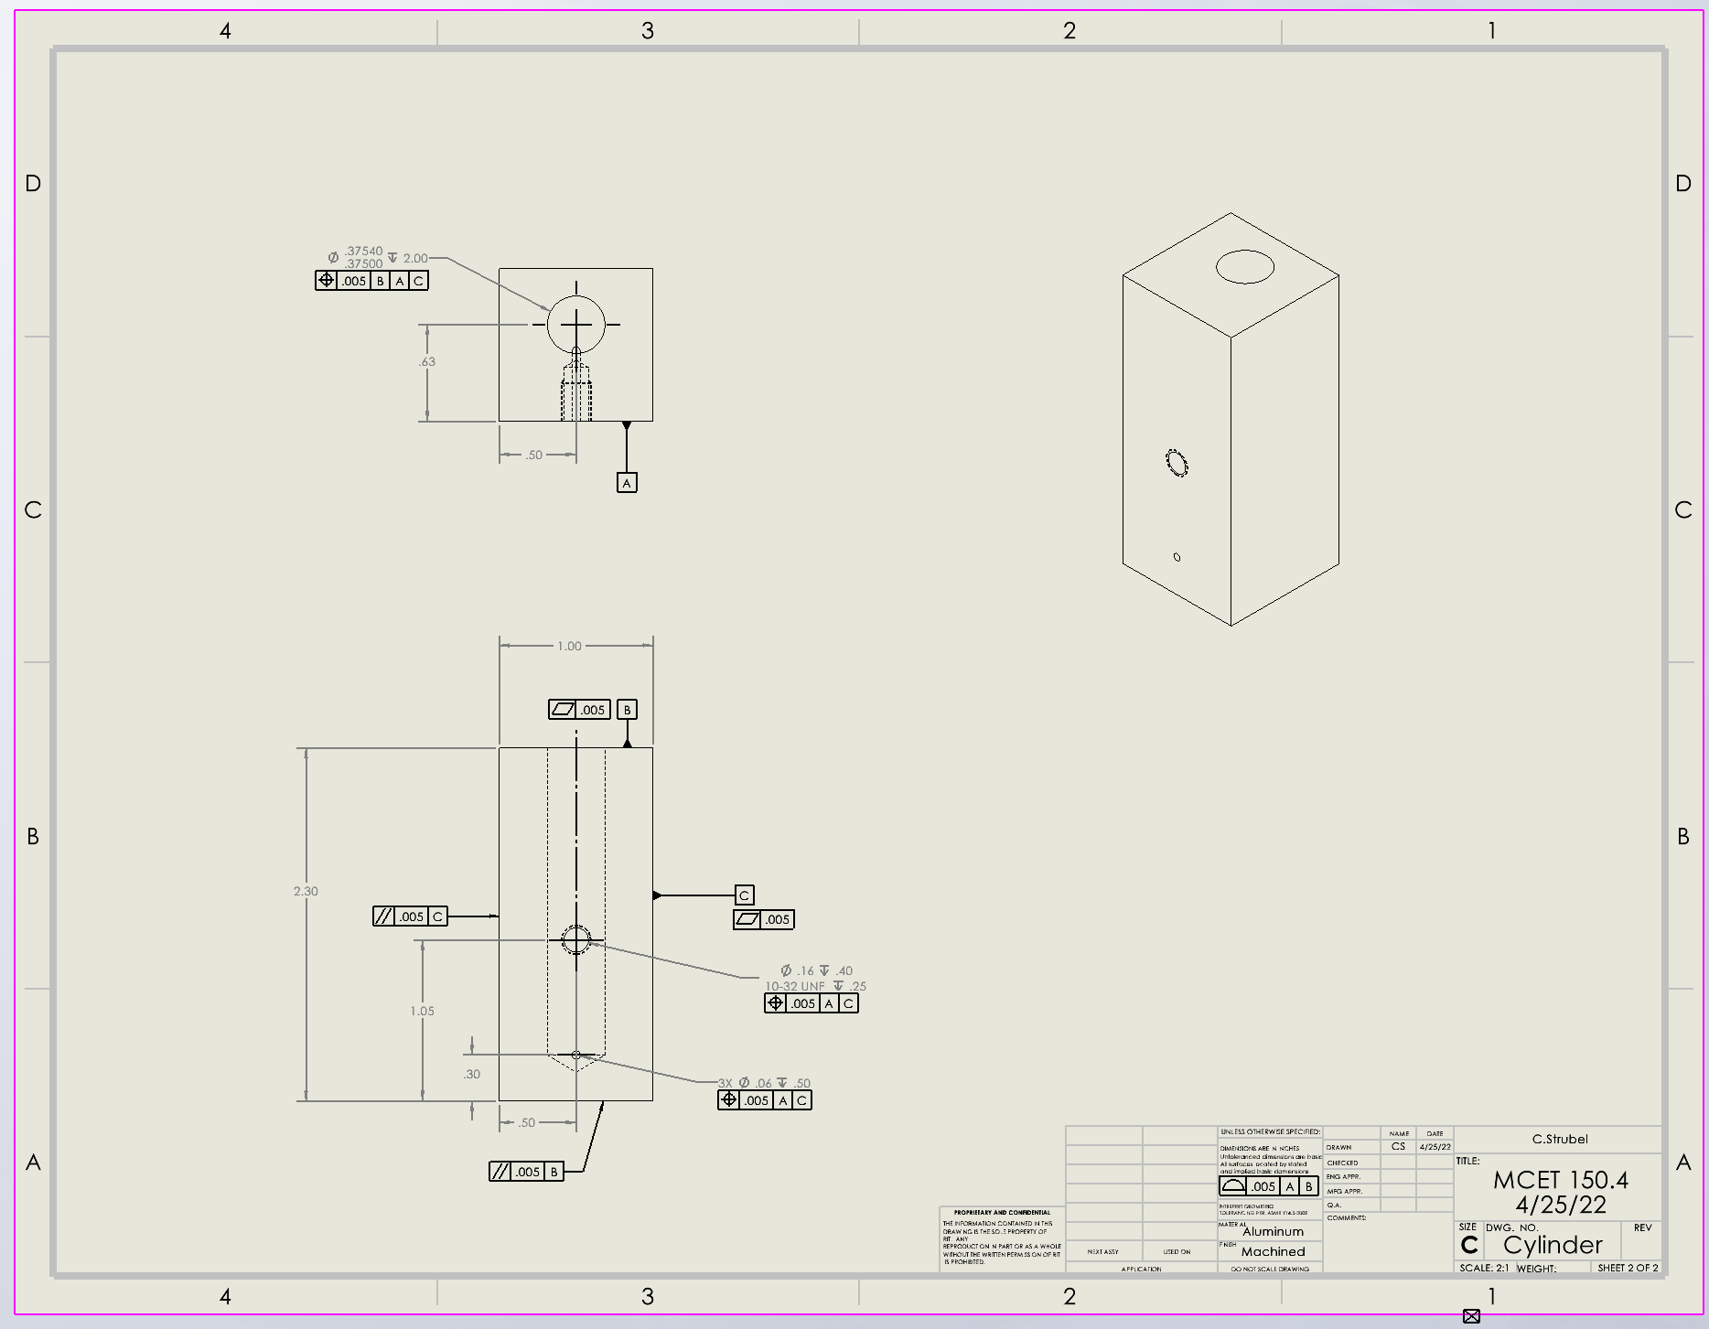

Datums
# | Name / Description | Degrees of Freedom Removed |  | Datum Simulator description |  | Is this a feature of size? | Why did you select this feature to be this datum?
 |  | Translational | Rotational
1 | A-Face with holes of cylinder | 1 | 3 | Surface plate-place face down |  | No-It is a surface | It gets rid of the most Degrees of Freedom, and it where the cylinder is placed next to the frame.
2 | B-Top face of cylinder | 0 | 1 | Angle Block- put block next to the face |  | No-It is a surface | It has the hole where the cylinder meets the piston
3 | Side of cylinder | 0 | 1 | Angle Block- But it next to the face |  | No-It is a surface | It gets rid of the last Degree of Freedom.

GD&T controls applied
# | Description | Nominal Size | Total Tolerance | MMC (or Virtual Condition) | LMC | Gage | Datums Listed in FCF | Why did you apply this GD&T to this datum or feature? | Is this a feature of size? | What does the tolerance zone look like?
1 | Position | 0.38 | 0.0004 | 0.38 | 0.38 | gage pin | 3 | The hole must be lined up with the piston going into it. | Yes | The hole must fit into the LCm and the MMC
2 | Flatness | N/A | 0.005 | N/A | N/A | Dial Indicator | 0 | The surface sits next to the baseplate | No | The surface should fall between two parallel planes .005" apart.
3 | Flatness | N/A | 0.005 | N/A | N/A | Dial Indicator | 0 | The surface sits next to the piston | No | The surface should fall between two parallel planes .005" apart.
4 | Parallel | N/A | 0.005 | N/A | N/A | Dial Indicator | 1 | The shape is a rectangle | No | The surface should fall between two parallel planes .005" apart. And parallel to Datum B
5 | Parallel | N/A | 0.005 | N/A | N/A | Dial Indicator | 1 | The shape is a rectangle | No | The surface should fall between two parallel planes .005" apart. And parallel to Datum C
6 | Position | 0.160 | 0.005 | 0.155 | 0.165 | Gage Pin & Dial Indicator | 2 | The hole must be lined up with the screw going into it. | Yes | The hole must fit into the LCm and the MMC
7 | Position | 0.06 | 0.005 | 0.055 | 0.065 | Gage Pin | 2 | The hole must be lined up with the screw going into it. | Yes | The hole must fit into the LCm and the MMC
8
9
10

Piston
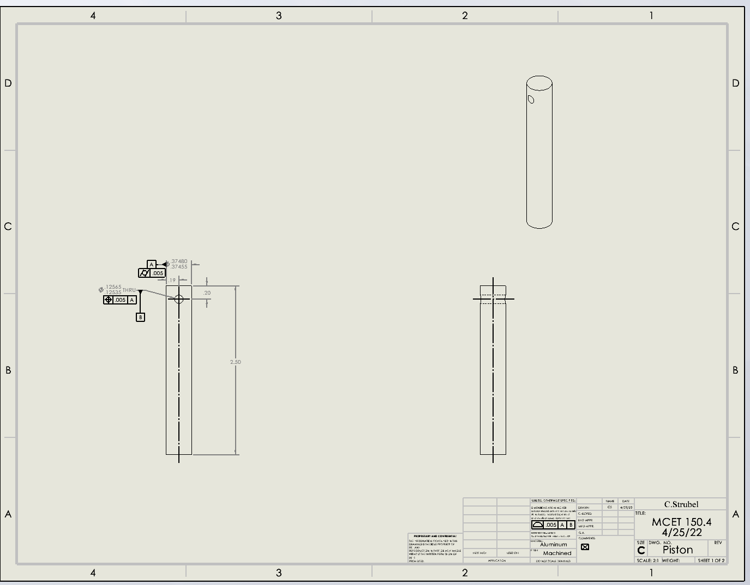

Datums
# | Name / Description | Degrees of Freedom Removed |  | Datum Simulator description |  | Is this a feature of size? | Why did you select this feature to be this datum?
 |  | Translational | Rotational
1 | A- The face of the piston | 1 | 1 | Surface plate- The face of the piston face down of the plate |  | No- It is a surface | I selected this feature to be a datum because it is what goes into the cylinder
2 | B-The outside of the hole | 2 | 2 | dowel pin-hole the piston by the hole |  | Yes | This is where the pin and the piston mates. It also gets rid of the rest of the degrees of freedom.
3

GD&T controls applied
# | Description | Nominal Size | Total Tolerance | MMC (or Virtual Condition) | LMC | Gage | Datums Listed in FCF | Why did you apply this GD&T to this datum or feature? | Is this a feature of size? | What does the tolerance zone look like?
1 | postion | 0.13 | 0.00007 | 0.37 | 0.37 | gage pin | 1 | The hole most be in the right spot to go onto the pin. | Yes | The hole must fit into the LCm and the MMC
2 | cylindricity | 2.5000 | 0.005 | 2.505 | 2.495 | caplier | 0 | The piston must not trapper, or brallel so it can fit in the cylinder. It must also be the right length to match up with the pin hole. | Yes | The tolerance must be within the length.
3
4
5
6
7
8
9
10

