Baseplate
Place Picture of drawing here

Datums
# | Name / Description | Degrees of Freedom Removed |  | Datum Simulator description |  | Is this a feature of size? | Why did you select this feature to be this datum?
 |  | Translational | Rotational
1
2
3
4

GD&T controls applied
# | Description | Nominal Size | Total Tolerance | MMC (or Virtual Condition) | LMC | Gage | Datums Listed in FCF | Why did you apply this GD&T to this datum or feature? | Is this a feature of size? | What does the tolerance zone look like?
1
2
3
4
5
6
7
8
9
10

Frame
Place Picture of drawing here

Datums
# | Name / Description | Degrees of Freedom Removed |  | Datum Simulator description |  | Is this a feature of size? | Why did you select this feature to be this datum?
 |  | Translational | Rotational
1 | B - screw hole | 2 | 2 | threaded pin gage with a ground cylinder on its end |  | yes | precise distance to other screw hole
2 | A - bottom face | 1 | 2 | flat face of part |  | no | important distance to baseplate
3 | C - front face | 1 | 2 | flat face of part |  | no | enforce perpendicularity to face
4 | D - side face | 1 | 2 | flat face of part |  | no | precise distances between holes

GD&T controls applied |  |  |  |  |  |  |  | Degrees of Freedom Removed
# | Description | Nominal Size | Total Tolerance | MMC (or Virtual Condition) | LMC | Gage | Datums Listed in FCF | Translational | Rotational | Why did you apply this GD&T to this datum or feature? | Is this a feature of size? | What does the tolerance zone look like?
1 | Oil Embedded Flange Hole Position relative to A | NA | 0.002 | 0.37425 | NA | Height Gage, or a functional gage with a pin in the hole and the extension of the pin must fit in a slot | C ,A | 2 | 2 | the vertical height of this hole affects the angles at which the cylinder opens and closes its air hole. | no, it is the void at the center of a hole. | a rectangular prism 0.1 in (horizontal) x 0.002 in (vertical) x 0.5 in (thick), where the axis of the hole must be inside the volume.
2 | Oil Embedded Flange Hole Position relative to D | NA | 0.1 | 0.27625 | NA | Height Gage, or a functional gage with a pin in the hole and the extension of the pin must fit in a slot | C, D | 2 | 2 | the horizontal position of this hole affects the depth to which the piston moves during a stroke, and there is a lot of wiggle room available in the assembly for the depth to vary, so it has a large tolerance | no, it is the void at the center of a hole.
3 | Oil Embedded Flange Hole Size | 0.377 | 0.00135 | 0.37625 | 0.37490 | go/nogo | NA |  |  | NA | yes | The Size of the feature cannot be any bigger than MMC and no smaller than Min.
4 | Cylinder Air Exhaust Hole Size | 0.159 | 0.005 | 0.154 | 0.164 | go/nogo | NA |  |  | NA | yes | The Size of the feature cannot be any bigger than MMC and no smaller than Min.
5 | Cylinder Air Exhaust Hole Position | NA | 0.005 | 0.149 | NA | Height gage | C, D, A | 3 | 3 | The position of this hole affects when the exhaust occurs and how long it lasts. | no, it is the void at the center of a hole. | The axis of the feature must fall within a cylindrical tolerance zone with a diameter of 0.005. The zone will be located relative to the Datums by the basic dimensions.
6
7
8
9
10
11
12
13
14
15
16

Example
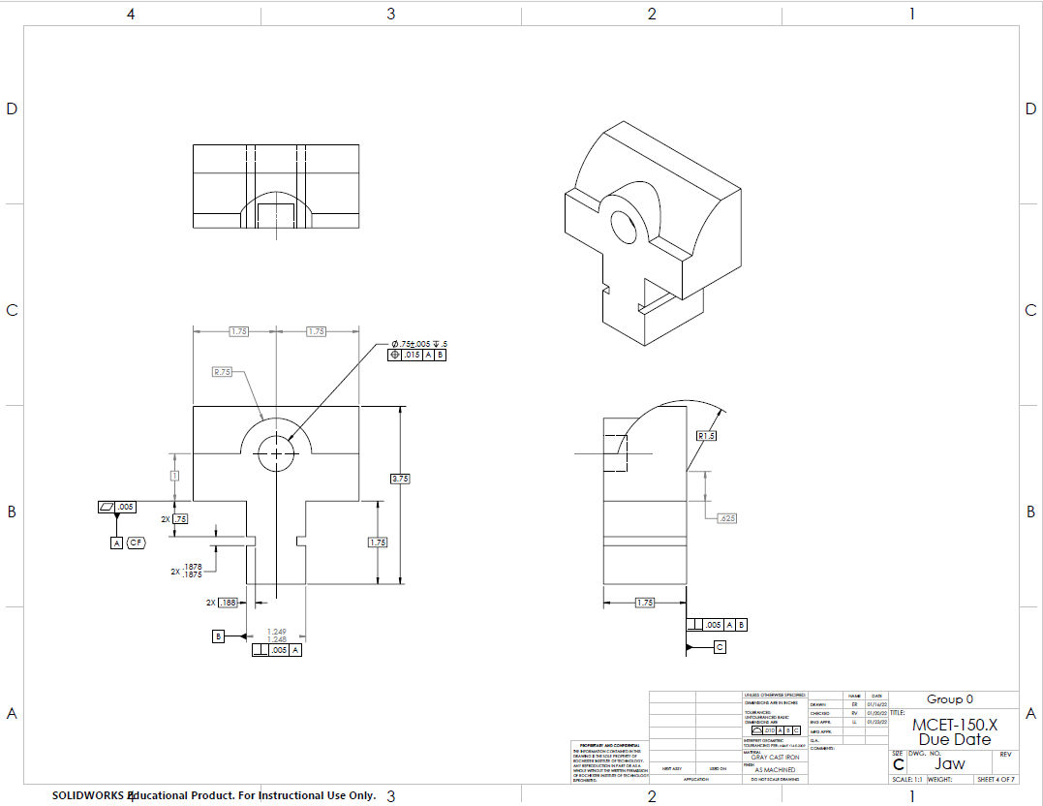
1
2
3
4
5v
6

Datums
# | Name / Description | Degrees of Freedom Removed |  | Datum Simulator description |  | Is this a feature of size? | Why did you select this feature to be this datum?
 |  | Translational | Rotational
1 | Datum A | 1 | 2 | Two angle blocks positioned so Datum A will contact each of them. |  | No -- it is a surface | This surface sits on the base and orients the part in space.
2 | Datum B | 1 | 1 | Same angle blocks used above, positioned so they also contact both sides of Datum B. |  | Yes | This feature stops the part from moving side to side and rotating.
3 | Datum C | 1 | 0 | An additional angle block positioned to contact the Datum C feature. |  | No -- it is a surface | This surface does not remove a DOF in the assembly but it is the surface that contacts the part.

GD&T controls applied
# | Description | Nominal Size | Total Tolerance | MMC (or Virtual Condition) | LMC | Gage | Datums Listed in FCF | Why did you apply this GD&T to this datum or feature? | Is this a feature of size? | What does the tolerance zone look like?
1 | Datum A Flatness | NA | 0.005 | NA | NA | Dial Indicator | 0 | This surface sits on the flats of the base and needs to make good contact so it stays level. | No -- it is a surface | The surface should fall between two parallel planes .005" apart.
2 | Datum B Size | 1.2485 | 0.001 | 1.249 | 1.248 | Calipers | 0 | NA | Yes | The Size of the feature cannot be any bigger than MMC and no smaller than Min.
3 | Datum B Perpendicularity | NA | 0.005 | 1.254 | NA | Dial Indicator | 1 | This feature mates with the slot in the base. If it tips too much it will keep Datum A from full contact with its mating surface. | Yes | The derived median plane of the feature must fall between two parallel planes that are .005" apart and perpendicular to datum A.
4 | Datum C Perpendicularity | NA | 0.005 | NA | NA | Dial Indicator | 2 | If it is not perpendicular to Datums A & B it will not properly contact the material being clamped. | No -- it is a surface | The surface should fall between two parallel planes that are .005" apart and perpendicular to Datums A and B.
5 | Size of the hole that the screw mates with | 0.750 | 0.01 | 0.745 | 0.755 | Gage Pin | 0 | NA | Yes | The Size of the feature cannot be any bigger than MMC and no smaller than Min.
6 | Position of the hole that mates with the screw | NA | 0.015 | 0.73 | NA | Gage Pin & Dial Indicator | 2 | The screw mates with this hole, so its location is important to ensure the components will assemble. | Yes | The axis of the feature must fall within a cylindrical tolerance zone with a diameter of 0.015. The zone will be located relative to the Datums by the basic dimensions.
7 | Position of the top, front, bottom, side, etc surfaces | NA | 0.01 | NA | NA | Height Gage | 3 | To control the length, width, and height of the outside of the part. | No -- they are surfaces | The tolerance zones for each of these features are two planes offset from the nominal locations by half the amoung of tolerance given in the FCF (Feature Control Frame).
8
9
10

