Baseplate
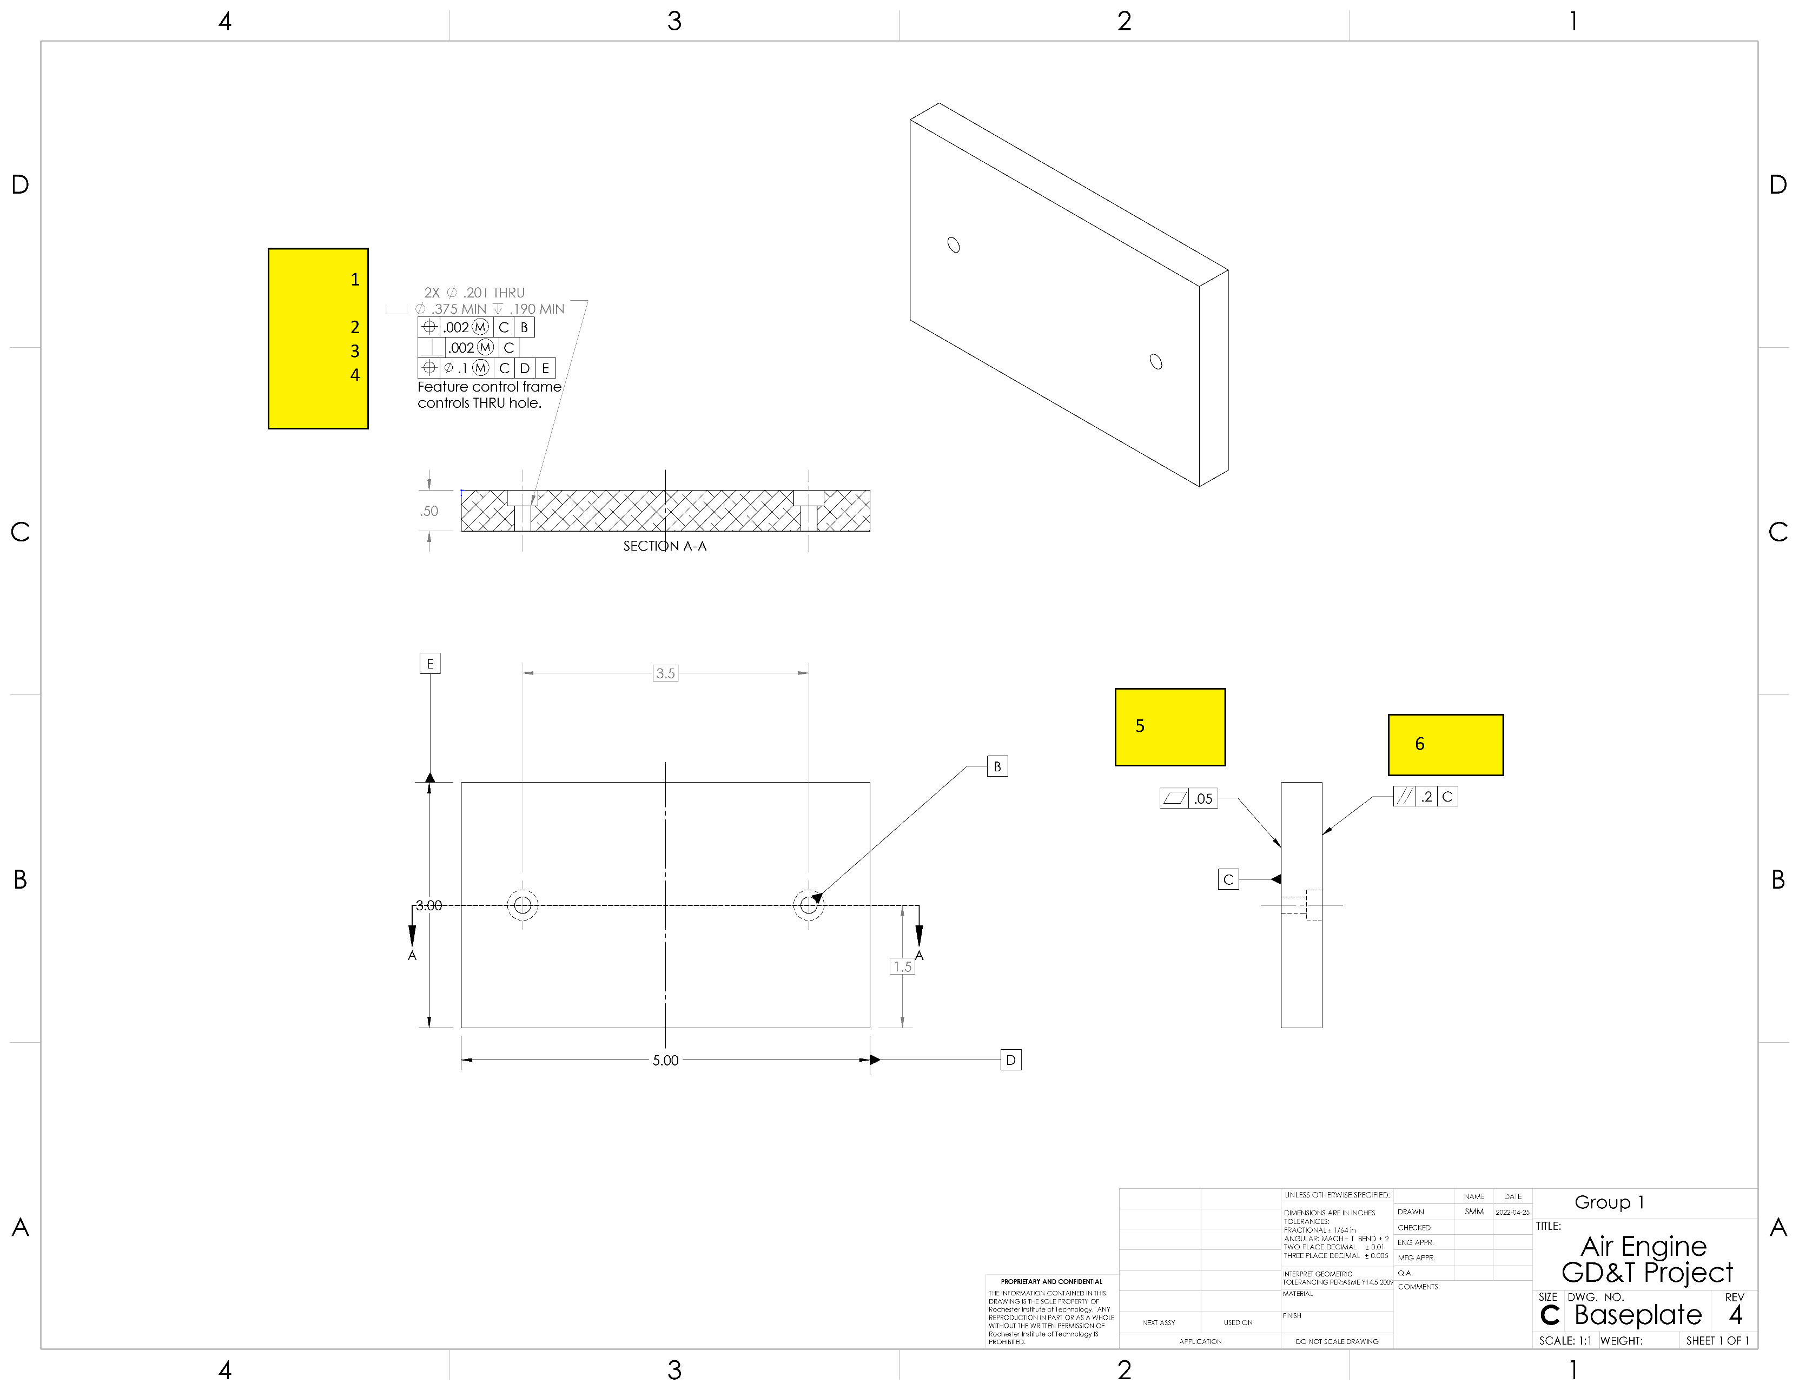

Datums
# | Name / Description | Degrees of Freedom Removed |  | Datum Simulator description |  | Is this a feature of size? | Why did you select this feature to be this datum?
 |  | Translational | Rotational
1 | C -top face | 1 | 2 | angle plate or surface plate |  | no, it's a surface | keep things perpendicular to the face
2 | B - hole | 2 | 1 | pin gage |  | yes | measure distances between the holes with datum help, but making sure things are perpendicular to B
3 | D - side face | 1 | 1 | angle plate or surface plate |  | no, it's a surface | locate the holes on the plate
4 | E - side face | 1 | 0 | angle plate or surface plate |  | no, it's a surface | locate the holes on the plate

GD&T controls applied
# | Description | Nominal Size | Total Tolerance | MMC (or Virtual Condition) | LMC | Gage | Datums Listed in FCF | Why did you apply this GD&T to this datum or feature? | Is this a feature of size? | What does the tolerance zone look like?
1 | Hole and countersink size and depth | 0.201 | 0.005 | 0.196 | 0.206 | go-nogo | NA | NA | yes | two cylinders, and the hole surface needs to be between them
2 | Hole position relative to C and B | NA | 0.002 | 0.194 | NA | functional gage with two pins | C, B | the screws need to fit relative to eachother into the holes | no | two parallel planes located by basic dimension (3.5), the hole needs to be between the planes
3 | Hole perpendicularity | NA | 0.002 | 0.194 | NA | functional gage with two pins | C | the screws need to fit relative to eachother into the holes, also the screws need to hole the frame upright | no | a narrow cylinder and the axis of the hole must pass through the ends of the cylinder
4 | hole position relative to C, D, and E | NA | 0.1 | 0.096 | NA | pin gage and calipers | C, D, E | the position of the hole should be about right so it looks neat. | no, it is the void at the center of a hole. | a cylinder positioned by basic dimensions inside the plate, and the hole's axis should be inside the cylinder.
5 | flatness on Datum C | NA | 0.05 | NA | NA | dial indicator, 3 conical jacks | none | C should be flat to not tilt the screws too much | no, it's a surface | two parallel planes with the surface between them.
6 | parallelism opposite datum C | NA | 0.2 | NA | NA | dial indicator | C | the base should be flat compared to the datum to keep the air engine upright | no, it's a surface | two parallel planes parallel to C with the surface between them
7
8
9
10

