Sheet1
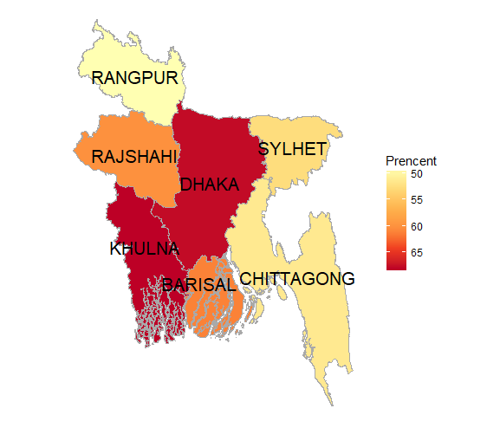
1 | 488 | 0 | 1 | 0
2 | 1884 | 1 | 2372 | 3274
3 | 2129
4 | 848
5 | 230
6 | 55
7 | 12

