Sheet1
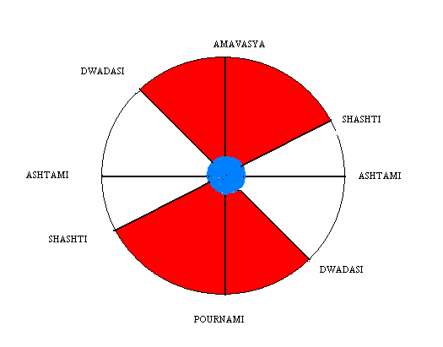
· Mars as signifactor for land, must get connected with earthy signs by association or aspect.
· Rahu as signifcator for earth and under ground must also get connected with earthy sings.
· The Martian signs Aries or Scorpio must get connected with either or both of these planets.
· Saturn’s aspect or association to these signs and planets increase the intensity of earth quakes and the casualty rate.
· The malicious combination among the nodes, Mars and Saturn involving Martin signs and earthy signs increase the chances of earthquakes.
· When such a combination occurs around Full moon or New moon, disturbances are certain.
· When an eclipse is visible in an area with all the above combinations, that area becomes a more likely candidate to receive tremors.
· There exists something similar to Paksha chiddra when earthquakes occur. Particularly 4th, 6th thithis and 12th, 14th thithis seem to indicate some stress experienced by the moon as it moves away and towards the Sun’s line of direct influence.
· In other words, starting form 12th Thithi until 6th Thithi, the moon and the sun are in some coupling, with the earth in between. Most of the earthquakes have occurred when moon passes these thithis.
· The shaded area in the diagram below shows the vulnerable days for earthquake. The continental plates get highly stressed when moon enters the 120 degree arc on the side of earth facing the sun and behind the earth.

· When the above mentioned planets get connected with the earthy signs and Martian signs with mutual aspect between themselves, during this period of Moon’s motion around the earth, the earth is disturbed.

This can be ascertained from the following charts drawn for the earthquake times or days.

