Warning
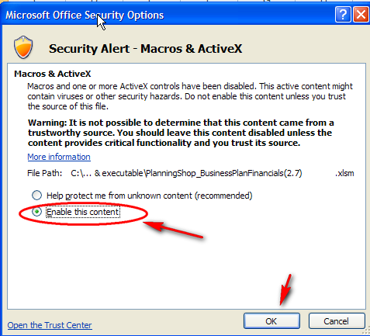
 | W A R N I N G !
 | IT APPEARS THAT YOU DO NOT HAVE EXCEL'S MACRO CAPABILITY ENABLED. THESE FINANCIAL WORKSHEETS WILL NOT FUNCTION WITHOUT MACROS ENABLED.
 | Excel 2007 for Windows: To enable macros: 1. Click the "Options" button in the Security Warning that appears at the top of this page.
 | 2. A "Security Alert - Macros & Active X" window should appear. 3. Select the "Enable this content" radio button 4. Click the "OK" button. Your workbook should be ready to use now. If you do not see the "Security Warning" along the top of this page, scroll down for more detailed instructions, under "Excel 2007 on Windows - Enabling Macros"
 | Excel 2010 for Windows: To enable macros: 1. Click the "Enable Content" button in the Security Warning that appears at the top of this page.
 | If you do not see the "Security Warning" along the top of this page, scroll down for more detailed instructions, under "Excel 2010 and Excel 2013 on Windows - Enabling Macros"
 | Excel 2013 for Windows: To enable macros: 1. Click the "Enable Content" button in the Security Warning that appears at the top of this page.
 | If you do not see the "Security Warning" along the top of this page, scroll down for more detailed instructions, under "Excel 2010 & Excel 2013 on Windows - Enabling Macros"
 | 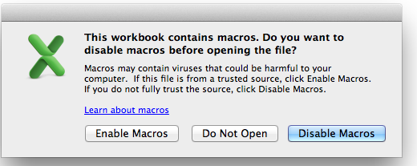 Excel 2010 for Mac: 1. A pop-up window appears. Select "Enable Macros". 2. Your workbook should now be ready to use.
 | Excel 2008 for Mac: Excel 2008 for Mac does not support Macros or Visual Basic, so there is no way to enable the macros. Please obtain a Mac 2008-only version of Business Plan Financials from PlanningShop.

Excel 2007 on Windows - Enabling Macros
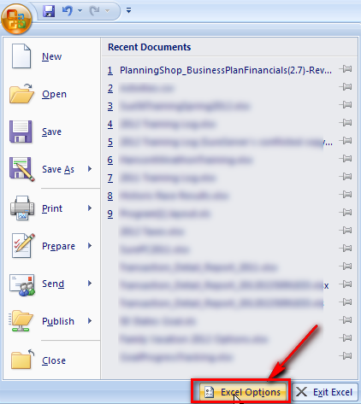 |  | 1. From the Windows Ribbon, Select the circular "Windows" button in the upper left. 2. From the drop-down menu that appears, press the Excel Options button in the lower right.

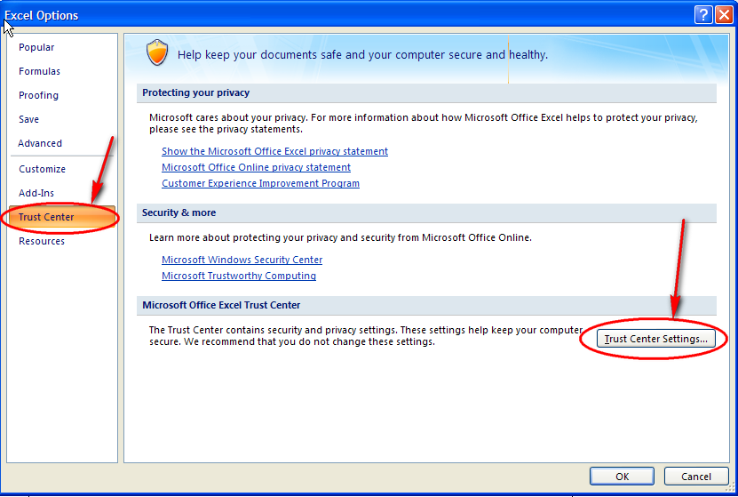 |  | 3. From the "Excel Options" pop-up, select Trust Center on the left side. 4. Select Trust Center Settings…. In the lower right.

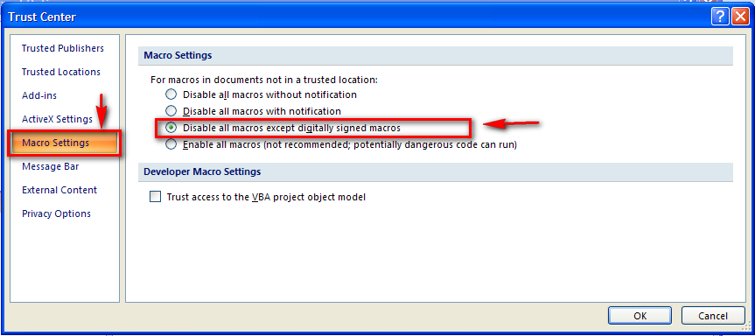 |  | 5. In the "Trust Center" pop-up, select "Macro Settings" on the left side. 6. Then, select the Disable all macros except digitally signed macros. (This works because the Planning Shop signs all its workbooks with digital certificates.) 7. Press OK twice.

Excel 2010 and Excel 2013 on Windows - Enabling Macros
 | 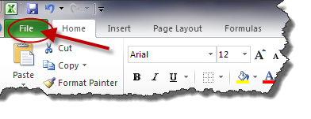 | Note: The procedure is exactly the same for Excel 2010 and Excel 2013, even though the Excel 2013 has a slightly different look than these screenshots. 1. In the upper left corner of the Excel Ribbon, press the "File" tab.

 | 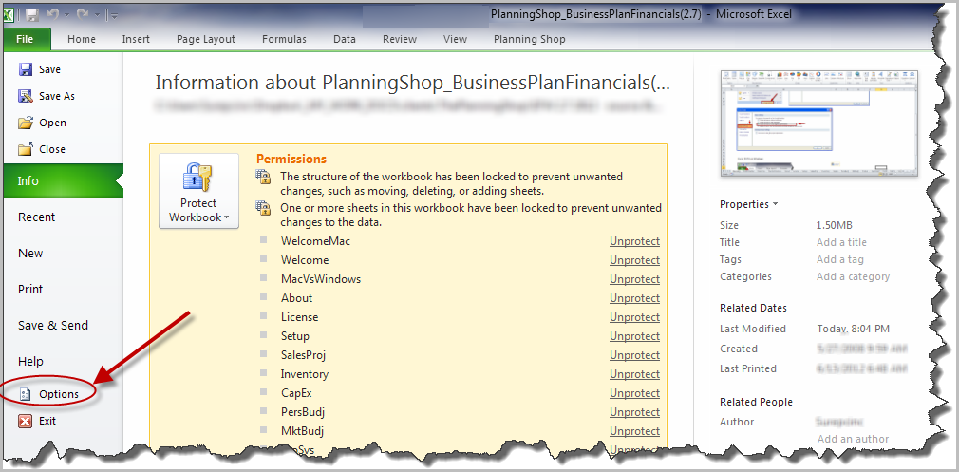 | 2. Select Options, in the lower left corner.

 | 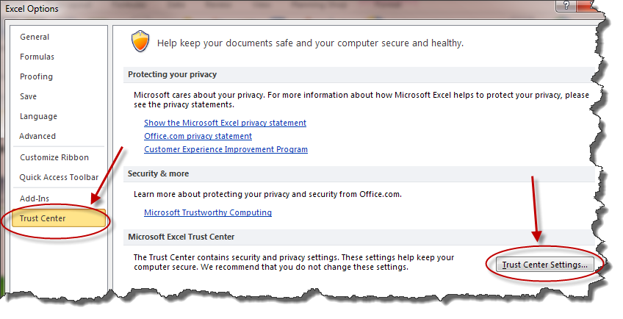 | 3. Select Trust Center from the Lower Left. 4. Click the "Trust Center Settings…" button in the lower right

 | 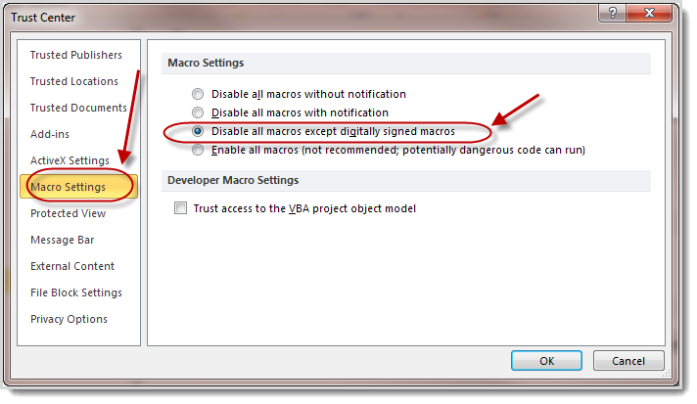 | 5. Select "Macros Settings" from the left side menu 6. Select the "Disable all macros except digitally signed macros" radio button. 7. Click "OK" twice

Welcome
Welcome to Business Plan Financials!

Thank you for purchasing Business Plan Financials from PlanningShop. These worksheets will help you develop clear, compelling financial projections for your business. If you are unfamiliar with the business planning process, we encourage you to refer to our book, Successful Business Plan: Secrets & Strategies, by Rhonda Abrams, for comprehensive, step-by-step guidance. It is available through our website, www.PlanningShop.com. First, a few tips to get you started: SAVING A BLANK WORKBOOK, TO ALLOW FOR RECOVERY FROM MISTAKES You may start directly editing this file. If you later decide to start over and need a fresh copy of this file, find the blank "ORIG_PlanningShop_BizPlanFin(2.8)" file in your PlanningShop directory. Make a copy of this file (just in case you might need to start over yet again), and then start editing the copy. NAVIGATING THE WORKSHEETS You installed the Windows version of Business Plan Financials. The Excel Ribbon now contains a "PlanningShop" tab, that contains controls to let you navigate between worksheets. The PlanningShop Ribbon looks slightly different in Excel 2007, Excel 2010, Excel 2013, but the functionality is the same.
Excel 2007 for Windows:

Excel 2010 for Windows:

Excel 2013 for Windows:

In Excel 2011 for Mac, there is no PlanningShop tab on the Excel Ribbon (Microsoft does not allow it). Instead, to navigate between worksheets and charts, use the Excel worksheet tabs along the bottom edge of the Excel window.
HOW TO FILL IN THE WORKSHEETS Each worksheet is composed of "cells" containing either black text or blue text. All you need to do is enter data in the blue cells--the black cells are automatically calculated for you.

While you work, keep an eye out for red triangles that appear with some cells on the worksheets. These triangles indicate the presence of a "help balloon" that will popup when you roll over the triangle, presenting you with additional information and tips about the section you are working on.
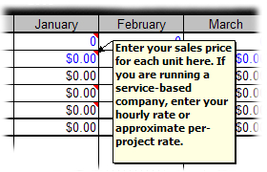
FOR MORE HELP For more in-depth help and assistance, click on the "Business Plan Financials Help" menu in the toolbar. The help files contain extensive information about each worksheet, along with a "Frequently Asked Questions" (FAQ). To get started, click on the right-pointing arrow in the PlanningShop toolbar to reach the "Setup and Assumptions" worksheet, where you'll enter some basic information about your business.

Version 2.8 Copyright © 2003-2014 PlanningShop

1YrAtGl
Year 1: Financials at-a-Glance (2013-2014)
 | Gross Sales | Gross Profit | Net Profit
January | $0 | $0 | $0
February | $0 | $0 | $0
March | $0 | $0 | $0
April | $0 | $0 | $0
May | $0 | $0 | $0
June | $0 | $0 | $0
July | $0 | $0 | $0
August | $0 | $0 | $0
September | $0 | $0 | $0
October | $0 | $0 | $0
November | $0 | $0 | $0
December | $0 | $0 | $0

NSYr1
Year 1: Net Sales (2013-2014)
 | Product Line 1 | Product Line 2 | Product Line 3 | Product Line 4 | Product Line 5 | Product Line 6 | Product Line 7 | Product Line 8 | Product Line 9 | Product Line 10
January | $0 | $0 | $0 | $0 | $0 | $0 | $0 | $0 | $0 | $0
February | $0 | $0 | $0 | $0 | $0 | $0 | $0 | $0 | $0 | $0
March | $0 | $0 | $0 | $0 | $0 | $0 | $0 | $0 | $0 | $0
April | $0 | $0 | $0 | $0 | $0 | $0 | $0 | $0 | $0 | $0
May | $0 | $0 | $0 | $0 | $0 | $0 | $0 | $0 | $0 | $0
June | $0 | $0 | $0 | $0 | $0 | $0 | $0 | $0 | $0 | $0
July | $0 | $0 | $0 | $0 | $0 | $0 | $0 | $0 | $0 | $0
August | $0 | $0 | $0 | $0 | $0 | $0 | $0 | $0 | $0 | $0
September | $0 | $0 | $0 | $0 | $0 | $0 | $0 | $0 | $0 | $0
October | $0 | $0 | $0 | $0 | $0 | $0 | $0 | $0 | $0 | $0
November | $0 | $0 | $0 | $0 | $0 | $0 | $0 | $0 | $0 | $0
December | $0 | $0 | $0 | $0 | $0 | $0 | $0 | $0 | $0 | $0

1YrCshFlw
Year 1: Cash Flow (2013-2014)
 | Net Cash Flow | Ending Cash Balance
January | $4 | $5,004
February | $4 | $5,008
March | $4 | $5,013
April | $4 | $5,017
May | $4 | $5,021
June | $4 | $5,025
July | $4 | $5,029
August | $4 | $5,033
September | $4 | $5,038
October | $4 | $5,042
November | $4 | $5,046
December | $4 | $5,050

2ndYrCshFlw
Year 2: Cash Flow (2014-2015)
 | Net Cash Flow | Ending Cash Balance
January | $4 | $5,054
February | $4 | $5,059
March | $4 | $5,063
April | $4 | $5,067
May | $4 | $5,071
June | $4 | $5,076
July | $4 | $5,080
August | $4 | $5,084
September | $4 | $5,088
October | $4 | $5,092
November | $4 | $5,097
December | $4 | $5,101

5YrAtGl
5-Year Financials at-a-Glance
 | Gross Sales | Gross Profit | Net Profit
2013 | $0 | $0 | $0
2014 | $0 | $0 | $0
2015 | $0 | $0 | $0
2016 | $0 | $0 | $0
2017 | $0 | $0 | $0

NS5Yr
5-Year Net Sales
 | Product Line 1 | Product Line 2 | Product Line 3 | Product Line 4 | Product Line 5 | Product Line 6 | Product Line 7 | Product Line 8 | Product Line 9 | Product Line 10
2013 | $0 | $0 | $0 | $0 | $0 | $0 | $0 | $0 | $0 | $0
2014 | $0 | $0 | $0 | $0 | $0 | $0 | $0 | $0 | $0 | $0
2015 | $0 | $0 | $0 | $0 | $0 | $0 | $0 | $0 | $0 | $0
2016 | $0 | $0 | $0 | $0 | $0 | $0 | $0 | $0 | $0 | $0
2017 | $0 | $0 | $0 | $0 | $0 | $0 | $0 | $0 | $0 | $0

