3dec_places
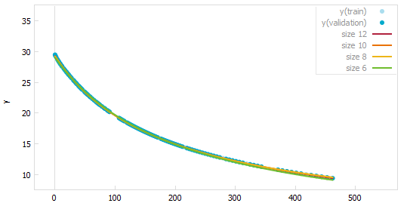
Cam2laser | 6cm
Size | Fit | Eq
12 | 0.023 | y = 6222.066/(177.843 + x) - 1.417 - 0.004*x
10 | 0.023 | y = 5719.818/(170.181 + x) - 0.006*x
8 | 0.023 | y = 7711.047/(199.729 + x) - 5.207
6 | 0.054 | y = 4968.280/(144.969 + x)
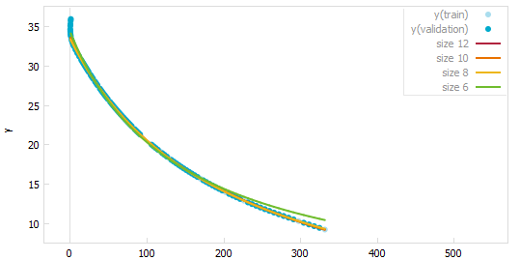

Cam2laser | 7cm
12 | 0.014 | y = 2.647 + 5341.111/(165.055 + x) - 0.002*x
10 | 0.015 | y = 34.913 + -33.950*x/(176.120 + x)
8 | 0.015 | y = 0.977 + 5968.167/(175.839 + x)
6 | 0.022 | y = 6544.222/(188.057 + x)
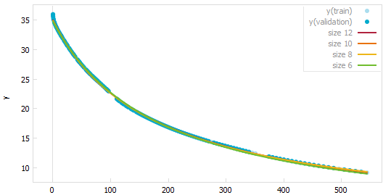

Cam2laser | 8cm
12 | 0.012 | y = 8.193+ 4551.809/(133.192 + x) - 0.005*x
10 | 0.019 | y = (6633.851 + 3.612*x)/(157.815 + x)
8 | 0.019 | y = 3.585 + 6075.750/(158.025 + x)
6 | 0.053 | y = 8541.521/(210.343 + x)
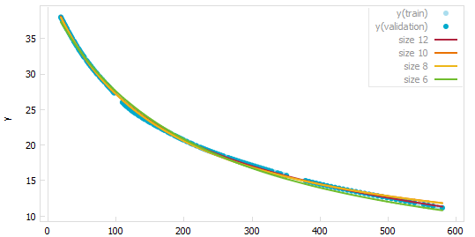

Cam2laser | 6.5cm
12 | 0.002 | y = 3.074 + 4613.041/(176.037 + x) - 0.002*x
10 | 0.005 | y = 1.473 + 69.161/(2.492 + 0.0132*x)
8 | 0.005 | y = 1.496 + 5209.011/(187.842 + x)
6 | 0.022 | y = 6117.548/(210.792 + x)

