Sheet1
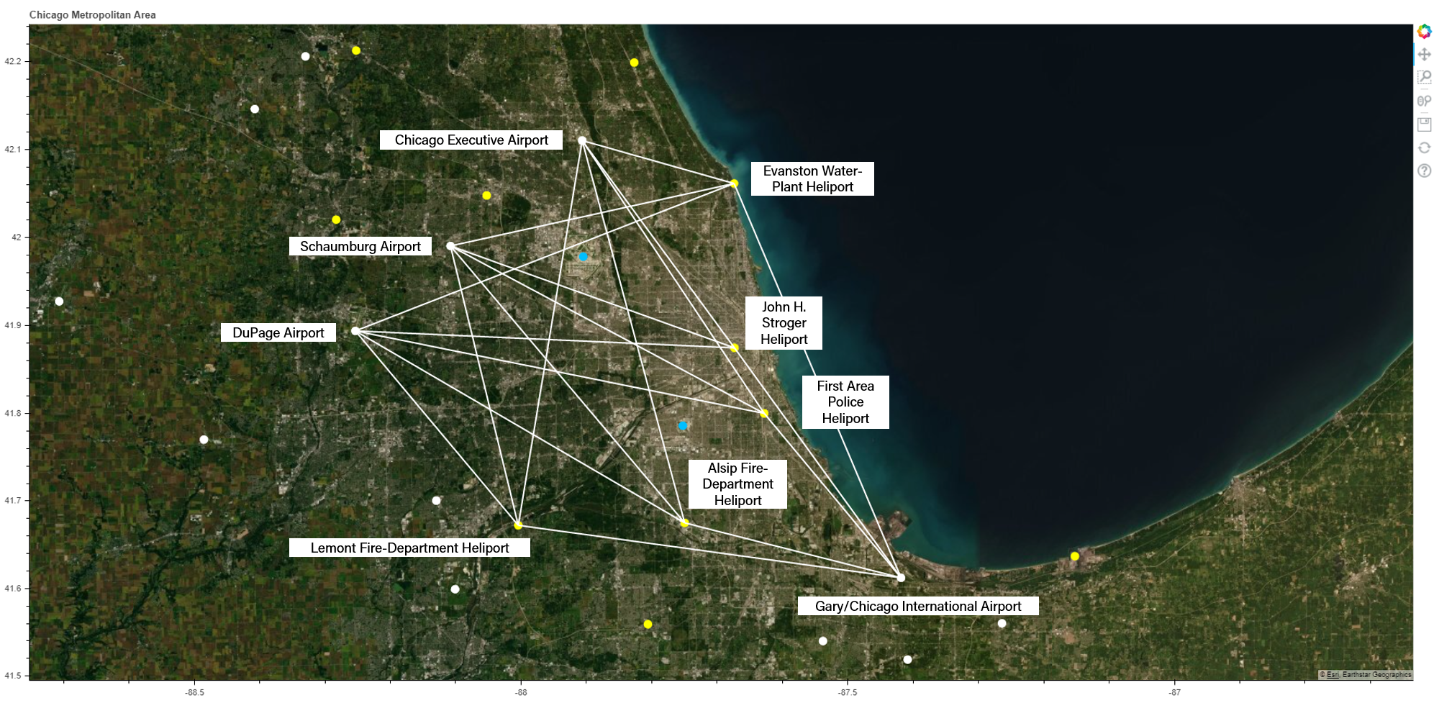
Joby-like S4 eVTOL Aircraft
Example Contingencies | Severity | Response Model | Departure Aerodrome | Arrival Aerodrome | Trip Distance | Contingency Landing Assurance Percentage (%) at 1500 ft Reference Flight Case | Cruise Altitude Floor Requirement (feet) for maximum Contingency Landing Assurance Percentage (%)
100% power failure | [High] | Reachable Ground Footprint under emergency gliding flight conditions | DuPage Airport | Lemont Fire-Department Heliport | 20.00 | 31.40 | 3500
 |  |  | DuPage Airport | Alsip Fire-Department Heliport | 20.00 | 62.00 | 3800
 |  |  | DuPage Airport | First Area Police Heliport | 32.85 | 31.80 | 4200
 |  |  | DuPage Airport | John H. Stroger Heliport | 29.87 | 34.60 | 3750
 |  |  | DuPage Airport | Evanston Water-Plant Heliport | 31.95 | 52.20 | 2800
 |  |  | Schaumburg Airport | Lemont Fire-Department Heliport | 22.64 | 36.00
 |  |  | Schaumburg Airport | Alsip Fire-Department Heliport | 28.57 | 25.20
 |  |  | Schaumburg Airport | First Area Police Heliport | 28.00 | 35.00 |  | 75
 |  |  | Schaumburg Airport | John H. Stroger Heliport | 23.73 | 49.20
 |  |  | Schaumburg Airport | Evanston Water-Plant Heliport | 22.81 | 70.20
 |  |  | Chicago Executive Airport | Lemont Fire-Department Heliport | 30.69 | 71.80
 |  |  | Chicago Executive Airport | Alsip Fire-Department Heliport | 31.15 | 17.80
 |  |  | Chicago Executive Airport | First Area Police Heliport | 25.79 | 57.80
 |  |  | Chicago Executive Airport | John H. Stroger Heliport | 20.21 | 47.60
 |  |  | Chicago Executive Airport | Evanston Water-Plant Heliport | 12.39 | 73.60
 |  |  | Gary/Chicago International Airport | Lemont Fire-Department Heliport | 30.53 | 76.40
 |  |  | Gary/Chicago International Airport | Alsip Fire-Department Heliport | 17.64 | 62.20
 |  |  | Gary/Chicago International Airport | First Area Police Heliport | 16.88 | 63.20
 |  |  | Gary/Chicago International Airport | John H. Stroger Heliport | 22.40 | 71.60
 |  |  | Gary/Chicago International Airport | Evanston Water-Plant Heliport | 33.72 | 79.20

DuPage-Lemont
