energy
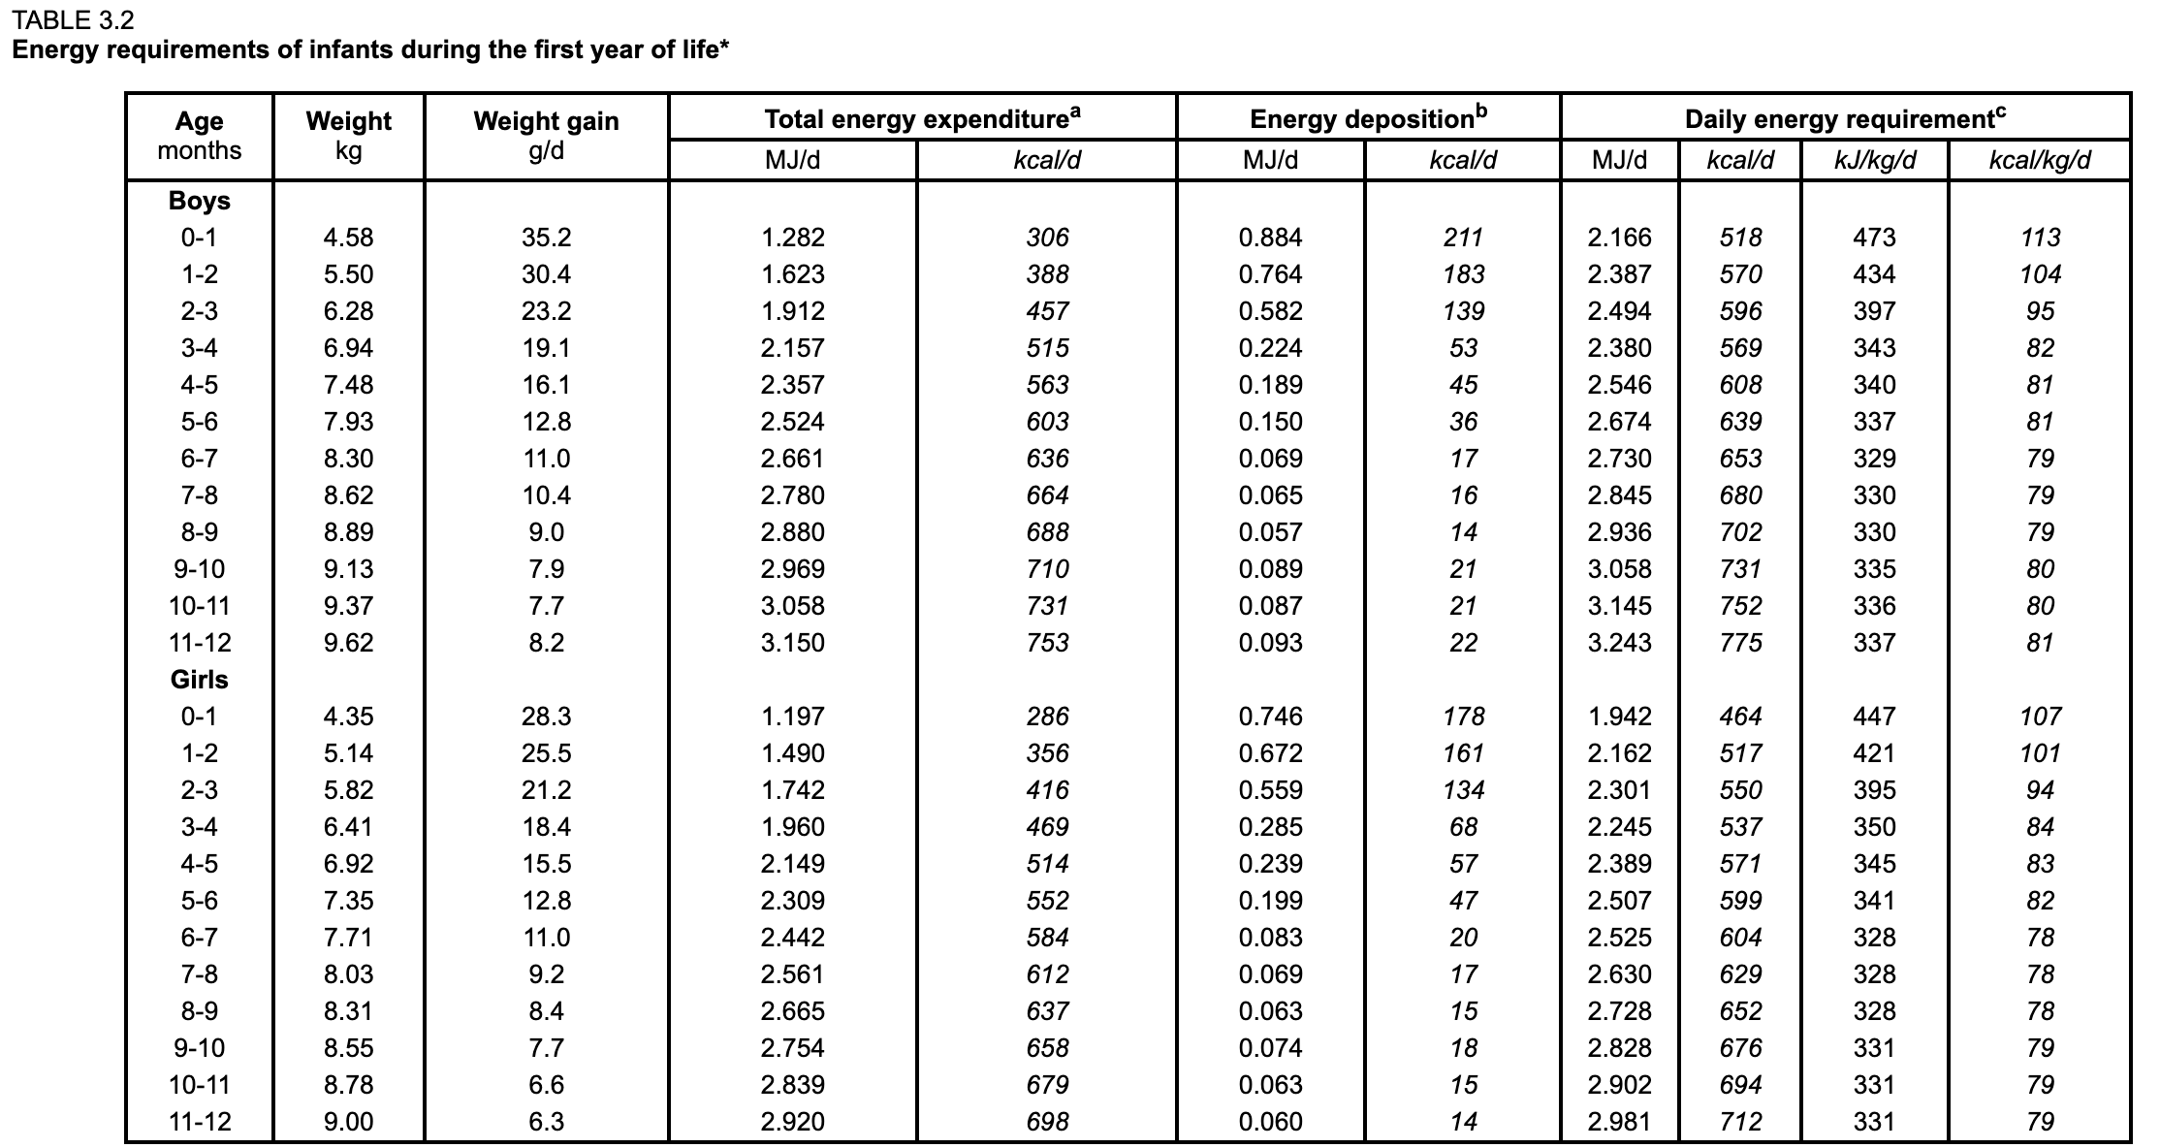
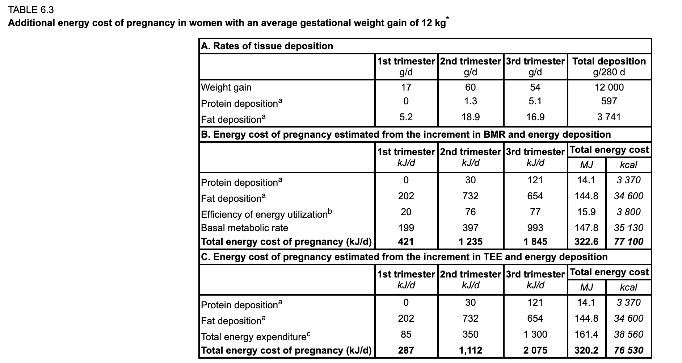
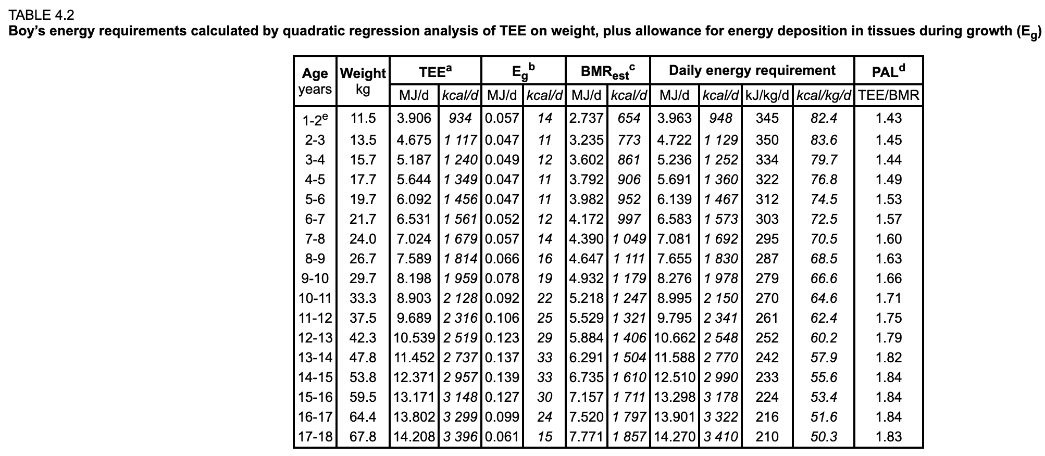
 | age | male | female | average
 | 0-0.5 | 639 | 599 | 619
 | 0.5-1 | 775 | 712 | 744
 | 1-2 | 948 | 865 | 907
 | 2-3 | 1129 | 1047 | 1088
 | 3-4 | 1252 | 1156 | 1204
 | 4-5 | 1360 | 1241 | 1301
 | 5-6 | 1467 | 1330 | 1399
 | 6-7 | 1573 | 1428 | 1501
 | 7-8 | 1692 | 1554 | 1623
 | 8-9 | 1830 | 1698 | 1764
 | 9-10 | 1978 | 1854 | 1916
 | 11-12 | 2150 | 2006 | 2078
 | 12-13 | 2341 | 2149 | 2245
 | 13-14 | 2548 | 2276 | 2412
 | 14-15 | 2770 | 2379 | 2575
 | 15-16 | 2990 | 2449 | 2720
 | 16-17 | 3178 | 2491 | 2835
 | 17-18 | 3322 | 2503 | 2913
 | 18- | 2889 | 2316 | 2602
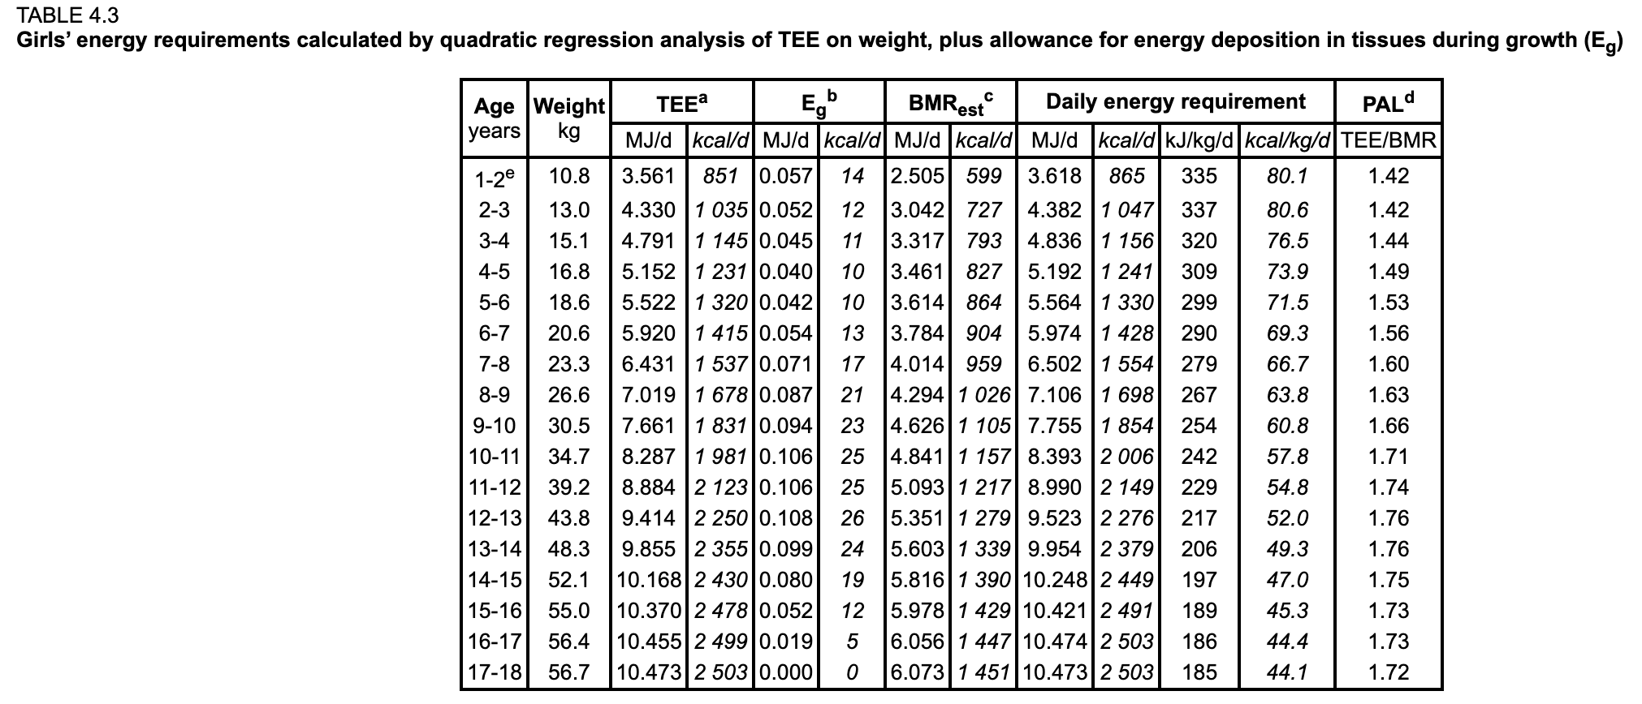

 | pregnancy increment
 |  | KJ/day | Kcal/day
 | ref | 1 | 0.239006
 | Energy+ | 2075 | 496

 | lactating increment
 |  | KJ/day | Kcal/day
 | ref | 1 | 0.239006
 | Energy+ | 3138 | 750

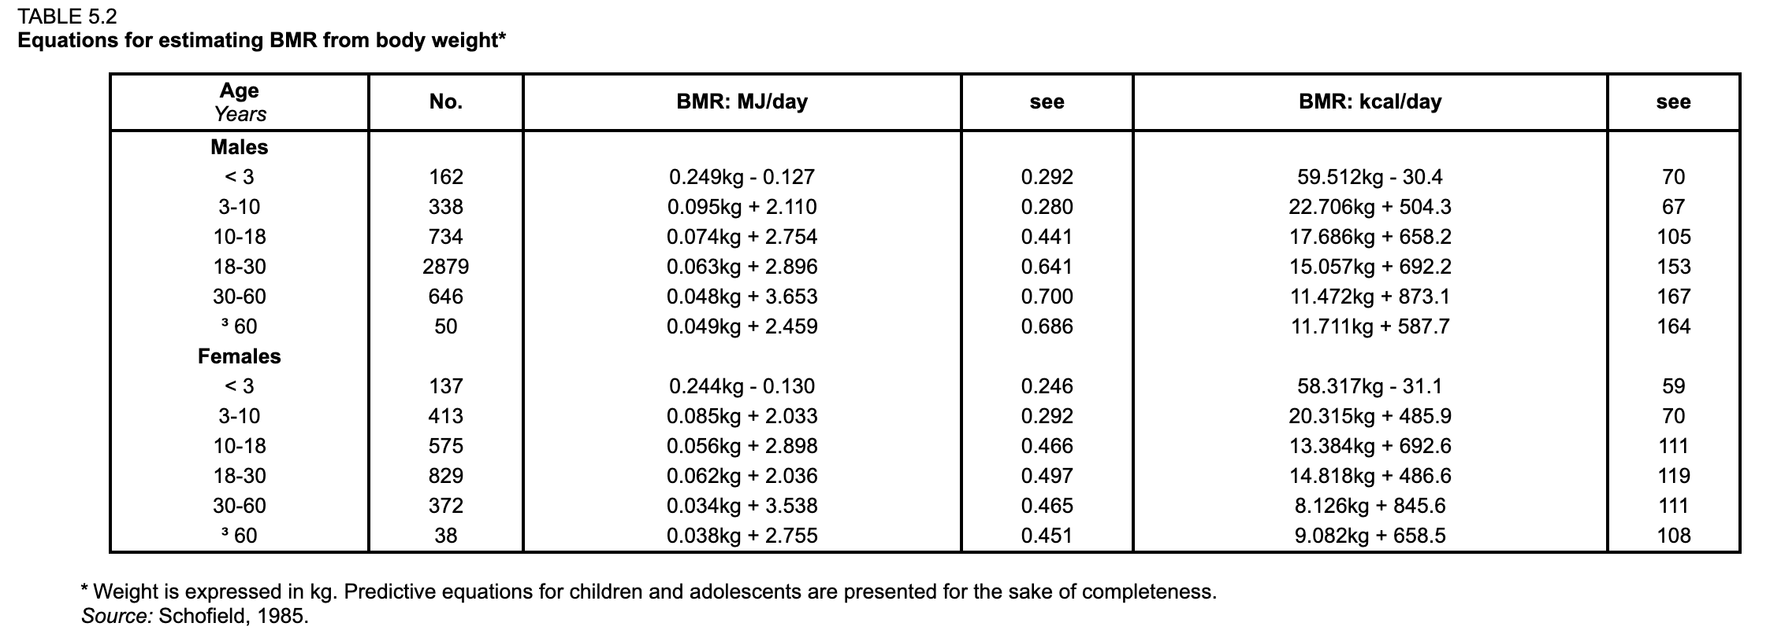

5.4.1 Calculation of energy requirements Energy requirements were calculated from the factorial estimates of PAL described in the preceding sections. They were converted into energy units (i.e. joules and calories) by multiplying the PAL value by the BMR. In order to express requirements as energy units per kilogram of body weight, they were divided by the weight used in the equations to predict BMR. The following example to calculate the average energy requirement of a female population 20 to 30 years of age with a moderately active lifestyle and a mean body weight of 55 kg illustrates these calculations: BMR (calculated with the predictive equation in Table 5.2): 5.45 MJ/day (1 302 kcal/day). PAL (mid-point of the moderately active lifestyle in Table 5.3): 1.85. Energy requirement: 5.45 × 1.85 = 10.08 MJ/day (2 410 kcal/day), or 10.08/55 = 183 kJ/kg/day (44 kcal/kg/day).

protein
 |  |  |  | adult
 |  |  |  | male | female
 |  |  | body wt | 60 | 50
 |  |  | prot | 50 | 42

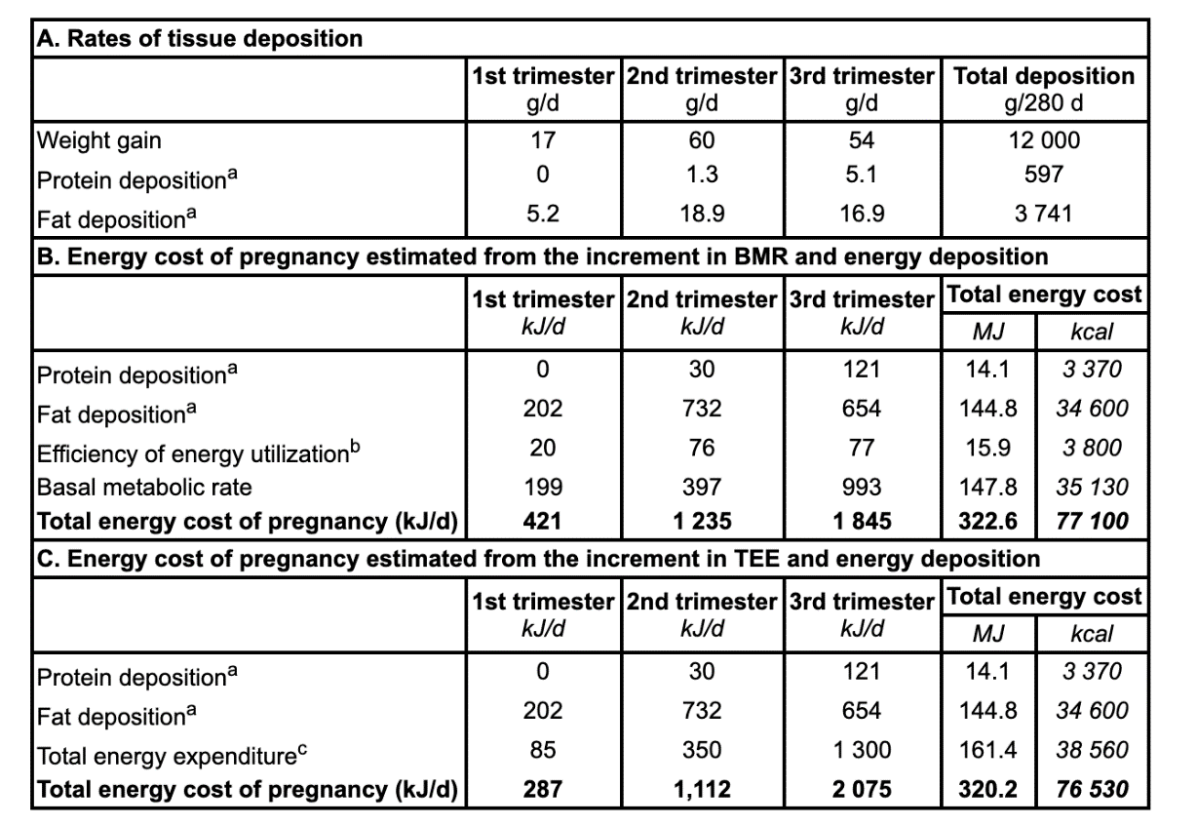

 | increment protein
 | 5.1
 | pregnancy increment | 31
 | lactating increment | 19

http://www.fao.org/3/y5686e/y5686e0a.htm

