Test Case 1
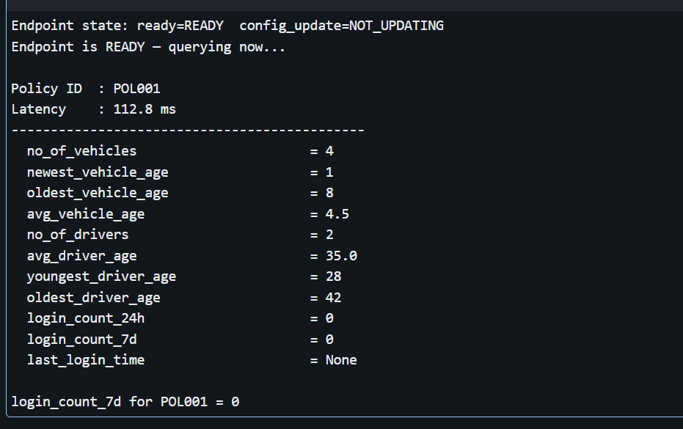
Active
auto_policy_id | policyholder_id | no_of_vehicles | newest_vehicle_age | oldest_vehicle_age | avg_vehicle_age | no_of_drivers | avg_driver_age | youngest_driver_age | oldest_driver_age | login_count_24h | login_count_7d | last_login_time | feature_updated_at | vehicle_features_updated_at | driver_features_updated_at | login_features_updated_at | last_source_event_id
POL001 | CUS001 | 2 | 1 | 8 | 4.5 | 2 | 35 | 28 | 42 | 0 | 0 | - | 2026-06-18T14:33:07.206+00:00 | 2026-06-18T14:33:07.206+00:00 | 2026-06-18T14:33:07.206+00:00 | - | seed_load
POL002 | CUS002 | 1 | 3 | 3 | 3 | 1 | 45 | 45 | 45 | 0 | 0 | - | 2026-06-18T14:33:07.206+00:00 | 2026-06-18T14:33:07.206+00:00 | 2026-06-18T14:33:07.206+00:00 | - | seed_load
POL003 | CUS003 | 3 | 0 | 12 | 5.3 | 3 | 38 | 25 | 52 | 0 | 0 | - | 2026-06-18T14:33:07.206+00:00 | 2026-06-18T14:33:07.206+00:00 | 2026-06-18T14:33:07.206+00:00 | - | seed_load

History
auto_policy_id | policyholder_id | no_of_vehicles | newest_vehicle_age | oldest_vehicle_age | avg_vehicle_age | no_of_drivers | avg_driver_age | youngest_driver_age | oldest_driver_age | login_count_24h | login_count_7d | last_login_time | feature_updated_at | vehicle_features_updated_at | driver_features_updated_at | login_features_updated_at | last_source_event_id | snapshot_at | reason | event_id | changed_feature_group | valid_from | valid_to | is_current
POL001 | CUS001 | 2 | 5677uj | 8 | 4.5 | 2 | 35 | 28 | 42 | 0 | 0 | - | 2026-06-18T14:33:07.206+00:00 | 2026-06-18T14:33:07.206+00:00 | 2026-06-18T14:33:07.206+00:00 | - | seed_load | 2026-06-18T14:33:11.057+00:00 | initial_load | null | null | 2026-06-18T14:33:07.206+00:00 | - | TRUE
POL002 | CUS002 | 1 | 3 | 3 | 3 | 1 | 45 | 45 | 45 | 0 | 0 | - | 2026-06-18T14:33:07.206+00:00 | 2026-06-18T14:33:07.206+00:00 | 2026-06-18T14:33:07.206+00:00 | - | seed_load | 2026-06-18T14:33:11.057+00:00 | initial_load | null | null | 2026-06-18T14:33:07.206+00:00 | - | TRUE
POL003 | CUS003 | 3 | 0 | 12 | 5.3 | 3 | 38 | 25 | 52 | 0 | 0 | - | 2026-06-18T14:33:07.206+00:00 | 2026-06-18T14:33:07.206+00:00 | 2026-06-18T14:33:07.206+00:00 | - | seed_load | 2026-06-18T14:33:11.057+00:00 | initial_load | null | null | 2026-06-18T14:33:07.206+00:00 | - | TRUE

This test will reveal whether the pipeline overwrites with NULL or retains old values when a field comes in as null- updating no of vehicle 4

Active
auto_policy_id | policyholder_id | no_of_vehicles | newest_vehicle_age | oldest_vehicle_age | avg_vehicle_age | no_of_drivers | avg_driver_age | youngest_driver_age | oldest_driver_age | login_count_24h | login_count_7d | last_login_time | feature_updated_at | vehicle_features_updated_at | driver_features_updated_at | login_features_updated_at | last_source_event_id
POL002 | CUS002 | 1 | 3 | 3 | 3 | 1 | 45 | 45 | 45 | 0 | 0 | - | 2026-06-18T14:33:07.206+00:00 | 2026-06-18T14:33:07.206+00:00 | 2026-06-18T14:33:07.206+00:00 | - | seed_load
POL003 | CUS003 | 3 | 0 | 12 | 5.3 | 3 | 38 | 25 | 52 | 0 | 0 | - | 2026-06-18T14:33:07.206+00:00 | 2026-06-18T14:33:07.206+00:00 | 2026-06-18T14:33:07.206+00:00 | - | seed_load
POL001 | CUS001 | 4 | 1 | 8 | 4.5 | 2 | 35 | 28 | 42 | 0 | 0 | - | 2026-06-18T15:03:35.869+00:00 | 2026-06-18T15:03:35.869+00:00 | 2026-06-18T14:33:07.206+00:00 | - | testcase_1

History
auto_policy_id | policyholder_id | no_of_vehicles | newest_vehicle_age | oldest_vehicle_age | avg_vehicle_age | no_of_drivers | avg_driver_age | youngest_driver_age | oldest_driver_age | login_count_24h | login_count_7d | last_login_time | feature_updated_at | vehicle_features_updated_at | driver_features_updated_at | login_features_updated_at | last_source_event_id | snapshot_at | reason | event_id | changed_feature_group | valid_from | valid_to | is_current
POL001 | CUS001 | 2 | 1 | 8 | 4.5 | 2 | 35 | 28 | 42 | 0 | 0 | - | 2026-06-18T14:33:07.206+00:00 | 2026-06-18T14:33:07.206+00:00 | 2026-06-18T14:33:07.206+00:00 | - | seed_load | 2026-06-18T14:33:11.057+00:00 | initial_load | null | null | 2026-06-18T14:33:07.206+00:00 | 2026-06-18T15:03:26.336+00:00 | FALSE
POL001 | CUS001 | 4 | 1 | 8 | 4.5 | 2 | 35 | 28 | 42 | 0 | 0 | - | 2026-06-18T15:03:35.869+00:00 | 2026-06-18T15:03:35.869+00:00 | 2026-06-18T14:33:07.206+00:00 | - | testcase_1 | 2026-06-18T15:03:43.874+00:00 | immediate:vehicle_event | testcase_1 | vehicle | 2026-06-18T15:03:43.874+00:00 | - | TRUE
POL002 | CUS002 | 1 | 3 | 3 | 3 | 1 | 45 | 45 | 45 | 0 | 0 | - | 2026-06-18T14:33:07.206+00:00 | 2026-06-18T14:33:07.206+00:00 | 2026-06-18T14:33:07.206+00:00 | - | seed_load | 2026-06-18T14:33:11.057+00:00 | initial_load | null | null | 2026-06-18T14:33:07.206+00:00 | - | TRUE
POL003 | CUS003 | 3 | 0 | 12 | 5.3 | 3 | 38 | 25 | 52 | 0 | 0 | - | 2026-06-18T14:33:07.206+00:00 | 2026-06-18T14:33:07.206+00:00 | 2026-06-18T14:33:07.206+00:00 | - | seed_load | 2026-06-18T14:33:11.057+00:00 | initial_load | null | null | 2026-06-18T14:33:07.206+00:00 | - | TRUE

Raw Event table
event_id | event_type | auto_policy_id | raw_payload | received_at | batch_id
testcase_1 | vehicle_event | POL001 | {"event_id":"testcase_1","event_type":"vehicle_event","auto_policy_id":"POL001","policyholder_id":"CUS001","no_of_vehicles":4,"newest_vehicle_age":1,"event_received_at":"2026-06-18T09:00:00.000Z"} | 2026-06-18T09:00:00.000+00:00 | 0

Test Case 2
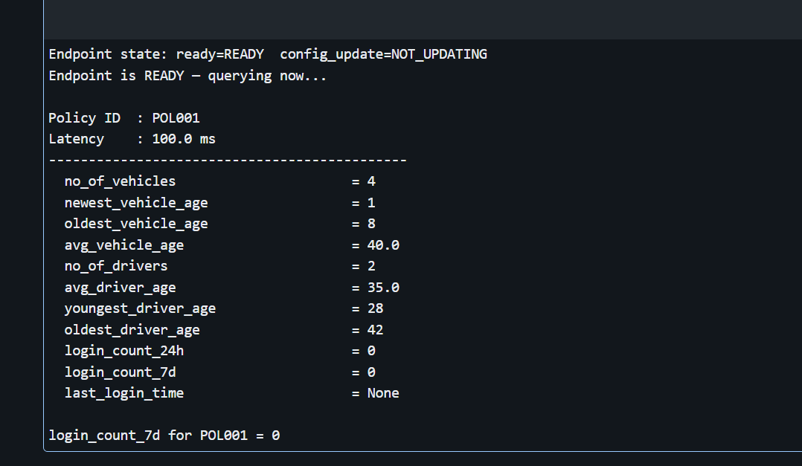
Active
auto_policy_id | policyholder_id | no_of_vehicles | newest_vehicle_age | oldest_vehicle_age | avg_vehicle_age | no_of_drivers | avg_driver_age | youngest_driver_age | oldest_driver_age | login_count_24h | login_count_7d | last_login_time | feature_updated_at | vehicle_features_updated_at | driver_features_updated_at | login_features_updated_at | last_source_event_id
POL002 | CUS002 | 1 | 3 | 3 | 3 | 1 | 45 | 45 | 45 | 0 | 0 | - | 2026-06-18T14:33:07.206+00:00 | 2026-06-18T14:33:07.206+00:00 | 2026-06-18T14:33:07.206+00:00 | - | seed_load
POL003 | CUS003 | 3 | 0 | 12 | 5.3 | 3 | 38 | 25 | 52 | 0 | 0 | - | 2026-06-18T14:33:07.206+00:00 | 2026-06-18T14:33:07.206+00:00 | 2026-06-18T14:33:07.206+00:00 | - | seed_load
POL001 | CUS001 | 4 | 1 | 8 | 4.5 | 2 | 35 | 28 | 42 | 0 | 0 | - | 2026-06-18T15:03:35.869+00:00 | 2026-06-18T15:03:35.869+00:00 | 2026-06-18T14:33:07.206+00:00 | - | testcase_1

history
auto_policy_id | policyholder_id | no_of_vehicles | newest_vehicle_age | oldest_vehicle_age | avg_vehicle_age | no_of_drivers | avg_driver_age | youngest_driver_age | oldest_driver_age | login_count_24h | login_count_7d | last_login_time | feature_updated_at | vehicle_features_updated_at | driver_features_updated_at | login_features_updated_at | last_source_event_id | snapshot_at | reason | event_id | changed_feature_group | valid_from | valid_to | is_current
POL001 | CUS001 | 2 | 1 | 8 | 4.5 | 2 | 35 | 28 | 42 | 0 | 0 | - | 2026-06-18T14:33:07.206+00:00 | 2026-06-18T14:33:07.206+00:00 | 2026-06-18T14:33:07.206+00:00 | - | seed_load | 2026-06-18T14:33:11.057+00:00 | initial_load | null | null | 2026-06-18T14:33:07.206+00:00 | 2026-06-18T15:03:26.336+00:00 | FALSE
POL001 | CUS001 | 4 | 1 | 8 | 4.5 | 2 | 35 | 28 | 42 | 0 | 0 | - | 2026-06-18T15:03:35.869+00:00 | 2026-06-18T15:03:35.869+00:00 | 2026-06-18T14:33:07.206+00:00 | - | testcase_1 | 2026-06-18T15:03:43.874+00:00 | immediate:vehicle_event | testcase_1 | vehicle | 2026-06-18T15:03:43.874+00:00 | - | TRUE
POL002 | CUS002 | 1 | 3 | 3 | 3 | 1 | 45 | 45 | 45 | 0 | 0 | - | 2026-06-18T14:33:07.206+00:00 | 2026-06-18T14:33:07.206+00:00 | 2026-06-18T14:33:07.206+00:00 | - | seed_load | 2026-06-18T14:33:11.057+00:00 | initial_load | null | null | 2026-06-18T14:33:07.206+00:00 | - | TRUE
POL003 | CUS003 | 3 | 0 | 12 | 5.3 | 3 | 38 | 25 | 52 | 0 | 0 | - | 2026-06-18T14:33:07.206+00:00 | 2026-06-18T14:33:07.206+00:00 | 2026-06-18T14:33:07.206+00:00 | - | seed_load | 2026-06-18T14:33:11.057+00:00 | initial_load | null | null | 2026-06-18T14:33:07.206+00:00 | - | TRUE

This test will reveal whether the pipeline overwrites with NULL or retains old values when a field comes in as null- updating avg vehicle age to 40

active
auto_policy_id | policyholder_id | no_of_vehicles | newest_vehicle_age | oldest_vehicle_age | avg_vehicle_age | no_of_drivers | avg_driver_age | youngest_driver_age | oldest_driver_age | login_count_24h | login_count_7d | last_login_time | feature_updated_at | vehicle_features_updated_at | driver_features_updated_at | login_features_updated_at | last_source_event_id
POL002 | CUS002 | 1 | 3 | 3 | 3 | 1 | 45 | 45 | 45 | 0 | 0 | - | 2026-06-18T14:33:07.206+00:00 | 2026-06-18T14:33:07.206+00:00 | 2026-06-18T14:33:07.206+00:00 | - | seed_load
POL003 | CUS003 | 3 | 0 | 12 | 5.3 | 3 | 38 | 25 | 52 | 0 | 0 | - | 2026-06-18T14:33:07.206+00:00 | 2026-06-18T14:33:07.206+00:00 | 2026-06-18T14:33:07.206+00:00 | - | seed_load
POL001 | CUS001 | 4 | 1 | 8 | 40 | 2 | 35 | 28 | 42 | 0 | 0 | - | 2026-06-18T15:17:13.599+00:00 | 2026-06-18T15:17:13.599+00:00 | 2026-06-18T14:33:07.206+00:00 | - | testcase_2

history
auto_policy_id | policyholder_id | no_of_vehicles | newest_vehicle_age | oldest_vehicle_age | avg_vehicle_age | no_of_drivers | avg_driver_age | youngest_driver_age | oldest_driver_age | login_count_24h | login_count_7d | last_login_time | feature_updated_at | vehicle_features_updated_at | driver_features_updated_at | login_features_updated_at | last_source_event_id | snapshot_at | reason | event_id | changed_feature_group | valid_from | valid_to | is_current
POL001 | CUS001 | 2 | 1 | 8 | 4.5 | 2 | 35 | 28 | 42 | 0 | 0 | - | 2026-06-18T14:33:07.206+00:00 | 2026-06-18T14:33:07.206+00:00 | 2026-06-18T14:33:07.206+00:00 | - | seed_load | 2026-06-18T14:33:11.057+00:00 | initial_load | null | null | 2026-06-18T14:33:07.206+00:00 | 2026-06-18T15:03:26.336+00:00 | FALSE
POL001 | CUS001 | 4 | 1 | 8 | 4.5 | 2 | 35 | 28 | 42 | 0 | 0 | - | 2026-06-18T15:03:35.869+00:00 | 2026-06-18T15:03:35.869+00:00 | 2026-06-18T14:33:07.206+00:00 | - | testcase_1 | 2026-06-18T15:03:43.874+00:00 | immediate:vehicle_event | testcase_1 | vehicle | 2026-06-18T15:03:43.874+00:00 | 2026-06-18T15:17:08.084+00:00 | FALSE
POL001 | CUS001 | 4 | 1 | 8 | 40 | 2 | 35 | 28 | 42 | 0 | 0 | - | 2026-06-18T15:17:13.599+00:00 | 2026-06-18T15:17:13.599+00:00 | 2026-06-18T14:33:07.206+00:00 | - | testcase_2 | 2026-06-18T15:17:20.518+00:00 | immediate:vehicle_event | testcase_2 | vehicle | 2026-06-18T15:17:20.518+00:00 | - | TRUE
POL002 | CUS002 | 1 | 3 | 3 | 3 | 1 | 45 | 45 | 45 | 0 | 0 | - | 2026-06-18T14:33:07.206+00:00 | 2026-06-18T14:33:07.206+00:00 | 2026-06-18T14:33:07.206+00:00 | - | seed_load | 2026-06-18T14:33:11.057+00:00 | initial_load | null | null | 2026-06-18T14:33:07.206+00:00 | - | TRUE
POL003 | CUS003 | 3 | 0 | 12 | 5.3 | 3 | 38 | 25 | 52 | 0 | 0 | - | 2026-06-18T14:33:07.206+00:00 | 2026-06-18T14:33:07.206+00:00 | 2026-06-18T14:33:07.206+00:00 | - | seed_load | 2026-06-18T14:33:11.057+00:00 | initial_load | null | null | 2026-06-18T14:33:07.206+00:00 | - | TRUE

event
event_id | event_type | auto_policy_id | raw_payload | received_at | batch_id
testcase_1 | vehicle_event | POL001 | {"event_id":"testcase_1","event_type":"vehicle_event","auto_policy_id":"POL001","policyholder_id":"CUS001","no_of_vehicles":4,"newest_vehicle_age":1,"event_received_at":"2026-06-18T09:00:00.000Z"} | 2026-06-18T09:00:00.000+00:00 | 0
testcase_2 | vehicle_event | POL001 | {"event_id":"testcase_2","event_type":"vehicle_event","auto_policy_id":"POL001","policyholder_id":"CUS001","avg_vehicle_age":40.0,"event_received_at":"2026-06-18T10:00:00.000Z"} | 2026-06-18T10:00:00.000+00:00 | 1

Test Case 4
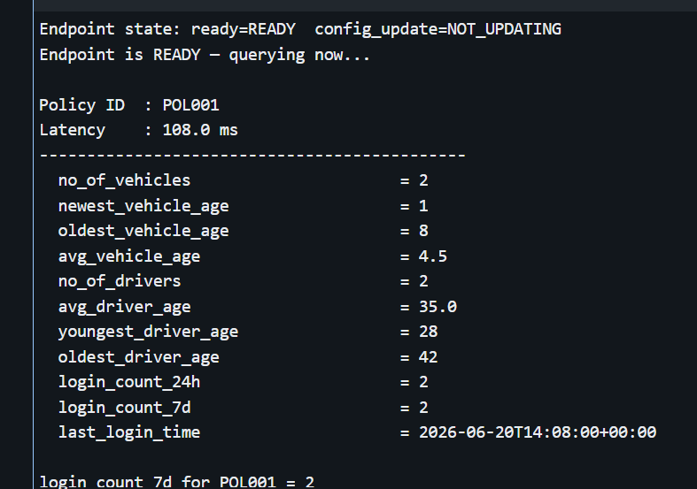
Login -immediate

Active
auto_policy_id | policyholder_id | no_of_vehicles | newest_vehicle_age | oldest_vehicle_age | avg_vehicle_age | no_of_drivers | avg_driver_age | youngest_driver_age | oldest_driver_age | login_count_24h | login_count_7d | last_login_time | feature_updated_at | vehicle_features_updated_at | driver_features_updated_at | login_features_updated_at | last_source_event_id
POL001 | CUS001 | 2 | 1 | 8 | 4.5 | 2 | 35 | 28 | 42 | 0 | 0 | - | 2026-06-20T16:28:51.826+00:00 | 2026-06-20T16:28:51.826+00:00 | 2026-06-20T16:28:51.826+00:00 | - | seed_load
POL002 | CUS002 | 1 | 3 | 3 | 3 | 1 | 45 | 45 | 45 | 0 | 0 | - | 2026-06-20T16:28:51.826+00:00 | 2026-06-20T16:28:51.826+00:00 | 2026-06-20T16:28:51.826+00:00 | - | seed_load
POL003 | CUS003 | 3 | 0 | 12 | 5.3 | 3 | 38 | 25 | 52 | 0 | 0 | - | 2026-06-20T16:28:51.826+00:00 | 2026-06-20T16:28:51.826+00:00 | 2026-06-20T16:28:51.826+00:00 | - | seed_load

History
auto_policy_id | policyholder_id | no_of_vehicles | newest_vehicle_age | oldest_vehicle_age | avg_vehicle_age | no_of_drivers | avg_driver_age | youngest_driver_age | oldest_driver_age | login_count_24h | login_count_7d | last_login_time | feature_updated_at | vehicle_features_updated_at | driver_features_updated_at | login_features_updated_at | last_source_event_id | snapshot_at | reason | event_id | changed_feature_group | valid_from | valid_to | is_current
POL001 | CUS001 | 2 | 1 | 8 | 4.5 | 2 | 35 | 28 | 42 | 0 | 0 | - | 2026-06-20T16:28:51.826+00:00 | 2026-06-20T16:28:51.826+00:00 | 2026-06-20T16:28:51.826+00:00 | - | seed_load | 2026-06-20T16:28:55.020+00:00 | initial_load | null | null | 2026-06-20T16:28:51.826+00:00 | - | TRUE
POL002 | CUS002 | 1 | 3 | 3 | 3 | 1 | 45 | 45 | 45 | 0 | 0 | - | 2026-06-20T16:28:51.826+00:00 | 2026-06-20T16:28:51.826+00:00 | 2026-06-20T16:28:51.826+00:00 | - | seed_load | 2026-06-20T16:28:55.020+00:00 | initial_load | null | null | 2026-06-20T16:28:51.826+00:00 | - | TRUE
POL003 | CUS003 | 3 | 0 | 12 | 5.3 | 3 | 38 | 25 | 52 | 0 | 0 | - | 2026-06-20T16:28:51.826+00:00 | 2026-06-20T16:28:51.826+00:00 | 2026-06-20T16:28:51.826+00:00 | - | seed_load | 2026-06-20T16:28:55.020+00:00 | initial_load | null | null | 2026-06-20T16:28:51.826+00:00 | - | TRUE

event raw
event_id | auto_policy_id | policyholder_id | login_timestamp | event_received_at | batch_id
testcase_13 | POL001 | CUS001 | 2026-06-20T10:00:00.000+00:00 | 2026-06-20T10:00:00.000+00:00 | 2

Login_event
event_id | event_type | auto_policy_id | raw_payload | received_at | batch_id
testcase_13 | login_event | POL001 | {"event_id":"testcase_13","event_type":"login_event","auto_policy_id":"POL001","policyholder_id":"CUS001","login_timestamp":"2026-06-20T10:00:00.000Z","event_source":"auth_service","event_timestamp":"2026-06-20T10:00:00.000Z","event_received_at":"2026-06-20T10:00:00.000Z"} | 2026-06-20T10:00:00.000+00:00 | 4

Active
auto_policy_id | policyholder_id | no_of_vehicles | newest_vehicle_age | oldest_vehicle_age | avg_vehicle_age | no_of_drivers | avg_driver_age | youngest_driver_age | oldest_driver_age | login_count_24h | login_count_7d | last_login_time | feature_updated_at | vehicle_features_updated_at | driver_features_updated_at | login_features_updated_at | last_source_event_id
POL002 | CUS002 | 1 | 3 | 3 | 3 | 1 | 45 | 45 | 45 | 0 | 0 | - | 2026-06-20T16:28:51.826+00:00 | 2026-06-20T16:28:51.826+00:00 | 2026-06-20T16:28:51.826+00:00 | - | seed_load
POL003 | CUS003 | 3 | 0 | 12 | 5.3 | 3 | 38 | 25 | 52 | 0 | 0 | - | 2026-06-20T16:28:51.826+00:00 | 2026-06-20T16:28:51.826+00:00 | 2026-06-20T16:28:51.826+00:00 | - | seed_load
POL001 | CUS001 | 2 | 1 | 8 | 4.5 | 2 | 35 | 28 | 42 | 1 | 1 | 2026-06-20T10:00:00.000+00:00 | 2026-06-20T16:33:14.754+00:00 | 2026-06-20T16:28:51.826+00:00 | 2026-06-20T16:28:51.826+00:00 | 2026-06-20T16:33:14.754+00:00 | testcase_13

History
auto_policy_id | policyholder_id | no_of_vehicles | newest_vehicle_age | oldest_vehicle_age | avg_vehicle_age | no_of_drivers | avg_driver_age | youngest_driver_age | oldest_driver_age | login_count_24h | login_count_7d | last_login_time | feature_updated_at | vehicle_features_updated_at | driver_features_updated_at | login_features_updated_at | last_source_event_id | snapshot_at | reason | event_id | changed_feature_group | valid_from | valid_to | is_current
POL001 | CUS001 | 2 | 1 | 8 | 4.5 | 2 | 35 | 28 | 42 | 0 | 0 | - | 2026-06-20T16:28:51.826+00:00 | 2026-06-20T16:28:51.826+00:00 | 2026-06-20T16:28:51.826+00:00 | - | seed_load | 2026-06-20T16:28:55.020+00:00 | initial_load | null | null | 2026-06-20T16:28:51.826+00:00 | 2026-06-20T16:33:06.634+00:00 | FALSE
POL001 | CUS001 | 2 | 1 | 8 | 4.5 | 2 | 35 | 28 | 42 | 1 | 1 | 2026-06-20T10:00:00.000+00:00 | 2026-06-20T16:33:14.754+00:00 | 2026-06-20T16:28:51.826+00:00 | 2026-06-20T16:28:51.826+00:00 | 2026-06-20T16:33:14.754+00:00 | testcase_13 | 2026-06-20T16:33:23.580+00:00 | immediate:login_event | testcase_13 | login | 2026-06-20T16:33:23.580+00:00 | - | TRUE
POL002 | CUS002 | 1 | 3 | 3 | 3 | 1 | 45 | 45 | 45 | 0 | 0 | - | 2026-06-20T16:28:51.826+00:00 | 2026-06-20T16:28:51.826+00:00 | 2026-06-20T16:28:51.826+00:00 | - | seed_load | 2026-06-20T16:28:55.020+00:00 | initial_load | null | null | 2026-06-20T16:28:51.826+00:00 | - | TRUE
POL003 | CUS003 | 3 | 0 | 12 | 5.3 | 3 | 38 | 25 | 52 | 0 | 0 | - | 2026-06-20T16:28:51.826+00:00 | 2026-06-20T16:28:51.826+00:00 | 2026-06-20T16:28:51.826+00:00 | - | seed_load | 2026-06-20T16:28:55.020+00:00 | initial_load | null | null | 2026-06-20T16:28:51.826+00:00 | - | TRUE

another event

Active
auto_policy_id | policyholder_id | no_of_vehicles | newest_vehicle_age | oldest_vehicle_age | avg_vehicle_age | no_of_drivers | avg_driver_age | youngest_driver_age | oldest_driver_age | login_count_24h | login_count_7d | last_login_time | feature_updated_at | vehicle_features_updated_at | driver_features_updated_at | login_features_updated_at | last_source_event_id
POL002 | CUS002 | 1 | 3 | 3 | 3 | 1 | 45 | 45 | 45 | 0 | 0 | - | 2026-06-20T18:01:39.168+00:00 | 2026-06-20T18:01:39.168+00:00 | 2026-06-20T18:01:39.168+00:00 | - | seed_load
POL003 | CUS003 | 3 | 0 | 12 | 5.3 | 3 | 38 | 25 | 52 | 0 | 0 | - | 2026-06-20T18:01:39.168+00:00 | 2026-06-20T18:01:39.168+00:00 | 2026-06-20T18:01:39.168+00:00 | - | seed_load
POL001 | CUS001 | 2 | 1 | 8 | 4.5 | 2 | 35 | 28 | 42 | 2 | 2 | 2026-06-20T14:08:00.000+00:00 | 2026-06-20T19:30:09.501+00:00 | 2026-06-20T18:01:39.168+00:00 | 2026-06-20T18:01:39.168+00:00 | 2026-06-20T19:30:09.501+00:00 | testcase_17

History
auto_policy_id | policyholder_id | no_of_vehicles | newest_vehicle_age | oldest_vehicle_age | avg_vehicle_age | no_of_drivers | avg_driver_age | youngest_driver_age | oldest_driver_age | login_count_24h | login_count_7d | last_login_time | feature_updated_at | vehicle_features_updated_at | driver_features_updated_at | login_features_updated_at | last_source_event_id | snapshot_at | reason | event_id | changed_feature_group | valid_from | valid_to | is_current
POL001 | CUS001 | 2 | 1 | 8 | 4.5 | 2 | 35 | 28 | 42 | 0 | 0 | - | 2026-06-20T18:01:39.168+00:00 | 2026-06-20T18:01:39.168+00:00 | 2026-06-20T18:01:39.168+00:00 | - | seed_load | 2026-06-20T18:01:41.595+00:00 | initial_load | null | null | 2026-06-20T18:01:39.168+00:00 | 2026-06-20T19:18:01.613+00:00 | FALSE
POL001 | CUS001 | 2 | 1 | 8 | 4.5 | 2 | 35 | 28 | 42 | 1 | 1 | 2026-06-20T10:05:00.000+00:00 | 2026-06-20T19:18:06.934+00:00 | 2026-06-20T18:01:39.168+00:00 | 2026-06-20T18:01:39.168+00:00 | 2026-06-20T19:18:06.934+00:00 | testcase_16 | 2026-06-20T19:18:14.550+00:00 | immediate:login_event | testcase_16 | login | 2026-06-20T19:18:14.550+00:00 | 2026-06-20T19:30:05.453+00:00 | FALSE
POL001 | CUS001 | 2 | 1 | 8 | 4.5 | 2 | 35 | 28 | 42 | 2 | 2 | 2026-06-20T14:08:00.000+00:00 | 2026-06-20T19:30:09.501+00:00 | 2026-06-20T18:01:39.168+00:00 | 2026-06-20T18:01:39.168+00:00 | 2026-06-20T19:30:09.501+00:00 | testcase_17 | 2026-06-20T19:30:15.560+00:00 | immediate:login_event | testcase_17 | login | 2026-06-20T19:30:15.560+00:00 | - | TRUE
POL002 | CUS002 | 1 | 3 | 3 | 3 | 1 | 45 | 45 | 45 | 0 | 0 | - | 2026-06-20T18:01:39.168+00:00 | 2026-06-20T18:01:39.168+00:00 | 2026-06-20T18:01:39.168+00:00 | - | seed_load | 2026-06-20T18:01:41.595+00:00 | initial_load | null | null | 2026-06-20T18:01:39.168+00:00 | - | TRUE
POL003 | CUS003 | 3 | 0 | 12 | 5.3 | 3 | 38 | 25 | 52 | 0 | 0 | - | 2026-06-20T18:01:39.168+00:00 | 2026-06-20T18:01:39.168+00:00 | 2026-06-20T18:01:39.168+00:00 | - | seed_load | 2026-06-20T18:01:41.595+00:00 | initial_load | null | null | 2026-06-20T18:01:39.168+00:00 | - | TRUE

login events
event_id | auto_policy_id | policyholder_id | login_timestamp | event_received_at
testcase_16 | POL001 | CUS001 | 2026-06-20T10:05:00.000+00:00 | 2026-06-20T10:05:00.000+00:00
testcase_17 | POL001 | CUS001 | 2026-06-20T14:08:00.000+00:00 | 2026-06-20T14:08:00.000+00:00

raw event
event_id | event_type | auto_policy_id | raw_payload | received_at | batch_id
testcase_15 | login_event | POL001 | {"event_id":"testcase_15","event_type":"login_event","auto_policy_id":"POL001","policyholder_id":"CUS001","login_timestamp":"2026-06-20T10:05:00.000Z","event_source":"auth_service","event_timestamp":"2026-06-20T10:05:00.000Z","event_received_at":"2026-06-20T10:05:00.000Z"} | 2026-06-20T10:05:00.000+00:00 | 5
testcase_16 | login_event | POL001 | {"event_id":"testcase_16","event_type":"login_event","auto_policy_id":"POL001","policyholder_id":"CUS001","login_timestamp":"2026-06-20T10:05:00.000Z","event_source":"auth_service","event_timestamp":"2026-06-20T10:05:00.000Z","event_received_at":"2026-06-20T10:05:00.000Z"} | 2026-06-20T10:05:00.000+00:00 | 6
testcase_17 | login_event | POL001 | {"event_id":"testcase_17","event_type":"login_event","auto_policy_id":"POL001","policyholder_id":"CUS001","login_timestamp":"2026-06-20T14:08:00.000Z","event_source":"auth_service","event_timestamp":"2026-06-20T14:08:00.000Z","event_received_at":"2026-06-20T14:08:00.000Z"} | 2026-06-20T14:08:00.000+00:00 | 7

