Data Exhibit-1
Data as of 30th Sep'20
Supplier Name | Location | Revenue($) Million | Cash from Operations | Credit Rating | S-OTD | Single Source | IP Protection | Data security | Labour Unrests | Environmental Incidents | Regulatory | Finance | Product Guarantee | Data Security | Comprehensive score
Plaxian | US | 6,040 | 354 | 3 | 0.91 | 0 | 0 | 9 | Y | N | 0.5 | 0.1333727331 | 0.2275 | 0.9 | 0.3099304566
GutesGlas | Germany | 8,293 | 905 | 3 | 0.85 | 1 | 0 | 8 | N | N | 1 | 0.1612645868 | 0.9625 | 0.8 | 0.6851926054
Boavidro | Brazil | 9,287 | 363.9 | 3 | 0.63 | 1 | 0 | 8 | N | N | 1 | 0.1446574129 | 0.9075 | 0.8 | 0.6628800945
Saanch | India | 3,147 | 435.96 | 2 | 0.9 | 1 | 0 | 9 | N | N | 1 | 0.1766676583 | 0.975 | 0.9 | 0.6993336804
RealGlass | China | 37,719 | 3996 | 1 | 0.82 | 0 | 1 | 10 | Y | Y | 0 | 0.7242766739 | 0.205 | 1 | 0.3649968359
Optikiet | China | 113 | 23.31 | 4 | 0.88 | 0 | 1 | 7 | N | N | 1 | 0.3012400216 | 0.22 | 0.7 | 0.5064340076
BestOGlass | US | 5,379 | 23.9 | 2 | 0.78 | 0 | 0 | 10 | N | N | 1 | 0.1689709634 | 0.195 | 1 | 0.4676398372
MedicMetric | Philippines | 10 | 9.5 | 4 | 0.94 | 0 | 1 | 7 | N | N | 1 | 0.300384127 | 0.235 | 0.7 | 0.5106344445
Shale | Saudi Arabia | 2,431 | 309.135 | 3 | 0.86 | 1 | 0 | 8 | N | Y | 0.5 | 0.1195806574 | 0.965 | 0.8 | 0.5213532301
Opticful | Italy | 95 | 6.3756 | 3 | 0.92 | 1 | 0 | 5 | N | N | 1 | 0.1005547027 | 0.98 | 0.5 | 0.6541941459
basicPharm | US | 395 | 9 | 5 | 0.88 | 0 | 1 | 7 | N | N | 1 | 0.2516604067 | 0.22 | 0.7 | 0.4890811423
PharmyLeaf | India | 1,431 | 340.368 | 2 | 0.79 | 1 | 0 | 8 | N | N | 1 | 0.1673700563 | 0.9475 | 0.8 | 0.6828295197
Total(in $) Million |  | 74,340 | 6,776 |  |  | 0-single source
Finance score vs Supplier Name
 | Proprotion | Revenue($) Million | Cash from Operations |  |  |  | Cash from operations is usually the most reliable flow of cash in a company |  |  |  |  |  |  | Supplier Name | Finance score
 |  | 0.08124831854 | 0.05224261374 |  |  |  |  |  |  |  |  |  |  | RealGlass | 0.72427667387
 |  | 0.1115550175 | 0.1335033297 |  |  |  |  |  |  |  |  |  |  | Optikiet | 0.30124002158
 |  | 0.1249260156 | 0.05370363598 |  |  |  |  |  |  |  |  |  |  | MedicMetric | 0.30038412703
 |  | 0.04233252623 | 0.06433810702 |  |  |  |  |  |  |  |  |  |  | basicPharm | 0.25166040671
 |  | 0.5073849879 | 0.5897217076 |  |  |  |  |  |  |  |  |  |  | Saanch | 0.17666765831
 |  | 0.001520043045 | 0.003440043294 |  |  |  |  |  |  |  |  |  |  | BestOGlass | 0.16897096341
 |  | 0.07235673931 | 0.003527114317 |  |  |  |  |  |  |  |  |  |  | PharmyLeaf | 0.16737005626
 |  | 0.0001345170837 | 0.001401991047 |  |  |  |  |  |  |  |  |  |  | GutesGlas | 0.1612645868
 |  | 0.03270110304 | 0.04562152655 |  |  |  |  |  |  |  |  |  |  | Boavidro | 0.1446574129
 |  | 0.001277912295 | 0.0009408983281 |  |  |  |  |  |  |  |  |  |  | Plaxian | 0.13337273307
 |  | 0.005313424805 | 0.001328202044 |  |  |  |  |  |  |  |  |  |  | Shale | 0.1195806574
 |  | 0.01924939467 | 0.05023083037 |  |  |  |  |  |  |  |  |  |  | Opticful | 0.10055470266

Data Exhibit-4
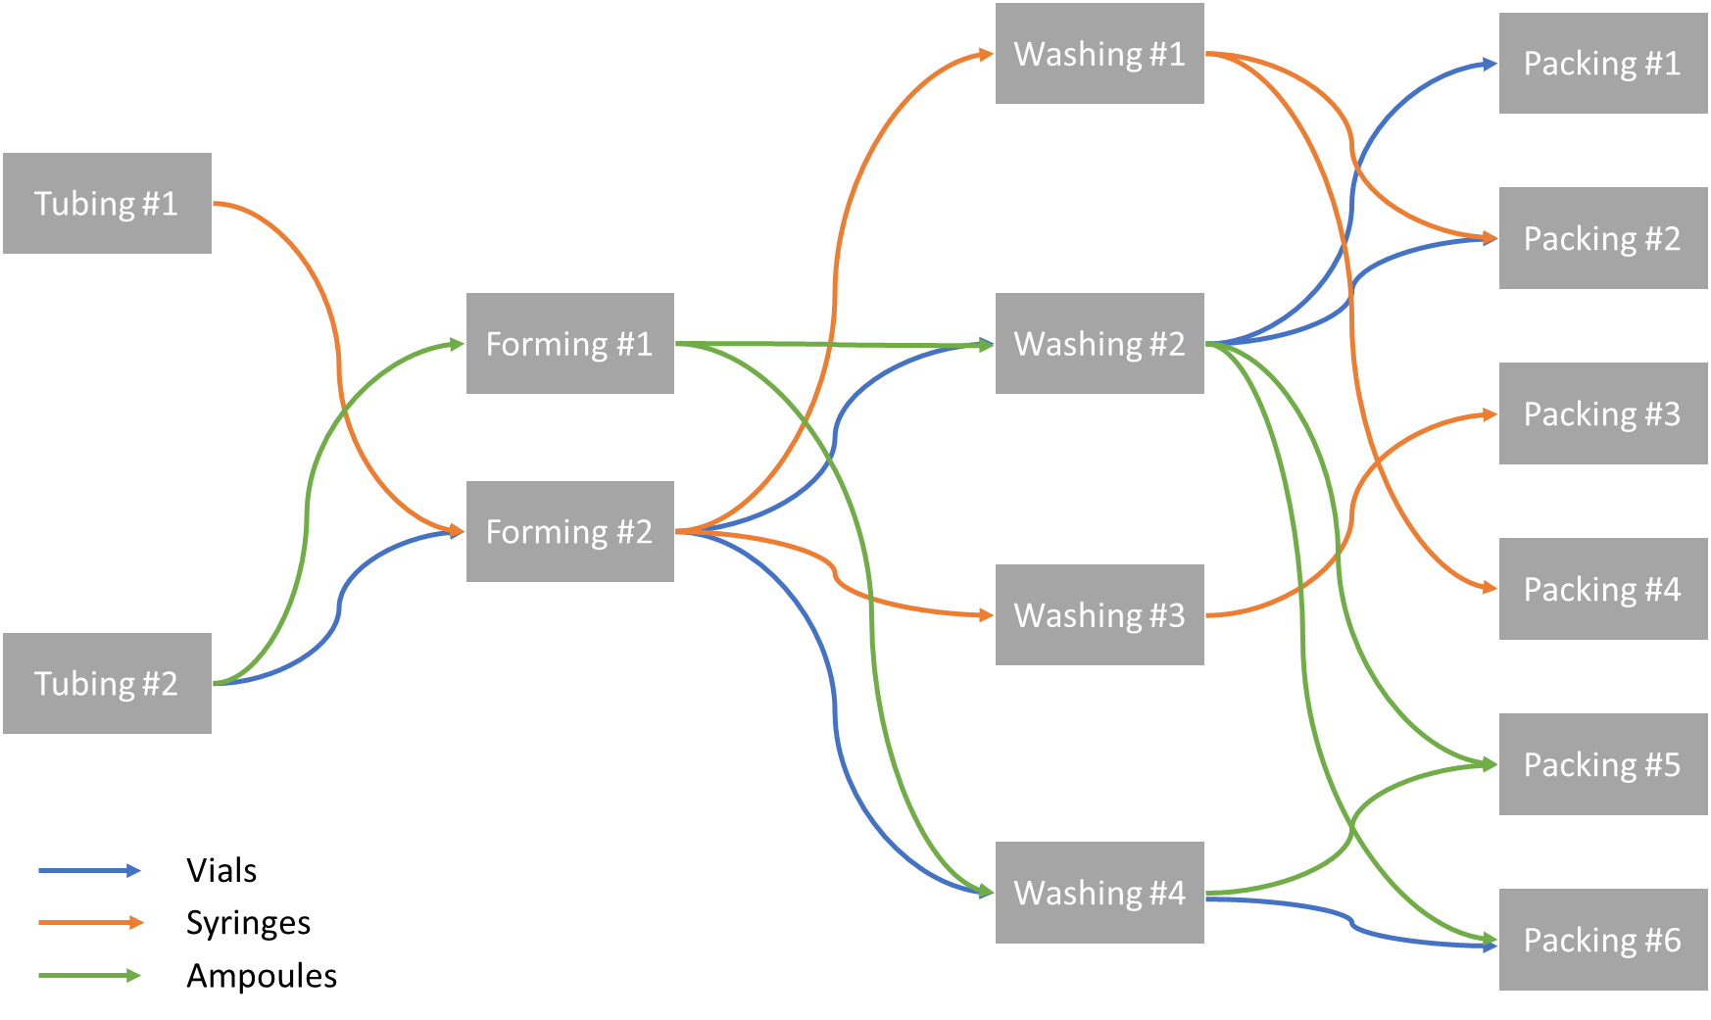
4-step manufacturing process for all 3 products in Fabricadas

Fabricadas Utilization and Stoppages
Unit | Weekends and Holidays | Planned shutdowns | Unplanned shutdowns
Tubing #1 | 115 | 10 | 15
Tubing #2 | 115 | 10 | 20
Forming #1 | 115 | 10 | 15
Forming #2 | 115 | 10 | 25
Washing #1 | 115 | 10 | 15
Washing #2 | 115 | 10 | 20
Washing #3 | 115 | 10 | 20
Washing #4 | 115 | 10 | 15
Packing #1 | 115 | 10 | 20
Packing #2 | 115 | 10 | 20
Packing #3 | 115 | 10 | 25
Packing #4 | 115 | 10 | 15
Packing #5 | 115 | 10 | 20
Packing #6 | 115 | 10 | 20

