CountA
Reference : ExcelPracticeOnline

Please calculate how many items are in the table:
 | Chili sauce
 | BBQ sauce |  | 1
 | Vinaigrette sauce |  | ab
 | Wine sauce |  | 23
 | Mint sauce |  | tr
 | Steak sauce |  | 4
Count: | 6 | < - Insert formula here!
 | 0

 | countA function is used because it will count text as well as numeric values also

NestedIf
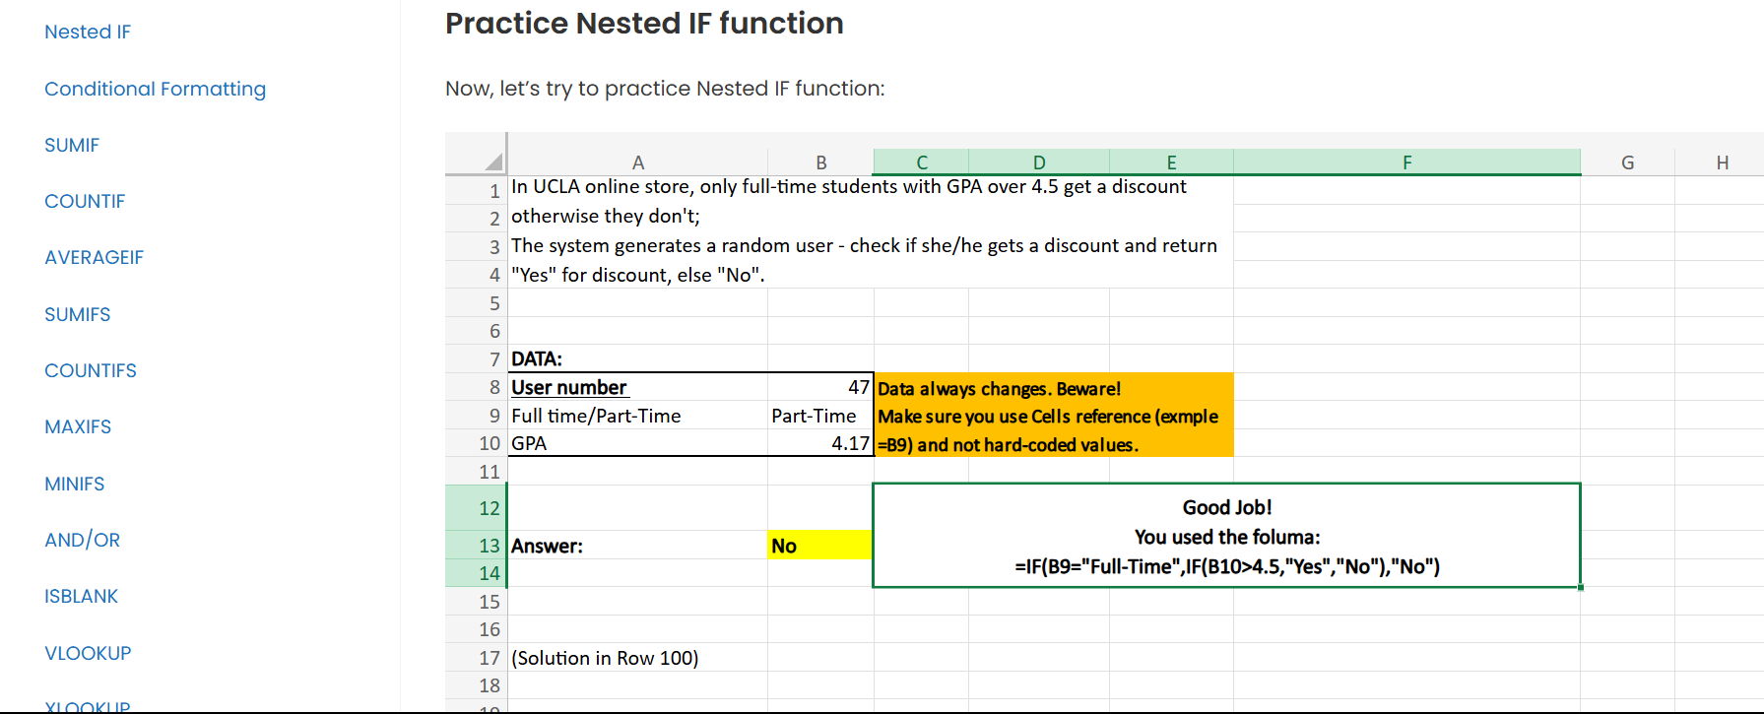
In UCLA online store, only full-time students with GPA over 4.5 get a discount otherwise they don't;
The system generates a random user - check if she/he gets a discount and return "Yes" for discount, else "No". |  |  | Instructions: create a nested if formula where:
 |  |  | 1. Conditions:
 |  |  | First condition Full-Time
 |  |  | Second condition GPA Greater than 4.5
 |  |  | 2. Results:
DATA: |  |  | Gets a discount – return “Yes", otherwise “No"
User number | 58 | Data always changes. Beware! | The following formula is a great example of how to use Nested If in this case.
Full time/Part-Time | Full-Time | Make sure you use Cells reference (exmple =B9) and not hard-coded values. | No
GPA | 4.72 |  | Alternatively, you could switch between the first and the second conditions:
 |  |  | No
 |  | <= Insert formula here! | There are many other ways you could test 2 or more conditions! We believe that the two examples above are the easiest =)
Answer: | Yes

