Dashboard
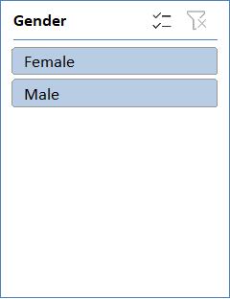
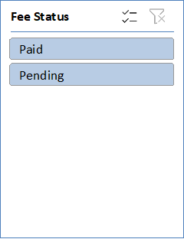
STUDENT MANAGEMENT SYSTEM DASHBOARD

TOTAL STUDENTS | PASS / FAIL | CLASS AVERAGE % | TOP SCORER
60 | 47 / 13 | 67.2 | Tanvi Verma

PENDING FEES
33

Grade Distribution
 | Number of Students
A+ | 1
A | 11
B | 37
C | 10
D | 1
F | 0
Pass Count by Class
 | Pass Count
6 | 10
7 | 10
8 | 7
9 | 10
10 | 10
Grade Distribution |  |  | Class-wise Pass Count

Average Percentage by Class
 | Average %
6 | 64.5
7 | 68.1
8 | 66.3
9 | 68.7
10 | 68.2
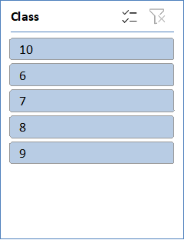
Class-wise Average Percentage

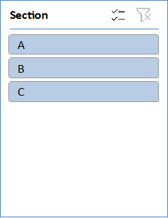

 | Count of Result | Average of Percentage (%)
10 | 2 | 65
6 | 1 | 61.6
7 | 2 | 68.9
8 | 2 | 68.9
9 | 2 | 63.6
10 | 4 | 67.15
6 | 3 | 61.6
7 | 1 | 82.4
8 | 1 | 69.4
9 | 1 | 78.2
10 | 1 | 53
6 | 2 | 66.1
7 | 3 | 69
8 | 2 | 69.3
9 | 3 | 71
10 | 2 | 69.2
6 | 2 | 57.2
7 | 2 | 66.3
8 | 2 | 63.9
9 | 2 | 72.5
10 | 1 | 85
6 | 3 | 67.733333333
7 | 3 | 63
8 | 1 | 54.8
9 | 1 | 71.2
10 | 2 | 71.6
6 | 2 | 71.4
7 | 2 | 68.1
8 | 2 | 67.4
9 | 3 | 63.333333333

pivot table
Section | Gender | Class | Count of Result | Average of Percentage (%)
A |  |  | 19 | 67.252631579
 | Female |  | 9 | 66.044444444
 |  | 10 | 2 | 65
 |  | 6 | 1 | 61.6
 |  | 7 | 2 | 68.9
 |  | 8 | 2 | 68.9
 |  | 9 | 2 | 63.6
 | Male |  | 10 | 68.34
 |  | 10 | 4 | 67.15
 |  | 6 | 3 | 61.6
 |  | 7 | 1 | 82.4
 |  | 8 | 1 | 69.4
 |  | 9 | 1 | 78.2
B |  |  | 21 | 66.761904762
 | Female |  | 11 | 67.618181818
 |  | 10 | 1 | 53
 |  | 6 | 2 | 66.1
 |  | 7 | 3 | 69
 |  | 8 | 2 | 69.3
 |  | 9 | 3 | 71
 | Male |  | 10 | 65.82
 |  | 10 | 2 | 69.2
 |  | 6 | 2 | 57.2
 |  | 7 | 2 | 66.3
 |  | 8 | 2 | 63.9
 |  | 9 | 2 | 72.5
C |  |  | 20 | 67.51
 | Female |  | 9 | 67.022222222
 |  | 10 | 1 | 85
 |  | 6 | 3 | 67.733333333
 |  | 7 | 3 | 63
 |  | 8 | 1 | 54.8
 |  | 9 | 1 | 71.2
 | Male |  | 11 | 67.909090909
 |  | 10 | 2 | 71.6
 |  | 6 | 2 | 71.4
 |  | 7 | 2 | 68.1
 |  | 8 | 2 | 67.4
 |  | 9 | 3 | 63.333333333
Grand Total |  |  | 60 | 67.166666667

