Photo_Index
Skid_ID | Source Photo | Description | Embedded Thumbnail
MAIN | IMG_0192.jpeg | Main group photo showing full Rockwell demo room wall with six process skid backpanels. | 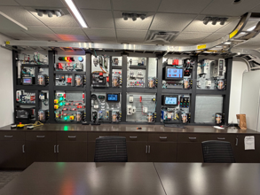
SKID-01 | IMG_0196.jpeg | PLC/network core process skid closeup. | 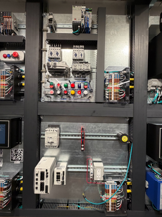
SKID-02 | IMG_0199.jpeg | VFD and Kinetix motion drive process skid closeup. | 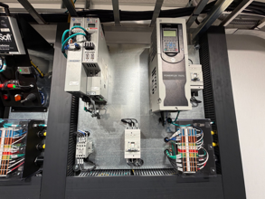
SKID-03 | IMG_0201.jpeg | GuardLogix/HMI safety process skid closeup. | 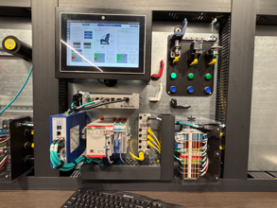
SKID-04 | IMG_0205.jpeg | Servo motion safety cell process skid closeup. | 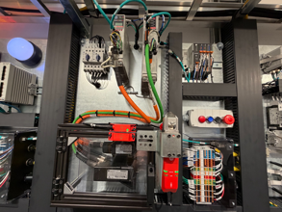
SKID-05 | IMG_0206.jpeg | Guarding/E-stop safety demonstration process skid closeup. | 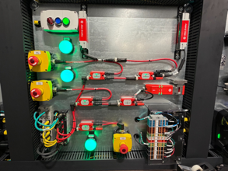
SKID-06 | IMG_0209.jpeg | Compact machine control and drives process skid closeup. | 