Sheet1
Product Name | NUM | Photo/s | SKU
HALF WHITE DHUL DHUL PEARL 6MM | 310 | 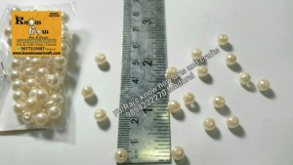 | BD-PR-004
PLASTIC DRUM BEADS | 387 | 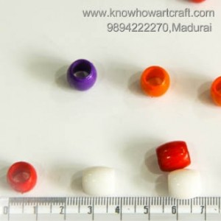 | BD-AC-001
6MM MULTICOLOR ACRYLIC BEADS | 329 | 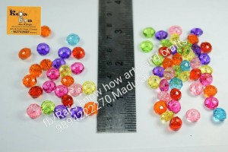 | BD-AC-002
12MM MULTICOLOR ACRYLIC BEADS | 330 | 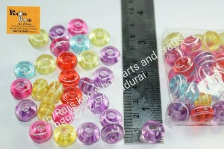 | BD-AC-003
ACRYLIC STAR | 257 | 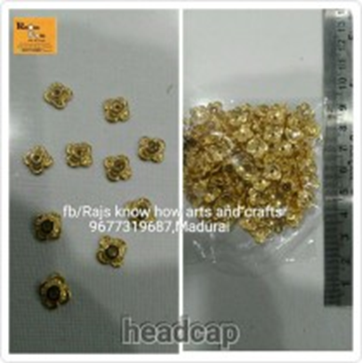 | BD-AC-004
ACRYLIC STAR MINI | 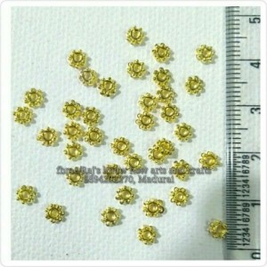 258 |  | BD-AC-004
MEDIUM CHAKRA | 270 | 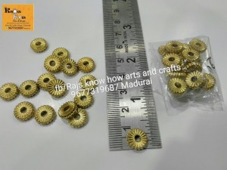 | BD-AC-006
ACRYLIC 10MM YELLOW | 666 | 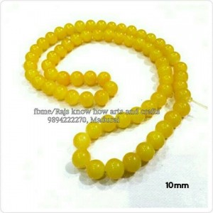 | BD-AC-007
ACRYLIC 10MM PINK | 667 | 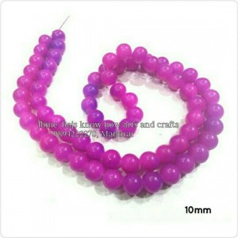 | BD-AC-008
ACRYLIC 10MM LEMON YELLOW | 668 | 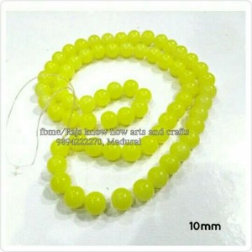 | BD-AC-009
ACRYLIC 10MM GREEN | 669 | 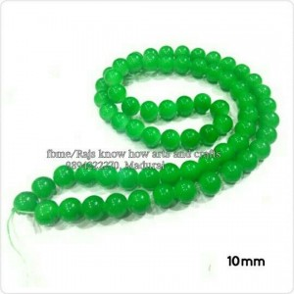 | BD-AC-010
ACRYLIC 10MM SAP GREEN | 670 | 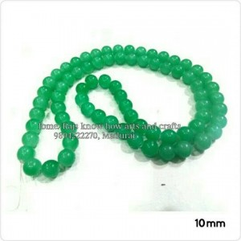 | BD-AC-011
ACRYLIC 10MM SKY BLUE | 671 | 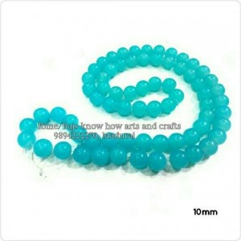 | BD-AC-012
ACRYLIC 10MM RED | 672 | 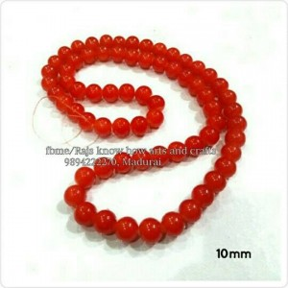 | BD-AC-013
ACRYLIC LINE BALLS GOLD | 181 | 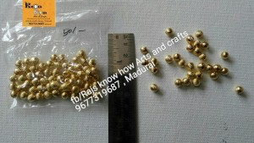 | BD-AC-014
ACRYLIC LINE BALLS ANTIQUE SILVER | 182 | 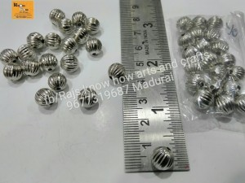 | BD-AC-015
ANTIQUE ACRYLIC GOLD BEADS | 255 | 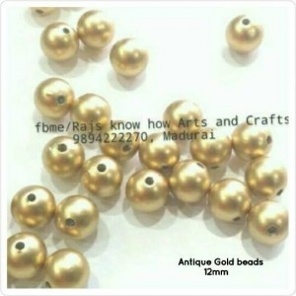 | BD-AC-016
12MM ROUND PLASTIC BAILS BEADS | 382 | 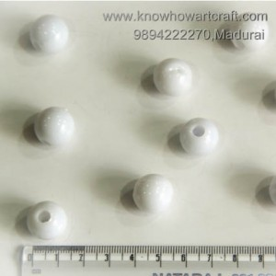 | BD-AC-017
FLAT ROUND BEADS FOR PENDANT | 389 | 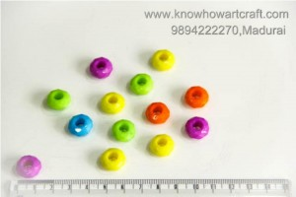 | BD-AC-018
16MM WIDE MOUTH BEADS | 384 | 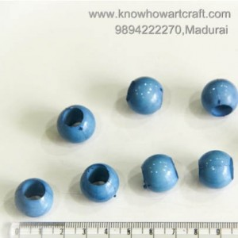 | BD-AC-019
4MM WIDE MOUTH BEADS | 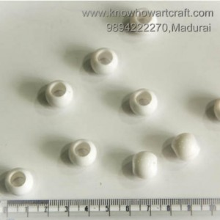 627 |  | BD-AC-020
12MM GOLD LINE BEADS | 336 | 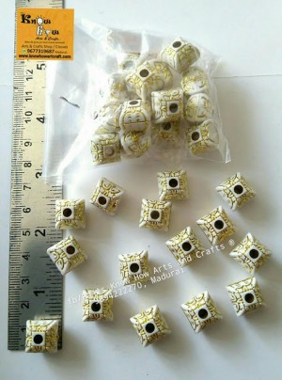 | BD-AC-021
12MM ROUND WIDE MOUTH BEADS | 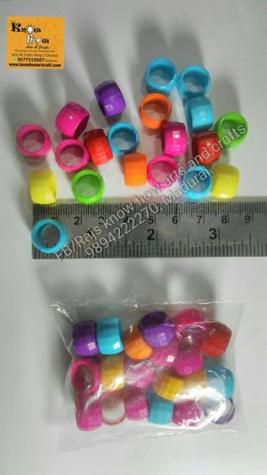 386 |  | BD-AC-022
WIDE MOUTH BEADS | 915 | 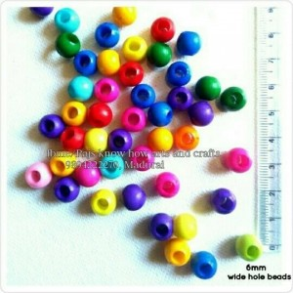 | BD-AC-023
ROUND SHAPE BEADS | 332 | 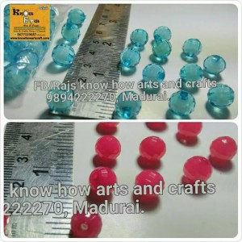 | BD-AC-024
WIDE MOUTH SQUARE BEADS | 822 | 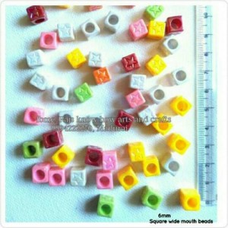 | BD-AC-025
10MM PLASTIC BEADS | 394 | 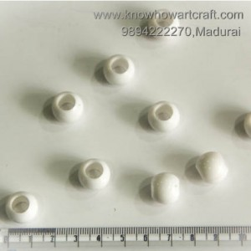 | BD-AC-026
6MM WIDE MOUTH SQUARE BEADS | 626 |  | BD-AC-027
ACRYLIC BEADS | 816 | 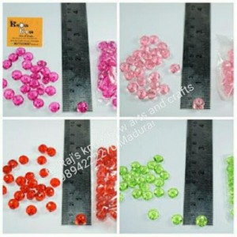 | BD-AC-028
8MM FLAT ROUND BEADS | 390 | 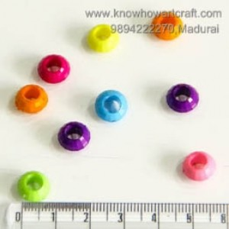 | BD-AC-029
ACRYLIC CRUSH BEADS | 186 | 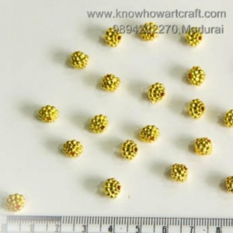 | BD-AC-030
10MM CUBE WIDE MOUTH BEADS | 385 | 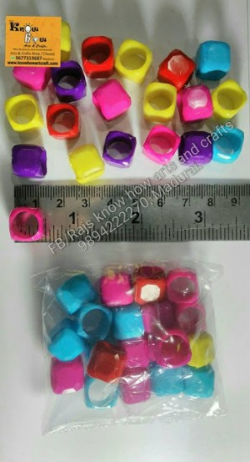 | BD-AC-031
POMEGRANATE BEADS | 914 | 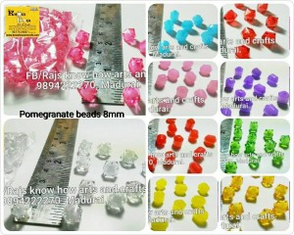 | BD-AC-032
10MM WHITE LINE BLACK BEADS | 338 | 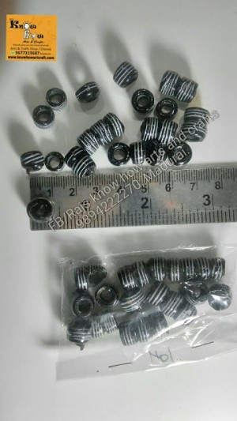 | BD-AC-033
ACRYLIC GOLD STAR | 61 | 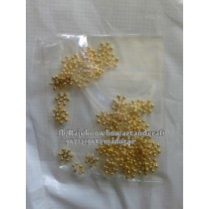 | BD-AC-034
4MM ANTIQUE DESIGNER BEADS | 344 | 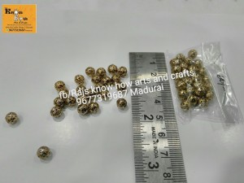 | BD-AQ-001
GOBI ACRYLIC CRYSTALS | 913 | 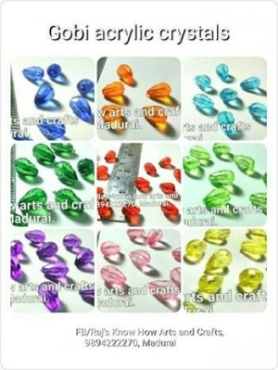 | BD-CY-001
6MM TRANSLUENT | 349 | 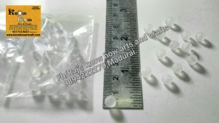 | BD-CY-002
MULTICOLORED GLASS BEADS | 850 | 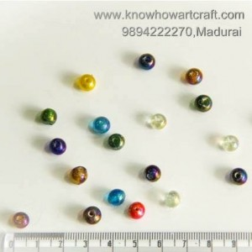 | BD-GL-001
GLASS BEADS | 857 | 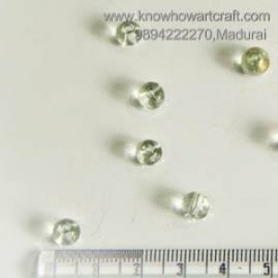 | BD-GL-002
FLAT MULTICOLORED GLASS BEADS | 856 | 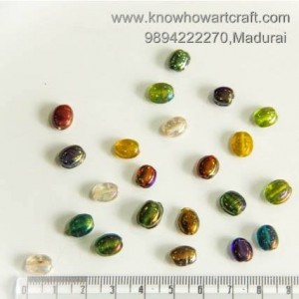 | BD-GL-003
SECOND QUALITY GLASS BEADS | 350 |  | BD-GL-004
GUN METAL MULTIFACET BEADS | 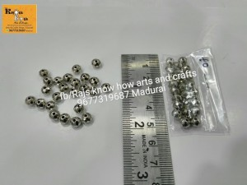 343 |  | BD-GR-001
GERMAN GOLD 1.5CM BEADS 1 | 674 | 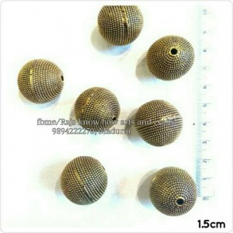 | BD-GR-002
GERMAN GOLD 1.5CM BEADS 2 | 675 | 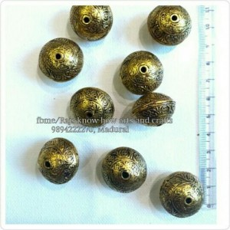 | BD-GR-003
GERMAN GOLD 1.5CM BEADS 3 | 676 | 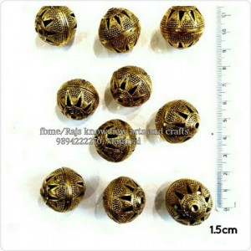 | BD-GR-004
GERMAN GOLD 1.5CM BEADS 4 | 677 | 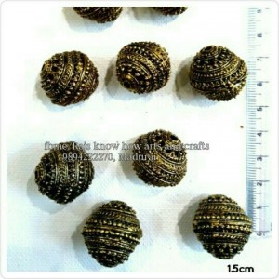 | BD-GR-005
GERMAN GOLD 1.5CM BEADS 5 | 678 |  | BD-GR-006
SQUARE FRAMED KUNDAN | 1047 | 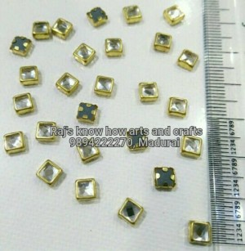 | BD-KD-001
TRIANGLE FRAMED KUNDAN | 1048 | 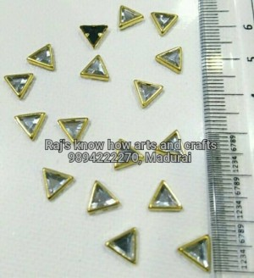 | BD-KD-002
ROUND FRAMED KUNDAN | 1049 | 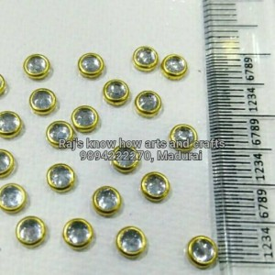 | BD-KD-003
EYE FRAMED KUNDAN | 1050 | 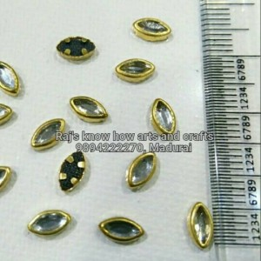 | BD-KD-004
THILAGAM FRAMED KUNDAN | 1051 | 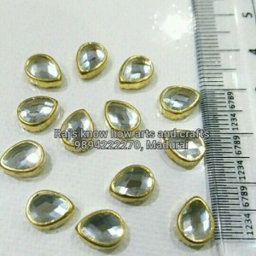 | BD-KD-005
RECTANGLE FRAMED KUNDAN | 1052 |  | BD-KD-006
PEARL ROUND FRAMED KUNDAN | 1053 |  | BD-KD-007
GOBI KUNDAN STONES 2MM | 166 |  | BD-KD-008
GOBI KUNDAN STONES 4MM | 167 |  | BD-KD-009
GOBI KUNDAN STONES 8MM | 168 |  | BD-KD-010
GOBI KUNDAN STONES 10MM | 169 |  | BD-KD-011
GOBI KUNDAN STONES 12MM | 170 |  | BD-KD-012
KUNDAN STONES 2MM | 161 |  | BD-KD-013
KUNDAN STONES 4MM | 162 |  | BD-KD-014
KUNDAN STONES 8MM | 163 |  | BD-KD-015
KUNDAN STONES 10MM | 164 |  | BD-KD-016
KUNDAN STONES 12MM | 165 |  | BD-KD-017
DIAMOND FRAME KUNDAN | 276 |  | BD-KD-018
KUNDAN STONES | 769 |  | BD-KD-019
THREE BUD KUNDAN STONES | 770 |  | BD-KD-020
QUALITY GOLD DOTS |  365 |  | BD-KD-021
QUALITY PLAIN GOLD DOTS | 366 |  | BD-KD-022
GHUNGROO SALANGAI-MULTICOLORED | 244 |  | BD-MT-001
GHUNGROO SALANGAI-GOLD | 245 |  | BD-MT-002
GHUNGROO SALANGAI-SILVER | 246 |  | BD-MT-003
METALLIC STAR SILVER | 62 |  | BD-MT-004
MINI STAR GOLD | 63 |  | BD-MT-005
MINI STAR IVORY SILVER | 64 |  | BD-MT-006
FLAT WIRED BEADS | 848 |  | BD-MT-007
GOLD LINE BEADS | 333 |  | BD-MT-008
BUTTERFLY BEADS | 846 |  | BD-MT-009
MINI GOLD DOTS | 363 |  | BD-MX-001
MEDIUM GOLD DOTS | 364 |  | BD-MX-002
WHITE CHAKRI | 815 |  | BD-MX-003
GOLD SQUARE BEADS 3MM | 189 |  | BD-MX-004
4MM HIGH QUALITY PREMIUM GLASS PEARLS | 628 |  | BD-MX-005
FITIING STONE SMALL | 86 |  | BD-MX-006
FITIING STONE LARGE | 87 |  | BD-MX-007
CHAKRI | 1075 |  | BD-MX-008
FLAT CHAKRI COLOURED | 268 |  | BD-MX-009
POLKI STONES | 799 |  | BD-NT-001
AGATE 6MM BLACK | 647 |  | BD-NT-002
AGATE 6MM PINKY BLACK | 648 |  | BD-NT-003
AGATE 6MM GLASSY | 649 |  | BD-NT-004
AGATE 6MM BABY PINK | 650 |  | BD-NT-005
AGATE 6MM LAVENDER | 651 |  | BD-NT-006
AGATE 6MM DARK BLUE | 652 |  | BD-NT-007
AGATE 10MM EMRALD GREEN | 653 |  | BD-NT-008
AGATE 10MM BLACKY BROWN | 654 |  | BD-NT-009
AGATE 10MM EMRALD RED | 655 |  | BD-NT-010
AGATE 10MM RUBY RED | 656 |  | BD-NT-011
AGATE 10MM MULTICOLORED | 657 |  | BD-NT-012
AGATE 8MM GREY | 658 |  | BD-NT-013
AGATE 8MM GREEN | 659 |  | BD-NT-014
AGATE 8MM SKY BLUE | 660 |  | BD-NT-015
AGATE 8MM BLUE | 661 |  | BD-NT-016
AGATE 8MM GOLD | 662 |  | BD-NT-017
AGATE 8MM LIGHT BLUE | 663 |  | BD-NT-018
CRAFT BUTTON 1 | 785 |  | BD-OT-001
CRAFT BUTTON 2 | 786 |  | BD-OT-002
16MM GOLD LINE HEART BEADS | 337 |  | BD-OT-003
NECKLACE CLOSING BEADS | 342 |  | BD-OT-004
14MM TOP BEADS | 340 |  | BD-OT-005
6MM WIDE MOUTH LOCAL BEADS | 391 |  | BD-OT-006
6MM WIDE MOUTH LOCAL BEADS | 392 |  | BD-OT-007
16MM GOLD LINE FLAT BEADS | 334 |  | BD-OT-008
18MM OVAL BEADS FOR MAKING NECKLACE | 388 |  | BD-OT-009
HIGH QUALITY OCTANE BEADS | 849 |  | BD-OT-010
SILVER BALLS | 123 |  | BD-OT-011
THIRD QUALITY 6MM GOLD BEADS | 372 |  | BD-OT-012
GOLD NET BALLS | 789 |  | BD-OT-013
GOLD DESIGNED BALL XXL | 790 |  | BD-OT-014
THIRD QUALITY 8MM GOLD COCONUT BEADS | 373 |  | BD-OT-015
SECON QUALITY COCONUT BEADS | 798 |  | BD-OT-016
8MM FIRST QUALITY THILAK PEARL GOLD 1 | 631 |  | BD-PR- 003
4MM FIRST QUALITY ROUND PEARL GOLD | 632 |  | BD-PR-001
8MM FIRST QUALITY THILAK PEARL GOLD | 630 |  | BD-PR-002
HALF WHITE DHUL DHUL PEARL 8MM | 311 |  | BD-PR-005
8MM SECOND QUALITY FLOWER BUD PEARL | 309 |  | BD-PR-006
THILAGRAM PEARL 8MM | 299 |  | BD-PR-007
THILGRAM PEARL BIG 12MM | 300 |  | BD-PR-008
PEARL BEAD | 308 |  | BD-PR-009
PEARL WHITE DHUL DHUL QUALITY PEARL 4MM |  303 |  | BD-PR-010
PEARL WHITE DHUL DHUL QUALITY PEARL 6MM | 304 |  | BD-PR-011
PEARL WHITE DHUL DHUL QUALITY PEARL 8MM | 305 |  | BD-PR-012
PEARL WHITE DHUL DHUL QUALITY PEARL 12MM | 306 |  | BD-PR-013
PEARL WHITE DHUL DHUL QUALITY PEARL 16MM | 307 |  | BD-PR-014
WHITE DHUL DHUL 6MM | 312 |  | BD-PR-015
WHITE DHUL DHUL 8MM | 313 |  | BD-PR-016
WHITE CRUSH PEARL 12MM | 314 |  | BD-PR-017
WHITE CRUSH PEARL 8MM | 315 |  | BD-PR-018
WHITE CRUSH PEARL 10MM | 316 |  | BD-PR-019
DOTTED PEARL 6MM | 302 |  | BD-PR-020
OVAL CUT PEARL | 297 |  | BD-PR-021
SANGU PEARL | 298 |  | BD-PR-022
STONE BALL | 269 |  | BD-SS-001
MULTICOLOUR STONE BALL | 267 |  | BD-ST-001
GREEN STONE BALL | 124 |  | BD-ST-002
RED STONE BALL | 125 |  | BD-ST-003
MAROON STONE BALL | 126 |  | BD-ST-004
12MM DESIGNER BALL | 135 |  | BD-ST-005
6MM DESIGNER BALL | 136 |  | BD-ST-006
16MM DESIGNER BALL (HIGH QUALITY) | 137 |  | BD-ST-007
8MM CUTIING GOLD BALLS | 183 |  | BD-ST-008
8MM FLAT CUTITING GOLD BALLS | 184 |  | BD-ST-009
METAL SQUARE SPACERS | 185 |  | BD-ST-010
ACRYLIC LINE BALLS GOLD | 187 |  | BD-ST-011
ACRYLIC LINE BALLS GOLD | 188 |  | BD-ST-012
10MM WOODEN BEAD | 832 |  | BD-WD-001
14MM WOODEN BEAD | 833 |  | BD-WD-002
RUDRAKSHA PEARL 8MM | 301 |  | BD-WD-003
RUDRAKSHA BEADS SMALL | 590 |  | BD-WD-004
RUDRAKSHA BEADS BIG | 591 |  | BD-WD-005
MEDIUM SIZED WOODEN BEADS | 375 |  | BD-WD-006
20MM WOODEN BEADS | 376 |  | BD-WD-007
8MM FLAT WOODEN SPACER BEADS | 380 |  | BD-WD-009
THIRD QUALITY 8MM GOLD COCONUT BEAD | 214 |  | BD-WD-010
10MM GOLD LINE COCONUT BEADS | 335 |  | BD-WD-011
8MM COCONUT BEADS | 393 |  | BD-WD-012
10MM FLAT WOODEN SPACER BEADS | 378 |  | BD-WD-013
10MM FLAT WOODEN SPACER BEADS | 379 |  | BD-WD-014
8MM FOOTBALL BEADS | 339 |  | BD-WD-015
14MM FOOTBALL BEADS | 341 |  | BD-WD-016
10MM WOODEN BEADS | 374 |  | BD-WD-017
16MM WOODEN BEADS | 377 |  | BD-WD-08
4MM COPPER LINED BALL | 116 |  | BD-WV-002

