Sheet1
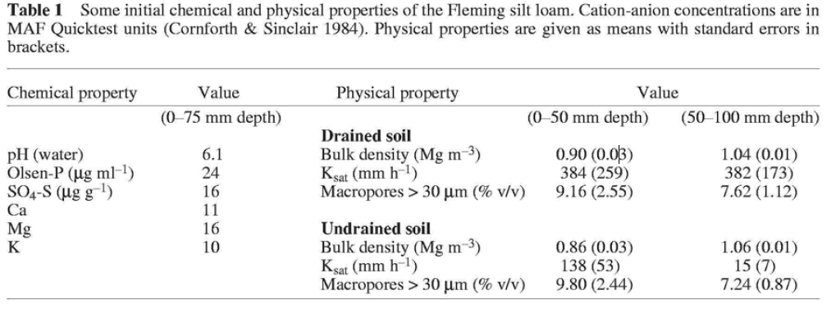
 | #1327
 | mm/day | mm/hr
0-200 | 571.265 | 23.802708333
 | 230.999 | 9.6249583333
 | 85.675 | 3.5697916667
 | 19.269 | 0.802875
 | 28.075 | 1.1697916667

 | #1333
 | mm/day | mm/hr
0-200 | 1,216.70 | 50.696
 | 346.992 | 14.458
 | 124.401 | 5.183375
 | 60.562 | 2.5234166667
 | 49.749 | 2.072875

 |  |  |  | 140 | 3360 | 0.36211428571

 |  |  |  |  |  | Klrye | KLClo
0 | 50 | 25 | 1,216.70 | 426 |  | 0.1 | 0.1 | 1
50 | 100 | 75 | 1,216.70 | 426 |  | 0.1 | 0.1 | 1
100 | 200 | 150 | 1,216.70 | 426 |  | 0.06 | 0.03 | 1
200 | 450 | 325 | 346.992 | 121 |  | 0.03 | 0.001 | 1
450 | 700 | 575 | 124.401 | 44 |  | 0.001 | 0 | 1
700 | 800 | 750 | 60.562 | 21 |  | 0 | 0 | 0
800 | 1100 | 950 | 60.562 | 21 |  | 0 | 0 | 0
1100 | 1500 | 1300 | 49.749 | 17 |  | 0 |  | 0

 |  | 46 |  | 168
 |  | 21 |  | 44
 |  | 22 |  | 12

 |  | 46.356111111 |  | 168.73666667
 |  | 46.356 |  | 168.737

