Sheet1
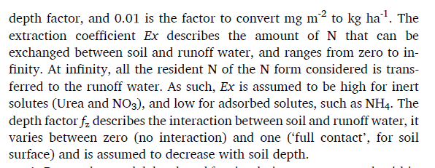
 |  |  | 10 | DepthOfConstantAvailabilty
30 | Depth constant |  | 30 | MaxDepthSoluteAccessible
 | MaxDepthSoluteAccessible
 | MaxEffectiveRunoff |  | 300 | MaxEffectiveRunoff
 | RunoffEffectivenessAtMovingSolute |  | 0.9 | RunoffEffectivenessAtMovingSolute

 |  |  | 500 | TD_runoff

 |  |  |  | fz
MidLayer | depthAvailabilityFactor | S_sol_ppm | MidLayer | depthAvailabilityFactor | runoffAmountFactor | Removed (ppm)
5 | 36 | 25 | 1 | 1 | 1 | 22.5
15 | 4 | 25 | 3 | 1 | 1 | 22.5
25 | 1.44 | 25 | 5 | 1 | 1 | 22.5
35 | 0 | 25 | 7 | 1 | 1 | 22.5
45 | 0 | 25 | 9 | 1 | 1 | 22.5
55 | 0 | 25 | 11 | 0.95 | 1 | 21.375
 |  | 25 | 13 | 0.85 | 1 | 19.125
 |  | 25 | 15 | 0.75 | 1 | 16.875
1 | 900 | 25 | 17 | 0.65 | 1 | 14.625
2 | 225 | 25 | 19 | 0.55 | 1 | 12.375
3 | 100 | 25 | 21 | 0.45 | 1 | 10.125
4 | 56.25 | 25 | 23 | 0.35 | 1 | 7.875
5 | 36 | 25 | 25 | 0.25 | 1 | 5.625
6 | 25 | 25 | 27 | 0.15 | 1 | 3.375
7 | 18.367346939 | 25 | 29 | 0.05 | 1 | 1.125
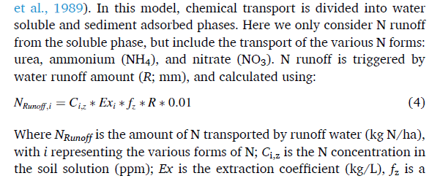
8 | 14.0625 | 25 | 31 | 0 | 1 | 0
9 | 11.111111111 | 25 | 33 | 0 | 1 | 0
10 | 9 | 25 | 35 | 0 | 1 | 0
 |  | 25 | 37 | 0 | 1 | 0
 |  | 25 | 39 | 0 | 1 | 0
 |  | 25 | 41 | 0 | 1 | 0
 |  | 25 | 43 | 0 | 1 | 0

