new_features
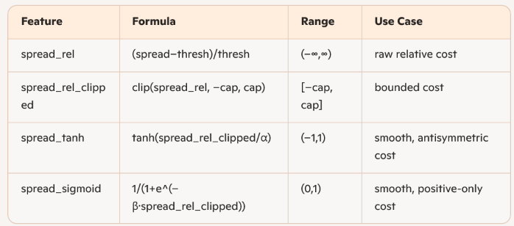
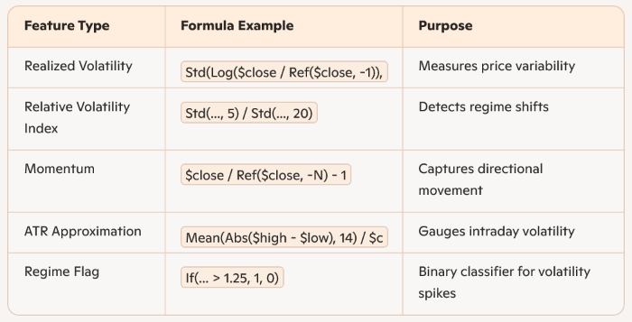
You now have four flavors of both signal and spread measures:

Raw differential: |  |  |  | 🔁 1. Rolling Volatility of Log Returns
• signal_diff = abs_q50 – signal_thresh |  |  |  | "Std(Log($close / Ref($close, -1)), N)"
• spread_diff = spread – spread_thresh
 |  |  |  | This computes the realized volatility over N periods using log returns. It’s equivalent to:
Relative strength: |  |  |  | ✅ Why log returns? They’re time-additive and symmetric for up/down moves.
• signal_rel = (abs_q50 – signal_thresh) / signal_thresh |  |  |  | ✅ Why standard deviation? It’s the canonical measure of volatility.
• spread_rel = (spread – spread_thresh) / spread_thresh |  |  |  | 📚 Investopedia’s ATR guide and Macroption’s ATR formulas explain this in depth.

Bounded transforms: |  |  |  | 📈 2. Relative Volatility Index
• signal_tanh, signal_sigmoid |  |  |  | "Std(..., 5) / Std(..., 20)"
• spread_tanh, spread_sigmoid
 |  |  |  | This is a short-term vs long-term volatility ratio, often used to detect volatility regime shifts:
Tier‐based confidence: |  |  |  | High ratio → short-term volatility spike → possible breakout or panic
• signal_tier (1–10) |  |  |  | Low ratio → calm market → mean-reversion or accumulation
• spread_tier (1–10) |  |  |  | 📚 StrategyQuant’s regime detection and Quantified Strategies discuss this use case.

 |  |  |  | 🚀 3. Rolling Price Momentum
 |  |  |  | "$close / Ref($close, -N) - 1"

 | prob_up_piecewise |  |  | This is the N-day simple return, a classic momentum signal:
 | generates probablity of up vs down |  |  | Used in Fama-French momentum factor
 |  |  |  | 📚 Wikipedia’s momentum definition and Investopedia’s momentum guide confirm this form
 | And if you want a reference for this kind of quantile‐based CDF interpolation, see:
Thoughts on Using signal_strength |  |  |  | 📐 4. Approximate ATR (Average True Range)
 | • Hyndman & Fan, “Sample quantiles in statistical packages” (The American Statistician, 1996), Section on piecewise interpolation |  |  | "Mean(Abs($high - $low), 14) / $close"
• Pros | • Jorion, “Value at Risk” (2006), discussion of back‐solving tail probabilities from VaR numbers
 |  |  |  | This is a simplified version of ATR:
Smooth measure: captures how far above the bar you are, not just a binary flag. | This piecewise scheme preserves your known CDF at three points, rather than assuming 0↔1 across [q10, q90]. Give that a try—you’ll likely see far fewer orders with high prob_up when the median is below zero. |  |  | True ATR uses:
Enables soft gating: you can weight trade size by signal_strength, rather than a hard 0/1. |  |  |  | \max(H - L, |H - C_{prev}|, |L - C_{prev}|)
Facilitates ranking: you can ROC sort signals by strength. |  |  |  | Your version approximates volatility range relative to price
 |  |  |  | 📚 See Investopedia’s ATR formula and StockCharts’ ATRP for full details.
• Cons
 | feature_columns_today: |  |  | 🚨 5. High-Volatility Regime Flag
Needs scaling: raw differences may not be commensurate across regimes—consider dividing by the threshold (i.e. relative distance). | # intraday bars |  |  | "If(Std(..., 5) / Std(..., 20) > 1.25, 1, 0)"
Outlier impact: extreme strong signals could dominate your allocation unless capped or log‐scaled. | ["$open", "$high", "$low", "$close", "$volume",
 |  |  |  | This is a volatility regime classifier:
 | # intraday VWAP & diffs |  |  | If short-term volatility is 25% higher than long-term, flag it
 | "$vwap_3h", "$vwap_6h", "$vwap_12h", |  |  | Used to gate strategies or switch models
 | "$vwap_diff_3h", "$vwap_diff_6h", "$vwap_diff_12h",
 |  |  |  | 📚 StrategyQuant and LeanVal’s volatility overlays use similar logic.
 | # macro signals (broadcast hourly)
 | "q10", "q50", "q90",
 | "fg_index", "btc_dom",
 | "momentum_5d", "momentum_10d",
 | "volatility", "vol_scaled", "vol_rank",
 | "spread", "abs_q50",
 | "signal_thresh", "signal_tier"]

 | data: | feature_columns_today: | 1. What the State Interpreter Needs
 | source: | # 5 raw price bars
 | feature_columns_today: | ["$open", "$high", "$low", "$close", "$volume", | The RL agent uses this state to decide how much to trade in the next “hour.” So you want features that:
 | ["$open", "$high", "$low", "$close", "$volume",
 | "$vwap_3h", "$vwap_6h", "$vwap_12h", | # intraday VWAPs & their drifts (market impact proxies) | Reflect current market microstructure (price, volume, spread)
 | "$vwap_diff_3h", "$vwap_diff_6h", "$vwap_diff_12h", | "$vwap_3h", "$vwap_6h", "$vwap_12h", | Encode short-term trends (VWAP drift, momentum)
 | "$vwap_pressure", | "$vwap_diff_3h", "$vwap_diff_6h", "$vwap_diff_12h", | Carry your macro/narrative signals (quantiles, sentiment)
 | "q10", "q50", "q90",
 | "fg_index", "btc_dom", | # spread / liquidity | Anything that’s purely about reward calculation (e.g. your own TWAP vs VWAP penalty) can live in the reward function, not the state.
 | "momentum_5d", "momentum_10d", | "spread",
 | "volatility", "vol_rank",
 | "spread", "abs_q50", | # quantile‐regression signals
 | "tier_confidence", "side"] | "q10", "q50", "q90",

 |  | # macro‐sentiment / capital rotation
 | Why Include Each | "fg_index", "btc_dom",

 | Price bars ($open, $high, $low, $close, $volume): Base market state | # short‐term momentum
 | VWAP & diffs: Execution cost proxies | "momentum_5d", "momentum_10d",
 | VWAP_pressure: Volume‐weighted pressure feature
 | Quantiles & macro: Predictive signals | # volatility context
 | Momentum & volatility: Risk & trend context | "volatility", "vol_rank",
 | Spread & abs_q50: Liquidity and model uncertainty
 | Tier_confidence & side: Gating contex | # gating confidence & direction
 |  | "tier_confidence", "side"]

Research
https://github.com/AminHP/gym-anytrading | https://github.com/AminHP/gym-anytrading/blob/master/examples/SB3_a2c_quantstats.ipynb |  |  | https://gym-trading-env.readthedocs.io

 |  |  |  | https://github.com/miroblog/tf_deep_rl_trader |  |  | https://www.kaggle.com/code/hughiephan/gym-reinforcement-learning-with-spx-finance
https://docs.unsloth.ai/basics/reinforcement-learning-rl-guide#reward-functions-verifier

RLVR (Reinforcement Learning with Verifiable Rewards) allows us to reward the model based on tasks with easy to verify solutions. For example:

Maths equations can be easily verified. Eg 2+2 = 4.

Code output can be verified as having executed correctly or not.

Designing verifiable reward functions can be tough, and so most examples are math or code.

Use-cases for GRPO isn’t just for code or math—its reasoning process can enhance tasks like email automation, database retrieval, law, and medicine, greatly improving accuracy based on your dataset and reward function - the trick is to define a rubric - ie a list of smaller verifiable rewards, and not a final all consuming singular reward. OpenAI popularized this in their reinforcement learning finetuning (RFT) offering for example.

Why "Group Relative"?

GRPO removes the value model entirely, but we still need to estimate the "average reward" given the current state.

The trick is to sample the LLM! We then calculate the average reward through statistics of the sampling process across multiple different questions.

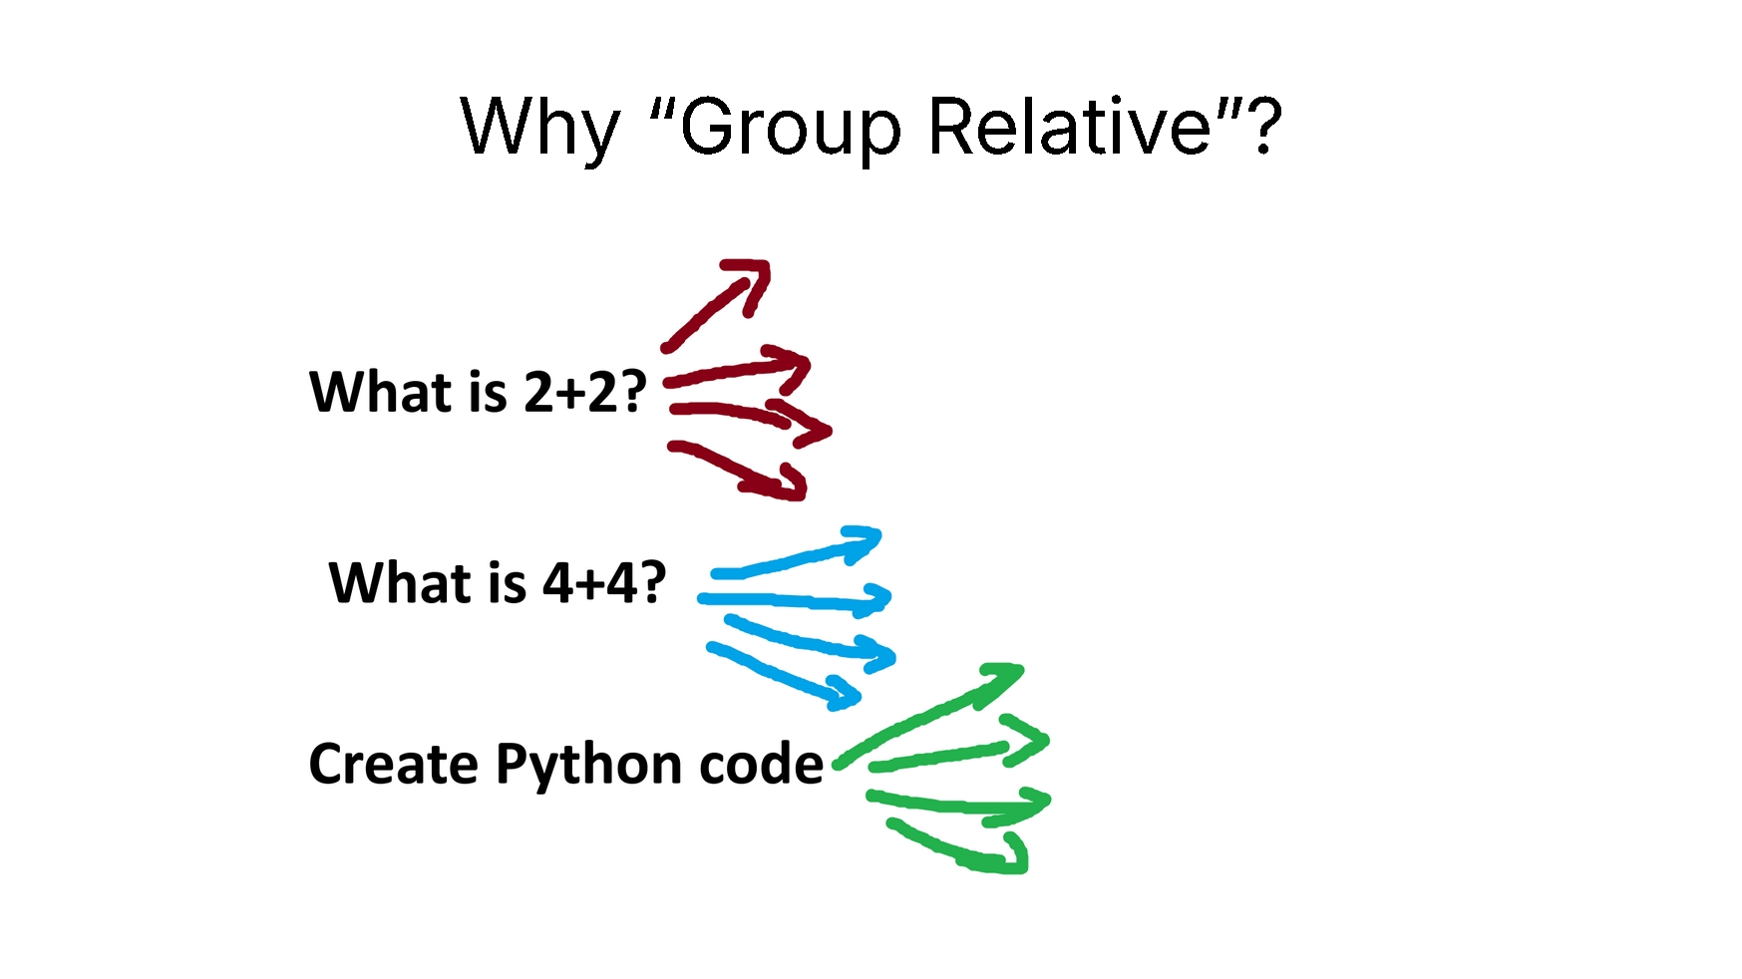

For example for "What is 2+2?" we sample 4 times. We might get 4, 3, D, C. We then calculate the reward for each of these answers, then calculate the average reward and standard deviation, then Z-score standardize this!

This creates the advantages A, which we will use in replacement of the value model. This saves a lot of memory!

One popular choice is Gym Trading Env.

This Gymnasium environment focuses on creating a fast and customizable simulation for stocks and other financial instruments.
It simplifies the process of training RL agents for tasks like cryptocurrency trading and offers a way to download technical data from various exchanges.
The environment can simulate complex trading operations like shorting and margin trading.
It provides high-performance visualization to analyze the agent's actions and results.

Other notable projects include:

gym-anytrading: This collection of OpenAI Gym environments is specifically designed for RL-based trading algorithms, supporting both FOREX and Stock markets.
TradingEnvironment (within TensorTrade): This framework offers fully configurable Gym environments with components like Exchange, FeaturePipeline, ActionScheme, and RewardScheme, making it adaptable to different trading scenarios.
Sairen: This OpenAI Gym environment focuses on connecting AI to the stock market through the Interactive Brokers API, providing real-time market data for intraday trading.
gym-stocktrading: A custom Gym environment that allows simulating stock trades using historical price data and provides visualizations of the agent's trades with Matplotlib.

 |  | Already integrated into Qlib, compare against Quantile approach in use
https://arxiv.org/abs/2411.15674 |  | https://github.com/microsoft/qlib/blob/main/qlib/contrib/model/double_ensemble.py
quantile ED-LSTM model
 |  | Fundamentally, is it better to use quantile or our existing q10, q50, q90 system |  |  | LightGBM vs
 |  |  |  |  |  | https://github.com/kianyewn/mylearning/blob/main/conformal_prediction/Quantile%20Regression.ipynb

https://github.com/sydney-machine-learning/quantiledeeplearning |  |  | Quantile Strategy
Fundamental: |  |  | https://arxiv.org/html/2406.13851v1
Compare current results against benchmark at https://github.com/sydney-machine-learning/quantiledeeplearning/

Triangle Arbitrage + Market Make Optimiazation techniques

https://github.com/Ganador1/FenixAI_tradingBot
https://github.com/Ganador1/Hyperion

micro_feat notes
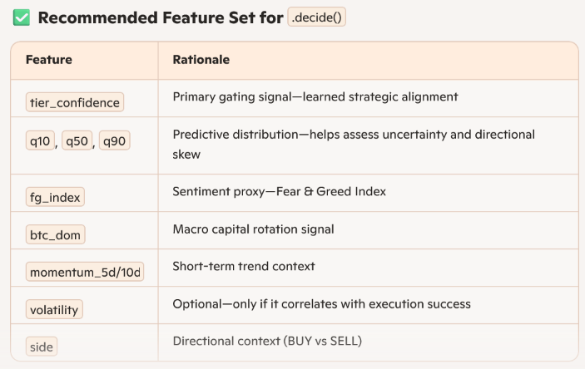
Where the action integer comes from

In your RL loop, the “action” integer is selected by the policy network (Meta-DQN or PPO) before you ever call interpret(). Roughly the pipeline is:

1. Agent observes state

state = env.get_state()

2. Policy returns an action index
In DQN:

q_values = policy.model(state_tensor) action_int = torch.argmax(q_values, dim=1).item()

In PPO:

action_int, _ = policy.predict(state_tensor)

3. Environment’s step() uses that action_int

next_state, reward, done, info = env.step(action_int)

4. Inside env.step() you’ll see something like:

# Convert action index to an actual slice of the order exec_amount = self.interpreter.interpret(self.state, action_int) # Apply that execution to the simulator…

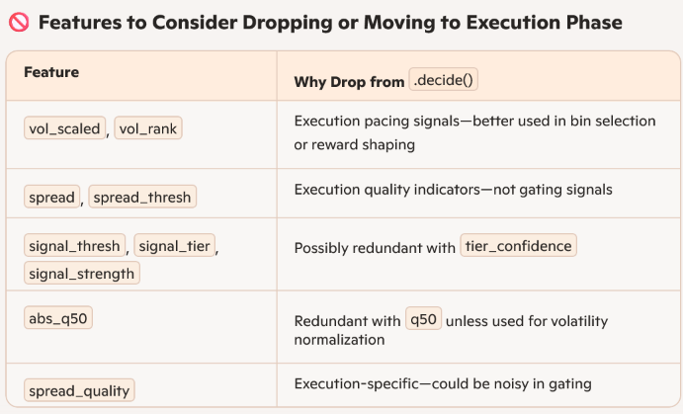
5. interpret() returns a float (the quantity to execute) based on
self.action_values[action_int] and the remaining state.position.

How pacing vs. quick execution emerges

Your discrete action space (self.action_values) might be, for example:

# 24 bins = 24 pacing options self.action_values = [i/24 for i in range(1, 25)]

Combined with max_step=24 (one decision per “hour”), the agent can:

Pick a small bin (e.g. 1/24) each hour → spread out execution over 24 steps
Pick a large bin (e.g. 24/24) early → sell everything immediately

The action_int you see inside interpret(state, action_int) is chosen in step 2 above. interpret simply maps that index to a fraction of the remaining position.

Tuning for 24-hour pacing

1. Set your step cadence so that

env: max_step: 24 # one decision per hour ticks_per_step: ... # number of market ticks in each hour

2. Define 24 pacing bins in your interpreter’s action_values:

# in your ActionInterpreter __init__(): self.action_values = [i/24 for i in range(1, 25)] | ✍️ 3. Should You Adjust What Goes Into meta_buffer?

3. Train with your hybrid reward so the agent learns when to choose “spread thinly” vs “go all-in.” | Absolutely worth revisiting—especially since PPO isn’t providing real rewards yet. Here are a few suggestions:

Now your model can learn: | 🔧 Basic Patch: Add context fields

“When volatility is low and confidence high, pick big bins early” | meta_buffer.add( features, action=1, reward=reward, next_state=None, done=True, direction=order.direction, metadata={"tier": tier_score, "forced": force_execute} )
“When uncertainty is high, chip away with small bins over all 24 steps.”
 | 📊 Future-proofing

 | Once you have PPO results, make sure you record actual episodic outcomes like:

 | deal_amount
 | reward/avg
 | pa
 | execution alignment metrics

 | That’ll allow your gating model to learn not just whether a macro config looks promising, but whether it actually led to strong execution downstream.

micro_reward
Yes, Jon—that reward function structure is solid and will work exactly as intended. You’re blending three strategic components:

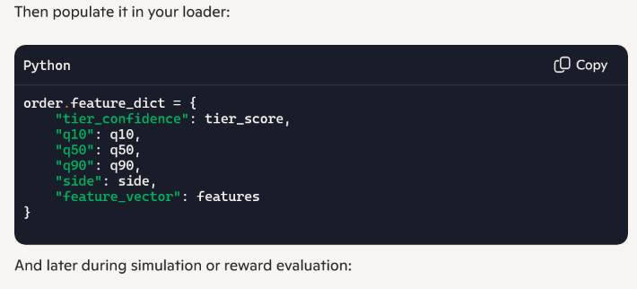
✅ Breakdown of Each Term

execution_quality = np.clip((ratio - 1.0) * 10, -1.0, 1.0)

Scales the VWAP/TWAP ratio into a bounded reward
Positive if execution beats TWAP, negative if worse

confidence = simulator_state.order.tier_confidence

Strategic conviction signal
Boosts reward when the agent is confident in the order’s tier alignment

dispersion = self.compute_ffr_dispersion(simulator_state.history_exec)

Penalizes scattered execution using entropy of ffr
Encourages decisive, concentrated fills

🧠 Final Reward

total_reward = ( self.weight_execution_quality * execution_quality + self.weight_confidence * confidence - self.weight_dispersion * dispersion )

✅ This is well-balanced:

Encourages profitable execution
Rewards strategic conviction
Discourages sloppy pacing

