HDFS
Hadoop Distributed File System

If you were going to store a txt file in HDFS

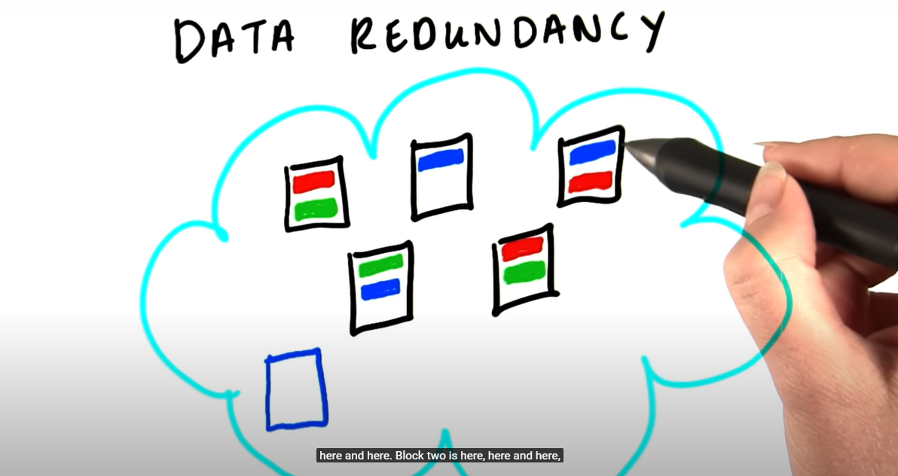
 | data.txt | It's broken up into 3 blocks
blk_1 | 64 MB | -Default 64 MB
blk_2 | 64 MB | -Each block is upload and stored on one node
blk_3 | 22 MB
 | 150 MB

NameNode |  | Stores the Metadata which stores which blocks make up the original file
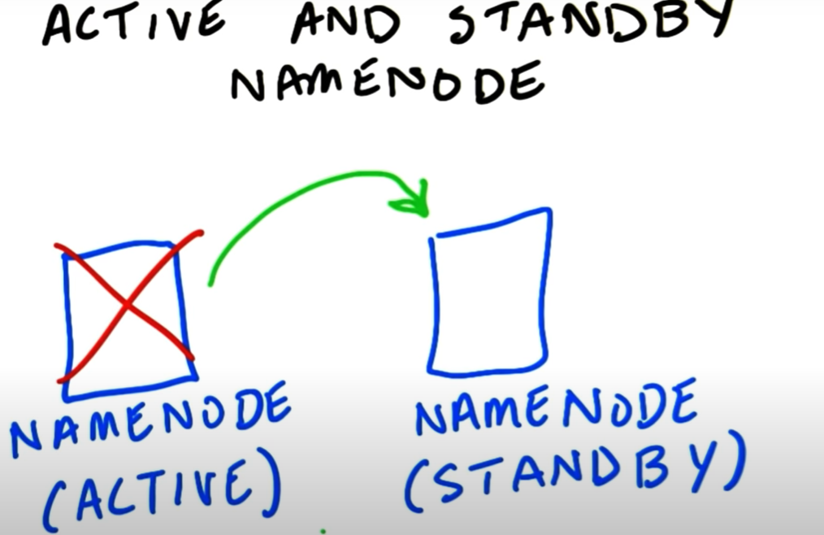
 |  | Stores three replicas of each block

MapReduce
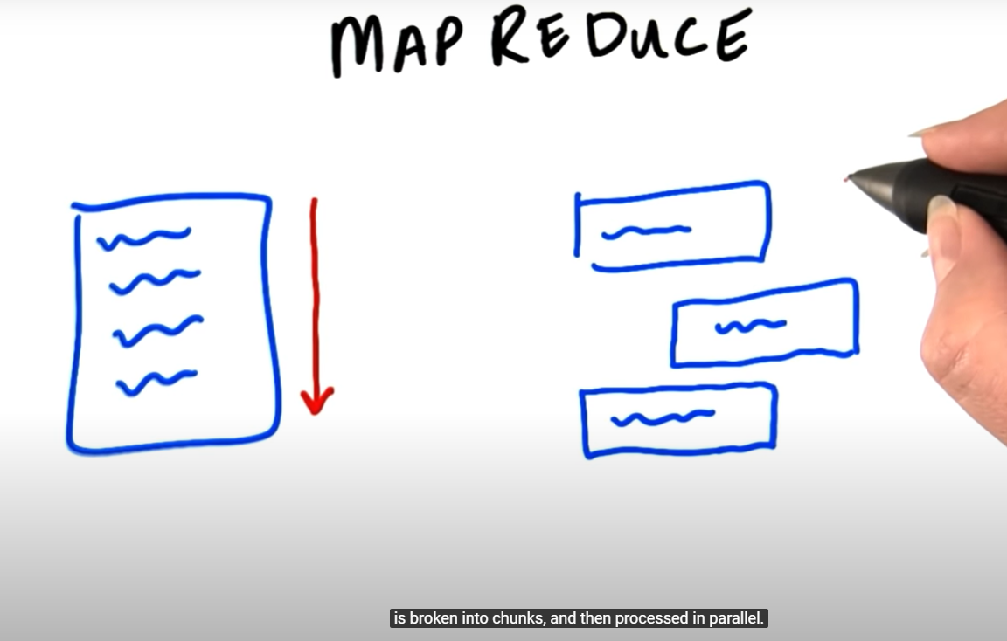
MapReduce
Broken into three chucks and processed in parallel

Job Tracker
The Daemon that splits the work into Mappers and Reducers

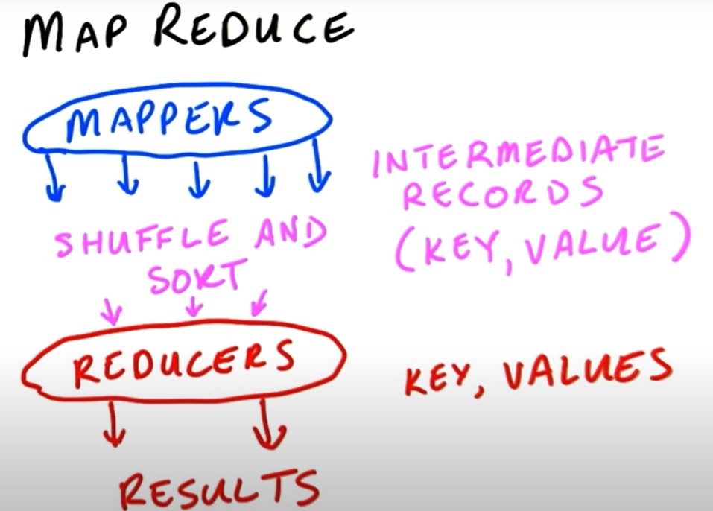

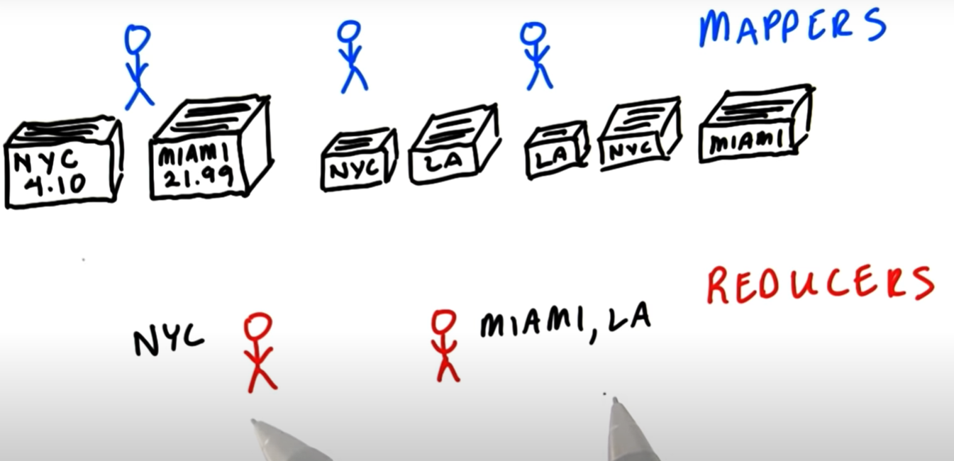
 | Example
Mappers |  | Key = Store/location in the example
Separate the sales transaction into stores |  | Value = price of transaction

Reducers
Take the piles from the Mappers and then add the prices

