Sheet1
This a sample Fax Document (XLSX)

XLSX: OnlineFaxes Fax API enable developers to send,
download, list, delete, and get the status of fax
on custom or existing applications.
OnlineFaxes takes the spirit of 3 ancient scripts.

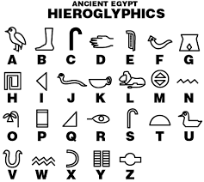 | 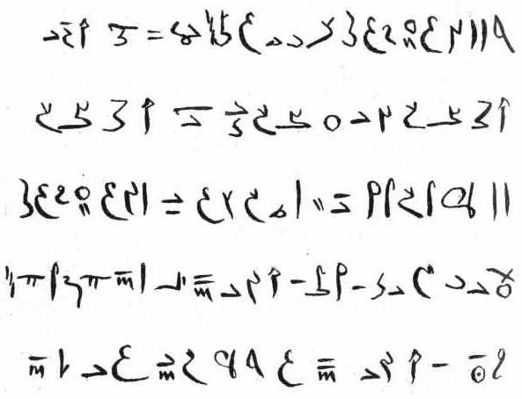

Hieroglyph | Demotic

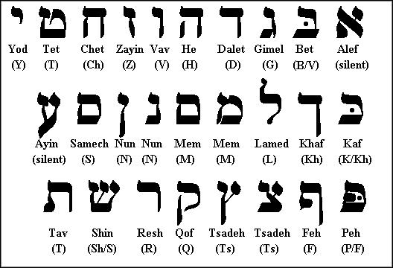 | 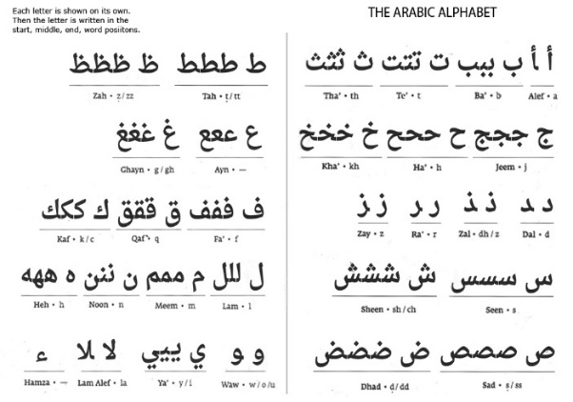

Hebrew | Arabic

Thanks for using OnlineFaxes API.

