Sheet1
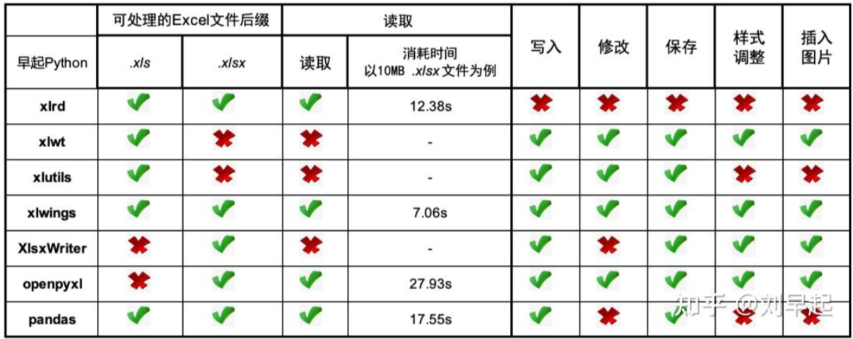
42 | pyecharts 类 | 包引入
042 | Line | from pyecharts.charts import Line
柱状图 | Bar | from pyecharts.charts import Bar
散点图 | Scatter | from pyecharts.charts import Scatter
饼图 | Pie | from pyecharts.charts import Pie
雷达图 | Radar | from pyecharts.charts import Radar
热力图 | HeatMap | from pyecharts.charts import HeatMap
K 线图 | Kline | from pyecharts.charts import Kline
箱线图 | Boxplot | from pyecharts.charts import Boxplot
地图 | Map | from pyecharts.charts import Map
词云图 | WordCloud | from pyecharts.charts import WordCloud
仪表盘 | Gauge | from pyecharts.charts import Gauge
漏斗图 | Funnel | from pyecharts.charts import Funnel
树图 | Tree | from pyecharts.charts import Tree
平行坐标系图 | Parallel | from pyecharts.charts import Parallel
桑基图 | Sankey | from pyecharts.charts import Sankey
地理坐标系图 | Geo | from pyecharts.charts import Geo
时间线图 | Timeline | from pyecharts.charts import Timeline
3D 散点图 | Scatter3D | from pyecharts.charts import Scatter3D
3D 柱状图 | Bar3D | from pyecharts.charts import Bar3D
3D 曲面图 | Surface3D | from pyecharts.charts import Surface3D

