SDLC
SDLC | The Software Development Life Cycle (SDLC) gives structure to the challenges of transitioning from the beginning to the end of your project without forgetting a step.
 | Software Development Life Cycle consists of a complete plan to develop, maintain and replace specific software system The 7 phases of Software Development Life Cycle are Planning: The purpose of this step is to find out the scope of the problem and determine solutions. Resources, costs, time, benefits and other items should be considered at this stage. Requirements: who will be responsible for individual pieces of the project, and what sort of timeline should be expected System design: the essential components (hardware and/or software) structure (networking capabilities), processing and procedures for the system to accomplish its objectives. Development: This work includes using a flow chart to ensure that the process of the system is properly organized. Integration and Testing: normally carried out by a Quality Assurance (QA) professional—to determine if the proposed design meets the initial set of business goals. Testing may be repeated, specifically to check for errors, bugs and interoperability. This testing will be performed until the end user finds it acceptable Deployment: This step puts the project into production by moving the data and components from the old system and placing them in the new system via a direct cutover Maintenance: The seventh and final phase involves maintenance and regular required updates. This step is when end users can fine-tune the system, if they wish, to boost performance, add new capabilities or meet additional user requirements. | 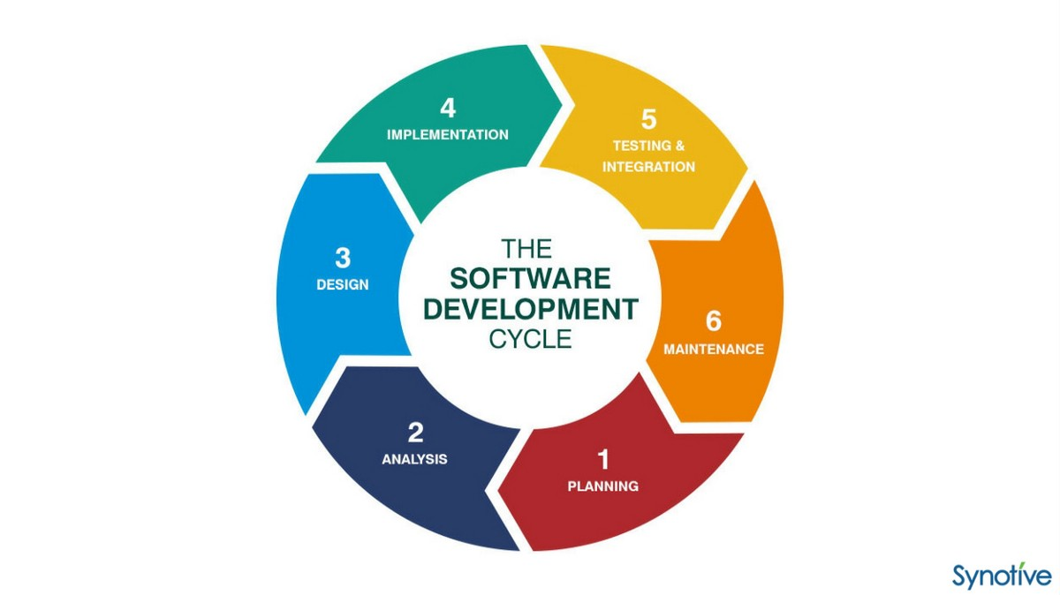
 | Requirements Planning
 | Analysis
 | Design
 | Implementation
 | Test & Integration
 | What are the different testing phases involved in your project? There are different stages for manual testing such as unit testing, integration testing, system testing, and user acceptance testing. Testers use test plans, test cases, or test scenarios to test a software to ensure the completeness of testing.

Microservices
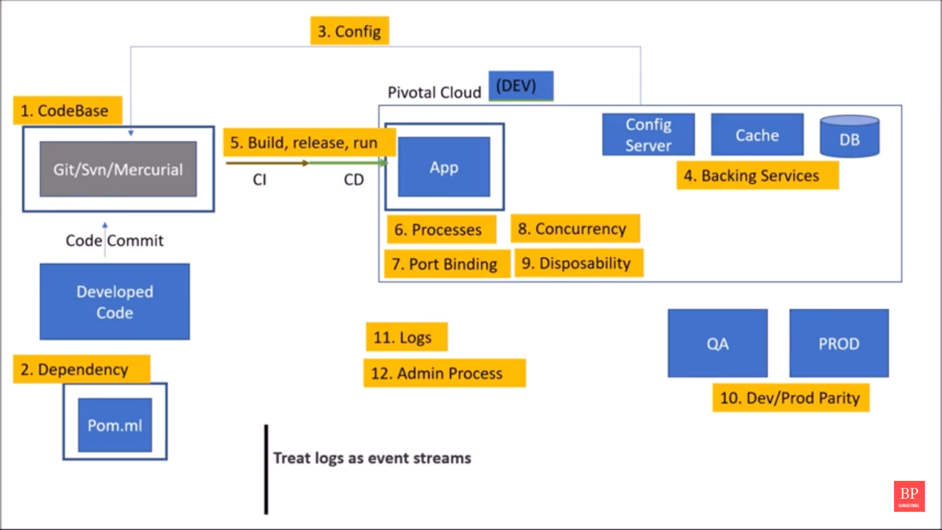
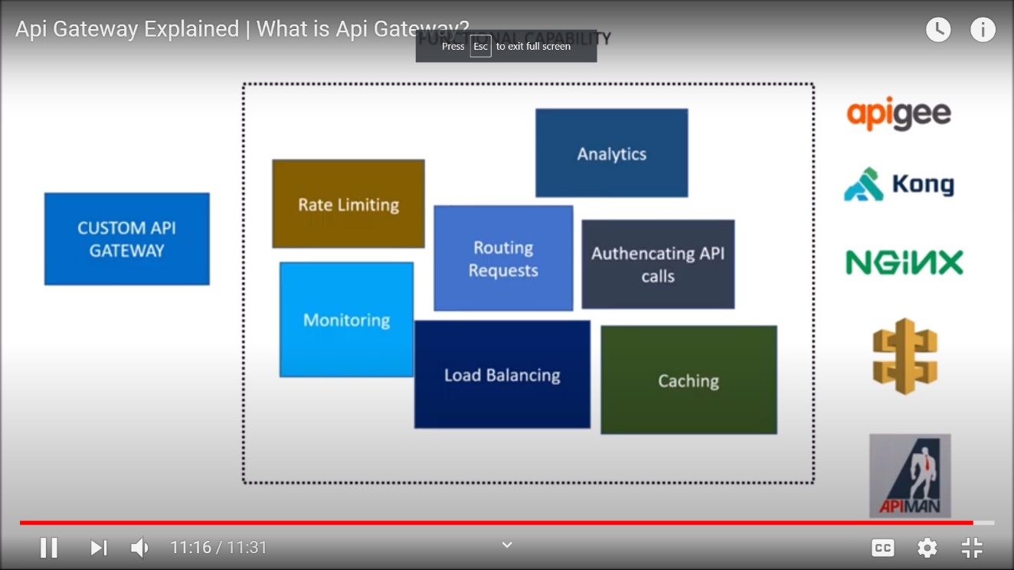
S.No | Topic | Answer
1 | What are 12 factors of Microservices? | https://www.youtube.com/watch?v=N45VJ20wvCw

SystemDesign
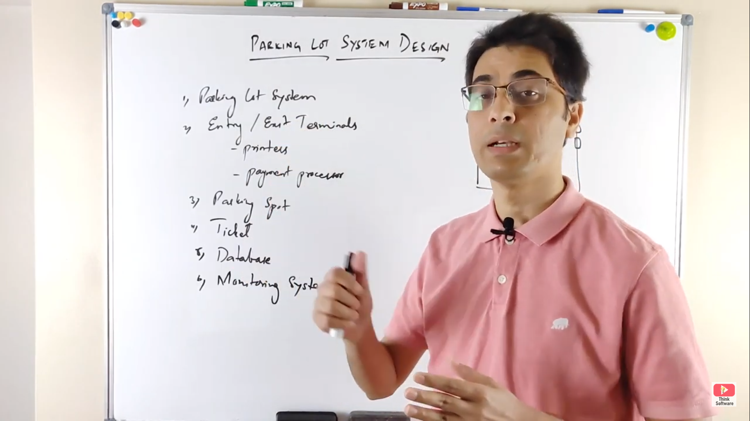
What do you consider while designing code
Project cluster
How do u document request
TDD and XML Schema
SOAP response formate

System Design interview questions
Parking Lot

SQL
S.No | Topic | Answer

 | Self Join | A self JOIN is a regular join but the table is joined with itself. Real Time Scenario: List of Employee, an employee can report to a manager in the same Table.
 | Inner Join | INNER JOIN are also referred to as an EQUIJOIN. An inner join query fetchs the records with are in common based on a given condition. Ex: Customers and Orders table, Fetch all the customers who had ordered on a given date
 | Left join | The SQL LEFT JOIN returns all rows from the left table, even if there are no matches in the right table. This means that if the ON clause matches 0 (zero) records in the right table; the join will still return a row in the result, but with NULL in each column from the right table. This means that a left join returns all the values from the left table, plus matched values from the right table or NULL in case of no matching join predicate.
 | Right join | The SQL RIGHT JOIN returns all rows from the right table, even if there are no matches in the left table. This means that if the ON clause matches 0 (zero) records in the left table; the join will still return a row in the result, but with NULL in each column from the left table. This means that a right join returns all the values from the right table, plus matched values from the left table or NULL in case of no matching join predicate.
 | difference b/w join and union | The join such as INNER JOIN or LEFT JOIN combines columns from two tables while the UNION combines rows from two queries. In other words, join appends the result sets horizontally while union appends result set vertically. | 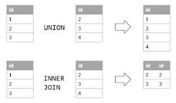
 | What NoSQL database you worked on?
 | What are the advantages of NoSQL. What are the data formats supported by NoSQL DBs. Difference between them.
 | Primary key and foreign key?
 | How to find the cost of the query?
 | Normalization 1NF 2NF 3NF
 | Indexes
 | stored procedures
 | Functions
 | Contraints
 | DB thread hanging-Row lock contention / Dead lock
 | How to create a stored procedure | CREATE PROCEDURE procedure_name AS sql_statement GO; EXEC procedure_name;
 | How to create a function
 | SQL query to change the gender from Male to Female, Female to male | Update <Table_Name> set <column_name> = CASE <COLUMN_NAME> WHEN 'Male' THEN 'Female' else 'Male';
 | Nth Max salary | SELECT * FROM Employee order by emp_salary desc LIMIT N-1,1; select * from (select * from Table_name order by <column_name> DESC LIMIT N) as <table_name> Order by emp_salary LIMIT 1;

