knapsack
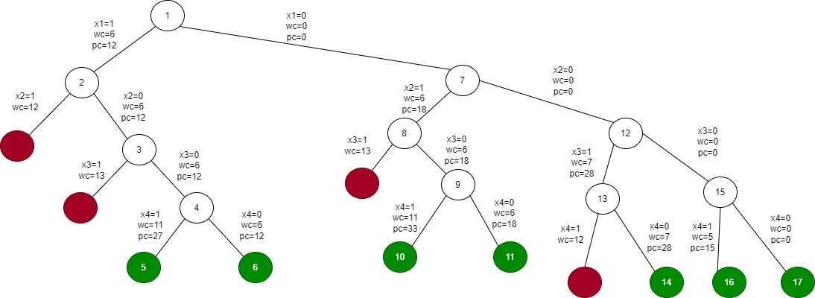
p | w
12 | 6
18 | 6
28 | 7
15 | 5
Wmax = 11

Solusi layak
p | w
12 | 6 | 1 | 1 | 0 | 0 | 0 | 0 | 0
18 | 6 | 0 | 0 | 1 | 1 | 0 | 0 | 0
28 | 7 | 0 | 0 | 0 | 0 | 1 | 0 | 0
15 | 5 | 1 | 0 | 1 | 0 | 0 | 1 | 0
p |  | 27 | 12 | 33 | 18 | 28 | 15 | 0
w |  | 11 | 6 | 11 | 6 | 7 | 5 | 0

Solusi optimum
p | w
12 | 6 | 0
18 | 6 | 1
28 | 7 | 0
15 | 5 | 1
p |  | 33
w |  | 11

graphcolouring
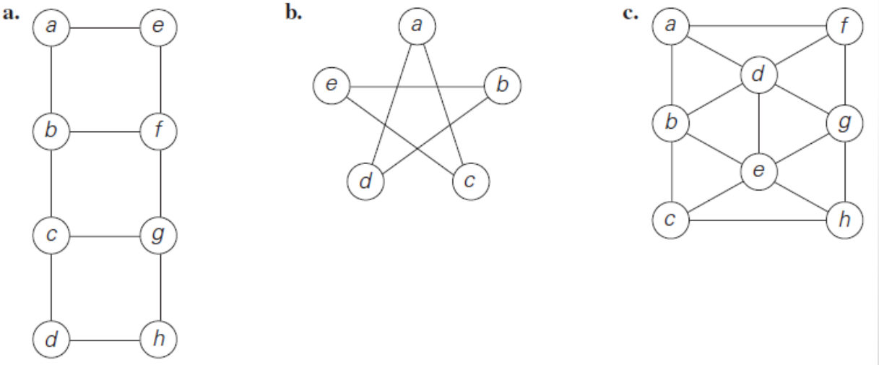
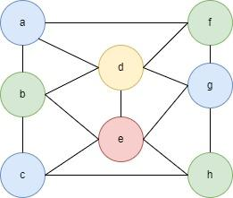

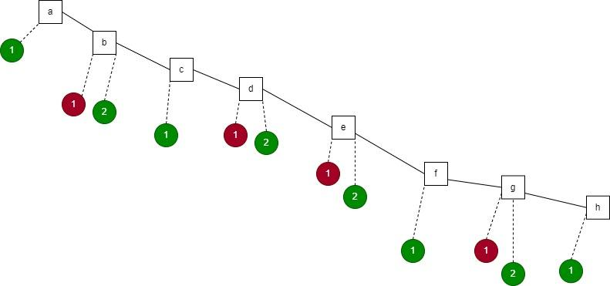
a. |  |  |  |  |  |  |  |  |  |  |  |  |  | Jumlah warna minimum = 2
 |  | a | b | c | d | e | f | g | h |  |  | solusi
 | a | 0 | 1 | 0 | 0 | 1 | 0 | 0 | 0 |  | a | 1
 | b | 1 | 0 | 1 | 0 | 0 | 1 | 0 | 0 |  | b | 2
 | c | 0 | 1 | 0 | 1 | 0 | 0 | 1 | 0 |  | c | 1
 | d | 0 | 0 | 1 | 0 | 0 | 0 | 0 | 1 |  | d | 2
 | e | 1 | 0 | 0 | 0 | 0 | 1 | 0 | 0 |  | e | 2
 | f | 0 | 1 | 0 | 0 | 1 | 0 | 1 | 0 |  | f | 1
 | g | 0 | 0 | 1 | 0 | 0 | 1 | 0 | 1 |  | g | 2
 | h | 0 | 0 | 0 | 1 | 0 | 0 | 1 | 0 |  | h | 1

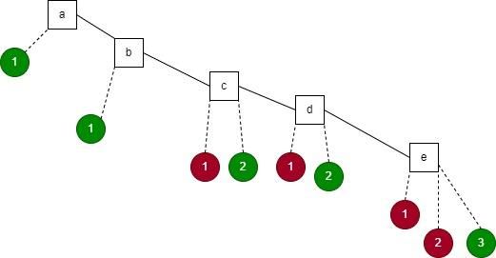
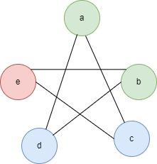
b. |  |  | a | b | c | d | e |  |  |  |  |  | solusi | Jumlah warna minimum = 3
 |  | a | 0 | 0 | 1 | 1 | 0 |  |  |  |  | a | 1
 |  | b | 0 | 0 | 0 | 1 | 1 |  |  |  |  | b | 1
 |  | c | 1 | 0 | 0 | 0 | 1 |  |  |  |  | c | 2
 |  | d | 1 | 1 | 0 | 0 | 0 |  |  |  |  | d | 2
 |  | e | 0 | 1 | 1 | 0 | 0 |  |  |  |  | e | 3

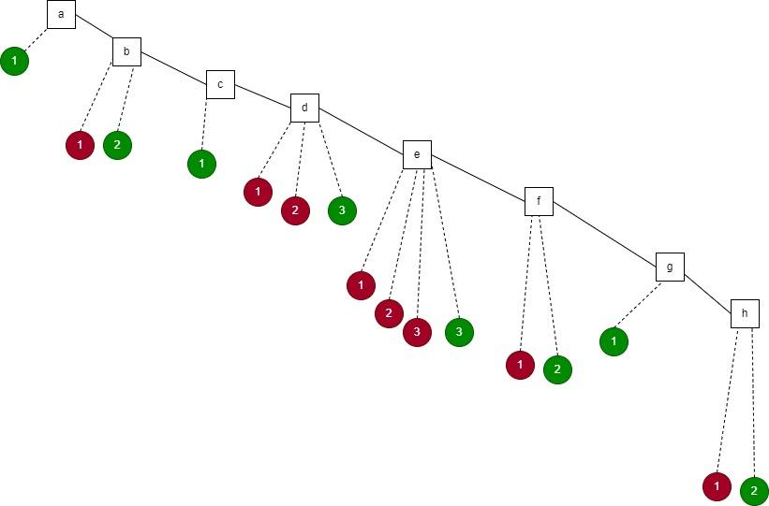
c.
 |  |  | a | b | c | d | e | f | g | h |  |  | solusi |  | Jumlah warna minimum = 4
 |  | a | 0 | 1 | 0 | 1 | 0 | 1 | 0 | 0 |  | a | 1
 |  | b | 1 | 0 | 1 | 1 | 1 | 0 | 0 | 0 |  | b | 2
 |  | c | 0 | 1 | 0 | 0 | 1 | 1 | 0 | 0 |  | c | 1
 |  | d | 1 | 1 | 0 | 0 | 1 | 1 | 1 | 0 |  | d | 3
 |  | e | 0 | 1 | 1 | 1 | 0 | 0 | 1 | 1 |  | e | 4
 |  | f | 1 | 0 | 0 | 1 | 0 | 0 | 1 | 0 |  | f | 2
 |  | g | 0 | 0 | 0 | 1 | 1 | 1 | 0 | 1 |  | g | 1
 |  | h | 0 | 0 | 1 | 0 | 1 | 0 | 1 | 0 |  | h | 2

