Wayside Distribution
Line | Section | Block Number | WAYSIDE COVERING AREA | INDEX IN TC BLOCK LIST | Infrastructure |  | try to use original block nums when sending speed authority to TM
Red | A | 1 | 7 | 0 |  |  | "Red" "Green". Pass line
Red | A | 2 | 7 | 1 |  |  | tm.set_st
Red | A | 3 | 7 | 2
Red | B | 4 | 7 | 3
Red | B | 5 | 7 | 4
Red | B | 6 | 7 | 5
Red | C | 7 | 8 | 0 | STATION: SHADYSIDE
Red | C | 8 | 8 | 1
Red | C | 9 | 8 | 2 | SWITCH TO/FROM YARD (75-yard)
Red | D | 10 | 8 | 3 |  | Green Line Track Controllers |  | Num blocks
Red | D | 11 | 8 | 4 |  | 1 | ABCDE | 20
Red | D | 12 | 8 | 5 |  | 2 | FGWXYZ | 41
Red | E | 13 | 7 | 6 |  | 3 | HI YARD | 25
Red | E | 14 | 7 | 7 |  | 4 | YARD JKL | 16
Red | E | 15 | 7 | 8 | SWITCH (15-16; 1-16) | 5 | MRSTUV, half N | 28
Red | F | 16 | 7 | 9 | STATION: HERRON AVE | 6 | half N, OPQ | 20
Red | F | 17 | 7 | 10 |  |  |  | 150
Red | F | 18 | 7 | 11
Red | F | 19 | 7 | 12 |  | Red Line Track Controllers |  | Num blocks
Red | F | 20 | 7 | 13 |  | 7 | ABEF | 14
Red | G | 21 | 9 | 0 | STATION; SWISSVILLE | 8 | CD | 6
Red | G | 22 | 9 | 1 |  | 9 | GTSR half H | 19
Red | G | 23 | 9 | 2 |  | 10 | IOPQ half H | 19
Red | H | 24 | 9 | 3 | UNDERGROUND | 11 | JKLMN | 18
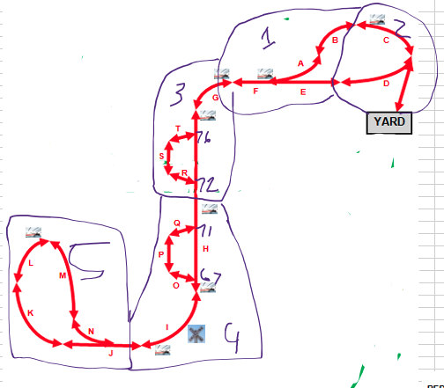
Red | H | 25 | 9 | 4 | STATION; PENN STATION; UNDERGROUND |  |  | 76
Red | H | 26 | 9 | 5 | UNDERGROUND
Red | H | 27 | 9 | 6 | SWITCH (27-28; 27-76); UNDERGROUND
Red | H | 28 | 9 | 7 | UNDERGROUND
Red | H | 29 | 9 | 8 | UNDERGROUND
Red | H | 30 | 9 | 9 | UNDERGROUND
Red | H | 31 | 9 | 10 | UNDERGROUND
Red | H | 32 | 9 | 11 | SWITCH (32-33; 33-72); UNDERGROUND
Red | H | 33 | 9 | 12 | UNDERGROUND
Red | H | 34 | 9 | 13 | UNDERGROUND
Red | H | 35 | 10 | 0 | STATION; STEEL PLAZA; UNDERGROUND
Red | H | 36 | 10 | 1 | UNDERGROUND
Red | H | 37 | 10 | 2 | UNDERGROUND
Red | H | 38 | 10 | 3 | SWITCH (38-39; 38-71); UNDERGROUND
Red | H | 39 | 10 | 4 | UNDERGROUND
Red | H | 40 | 10 | 5 | UNDERGROUND
Red | H | 41 | 10 | 6 | UNDERGROUND
Red | H | 42 | 10 | 7 | UNDERGROUND
Red | H | 43 | 10 | 8 | SWITCH (43-44; 44-67); UNDERGROUND
Red | H | 44 | 10 | 9 | UNDERGROUND
Red | H | 45 | 10 | 10 | STATION; FIRST AVE; UNDERGROUND
Red | I | 46 | 10 | 11 | UNDERGROUND
Red | I | 47 | 10 | 12 | RAILWAY CROSSING
Red | I | 48 | 10 | 13 | STATION; STATION SQUARE
Red | J | 49 | 11 | 0
Red | J | 50 | 11 | 1
Red | J | 51 | 11 | 2
Red | J | 52 | 11 | 3 | SWITCH (52-53; 52-66)
Red | J | 53 | 11 | 4
Red | J | 54 | 11 | 5
Red | K | 55 | 11 | 6
Red | K | 56 | 11 | 7
Red | K | 57 | 11 | 8
Red | L | 58 | 11 | 9
Red | L | 59 | 11 | 10
Red | L | 60 | 11 | 11 | STATION; SOUTH HILLS JUNCTION
Red | M | 61 | 11 | 12
Red | M | 62 | 11 | 13
Red | M | 63 | 11 | 14
Red | N | 64 | 11 | 15
Red | N | 65 | 11 | 16
Red | N | 66 | 11 | 17
Red | O | 67 | 10 | 14 | UNDERGROUND
Red | P | 68 | 10 | 15 | UNDERGROUND
Red | P | 69 | 10 | 16 | UNDERGROUND
Red | P | 70 | 10 | 17 | UNDERGROUND
Red | Q | 71 | 10 | 18 | UNDERGROUND
Red | R | 72 | 9 | 14 | UNDERGROUND
Red | S | 73 | 9 | 15 | UNDERGROUND
Red | S | 74 | 9 | 16 | UNDERGROUND
Red | S | 75 | 9 | 17 | UNDERGROUND
Red | T | 76 | 9 | 18 | UNDERGROUND

Green | A | 1 | 1 | 0
Green | A | 2 | 1 | 1 | STATION; PIONEER
Green | A | 3 | 1 | 2
Green | B | 4 | 1 | 3
Green | B | 5 | 1 | 4
Green | B | 6 | 1 | 5
Green | C | 7 | 1 | 6
Green | C | 8 | 1 | 7
Green | C | 9 | 1 | 8 | STATION; EDGEBROOK
Green | C | 10 | 1 | 9
Green | C | 11 | 1 | 10
Green | C | 12 | 1 | 11 | SWITCH (12-13; 1-13)
Green | D | 13 | 1 | 12
Green | D | 14 | 1 | 13
Green | D | 15 | 1 | 14
Green | D | 16 | 1 | 15 | STATION
Green | E | 17 | 1 | 16
Green | E | 18 | 1 | 17
Green | E | 19 | 1 | 18 | RAILWAY CROSSING
Green | E | 20 | 1 | 19
Green | F | 21 | 2 | 0
Green | F | 22 | 2 | 1 | STATION; WHITED
Green | F | 23 | 2 | 2
Green | F | 24 | 2 | 3
Green | F | 25 | 2 | 4
Green | F | 26 | 2 | 5
Green | F | 27 | 2 | 6
Green | F | 28 | 2 | 7
Green | G | 29 | 2 | 8 | SWITCH (29-30; 29-150)
Green | G | 30 | 2 | 9
Green | G | 31 | 2 | 10 | STATION; SOUTH BANK
Green | G | 32 | 2 | 11
Green | H | 33 | 3 | 0
Green | H | 34 | 3 | 1
Green | H | 35 | 3 | 2
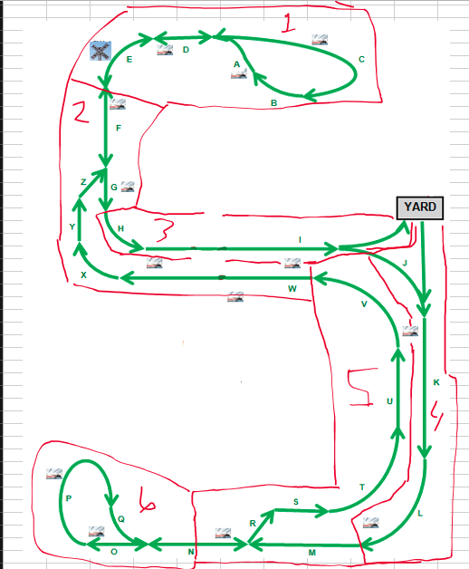
Green | I | 36 | 3 | 3 | UNDERGROUND
Green | I | 37 | 3 | 4 | UNDERGROUND
Green | I | 38 | 3 | 5 | UNDERGROUND
Green | I | 39 | 3 | 6 | STATION; CENTRAL; UNDERDROUND
Green | I | 40 | 3 | 7 | UNDERGROUND
Green | I | 41 | 3 | 8 | UNDERGROUND
Green | I | 42 | 3 | 9 | UNDERGROUND
Green | I | 43 | 3 | 10 | UNDERGROUND
Green | I | 44 | 3 | 11 | UNDERGROUND
Green | I | 45 | 3 | 12 | UNDERGROUND
Green | I | 46 | 3 | 13 | UNDERGROUND
Green | I | 47 | 3 | 14 | UNDERGROUND
Green | I | 48 | 3 | 15 | STATION; INGLEWOOD; UNDERGROUND
Green | I | 49 | 3 | 16 | UNDERGROUND
Green | I | 50 | 3 | 17 | UNDERGROUND
Green | I | 51 | 3 | 18 | UNDERGROUND
Green | I | 52 | 3 | 19 | UNDERGROUND
Green | I | 53 | 3 | 20 | UNDERGROUND
Green | I | 54 | 3 | 21 | UNDERGROUND
Green | I | 55 | 3 | 22 | UNDERGROUND
Green | I | 56 | 3 | 23 | STATION; OVERBROOK; UNDERGROUND
Green | I | 57 | 3 | 24 | SWITCH TO YARD (57-yard)
Green | J | 58 | 4 | 0
Green | J | 59 | 4 | 1
Green | J | 60 | 4 | 2
Green | J | 61 | 4 | 3
Green | J | 62 | 4 | 4 | SWITCH FROM YARD (Yard-63)
Green | K | 63 | 4 | 5
Green | K | 64 | 4 | 6
Green | K | 65 | 4 | 7 | STATION; GLENBURY
Green | K | 66 | 4 | 8
Green | K | 67 | 4 | 9
Green | K | 68 | 4 | 10
Green | L | 69 | 4 | 11
Green | L | 70 | 4 | 12
Green | L | 71 | 4 | 13
Green | L | 72 | 4 | 14
Green | L | 73 | 4 | 15 | STATION; DORMONT
Green | M | 74 | 5 | 0
Green | M | 75 | 5 | 1
Green | M | 76 | 5 | 2 | SWITCH (76-77;77-101)
Green | N | 77 | 5 | 3 | STATION; MT LEBANON
Green | N | 78 | 5 | 4
Green | N | 79 | 5 | 5
Green | N | 80 | 5 | 6
Green | N | 81 | 6 | 0
Green | N | 82 | 6 | 1
Green | N | 83 | 6 | 2
Green | N | 84 | 6 | 3
Green | N | 85 | 6 | 4 | SWITCH (85-86; 100-85)
Green | O | 86 | 6 | 5
Green | O | 87 | 6 | 6
Green | O | 88 | 6 | 7 | STATION; POPLAR
Green | P | 89 | 6 | 8
Green | P | 90 | 6 | 9
Green | P | 91 | 6 | 10
Green | P | 92 | 6 | 11
Green | P | 93 | 6 | 12
Green | P | 94 | 6 | 13
Green | P | 95 | 6 | 14
Green | P | 96 | 6 | 15 | STATION; CASTLE SHANNON
Green | P | 97 | 6 | 16
Green | Q | 98 | 6 | 17
Green | Q | 99 | 6 | 18
Green | Q | 100 | 6 | 19
Green | R | 101 | 5 | 7
Green | S | 102 | 5 | 8
Green | S | 103 | 5 | 9
Green | S | 104 | 5 | 10
Green | T | 105 | 5 | 11 | STATION; DORMONT
Green | T | 106 | 5 | 12
Green | T | 107 | 5 | 13
Green | T | 108 | 5 | 14
Green | T | 109 | 5 | 15
Green | U | 110 | 5 | 16
Green | U | 111 | 5 | 17
Green | U | 112 | 5 | 18
Green | U | 113 | 5 | 19
Green | U | 114 | 5 | 20 | STATION; GLENBURY
Green | U | 115 | 5 | 21
Green | U | 116 | 5 | 22
Green | V | 117 | 5 | 23
Green | V | 118 | 5 | 24
Green | V | 119 | 5 | 25
Green | V | 120 | 5 | 26
Green | V | 121 | 5 | 27
Green | W | 122 | 2 | 12 | UNDERGROUND
Green | W | 123 | 2 | 13 | STATION; OVERBROOK; UNDERGROUND
Green | W | 124 | 2 | 14 | UNDERGROUND
Green | W | 125 | 2 | 15 | UNDERGROUND
Green | W | 126 | 2 | 16 | UNDERGROUND
Green | W | 127 | 2 | 17 | UNDERGROUND
Green | W | 128 | 2 | 18 | UNDERGROUND
Green | W | 129 | 2 | 19 | UNDERGROUND
Green | W | 130 | 2 | 20 | UNDERGROUND
Green | W | 131 | 2 | 21 | UNDERGROUND
Green | W | 132 | 2 | 22 | STATION; INGLEWOOD; UNDERGROUND
Green | W | 133 | 2 | 23 | UNDERGROUND
Green | W | 134 | 2 | 24 | UNDERGROUND
Green | W | 135 | 2 | 25 | UNDERGROUND
Green | W | 136 | 2 | 26 | UNDERGROUND
Green | W | 137 | 2 | 27 | UNDERGROUND
Green | W | 138 | 2 | 28 | UNDERGROUND
Green | W | 139 | 2 | 29 | UNDERGROUND
Green | W | 140 | 2 | 30 | UNDERGROUND
Green | W | 141 | 2 | 31 | STATION; CENTRAL; UNDERDROUND
Green | W | 142 | 2 | 32 | UNDERGROUND
Green | W | 143 | 2 | 33 | UNDERGROUND
Green | X | 144 | 2 | 34
Green | X | 145 | 2 | 35
Green | X | 146 | 2 | 36
Green | Y | 147 | 2 | 37
Green | Y | 148 | 2 | 38
Green | Y | 149 | 2 | 39
Green | Z | 150 | 2 | 40

