Excel Project Schedule Template
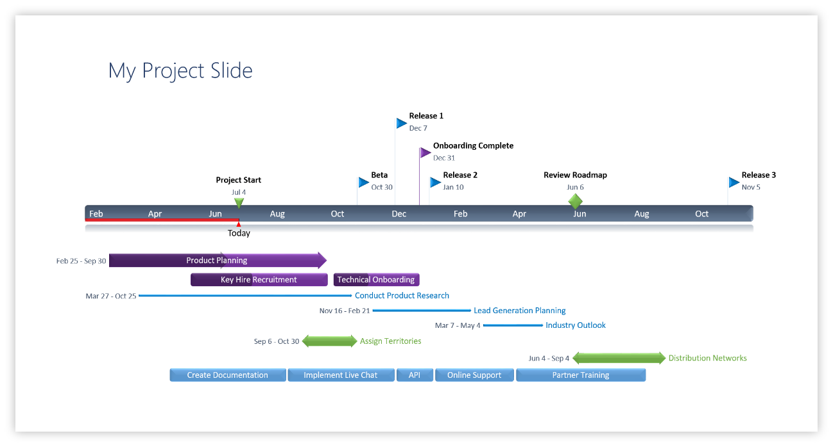
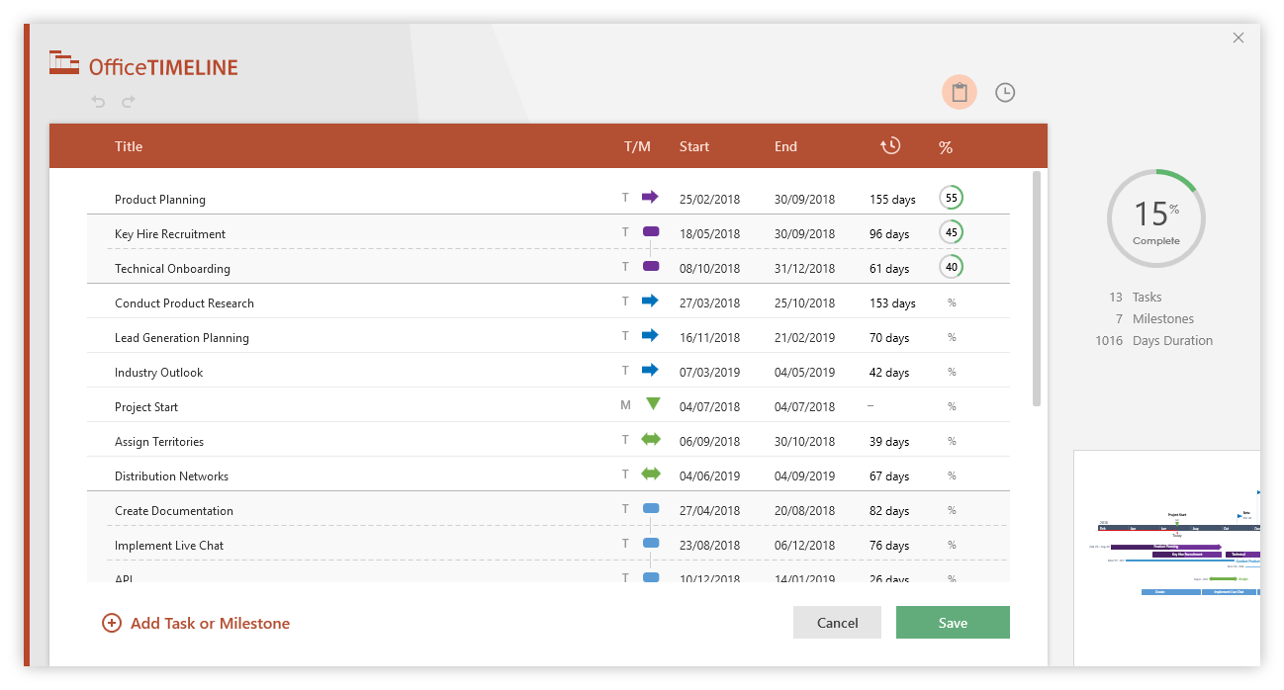
Excel Project Schedule Template

 |  |  |  |  |  |  | 2019-02-15 |  |  |  |  | 2019-02-22 |  |  |  |  | 2019-03-01 |  |  |  |  | 2019-03-08 |  |  |  |  | 2019-03-15 |  |  |  |  | 2019-03-22 |  |  |  |  | 2019-03-29
PROJECT START DATE | 10-Feb-2019 |  | SCROLL TO WEEK # |  |  | 1

Task | Estimated Hours | Actual Hours | Hours Remaining | % Hours Used | % Complete |  | 2019-02-11 | 2019-02-12 | 2019-02-13 | 2019-02-14 | 2019-02-15 | 2019-02-18 | 2019-02-19 | 2019-02-20 | 2019-02-21 | 2019-02-22 | 2019-02-25 | 2019-02-26 | 2019-02-27 | 2019-02-28 | 2019-03-01 | 2019-03-04 | 2019-03-05 | 2019-03-06 | 2019-03-07 | 2019-03-08 | 2019-03-11 | 2019-03-12 | 2019-03-13 | 2019-03-14 | 2019-03-15 | 2019-03-18 | 2019-03-19 | 2019-03-20 | 2019-03-21 | 2019-03-22 | 2019-03-25 | 2019-03-26 | 2019-03-27 | 2019-03-28 | 2019-03-29
 |  |  |  |  |  |  | M | T | W | T | F | M | T | W | T | F | M | T | W | T | F | M | T | W | T | F | M | T | W | T | F | M | T | W | T | F | M | T | W | T | F
Remodel Project | 49 hrs | 49 hrs
Preparing Plans | 4 hrs | 3 hrs | 1 hrs | 75%
Prepare Goals, Design ,and Code Structure | 2 hrs | 1 hrs | 1 hrs | 50% | 70%
Write the purpose | 1 hrs | 1 hrs | 0 hrs | 100% | 40%
Write the main function | 1 hrs | 1 hrs | 0 hrs | 100%
Detailed coding and testing | 6 hrs | 4 hrs | 2 hrs | 67%
Create detailed code | 2 hrs | 1 hrs | 1 hrs | 50% | 70%
Test code | 1 hrs | 1 hrs | 0 hrs | 100% | 50%
Write test document | 2 hrs | 1 hrs | 1 hrs | 50% | 30%
Review | 1 hrs | 1 hrs | 0 hrs | 100% | 20%
Phase 1 | 3 hrs | 3 hrs |  | 100%
Task 1 | 1 hrs | 1 hrs | 0 hrs | 100% | 30%
Task 2 | 1 hrs | 1 hrs | 0 hrs | 100% | 45%
Task 3 | 1 hrs | 1 hrs |  | 100% | 90%
Phase 2 | 36 hrs | 39 hrs | -5 hrs | 108%

Make beautiful timelines in PowerPoint for important meetings. |  |  |  |  |  |  |  | Instantly turn Excel data into PowerPoint slides with the Office Timeline add-in for PowerPoint.
 |  |  |  |  |  |  |  | www.officetimeline.com
3 Easy steps to instantly turn Excel data into a PowerPoint slide
1. Download the Free Office Timeline plug-in for PowerPoint - 14-day Trial Edition.
2. Open PowerPoint and click on NEW Timeline from the Office Timeline tab inside of PowerPoint.
Copy your Excel table and paste it into Office Timeline with the PASTE button.
3. Click the green SAVE button to instantly produce your Project Schedule slide.

