New Customer
ID | Related TC | Bug Title | Pre-Condition | Steps to Reproduce | Test Data | Priority | Severity | Created by | Assigned to | Expected Result | Actual Result | Environment | Attachments | status
Bug_New Customer_01 | TC_ New Customer_ 01 | Wrong behavior when the Manager enters valid data to create a new customer | - Open the Guru99 Bank website. - Login as a manager. - Click on New Customer Option from the Menu. | 1- Navigate to URL 2- Enter Customer Name 3- Select Gender 4- Enter Date of Birth 5- Enter Address 6- Enter City 7- Enter State 8- Enter PIN 9- Enter Telephon Number 10- Enter E-mail 11- Click on Submit | 1- URL = https://demo.guru99.com/V1/ 2- Customer Name = Mohamed 3- Gender = male 4- Date of Birth = 7/27/2000 5- Address = Egypt 6- City = Assiut 7- State = married 8- PIN = 112233 9- Telephon Number = 01123345688 10- E-mail = demo@gmail.com | High | Critical | Ahmed AbdElrazek | Mazen Ali | - A new Customer should be created successfully. | - A New Customer is NOT Created, and a blank page has opened containing "This page isn’t working demo.guru99.com is currently unable to handle this request. HTTP ERROR 500" | Chrome version 27.3 | 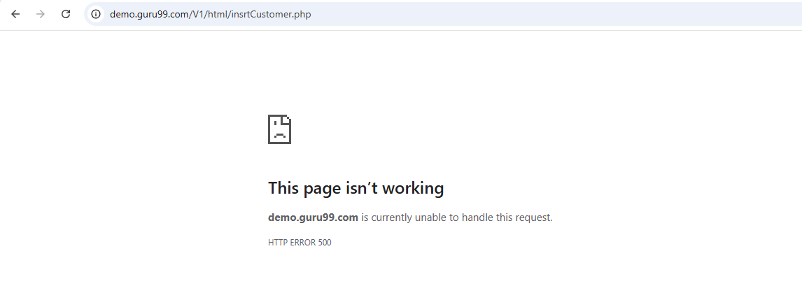 | Closed
Bug_New Customer_02 | TC_ New Customer_ 04 | Wrong behavior when the Manager enters an invalid Customer Name that begins with a space in the Customer Name field to create new customer. | - Open the Guru99 Bank website. - Login as a manager. - Click on New Customer Option from the Menu. | 1- Navigate to URL 2- Enter Customer Name 3- Select Gender 4- Enter Date of Birth 5- Enter Address 6- Enter City 7- Enter State 8- Enter PIN 9- Enter Telephon Number 10- Enter E-mail 11- Click on Submit | 1- URL = https://demo.guru99.com/V1/ 2- Customer Name = " Mohamed' 3- Gender = male 4- Date of Birth = 7/27/2000 5- Address = Egypt 6- City = Assiut 7- State = married 8- PIN = 112233 9- Telephon Number = 01123345688 10- E-mail = demo@gmail.com | High | Critical | Ahmed AbdElrazek | Mazen Ali | - An error message "First character can’t have space" should be displayed, and the system should not allow the manager to submit the form. | - A misleading message "Numbers are not allowed" appears, and the system allows the manager to submit the form. | Chrome version 27.3 |  | Closed
Bug_New Customer_03 | TC_ New Customer_ 06 | Wrong behavior when the Manager enters an Arabic name in the Customer Name field to create a new customer. | - Open the Guru99 Bank website. - Login as a manager. - Click on New Customer Option from the Menu. | 1- Navigate to URL 2- Enter Customer Name 3- Select Gender 4- Enter Date of Birth 5- Enter Address 6- Enter City 7- Enter State 8- Enter PIN 9- Enter Telephon Number 10- Enter E-mail 11- Click on Submit | 1- URL = https://demo.guru99.com/V4/ 2- Customer Name = أحمد عبدالرازق 3- Gender = male 4- Date of Birth = 7/27/2000 5- Address = Egypt 6- City = Assiut 7- State = married 8- PIN = 112233 9- Telephon Number = 01123345688 10- E-mail = demo@gmail.com | High | Critical | Ahmed AbdElrazek | Mazen Ali | - An error message "Arabic names are not allowed" should be displayed, and the system should not allow the manager to submit the form. | - A misleading message "Numbers are not allowed" appears, and the system allows the manager to submit the form. | Chrome version 27.3 |  | Re-open
Bug_New Customer_04 | TC_ New Customer_ 08 | Wrong behavior when the Manager selects gender as Female to create a new account. | - Open the Guru99 Bank website. - Login as a manager. - Click on New Customer Option from the Menu. | 1- Navigate to URL 2- Enter Customer Name 3- Select Gender 4- Enter Date of Birth 5- Enter Address 6- Enter City 7- Enter State 8- Enter PIN 9- Enter Telephon Number 10- Enter E-mail 11- Click on Submit | 1- URL = https://demo.guru99.com/V1/ 2- Customer Name = Sara 3- Gender = Female 4- Date of Birth = 7/27/2000 5- Address = Egypt 6- City = Assiut 7- State = married 8- PIN = 112233 9- Telephon Number = 01123345688 10- E-mail = demo@gmail.com | High | Critical | Ahmed AbdElrazek | Mazen Ali | - A new Customer should be created successfully. | - A New Customer is NOT Created, and a blank page has opened containing "This page isn’t working demo.guru99.com is currently unable to handle this request. HTTP ERROR 500" | Chrome version 27.3 |  | Closed
Bug_New Customer_05 | TC_ New Customer_ 09 | Wrong behavior when the Manager enters a Customer Date of Birth greater than 2007 in the Date of Birth field to create a new customer. | - Open the Guru99 Bank website. - Login as a manager. - Click on New Customer Option from the Menu. | 1- Navigate to URL 2- Enter Customer Name 3- Select Gender 4- Enter Date of Birth 5- Enter Address 6- Enter City 7- Enter State 8- Enter PIN 9- Enter Telephon Number 10- Enter E-mail 11- Click on Submit | 1- URL = https://demo.guru99.com/V4/ 2- Customer Name = Ali 3- Gender = "Male" 4- Date of Birth = 2/17/2009 5- Address = Egypt 6- City = Assiut 7- State = married 8- PIN = 112233 9- Telephon Number = 01123345688 10- E-mail = demo@gmail.com | High | Critical | Ahmed AbdElrazek | Mazen Ali | - An error message "Customer age must be greater than or equal to 18 years" should be displayed, and the system should not allow the manager to submit the form. | - The Date of Birth field accepts a Date greater than 2007, and no error message appears, and the system allows the manager to submit the form. | Chrome version 27.3 |  | Re-open
Bug_New Customer_06 | TC_ New Customer_ 010 | Wrong behavior when the Manager enters a valid customer age that is equal to 18 years in the Date of Birth field to create a new customer. | - Open the Guru99 Bank website. - Login as a manager. - Click on New Customer Option from the Menu. | 1- Navigate to URL 2- Enter Customer Name 3- Select Gender 4- Enter Date of Birth 5- Enter Address 6- Enter City 7- Enter State 8- Enter PIN 9- Enter Telephon Number 10- Enter E-mail 11- Click on Submit | 1- URL = https://demo.guru99.com/V1 2- Customer Name = Ali 3- Gender = "Male" 4- Date of Birth = 2/17/2008 5- Address = Egypt 6- City = Assiut 7- State = married 8- PIN = 112233 9- Telephon Number = 01123345688 10- E-mail = demo@gmail.com | High | Critical | Ahmed AbdElrazek | Mazen Ali | - A new Customer should be created successfully. | - A New Customer is NOT Created, and a blank page has opened containing "This page isn’t working demo.guru99.com is currently unable to handle this request. HTTP ERROR 500" | Chrome version 27.3 |  | Closed
Bug_New Customer_07 | TC_ New Customer_ 012 | Wrong behavior when the Manager enters an invalid customer Address that contains special characters in the address field to creat a new customer. | - Open the Guru99 Bank website. - Login as a manager. - Click on New Customer Option from the Menu. | 1- Navigate to URL 2- Enter Customer Name 3- Select Gender 4- Enter Date of Birth 5- Enter Address 6- Enter City 7- Enter State 8- Enter PIN 9- Enter Telephon Number 10- Enter E-mail 11- Click on Submit | 1- URL = https://demo.guru99.com/V1/ 2- Customer Name = Mohamed 3- Gender = male 4- Date of Birth = 7/27/2000 5- Address = Egypt&%Cairo 6- City = Assiut 7- State = married 8- PIN = 112233 9- Telephon Number = 01123345688 10- E-mail = demo@gmail.com | High | Critical | Ahmed AbdElrazek | Mazen Ali | - An error message "Special Characters are not allowed" should be displayed, and the system should not allow the manager to submit the form. | - The Address field accepts Special Characters, and no error message appears, and the system allows the manager to submit the form. | Chrome version 27.3 |  | Closed
Bug_New Customer_08 | TC_ New Customer_ 013 | Wrong behavior when the Manager enters an invalid customer Address that begins with a space in the address field to create a new customer. | - Open the Guru99 Bank website. - Login as a manager. - Click on New Customer Option from the Menu. | 1- Navigate to URL 2- Enter Customer Name 3- Select Gender 4- Enter Date of Birth 5- Enter Address 6- Enter City 7- Enter State 8- Enter PIN 9- Enter Telephon Number 10- Enter E-mail 11- Click on Submit | 1- URL = https://demo.guru99.com/V1/ 2- Customer Name = Mohamed 3- Gender = male 4- Date of Birth = 7/27/2000 5- Address = " Egypt" 6- City = Assiut 7- State = married 8- PIN = 112233 9- Telephon Number = 01123345688 10- E-mail = demo@gmail.com | High | Critical | Ahmed AbdElrazek | Mazen Ali | - An error message " First character can not have a space" should be displayed, and the system should not allow the manager to submit the form. | - The Address field accepts the space, and no error message appears, and the system allows the manager to submit the form. | Chrome version 27.3 |  | Closed
Bug_New Customer_09 | TC_ New Customer_ 014 | Wrong behavior when the Manager enters an invalid customer, when the Manager leaves the customer Address field empty to create a new customer. | - Open the Guru99 Bank website. - Login as a manager. - Click on New Customer Option from the Menu. | 1- Navigate to URL 2- Enter Customer Name 3- Select Gender 4- Enter Date of Birth 5- Leave the Address field 6- Enter City 7- Enter State 8- Enter PIN 9- Enter Telephon Number 10- Enter E-mail 11- Click on Submit | 1- URL = https://demo.guru99.com/V1/ 2- Customer Name = Mohamed 3- Gender = male 4- Date of Birth = 7/27/2000 5- Address = 6- City = Assiut 7- State = married 8- PIN = 112233 9- Telephon Number = 01123345688 10- E-mail = demo@gmail.com | High | Critical | Ahmed AbdElrazek | Mazen Ali | - An error message "Address Field must not be blank" should be displayed, and the system should not allow the manager to submit the form. | - The Address field accepts to be an empty, and no error message appears, and the system allows the manager to submit the form. | Chrome version 27.3 |  | Closed
Bug_New Customer_010 | TC_ New Customer_ 017 | Wrong behavior when the Manager enters an invalid customer city that begins with a space to create a new customer. | - Open the Guru99 Bank website. - Login as a manager. - Click on New Customer Option from the Menu. | 1- Navigate to URL 2- Enter Customer Name 3- Select Gender 4- Enter Date of Birth 5- Enter Address 6- Enter City 7- Enter State 8- Enter PIN 9- Enter Telephon Number 10- Enter E-mail 11- Click on Submit | 1- URL = https://demo.guru99.com/V1/ 2- Customer Name = Ali 3- Gender = "Male" 4- Date of Birth = 2/17/2008 5- Address = Egypt 6- City = " Assiut" 7- State = married 8- PIN = 112233 9- Telephon Number = 01123345688 10- E-mail = demo@gmail.com | High | Critical | Ahmed AbdElrazek | Mazen Ali | - An error message " First character can not have a space" should be displayed, and the system should not allow the manager to submit the form. | - A misleading message "Numbers are not allowed" appears, and the system allows the manager to submit the form. | Chrome version 27.3 |  | Closed
Bug_New Customer_011 | TC_ New Customer_ 021 | Wrong behavior when the Manager enters an invalid customer State that begins with a space to create a new customer. | - Open the Guru99 Bank website. - Login as a manager. - Click on New Customer Option from the Menu. | 1- Navigate to URL 2- Enter Customer Name 3- Select Gender 4- Enter Date of Birth 5- Enter Address 6- Enter City 7- Enter State 8- Enter PIN 9- Enter Telephon Number 10- Enter E-mail 11- Click on Submit | 1- URL = https://demo.guru99.com/V1/ 2- Customer Name = Ali 3- Gender = "Male" 4- Date of Birth = 2/17/2008 5- Address = Egypt 6- City = Assiut 7- State = " married" 8- PIN = 112233 9- Telephon Number = 01123345688 10- E-mail = demo@gmail.com | High | Critical | Ahmed AbdElrazek | Mazen Ali | - An error message " First character can not have a space" should be displayed, and the system should not allow the manager to submit the form. | - A misleading message "Numbers are not allowed" appears, and the system allows the manager to submit the form. | Chrome version 27.3 |  | Closed
Bug_New Customer_012 | TC_ New Customer_ 025 | Wrong behavior when the Manager enters an invalid customer PIN that begins with a space to create a new customer. | - Open the Guru99 Bank website. - Login as a manager. - Click on New Customer Option from the Menu. | 1- Navigate to URL 2- Enter Customer Name 3- Select Gender 4- Enter Date of Birth 5- Enter Address 6- Enter City 7- Enter State 8- Enter PIN 9- Enter Telephon Number 10- Enter E-mail 11- Click on Submit | 1- URL = https://demo.guru99.com/V1/ 2- Customer Name = Ali 3- Gender = "Male" 4- Date of Birth = 2/17/2008 5- Address = Egypt 6- City = Assiut 7- State = married 8- PIN = " 112233" 9- Telephon Number = 01123345688 10- E-mail = demo@gmail.com | High | Critical | Ahmed AbdElrazek | Mazen Ali | - An error message " First character can not have a space" should be displayed, and the system should not allow the manager to submit the form. | - A misleading message "Characters are not allowed" appears, and the system allows the manager to submit the form. | Chrome version 27.3 |  | Closed
Bug_New Customer_013 | TC_ New Customer_ 030 | Wrong behavior when the Manager enters an invalid customer Telephone Number that begins with a space to create a new customer. | - Open the Guru99 Bank website. - Login as a manager. - Click on New Customer Option from the Menu. | 1- Navigate to URL 2- Enter Customer Name 3- Select Gender 4- Enter Date of Birth 5- Enter Address 6- Enter City 7- Enter State 8- Enter PIN 9- Enter Telephon Number 10- Enter E-mail 11- Click on Submit | 1- URL = https://demo.guru99.com/V1/ 2- Customer Name = Ali 3- Gender = "Male" 4- Date of Birth = 2/17/2008 5- Address = Egypt 6- City = Assiut 7- State = married 8- PIN = 112233 9- Telephon Number = " 01123345688" 10- E-mail = demo@gmail.com | High | Critical | Ahmed AbdElrazek | Mazen Ali | - An error message " First character can not have a space" should be displayed, and the system should not allow the manager to submit the form. | - A misleading message "Characters are not allowed" appears, and the system allows the manager to submit the form. | Chrome version 27.3 |  | Closed
Bug_New Customer_014 | TC_ New Customer_ 031 | Wrong behavior when the Manager enters an invalid customer, when the Manager leaves the customer Telephone Number field empty to create a new customer. | - Open the Guru99 Bank website. - Login as a manager. - Click on New Customer Option from the Menu. | 1- Navigate to URL 2- Enter Customer Name 3- Select Gender 4- Enter Date of Birth 5- Enter Address 6- Enter City 7- Enter State 8- Enter PIN 9- Leave Telephon Number empty 10- Enter E-mail 11- Click on Submit | 1- URL = https://demo.guru99.com/V1/ 2- Customer Name = Ali 3- Gender = "Male" 4- Date of Birth = 2/17/2008 5- Address = Egypt 6- City = Assiut 7- State = married 8- PIN = 112233 9- Telephon Number = 10- E-mail = demo@gmail.com | High | Critical | Ahmed AbdElrazek | Mazen Ali | - An error message "Mobile no must not be blank" should be displayed, and the system should not allow the manager to submit the form. | - An error message "Telephone no must not be blank" appears, and the system allows the manager to submit the form. | Chrome version 27.3 |  | Closed
Bug_New Customer_015 | TC_ New Customer_ 033 | Wrong behavior when the Manager enters an invalid Email ID that begins with a space to create a new customer. | - Open the Guru99 Bank website. - Login as a manager. - Click on New Customer Option from the Menu. | 1- Navigate to URL 2- Enter Customer Name 3- Select Gender 4- Enter Date of Birth 5- Enter Address 6- Enter City 7- Enter State 8- Enter PIN 9- Enter Telephon Number 10- Enter E-mail 11- Click on Submit | 1- URL = https://demo.guru99.com/V1/ 2- Customer Name = Ali 3- Gender = "Male" 4- Date of Birth = 2/17/2008 5- Address = Egypt 6- City = Assiut 7- State = married 8- PIN = 112233 9- Telephon Number = 0114367489 10- E-mail = " demo@gmail.com" | High | Critical | Ahmed AbdElrazek | Mazen Ali | - An error message "First character can’t have space" should be displayed, and the system should not allow the manager to submit the form. | - A misleading message "Email-ID is not valid" appears, and the system allows the manager to submit the form. | Chrome version 27.3 |  | Closed

New Account
ID | Bug Title | Related TC | Description | Pre-Condition | Steps to reproduce | Priority | Severity | Created by | Assigned to | Expected Result | Actual Result | Attachments | Environment | status
Bug_New Customer_01 | Missing Error Message for Customer ID Field when is blank & Redirection to Blank Page | # New Account-TC3 | The Error message in Customer ID field not displayed and redirect me to blank page contains: "This page isn’t working right now" | 1-login chrom browser by URL = https://demo.guru99.com/V1/html/Managerhomepage.php 2-Log in by manager account : mngr614561 and password : YtEnEjY 3-Click on New Account button in side 4- Fill required fields then Click on Submit to delete a customer 5-Repeate previous steps to Add many Accounts | 1-fill all data except Customer ID 2-Click on Submit button | High | Critical | Soad Magdy | Dev | Display of error message : "Customer ID is required" | the message does not display |  | Chrome version 27.3 Device:* Desktop App Version:* 2 | Close
Bug_New Customer_02 | Missing Error Message for Initial Deposit when is blank Field & Redirection to Blank Page | # New Account-TC4 | The Error message in Intial deposit field not displayed and redirect me to blank page contains: "This page isn’t working right now" | 1-login chrom browser by URL = https://demo.guru99.com/V1/html/Managerhomepage.php 2-Log in by manager account : mngr614561 and password : YtEnEjY 3-Click on New Account button in side 4- Fill required fields then Click on Submit to delete a customer 5-Repeate previous steps to Add many Accounts | 2-fill all data except Initial deposit field 2-Click on Submit button | High | Critical | Soad Magdy | Dev | Display of error message : "Intial ID is required" | the message does not display and redirect me to blank page | 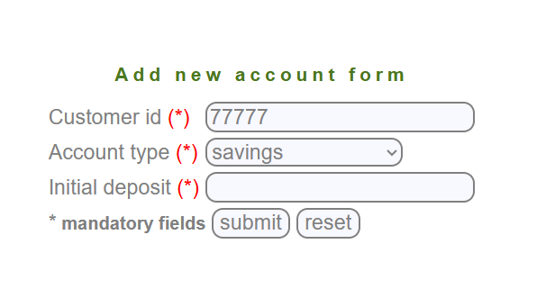 | Chrome version 27.3 Device:* Desktop App Version:2 | Close
Bug_New Customer_03 | Missing Error Message When All Required Fields Are Empty & Redirection to Blank Page | # New Account-TC5 | The Error message not displayed when let all the required filds are empty redirect me to blank page contains: "This page isn’t working right now" | 1-login chrom browser by URL = https://demo.guru99.com/V1/html/Managerhomepage.php 2-Log in by manager account : mngr614561 and password : YtEnEjY 3-Click on New Account button in side 4- Fill required fields then Click on Submit to delete a customer 5-Repeate previous steps to Add many Accounts | 1- In main page Click on New Account 2-Click on Submit button | High | Critical | Soad Magdy | Dev | Display of error message : "Filds are required" | the message does not display and redirect me to blank page |  | Chrome version 27.3 Device:* Desktop App Version:2 | Close
Bug_New Customer_04 | Missing Error Message for Entering Characters in Customer ID Field & Redirection to Blank Page | # New Account-TC6 | The Error message not displayed when enter a charcters in Customer ID field redirect me to blank page contains: "This page isn’t working right now" | 1-login chrom browser by URL = https://demo.guru99.com/V1/html/Managerhomepage.php 2-Log in by manager account : mngr614561 and password : YtEnEjY 3-Click on New Account button in side 4- Fill required fields then Click on Submit to delete a customer 5-Repeate previous steps to Add many Accounts | 2-Fill data by characters in Customer ID field 3-Click on Submit button | High | Critical | Soad Magdy | Dev | Display of error message : "Characters not allowed" | the message does not display and redirect me to blank page | 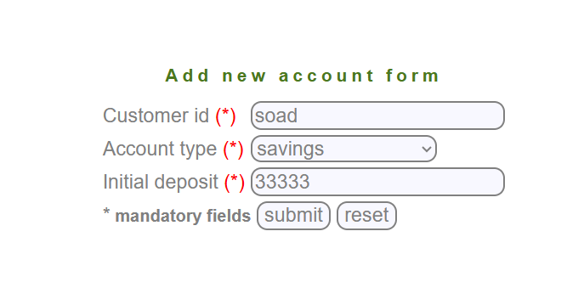 | Chrome version 27.3 Device:* Desktop App Version:2 | Close
Bug_New Customer_05 | Missing Error Message for Special Characters in Customer ID Field & Redirection to Blank Page | # New Account-TC7 | The Error message not displayed when enter a special charcters in Customer ID field redirect me to blank page contains: "This page isn’t working right now" | 1-login chrom browser by URL = https://demo.guru99.com/V1/html/Managerhomepage.php 2-Log in by manager account : mngr614561 and password : YtEnEjY 3-Click on New Account button in side 4- Fill required fields then Click on Submit to delete a customer 5-Repeate previous steps to Add many Accounts | 1-Fill data by Special characters in Customer ID field($,^,&,*,!) 2- Fill data by valid intial deposit 3-Click on Submit button | High | Critical | Soad Magdy | Dev | Display of error message : "special Characters not allowed" | the message does not display and redirect me to blank page |  | Chrome version 27.3 Device:* Desktop App Version:2 | Close
Bug_New Customer_06 | Missing Error Message : "Fields Already Empty" | # New Account-TC9 | The Error message that : "fields already empty" | 1-login chrom browser by URL = https://demo.guru99.com/V1/html/Managerhomepage.php 2-Log in by manager account : mngr614561 and password : YtEnEjY 3-Click on New Account button in side 4- Fill required fields then Click on Submit to delete a customer 5-Repeate previous steps to Add many Accounts | 1- Let fields are empty 2-Click on Reset button | High | Critial | Soad Magdy | Dev | Display of error message : "filds already empty" | the message does not display |  | Chrome version 27.3 Device:* Desktop App Version:3 | Reopen
Bug_New Customer_07 | Missing Error Message : "Customer not exist" | # New Account-TC8 | the erorr massege not displayed the customer ID is exist | 1-login chrom browser by URL = https://demo.guru99.com/V1/html/Managerhomepage.php 2-Log in by manager account : mngr614561 and password : YtEnEjY 3-Click on New Account button in side 4- Fill required fields then Click on Submit to delete a customer 5-Repeate previous steps to Add many Accounts | 1- In main page Click on New Account 2-fill the data in Customer ID field with not existing id 3-choose account type and fill Intiall deposit field by valid data 4-Click on Submit button | High | Critical | Soad Magdy | Dev | Display of error message : "customer already exist" | the message does not display |  | Chrome version 27.3 Device:* Desktop App Version:3 | Reopen
Bug_New Customer_08 | Validate Refrshing and delete the data from fcustomer id field automatically after deleting customer | # New Account-TC13 | redirect me to welcome page after adding new account | 1-login chrom browser by URL = https://demo.guru99.com/V1/html/Managerhomepage.php 2-Log in by manager account : mngr614561 and password : YtEnEjY 3-Click on New Account button in side 4- Fill required fields then Click on Submit to delete a customer 5-Repeate previous steps to Add many Accounts | 1- In main page Click on Delete Customer 2-Fill data by valid Customer ID in Customer ID field 3-Fill data by valid Intial deposit and choose customer type 4-Click on Submit button | High | Critical | Soad Magdy | Dev | redirect me to new account page | redirect me to welcome page |  | Chrome version 27.3 Device:* Desktop App Version:3 | Reopen
Bug_New Customer_09 | Validate Redirecting page after adding new account by succesfully way | # New Account-TC11 | redirect me to Welcome To Manager's Page of Guru99 Bank | 1-login chrom browser by URL = https://demo.guru99.com/V1/html/Managerhomepage.php 2-Log in by manager account : mngr614561 and password : YtEnEjY 3-Click on New Account button in side 4- Fill required fields then Click on Submit to delete a customer 5-Repeate previous steps to Add many Accounts | 1- In main page Click on Delete Customer 2-Fill data by valid Customer ID Customer ID field 3-Fill data by valid Intial deposit and choose customer type 4-Click on Submit button Check if the page is successfully redirected to the 'New Account' page or the Manager's page confirming account creation | High | Critical | Soad Magdy | Dev | redirect me to new account page | redirect me to welcome page |  | Chrome version 27.3 Device:* Desktop App Version:3 | Reopen

