OASIS Summary
S.No. | Citation and Bibtex | Objective | Approach | Technique + Models Applied | Results | Limitations/Future Scope | Link
1 | Novotny, D., Albanie, S., Larlus, D. and Vedaldi, A., 2018. Semi-convolutional operators for instance segmentation. In Proceedings of the European Conference on Computer Vision (ECCV) (pp. 86-102). @inproceedings{novotny2018semi, title={Semi-convolutional operators for instance segmentation}, author={Novotny, David and Albanie, Samuel and Larlus, Diane and Vedaldi, Andrea}, booktitle={Proceedings of the European Conference on Computer Vision (ECCV)}, pages={86--102}, year={2018} } | A popular approach is to assign an arbitrary color (often in the guise of a real vector) to each object occurrence, with the only requirement that different colors should be used for different objects. The resulting color affinities can then be used to easily enumerate object a posteriori via a non-convolutional algorithm. In this paper, it is argued that the technique is insufficient to make IC (Instance coloring) amenable to computation by CNNs. Methods that reduce instance segmentation to a pixel-labeling problem. Instance Segmenation | 1. Used exisiting Convolution pretrained model and train the model and later embedd the Fully connected layers and optimise the model thus creating a Semi- Convolutional model. 2. Compare the method results against the MRCNN FPN-101 (state of the art model on the challenging COCO instance segmentation task)model on PASCAL VOC 2012 dataset and compared results using standard COCO evaluation metrics (IoU - Intersection over union) | 1. Pretrained ResNet50 model truncated after the Res2c layer, followed by a set of 1×1 filters. 2. Minimizing the loss with stochastic gradient descent. 3. Embeddings corresponding to the foreground regions are extracted and clustered with the k-means algorithm into K clusters where K is the true number of dots present in the synthetic image | 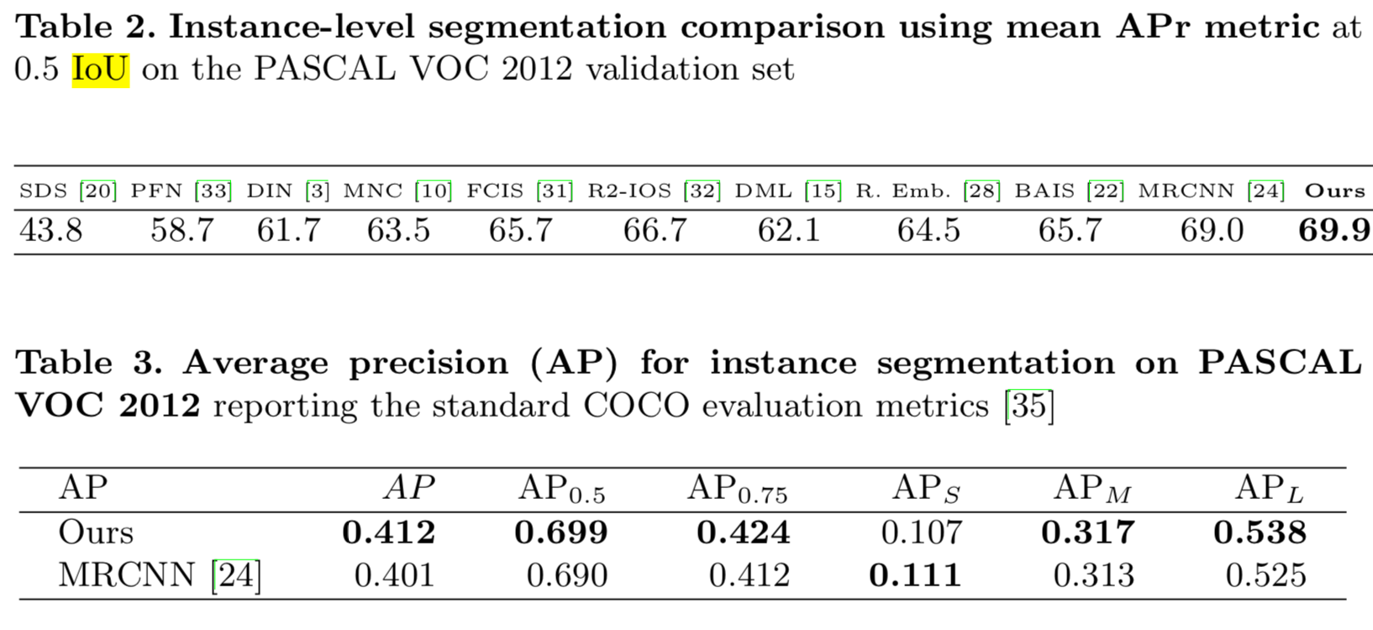 | Not mentioned | https://openaccess.thecvf.com/content_ECCV_2018/papers/Samuel_Albanie_Semi-convolutional_Operators_for_ECCV_2018_paper.pdf
 |  |  |  |  |  |  | https://openaccess.thecvf.com/content_ECCV_2018/html/Samuel_Albanie_Semi-convolutional_Operators_for_ECCV_2018_paper.html
2 | Cheng, B., Wei, Y., Shi, H., Feris, R., Xiong, J. and Huang, T., 2018. Revisiting rcnn: On awakening the classification power of faster rcnn. In Proceedings of the European conference on computer vision (ECCV) (pp. 453-468). @inproceedings{cheng2018revisiting, title={Revisiting rcnn: On awakening the classification power of faster rcnn}, author={Cheng, Bowen and Wei, Yunchao and Shi, Honghui and Feris, Rogerio and Xiong, Jinjun and Huang, Thomas}, booktitle={Proceedings of the European conference on computer vision (ECCV)}, pages={453--468}, year={2018} } | Investigating the key factors affecting the performance of Faster RCNN Conduct object detection on PASCAL VOC 2007 using Faster RCNN Use false positives and improve the classification power of Faster RCNN based detectors. Object Classification | 1. Do not share any parameters between the Faster RCNN and our Decoupled Classification Refinement (DCR) module, so that the DCR module can not only utilize the multi-task learning improved results from region proposal networks (RPN) and bounding box regression tasks, but also better optimize the newly introduced module to address the challenging classification cases. 2. DCR de- couples the classification and localization tasks in Faster RCNN styled detectors. It takes input from a base classifier, e.g. the Faster RCNN, and refine the classi- fication results using a RCNN-styled network. DCR samples hard false positives, namely the false positives with high confidence scores, from the base classifier, and then trains a stronger correctional classifier for the classification refinement. | 1. Intiially, Train a modified RCNN with ResNet-50 as backbone and Faster RCNN predictions as region proposals. 2. Pre-trained on ILSVRC 2012 3. Union of VOC 2007 trainval and VOC 2012 trainval as well as their horizontal flip as training data and evaluate results on the VOC 2007 test set. 4. Default training setting and ResNet-152 (final model) as classifier for the DCR module. We train our model for 7 epochs and reduce learning rate by 1 after 4.83 epochs. | 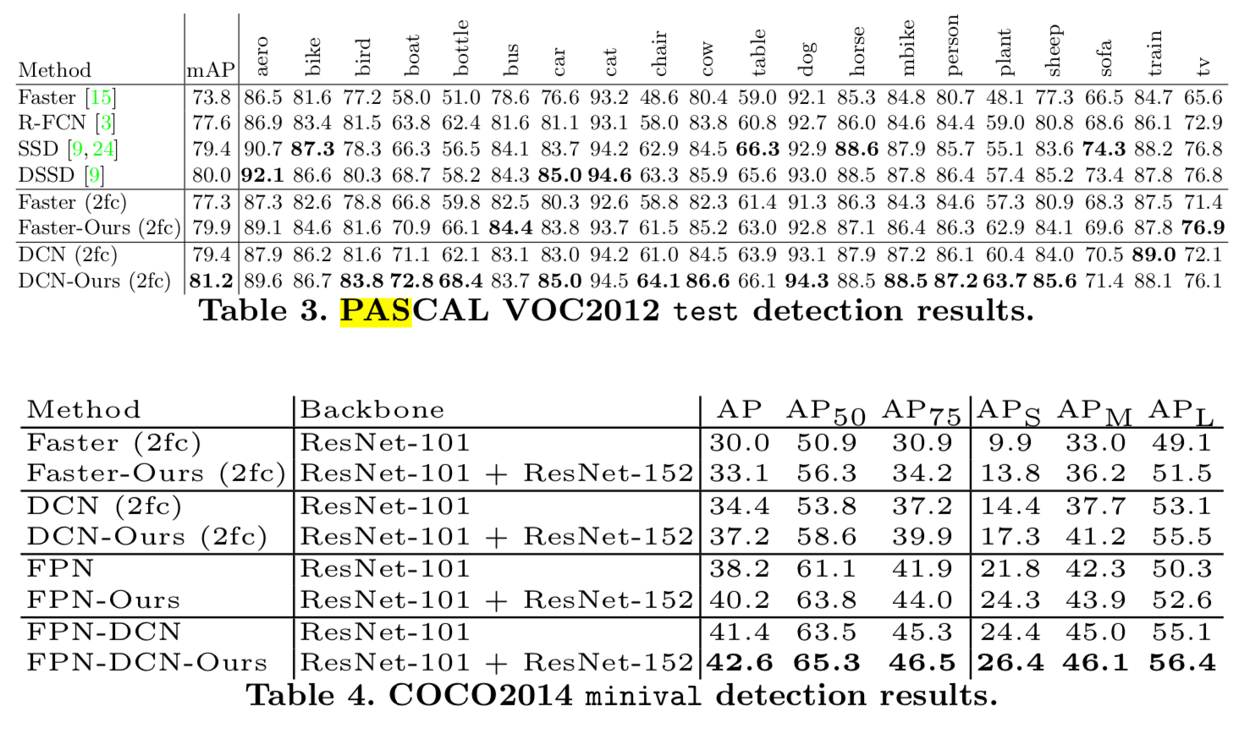 | Not mentioned | https://openaccess.thecvf.com/content_ECCV_2018/papers/Bowen_Cheng_Revisiting_RCNN_On_ECCV_2018_paper.pdf

3 | Zhao, X., Liang, S. and Wei, Y., 2018. Pseudo mask augmented object detection. In Proceedings of the IEEE conference on computer vision and pattern recognition (pp. 4061-4070). @inproceedings{zhao2018pseudo, title={Pseudo mask augmented object detection}, author={Zhao, Xiangyun and Liang, Shuang and Wei, Yichen}, booktitle={Proceedings of the IEEE conference on computer vision and pattern recognition}, pages={4061--4070}, year={2018} } | Augments the object detector with generated object masks from the bounding box annotation, named as Pesudo-mask Augmented Detection (PAD). Object Detection - Object Classification and localisation | 1. First, the PAD treats ground truth object seg- mentation masks as hidden variables as they are unknown, which are gradually refined by only using bounding box annotations as the supervision, called as pseudo ground truth masks. 2. Second, connect the two networks such that the segmentation information provides a top-down feedback for detection network. In this way, the learning of detection network is improved as additional supervision signals are back propagated from the segmentation branch. 3. Validated on PASCAL VOC 2007 and 2012 | Evaluated the performance of the proposed PAD using three state-of-the-art network structures: VGG-16, ResNet-50 and ResNet- 101. The publicly available pre-trained model on ILSVRC2012 to initialize all network parameters. | 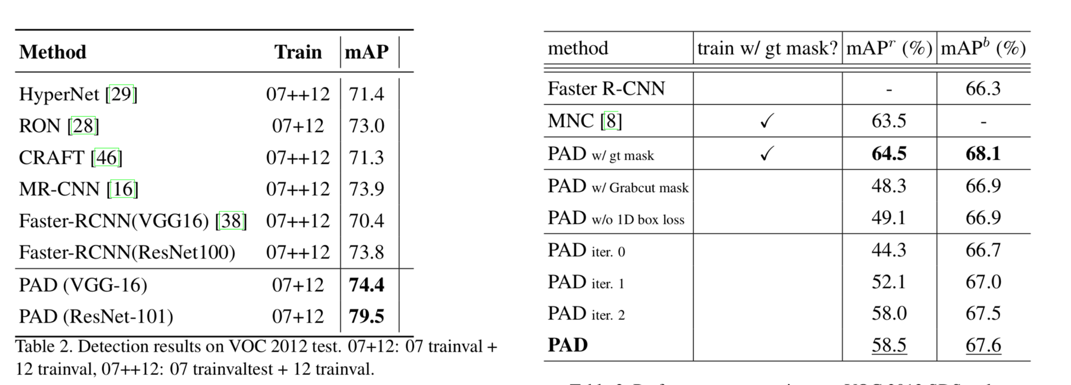 | Not mentioned | https://openaccess.thecvf.com/content_cvpr_2018/papers/Zhao_Pseudo_Mask_Augmented_CVPR_2018_paper.pdf

4 | Chen, Z., Huang, S. and Tao, D., 2018. Context refinement for object detection. In Proceedings of the European Conference on Computer Vision (ECCV) (pp. 71-86). @inproceedings{chen2018context, title={Context refinement for object detection}, author={Chen, Zhe and Huang, Shaoli and Tao, Dacheng}, booktitle={Proceedings of the European Conference on Computer Vision (ECCV)}, pages={71--86}, year={2018} } | A learning-based context refinement algorithm to augment the existing refinement procedure in object detection and creating bounding boxes. Object detection | 1. Attach the context refinement module to both the proposal generation stage and final refinement stage 2. Attach networks for context refinement after the original refinement operations. Explanation: augment the representation for each proposed region by leveraging its surrounding regions. This is motivated by the fact that surrounding regions usually contain complementary information on object appearance and high-level characteristics, e.g., semantics and geometric relationships, for a proposed region. | Context refinement for both regional proposals and the second refinement stage in the Faster RCNN (FRCNN) detector. The resulting context feature vector then has a length of (C + 4 + K) where C is the channel dimension of visual feature and K is the number of categories. |  | Not mentioned | https://openaccess.thecvf.com/content_ECCV_2018/papers/Zhe_Chen_Context_Refinement_for_ECCV_2018_paper.pdf

5 | Rezatofighi, H., Tsoi, N., Gwak, J., Sadeghian, A., Reid, I. and Savarese, S., 2019. Generalized intersection over union: A metric and a loss for bounding box regression. In Proceedings of the IEEE Conference on Computer Vision and Pattern Recognition (pp. 658-666). @inproceedings{rezatofighi2019generalized, title={Generalized intersection over union: A metric and a loss for bounding box regression}, author={Rezatofighi, Hamid and Tsoi, Nathan and Gwak, JunYoung and Sadeghian, Amir and Reid, Ian and Savarese, Silvio}, booktitle={Proceedings of the IEEE Conference on Computer Vision and Pattern Recognition}, pages={658--666}, year={2019} } | Develop a new loss function and a new metric to tackel the weakness of IoU a plateau making it infeasible to optimize in the case of non- overlapping bounding boxes. Major issue: if two objects do not overlap, the IoU value will be zero and will not reflect how far the two shapes are from each other. In this case of non-overlapping objects, if IoU is used as a loss, its gradient will be zero and cannot be optimized. Summary: • Introduce this generalized version of I oU , as a new metric for comparing any two arbitrary shapes. • Provide an analytical solution for using GIoU as loss between two axis-aligned rectangles or generally n-orthotopes1 . • Incorporate GIoU loss into the most popular object detection algorithms such as Faster R-CNN, Mask R-CNN and YOLO v3, and show their per- formance improvement on standard object detection benchmarks. | 1. Used PASCAL VOC 2007 dataset. 2. There is no instance mask annotation available in this dataset, we did not evaluate Mask R-CNN on this dataset. Therefore, we only trained Faster R-CNN using the aforementioned bounding box regression losses on the training set. | Faster R-CNN, released by Facebook research. This code is analogous to the original Caffe2 implementation. ResNet-50 the backbone network architecture for Faster R-CNN. | 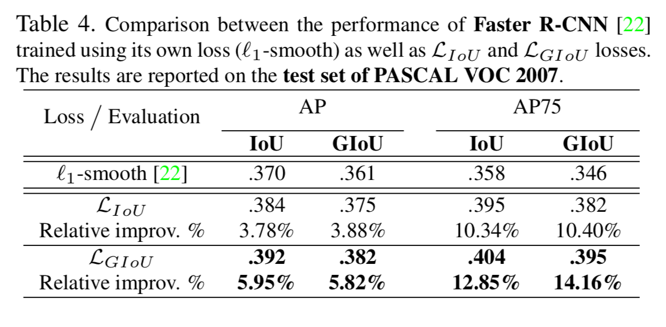 | investigate the feasibility of de- riving an analytic solution for GIoU in the case of two ro- tating rectangular cuboids. This extension and incorporat- ing it as a loss could have great potential to improve the performance of 3D object detection frameworks. | https://scholar.google.com/scholar?hl=en&as_sdt=0,5&q="pascal+VOC"+++"MASK-RCNN"&btnG=
6 | Xu, W., Wang, H., Qi, F. and Lu, C., 2019. Explicit shape encoding for real-time instance segmentation. In Proceedings of the IEEE International Conference on Computer Vision (pp. 5168-5177). @inproceedings{xu2019explicit, title={Explicit shape encoding for real-time instance segmentation}, author={Xu, Wenqiang and Wang, Haiyang and Qi, Fubo and Lu, Cewu}, booktitle={Proceedings of the IEEE International Conference on Computer Vision}, pages={5168--5177}, year={2019} } | Fast Instance segmentation , as fast as object detection | 1. An explicit shape encoding based instance segmentation framework, ESE-Seg. It is a top-down approach but reconstructs the shapes for multi- ple instances in one pass, thus greatly reduces the compu- tational consumption, and makes the instance segmentation reach the speed of the object detection with no model accel- eration techniques involved. 2. It predicts all the in- stance segments in one forwarding pass, which can reach equal efficiency as object detection solver. Given an object instance segment, we parametrize the contour with a novel shape signature “Inner-center Radius” (IR). The Chebyshev polynomials are used to approximate the shape signature vector with a small number of coefficients. Those coefficients are served as the shape descriptor, and the network will learn to regress it. Finally, we describe how to decode the shape descriptor under the ordinary object detection framework by simple tensor operations. | ESE-Seg with YOLO base detector. Note - MASK-RCNN is only used here to compare the results for segmentation tasks. | 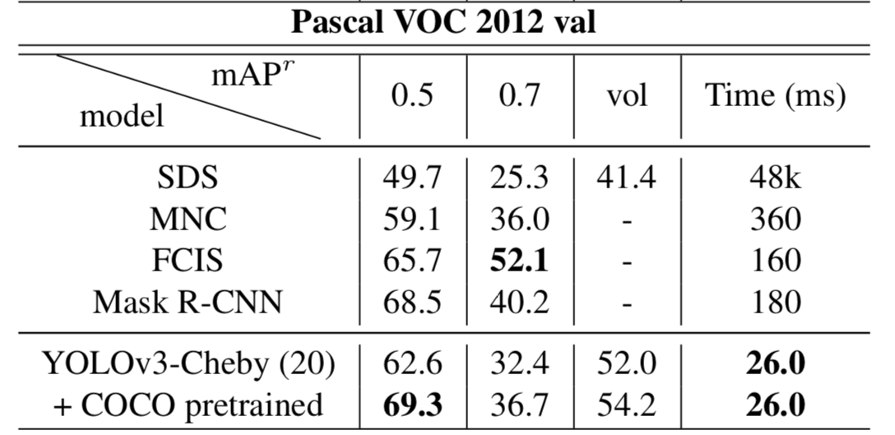 | The proposed ESE-Seg can achieve the instance segmentation with minor time-consumption, with a decent perfor- mance at IoU threshold 0.5. However, due to the inaccuracy Erecon of the shape vector, and the noise comes with the CNN regression, performance at larger IoU threshold like 0.7 drop a large margin. In the future, better ways to explicitly represent the shape, and better ways to train the CNN regression which will contribute to higher performance at high IoU threshold are of high interest. | https://openaccess.thecvf.com/content_ICCV_2019/papers/Xu_Explicit_Shape_Encoding_for_Real-Time_Instance_Segmentation_ICCV_2019_paper.pdf
7 | Krinski, B.A., Ruiz, D.V., Machado, G.Z. and Todt, E., 2019, October. Masking salient object detection, a mask region-based convolutional neural network analysis for segmentation of salient objects. In 2019 Latin American Robotics Symposium (LARS), 2019 Brazilian Symposium on Robotics (SBR) and 2019 Workshop on Robotics in Education (WRE) (pp. 55-60). IEEE. @inproceedings{krinski2019masking, title={Masking salient object detection, a mask region-based convolutional neural network analysis for segmentation of salient objects}, author={Krinski, Bruno Alexandre and Ruiz, Daniel Vitor and Machado, Guilherme Zasyeki and Todt, Eduardo}, booktitle={2019 Latin American Robotics Symposium (LARS), 2019 Brazilian Symposium on Robotics (SBR) and 2019 Workshop on Robotics in Education (WRE)}, pages={55--60}, year={2019}, organization={IEEE} } | Comparison between Fully Convolutional Networks (FCNs) and Mask Region-based Convolutional Neural Networks (Mask-RCNNs) applied in the Salient Object Detection (SOD) context. | 1. work were validated through a K-fold strategy with k equal to five. 2. The ResNets 50 and 101 converted to FCN received an initial learning rate of 10–6 and the ResNets 50 and 101 converted to Mask-RCNN received an initial learning rate of 10–4. 3. The networks were trained with 100,000 iterations in the MSRA10K dataset. Note: Pascal VOC dataset was 1 of the 8 dataset used to compare results. | Standard Mask-RCNNs and standard FCNs with ResNets backbones |  | Not mentioned | https://ieeexplore.ieee.org/abstract/document/9018596?casa_token=gS-iLKnmsZoAAAAA:qi0VvSFWoG6fUbXRCW3bCl9n7Q2PzSsh5BNewsUn-DjSjohEpZu1Iyd9PSkY4kV02TA9Kh7zJEE
8 | Fan, R., Hou, Q., Cheng, M.M., Yu, G., Martin, R.R. and Hu, S.M., 2018. Associating inter-image salient instances for weakly supervised semantic segmentation. In Proceedings of the European Conference on Computer Vision (ECCV) (pp. 367-383). @inproceedings{fan2018associating, title={Associating inter-image salient instances for weakly supervised semantic segmentation}, author={Fan, Ruochen and Hou, Qibin and Cheng, Ming-Ming and Yu, Gang and Martin, Ralph R and Hu, Shi-Min}, booktitle={Proceedings of the European Conference on Computer Vision (ECCV)}, pages={367--383}, year={2018} } | Using an instance-level salient object detector to automatically generate salient instances (candidate objects) for training images. Overall: The first use of salient instances in a weakly supervised segmentation framework, significantly simplifying object discrimination, and performing instance-level segmentation under weak supervision. A weakly supervised segmentation framework exploiting not only the information inside salient instances but also the relationships between all objects in the whole dataset. | 1. Given training images labelled only with keywords, we use an instance-level saliency segmentation network, S4Net, to extract salient instances from every image. Each salient instance has a bounding box and a mask indicating a visually noticeable foreground object in an image. These salient instances are class- agnostic, so the extractor S4Net does not need to be trained for our training set. 2. Associate salient instances with correct tags based on image keywords, and tag others as noisy instances. NOTE: PASCAL dataset is only used for training | Use ImageNet as an auxiliary dataset to pretrain all backbone models and the feature extractor. Use center loss and λ = 10−3 and α = 0.5 to train center loss. Attention module is implemented as a standard classifier and ResNet-50 is used as the backbone model. We use all the training data (PASCAL VOC 2012 or sim- ple ImageNet) to train this module. For the traditional fully supervised segmentation CNNs in our framework, we train DeepLab using the following hyper-parameters: ini- tial learning rate = 2.5 × 10−4), divided by a factor of 10 after 20k iterations, weight decay = 5 × 10−4, and momentum = 0.9. The mask-RCNN for instance-level segmen- tation is trained using: initial learning rate = 2 × 10−3, divided by a factor of 10 after 5 epochs, weight decay = 10−4, and momentum = 0.9. Evaluation of the performance using the standard COCO evaluation metric. | 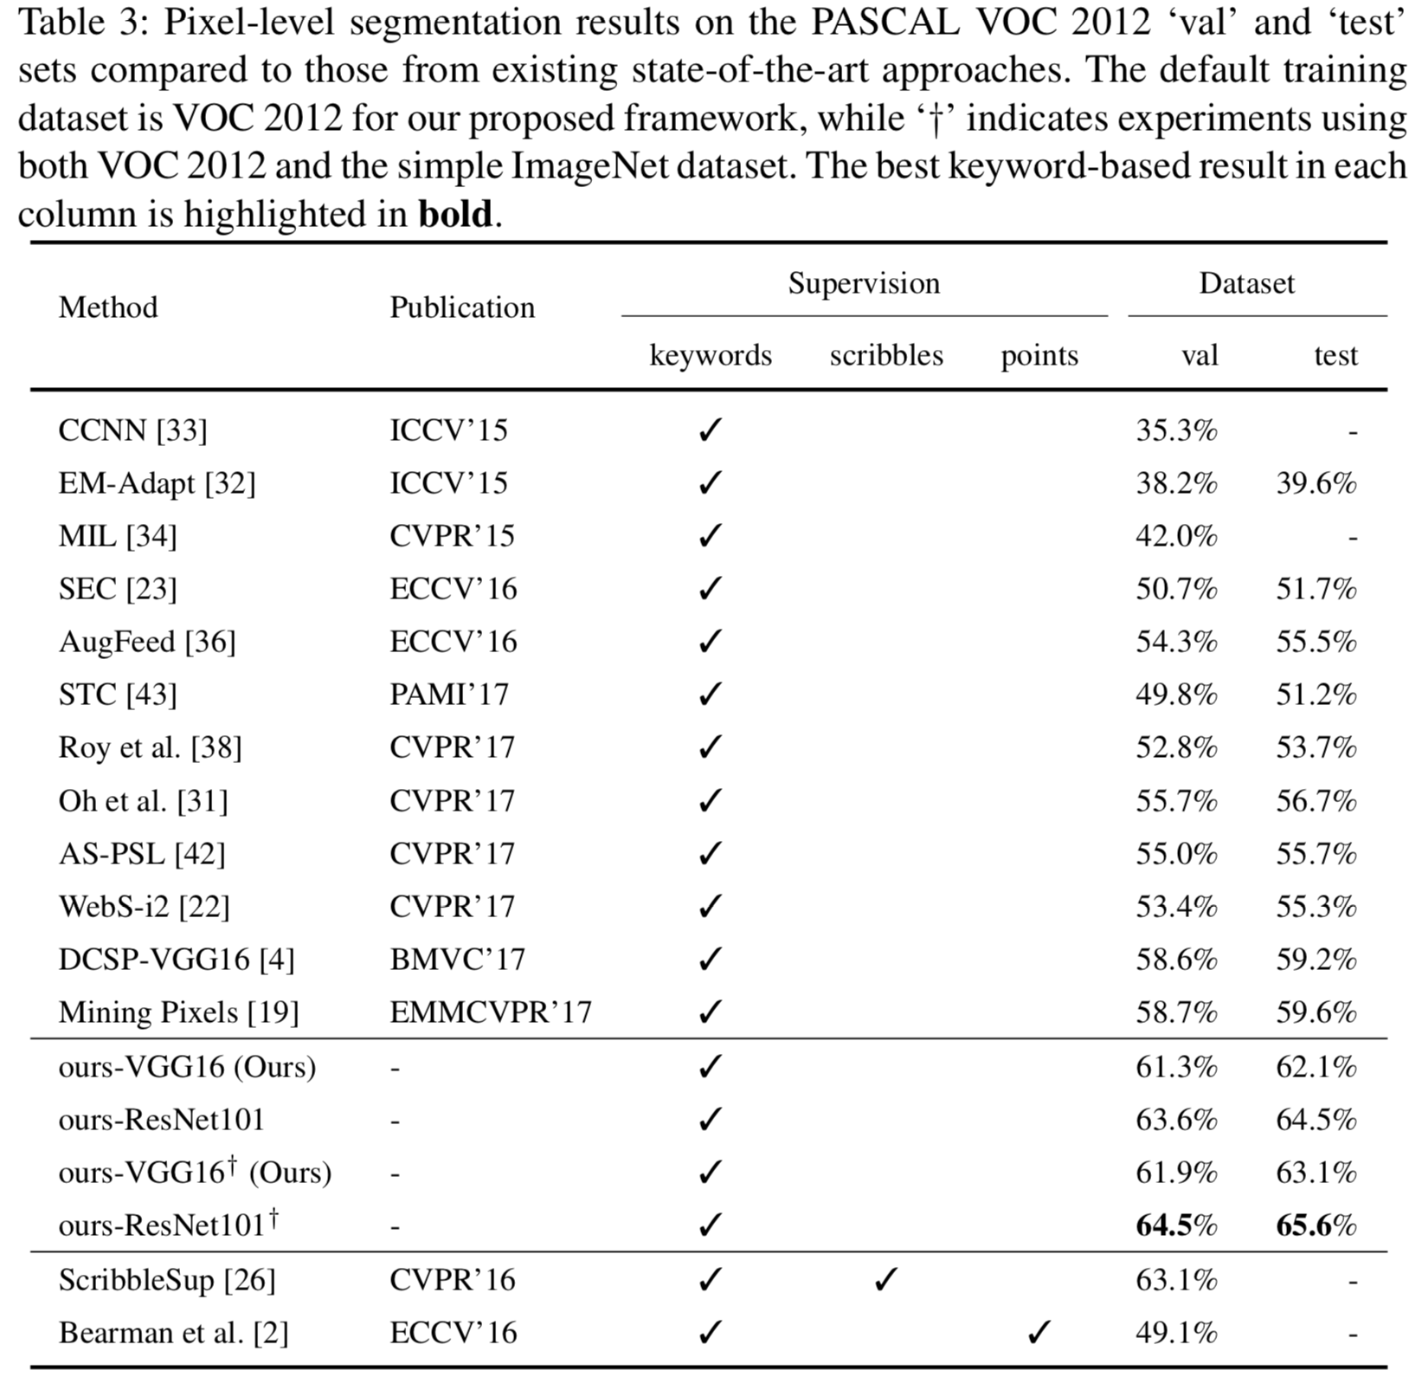 | Not mentioned | https://openaccess.thecvf.com/content_ECCV_2018/papers/Ruochen_Fan_Associating_Inter-Image_Salient_ECCV_2018_paper.pdf

