OTPUT FILE - RESULTS
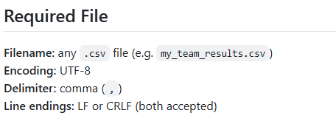
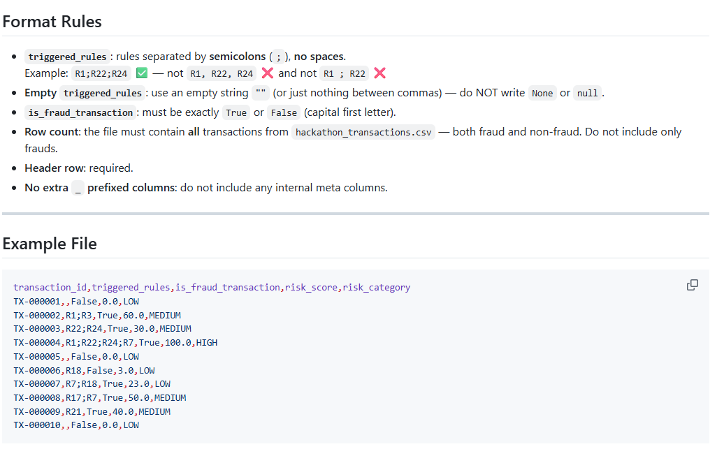
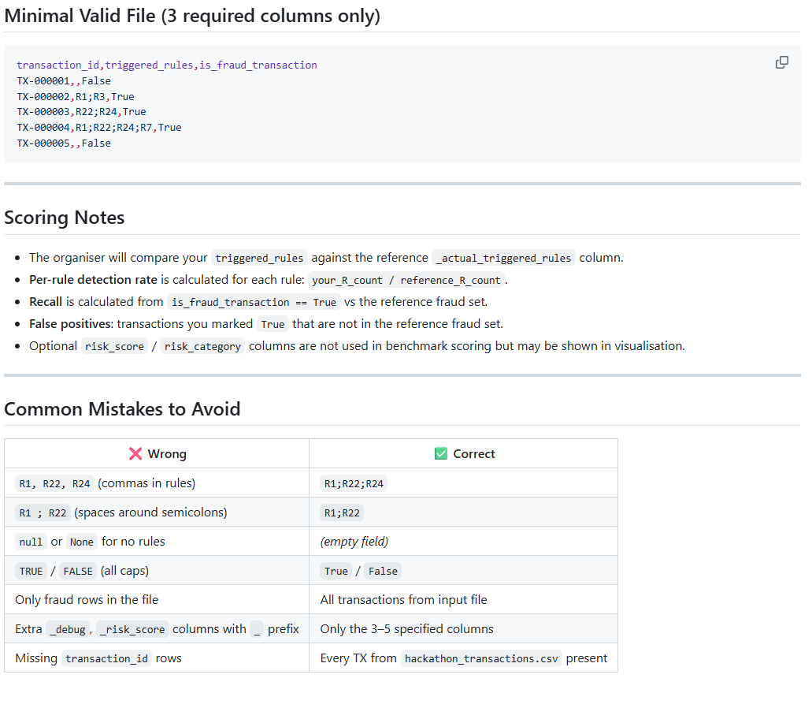
Column | Required | Type | Description | Example Values
transaction_id | YES | string | Must match exactly the IDs from hackathon_transactions.csv. Every transaction from the input file must appear exactly once. | TX-001234
triggered_rules | YES | string | Semicolon-separated list of rule IDs triggered for this transaction. Empty string if no rule triggered. | R1;R22;R24
is_fraud_transaction | YES | string (True or False) | Your engine's fraud classification. Use any threshold you choose (e.g. risk_score ≥ 30). | True
risk_score | NO | float | Calculated risk score. Formula: min(100, Σ severity_i × weight_i). | 0.0 – 100.0
risk_category | NO | string | LOW = 0–29, MEDIUM = 30–69, HIGH = 70–100. | LOW / MEDIUM / HIGH

