Cover
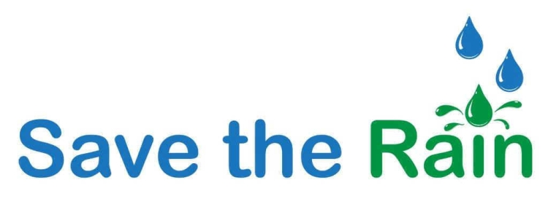
Size of Capture Area
< 10,000 | 4
10,000 - 100,000 | 7
100,000 - 250,000 | 4
250,000 - 500,000 | 3
> 500,000 | 4
Project Cost
< $10K | 3
$10K - $50K | 61
$50K - $100K | 63
$100K - $500K | 137
$500K - $1,000K | 63
$1,000K - $5,000K | 110
> $5,000K | 11

Source: http://savetherain.us/green-project-list/

Initial number of cases = 150 |  | Size | Cost
Total dropped cases = 32 | Count | 22 | 22
Blank cases = 7 | Mean | 1,844,307.68 | 1,219,687.95
Cases with no size = 24 | St.Dev. | 6,419,409.88 | 3,059,442.85
Cases with no cost = 1 | Min | 282.00 | 33,042.00
Total Spent by State
Colorado | 420000
Arizona | 500000
Oregon | 624818
New York | 948717
Illinois | 1300000
Pennsylvania | 1377000
New Mexio | 2000000
Michigan | 4962600
Washington | 14700000
Total Projects by State
Washington | 1
New York | 1
New Mexio | 1
Illinois | 1
Colorado | 1
Arizona | 1
Pennsylvania | 2
Oregon | 5
Michigan | 9
Total cases analyzed = 118 | 25% | 12,000.00 | 147,000.00
 | 50% | 98,010.00 | 398,500.00
Syracuse cases = 96 (81%) | 75% | 300,564.00 | 1,000,000.00
Others = 22 (19%) | Max | 29,620,800.00 | 14,700,000.00

Sum of 22 cases = $26,833,135 (43.61% of total spending)
Total states represented = 9

States
Total Spent by State
Total Projects by State
TOTAL AWARD |  | COUNT
Colorado | 420000 | Washington | 1
Arizona | 500000 | New York | 1
Oregon | 624818 | New Mexio | 1
New York | 948717 | Illinois | 1
Illinois | 1300000 | Colorado | 1
Pennsylvania | 1377000 | Arizona | 1
New Mexio | 2000000 | Pennsylvania | 2
Michigan | 4962600 | Oregon | 5
Washington | 14700000 | Michigan | 9

Source: http://savetherain.us/green-project-list/

Distribution
Size of Capture Area
Project Cost
SIZE |  | COST
< 10,000 | 4 | < $10K | 3
10,000 - 100,000 | 7 | $10K - $50K | 61
100,000 - 250,000 | 4 | $50K - $100K | 63
250,000 - 500,000 | 3 | $100K - $500K | 137
> 500,000 | 4 | $500K - $1,000K | 63
 |  | $1,000K - $5,000K | 110
 |  | > $5,000K | 11

Source: http://savetherain.us/green-project-list/

