Cover
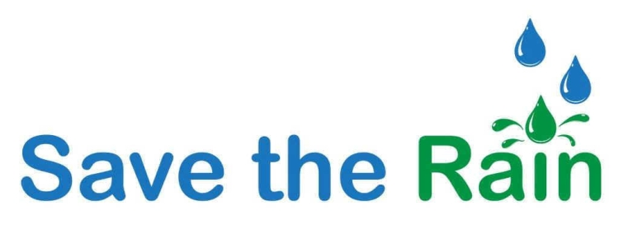
Size of Capture Area
< 10,000 | 15
10,000 - 50,000 | 41
50,000 - 100,000 | 16
100,000 - 500,000 | 19
> 500,000 | 5
Project Cost
< $10K | 3
$10K - $50K | 61
$50K - $100K | 63
$100K - $500K | 137
$500K - $1,000K | 63
$1,000K - $5,000K | 110
> $5,000K | 11

Source: http://savetherain.us/green-project-list/

Initial number of cases = 150 |  | Size | Cost
Total dropped cases = 32 | Count | 96 | 96
Blank cases = 7 | Mean | 117,355.70 | 361,419.03
Cases with no size = 24 | St.Dev. | 250,713.07 | 555,741.13
Cases with no cost = 1 | Min | 560 | 2,875.00
Total cases analyzed = 118 | 25% | 13,840.00 | 102,344.50
 | 50% | 39,000.00 | 208,400.00
Syracuse cases = 96 (81%) | 75% | 101,685.50 | 385,000.00
Others = 22 (19%) | Max | 1,966,000.00 | 4,519,790.65

Sum of 96 cases = $34,696,226.72 (56.39% of total spending)
Total states represented = 1 (NY)

Distribution
Size of Capture Area
Project Cost
SIZE |  | COST
< 10,000 | 15 | < $10K | 3
10,000 - 50,000 | 41 | $10K - $50K | 61
50,000 - 100,000 | 16 | $50K - $100K | 63
100,000 - 500,000 | 19 | $100K - $500K | 137
> 500,000 | 5 | $500K - $1,000K | 63
 |  | $1,000K - $5,000K | 110
 |  | > $5,000K | 11

Source: http://savetherain.us/green-project-list/

