Cover

Size of Capture Area
< 20,000 | 45
20,000 - 40,000 | 144
40,000 - 200,000 | 153
> 200,000 | 102
Project Cost
< $10K | 3
$10K - $50K | 61
$50K - $100K | 63
$100K - $500K | 137
$500K - $1,000K | 63
$1,000K - $5,000K | 110
> $5,000K | 11

Source: https://www.asla.org/stormwatercasestudies.aspx

Initial number of cases = 461 |  |  |  |  | Size | Cost
Total dropped cases = 17 |  |  |  | Count | 444 | 444
Canadian cases = 7 |  |  |  | Mean | 143,427.68 | 1,901,670.60
Blank cases = 5 |  |  |  | St.Dev. | 632,797.91 | 8,450,122.80
Cases with no size = 5 |  |  |  | Min | 1,300.00 | 3,000.00
Total cases analyzed = 444 |  |  |  | 25% | 24,280.00 | 75,000.00
 |  |  |  | 50% | 130,680.00 | 300,000.00
Sum of 444 cases = $844,341,748 |  |  |  | 75% | 130,680.00 | 2,081,250.00
Total states represented = 44 |  |  |  | Max | 13,068,000.00 | 122,000,000.00

Total Spent by State
Vermont | 24820
Nebraska | 69585
Montana | 75000
Utah | 150000
Maine | 300000
Oklahoma | 410000
Alaska | 460000
Mississippi | 678600
Rhode Island | 800000
Idaho | 865000
Kansas | 1031282
Texas | 1063000
Arkansas | 1125000
Virginia | 1304000
New Hampshire | 1650000
Florida | 2768600
DC | 3087000
South Carolina | 3300000
North Carolina | 3485857
New Jersey | 4068466
New Mexico | 4730000
Connecticut | 4955000
Maryland | 4972000
Massachusetts | 6733850
Kentucky | 7306226
Missouri | 8077000
Alabama | 8151840
Tennessee | 9000000
Arizona | 10200000
Minnesota | 11644968
Wisconsin | 14715000
Michigan | 15311410
Colorado | 15637000
Louisiana | 16440000
Iowa | 17751328
Pennsylvania | 18756257
Indiana | 20427000
Illinois | 36605117
Washington | 48709473
California | 92363441
Oregon | 100437000
Georgia | 101277000
New York | 103263528
Ohio | 140161100
Total Projects by State
Nebraska | 1
Maine | 1
Vermont | 1
Rhode Island\ | 1
Montana | 1
Utah | 2
South Carolina | 2
Alaska | 2
Oklahoma | 3
Texas | 3
Tennessee | 3
Mississippi | 3
Virginia | 3
Arkansas | 3
New Hampshire | 4
Iowa | 4
Arizona | 5
New Mexico | 5
New Jersey | 5
Kentucky | 6
Kansas | 6
Connecticut | 6
Colorado | 7
Massachusetts | 7
Indiana | 7
Georgia | 8
Maryland | 8
Florida | 9
North Carolina | 9
Idaho | 10
DC | 11
Wisconsin | 11
Minnesota | 11
Alabama | 12
Washington | 12
Missouri | 13
Louisiana | 15
Michigan | 16
Ohio | 20
Oregon | 25
Illinois | 26
Pennsylvania | 32
California | 49
New York | 56

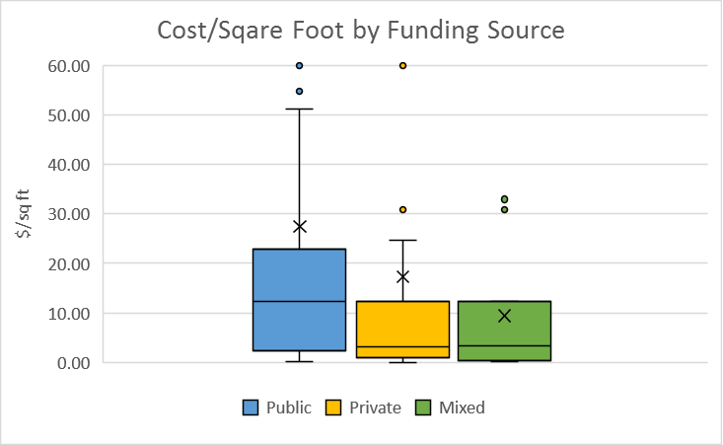
 | Cost/Sq Ft |  | Count | Mean | St.Dev. | Min | 25% | 50% | 75% | Max
Count | 444 | Mixed | 15 | 9.45 | 12.1 | 0.08 | 1.36 | 3.25 | 12.36 | 32.95
Mean | 24.16 | Private | 116 | 17.25 | 51.35 | 0.02 | 0.9 | 3.16 | 12.36 | 414.14
St.Dev. | 63.66 | Public | 313 | 27.42 | 68.83 | 0.14 | 2.3 | 12.36 | 22.96 | 626
Min | 0.02
25% | 2
50% | 6.33 |  | ANOVA (p=0.225)
75% | 22.96 |  | T-test with just public and private (p=0.148)
Max | 626 |  | T-test with mixed added to private (p=0.095)

States
Total Spent by State
Vermont | 24820
Nebraska | 69585
Montana | 75000
Utah | 150000
Maine | 300000
Oklahoma | 410000
Alaska | 460000
Mississippi | 678600
Rhode Island | 800000
Idaho | 865000
Kansas | 1031282
Texas | 1063000
Arkansas | 1125000
Virginia | 1304000
New Hampshire | 1650000
Florida | 2768600
DC | 3087000
South Carolina | 3300000
North Carolina | 3485857
New Jersey | 4068466
New Mexico | 4730000
Connecticut | 4955000
Maryland | 4972000
Massachusetts | 6733850
Kentucky | 7306226
Missouri | 8077000
Alabama | 8151840
Tennessee | 9000000
Arizona | 10200000
Minnesota | 11644968
Wisconsin | 14715000
Michigan | 15311410
Colorado | 15637000
Louisiana | 16440000
Iowa | 17751328
Pennsylvania | 18756257
Indiana | 20427000
Illinois | 36605117
Washington | 48709473
California | 92363441
Oregon | 100437000
Georgia | 101277000
New York | 103263528
Ohio | 140161100
Total Projects by State
Nebraska | 1
Maine | 1
Vermont | 1
Rhode Island\ | 1
Montana | 1
Utah | 2
South Carolina | 2
Alaska | 2
Oklahoma | 3
Texas | 3
Tennessee | 3
Mississippi | 3
Virginia | 3
Arkansas | 3
New Hampshire | 4
Iowa | 4
Arizona | 5
New Mexico | 5
New Jersey | 5
Kentucky | 6
Kansas | 6
Connecticut | 6
Colorado | 7
Massachusetts | 7
Indiana | 7
Georgia | 8
Maryland | 8
Florida | 9
North Carolina | 9
Idaho | 10
DC | 11
Wisconsin | 11
Minnesota | 11
Alabama | 12
Washington | 12
Missouri | 13
Louisiana | 15
Michigan | 16
Ohio | 20
Oregon | 25
Illinois | 26
Pennsylvania | 32
California | 49
New York | 56
TOTAL AWARD |  | COUNT
Vermont | 24,820 | Nebraska | 1
Nebraska | 69,585 | Maine | 1
Montana | 75,000 | Vermont | 1
Utah | 150,000 | Rhode Island\ | 1
Maine | 300,000 | Montana | 1
Oklahoma | 410,000 | Utah | 2
Alaska | 460,000 | South Carolina | 2
Mississippi | 678,600 | Alaska | 2
Rhode Island | 800,000 | Oklahoma | 3
Idaho | 865,000 | Texas | 3
Kansas | 1,031,282 | Tennessee | 3
Texas | 1,063,000 | Mississippi | 3
Arkansas | 1,125,000 | Virginia | 3
Virginia | 1,304,000 | Arkansas | 3
New Hampshire | 1,650,000 | New Hampshire | 4
Florida | 2,768,600 | Iowa | 4
DC | 3,087,000 | Arizona | 5
South Carolina | 3,300,000 | New Mexico | 5
North Carolina | 3,485,857 | New Jersey | 5
New Jersey | 4,068,466 | Kentucky | 6
New Mexico | 4,730,000 | Kansas | 6
Connecticut | 4,955,000 | Connecticut | 6
Maryland | 4,972,000 | Colorado | 7
Massachusetts | 6,733,850 | Massachusetts | 7
Kentucky | 7,306,226 | Indiana | 7
Missouri | 8,077,000 | Georgia | 8
Alabama | 8,151,840 | Maryland | 8
Tennessee | 9,000,000 | Florida | 9
Arizona | 10,200,000 | North Carolina | 9
Minnesota | 11,644,968 | Idaho | 10
Wisconsin | 14,715,000 | DC | 11
Michigan | 15,311,410 | Wisconsin | 11
Colorado | 15,637,000 | Minnesota | 11
Louisiana | 16,440,000 | Alabama | 12
Iowa | 17,751,328 | Washington | 12
Pennsylvania | 18,756,257 | Missouri | 13
Indiana | 20,427,000 | Louisiana | 15
Illinois | 36,605,117 | Michigan | 16
Washington | 48,709,473 | Ohio | 20
California | 92,363,441 | Oregon | 25
Oregon | 100,437,000 | Illinois | 26
Georgia | 101,277,000 | Pennsylvania | 32
New York | 103,263,528 | California | 49
Ohio | 140,161,100 | New York | 56

Source: https://www.asla.org/stormwatercasestudies.aspx

Distribution
Size of Capture Area
Project Cost
SIZE |  | COST
< 20,000 | 45 | < $10K | 3
20,000 - 40,000 | 144 | $10K - $50K | 61
40,000 - 200,000 | 153 | $50K - $100K | 63
> 200,000 | 102 | $100K - $500K | 137
 |  | $500K - $1,000K | 63
 |  | $1,000K - $5,000K | 110
 |  | > $5,000K | 11

Source: https://www.asla.org/stormwatercasestudies.aspx

