HFACS EXERCISE GE235
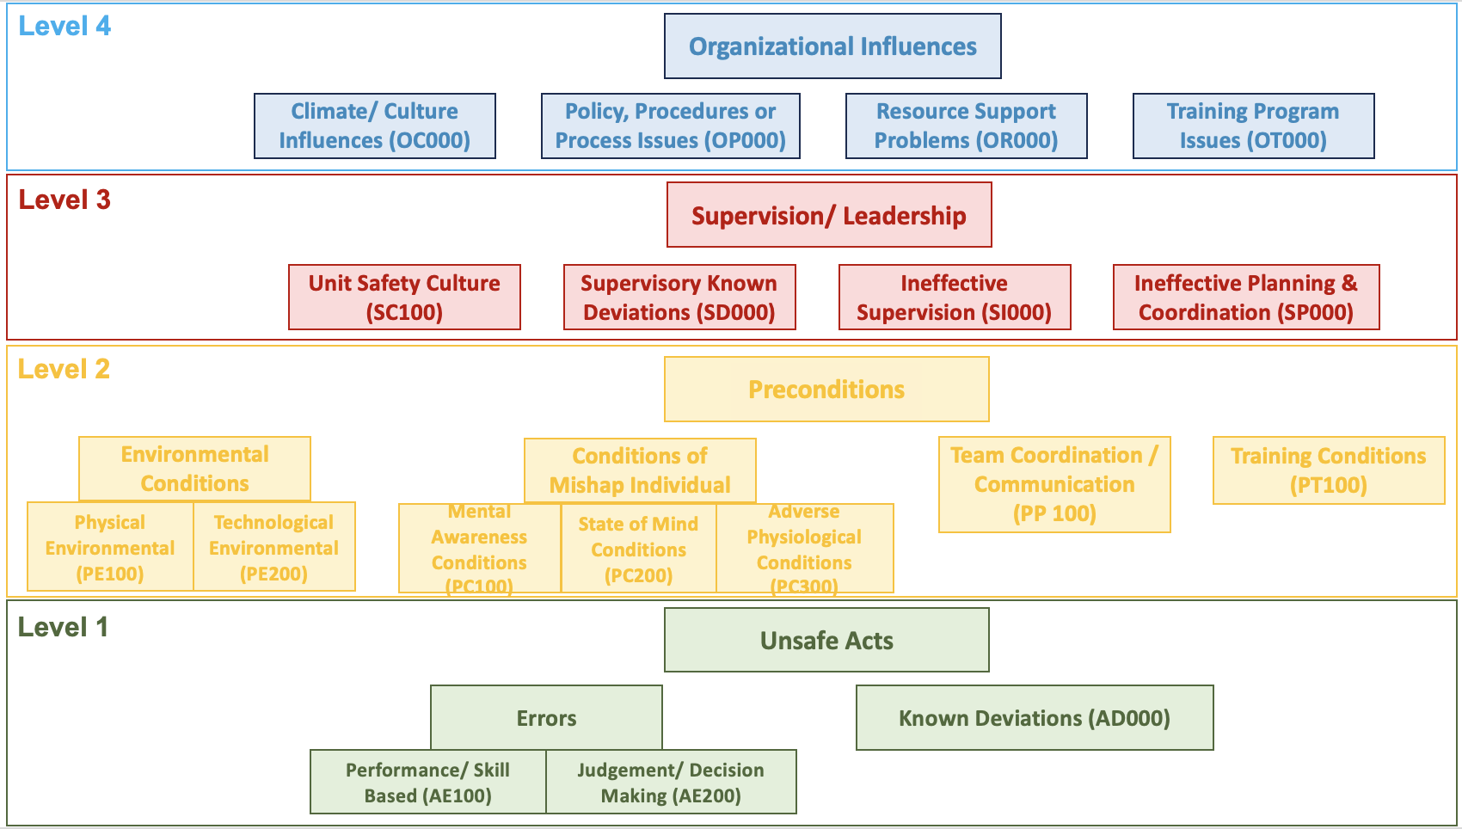
Level 4- Organisational Influences
Code and full title | Report evidence
OC001 - Organizational Culture (attitude/actions) Created Increased Risk | GE235 report p.160: recurring noncompliance was described as an enduring, systemic problem consistent with a poor safety culture in the ATR fleet.
OC004 - Mission/Aircraft/Vehicle/Ship/Equipment Change or Unit Deactivation | Report pp.172–173: TNA transitioned crews from ATR72-500 conventional instrumentation to the ATR72-600 advanced avionics suite; pilots reported insufficient familiarization, and the report questioned whether five-day differences training was adequate.
OP002 - Organizational Program or Operation Not Adequately Assessed | Report pp.170–171: TNA had no systematic CRM assessment process to determine whether training was effective or achieving its objectives. Report p.178: TNA did not use available guidelines to develop, reinforce and assess the CRM program.
OP003 - Provided Unclear, Impractical, or Inadequate Policy, Procedural Guidance or Publications | Report pp.152–154: no documented TNA policy clearly communicated the mandatory rejection of take-off when ATPCS did not arm; checklist content could imply that ATR72-500 logic remained applicable. Report p.176, probable-cause finding 4, repeats this deficiency.
OP006 - Inadequate Program Management/Governance | Report p.167: TNA quality assurance did not detect that the command-upgrade process had been compromised. Report pp.170–171: CRM training lacked standardized development, instructor preparation, assessment and current content. Report p.174 and p.179: CAA oversight did not ensure timely closure of previously identified safety issues. Report p.177: the manufacturer’s earlier AFU inspection programme was insufficiently effective.
OR008 - Failure to Provide Adequate Information Resources | Report pp.173–174: TNA did not completely retain ATR72-600 differences-training records; the records remained at the external training centre and were not adequately stored, maintained or evaluated. Report p.178 repeats the missed opportunity to detect Captain A’s training need.
OT001 - Resident Formal School Training Program Is Ineffective or Unavailable | Report pp.170–171: deficiencies in formal CRM training, instructor training, LOFT development and recurrent CRM content. Report pp.172–173 and p.178: the formal ATR72-600 differences programme may have been insufficient to assure competence in normal and abnormal conditions.

Level 3- Supervision and Leadership
Code and full title | Report evidence
SC101 - Unit Safety Culture | Report pp.159–160: multiple forms of noncompliance occurred on GE235; similar noncompliance had appeared in earlier TNA events; the behaviour was described as recurring, enduring and consistent with poor safety culture in the ATR fleet.
SD001 - Failure to Enforce Published Rules/Guidance | Report pp.159–160: noncompliance included sterile-cockpit requirements, briefing requirements, emergency procedures, cross-checks and autopilot-use guidance. Report p.179: systemic SOP noncompliance identified previously remained unaddressed.
SI001 - Ineffective Supervisory or Command Oversight | Report pp.166–167: upgrade selection and training did not follow company rules, and QA failed to detect the compromised process. Report pp.173–174: records were not retained or reviewed. Report p.174 and p.179: known safety deficiencies were not closed effectively by TNA or the CAA.
SI003 - Failed to Provide Effective Training | Report pp.170–173: CRM instructor preparation, CRM assessment, practical CRM training and differences training were inadequate or potentially insufficient. Report p.178 records these as safety-management risk findings.
SI007 - Failed to Identify or Correct Hazardous Practices, Conditions or Guidance | Report pp.165–166: Captain A showed recurring deficiencies in emergency procedures, decision-making, stress performance and task management; TNA had no mechanism to identify recurring patterns after a subsequent successful check. Report p.179: the evident safety risk was not effectively addressed.
SI008 - Tasked Individual(s) with Lack of Experience, Currency or Proficiency | Report pp.163–166: Captain A’s ability to handle an engine failure at take-off was marginal; he had been assessed as possibly needing further training and showed repeated weaknesses under stress. Nevertheless, he remained authorized and assigned as captain. Report p.179 reiterates that the risk was not addressed.

Level 2- Preconditions
Code and full title | Report evidence
PE205 - Automated System Created a Hazardous Condition | Report p.175–176, probable-cause findings 1–2: intermittent AFU/torque-sensor discontinuity caused unstable ATPCS arming and an uncommanded autofeather sequence; compromised solder joints were the probable source.
PC102 - Fixation (Channelized Attention) | Report p.162: the PF became fixated on engine 1 and did not respond to EWD indications or PM statements identifying engine 2.
PC103 - Task Saturation | Report pp.156–157: disconnecting the autopilot increased workload and reduced the PF’s capacity to assess and cope. Report pp.159–160: the crew’s actions further complicated the emergency and substantially increased workload. Report p.178 states the workload finding.
PC104 - Confusion | Report p.155: premature action led to cockpit confusion. Report p.162: all three crew members became confused, particularly after both engines ceased operating. Report p.176 identifies the PF’s confusion as a probable cause.
PP101 - Ineffective Team Resource Management | Report pp.167–169: ineffective information exchange, weak challenge, non-standard callouts, poor feedback, ineffective leadership and failure to use the PM and EWD. Report p.177, probable-cause finding 9, identifies ineffective coordination, communication and TEM.
PP109 - Task/Mission Planning and/or Briefing Inadequate | Report p.163: the required pre-take-off briefing did not review engine-failure procedures or the ATPCS rejection expectation. Report p.178: the omission left the crew less mentally prepared.
PT104 - Lack of Proficiency/Experience | Report pp.163–166: marginal engine-failure handling, repeated emergency-procedure weaknesses, poor prioritization under stress and “may need extra training” on EFATO/task sharing. Report pp.172–173: possible deficiencies in automation knowledge and differences training. Report pp.178–179: performance during the accident was consistent with prior weaknesses.

Level- 1 Unsafe Acts
Code and full title | Report evidence
AE201 - Inadequate Real-Time Risk Assessment/Action | Report p.159, p.163 and p.176: crew continued the take-off when ATPCS did not arm. Report pp.154–155: the PF acted before completing failure identification and selected an inappropriate response to the propulsion malfunction.
AE102 - Procedure or Checklist Not Followed Correctly | Report pp.154–159 and p.176: failure-identification procedure was not completed; the engine-flame-out memory items, task sequence, cross-check and shutdown procedure were not followed correctly.
AE104 - Over-Controlled/Under-Controlled Aircraft/Vehicle/Vessel or System | Report pp.157–159 and pp.176–177: the PF reduced and shut down the operative engine, applied inappropriate flight-control inputs and failed to manage aircraft energy and attitude as the stall developed.
AE105 - Breakdown in Visual Scan or Instrument Cross-check | Report p.164: the PF did not detect that airspeed was approaching stall. Report p.177: the loss of power from both engines was not detected and corrected in time.
AE108 - Misinterpreted/Misread Instrument | Report p.162: PF did not respond to EWD indications identifying engine 2 and remained focused on engine 1. Report p.169: the EWD clearly indicated “ENG 2 OUT,” but the PF did not process the information.
AE202 - Ineffective Task Prioritization | Executive Summary p.II: the report states that stabilizing the flight path, identifying the malfunction and then applying the procedure would have prevented the event. Report p.164: the PF diverted attention to engine 1 and failed to maintain appropriate airspeed.
AE205 - Ignored a Caution/Warning | Report pp.176–177: repeated stall warnings, stick shaker and stick pusher activations did not produce a timely and effective response.

Note: This is a teaching exercise. The classifications were developed with AI-assisted support and then checked against the DoD HFACS v8 definitions and the supporting evidence in the official GE235 report. They represent one reasoned interpretation, not official investigation findings or a definitive answer key.

