Sheet1
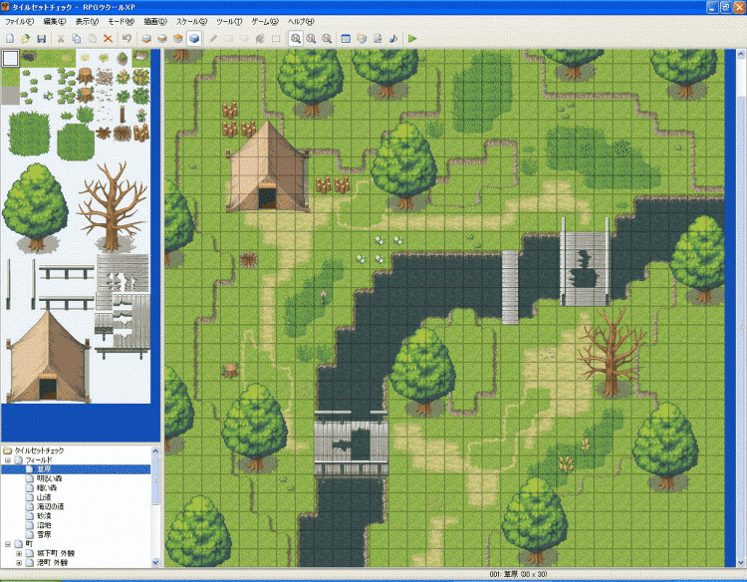
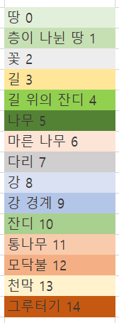
5 | 5 | 1 | 1 | 1 | 1 | 5 | 5 | 5 | 5 | 5 | 5 | 5 | 5 | 0 | 0 | 10 | 10 | 10 | 1 | 5 | 5 | 5 | 5 | 0 | 0 | 5 | 5 | 5 | 5
0 | 1 | 1 | 0 | 0 | 1 | 5 | 5 | 5 | 5 | 5 | 5 | 5 | 5 | 1 | 10 | 10 | 10 | 10 | 0 | 5 | 5 | 5 | 5 | 0 | 0 | 5 | 5 | 5 | 5
0 | 1 | 0 | 0 | 0 | 1 | 5 | 5 | 5 | 5 | 5 | 5 | 5 | 5 | 1 | 10 | 10 | 10 | 10 | 0 | 1 | 1 | 1 | 1 | 1 | 1 | 5 | 5 | 5 | 5
0 | 1 | 0 | 11 | 0 | 1 | 5 | 5 | 5 | 5 | 0 | 0 | 1 | 1 | 1 | 10 | 10 | 10 | 10 | 0 | 0 | 10 | 0 | 0 | 0 | 1 | 1 | 0 | 0 | 0
1 | 1 | 0 | 13 | 13 | 13 | 13 | 13 | 0 | 0 | 0 | 5 | 5 | 5 | 5 | 10 | 10 | 10 | 0 | 0 | 10 | 10 | 10 | 10 | 0 | 0 | 1 | 1 | 1 | 0
1 | 0 | 0 | 13 | 13 | 13 | 13 | 13 | 1 | 1 | 1 | 5 | 5 | 5 | 5 | 0 | 0 | 1 | 1 | 10 | 10 | 10 | 10 | 10 | 10 | 10 | 0 | 10 | 1 | 0
1 | 10 | 0 | 13 | 13 | 13 | 13 | 13 | 0 | 1 | 1 | 5 | 5 | 5 | 5 | 1 | 1 | 1 | 1 | 10 | 10 | 10 | 10 | 10 | 10 | 10 | 10 | 0 | 1 | 0
5 | 5 | 0 | 13 | 13 | 13 | 13 | 13 | 11 | 11 | 4 | 5 | 5 | 5 | 5 | 1 | 1 | 1 | 1 | 0 | 3 | 3 | 10 | 10 | 10 | 10 | 10 | 0 | 1 | 1
5 | 5 | 0 | 13 | 13 | 13 | 13 | 13 | 3 | 4 | 4 | 5 | 5 | 5 | 5 | 1 | 1 | 0 | 3 | 3 | 3 | 3 | 3 | 0 | 10 | 9 | 9 | 9 | 9 | 9
5 | 5 | 0 | 0 | 3 | 3 | 3 | 3 | 3 | 4 | 4 | 4 | 3 | 3 | 3 | 3 | 3 | 3 | 3 | 0 | 0 | 7 | 7 | 7 | 9 | 9 | 8 | 5 | 5 | 5
5 | 5 | 1 | 0 | 0 | 3 | 3 | 3 | 0 | 0 | 0 | 2 | 2 | 0 | 0 | 0 | 10 | 0 | 0 | 9 | 9 | 7 | 7 | 7 | 9 | 8 | 8 | 5 | 5 | 5
5 | 5 | 1 | 1 | 12 | 0 | 3 | 3 | 10 | 10 | 2 | 2 | 9 | 9 | 9 | 9 | 9 | 9 | 7 | 9 | 8 | 7 | 7 | 7 | 8 | 9 | 9 | 5 | 5 | 5
0 | 0 | 1 | 1 | 0 | 3 | 3 | 10 | 10 | 10 | 0 | 9 | 9 | 8 | 8 | 8 | 8 | 8 | 7 | 8 | 8 | 7 | 7 | 7 | 9 | 9 | 0 | 5 | 5 | 5
0 | 0 | 1 | 0 | 0 | 3 | 10 | 10 | 10 | 0 | 9 | 9 | 8 | 8 | 8 | 8 | 8 | 8 | 7 | 9 | 9 | 7 | 7 | 7 | 9 | 0 | 0 | 5 | 5 | 5
0 | 1 | 1 | 0 | 0 | 3 | 10 | 10 | 10 | 0 | 9 | 8 | 8 | 9 | 9 | 9 | 9 | 9 | 7 | 9 | 0 | 0 | 6 | 6 | 6 | 6 | 1 | 1 | 0 | 0
0 | 1 | 0 | 0 | 4 | 3 | 10 | 10 | 0 | 9 | 9 | 8 | 5 | 5 | 5 | 5 | 1 | 1 | 0 | 0 | 0 | 3 | 6 | 6 | 6 | 6 | 1 | 0 | 0 | 0
0 | 1 | 0 | 0 | 4 | 4 | 0 | 10 | 10 | 9 | 8 | 8 | 5 | 5 | 5 | 5 | 0 | 1 | 0 | 3 | 3 | 3 | 6 | 6 | 6 | 6 | 1 | 0 | 0 | 0
5 | 5 | 0 | 14 | 4 | 4 | 4 | 0 | 9 | 9 | 8 | 8 | 5 | 5 | 5 | 5 | 0 | 1 | 0 | 3 | 3 | 3 | 6 | 6 | 6 | 6 | 0 | 0 | 0 | 0
5 | 5 | 0 | 5 | 5 | 5 | 5 | 2 | 9 | 8 | 8 | 9 | 5 | 5 | 5 | 5 | 1 | 1 | 0 | 4 | 4 | 3 | 6 | 6 | 6 | 6 | 1 | 0 | 0 | 0
5 | 5 | 1 | 5 | 5 | 5 | 5 | 0 | 7 | 7 | 7 | 7 | 5 | 5 | 5 | 5 | 1 | 0 | 4 | 4 | 4 | 3 | 3 | 10 | 10 | 5 | 5 | 5 | 5 | 0
5 | 5 | 1 | 5 | 5 | 5 | 5 | 0 | 7 | 7 | 7 | 7 | 3 | 3 | 0 | 0 | 0 | 0 | 4 | 4 | 4 | 0 | 10 | 10 | 10 | 5 | 5 | 5 | 5 | 0
5 | 5 | 0 | 5 | 5 | 5 | 5 | 3 | 7 | 7 | 7 | 7 | 3 | 3 | 3 | 3 | 4 | 4 | 4 | 3 | 10 | 10 | 10 | 10 | 0 | 5 | 5 | 5 | 5 | 0
0 | 0 | 0 | 5 | 5 | 5 | 5 | 0 | 7 | 7 | 7 | 7 | 0 | 3 | 3 | 3 | 4 | 4 | 4 | 10 | 10 | 10 | 10 | 10 | 1 | 5 | 5 | 5 | 5 | 0
0 | 0 | 0 | 1 | 1 | 0 | 10 | 0 | 7 | 7 | 7 | 7 | 0 | 0 | 0 | 0 | 3 | 3 | 5 | 5 | 5 | 5 | 1 | 1 | 1 | 5 | 5 | 5 | 5 | 0
5 | 5 | 5 | 5 | 1 | 0 | 0 | 0 | 9 | 8 | 8 | 9 | 0 | 0 | 0 | 0 | 3 | 3 | 5 | 5 | 5 | 5 | 1 | 0 | 0 | 0 | 0 | 0 | 0 | 0
5 | 5 | 5 | 5 | 1 | 1 | 0 | 9 | 9 | 8 | 8 | 9 | 0 | 0 | 3 | 3 | 0 | 0 | 5 | 5 | 5 | 5 | 0 | 0 | 0 | 0 | 0 | 0 | 0 | 0
5 | 5 | 5 | 5 | 0 | 1 | 1 | 9 | 8 | 8 | 9 | 9 | 0 | 0 | 3 | 0 | 0 | 0 | 5 | 5 | 5 | 5 | 0 | 0 | 0 | 0 | 0 | 0 | 0 | 0
5 | 5 | 5 | 5 | 0 | 0 | 1 | 9 | 8 | 8 | 9 | 0 | 0 | 3 | 3 | 0 | 0 | 0 | 5 | 5 | 5 | 5 | 0 | 0 | 0 | 0 | 0 | 0 | 0 | 0

