BT1
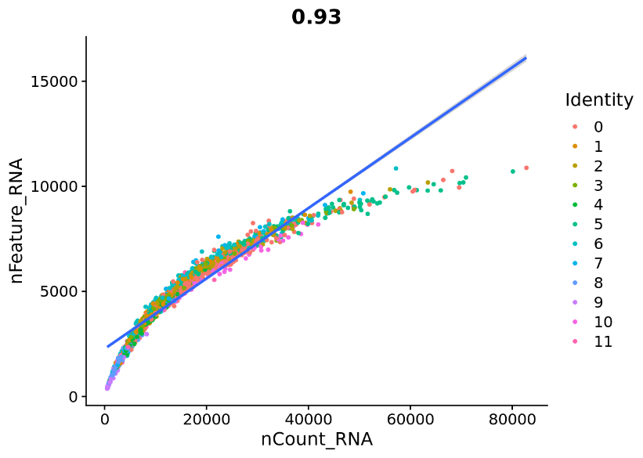
Diff |  |  |  | Prolif
 | features | samples | cells out |  | features | samples | cells out
before filtering | 28186 | 6502 | 1869 | before filtering | 25726 | 2569 | 462
after filtering |  | 4633 | 29% | after filtering |  | 2107 | 18%

before filtering
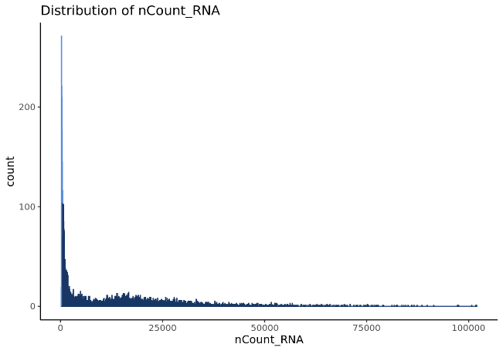
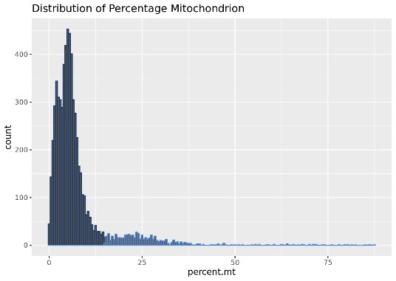
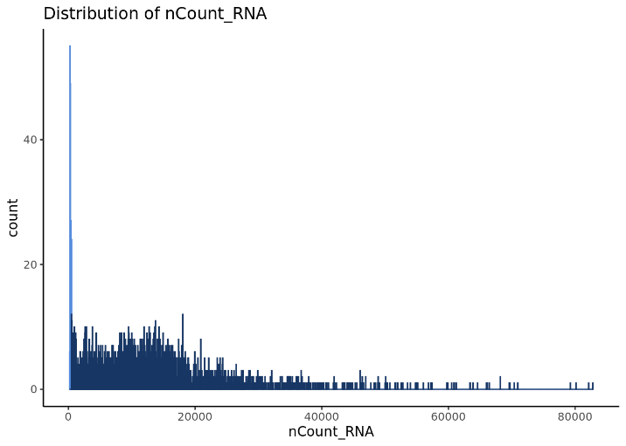
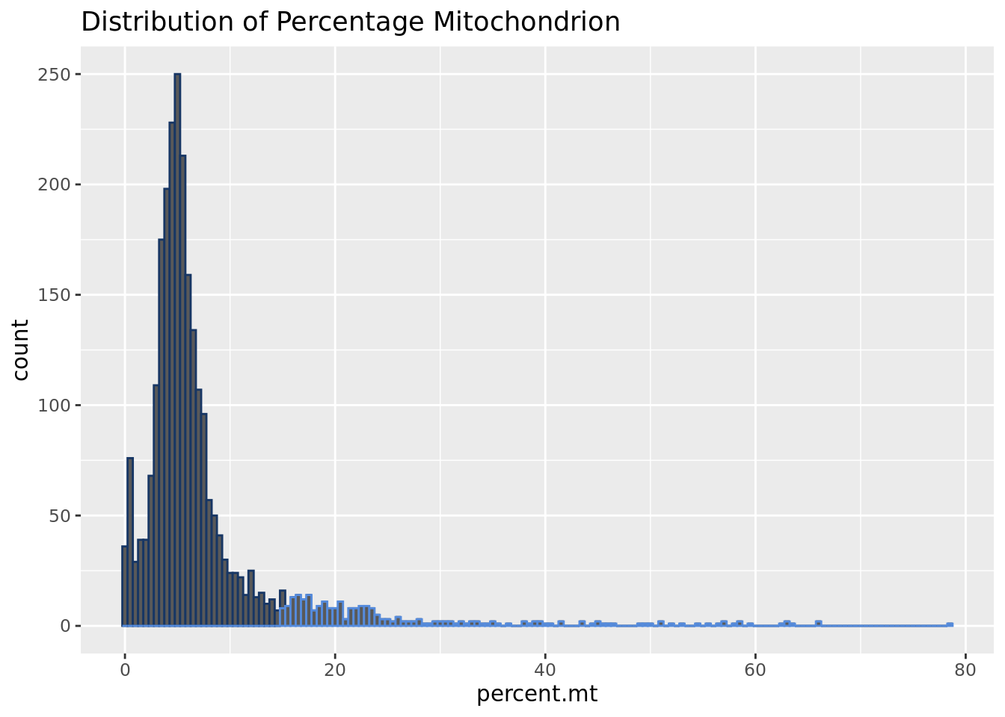

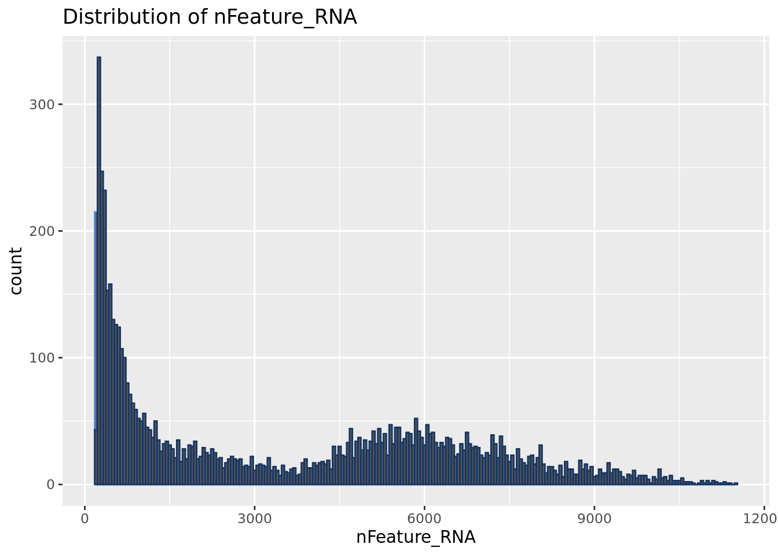
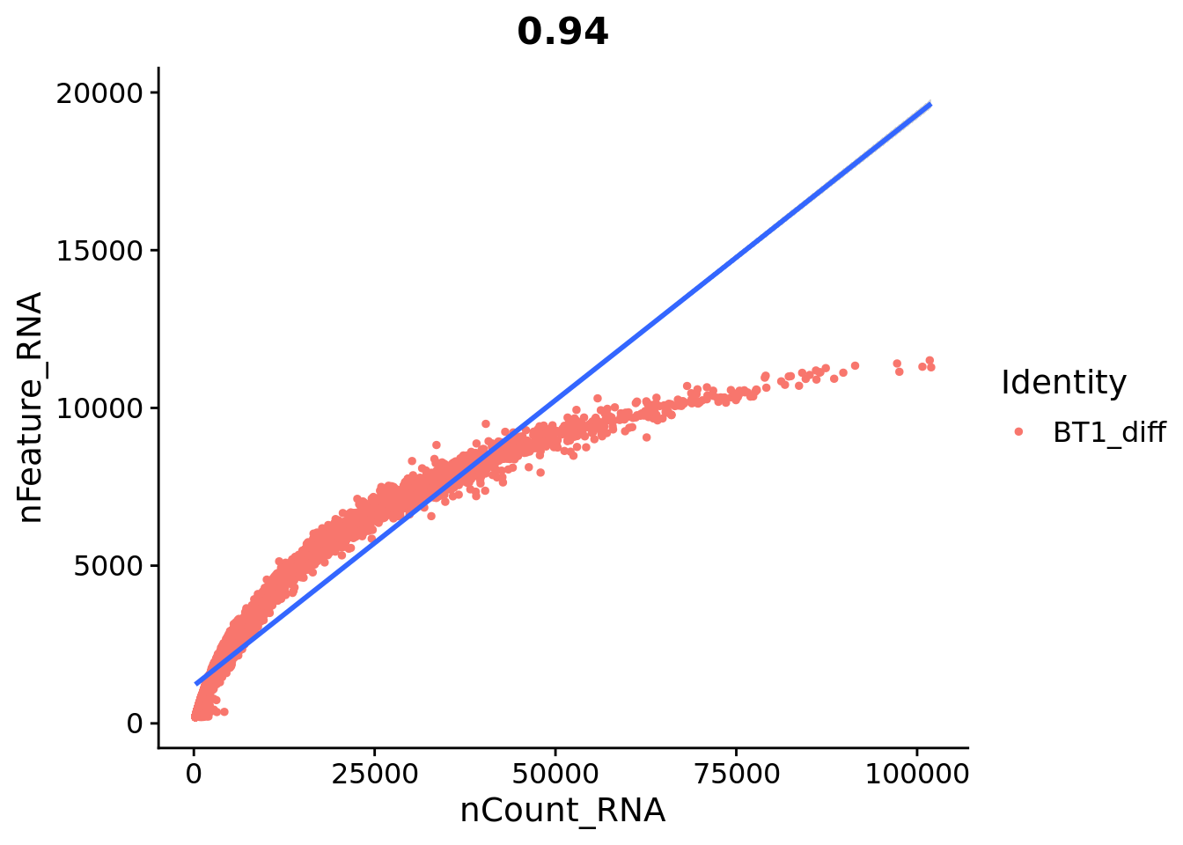
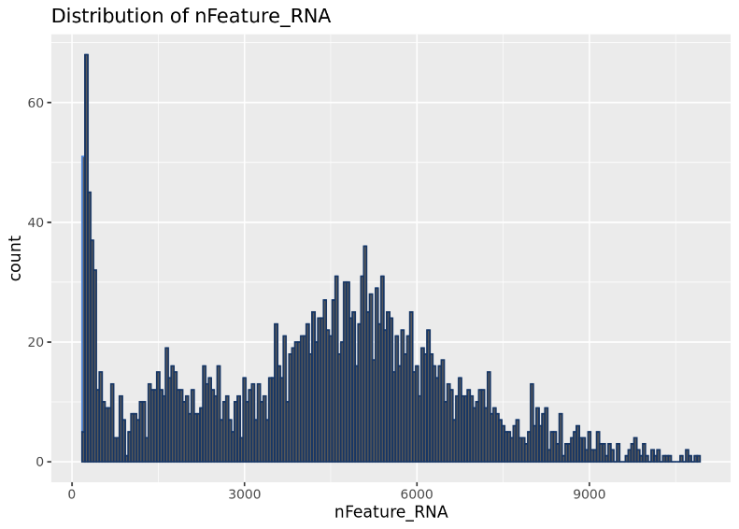
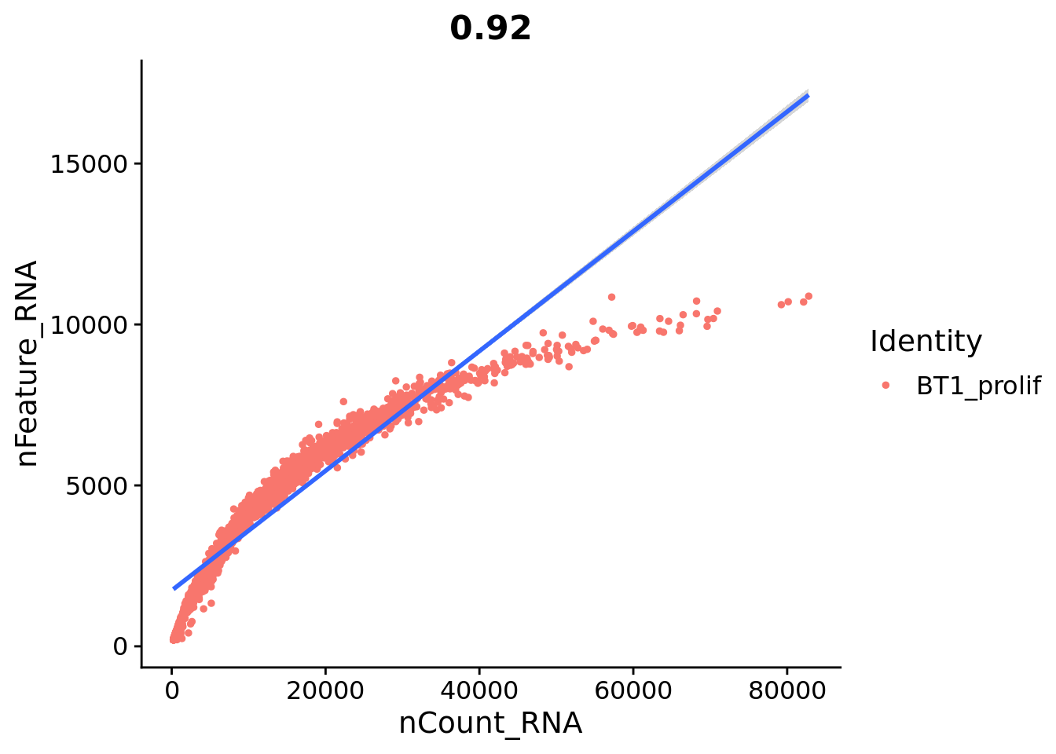

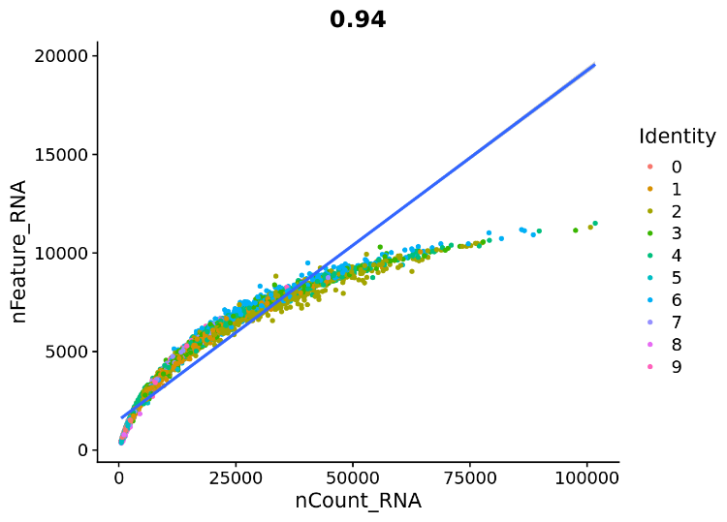
After filtering |  |  |  | After filtering

BT2
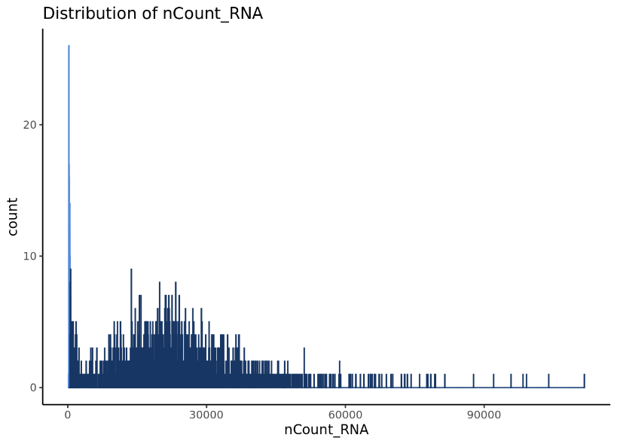
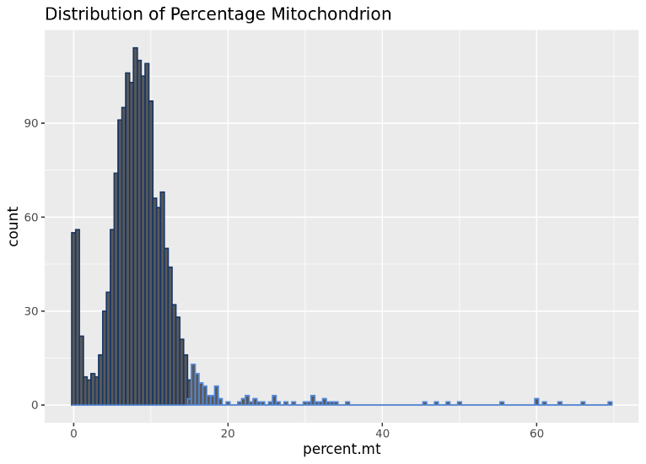
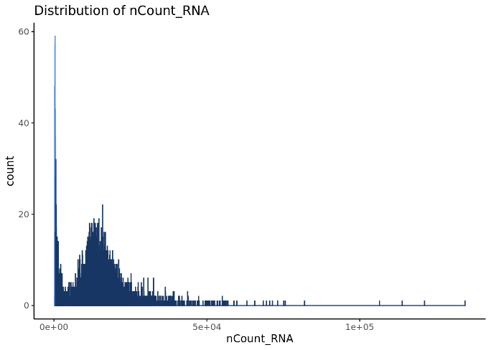
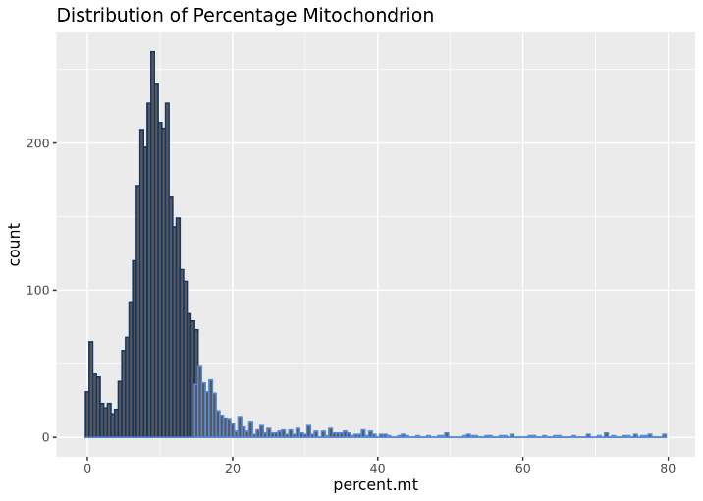
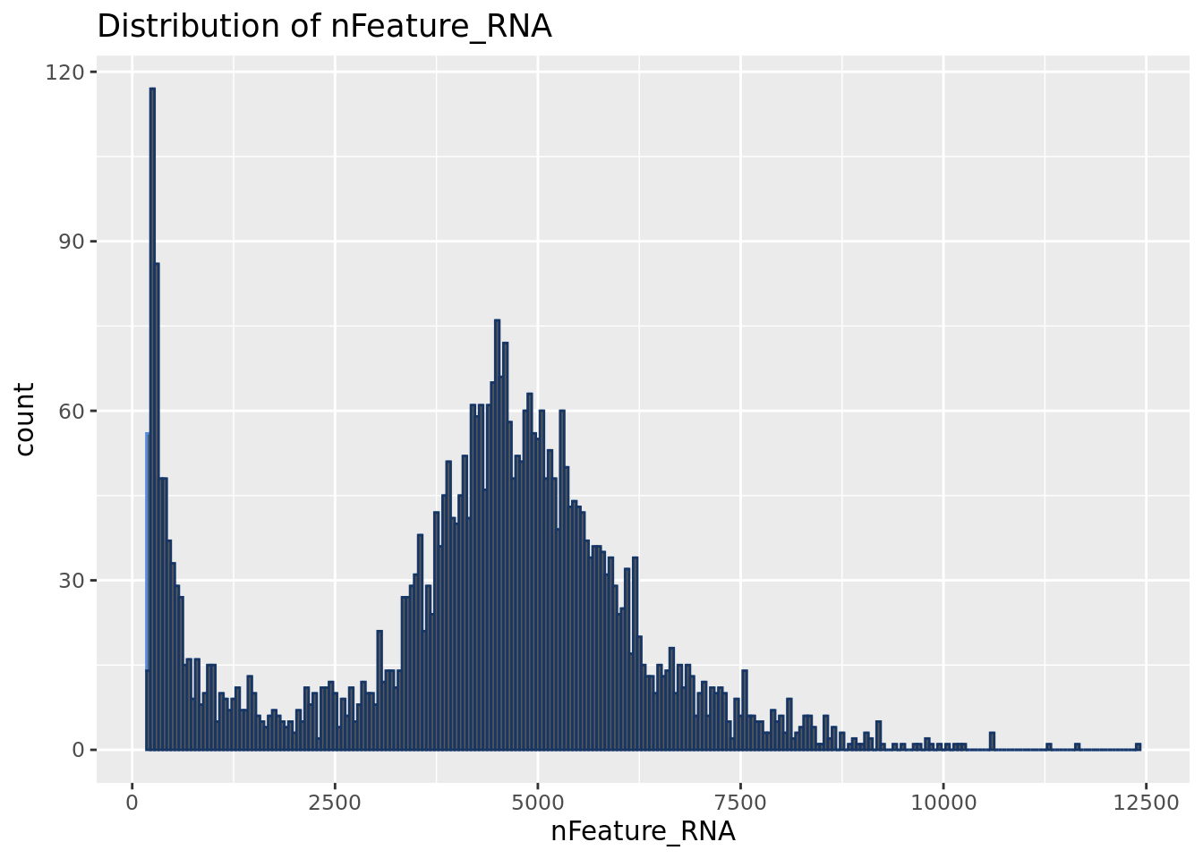
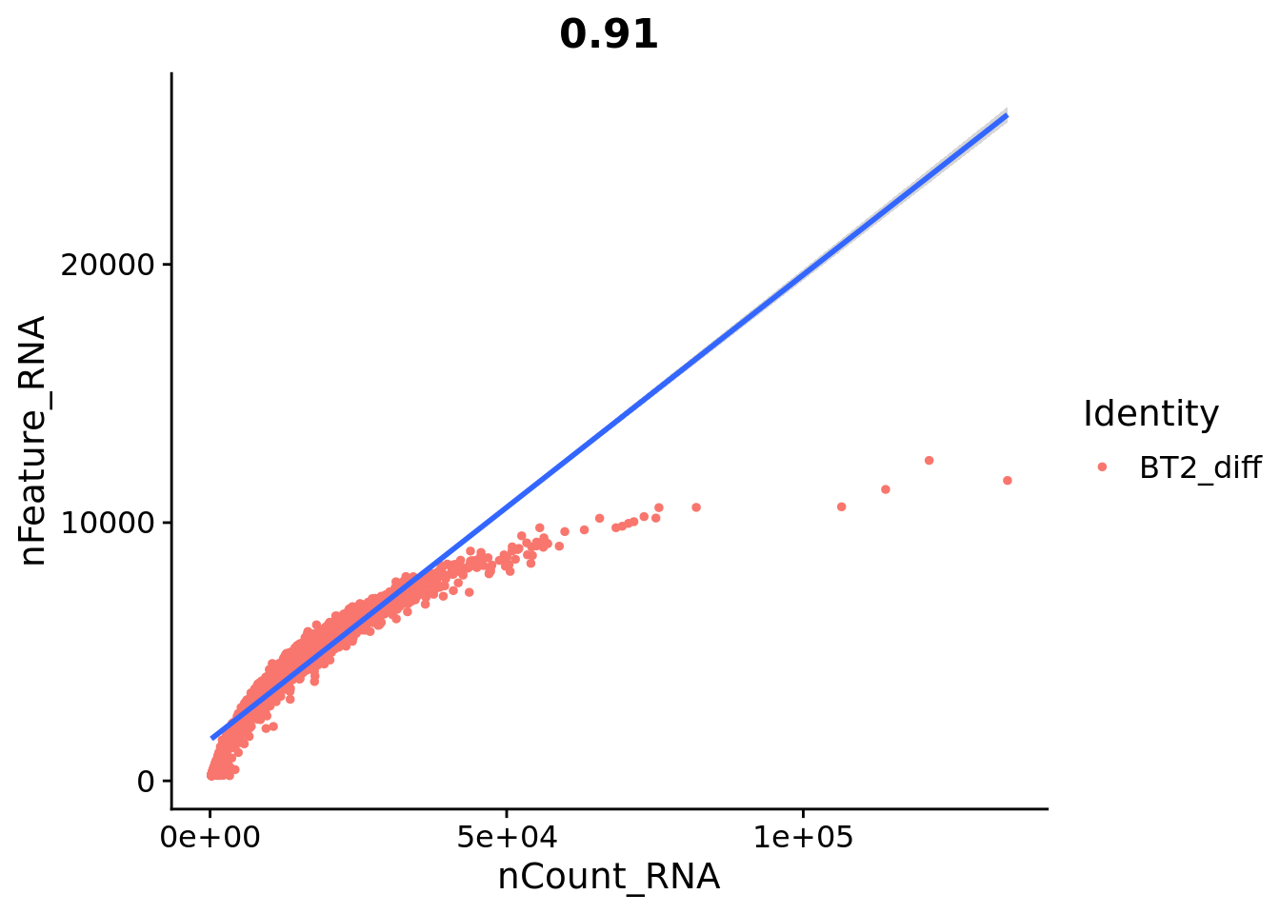
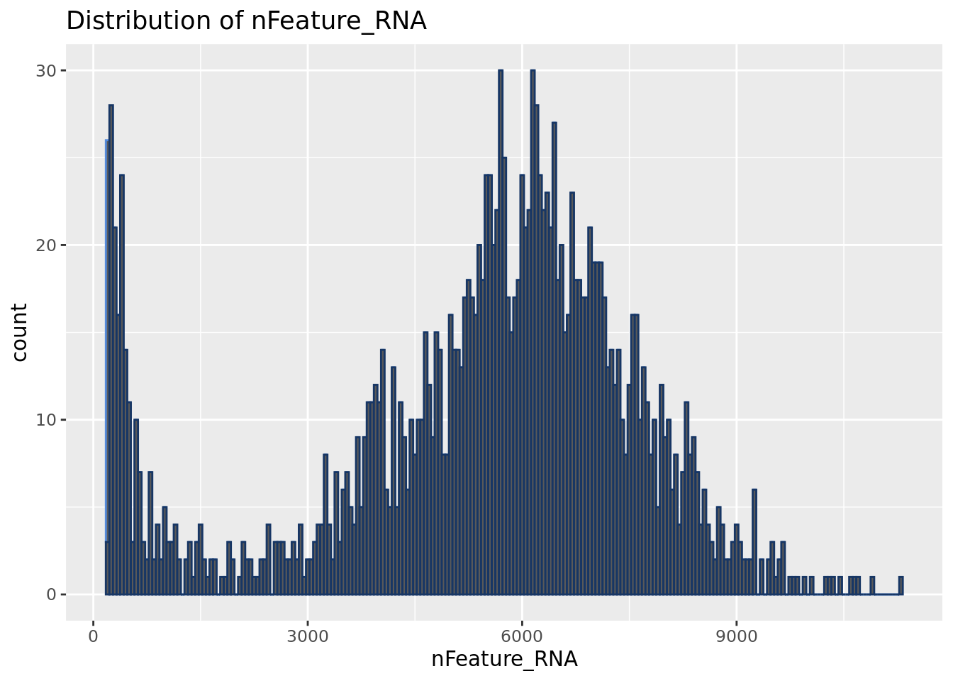
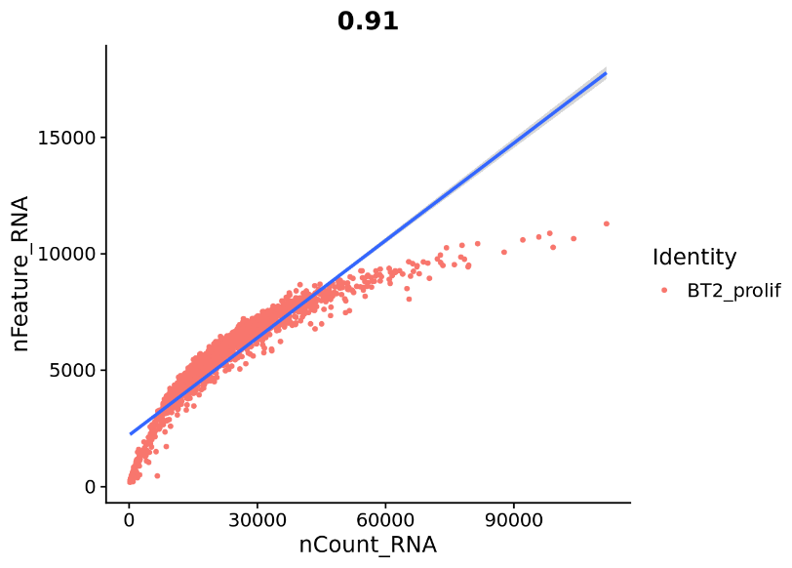
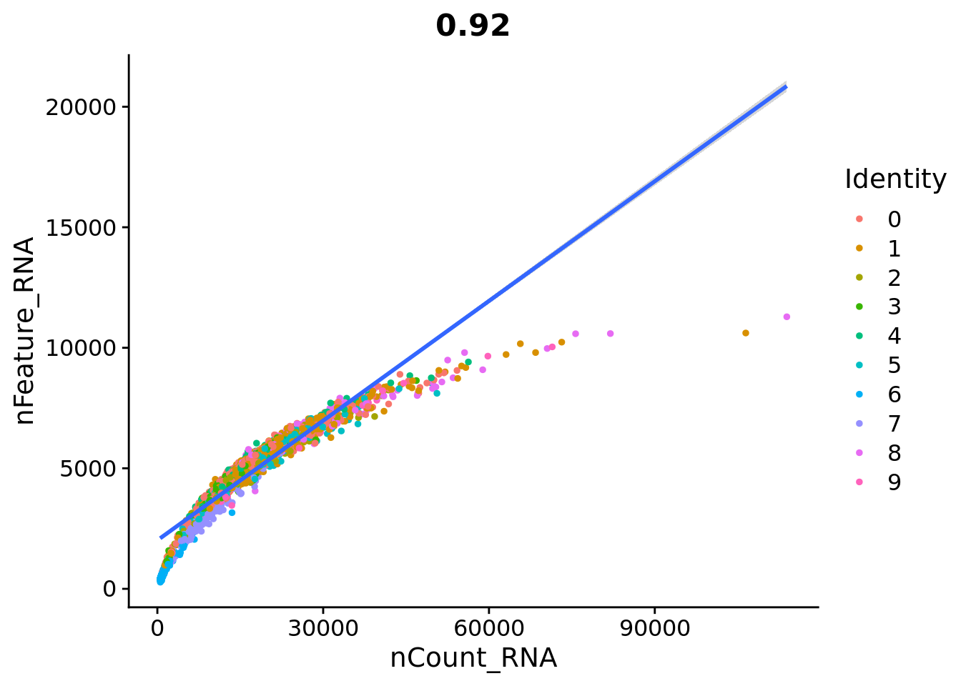
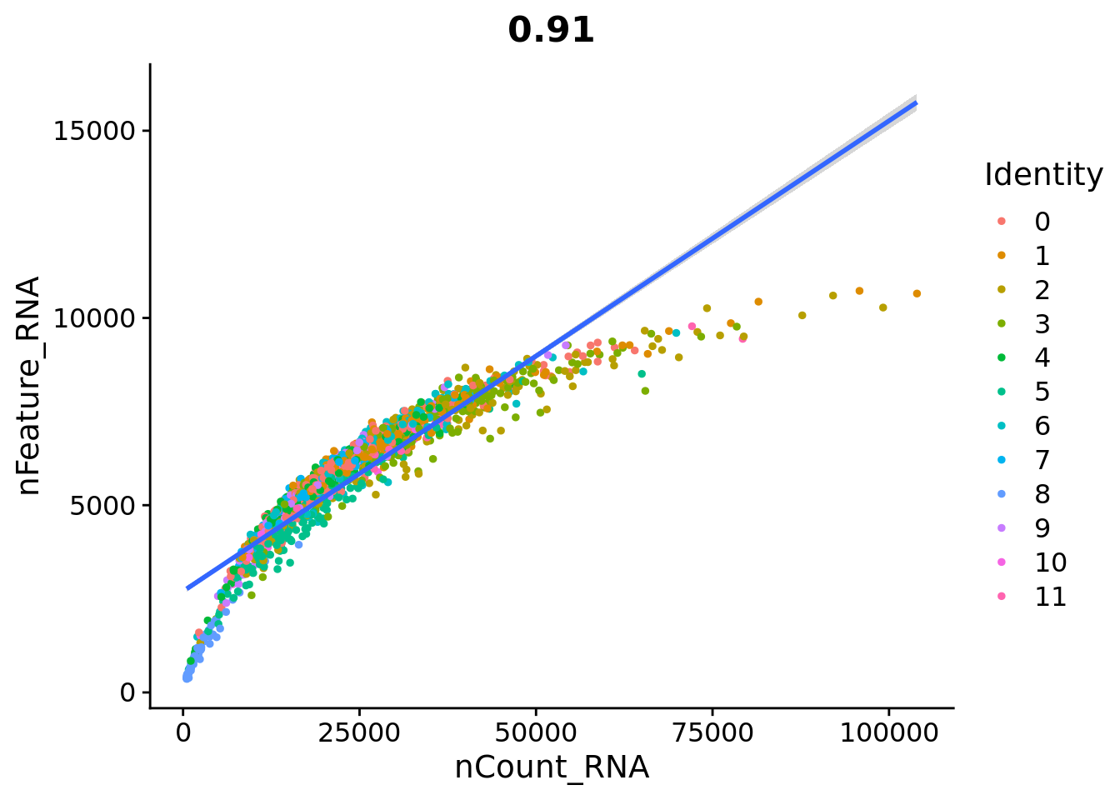
Diff |  |  |  | Prolif
 | features | samples | cells out |  | features | samples | cells out
before filtering | 26817 | 3984 | 765 | before filtering | 25000 | 1800 | 192
after filtering |  | 3219 | 19% | after filtering |  | 1608 | 11%

before filtering |  |  |  | before filtering

BT54
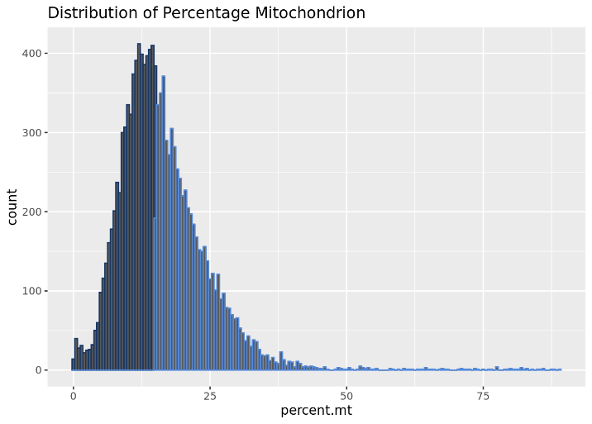
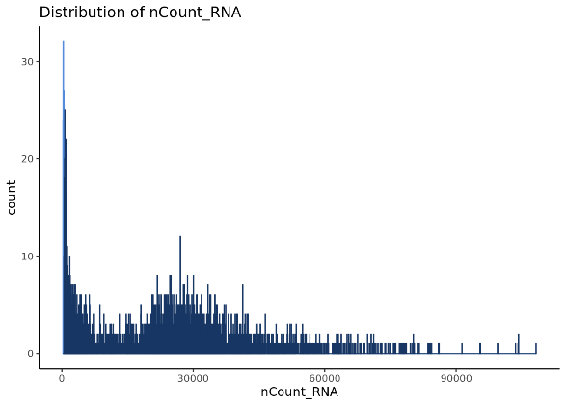
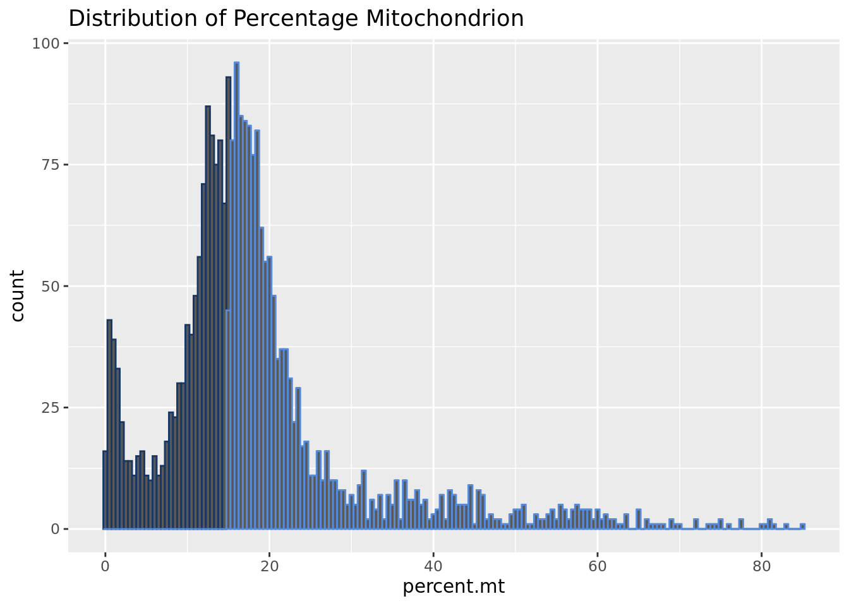
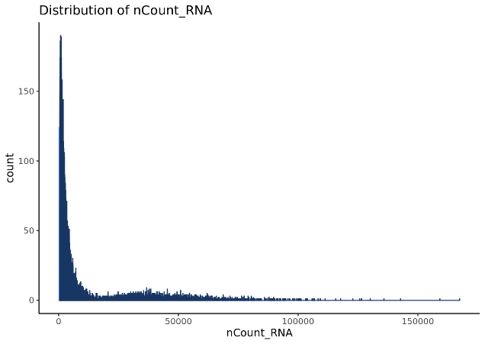
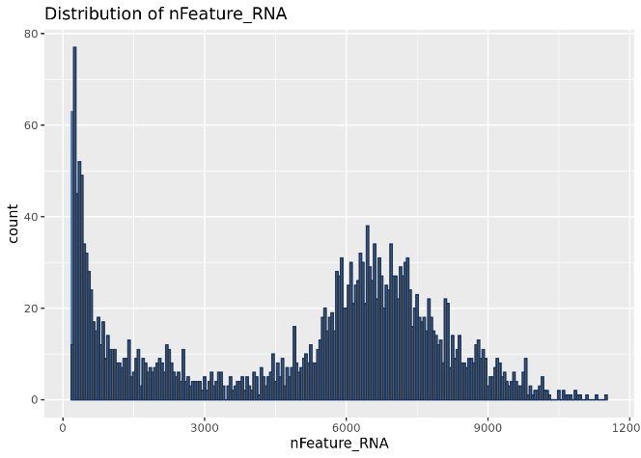
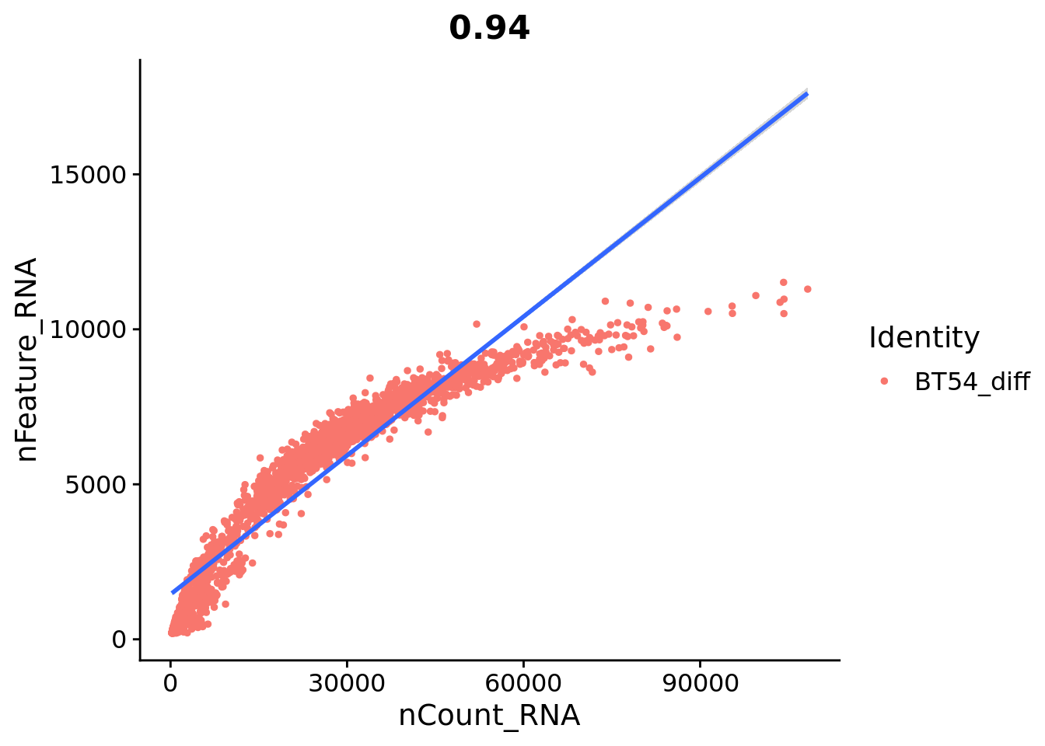
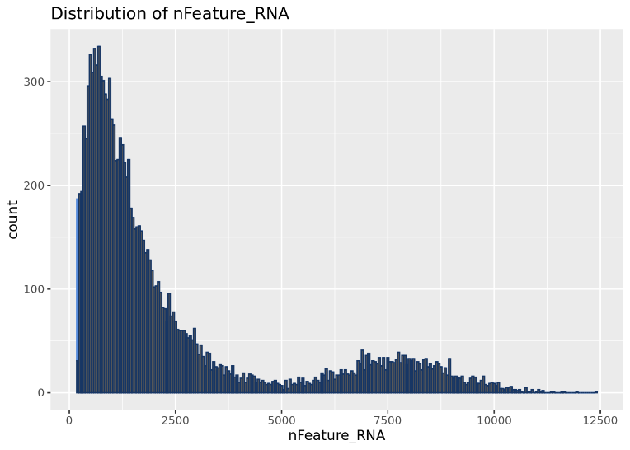
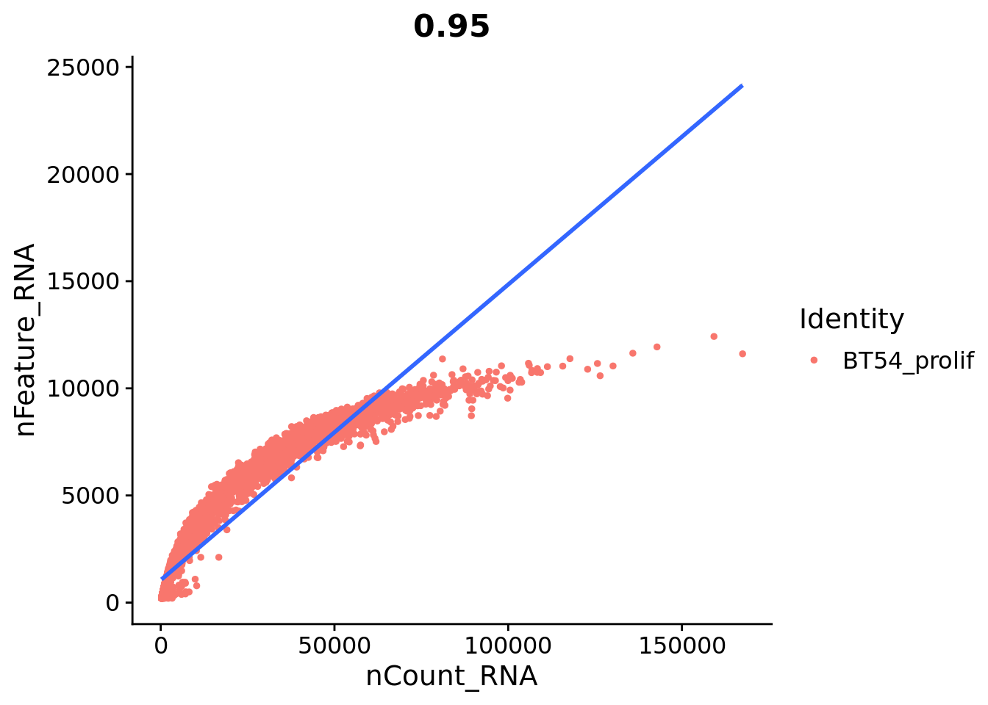
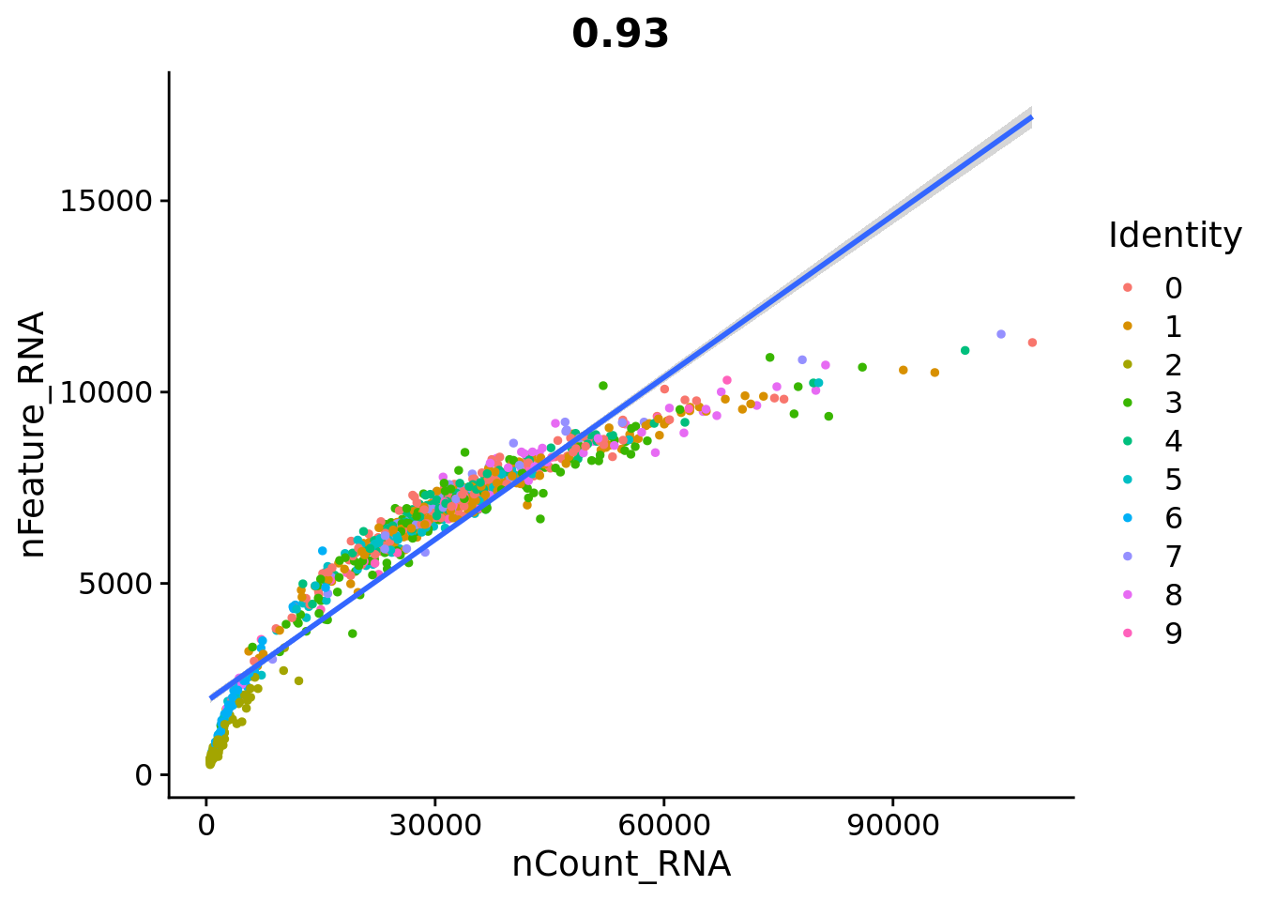
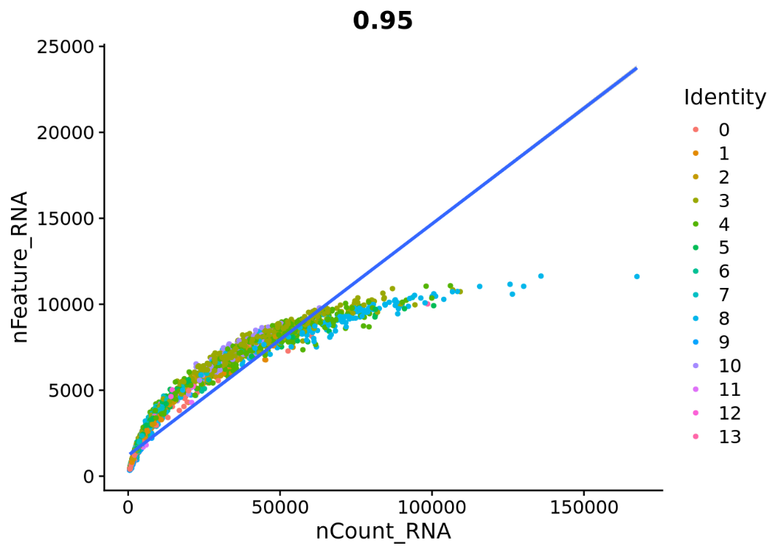
Diff |  |  |  | Prolif
 | features | samples | cells out |  | features | samples | cells out
before filtering | 26841 | 2607 | 1628 | before filtering | 28556 | 12625 | 6993
after filtering |  | 979 | 62% | after filtering |  | 5632 | 55%

before filtering |  |  |  | before filtering

BT88
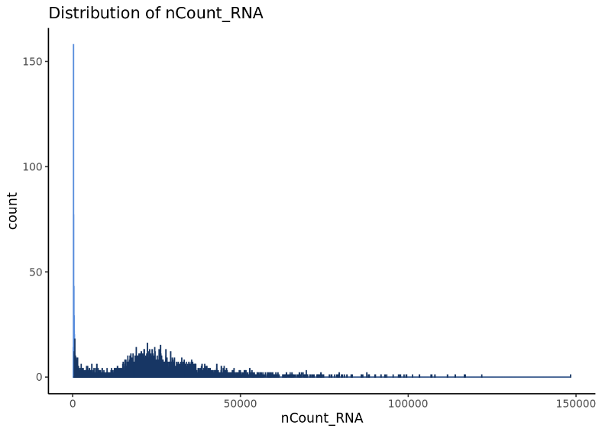
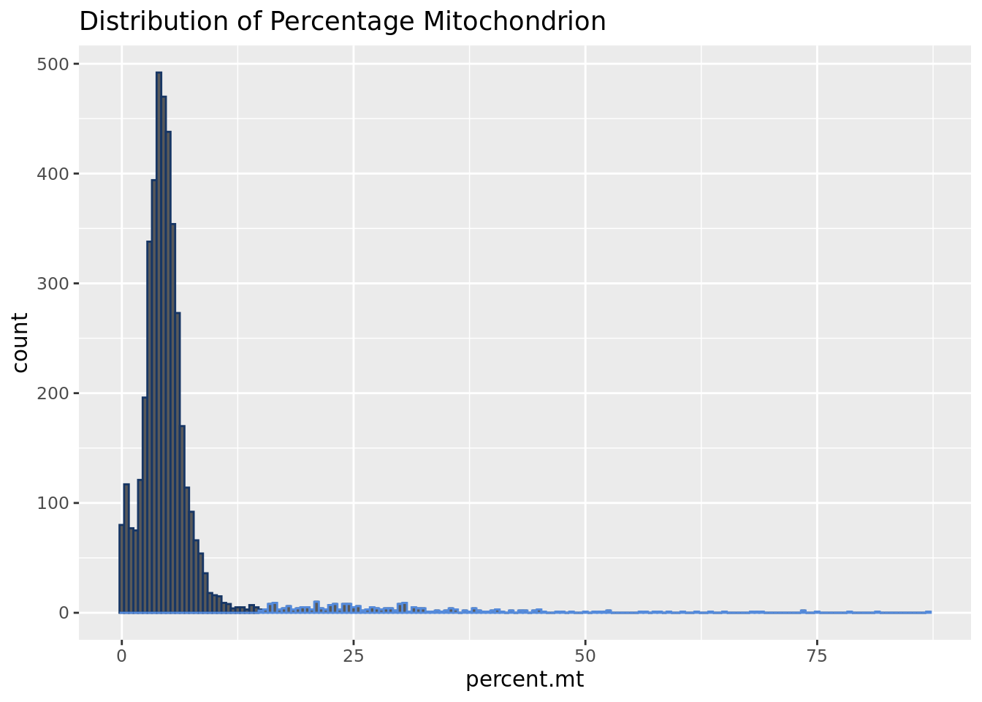
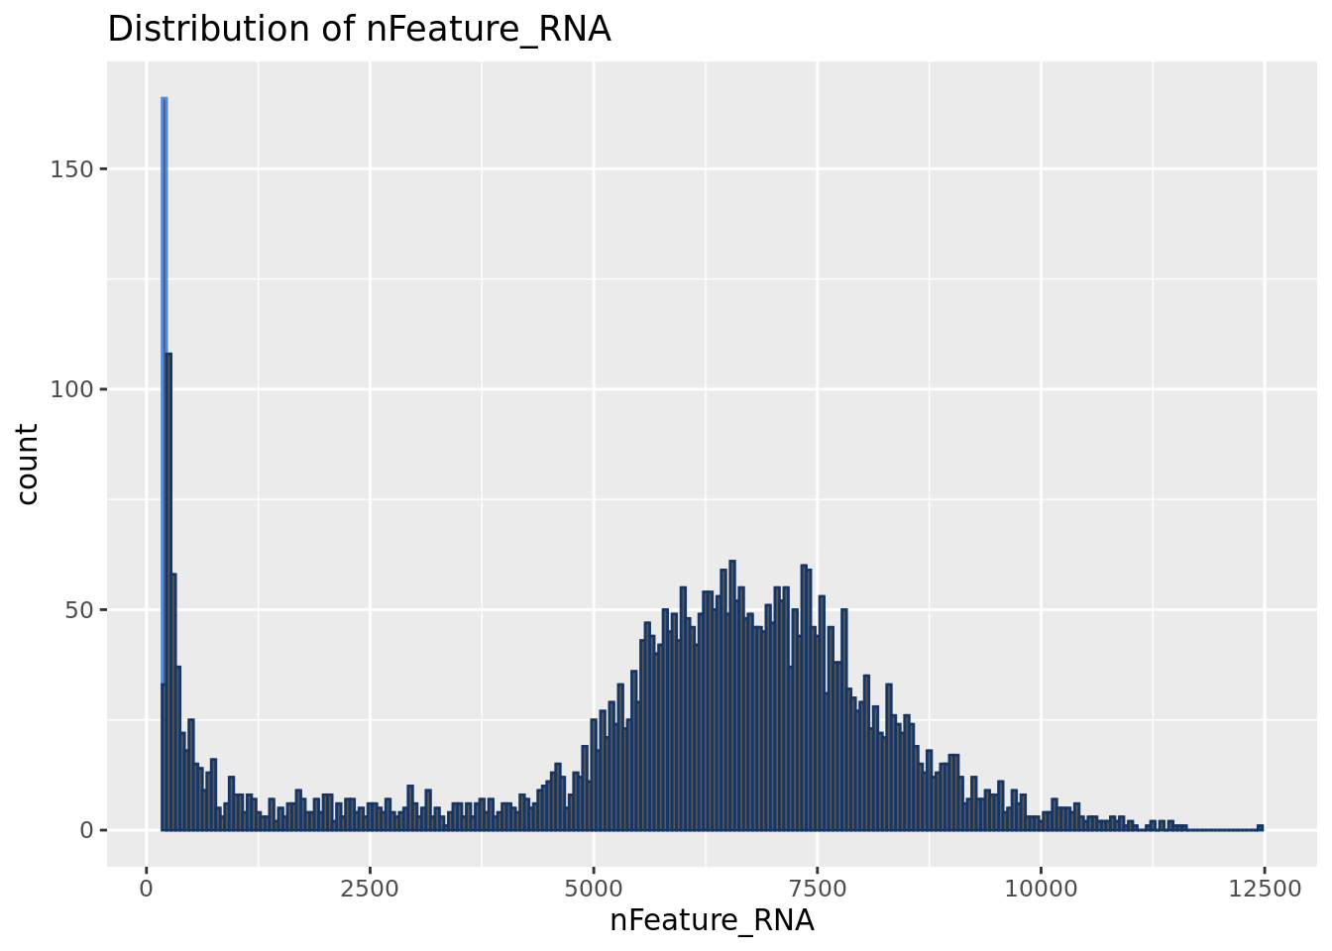
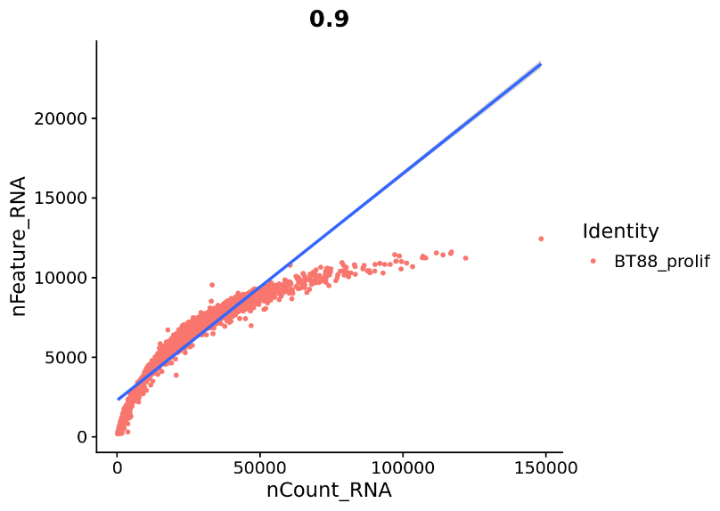
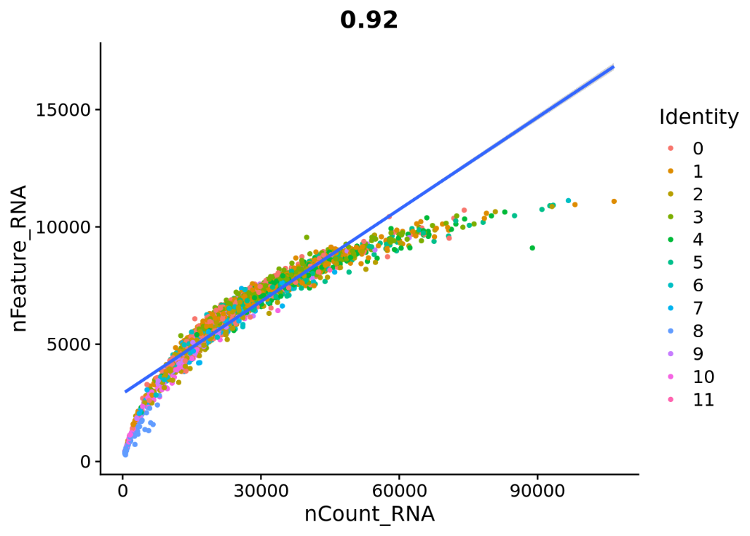
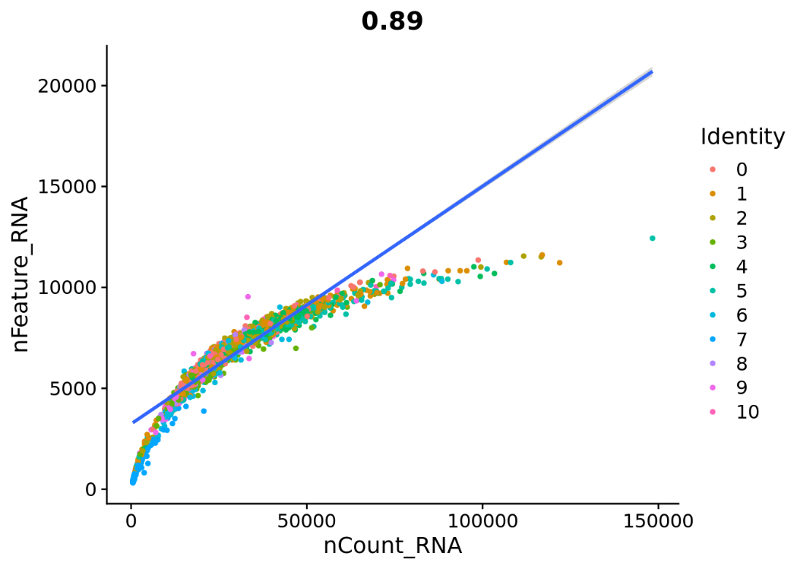
Diff |  |  |  | Prolif
 | features | samples | cells out |  | features | samples | cells out
before filtering | 28799 | 4298 | 686 | before filtering | 28799 | 4298 | 652
after filtering |  | 3612 | 16% | after filtering |  | 3646 | 15%

before filtering |  |  |  | before filtering

LGG85
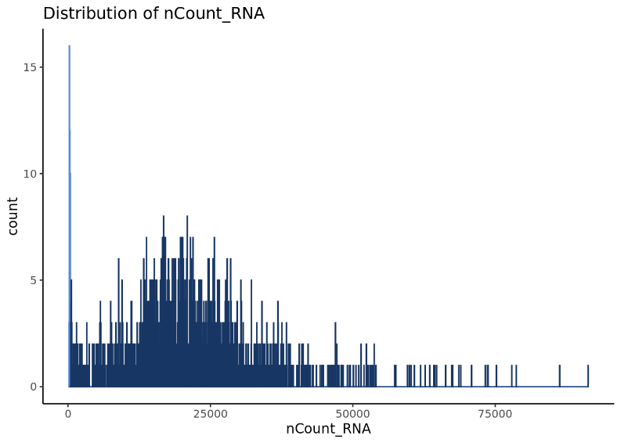
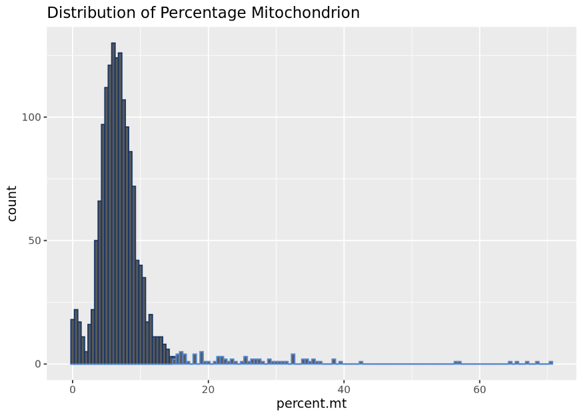
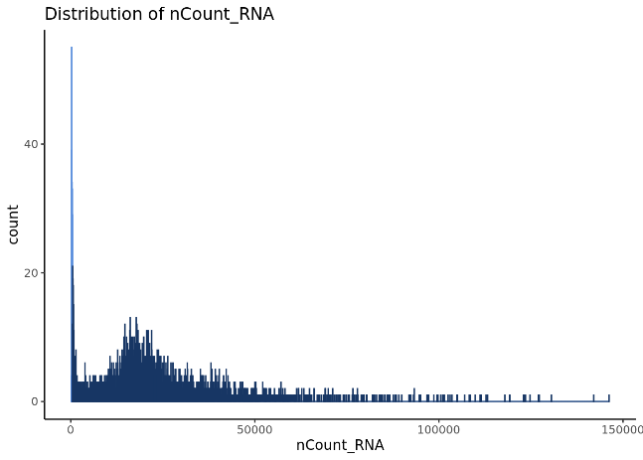
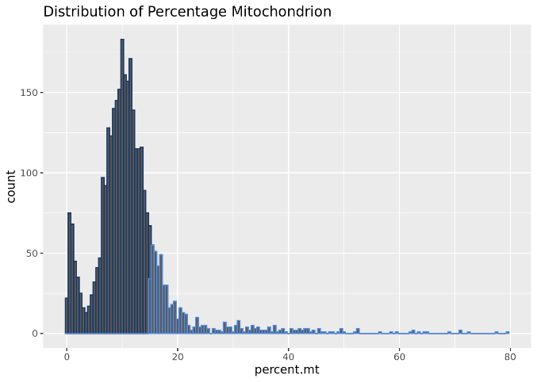
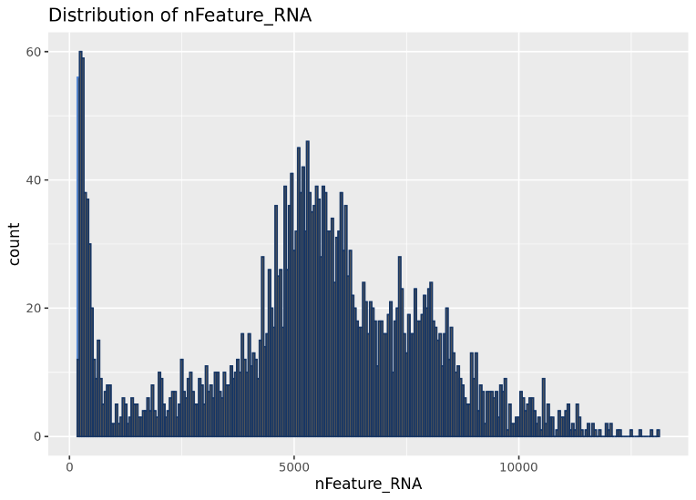
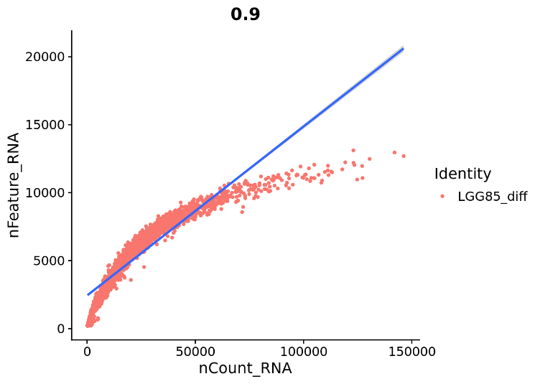
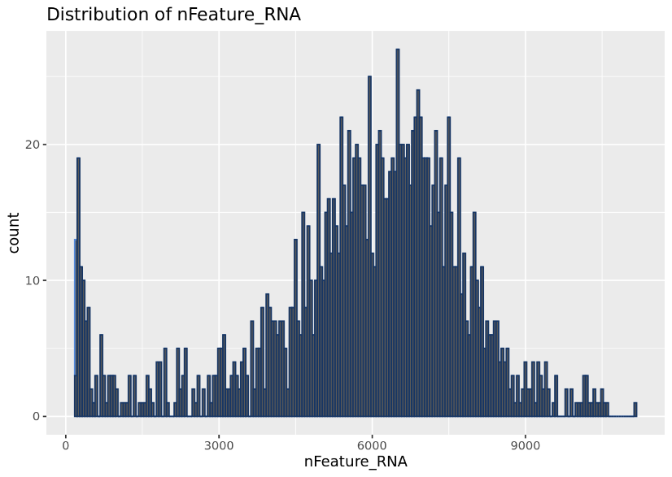
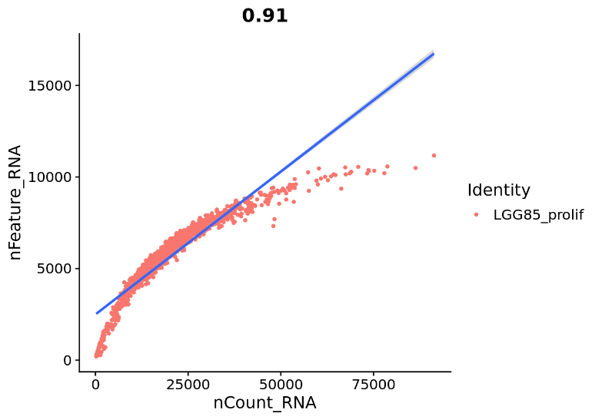
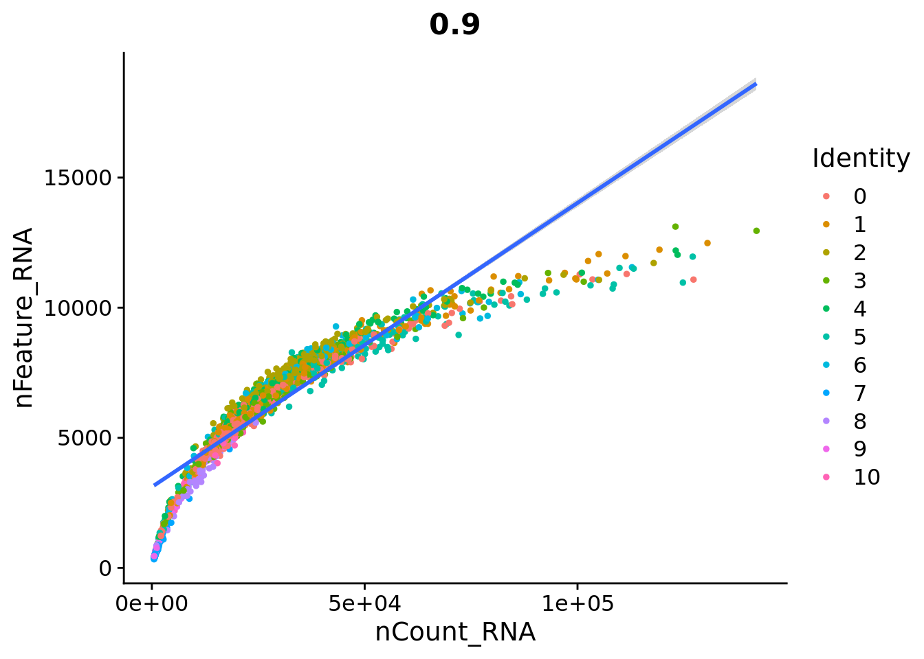
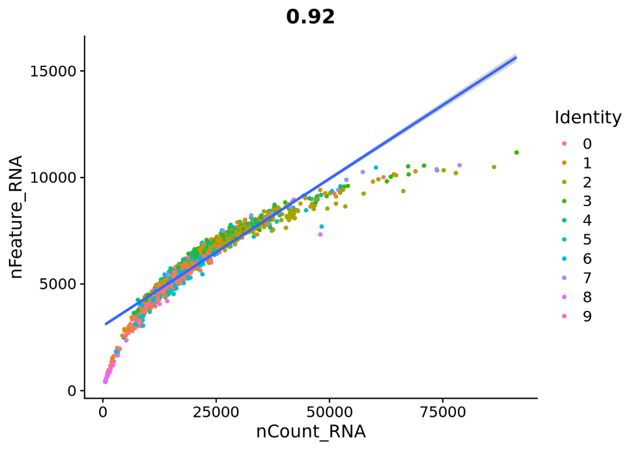
Diff |  |  |  | Prolif
 | features | samples | cells out |  | features | samples | cells out
before filtering | 28541 | 3258 | 787 | before filtering | 25121 | 1586 | 140
after filtering |  | 2471 | 24% | after filtering |  | 1446 | 9%

before filtering |  |  |  | before filtering

LGG275
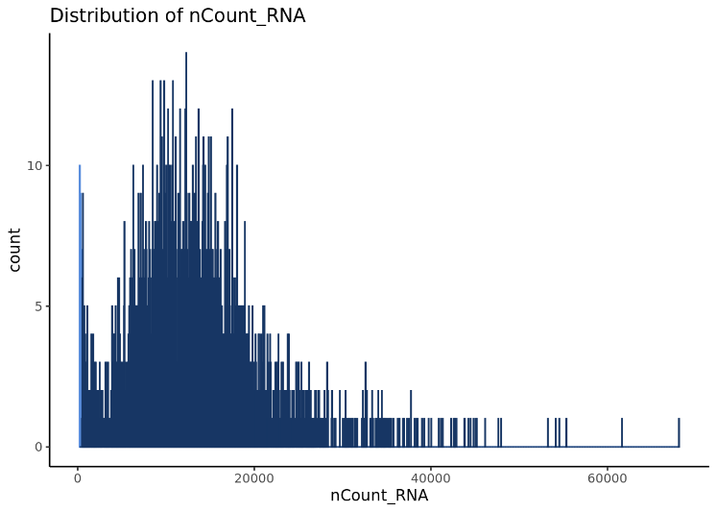
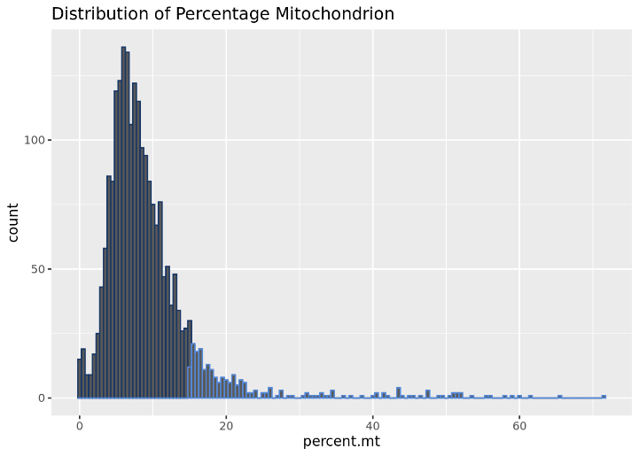
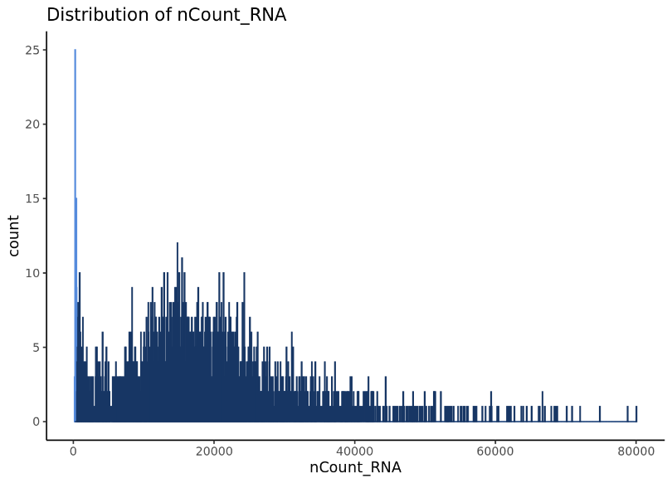
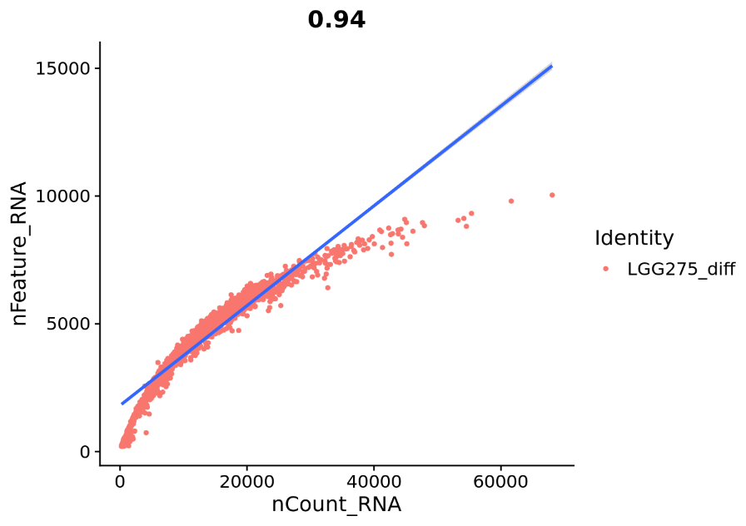





Diff |  |  |  | Prolif
 | features | samples | cells out |  | features | samples | cells out
before filtering | 25626 | 2239 | 299 | before filtering | 26360 | 2629 | 249
after filtering |  | 1940 | 13% | after filtering |  | 2380 | 9%


before filtering |  |  |  | before filtering

LGG336








Diff |  |  |  | Prolif
 | features | samples | cells out |  | features | samples | cells out
before filtering | 28186 | 6502 | 1301 | before filtering | 28528 | 4860 | 1137
after filtering |  | 5201 | 20% | after filtering |  | 3723 | 23%


before filtering |  |  |  | before filtering

LGG349










Diff |  |  |  | Prolif
 | features | samples | cells out |  | features | samples | cells out
before filtering | 29131 | 3366 | 543 | before filtering | 28556 | 12625 | 8979
after filtering |  | 2823 | 16% | after filtering |  | 3646 | 71%

before filtering |  |  |  | before filtering

