unemployment
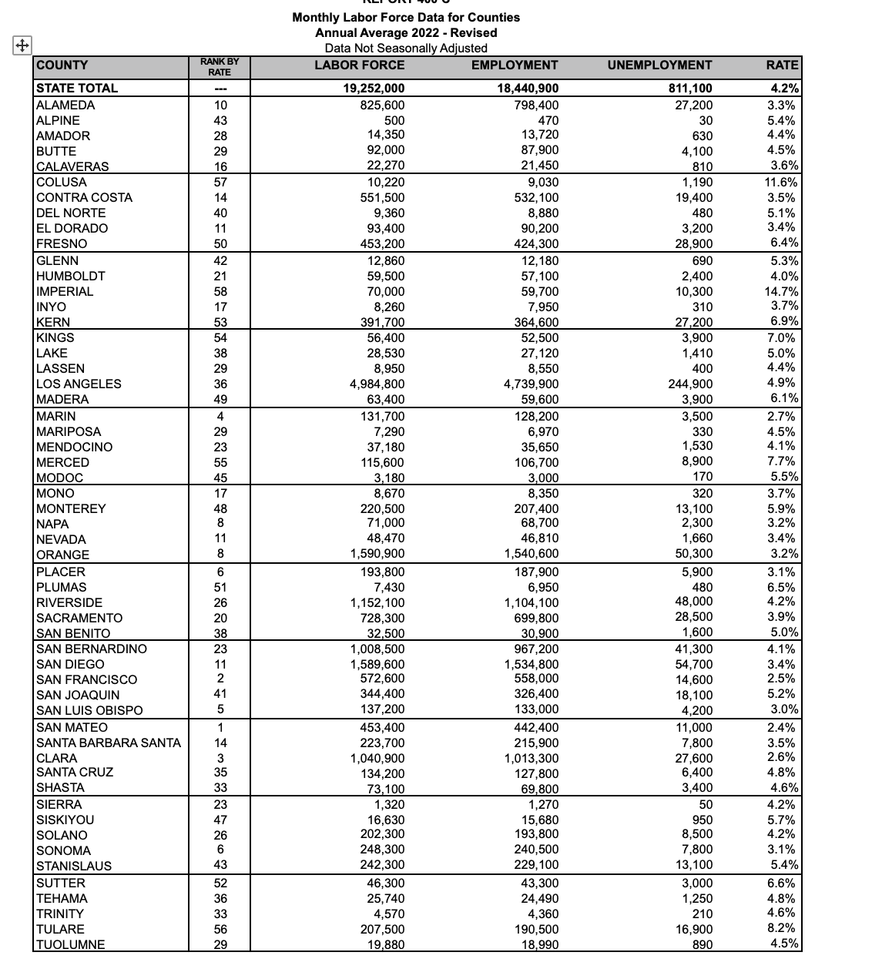
COUNTY | RANK BY RATE | LABOR FORCE | EMPLOYMENT | UNEMPLOYMENT | RATE
STATE TOTAL | --- | 19,252,000 | 18,440,900 | 811,100 | 4.20%
ALAMEDA | 10 | 825,600 | 798,400 | 27,200 | 3.3% 5.4% 4.4% 4.5%
ALPINE | 43 | 500 14,350 | 470 13,720 | 30 | 3.60%
AMADOR | 28 | 92,000 | 87,900 | 630
BUTTE | 29 | 22,270 | 21,450 | 4,100 810
CALAVERAS | 16
COLUSA | 57 | 10,220 | 9,030 | 1,190 | 11.60%
CONTRA COSTA | 14 | 551,500 | 532,100 | 19,400 | 3.5% 5.1% 3.4%
DEL NORTE | 40 | 9,360 | 8,880 | 480 | 6.40%
EL DORADO | 11 | 93,400 453,200 | 90,200 424,300 | 3,200 28,900
FRESNO | 50
GLENN | 42 | 12,860 | 12,180 | 690 | 5.30%
HUMBOLDT | 21 | 59,500 | 57,100 | 2,400 | 4.00%
IMPERIAL | 58 | 70,000 | 59,700 | 10,300 | 14.7% 3.7%
INYO | 17 | 8,260 391,700 | 7,950 364,600 | 310 27,200 | 6.90%
KERN | 53
KINGS | 54 | 56,400 | 52,500 | 3,900 | 7.0% 5.0% 4.4% 4.9%
LAKE | 38 | 28,530 | 27,120 | 1,410 | 6.10%
LASSEN | 29 | 8,950 | 8,550 | 400
LOS ANGELES | 36 | 4,984,800 63,400 | 4,739,900 59,600 | 244,900 3,900
MADERA | 49
MARIN | 4 | 131,700 | 128,200 | 3,500 | 2.7% 4.5% 4.1% 7.7%
MARIPOSA | 29 | 7,290 | 6,970 | 330 1,530 | 5.50%
MENDOCINO | 23 | 37,180 | 35,650 | 8,900 170
MERCED | 55 | 115,600 3,180 | 106,700 3,000
MODOC | 45
MONO | 17 | 8,670 | 8,350 | 320 | 3.7% 5.9% 3.2% 3.4%
MONTEREY | 48 8 | 220,500 71,000 | 207,400 68,700 | 13,100 2,300 | 3.20%
NAPA | 11 | 48,470 1,590,900 | 46,810 1,540,600 | 1,660 50,300
NEVADA | 8
ORANGE
PLACER | 6 | 193,800 | 187,900 | 5,900 | 3.1% 6.5% 4.2% 3.9%
PLUMAS | 51 | 7,430 | 6,950 | 480 48,000 | 5.00%
RIVERSIDE | 26 | 1,152,100 | 1,104,100 | 28,500 1,600
SACRAMENTO | 20 | 728,300 32,500 | 699,800 30,900
SAN BENITO | 38
SAN BERNARDINO | 23 | 1,008,500 | 967,200 | 41,300 | 4.1% 3.4% 2.5% 5.2%
SAN DIEGO | 11 2 | 1,589,600 572,600 | 1,534,800 558,000 | 54,700 | 3.00%
SAN FRANCISCO | 41 | 344,400 | 326,400 | 14,600
SAN JOAQUIN | 5 | 137,200 | 133,000 | 18,100 4,200
SAN LUIS OBISPO
SAN MATEO | 1 | 453,400 | 442,400 | 11,000 | 2.4% 3.5% 2.6% 4.8%
SANTA BARBARA SANTA CLARA | 14 3 | 223,700 | 215,900 | 7,800 | 4.60%
SANTA CRUZ | 35 | 1,040,900 | 1,013,300 | 27,600 6,400
SHASTA | 33 | 134,200 73,100 | 127,800 69,800 | 3,400
SIERRA | 23 | 1,320 | 1,270 | 50 | 4.2% 5.7% 4.2% 3.1%
SISKIYOU | 47 | 16,630 202,300 | 15,680 193,800 | 950 8,500 | 5.40%
SOLANO | 26 6 | 248,300 | 240,500 | 7,800 13,100
SONOMA | 43 | 242,300 | 229,100
STANISLAUS
SUTTER | 52 | 46,300 | 43,300 | 3,000 | 6.6% 4.8% 4.6% 8.2%
TEHAMA | 36 | 25,740 | 24,490 | 1,250 | 4.50%
TRINITY | 33 | 4,570 | 4,360 | 210
TULARE | 56 | 207,500 19,880 | 190,500 18,990 | 16,900 890
TUOLUMNE | 29
VENTURA | 17 | 413,600 | 398,400 | 15,200 4,400 | 3.7% 4.0%
YOLO YUBA | 21 | 109,000 31,600 | 104,600 29,900 | 1,700 | 5.50%
 | 45

childpop
California Child Welfare Indicators Project (CCWIP)
University of California at Berkeley
California Department of Social Services, Research and Data Insights Branch
California Department of Finance Child Population
2022 child population by county
child population

County | 2022
California | 10,668,672
Los Angeles | 2,585,413
San Diego | 946,948
Orange | 839,176
Riverside | 696,229
San Bernardino | 675,811 | 5,743,577 | 54% | top 5 counties ~ 50% of child pop
Santa Clara | 501,163
Sacramento | 430,244
Alameda | 409,504
Fresno | 333,464
Kern | 297,693
Contra Costa | 278,769
San Joaquin | 232,988
Ventura | 219,815
San Mateo | 178,956
Stanislaus | 171,910
San Francisco | 163,704
Tulare | 162,508
Monterey | 133,110
Santa Barbara | 131,855
Solano | 117,085 | 9,506,345 | 89% | top 20 counties ~ 90% of the child pop
Sonoma | 108,071
Merced | 95,718
Placer | 85,781
Santa Cruz | 75,728
Yolo | 72,518
San Luis Obispo | 66,459
Imperial | 62,093
Butte | 61,023
Kings | 55,060
Marin | 54,502
Madera | 47,731
Shasta | 44,313
El Dorado | 42,872
Humboldt | 35,233
Napa | 31,773
Sutter | 28,125
Yuba | 24,144
Mendocino | 21,487
Nevada | 18,120
Tehama | 17,053 | 1,047,804 | 10% | middle third ~ 10% of total
San Benito | 15,989
Lake | 15,780
Tuolumne | 9,859
Siskiyou | 9,804
Glenn | 8,437
Calaveras | 8,382
Amador | 6,862
Colusa | 6,832
Del Norte | 6,439
Lassen | 6,321
Inyo | 4,243
Plumas | 3,722
Mariposa | 3,244
Mono | 3,151
Trinity | 2,665
Modoc | 2,071
Sierra | 518
Alpine | 204 | 114,523 | 1% | lowest third ~ 1%

Population Data Source:
2000-2009 - CA Dept. of Finance: 2000-2010 - Estimates of Race/Hispanics Population with Age & Sex at Birth Detail.
2010-2022 - CA Dept. of Finance: 2010-2060 - Pop. Projections by Race/Ethnicity, Detailed Age, & Sex at Birth.
Program version: 1.30 Database version: 7745DD58

childpov
2022 child poverty population by county
County | 2022 |  |  | 19.333333333
California | 1,420,056
Los Angeles | 399,930
San Bernardino | 109,562
San Diego | 106,715
Riverside | 88,745
Orange | 84,009 | 788,961 | 56% | top 5 counties ~ 50% of total
Fresno | 77,530
Kern | 64,910
Sacramento | 60,506
Tulare | 35,740
San Joaquin | 35,619
Alameda | 32,335
Santa Clara | 27,701
Stanislaus | 26,164
Contra Costa | 23,406
Ventura | 22,895
Merced | 21,124
Monterey | 19,080
Santa Barbara | 14,818
Imperial | 14,434
San Francisco | 12,413 | 1,277,636 | 90% | top 20 counties ~ 90% of total
Solano | 11,994 |  |  | approximately the top third of counties
Kings | 10,641
Madera | 10,633
San Mateo | 9,609
Sonoma | 8,517
Butte | 8,113
Yolo | 6,431
Shasta | 6,219
Santa Cruz | 6,195
Humboldt | 5,469
Placer | 5,058
San Luis Obispo | 4,982
Sutter | 3,901
El Dorado | 3,888
Tehama | 3,862
Yuba | 3,611
Mendocino | 3,377
Marin | 3,251
Lake | 2,796
Napa | 2,062 | 120,609 | 8% | middle third ~ 8% of total
Nevada | 1,795
Siskiyou | 1,715
San Benito | 1,542
Calaveras | 1,527
Del Norte | 1,364
Glenn | 1,264
Colusa | 1,167
Lassen | 791
Tuolumne | 692
Trinity | 654
Mono | 592
Mariposa | 551
Modoc | 524
Inyo | 442
Amador | 401
Plumas | 396
Sierra | 30
Alpine | 19 | 15,466 | 1% | lowest third ~ 1% of total

Population Data Source:
2017-2022 - CA Dept. of Finance: 2010-2060 - Pop. Projections by Race/Ethnicity, Detailed Age, & Sex at Birth.
2017-2021 poverty estimates used to calculate 2022 poverty population.
*Due to rounding, the sum of categories may not match the reported total.
Program version: 1.30 Database version: 7745FFFD

childalleg
California Child Welfare Indicators Project (CCWIP)
University of California at Berkeley
California Department of Social Services, Research and Data Insights Branch
California Child Population (0-17) and Children with Child Maltreatment Allegations
Children with Allegations
2022 children with allegations by county
County
 | JAN2022-DEC2022
 | n
California | 441,181
Los Angeles | 100,658
San Diego | 43,230
Riverside | 40,189
San Bernardino | 30,758
Orange | 28,416 | 243,251 | 55%
Sacramento | 20,883
Fresno | 19,615
Kern | 14,090
Santa Clara | 12,013
Alameda | 11,593
Stanislaus | 9,694
Contra Costa | 9,628
Tulare | 9,483
San Joaquin | 9,115
Ventura | 8,353
Solano | 5,815
Santa Barbara | 5,787
Merced | 5,555
San Francisco | 4,977
Sonoma | 4,605 | 394,457 | 89%
San Mateo | 4,599
Monterey | 4,393
Placer | 3,745
Shasta | 3,513
San Luis Obispo | 3,509
Butte | 3,207
Madera | 3,190
Imperial | 2,702
Kings | 2,352
Humboldt | 2,238
Yolo | 2,111
El Dorado | 2,031
Santa Cruz | 1,968
Mendocino | 1,760
Napa | 1,642
Yuba | 1,582
Tehama | 1,346
Sutter | 1,290
Marin | 1,225
Lake | 1,149 | 49,552 | 11%
Nevada | 1,080
Calaveras | 928
Tuolumne | 837
Siskiyou | 763
San Benito | 720
Del Norte | 714
Glenn | 570
Amador | 551
Lassen | 476
Inyo | 312
Colusa | 258
Mariposa | 242
Modoc | 231
Trinity | 200
Mono | 173
Plumas | 119
Alpine | 37
Sierra | 24 | 8,235 | 2%

Rates are based on unduplicated counts of children--at state and county level--during the time period.
Data Source: CWS/CMS 2023 Quarter 1 Extract.
Population Data Source:
2000-2009 - CA Dept. of Finance: 2000-2010 - Estimates of Race/Hispanics Population with Age & Sex at Birth Detail.
2010-2022 - CA Dept. of Finance: 2010-2060 - Pop. Projections by Race/Ethnicity, Detailed Age, & Sex at Birth.
Program version: 1.10 Database version: 7745DEC0

