Tables
Tables | Fields
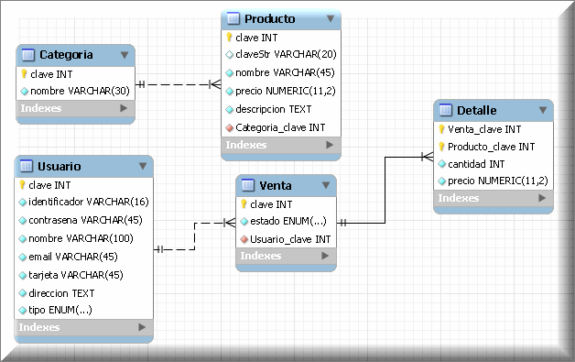
Customer | Email
 | Name
 | Surname
 | Sex
 | Addres
 | Birthdate
 | Telephone
Item | State
 | Date de baja
Category | Description
Order | Order/Item

