1.b) Ref_ac
CRJ-1000 MTOW Distribution
 | MTOW
OEW | 59.46403385
Fuel weight @ max payload | 9.8499807668
Pax&cabin luggage | 23.58507501
Front cargo hold | 2.4669829465
Aft cargo hold | 4.6339274266
 |  | abs [kg] | %MTOW
MTOW |  | 38995 | 100
OEW |  | 23188 | 59.46403385
Fuel weight @ max payload |  | 3841 | 9.8499807668
Max payload | Max payload | 11966 | 30.685985383
 | Pax&cabin luggage | 9197 | 23.58507501
 | Front cargo hold | 962 | 2.4669829465
 | Aft cargo hold | 1807 | 4.6339274266

Slice labels
OEW
Fuel weight @ max payload
Max payload
Pax&cabin luggage
Front cargo hold
Aft cargo hold

1.c)
EOW
23188 | kg
Table provided, expressed in percentage of the EOW |  |  |  |  | Wing group | mass (kg) | XCG nose | Xcg lemac | Fuselage group | mass (kg) | XCG nose | Xcg lemac
Component | Weight (% EOW) | mass (kg) | OEW CG |  | Wing | 4568 | 19.994013072 | 0.2440130719 | propulsion | 3084 | 20.4044614 | 0.65446140036
Wing | 19.7 | 4568 | 20.27556445 | from nose | main landing gear | 1345 |  |  | fuselage | 8116
Horizontal Tail | 2.5 | 580 | 0.52556444992 | from LEMAC | Total | 5913 |  |  | vertical tail | 417
Vertical Tail | 1.8 | 417 |  | lemac |  |  |  |  | horizontal tail | 580
Fuselage | 35 | 8116 |  |  |  |  |  |  | cockpit | 533
Main Landing gear | 5.8 | 1345 |  |  |  |  |  |  | nose landing gear | 186
Nose Landing gear | 0.8 | 186 |  |  |  |  |  |  | Total | 12916
Propulsion System | 13.3 | 3084
Cockpit Systems | 2.3 | 533
Total | 81.2 | 18829

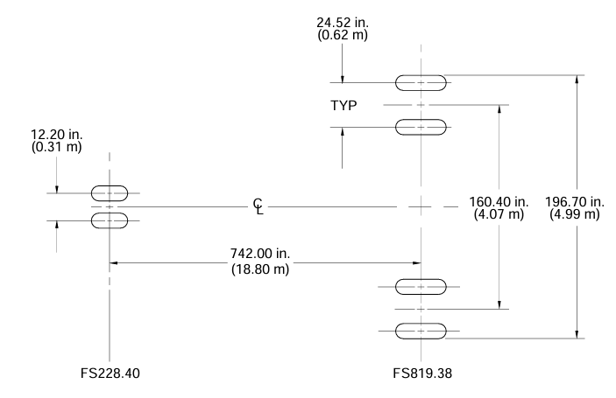
CG | cg position from front | position from LEMAC
Wing | 19.71 | -0.04 | [m]
Horizontal Tail | 36.50 | 16.75 | [m]
Vertical Tail | 36.00 | 16.25 | [m]
Fuselage | 16.54 | -3.22 | [m]
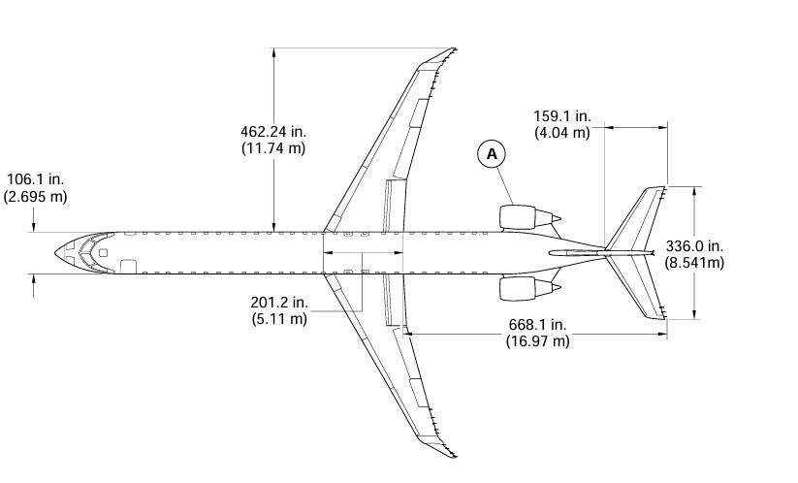
Main Landing gear | 20.97 | 1.22 | [m]
Nose Landing gear | 2.17 | -17.58 | [m]
Propulsion System | 29.69 | 9.94 | [m]
Cockpit Systems | 2.24 | -17.52 | [m]
nose to lemac | 19.75

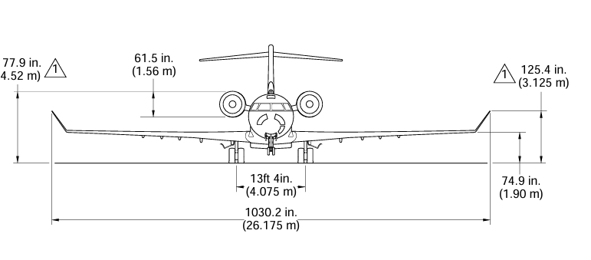
LEMAC Calculation prerequisites |  |  | source
Wing surface | 77.39 | [m2] | CPJ1000APMR8
wing span | 26.17 | [m] | CPJ1000APMR8
taper | 0.24 | [-] | CPJ1000APMR8
root chord | 5.89 | [m] | CRJ1000APMR8
tip chord | 1.40 | [m] | CPJ1000APMR8
sweep | 30.00 | degrees | CPJ1000APMR8
aspect ratio | 8.85 | [-] | CPJ1000APMR8

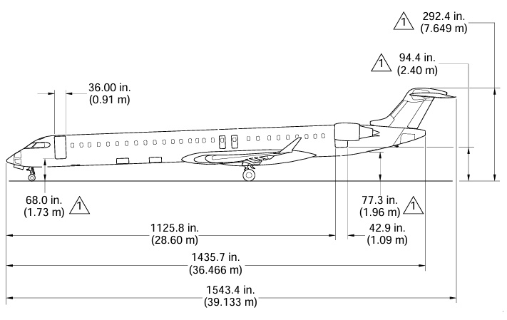
number passangers | 100
n rows | 25
seat per row | 4
seat pitch | 0.7874 | [m]
first row longitudinal position | 6.75 | [m]
passenger mass per | 90 | [kg]

 |  |  | MAC | 4.11
 | MAC: 4.11, Position: (5.20, -3.45)
 | AC Position: (5.20, -4.47)

CG | Mass | position from front | position from LEMAC
Fuel | 3841 | 19.65 | -0.10
Front cargo compart | 962 | 11.31 | -8.44
Rear Crago Comp | 1807 | 29.595 | 9.84
OEW | 18829 | 20.27556445 | 0.52556444992
PAX | 9000 | 16.5925 | -3.16
MTOW | 38995 | 19.481833531 | -0.26816646871

1.g)
 |  |  |  |  |  |  |  |  |  |  | Stability | Control
A.C parameters required | symbol | value |  | STABILITY |  |  | CONTROL |  |  | X_cg | Sh/S (stab) | Sh/S (control)
MAC chord length. THIS IS TAKEN FROM THE mac PYTHON SCRIPT | c_MAC | 4.11 |  | x_ac estimations (as percentages of MAC) |  |  |  |  |  | 0 | 0.090909908252 | 0.297975
wingspan | b | 26.17 |  | x_ac | -0.36083483921 |  | Var | Symbol |  | 0.01 | 0.090909908252 | 0.297975
fuselage width | b_f | 3 |  | x_ac_w |  |  | Zero-lift pitching moment of a.c without tail | Cmac | -0.15 | 0.02 | 0.093122717381 | 0.2907825
fuselage height | h_f | 3 |  | x_ac_f1 | -1.6589552669 |  |  | CL_Ah | 0.7 | 0.03 | 0.095335526509 | 0.28359
length of a.c nose to where the wing's leading edge touches the fuselage | l_fn | 15.73 |  | x_ac_f2 | 0.25812410125 |  | Tail lift coeff (-1 for full moving, -0,8 for adjustable,-0,35 for fixed tail) | CL_h | -0.8 | 0.04 | 0.097548335638 | 0.2763975
wing surface | S | 77.39 |  | x_ac_n | 1.0399963265 |  |  |  |  | 0.05 | 0.099761144766 | 0.269205
NOT c.g I think ?? smth to do with x_ac_f2 | c_g | 30 |  |  |  |  |  | Xac | 0.2 | 0.06 | 0.10197395389 | 0.2620125
Taper Ratio?? something else??? | Lambda_0.25 | 0.3 |  |  |  |  |  |  |  | 0.07 | 0.10418676302 | 0.25482
taper ratio | lambda | 0.24 |  | Cla_H estimation | symbol | value |  |  |  | 0.08 | 0.10639957215 | 0.2476275
nacelle width | b_n | 1.5 |  | Change of Cl with alpha for the tail | CLa_H | 2.76E+00 |  |  |  | 0.09 | 0.10861238128 | 0.240435
longitudinal distance of the engine-s furthest point from the quarter/cord of the MAC. The engine being more forward than the MAC is a positive l and more aft is negative l | l_n | -14.2 |  | Mach num for tail | M_h | 0.48 |  |  |  | 0.1 | 0.11082519041 | 0.2332425
number of engines |  | 2 | . | NO idea but has to do with mach | Beta_h | 0.87726848798 |  |  |  | 0.11 | 0.11303799954 | 0.22605
nacelle constant k, -4 fornacelles on the LE of wing or fuselage nose, -2,5 for engines mounted on the rear fuselage | k | -2.5 |  | no idea | Eta_h | 5.00E-01 |  |  |  | 0.12 | 0.11525080867 | 0.2188575
Probably the tail length???? IM NOT RLY SURE | l_h | 5 |  | IM GUESSING aspect ratio of wing | A_h | 10 |  |  |  | 0.13 | 0.11746361779 | 0.211665
Ratio of tail speed to wing speed squared | (V_h/V)^2 | 1 |  | Taper ratio 0.5??? idk | Lambda_0.5_w | 0.5 |  |  |  | 0.14 | 0.11967642692 | 0.2044725
0,85 if fuselage-mounted, 0,95 if fin-mounted and 1 if T-tail or canard |  |  |  |  |  |  |  |  |  | 0.15 | 0.12188923605 | 0.19728
Aspect Ratio of the wing | A_w | 8.85 |  |  |  |  |  |  |  | 0.16 | 0.12410204518 | 0.1900875
 |  |  |  | Cla_AH estimation | symbol | value |  |  |  | 0.17 | 0.12631485431 | 0.182895
"Sh/S (stab)", "Sh/S (control)" por "X_cg"
 |  |  |  | Change of Cl with alpha for the wing w.r.t tail | Cla_AH | 4.83E-01 |  |  |  | 0.18 | 0.12852766344 | 0.1757025
 |  |  |  | CLaw (the change of CL with alpha for the wing) | Cla_w | 2.75E+00 |  |  |  | 0.19 | 0.13074047257 | 0.16851
 |  |  |  | Mach num for wing | M_w | 0.5 |  |  |  | 0.2 | 0.13295328169 | 0.1613175
 |  |  |  | Beta for wing | Beta_w | 0.86602540378 |  |  |  | 0.21 | 0.13516609082 | 0.154125
 |  |  |  | still no idea | Eta_w | 0.5 |  |  |  | 0.22 | 0.13737889995 | 0.1469325
 |  |  |  | Taper ratio 0.5??? idk | Lambda_0.5_h | 0.5 |  |  |  | 0.23 | 0.13959170908 | 0.13974
 |  |  |  | S less the projection of the central wing inside the fuselage | S_net | 59.73 |  |  |  | 0.24 | 0.14180451821 | 0.1325475
 |  |  |  |  |  |  |  |  |  | 0.25 | 0.14401732734 | 0.125355
 |  |  |  |  |  |  |  |  |  | 0.26 | 0.14623013647 | 0.1181625
 |  |  |  |  |  |  |  |  |  | 0.27 | 0.14844294559 | 0.11097
 |  |  |  | downwash approximation |  |  |  |  |  | 0.28 | 0.15065575472 | 0.1037775
 |  |  |  | de/da | 0.35 |  |  |  |  | 0.29 | 0.15286856385 | 0.096585
 |  |  |  |  |  |  |  |  |  | 0.3 | 0.15508137298 | 0.0893925
 |  |  |  |  |  |  |  |  |  | 0.31 | 0.15729418211 | 0.0822
 |  |  |  |  |  |  |  |  |  | 0.32 | 0.15950699124 | 0.0750075
 |  |  |  |  |  |  |  |  |  | 0.33 | 0.16171980037 | 0.067815
 |  |  |  |  |  |  |  |  |  | 0.34 | 0.16393260949 | 0.0606225
 |  |  |  |  |  |  |  |  |  | 0.35 | 0.16614541862 | 0.05343
 |  |  |  |  |  |  |  |  |  | 0.36 | 0.16835822775 | 0.0462375
 |  |  |  |  |  |  |  |  |  | 0.37 | 0.17057103688 | 0.039045
 |  |  |  |  |  |  |  |  |  | 0.38 | 0.17278384601 | 0.0318525
 |  |  |  |  |  |  |  |  |  | 0.39 | 0.17499665514 | 0.02466
 |  |  |  |  |  |  |  |  |  | 0.4 | 0.17720946427 | 0.0174675
 |  |  |  |  |  |  |  |  |  | 0.41 | 0.17942227339 | 0.010275
 |  |  |  |  |  |  |  |  |  | 0.42 | 0.18163508252 | 0.0030825
 |  |  |  |  |  |  |  |  |  | 0.43 | 0.18384789165 | -0.00411
 |  |  |  |  |  |  |  |  |  | 0.44 | 0.18606070078 | -0.0113025
 |  |  |  |  |  |  |  |  |  | 0.45 | 0.18827350991 | -0.018495
 |  |  |  |  |  |  |  |  |  | 0.46 | 0.19048631904 | -0.0256875
 |  |  |  |  |  |  |  |  |  | 0.47 | 0.19269912817 | -0.03288
 |  |  |  |  |  |  |  |  |  | 0.48 | 0.19491193729 | -0.0400725
 |  |  |  |  |  |  |  |  |  | 0.49 | 0.19712474642 | -0.047265
 |  |  |  |  |  |  |  |  |  | 0.5 | 0.19933755555 | -0.0544575
 |  |  |  |  |  |  |  |  |  | 0.51 | 0.20155036468 | -0.06165
 |  |  |  |  |  |  |  |  |  | 0.52 | 0.20376317381 | -0.0688425
 |  |  |  |  |  |  |  |  |  | 0.53 | 0.20597598294 | -0.076035
 |  |  |  |  |  |  |  |  |  | 0.54 | 0.20818879207 | -0.0832275
 |  |  |  |  |  |  |  |  |  | 0.55 | 0.21040160119 | -0.09042
 |  |  |  |  |  |  |  |  |  | 0.56 | 0.21261441032 | -0.0976125
 |  |  |  |  |  |  |  |  |  | 0.57 | 0.21482721945 | -0.104805
 |  |  |  |  |  |  |  |  |  | 0.58 | 0.21704002858 | -0.1119975
 |  |  |  |  |  |  |  |  |  | 0.59 | 0.21925283771 | -0.11919
 |  |  |  |  |  |  |  |  |  | 0.6 | 0.22146564684 | -0.1263825
 |  |  |  |  |  |  |  |  |  | 0.61 | 0.22367845597 | -0.133575
 |  |  |  |  |  |  |  |  |  | 0.62 | 0.22589126509 | -0.1407675
 |  |  |  |  |  |  |  |  |  | 0.63 | 0.22810407422 | -0.14796
 |  |  |  |  |  |  |  |  |  | 0.64 | 0.23031688335 | -0.1551525
 |  |  |  |  |  |  |  |  |  | 0.65 | 0.23252969248 | -0.162345
 |  |  |  |  |  |  |  |  |  | 0.66 | 0.23474250161 | -0.1695375
 |  |  |  |  |  |  |  |  |  | 0.67 | 0.23695531074 | -0.17673
 |  |  |  |  |  |  |  |  |  | 0.68 | 0.23916811987 | -0.1839225
 |  |  |  |  |  |  |  |  |  | 0.69 | 0.24138092899 | -0.191115
 |  |  |  |  |  |  |  |  |  | 0.7 | 0.24359373812 | -0.1983075
 |  |  |  |  |  |  |  |  |  | 0.71 | 0.24580654725 | -0.2055
 |  |  |  |  |  |  |  |  |  | 0.72 | 0.24801935638 | -0.2126925
 |  |  |  |  |  |  |  |  |  | 0.73 | 0.25023216551 | -0.219885
 |  |  |  |  |  |  |  |  |  | 0.74 | 0.25244497464 | -0.2270775
 |  |  |  |  |  |  |  |  |  | 0.75 | 0.25465778377 | -0.23427
 |  |  |  |  |  |  |  |  |  | 0.76 | 0.25687059289 | -0.2414625
 |  |  |  |  |  |  |  |  |  | 0.77 | 0.25908340202 | -0.248655
 |  |  |  |  |  |  |  |  |  | 0.78 | 0.26129621115 | -0.2558475
 |  |  |  |  |  |  |  |  |  | 0.79 | 0.26350902028 | -0.26304
 |  |  |  |  |  |  |  |  |  | 0.8 | 0.26572182941 | -0.2702325
 |  |  |  |  |  |  |  |  |  | 0.81 | 0.26793463854 | -0.277425
 |  |  |  |  |  |  |  |  |  | 0.82 | 0.27014744766 | -0.2846175
 |  |  |  |  |  |  |  |  |  | 0.83 | 0.27236025679 | -0.29181
 |  |  |  |  |  |  |  |  |  | 0.84 | 0.27457306592 | -0.2990025
 |  |  |  |  |  |  |  |  |  | 0.85 | 0.27678587505 | -0.306195
 |  |  |  |  |  |  |  |  |  | 0.86 | 0.27899868418 | -0.3133875
 |  |  |  |  |  |  |  |  |  | 0.87 | 0.28121149331 | -0.32058
 |  |  |  |  |  |  |  |  |  | 0.88 | 0.28342430244 | -0.3277725
 |  |  |  |  |  |  |  |  |  | 0.89 | 0.28563711156 | -0.334965
 |  |  |  |  |  |  |  |  |  | 0.9 | 0.28784992069 | -0.3421575
 |  |  |  |  |  |  |  |  |  | 0.91 | 0.29006272982 | -0.34935
 |  |  |  |  |  |  |  |  |  | 0.92 | 0.29227553895 | -0.3565425
 |  |  |  |  |  |  |  |  |  | 0.93 | 0.29448834808 | -0.363735
 |  |  |  |  |  |  |  |  |  | 0.94 | 0.29670115721 | -0.3709275
 |  |  |  |  |  |  |  |  |  | 0.95 | 0.29891396634 | -0.37812
 |  |  |  |  |  |  |  |  |  | 0.96 | 0.30112677546 | -0.3853125
 |  |  |  |  |  |  |  |  |  | 0.97 | 0.30333958459 | -0.392505
 |  |  |  |  |  |  |  |  |  | 0.98 | 0.30555239372 | -0.3996975
 |  |  |  |  |  |  |  |  |  | 0.99 | 0.30776520285 | -0.40689
 |  |  |  |  |  |  |  |  |  | 1 | 0.30997801198 | -0.4140825

